Demands + forecasts
 |  |  |  |  |  | p25 of review of maritime transport 2019 | p37 of review of maritime transport 2019
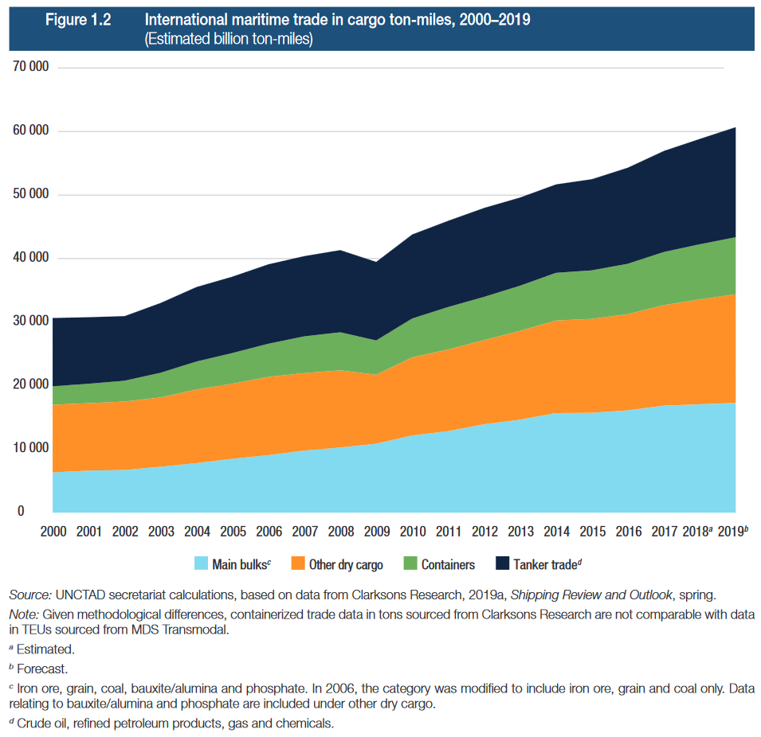
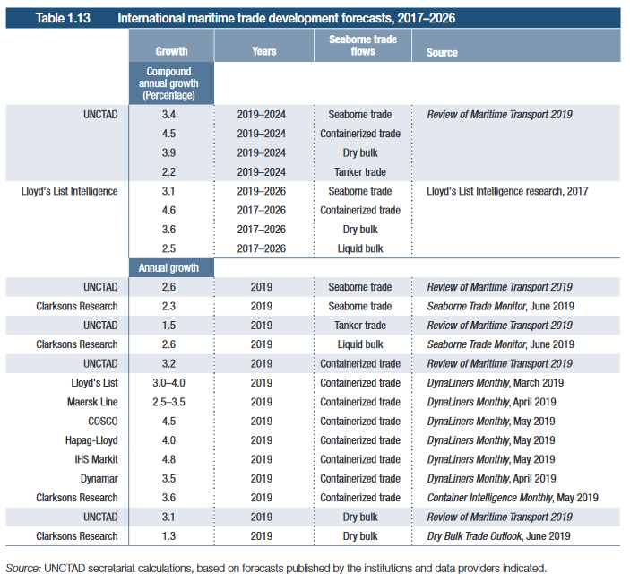
 | gigatonne-nautical miles
 | tanker | bulkcarrier | generalcargo | containership | other
2011 | 14000 | 12500 | 11500 | 8500 | 5500
2012 | 14420 | 13037 | 11995 | 8704 | 5632
2013 | 14853 | 13598 | 12510 | 8913 | 5767
2014 | 15298 | 14183 | 13048 | 9127 | 5906
2015 | 15757 | 14793 | 13609 | 9346 | 6047
2016 | 16230 | 15429 | 14194 | 9570 | 6192
2017 | 16717 | 16092 | 14805 | 9800 | 6341
2018 | 17218 | 16784 | 15441 | 10035 | 6493
2019 | 17649 | 17070 | 16105 | 10396 | 6636
2020 | 18090 | 17360 | 16379 | 10771 | 6782
2021 | 18542 | 17655 | 16658 | 11158 | 6931
2022 | 19006 | 17955 | 16941 | 11560 | 7084
2023 | 19481 | 18260 | 17229 | 11976 | 7240
2024 | 19968 | 18571 | 17522 | 12407 | 7399
2025 | 20467 | 18886 | 17820 | 12854 | 7562
2026 | 20979 | 19207 | 18123 | 13317 | 7728
2027 | 21503 | 19534 | 18431 | 13796 | 7898
2028 | 22041 | 19866 | 18744 | 14293 | 8072
2029 | 22592 | 20204 | 19063 | 14807 | 8249
2030 | 23157 | 20547 | 19387 | 15340 | 8431
2031 | 23133 | 20527 | 19367 | 15570 | 8481
2032 | 23110 | 20506 | 19348 | 15804 | 8532
2033 | 23087 | 20486 | 19329 | 16041 | 8584
2034 | 23064 | 20465 | 19309 | 16282 | 8635
2035 | 23041 | 20445 | 19290 | 16526 | 8687 | p86 of Maritime Forecast to 2050
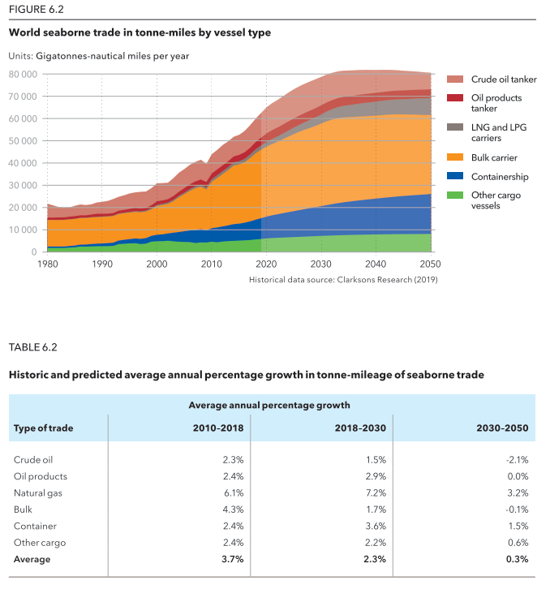
2036 | 23018 | 20424 | 19271 | 16774 | 8739
2037 | 22995 | 20404 | 19251 | 17025 | 8791
2038 | 22972 | 20383 | 19232 | 17281 | 8844
2039 | 22949 | 20363 | 19213 | 17540 | 8897
2040 | 22926 | 20343 | 19194 | 17803 | 8951
2041 | 22903 | 20322 | 19174 | 18070 | 9004
2042 | 22880 | 20302 | 19155 | 18341 | 9058
2043 | 22857 | 20282 | 19136 | 18616 | 9113
2044 | 22835 | 20261 | 19117 | 18896 | 9167
2045 | 22812 | 20241 | 19098 | 19179 | 9222
2046 | 22789 | 20221 | 19079 | 19467 | 9278
2047 | 22766 | 20201 | 19060 | 19759 | 9333
2048 | 22743 | 20180 | 19041 | 20055 | 9389
2049 | 22721 | 20160 | 19022 | 20356 | 9446
2050 | 22698 | 20140 | 19003 | 20661 | 9502
2051 | 22675 | 20120 | 18984 | 20971 | 9559
2052 | 22652 | 20100 | 18965 | 21286 | 9617
2053 | 22630 | 20080 | 18946 | 21605 | 9674
2054 | 22607 | 20060 | 18927 | 21929 | 9733
2055 | 22585 | 20040 | 18908 | 22258 | 9791
2056 | 22562 | 20020 | 18889 | 22592 | 9850
2057 | 22539 | 20000 | 18870 | 22931 | 9909
2058 | 22517 | 19980 | 18851 | 23275 | 9968
2059 | 22494 | 19960 | 18832 | 23624 | 10028
2060 | 22472 | 19940 | 18813 | 23978 | 10088
2061 | 22449 | 19920 | 18795 | 24338 | 10149
2062 | 22427 | 19900 | 18776 | 24703 | 10210
2063 | 22405 | 19880 | 18757 | 25074 | 10271
2064 | 22382 | 19860 | 18738 | 25450 | 10332
2065 | 22360 | 19840 | 18720 | 25831 | 10394
2066 | 22337 | 19820 | 18701 | 26219 | 10457
2067 | 22315 | 19800 | 18682 | 26612 | 10520
2068 | 22293 | 19781 | 18663 | 27011 | 10583
2069 | 22270 | 19761 | 18645 | 27416 | 10646
2070 | 22248 | 19741 | 18626 | 27828 | 10710
2071 | 22226 | 19721 | 18607 | 28245 | 10774
2072 | 22204 | 19702 | 18589 | 28669 | 10839
2073 | 22182 | 19682 | 18570 | 29099 | 10904
2074 | 22159 | 19662 | 18552 | 29535 | 10969
2075 | 22137 | 19643 | 18533 | 29978 | 11035

