Preexisting fleet stats
 |  | T | B | G | C | O
# of ships | Total fleet | Oil tankers | Bulk carriers | General cargo | Container ships | Other types of ships
2011 | 83283 | 10609 | 8228 | 21090 | 4966 | 38390
2012 | 84709 | 8838 | 9001 | 20309 | 5096 | 41465
2013 | 86484 | 9033 | 9568 | 20282 | 5107 | 42494
2014 | 87954 | 9241 | 10162 | 19664 | 5101 | 43786
2015 | 90470 | 9695 | 10509 | 19566 | 5111 | 45589
2016 | 92074 | 9935 | 10747 | 19698 | 5227 | 46467
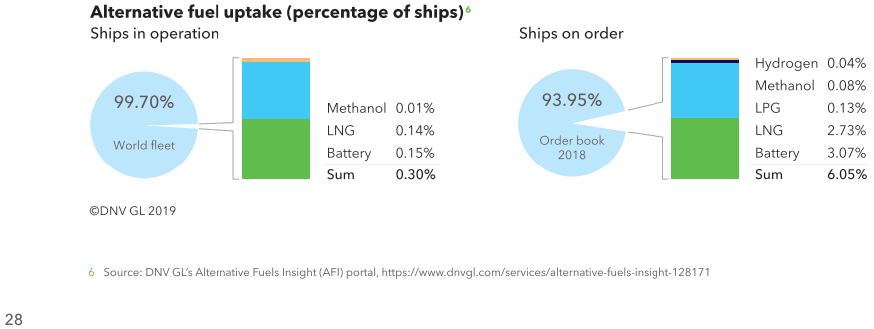
2017 | 93262 | 10216 | 10892 | 19716 | 5158 | 47280
2018 | 94169 | 10420 | 11125 | 19613 | 5164 | 47847
2019 | 96295 | 10766 | 11373 | 18993 | 5269 | 49894

 | Maritime Forecast 2050 DNV GL p42
 | 2019 | Scrubber | LNG | LNG ready | Battery | Methanol | LPG | H2
B | Bulk carriers | 1515 | 14 | 42 | 6
G | Car carriers | 59 | 10 | 0
O | Car/passenger ferries | 12 | 53 | 4 | 194 |  |  | 2
C | Contianer ships | 928 | 47 | 45 | 2
T | Crude oil tankers | 618 | 53 | 8 | 6
O | cruise ships | 219 | 32 | 0 | 18
O | fishing vessels | 1 | 3 | 0 | 18
T | gas tankers | 115 | 7 | 0 |  | 2 | 34
G | general cargo ships | 98 | 15 | 0 | 3
O | offshore supply ships |  | 37 | 0 | 59
O | oil/chemical tankers | 558 | 49 | 29 | 5 | 21
O | other activities | 6 | 20 | 1 | 89
O | other offshore vessels | 1 |  |  | 13
G | RoPax | 93 | 22 | 12 | 3 | 1
G | Ro-ro cargo ships | 194 | 11 | 8 | 16
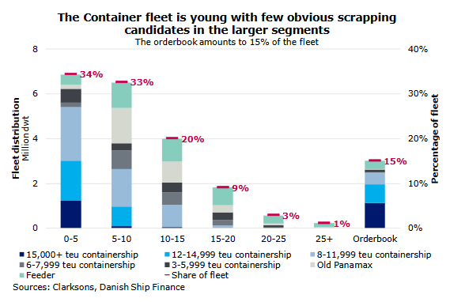
O | Tugs |  | 18 | 0 | 16 |  |  | 1

 |  | Scrubber | LNG | LNG ready | Battery | Methanol | LPG | H2
 | T | 733 | 60 | 8 | 6 | 2 | 34 | 0
 | B | 1515 | 14 | 42 | 6 | 0 | 0 | 0
 | G | 444 | 58 | 20 | 22 | 1 | 0 | 0
 | C | 928 | 47 | 45 | 2 | 0 | 0 | 0
 | O | 797 | 212 | 34 | 412 | 21 | 0 | 3

