data
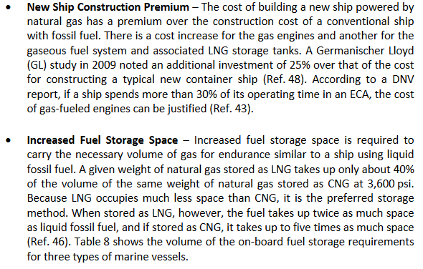
Tills thesis | Shipping Market Review | compensated gross tonnage
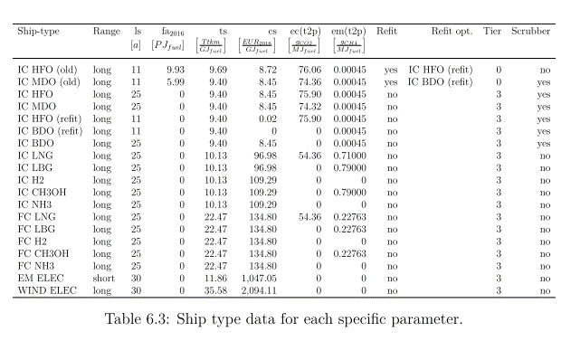
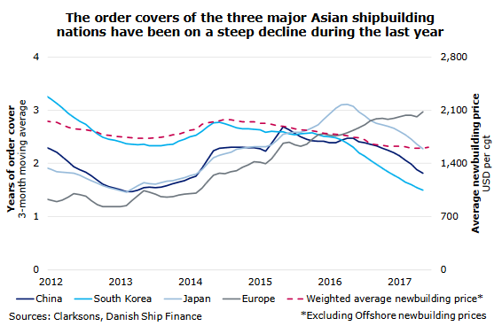

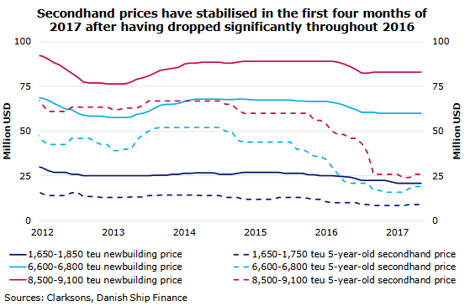
source
Study on the use of ethyl and methyl alcohol as alternative fuels in shipping
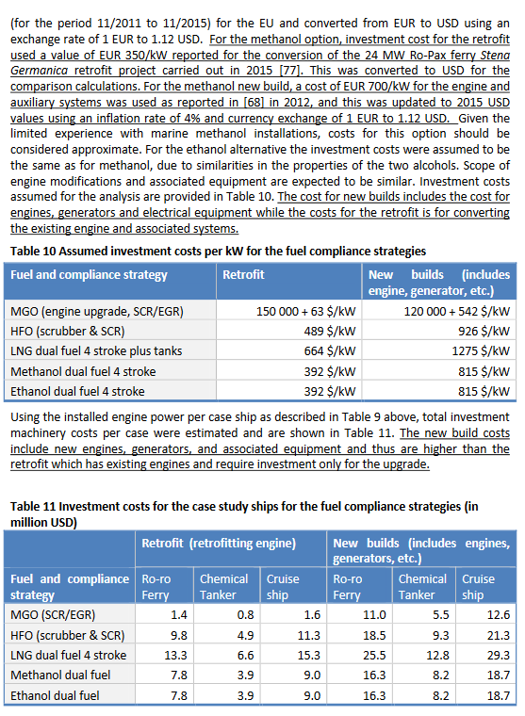

 | LNG engine costs
 | Economic assessment of liquefied natural gas (lng) as a marine fuel for co2 carriers compared to marine gas oil

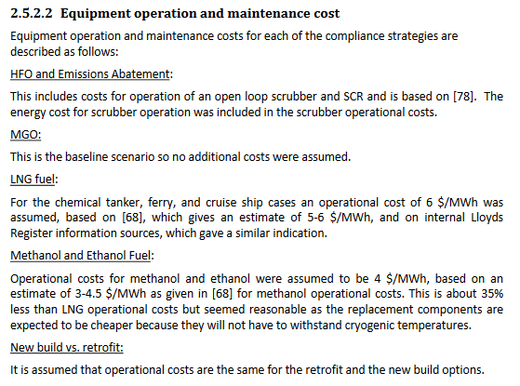

Alternative Fuels for Marine Applications, IEA

scrubbers
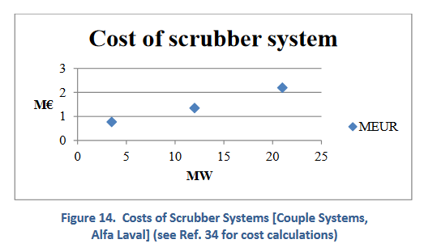
Alternative Fuels for Marine Applications, IEA

