averagetransport work
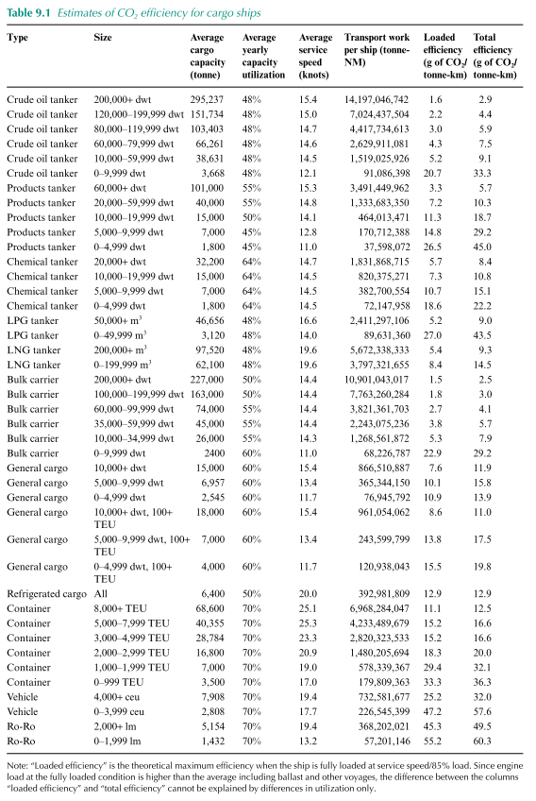
 |  |  |  |  |  |  | 1 | NM
Average transport work per ship type |  |  |  |  |  |  | 1.852 | km
gigatonne-NM
tanker | bulkcarrier | generalcargo | containership | other
3 | 7 | 0.5 | 4 | 0.3
5.6 | 13.0 | 0.9 | 7.4 | 0.6

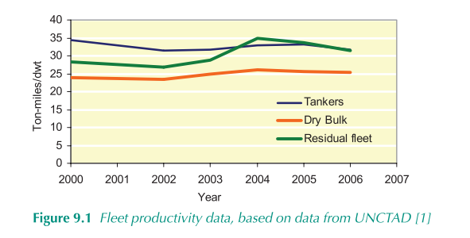

T_MFO | B_MFO | G_MFO | C_MFO | O_MFO | T_SCR | B_SCR | G_SCR | C_SCR | O_SCR | T_LNG | B_LNG | G_LNG | C_LNG | O_LNG | T_ELC | B_ELC | G_ELC | C_ELC | O_ELC | T_MET | B_MET | G_MET | C_MET | O_MET | T_LPG | B_LPG | G_LPG | C_LPG | O_LPG | T_HYD | B_HYD | G_HYD | C_HYD | O_HYD
5.6 | 13.0 | 0.9 | 7.4 | 0.6 | 5.6 | 13.0 | 0.9 | 7.4 | 0.6 | 5.6 | 13.0 | 0.9 | 7.4 | 0.6 | 5.6 | 13.0 | 0.9 | 7.4 | 0.6 | 5.6 | 13.0 | 0.9 | 7.4 | 0.6 | 5.6 | 13.0 | 0.9 | 7.4 | 0.6 | 5.6 | 13.0 | 0.9 | 7.4 | 0.6

shipfuel eff
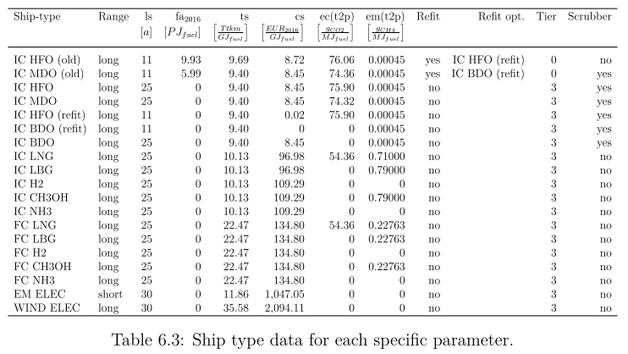
Ship efficiency is by ship and fuel

 | ton*km/MJ
 | T_MFO | B_MFO | G_MFO | C_MFO | O_MFO | T_SCR | B_SCR | G_SCR | C_SCR | O_SCR | T_LNG | B_LNG | G_LNG | C_LNG | O_LNG | T_ELC | B_ELC | G_ELC | C_ELC | O_ELC | T_MET | B_MET | G_MET | C_MET | O_MET | T_LPG | B_LPG | G_LPG | C_LPG | O_LPG | T_HYD | B_HYD | G_HYD | C_HYD | O_HYD
HFO | 0 | 0 | 0 | 0 | 0 | 10 | 10 | 5 | 5 | 5 | 0 | 0 | 0 | 0 | 0 | 0 | 0 | 0 | 0 | 0 | 0 | 0 | 0 | 0 | 0 | 0 | 0 | 0 | 0 | 0 | 0 | 0 | 0 | 0 | 0
MDO | 10 | 10 | 5 | 5 | 5 | 0 | 0 | 0 | 0 | 0 | 0 | 0 | 0 | 0 | 0 | 0 | 0 | 0 | 0 | 0 | 0 | 0 | 0 | 0 | 0 | 0 | 0 | 0 | 0 | 0 | 0 | 0 | 0 | 0 | 0
LNG | 0 | 0 | 0 | 0 | 0 | 0 | 0 | 0 | 0 | 0 | 10 | 10 | 5 | 5 | 5 | 0 | 0 | 0 | 0 | 0 | 0 | 0 | 0 | 0 | 0 | 0 | 0 | 0 | 0 | 0 | 0 | 0 | 0 | 0 | 0
LPG | 0 | 0 | 0 | 0 | 0 | 0 | 0 | 0 | 0 | 0 | 0 | 0 | 0 | 0 | 0 | 0 | 0 | 0 | 0 | 0 | 0 | 0 | 0 | 0 | 0 | 10 | 10 | 5 | 5 | 5 | 0 | 0 | 0 | 0 | 0
MET | 0 | 0 | 0 | 0 | 0 | 0 | 0 | 0 | 0 | 0 | 0 | 0 | 0 | 0 | 0 | 0 | 0 | 0 | 0 | 0 | 10 | 10 | 5 | 5 | 5 | 0 | 0 | 0 | 0 | 0 | 0 | 0 | 0 | 0 | 0
HYB | 0 | 0 | 0 | 0 | 0 | 0 | 0 | 0 | 0 | 0 | 0 | 0 | 0 | 0 | 0 | 0 | 0 | 0 | 0 | 0 | 0 | 0 | 0 | 0 | 0 | 0 | 0 | 0 | 0 | 0 | 10 | 10 | 5 | 5 | 5
HYG | 0 | 0 | 0 | 0 | 0 | 0 | 0 | 0 | 0 | 0 | 0 | 0 | 0 | 0 | 0 | 0 | 0 | 0 | 0 | 0 | 0 | 0 | 0 | 0 | 0 | 0 | 0 | 0 | 0 | 0 | 10 | 10 | 5 | 5 | 5
AMM | 0 | 0 | 0 | 0 | 0 | 0 | 0 | 0 | 0 | 0 | 0 | 0 | 0 | 0 | 0 | 0 | 0 | 0 | 0 | 0 | 0 | 0 | 0 | 0 | 0 | 0 | 0 | 0 | 0 | 0 | 0 | 0 | 0 | 0 | 0
ELC | 0 | 0 | 0 | 0 | 0 | 0 | 0 | 0 | 0 | 0 | 0 | 0 | 0 | 0 | 0 | 10 | 10 | 5 | 5 | 5 | 0 | 0 | 0 | 0 | 0 | 0 | 0 | 0 | 0 | 0 | 0 | 0 | 0 | 0 | 0

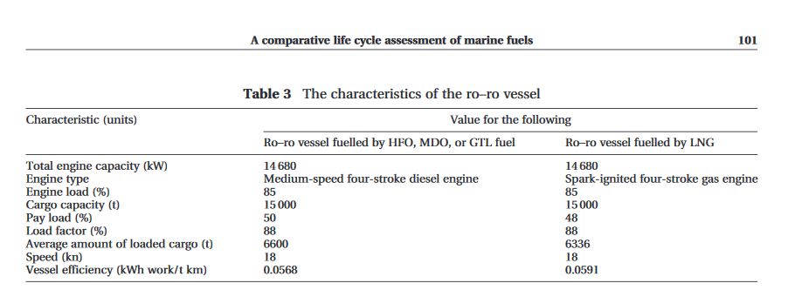
 | Marine Transportation and Energy Use |  |  |  |  |  | Tils thesis
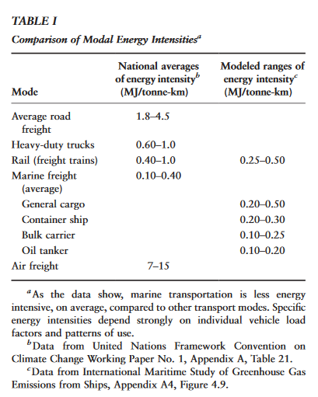
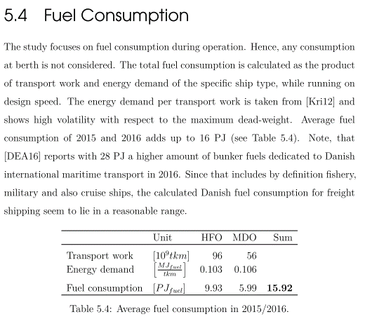

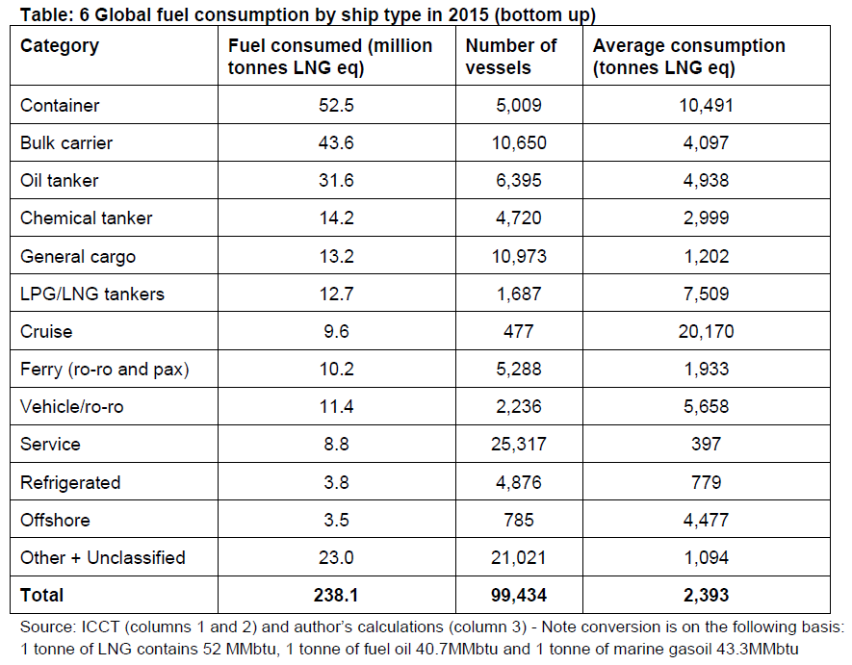

 |  |  |  |  |  |  | Til thesis

