fuel_prices
 |  |  |  |  |  |  |  |  |  | https://afi.dnvgl.com/KnowledgeHub/Encyclopedia?dropdownfield=nav-introduction
https://afi.dnvgl.com/Statistics?repId=4
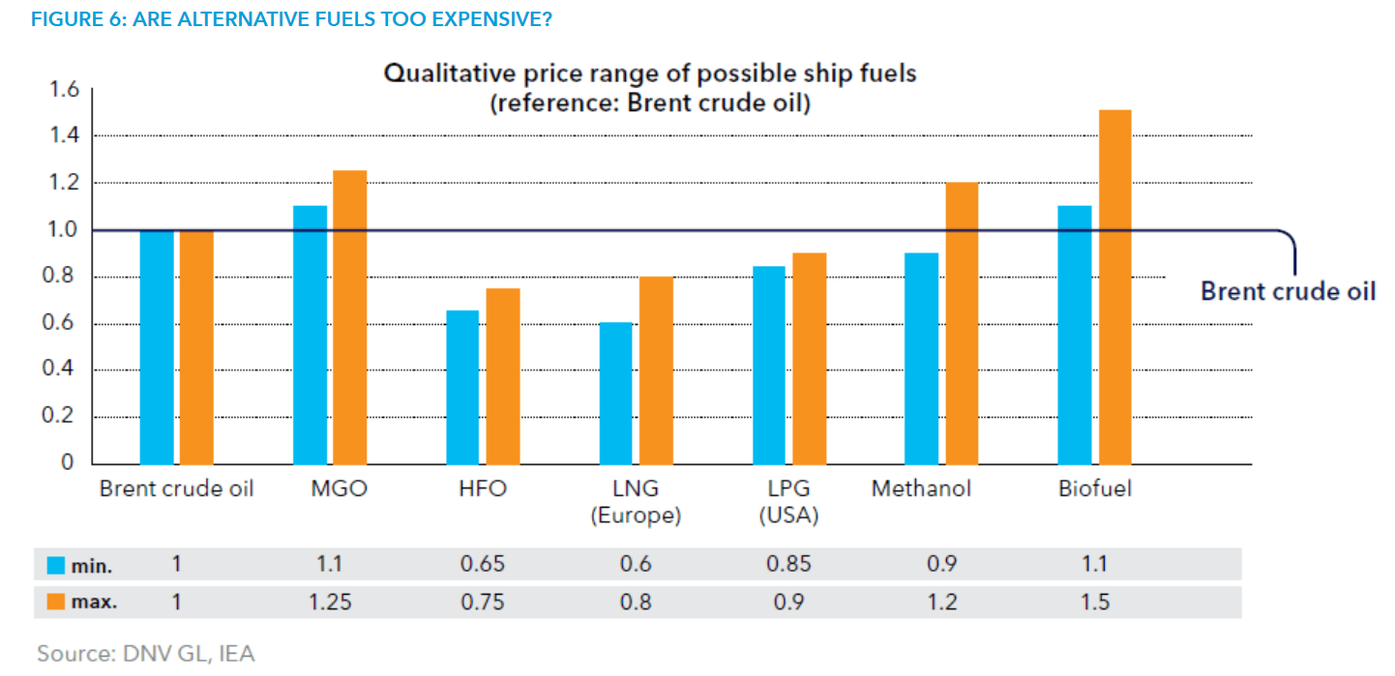
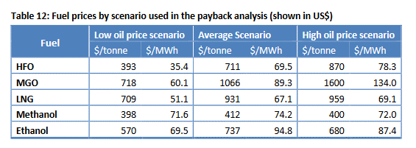

 | 2011 | 2012 | 2013 | 2014 | 2015 | 2016 | 2017 | 2018 | 2019 | 2020 | 2021 | 2022 | 2023 | 2024 | 2025 | 2026 | 2027 | 2028 | 2029 | 2030 | 2031 | 2032 | 2033 | 2034 | 2035 | 2036 | 2037 | 2038 | 2039 | 2040 | 2041 | 2042 | 2043 | 2044 | 2045 | 2046 | 2047 | 2048 | 2049 | 2050 | 2051 | 2052 | 2053 | 2054 | 2055 | 2056 | 2057 | 2058 | 2059 | 2060 | 2061 | 2062 | 2063 | 2064 | 2065 | 2066 | 2067 | 2068 | 2069 | 2070 | 2071 | 2072 | 2073 | 2074 | 2075
HFO | 0.75 | 0.75 | 0.75 | 0.75 | 0.75 | 0.75 | 0.75 | 0.75 | 0.75 | 0.75 | 0.75 | 0.75 | 0.75 | 0.75 | 0.75 | 0.75 | 0.75 | 0.75 | 0.75 | 0.75 | 0.75 | 0.75 | 0.75 | 0.75 | 0.75 | 0.75 | 0.75 | 0.75 | 0.75 | 0.75 | 0.75 | 0.75 | 0.75 | 0.75 | 0.75 | 0.75 | 0.75 | 0.75 | 0.75 | 0.75 | 0.75 | 0.75 | 0.75 | 0.75 | 0.75 | 0.75 | 0.75 | 0.75 | 0.75 | 0.75 | 0.75 | 0.75 | 0.75 | 0.75 | 0.75 | 0.75 | 0.75 | 0.75 | 0.75 | 0.75 | 0.75 | 0.75 | 0.75 | 0.75 | 0.75
MDO | 1.25 | 1.25 | 1.25 | 1.25 | 1.25 | 1.25 | 1.25 | 1.25 | 1.25 | 1.25 | 1.25 | 1.25 | 1.25 | 1.25 | 1.25 | 1.25 | 1.25 | 1.25 | 1.25 | 1.25 | 1.25 | 1.25 | 1.25 | 1.25 | 1.25 | 1.25 | 1.25 | 1.25 | 1.25 | 1.25 | 1.25 | 1.25 | 1.25 | 1.25 | 1.25 | 1.25 | 1.25 | 1.25 | 1.25 | 1.25 | 1.25 | 1.25 | 1.25 | 1.25 | 1.25 | 1.25 | 1.25 | 1.25 | 1.25 | 1.25 | 1.25 | 1.25 | 1.25 | 1.25 | 1.25 | 1.25 | 1.25 | 1.25 | 1.25 | 1.25 | 1.25 | 1.25 | 1.25 | 1.25 | 1.25
LNG | 0.8 | 0.8 | 0.8 | 0.8 | 0.8 | 0.8 | 0.8 | 0.8 | 0.8 | 0.8 | 0.8 | 0.8 | 0.8 | 0.8 | 0.8 | 0.8 | 0.8 | 0.8 | 0.8 | 0.8 | 0.8 | 0.8 | 0.8 | 0.8 | 0.8 | 0.8 | 0.8 | 0.8 | 0.8 | 0.8 | 0.8 | 0.8 | 0.8 | 0.8 | 0.8 | 0.8 | 0.8 | 0.8 | 0.8 | 0.8 | 0.8 | 0.8 | 0.8 | 0.8 | 0.8 | 0.8 | 0.8 | 0.8 | 0.8 | 0.8 | 0.8 | 0.8 | 0.8 | 0.8 | 0.8 | 0.8 | 0.8 | 0.8 | 0.8 | 0.8 | 0.8 | 0.8 | 0.8 | 0.8 | 0.8
LPG | 0.9 | 0.9 | 0.9 | 0.9 | 0.9 | 0.9 | 0.9 | 0.9 | 0.9 | 0.9 | 0.9 | 0.9 | 0.9 | 0.9 | 0.9 | 0.9 | 0.9 | 0.9 | 0.9 | 0.9 | 0.9 | 0.9 | 0.9 | 0.9 | 0.9 | 0.9 | 0.9 | 0.9 | 0.9 | 0.9 | 0.9 | 0.9 | 0.9 | 0.9 | 0.9 | 0.9 | 0.9 | 0.9 | 0.9 | 0.9 | 0.9 | 0.9 | 0.9 | 0.9 | 0.9 | 0.9 | 0.9 | 0.9 | 0.9 | 0.9 | 0.9 | 0.9 | 0.9 | 0.9 | 0.9 | 0.9 | 0.9 | 0.9 | 0.9 | 0.9 | 0.9 | 0.9 | 0.9 | 0.9 | 0.9
MET | 1.2 | 1.2 | 1.2 | 1.2 | 1.2 | 1.2 | 1.2 | 1.2 | 1.2 | 1.2 | 1.2 | 1.2 | 1.2 | 1.2 | 1.2 | 1.2 | 1.2 | 1.2 | 1.2 | 1.2 | 1.2 | 1.2 | 1.2 | 1.2 | 1.2 | 1.2 | 1.2 | 1.2 | 1.2 | 1.2 | 1.2 | 1.2 | 1.2 | 1.2 | 1.2 | 1.2 | 1.2 | 1.2 | 1.2 | 1.2 | 1.2 | 1.2 | 1.2 | 1.2 | 1.2 | 1.2 | 1.2 | 1.2 | 1.2 | 1.2 | 1.2 | 1.2 | 1.2 | 1.2 | 1.2 | 1.2 | 1.2 | 1.2 | 1.2 | 1.2 | 1.2 | 1.2 | 1.2 | 1.2 | 1.2
HYB | 1.3 | 1.3 | 1.3 | 1.3 | 1.3 | 1.3 | 1.3 | 1.3 | 1.3 | 1.3 | 1.3 | 1.3 | 1.3 | 1.3 | 1.3 | 1.3 | 1.3 | 1.3 | 1.3 | 1.3 | 1.3 | 1.3 | 1.3 | 1.3 | 1.3 | 1.3 | 1.3 | 1.3 | 1.3 | 1.3 | 1.3 | 1.3 | 1.3 | 1.3 | 1.3 | 1.3 | 1.3 | 1.3 | 1.3 | 1.3 | 1.3 | 1.3 | 1.3 | 1.3 | 1.3 | 1.3 | 1.3 | 1.3 | 1.3 | 1.3 | 1.3 | 1.3 | 1.3 | 1.3 | 1.3 | 1.3 | 1.3 | 1.3 | 1.3 | 1.3 | 1.3 | 1.3 | 1.3 | 1.3 | 1.3
HYG | 1.3 | 1.3 | 1.3 | 1.3 | 1.3 | 1.3 | 1.3 | 1.3 | 1.3 | 1.3 | 1.3 | 1.3 | 1.3 | 1.3 | 1.3 | 1.3 | 1.3 | 1.3 | 1.3 | 1.3 | 1.3 | 1.3 | 1.3 | 1.3 | 1.3 | 1.3 | 1.3 | 1.3 | 1.3 | 1.3 | 1.3 | 1.3 | 1.3 | 1.3 | 1.3 | 1.3 | 1.3 | 1.3 | 1.3 | 1.3 | 1.3 | 1.3 | 1.3 | 1.3 | 1.3 | 1.3 | 1.3 | 1.3 | 1.3 | 1.3 | 1.3 | 1.3 | 1.3 | 1.3 | 1.3 | 1.3 | 1.3 | 1.3 | 1.3 | 1.3 | 1.3 | 1.3 | 1.3 | 1.3 | 1.3
AMM | 1.3 | 1.3 | 1.3 | 1.3 | 1.3 | 1.3 | 1.3 | 1.3 | 1.3 | 1.3 | 1.3 | 1.3 | 1.3 | 1.3 | 1.3 | 1.3 | 1.3 | 1.3 | 1.3 | 1.3 | 1.3 | 1.3 | 1.3 | 1.3 | 1.3 | 1.3 | 1.3 | 1.3 | 1.3 | 1.3 | 1.3 | 1.3 | 1.3 | 1.3 | 1.3 | 1.3 | 1.3 | 1.3 | 1.3 | 1.3 | 1.3 | 1.3 | 1.3 | 1.3 | 1.3 | 1.3 | 1.3 | 1.3 | 1.3 | 1.3 | 1.3 | 1.3 | 1.3 | 1.3 | 1.3 | 1.3 | 1.3 | 1.3 | 1.3 | 1.3 | 1.3 | 1.3 | 1.3 | 1.3 | 1.3
ELC | 1.3 | 1.3 | 1.3 | 1.3 | 1.3 | 1.3 | 1.3 | 1.3 | 1.3 | 1.3 | 1.3 | 1.3 | 1.3 | 1.3 | 1.3 | 1.3 | 1.3 | 1.3 | 1.3 | 1.3 | 1.3 | 1.3 | 1.3 | 1.3 | 1.3 | 1.3 | 1.3 | 1.3 | 1.3 | 1.3 | 1.3 | 1.3 | 1.3 | 1.3 | 1.3 | 1.3 | 1.3 | 1.3 | 1.3 | 1.3 | 1.3 | 1.3 | 1.3 | 1.3 | 1.3 | 1.3 | 1.3 | 1.3 | 1.3 | 1.3 | 1.3 | 1.3 | 1.3 | 1.3 | 1.3 | 1.3 | 1.3 | 1.3 | 1.3 | 1.3 | 1.3 | 1.3 | 1.3 | 1.3 | 1.3

