fuel_prices
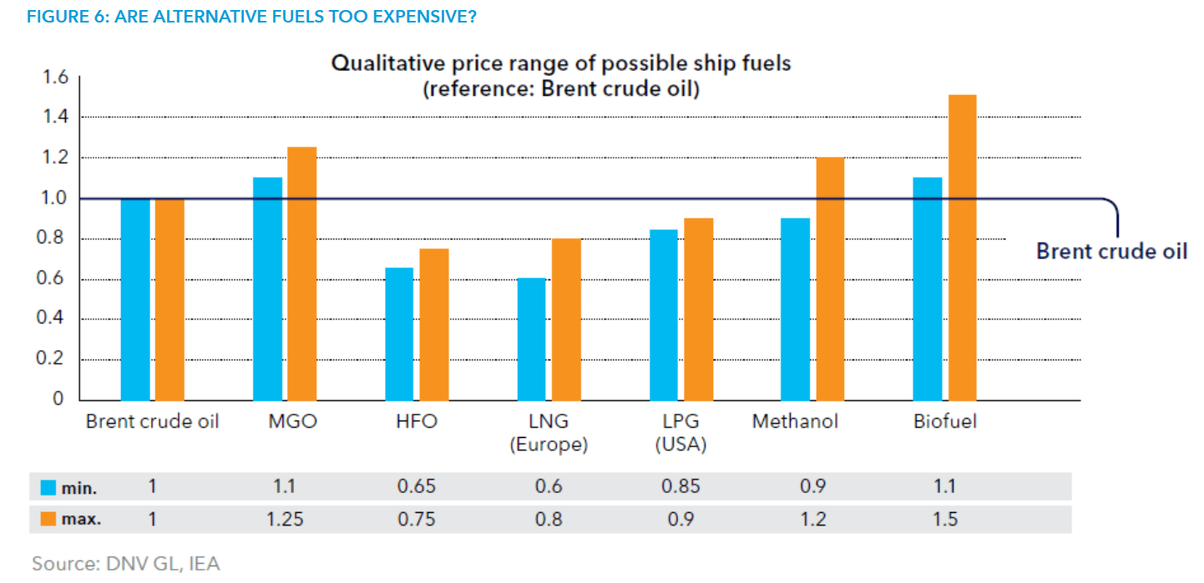
 | https://afi.dnvgl.com/KnowledgeHub/Encyclopedia?dropdownfield=nav-introduction
https://afi.dnvgl.com/Statistics?repId=4

