data
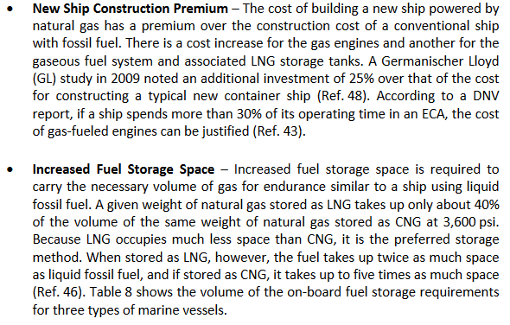
Tills thesis | Shipping Market Review | compensated gross tonnage
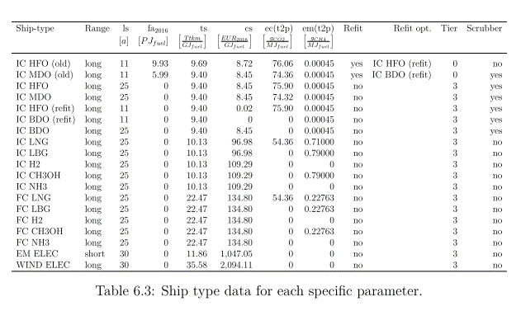
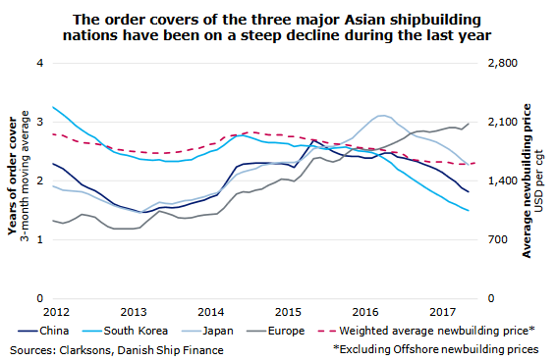

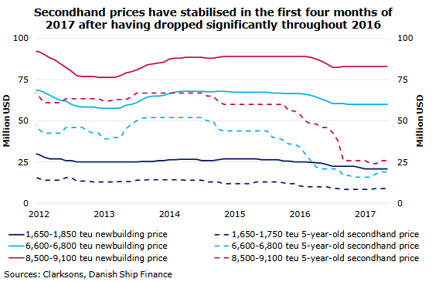
source
Study on the use of ethyl and methyl alcohol as alternative fuels in shipping
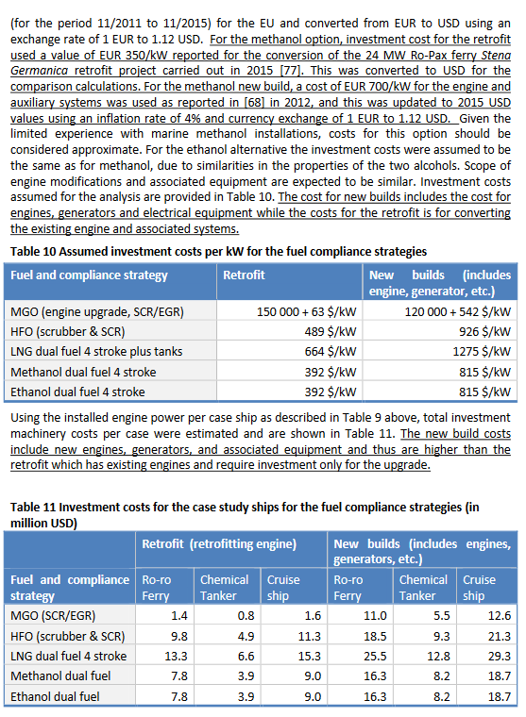

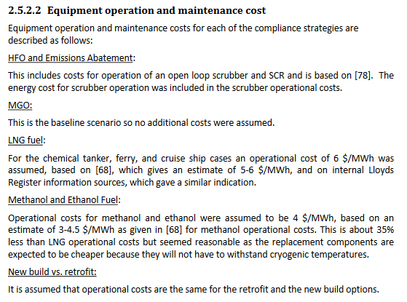

Alternative Fuels for Marine Applications, IEA

scrubbers
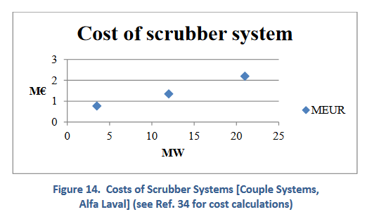
Alternative Fuels for Marine Applications, IEA

