averagetransport work
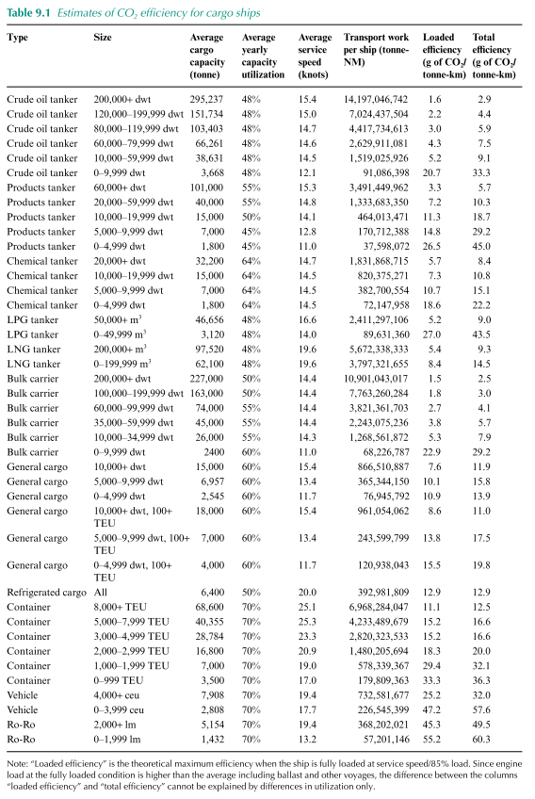
 |  |  |  |  |  |  |  | 1 | NM
 | Average transport work per ship type |  |  |  |  |  |  | 1.852 | km
 | gigatonne-NM |  |  |  |  |  |  |  |  |  |  | distribution
 | tanker | bulkcarrier | generalcargo | containership | other |  |  |  |  |  | ton-NM | 2012 |  | 2050
 | 3 | 7 | 0.5 | 4 | 0.3 |  |  |  | Container | 0-999 | 1.80E+08 | 22% | 39558059.86 | 22% | 39558059.86
 | 5.6 | 13.0 | 0.9 | 7.4 | 0.6 |  |  |  |  | 1000-1999 | 5.78E+08 | 25% | 144584841.75 | 20% | 115667873.4
2012 | 7.00E+09 | 5.21E+09 |  | 2.03E+09 |  |  |  |  |  | 2000-2999 | 1.48E+09 | 14% | 207228797.16 | 18% | 266437024.92
2050 | 7.00E+09 | 5.60E+09 |  | 2.70E+09 |  |  |  |  |  | 3000-4999 | 2.82E+09 | 19% | 535861471.27 | 5% | 141016176.65
2012 | 7 | 5.21 |  | 2.03 |  |  |  |  |  | 5000-7999 | 4.23E+09 | 11% | 465683864.69 | 11% | 465683864.69
2050 | 7 | 5.60 |  | 2.70 |  |  |  |  |  | 8000+ | 6.97E+09 | 9% | 641082132.32 | 24% | 1672388171.3
rough average size |  | 80000 dwt |  | 3000 TEU |  |  |  |  | Bulk carrier | 0-9999 | 6.82E+07 | 1% | 682267.87 | 1% | 682267.87
*based on table 9.1 and table 72 and 73 |  | panamax |  |  |  |  |  | bulk |  | 10000-34999 | 1.27E+09 | 9% | 114170568.48 | 6% | 76113712.32
 |  |  |  |  |  |  |  |  |  | 35000-59999 | 2.24E+09 | 22% | 493476551.92 | 20% | 448615047.2
 |  |  |  |  |  |  |  |  |  | 60000-99999 | 3.82E+09 | 26% | 993554042.78 | 23% | 878913191.69
 |  |  |  |  |  |  |  |  |  | 100000-199999 | 7.76E+09 | 31% | 2406610688 | 40% | 3105304113.6
 |  |  |  |  |  |  |  |  |  | 200000+ | 1.09E+10 | 11% | 1199114731.9 | 10% | 1090104301.7
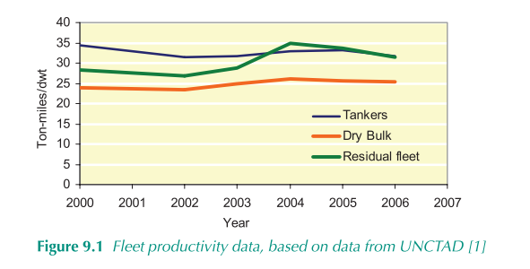
 |  |  |  |  |  |  |  |  | general cargo | 0-4999
 |  |  |  |  |  |  |  |  |  | 5000-9999
 |  |  |  |  |  |  |  |  |  | 10000+
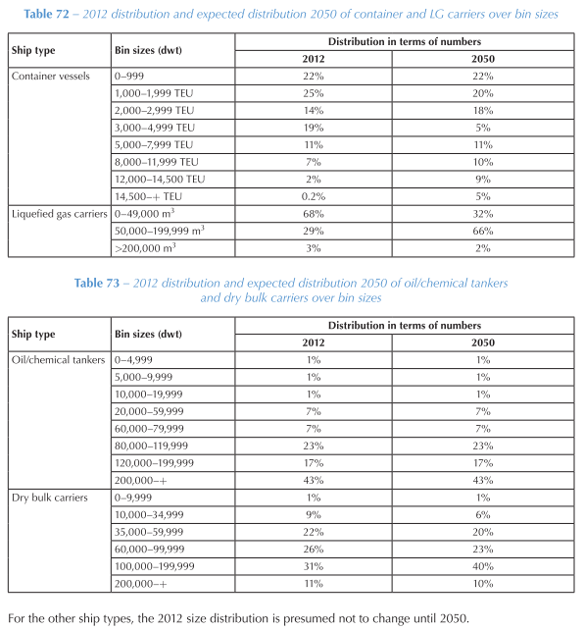

 | T_MFO | B_MFO | G_MFO | C_MFO | O_MFO | T_SCR | B_SCR | G_SCR | C_SCR | O_SCR | T_LNG | B_LNG | G_LNG | C_LNG | O_LNG | T_ELC | B_ELC | G_ELC | C_ELC | O_ELC | T_MET | B_MET | G_MET | C_MET | O_MET | T_LPG | B_LPG | G_LPG | C_LPG | O_LPG | T_HYD | B_HYD | G_HYD | C_HYD | O_HYD
2011 | 5.6 | 13.0 | 0.9 | 7.4 | 0.6 | 5.6 | 13.0 | 0.9 | 7.4 | 0.6 | 5.6 | 13.0 | 0.9 | 7.4 | 0.6 | 5.6 | 13.0 | 0.9 | 7.4 | 0.6 | 5.6 | 13.0 | 0.9 | 7.4 | 0.6 | 5.6 | 13.0 | 0.9 | 7.4 | 0.6 | 5.6 | 13.0 | 0.9 | 7.4 | 0.6
2012 | 5.6 | 13.0 | 0.9 | 7.4 | 0.6 | 5.6 | 13.0 | 0.9 | 7.4 | 0.6 | 5.6 | 13.0 | 0.9 | 7.4 | 0.6 | 5.6 | 13.0 | 0.9 | 7.4 | 0.6 | 5.6 | 13.0 | 0.9 | 7.4 | 0.6 | 5.6 | 13.0 | 0.9 | 7.4 | 0.6 | 5.6 | 13.0 | 0.9 | 7.4 | 0.6
2013 | 5.6 | 13.0 | 0.9 | 7.4 | 0.6 | 5.6 | 13.0 | 0.9 | 7.4 | 0.6 | 5.6 | 13.0 | 0.9 | 7.4 | 0.6 | 5.6 | 13.0 | 0.9 | 7.4 | 0.6 | 5.6 | 13.0 | 0.9 | 7.4 | 0.6 | 5.6 | 13.0 | 0.9 | 7.4 | 0.6 | 5.6 | 13.0 | 0.9 | 7.4 | 0.6
2014 | 5.6 | 13.0 | 0.9 | 7.4 | 0.6 | 5.6 | 13.0 | 0.9 | 7.4 | 0.6 | 5.6 | 13.0 | 0.9 | 7.4 | 0.6 | 5.6 | 13.0 | 0.9 | 7.4 | 0.6 | 5.6 | 13.0 | 0.9 | 7.4 | 0.6 | 5.6 | 13.0 | 0.9 | 7.4 | 0.6 | 5.6 | 13.0 | 0.9 | 7.4 | 0.6
2015 | 5.6 | 13.0 | 0.9 | 7.4 | 0.6 | 5.6 | 13.0 | 0.9 | 7.4 | 0.6 | 5.6 | 13.0 | 0.9 | 7.4 | 0.6 | 5.6 | 13.0 | 0.9 | 7.4 | 0.6 | 5.6 | 13.0 | 0.9 | 7.4 | 0.6 | 5.6 | 13.0 | 0.9 | 7.4 | 0.6 | 5.6 | 13.0 | 0.9 | 7.4 | 0.6
2016 | 5.6 | 13.0 | 0.9 | 7.4 | 0.6 | 5.6 | 13.0 | 0.9 | 7.4 | 0.6 | 5.6 | 13.0 | 0.9 | 7.4 | 0.6 | 5.6 | 13.0 | 0.9 | 7.4 | 0.6 | 5.6 | 13.0 | 0.9 | 7.4 | 0.6 | 5.6 | 13.0 | 0.9 | 7.4 | 0.6 | 5.6 | 13.0 | 0.9 | 7.4 | 0.6
2017 | 5.6 | 13.0 | 0.9 | 7.4 | 0.6 | 5.6 | 13.0 | 0.9 | 7.4 | 0.6 | 5.6 | 13.0 | 0.9 | 7.4 | 0.6 | 5.6 | 13.0 | 0.9 | 7.4 | 0.6 | 5.6 | 13.0 | 0.9 | 7.4 | 0.6 | 5.6 | 13.0 | 0.9 | 7.4 | 0.6 | 5.6 | 13.0 | 0.9 | 7.4 | 0.6
2018 | 5.6 | 13.0 | 0.9 | 7.4 | 0.6 | 5.6 | 13.0 | 0.9 | 7.4 | 0.6 | 5.6 | 13.0 | 0.9 | 7.4 | 0.6 | 5.6 | 13.0 | 0.9 | 7.4 | 0.6 | 5.6 | 13.0 | 0.9 | 7.4 | 0.6 | 5.6 | 13.0 | 0.9 | 7.4 | 0.6 | 5.6 | 13.0 | 0.9 | 7.4 | 0.6
2019 | 5.6 | 13.0 | 0.9 | 7.4 | 0.6 | 5.6 | 13.0 | 0.9 | 7.4 | 0.6 | 5.6 | 13.0 | 0.9 | 7.4 | 0.6 | 5.6 | 13.0 | 0.9 | 7.4 | 0.6 | 5.6 | 13.0 | 0.9 | 7.4 | 0.6 | 5.6 | 13.0 | 0.9 | 7.4 | 0.6 | 5.6 | 13.0 | 0.9 | 7.4 | 0.6
2020 | 5.6 | 13.0 | 0.9 | 7.4 | 0.6 | 5.6 | 13.0 | 0.9 | 7.4 | 0.6 | 5.6 | 13.0 | 0.9 | 7.4 | 0.6 | 5.6 | 13.0 | 0.9 | 7.4 | 0.6 | 5.6 | 13.0 | 0.9 | 7.4 | 0.6 | 5.6 | 13.0 | 0.9 | 7.4 | 0.6 | 5.6 | 13.0 | 0.9 | 7.4 | 0.6
2021 | 5.6 | 13.0 | 0.9 | 7.4 | 0.6 | 5.6 | 13.0 | 0.9 | 7.4 | 0.6 | 5.6 | 13.0 | 0.9 | 7.4 | 0.6 | 5.6 | 13.0 | 0.9 | 7.4 | 0.6 | 5.6 | 13.0 | 0.9 | 7.4 | 0.6 | 5.6 | 13.0 | 0.9 | 7.4 | 0.6 | 5.6 | 13.0 | 0.9 | 7.4 | 0.6
2022 | 5.6 | 13.0 | 0.9 | 7.4 | 0.6 | 5.6 | 13.0 | 0.9 | 7.4 | 0.6 | 5.6 | 13.0 | 0.9 | 7.4 | 0.6 | 5.6 | 13.0 | 0.9 | 7.4 | 0.6 | 5.6 | 13.0 | 0.9 | 7.4 | 0.6 | 5.6 | 13.0 | 0.9 | 7.4 | 0.6 | 5.6 | 13.0 | 0.9 | 7.4 | 0.6
2023 | 5.6 | 13.0 | 0.9 | 7.4 | 0.6 | 5.6 | 13.0 | 0.9 | 7.4 | 0.6 | 5.6 | 13.0 | 0.9 | 7.4 | 0.6 | 5.6 | 13.0 | 0.9 | 7.4 | 0.6 | 5.6 | 13.0 | 0.9 | 7.4 | 0.6 | 5.6 | 13.0 | 0.9 | 7.4 | 0.6 | 5.6 | 13.0 | 0.9 | 7.4 | 0.6
2024 | 5.6 | 13.0 | 0.9 | 7.4 | 0.6 | 5.6 | 13.0 | 0.9 | 7.4 | 0.6 | 5.6 | 13.0 | 0.9 | 7.4 | 0.6 | 5.6 | 13.0 | 0.9 | 7.4 | 0.6 | 5.6 | 13.0 | 0.9 | 7.4 | 0.6 | 5.6 | 13.0 | 0.9 | 7.4 | 0.6 | 5.6 | 13.0 | 0.9 | 7.4 | 0.6
2025 | 5.6 | 13.0 | 0.9 | 7.4 | 0.6 | 5.6 | 13.0 | 0.9 | 7.4 | 0.6 | 5.6 | 13.0 | 0.9 | 7.4 | 0.6 | 5.6 | 13.0 | 0.9 | 7.4 | 0.6 | 5.6 | 13.0 | 0.9 | 7.4 | 0.6 | 5.6 | 13.0 | 0.9 | 7.4 | 0.6 | 5.6 | 13.0 | 0.9 | 7.4 | 0.6
2026 | 5.6 | 13.0 | 0.9 | 7.4 | 0.6 | 5.6 | 13.0 | 0.9 | 7.4 | 0.6 | 5.6 | 13.0 | 0.9 | 7.4 | 0.6 | 5.6 | 13.0 | 0.9 | 7.4 | 0.6 | 5.6 | 13.0 | 0.9 | 7.4 | 0.6 | 5.6 | 13.0 | 0.9 | 7.4 | 0.6 | 5.6 | 13.0 | 0.9 | 7.4 | 0.6
2027 | 5.6 | 13.0 | 0.9 | 7.4 | 0.6 | 5.6 | 13.0 | 0.9 | 7.4 | 0.6 | 5.6 | 13.0 | 0.9 | 7.4 | 0.6 | 5.6 | 13.0 | 0.9 | 7.4 | 0.6 | 5.6 | 13.0 | 0.9 | 7.4 | 0.6 | 5.6 | 13.0 | 0.9 | 7.4 | 0.6 | 5.6 | 13.0 | 0.9 | 7.4 | 0.6
2028 | 5.6 | 13.0 | 0.9 | 7.4 | 0.6 | 5.6 | 13.0 | 0.9 | 7.4 | 0.6 | 5.6 | 13.0 | 0.9 | 7.4 | 0.6 | 5.6 | 13.0 | 0.9 | 7.4 | 0.6 | 5.6 | 13.0 | 0.9 | 7.4 | 0.6 | 5.6 | 13.0 | 0.9 | 7.4 | 0.6 | 5.6 | 13.0 | 0.9 | 7.4 | 0.6
2029 | 5.6 | 13.0 | 0.9 | 7.4 | 0.6 | 5.6 | 13.0 | 0.9 | 7.4 | 0.6 | 5.6 | 13.0 | 0.9 | 7.4 | 0.6 | 5.6 | 13.0 | 0.9 | 7.4 | 0.6 | 5.6 | 13.0 | 0.9 | 7.4 | 0.6 | 5.6 | 13.0 | 0.9 | 7.4 | 0.6 | 5.6 | 13.0 | 0.9 | 7.4 | 0.6
2030 | 5.6 | 13.0 | 0.9 | 7.4 | 0.6 | 5.6 | 13.0 | 0.9 | 7.4 | 0.6 | 5.6 | 13.0 | 0.9 | 7.4 | 0.6 | 5.6 | 13.0 | 0.9 | 7.4 | 0.6 | 5.6 | 13.0 | 0.9 | 7.4 | 0.6 | 5.6 | 13.0 | 0.9 | 7.4 | 0.6 | 5.6 | 13.0 | 0.9 | 7.4 | 0.6
2031 | 5.6 | 13.0 | 0.9 | 7.4 | 0.6 | 5.6 | 13.0 | 0.9 | 7.4 | 0.6 | 5.6 | 13.0 | 0.9 | 7.4 | 0.6 | 5.6 | 13.0 | 0.9 | 7.4 | 0.6 | 5.6 | 13.0 | 0.9 | 7.4 | 0.6 | 5.6 | 13.0 | 0.9 | 7.4 | 0.6 | 5.6 | 13.0 | 0.9 | 7.4 | 0.6
2032 | 5.6 | 13.0 | 0.9 | 7.4 | 0.6 | 5.6 | 13.0 | 0.9 | 7.4 | 0.6 | 5.6 | 13.0 | 0.9 | 7.4 | 0.6 | 5.6 | 13.0 | 0.9 | 7.4 | 0.6 | 5.6 | 13.0 | 0.9 | 7.4 | 0.6 | 5.6 | 13.0 | 0.9 | 7.4 | 0.6 | 5.6 | 13.0 | 0.9 | 7.4 | 0.6
2033 | 5.6 | 13.0 | 0.9 | 7.4 | 0.6 | 5.6 | 13.0 | 0.9 | 7.4 | 0.6 | 5.6 | 13.0 | 0.9 | 7.4 | 0.6 | 5.6 | 13.0 | 0.9 | 7.4 | 0.6 | 5.6 | 13.0 | 0.9 | 7.4 | 0.6 | 5.6 | 13.0 | 0.9 | 7.4 | 0.6 | 5.6 | 13.0 | 0.9 | 7.4 | 0.6
2034 | 5.6 | 13.0 | 0.9 | 7.4 | 0.6 | 5.6 | 13.0 | 0.9 | 7.4 | 0.6 | 5.6 | 13.0 | 0.9 | 7.4 | 0.6 | 5.6 | 13.0 | 0.9 | 7.4 | 0.6 | 5.6 | 13.0 | 0.9 | 7.4 | 0.6 | 5.6 | 13.0 | 0.9 | 7.4 | 0.6 | 5.6 | 13.0 | 0.9 | 7.4 | 0.6
2035 | 5.6 | 13.0 | 0.9 | 7.4 | 0.6 | 5.6 | 13.0 | 0.9 | 7.4 | 0.6 | 5.6 | 13.0 | 0.9 | 7.4 | 0.6 | 5.6 | 13.0 | 0.9 | 7.4 | 0.6 | 5.6 | 13.0 | 0.9 | 7.4 | 0.6 | 5.6 | 13.0 | 0.9 | 7.4 | 0.6 | 5.6 | 13.0 | 0.9 | 7.4 | 0.6
2036 | 5.6 | 13.0 | 0.9 | 7.4 | 0.6 | 5.6 | 13.0 | 0.9 | 7.4 | 0.6 | 5.6 | 13.0 | 0.9 | 7.4 | 0.6 | 5.6 | 13.0 | 0.9 | 7.4 | 0.6 | 5.6 | 13.0 | 0.9 | 7.4 | 0.6 | 5.6 | 13.0 | 0.9 | 7.4 | 0.6 | 5.6 | 13.0 | 0.9 | 7.4 | 0.6
2037 | 5.6 | 13.0 | 0.9 | 7.4 | 0.6 | 5.6 | 13.0 | 0.9 | 7.4 | 0.6 | 5.6 | 13.0 | 0.9 | 7.4 | 0.6 | 5.6 | 13.0 | 0.9 | 7.4 | 0.6 | 5.6 | 13.0 | 0.9 | 7.4 | 0.6 | 5.6 | 13.0 | 0.9 | 7.4 | 0.6 | 5.6 | 13.0 | 0.9 | 7.4 | 0.6
2038 | 5.6 | 13.0 | 0.9 | 7.4 | 0.6 | 5.6 | 13.0 | 0.9 | 7.4 | 0.6 | 5.6 | 13.0 | 0.9 | 7.4 | 0.6 | 5.6 | 13.0 | 0.9 | 7.4 | 0.6 | 5.6 | 13.0 | 0.9 | 7.4 | 0.6 | 5.6 | 13.0 | 0.9 | 7.4 | 0.6 | 5.6 | 13.0 | 0.9 | 7.4 | 0.6
2039 | 5.6 | 13.0 | 0.9 | 7.4 | 0.6 | 5.6 | 13.0 | 0.9 | 7.4 | 0.6 | 5.6 | 13.0 | 0.9 | 7.4 | 0.6 | 5.6 | 13.0 | 0.9 | 7.4 | 0.6 | 5.6 | 13.0 | 0.9 | 7.4 | 0.6 | 5.6 | 13.0 | 0.9 | 7.4 | 0.6 | 5.6 | 13.0 | 0.9 | 7.4 | 0.6
2040 | 5.6 | 13.0 | 0.9 | 7.4 | 0.6 | 5.6 | 13.0 | 0.9 | 7.4 | 0.6 | 5.6 | 13.0 | 0.9 | 7.4 | 0.6 | 5.6 | 13.0 | 0.9 | 7.4 | 0.6 | 5.6 | 13.0 | 0.9 | 7.4 | 0.6 | 5.6 | 13.0 | 0.9 | 7.4 | 0.6 | 5.6 | 13.0 | 0.9 | 7.4 | 0.6
2041 | 5.6 | 13.0 | 0.9 | 7.4 | 0.6 | 5.6 | 13.0 | 0.9 | 7.4 | 0.6 | 5.6 | 13.0 | 0.9 | 7.4 | 0.6 | 5.6 | 13.0 | 0.9 | 7.4 | 0.6 | 5.6 | 13.0 | 0.9 | 7.4 | 0.6 | 5.6 | 13.0 | 0.9 | 7.4 | 0.6 | 5.6 | 13.0 | 0.9 | 7.4 | 0.6
2042 | 5.6 | 13.0 | 0.9 | 7.4 | 0.6 | 5.6 | 13.0 | 0.9 | 7.4 | 0.6 | 5.6 | 13.0 | 0.9 | 7.4 | 0.6 | 5.6 | 13.0 | 0.9 | 7.4 | 0.6 | 5.6 | 13.0 | 0.9 | 7.4 | 0.6 | 5.6 | 13.0 | 0.9 | 7.4 | 0.6 | 5.6 | 13.0 | 0.9 | 7.4 | 0.6
2043 | 5.6 | 13.0 | 0.9 | 7.4 | 0.6 | 5.6 | 13.0 | 0.9 | 7.4 | 0.6 | 5.6 | 13.0 | 0.9 | 7.4 | 0.6 | 5.6 | 13.0 | 0.9 | 7.4 | 0.6 | 5.6 | 13.0 | 0.9 | 7.4 | 0.6 | 5.6 | 13.0 | 0.9 | 7.4 | 0.6 | 5.6 | 13.0 | 0.9 | 7.4 | 0.6
2044 | 5.6 | 13.0 | 0.9 | 7.4 | 0.6 | 5.6 | 13.0 | 0.9 | 7.4 | 0.6 | 5.6 | 13.0 | 0.9 | 7.4 | 0.6 | 5.6 | 13.0 | 0.9 | 7.4 | 0.6 | 5.6 | 13.0 | 0.9 | 7.4 | 0.6 | 5.6 | 13.0 | 0.9 | 7.4 | 0.6 | 5.6 | 13.0 | 0.9 | 7.4 | 0.6
2045 | 5.6 | 13.0 | 0.9 | 7.4 | 0.6 | 5.6 | 13.0 | 0.9 | 7.4 | 0.6 | 5.6 | 13.0 | 0.9 | 7.4 | 0.6 | 5.6 | 13.0 | 0.9 | 7.4 | 0.6 | 5.6 | 13.0 | 0.9 | 7.4 | 0.6 | 5.6 | 13.0 | 0.9 | 7.4 | 0.6 | 5.6 | 13.0 | 0.9 | 7.4 | 0.6
2046 | 5.6 | 13.0 | 0.9 | 7.4 | 0.6 | 5.6 | 13.0 | 0.9 | 7.4 | 0.6 | 5.6 | 13.0 | 0.9 | 7.4 | 0.6 | 5.6 | 13.0 | 0.9 | 7.4 | 0.6 | 5.6 | 13.0 | 0.9 | 7.4 | 0.6 | 5.6 | 13.0 | 0.9 | 7.4 | 0.6 | 5.6 | 13.0 | 0.9 | 7.4 | 0.6
2047 | 5.6 | 13.0 | 0.9 | 7.4 | 0.6 | 5.6 | 13.0 | 0.9 | 7.4 | 0.6 | 5.6 | 13.0 | 0.9 | 7.4 | 0.6 | 5.6 | 13.0 | 0.9 | 7.4 | 0.6 | 5.6 | 13.0 | 0.9 | 7.4 | 0.6 | 5.6 | 13.0 | 0.9 | 7.4 | 0.6 | 5.6 | 13.0 | 0.9 | 7.4 | 0.6
2048 | 5.6 | 13.0 | 0.9 | 7.4 | 0.6 | 5.6 | 13.0 | 0.9 | 7.4 | 0.6 | 5.6 | 13.0 | 0.9 | 7.4 | 0.6 | 5.6 | 13.0 | 0.9 | 7.4 | 0.6 | 5.6 | 13.0 | 0.9 | 7.4 | 0.6 | 5.6 | 13.0 | 0.9 | 7.4 | 0.6 | 5.6 | 13.0 | 0.9 | 7.4 | 0.6
2049 | 5.6 | 13.0 | 0.9 | 7.4 | 0.6 | 5.6 | 13.0 | 0.9 | 7.4 | 0.6 | 5.6 | 13.0 | 0.9 | 7.4 | 0.6 | 5.6 | 13.0 | 0.9 | 7.4 | 0.6 | 5.6 | 13.0 | 0.9 | 7.4 | 0.6 | 5.6 | 13.0 | 0.9 | 7.4 | 0.6 | 5.6 | 13.0 | 0.9 | 7.4 | 0.6
2050 | 5.6 | 13.0 | 0.9 | 7.4 | 0.6 | 5.6 | 13.0 | 0.9 | 7.4 | 0.6 | 5.6 | 13.0 | 0.9 | 7.4 | 0.6 | 5.6 | 13.0 | 0.9 | 7.4 | 0.6 | 5.6 | 13.0 | 0.9 | 7.4 | 0.6 | 5.6 | 13.0 | 0.9 | 7.4 | 0.6 | 5.6 | 13.0 | 0.9 | 7.4 | 0.6
2051 | 5.6 | 13.0 | 0.9 | 7.4 | 0.6 | 5.6 | 13.0 | 0.9 | 7.4 | 0.6 | 5.6 | 13.0 | 0.9 | 7.4 | 0.6 | 5.6 | 13.0 | 0.9 | 7.4 | 0.6 | 5.6 | 13.0 | 0.9 | 7.4 | 0.6 | 5.6 | 13.0 | 0.9 | 7.4 | 0.6 | 5.6 | 13.0 | 0.9 | 7.4 | 0.6
2052 | 5.6 | 13.0 | 0.9 | 7.4 | 0.6 | 5.6 | 13.0 | 0.9 | 7.4 | 0.6 | 5.6 | 13.0 | 0.9 | 7.4 | 0.6 | 5.6 | 13.0 | 0.9 | 7.4 | 0.6 | 5.6 | 13.0 | 0.9 | 7.4 | 0.6 | 5.6 | 13.0 | 0.9 | 7.4 | 0.6 | 5.6 | 13.0 | 0.9 | 7.4 | 0.6
2053 | 5.6 | 13.0 | 0.9 | 7.4 | 0.6 | 5.6 | 13.0 | 0.9 | 7.4 | 0.6 | 5.6 | 13.0 | 0.9 | 7.4 | 0.6 | 5.6 | 13.0 | 0.9 | 7.4 | 0.6 | 5.6 | 13.0 | 0.9 | 7.4 | 0.6 | 5.6 | 13.0 | 0.9 | 7.4 | 0.6 | 5.6 | 13.0 | 0.9 | 7.4 | 0.6
2054 | 5.6 | 13.0 | 0.9 | 7.4 | 0.6 | 5.6 | 13.0 | 0.9 | 7.4 | 0.6 | 5.6 | 13.0 | 0.9 | 7.4 | 0.6 | 5.6 | 13.0 | 0.9 | 7.4 | 0.6 | 5.6 | 13.0 | 0.9 | 7.4 | 0.6 | 5.6 | 13.0 | 0.9 | 7.4 | 0.6 | 5.6 | 13.0 | 0.9 | 7.4 | 0.6
2055 | 5.6 | 13.0 | 0.9 | 7.4 | 0.6 | 5.6 | 13.0 | 0.9 | 7.4 | 0.6 | 5.6 | 13.0 | 0.9 | 7.4 | 0.6 | 5.6 | 13.0 | 0.9 | 7.4 | 0.6 | 5.6 | 13.0 | 0.9 | 7.4 | 0.6 | 5.6 | 13.0 | 0.9 | 7.4 | 0.6 | 5.6 | 13.0 | 0.9 | 7.4 | 0.6
2056 | 5.6 | 13.0 | 0.9 | 7.4 | 0.6 | 5.6 | 13.0 | 0.9 | 7.4 | 0.6 | 5.6 | 13.0 | 0.9 | 7.4 | 0.6 | 5.6 | 13.0 | 0.9 | 7.4 | 0.6 | 5.6 | 13.0 | 0.9 | 7.4 | 0.6 | 5.6 | 13.0 | 0.9 | 7.4 | 0.6 | 5.6 | 13.0 | 0.9 | 7.4 | 0.6
2057 | 5.6 | 13.0 | 0.9 | 7.4 | 0.6 | 5.6 | 13.0 | 0.9 | 7.4 | 0.6 | 5.6 | 13.0 | 0.9 | 7.4 | 0.6 | 5.6 | 13.0 | 0.9 | 7.4 | 0.6 | 5.6 | 13.0 | 0.9 | 7.4 | 0.6 | 5.6 | 13.0 | 0.9 | 7.4 | 0.6 | 5.6 | 13.0 | 0.9 | 7.4 | 0.6
2058 | 5.6 | 13.0 | 0.9 | 7.4 | 0.6 | 5.6 | 13.0 | 0.9 | 7.4 | 0.6 | 5.6 | 13.0 | 0.9 | 7.4 | 0.6 | 5.6 | 13.0 | 0.9 | 7.4 | 0.6 | 5.6 | 13.0 | 0.9 | 7.4 | 0.6 | 5.6 | 13.0 | 0.9 | 7.4 | 0.6 | 5.6 | 13.0 | 0.9 | 7.4 | 0.6
2059 | 5.6 | 13.0 | 0.9 | 7.4 | 0.6 | 5.6 | 13.0 | 0.9 | 7.4 | 0.6 | 5.6 | 13.0 | 0.9 | 7.4 | 0.6 | 5.6 | 13.0 | 0.9 | 7.4 | 0.6 | 5.6 | 13.0 | 0.9 | 7.4 | 0.6 | 5.6 | 13.0 | 0.9 | 7.4 | 0.6 | 5.6 | 13.0 | 0.9 | 7.4 | 0.6
2060 | 5.6 | 13.0 | 0.9 | 7.4 | 0.6 | 5.6 | 13.0 | 0.9 | 7.4 | 0.6 | 5.6 | 13.0 | 0.9 | 7.4 | 0.6 | 5.6 | 13.0 | 0.9 | 7.4 | 0.6 | 5.6 | 13.0 | 0.9 | 7.4 | 0.6 | 5.6 | 13.0 | 0.9 | 7.4 | 0.6 | 5.6 | 13.0 | 0.9 | 7.4 | 0.6
2061 | 5.6 | 13.0 | 0.9 | 7.4 | 0.6 | 5.6 | 13.0 | 0.9 | 7.4 | 0.6 | 5.6 | 13.0 | 0.9 | 7.4 | 0.6 | 5.6 | 13.0 | 0.9 | 7.4 | 0.6 | 5.6 | 13.0 | 0.9 | 7.4 | 0.6 | 5.6 | 13.0 | 0.9 | 7.4 | 0.6 | 5.6 | 13.0 | 0.9 | 7.4 | 0.6
2062 | 5.6 | 13.0 | 0.9 | 7.4 | 0.6 | 5.6 | 13.0 | 0.9 | 7.4 | 0.6 | 5.6 | 13.0 | 0.9 | 7.4 | 0.6 | 5.6 | 13.0 | 0.9 | 7.4 | 0.6 | 5.6 | 13.0 | 0.9 | 7.4 | 0.6 | 5.6 | 13.0 | 0.9 | 7.4 | 0.6 | 5.6 | 13.0 | 0.9 | 7.4 | 0.6
2063 | 5.6 | 13.0 | 0.9 | 7.4 | 0.6 | 5.6 | 13.0 | 0.9 | 7.4 | 0.6 | 5.6 | 13.0 | 0.9 | 7.4 | 0.6 | 5.6 | 13.0 | 0.9 | 7.4 | 0.6 | 5.6 | 13.0 | 0.9 | 7.4 | 0.6 | 5.6 | 13.0 | 0.9 | 7.4 | 0.6 | 5.6 | 13.0 | 0.9 | 7.4 | 0.6
2064 | 5.6 | 13.0 | 0.9 | 7.4 | 0.6 | 5.6 | 13.0 | 0.9 | 7.4 | 0.6 | 5.6 | 13.0 | 0.9 | 7.4 | 0.6 | 5.6 | 13.0 | 0.9 | 7.4 | 0.6 | 5.6 | 13.0 | 0.9 | 7.4 | 0.6 | 5.6 | 13.0 | 0.9 | 7.4 | 0.6 | 5.6 | 13.0 | 0.9 | 7.4 | 0.6
2065 | 5.6 | 13.0 | 0.9 | 7.4 | 0.6 | 5.6 | 13.0 | 0.9 | 7.4 | 0.6 | 5.6 | 13.0 | 0.9 | 7.4 | 0.6 | 5.6 | 13.0 | 0.9 | 7.4 | 0.6 | 5.6 | 13.0 | 0.9 | 7.4 | 0.6 | 5.6 | 13.0 | 0.9 | 7.4 | 0.6 | 5.6 | 13.0 | 0.9 | 7.4 | 0.6
2066 | 5.6 | 13.0 | 0.9 | 7.4 | 0.6 | 5.6 | 13.0 | 0.9 | 7.4 | 0.6 | 5.6 | 13.0 | 0.9 | 7.4 | 0.6 | 5.6 | 13.0 | 0.9 | 7.4 | 0.6 | 5.6 | 13.0 | 0.9 | 7.4 | 0.6 | 5.6 | 13.0 | 0.9 | 7.4 | 0.6 | 5.6 | 13.0 | 0.9 | 7.4 | 0.6
2067 | 5.6 | 13.0 | 0.9 | 7.4 | 0.6 | 5.6 | 13.0 | 0.9 | 7.4 | 0.6 | 5.6 | 13.0 | 0.9 | 7.4 | 0.6 | 5.6 | 13.0 | 0.9 | 7.4 | 0.6 | 5.6 | 13.0 | 0.9 | 7.4 | 0.6 | 5.6 | 13.0 | 0.9 | 7.4 | 0.6 | 5.6 | 13.0 | 0.9 | 7.4 | 0.6
2068 | 5.6 | 13.0 | 0.9 | 7.4 | 0.6 | 5.6 | 13.0 | 0.9 | 7.4 | 0.6 | 5.6 | 13.0 | 0.9 | 7.4 | 0.6 | 5.6 | 13.0 | 0.9 | 7.4 | 0.6 | 5.6 | 13.0 | 0.9 | 7.4 | 0.6 | 5.6 | 13.0 | 0.9 | 7.4 | 0.6 | 5.6 | 13.0 | 0.9 | 7.4 | 0.6
2069 | 5.6 | 13.0 | 0.9 | 7.4 | 0.6 | 5.6 | 13.0 | 0.9 | 7.4 | 0.6 | 5.6 | 13.0 | 0.9 | 7.4 | 0.6 | 5.6 | 13.0 | 0.9 | 7.4 | 0.6 | 5.6 | 13.0 | 0.9 | 7.4 | 0.6 | 5.6 | 13.0 | 0.9 | 7.4 | 0.6 | 5.6 | 13.0 | 0.9 | 7.4 | 0.6
2070 | 5.6 | 13.0 | 0.9 | 7.4 | 0.6 | 5.6 | 13.0 | 0.9 | 7.4 | 0.6 | 5.6 | 13.0 | 0.9 | 7.4 | 0.6 | 5.6 | 13.0 | 0.9 | 7.4 | 0.6 | 5.6 | 13.0 | 0.9 | 7.4 | 0.6 | 5.6 | 13.0 | 0.9 | 7.4 | 0.6 | 5.6 | 13.0 | 0.9 | 7.4 | 0.6
2071 | 5.6 | 13.0 | 0.9 | 7.4 | 0.6 | 5.6 | 13.0 | 0.9 | 7.4 | 0.6 | 5.6 | 13.0 | 0.9 | 7.4 | 0.6 | 5.6 | 13.0 | 0.9 | 7.4 | 0.6 | 5.6 | 13.0 | 0.9 | 7.4 | 0.6 | 5.6 | 13.0 | 0.9 | 7.4 | 0.6 | 5.6 | 13.0 | 0.9 | 7.4 | 0.6
2072 | 5.6 | 13.0 | 0.9 | 7.4 | 0.6 | 5.6 | 13.0 | 0.9 | 7.4 | 0.6 | 5.6 | 13.0 | 0.9 | 7.4 | 0.6 | 5.6 | 13.0 | 0.9 | 7.4 | 0.6 | 5.6 | 13.0 | 0.9 | 7.4 | 0.6 | 5.6 | 13.0 | 0.9 | 7.4 | 0.6 | 5.6 | 13.0 | 0.9 | 7.4 | 0.6
2073 | 5.6 | 13.0 | 0.9 | 7.4 | 0.6 | 5.6 | 13.0 | 0.9 | 7.4 | 0.6 | 5.6 | 13.0 | 0.9 | 7.4 | 0.6 | 5.6 | 13.0 | 0.9 | 7.4 | 0.6 | 5.6 | 13.0 | 0.9 | 7.4 | 0.6 | 5.6 | 13.0 | 0.9 | 7.4 | 0.6 | 5.6 | 13.0 | 0.9 | 7.4 | 0.6
2074 | 5.6 | 13.0 | 0.9 | 7.4 | 0.6 | 5.6 | 13.0 | 0.9 | 7.4 | 0.6 | 5.6 | 13.0 | 0.9 | 7.4 | 0.6 | 5.6 | 13.0 | 0.9 | 7.4 | 0.6 | 5.6 | 13.0 | 0.9 | 7.4 | 0.6 | 5.6 | 13.0 | 0.9 | 7.4 | 0.6 | 5.6 | 13.0 | 0.9 | 7.4 | 0.6
2075 | 5.6 | 13.0 | 0.9 | 7.4 | 0.6 | 5.6 | 13.0 | 0.9 | 7.4 | 0.6 | 5.6 | 13.0 | 0.9 | 7.4 | 0.6 | 5.6 | 13.0 | 0.9 | 7.4 | 0.6 | 5.6 | 13.0 | 0.9 | 7.4 | 0.6 | 5.6 | 13.0 | 0.9 | 7.4 | 0.6 | 5.6 | 13.0 | 0.9 | 7.4 | 0.6

shipfuel eff
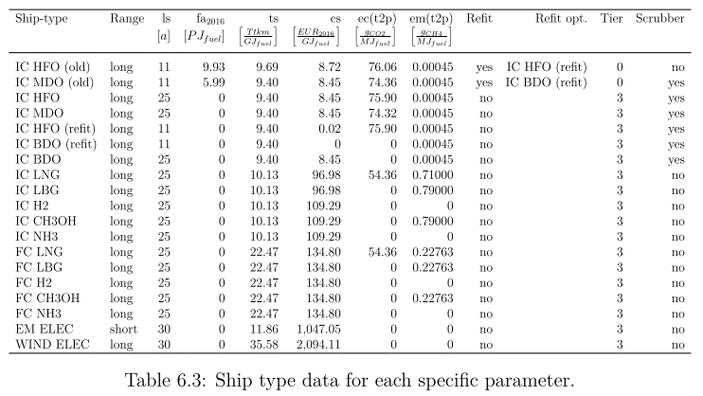
Ship efficiency is by ship and fuel

 | ton*km/MJ
 | T_MFO | B_MFO | G_MFO | C_MFO | O_MFO | T_SCR | B_SCR | G_SCR | C_SCR | O_SCR | T_LNG | B_LNG | G_LNG | C_LNG | O_LNG | T_ELC | B_ELC | G_ELC | C_ELC | O_ELC | T_MET | B_MET | G_MET | C_MET | O_MET | T_LPG | B_LPG | G_LPG | C_LPG | O_LPG | T_HYD | B_HYD | G_HYD | C_HYD | O_HYD
HFO | 0 | 0 | 0 | 0 | 0 | 10 | 10 | 5 | 5 | 5 | 0 | 0 | 0 | 0 | 0 | 0 | 0 | 0 | 0 | 0 | 0 | 0 | 0 | 0 | 0 | 0 | 0 | 0 | 0 | 0 | 0 | 0 | 0 | 0 | 0
MDO | 10 | 10 | 5 | 5 | 5 | 0 | 0 | 0 | 0 | 0 | 0 | 0 | 0 | 0 | 0 | 0 | 0 | 0 | 0 | 0 | 0 | 0 | 0 | 0 | 0 | 0 | 0 | 0 | 0 | 0 | 0 | 0 | 0 | 0 | 0
LNG | 0 | 0 | 0 | 0 | 0 | 0 | 0 | 0 | 0 | 0 | 10 | 10 | 5 | 5 | 5 | 0 | 0 | 0 | 0 | 0 | 0 | 0 | 0 | 0 | 0 | 0 | 0 | 0 | 0 | 0 | 0 | 0 | 0 | 0 | 0
LPG | 0 | 0 | 0 | 0 | 0 | 0 | 0 | 0 | 0 | 0 | 0 | 0 | 0 | 0 | 0 | 0 | 0 | 0 | 0 | 0 | 0 | 0 | 0 | 0 | 0 | 10 | 10 | 5 | 5 | 5 | 0 | 0 | 0 | 0 | 0
MET | 0 | 0 | 0 | 0 | 0 | 0 | 0 | 0 | 0 | 0 | 0 | 0 | 0 | 0 | 0 | 0 | 0 | 0 | 0 | 0 | 10 | 10 | 5 | 5 | 5 | 0 | 0 | 0 | 0 | 0 | 0 | 0 | 0 | 0 | 0
HYB | 0 | 0 | 0 | 0 | 0 | 0 | 0 | 0 | 0 | 0 | 0 | 0 | 0 | 0 | 0 | 0 | 0 | 0 | 0 | 0 | 0 | 0 | 0 | 0 | 0 | 0 | 0 | 0 | 0 | 0 | 10 | 10 | 5 | 5 | 5
HYG | 0 | 0 | 0 | 0 | 0 | 0 | 0 | 0 | 0 | 0 | 0 | 0 | 0 | 0 | 0 | 0 | 0 | 0 | 0 | 0 | 0 | 0 | 0 | 0 | 0 | 0 | 0 | 0 | 0 | 0 | 10 | 10 | 5 | 5 | 5
AMM | 0 | 0 | 0 | 0 | 0 | 0 | 0 | 0 | 0 | 0 | 0 | 0 | 0 | 0 | 0 | 0 | 0 | 0 | 0 | 0 | 0 | 0 | 0 | 0 | 0 | 0 | 0 | 0 | 0 | 0 | 0 | 0 | 0 | 0 | 0
ELC | 0 | 0 | 0 | 0 | 0 | 0 | 0 | 0 | 0 | 0 | 0 | 0 | 0 | 0 | 0 | 10 | 10 | 5 | 5 | 5 | 0 | 0 | 0 | 0 | 0 | 0 | 0 | 0 | 0 | 0 | 0 | 0 | 0 | 0 | 0

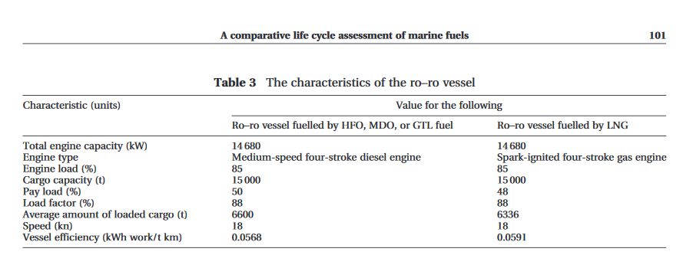
 | Marine Transportation and Energy Use |  |  |  |  |  | Tils thesis
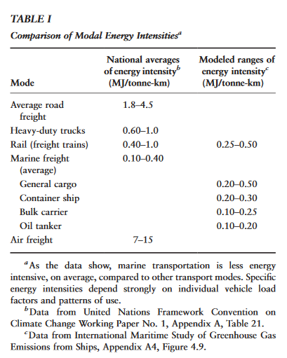
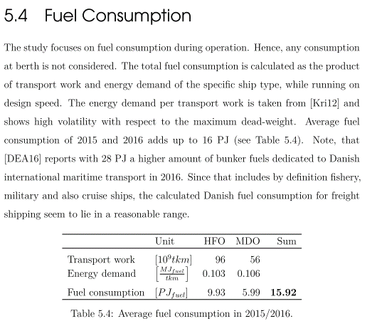

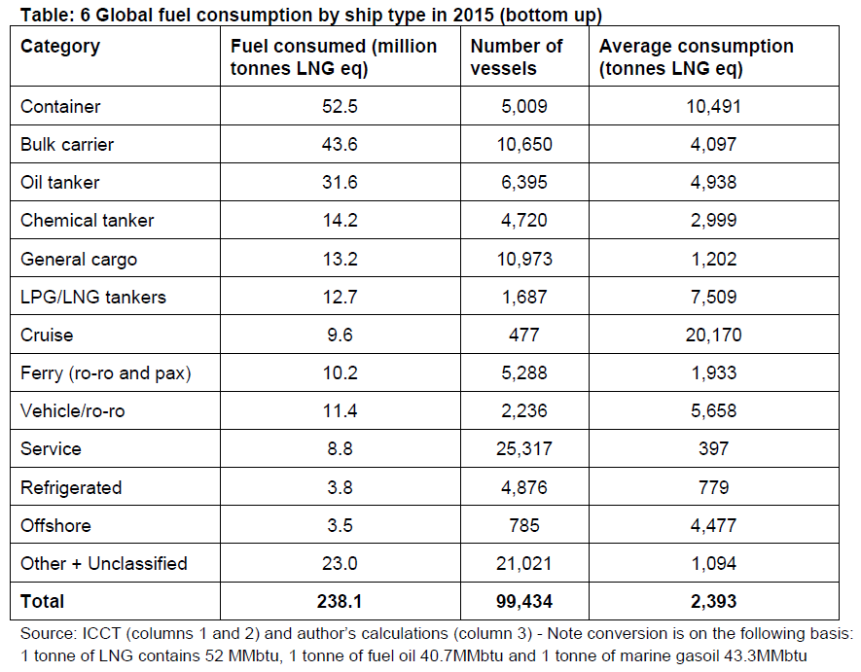

 |  |  |  |  |  |  | Til thesis

