Table A
Attributes | Data Type | Domain | Description | Level
OBJECTID_1 | Int | 1-5188 | Index | ID
ID | Character string | default | Unique IDs | ID
CAL_YEAR | Double-precision decimal number | 2020-23 (2 null) | Calander Year | Year
Cal_Qtr | Character string | Q1-Q4 | The calendar year can be divided into four quarters. | Labels
Census_Tract | Double-precision decimal number | 53033001100-53033026500 (2 null) | Census tracts are small, stable statistical subdivisions of a county or equivalent entity, updated by local participants through the Census Bureau's Participant Statistical Areas Program (PSAP). | Int
Sector | Character string | Residential, Commercial, Industrial and ERROR (3) | Building Sectors | Labels
Grouped_Flag | Character string | True/False | If data is aggregated in a tract, the "grouped flag" field will read "true". | Boolean
Usage_MMBTU | Double-precision decimal number | default | Total energy usage measured in Million British Thermal Units (MMBTU). | Int
Number_Accts | Double-precision decimal number | default | Number of accounts consuming energy within a defined area. | Int
Emissions_MTCO2E | Double-precision decimal number | default | Measures the total greenhouse gas emissions in Metric Tons of CO2 Equivalent (MTCO2E). | Int
USAGEPERCAPITA_MMBTU | Double-precision decimal number | default | Average energy usage per capita, measured in MMBTU. It's calculated by dividing the total energy usage (in MMBTU) by the population size. | Int
EMISSIONSPERCAPITA_MTCO2E | Double-precision decimal number | default | Average emissions per person, in Metric Tons of CO2 Equivalent. It's derived by dividing the total emissions by the population size. | Int
RSE_Quintile | Character string | Highest priority/Most disadvantaged, Second highest, Second lowest, Lowest, and Middle | Racial and Social Equity (RSE) Index | Labels
SHAPE_Length | Double-precision decimal number | Seattle area | coordinate system | Int
SHAPE_Area | Double-precision decimal number | Seattle area | coordinate system | Int
Title: PSE (Puget Sound Energy) Usage Data for OSE Climate Portal
Source: Seattle GeoData
Description: This data displays aggregated emissions from building energy use in various neighborhoods and sectors (residential, commercial, industrial), mapped to census tracts. It incorporates utility data from Puget Sound Energy (gas), sectorally, quarterly, and by census tract, anonymized and aggregated. For privacy, data from some tracts is averaged with adjacent tracts.
Access: https://data-seattlecitygis.opendata.arcgis.com/datasets/SeattleCityGIS::pse-usage-data-for-ose-climate-portal/about
Format: Shapefile

Table B
Title: Racial and Social Equity Composite Index
Source: Seattle GeoData
Description: The Racial and Social Equity Index merges race, ethnicity, and demographic data with socioeconomic and health disparities to pinpoint neighborhoods where priority populations constitute a significant portion of the residents.
Access: https://data-seattlecitygis.opendata.arcgis.com/datasets/SeattleCityGIS::racial-and-social-equity-composite-index-current/about
Format: Shapefile
Attributes | Data Type | Domain | Description | Level
GEOID | Character string | default | Unique location ID | Primary Key
ACRES_TOTAL | Double-precision decimal number | default | Gross Acres
PCT_PEOPLE_OF_COLOR | Double-precision decimal number | 0-1 | Share of population who are people of color, the percentage of population in a tract with the specified characteristic or condition
PCT_ENGLISH_LANG_LEARNERS | Double-precision decimal number | 0-1 | Share of population who speak English less than very well, the percentage of population in a tract with the specified characteristic or condition
PCT_FOREIGN_BORN | Double-precision decimal number | 0-1 | Share of population who are foreign born, the percentage of population in a tract with the specified characteristic or condition
PCT_POP_UNDER200PCT_POVERTY | Double-precision decimal number | 0-1 | Share of population with income below 200% of poverty level, the percentage of population in a tract with the specified characteristic or condition
PCT_LESS_BACHELOR_DEGREE | Double-precision decimal number | 0-1 | Share of population 25 and older with less than a bachelor's degree, the percentage of population in a tract with the specified characteristic or condition
PCT_ADULT_NOLEISUREPHYSACTIV | Double-precision decimal number | 0-1 | Share of adults with no leisure-time physical activity, the percentage of population in a tract with the specified characteristic or condition
PCT_ADULT_WITH_DIABETES | Double-precision decimal number | 0-1 | Share of adults with diagnosed diabetes, the percentage of population in a tract with the specified characteristic or condition
PCT_ADULT_WITH_OBESITY | Double-precision decimal number | 0-1 | Share of adults with obesity, the percentage of population in a tract with the specified characteristic or condition
PCT_ADULT_MENTALHLTHNOTGOOD | Double-precision decimal number | 0-1 | Share of adults reporting mental health is not good, the percentage of population in a tract with the specified characteristic or condition
PCT_ADULT_WITH_ASTHMA | Double-precision decimal number | 0-1 | Share of adults with asthma, the percentage of population in a tract with the specified characteristic or condition
LIFE_EXPECTANCY_AT_BIRTH | Double-precision decimal number | default | Life expectancy at birth, the life expectancy metric
PCT_ADULT_WITH_DISABILITY | Double-precision decimal number | 0-1 | Share of adults with disability, the percentage of population in a tract with the specified characteristic or condition
PTL_PEOPLE_OF_COLOR | Double-precision decimal number | 0-1 | Percentile people of color, the tract’s percentile for a certain metric when compared to tracts citywide
PTL_ENGLISH_LANG_LEARNERS | Double-precision decimal number | 0-1 | Percentile speak English less than very well, the tract’s percentile for a certain metric when compared to tracts citywide
PTL_FOREIGN_BORN | Double-precision decimal number | 0-1 | Percentile foreign born, the tract’s percentile for a certain metric when compared to tracts citywide
PTL_POP_UNDER200PCT_POVERTY | Double-precision decimal number | 0-1 | Percentile population with income under 200 percent of poverty level, the tract’s percentile for a certain metric when compared to tracts citywide
PTL_LESS_BACHELOR_DEGREE | Double-precision decimal number | 0-1 | Percentile less than a bachelor's degree, the tract’s percentile for a certain metric when compared to tracts citywide
PTL_ADULT_NOLEISUREPHYSACTIV | Double-precision decimal number | 0-1 | Percentile adults with no leisure-time physical activity, the tract’s percentile for a certain metric when compared to tracts citywide
PTL_ADULT_WITH_DIABETES | Double-precision decimal number | 0-1 | Percentile adults with diagnoses diabetes, the tract’s percentile for a certain metric when compared to tracts citywide
PTL_ADULT_WITH_OBESITY | Double-precision decimal number | 0-1 | Percentile adults with obesity, the tract’s percentile for a certain metric when compared to tracts citywide
PTL_ADULT_MENTALHLTHNOTGOOD | Double-precision decimal number | 0-1 | Percentile adults with mental health not good, the tract’s percentile for a certain metric when compared to tracts citywide
PTL_ADULT_WITH_ASTHMA | Double-precision decimal number | 0-1 | Percentile adults with asthma, the tract’s percentile for a certain metric when compared to tracts citywide
PTL_LOW_LIFE_EXPECT_AT_BIRTH | Double-precision decimal number | 0-1 | Percentile low life expectancy at birth, the tract’s percentile for a certain metric when compared to tracts citywide
RACE_ELL_ORIGINS_PERCENTILE | Double-precision decimal number | 0-1 | Race, ELL, and origins percentile, the tract’s composite and subindex percentiles, as determined by individual scores
SOCIOECON_DISADV_PERCENTILE | Double-precision decimal number | 0-1 | Socioeconomic disadvantage percentile, the tract’s composite and subindex percentiles, as determined by individual scores
HEALTH_DISADV_PERCENTILE | Double-precision decimal number | 0-1 | Health disadvantage percentile, the tract’s composite and subindex percentiles, as determined by individual scores
COMPOSITE_PERCENTILE | Double-precision decimal number | 0-1 | Composite percentile,the tract’s composite and subindex percentiles, as determined by individual scores
RACE_ELL_ORIGINS_QUINTILE | Character string | Lowest, Second Lowest, Middle, Second Highest, Highest Equity Priority | Race, ELL and Origins Quintile, the tract’s composite and subindex Equity Priority quintiles, as determined by the subindex percentile | Label
HEALTH_DISADV_QUINTILE | Character string | Lowest, Second Lowest, Middle, Second Highest, Highest Equity Priority/Most Disadvantaged | Health Disadvantage Quintile, the tract’s composite and subindex Equity Priority quintiles, as determined by the subindex percentile | Label
COMPOSITE_QUINTILE | Character string | Lowest, Second Lowest, Middle, Second Highest, Highest Equity Priority | Composite Quintile, the tract’s composite and subindex Equity Priority quintiles, as determined by the subindex percentile | Label
TRACTCE | Character string | default |  | ID
TRACT | Long integer | default | Tract Number | ID
NAME | Character string | default | Tract Name | ID
NAMELSAD | Character string | default | Tract Name Long | ID
POP_POC | Double-precision decimal number | default | People of Color, numerators and denominators used to calculate percentage shares from estimates in the ACS and decennial Census
POP_TOTAL_FOR_POC | Double-precision decimal number | default | Total population denominator for POC share, numerators and denominators used to calculate percentage shares from estimates in the ACS and decennial Census
POP_FOREIGN_BORN | Double-precision decimal number | default | Foreign Born, numerators and denominators used to calculate percentage shares from estimates in the ACS and decennial Census
POP_TOTAL_FOR_FOREIGN_BORN | Double-precision decimal number | default | Total population denominator for foreign born, numerators and denominators used to calculate percentage shares from estimates in the ACS and decennial Census
POP_ENGLISH_LANG_LEARNERS | Double-precision decimal number | default | Population 5 years and older who speak English less than very well, numerators and denominators used to calculate percentage shares from estimates in the ACS and decennial Census
POP_5_YRS_AND_OLDER | Double-precision decimal number | default | Population 5 years and older, numerators and denominators used to calculate percentage shares from estimates in the ACS and decennial Census
POP_LESS_THAN_BACHELOR_DEG | Double-precision decimal number | default | Population 25 years and older with less than a bachelor's degree, numerators and denominators used to calculate percentage shares from estimates in the ACS and decennial Census
POP_25_YRS_AND_OLDER | Double-precision decimal number | default | Population 25 years and older, numerators and denominators used to calculate percentage shares from estimates in the ACS and decennial Census
POP_UNDER200PCT_POVERTY | Double-precision decimal number | default | Population below 200% poverty, numerators and denominators used to calculate percentage shares from estimates in the ACS and decennial Census
POP_POV_STATUS_DETERMINED | Double-precision decimal number | default | Population for whom poverty is determined, numerators and denominators used to calculate percentage shares from estimates in the ACS and decennial Census
POP_ADULT_WITH_DISABILITY | Double-precision decimal number | default | Adults with disability, numerators and denominators used to calculate percentage shares from estimates in the ACS and decennial Census
POP_ADULT_CIVILIAN_NONINST | Double-precision decimal number | default | Adult civilian noninstitutionalized population, numerators and denominators used to calculate percentage shares from estimates in the ACS and decennial Census
COMPOSITE_SCORE | Double-precision decimal number | 0-1 | Composite score, the score a tract has for the composite and subindices | index
RACE_ELL_ORIGINS_SCORE | Double-precision decimal number | 0-1 | Race, ELL, and composite score | sub-index
SOCIOECON_DISADV_SCORE | Double-precision decimal number | 0-1 | Socioeconomic disadvantage score, the score a tract has for the composite and subindices | sub-index
HEALTH_DISADV_SCORE | Double-precision decimal number | 0-1 | Health disadvantage score, the score a tract has for the composite and subindices | sub-index
Shape__Area | Double-precision decimal number | Seattle Area | Coordinate | location
Shape__Length | Double-precision decimal number | Seattle Area | Coordinate | location
SOCIOECON_DISADV_QUINTILE | Character string | Lowest, Second Lowest, Middle, Second Highest, Highest Equity Priority/Most Disadvantaged | Socioeconomic Disadvantage Quintile, the tract’s composite and subindex Equity Priority quintiles, as determined by the subindex percentile | Label
PTL_ADULT_WITH_DISABILITY | Double-precision decimal number | 0-1 | Percentile adults with disability, the tract’s percentile for a certain metric when compared to tracts citywide

Table C
Title: Performance Ranges by Building Type
Source: The Office of Sustainability and Environment
Description: This is a summary of energy and building characteristics by building type for non-residential and multifamily buildings that are above 20,000 sq ft within the City of Seattle. The dataset summarizes information from 2015-2022.
Access: https://www.seattle.gov/environment/climate-change/buildings-and-energy/energy-benchmarking/data-and-reports#summaryinformationbybuildingtype
Format: .csv
Attributes | Data Type | Domain | Description | Level
BuildingType | String | default | the type of building
Buildings/Number of Buildings | Int | default | The number of buildings of specified type
Percentile_25th_EUI/25th Percentile of EUI | float | default | the 25th percentile of Energy Use Intensity
Median_EUI/Median Site EUI | float | default | The median Energy Use Intensity
Percentile_75th_EUI/75th Percentile EUI | float | default | 75th Percentile of Energy Use Intensity among buildings of this type
Median_EUI_WN/Median Site EUI Weather Normalized | float | default | Median Energy Use Intensity for Weather Normalized buildings
Average_Site_EUI | float | default | The average site Energy Use Intensity
Average_Site_EUI_WN/Average Site EUI WN | float | default | Median property Energy Use Intensity when weather is not a factor
Median_Source_EUI/Median Source EUI | float | default | The median source of Energy Use Intensity
Median_ES_Score/Median Energy Star Score | float | default | The median Energy Star Score
Average_ES_Score | float | default | The average Energy Star Score
Total_GFA/Total Gross Floor Area | float | default | Total Gross Floor Area
Median_GFA/Median Gross Floor Area | float | default | Median Gross Floor Area
Median_Year_Built/Median Year Built | int | default | The median year in which the building was constructed
Average_GHGSF | float | default | Average Greenhouse Gas Emmssions per Sq Ft
MedianGHGSF | float | default | Median Greenhouse Gas Emmissions per Sq Ft
Median ENERGY STAR Score | float | default | The median Energy Star Score
Number of Buildings with an ENERGY STAR Score | int | default | Number of buildings in this category with an Energy Star Score
Minimum EUI | float | default | Minimum Energy Use Intensity
Maximum EUI | float | default | Maximum Energy Use Intensity for buildings of this type
Percent Electricity | float | default | Percent of buildings in this category powered by electricity
Percent Gas | float | default | Percent of buildings in this category powered by natural gas
Percent Steam | float | default | Percent of buildings in this category powered by steam
Percent Other | float | default | Percent of buildings in this category powered by some other source of power

Table D
Title: Building Data 2015-2022
Source: The Office of Sustainability and Environment
Description: Data from Seattle's Building Energy Benchmarking Program (SMC 22.920) that tracks energy performance in the city. The data is from 2015-2022 from annual reports.
Access: https://www.seattle.gov/environment/climate-change/buildings-and-energy/energy-benchmarking/data-and-reports#individualbuildingdata
Format: .csv file
Attributes | Data Type | Domain | Description | Level
OSEBuildingID | int | default | The OSE Building ID is a unique 1-5-digit number that has been created by the Seattle Office of Sustainability and Environment
DataYear | int | default | The year in which the data was collected
BuildingName | string | default | Official or common property name on record with the City of Seattle.
BuildingType | string | default | City of Seattle high level building type classification.
TaxParcelIdentificationNumber | int | default | Property Tax parcell identification number
Address | string | default | Address
City | string | default | City
State | string | default | State
ZipCode | string | default | Zip Code
Latitude | float | default | Latitude of property location
Longitude | float | default | longitude of property location
Neighborhood | string | default | Property neighborhood area defined by the City of Seattle Department of Neighborhoods.
CouncilDistrictCode | int | default | Property City of Seattle council district.
YearBuilt | int | default | year in which building was contructed
NumberofFloors | int | default | number of floors the building has
NumberofBuildings | int | default | number of buildings on the property
PropertyGFATotal | int | default | Total building and parking gross floor area.
PropertyGFABuilding(s) | int | default | Total floor space in square feet between the outside surfaces of a building’s enclosing walls. This includes all areas inside the building(s), such as tenant space, common areas, stairwells, basements, storage, etc...
PropertyGFAParking | int | default | Total space in square feet of all types of parking (Fully Enclosed, Partially Enclosed, and Open).
ENERGYSTARScore | int | default | An EPA calculated 1-100 rating that assesses a property’s overall energy performance, based on national data to control for differences among climate, building uses, and operations. A score of 50 represents the national median.
SiteEUIWN(kBtu/sf) | float | default | Weather Normalized (WN) Site Energy Use Intensity (EUI) is a property's WN Site Energy divided by its gross floor area (in square feet). WN Site Energy is the Site Energy Use the property would have consumed during 30-year average weather conditions. WN Site EUI is measured in measured in thousands of British thermal units (kBtu) per square foot.
SiteEUI(kBtu/sf) | float | default | Site Energy Use Intensity (EUI) is a property's Site Energy Use divided by its gross floor area. Site Energy Use is the annual amount of all the energy consumed by the property on-site, as reported on utility bills. Site EUI is measured in thousands of British thermal units (kBtu) per square foot.
SiteEnergyUse(kBtu) | int | default | The annual amount of energy consumed by the property from all sources of energy.
SiteEnergyUseWN(kBtu), SiteEUI(kBtu/sf) | int | default | The annual amount of energy consumed by the property from all sources of energy, adjusted to what the property would have consumed during 30-year average weather conditions.
SourceEUIWN(kBtu/sf) | float | default | Weather normalized source energy use intensityWeather Normalized (WN) Source Energy Use Intensity (EUI) is a property's WN Source Energy divided by its gross floor area. WN Source Energy is the Source Energy Use the property would have consumed during 30-year average weather conditions. WN Source EUI is measured in measured in thousands of British thermal units (kBtu) per square foot.
SourceEUI(kBtu/sf) | float | default | Source Energy Use Intensity (EUI) is a property's Source Energy Use divided by its gross floor area. Source Energy Use is the annual energy used to operate the property, including losses from generation, transmission, & distribution. Source EUI is measured in thousands of British thermal units (kBtu) per square foot.
EPAPropertyType | string | default | The primary use of the property
LargestPropertyUseType | string | default | Largest building based on gross floor area
LargestPropertyUseTypeGFA | int | default | Gross floor area of the first property
SecondLargestPropertyUseType | string | default | Second largest building based on gross floor area
SecondLargestPropertyUseTypeGFA | int | default | Gross floor area of the second property
ThirdLargestPropertyUseType | string | default | Third largest building based on gross floor area
ThirdLargestPropertyUseTypeGFA | int | default | Gross floor area of the third property
Electricity(kWh) | int | default | The annual amount of electricity used measured in kWh
SteamUse(kBtu) | int | default | The annual amount of steam used measured in kBtu
NaturalGas(therms) | int | default | The annual amount of natural gas consumed measured in therms
ComplianceStatus | string | default | If there is a complaint
ComplianceIssue | string | default | What the issue is if there is a complaint
Electricity(kBtu) | int | default | Amount of electricity used annaully measured in kBtu
NaturalGas(kBtu) | int | default | Amount of natural gas used annually measured in kBtu
TotalGHGEmissions | float | default | Total Greenhouse Gas Emmissions for this type of building
GHGEmissionsIntensity, GHGEmissionsIntensity | float | default | Intensity of Greenhouse Gas Emmissions

ER Diagram for Forecasting
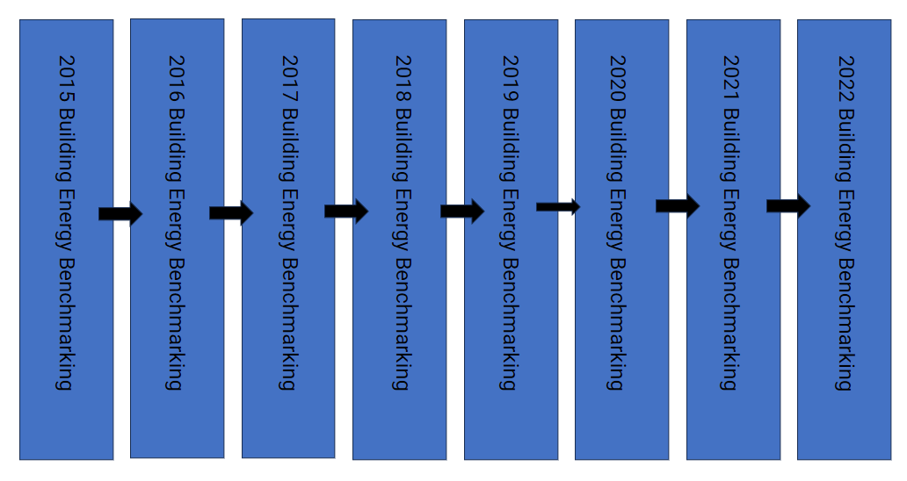
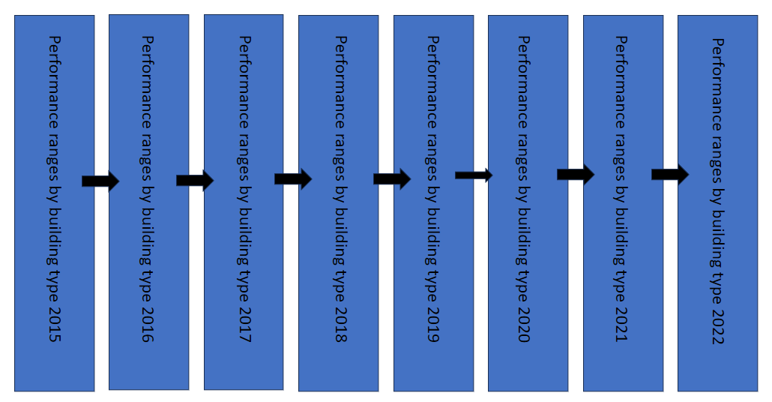

Data Flow Diagram
