Grain Price Behavior
Historical Grain Price Behavior
This report looks at how the USDA's Avg. Farm Price estimate behaves for the six grain commodities tracked in WASDE (Corn, Wheat, Sorghum, Barley, Oats, Rice) throughout several marketing years, specifically testing whether the August WASDE report behaves differently from other months.

Data Source | USDA WASDE
Commodities | Corn - Wheat - Sorghum - Barley - Oats - Rice, Long
Attribute | Avg. Farm Price
Country | United States
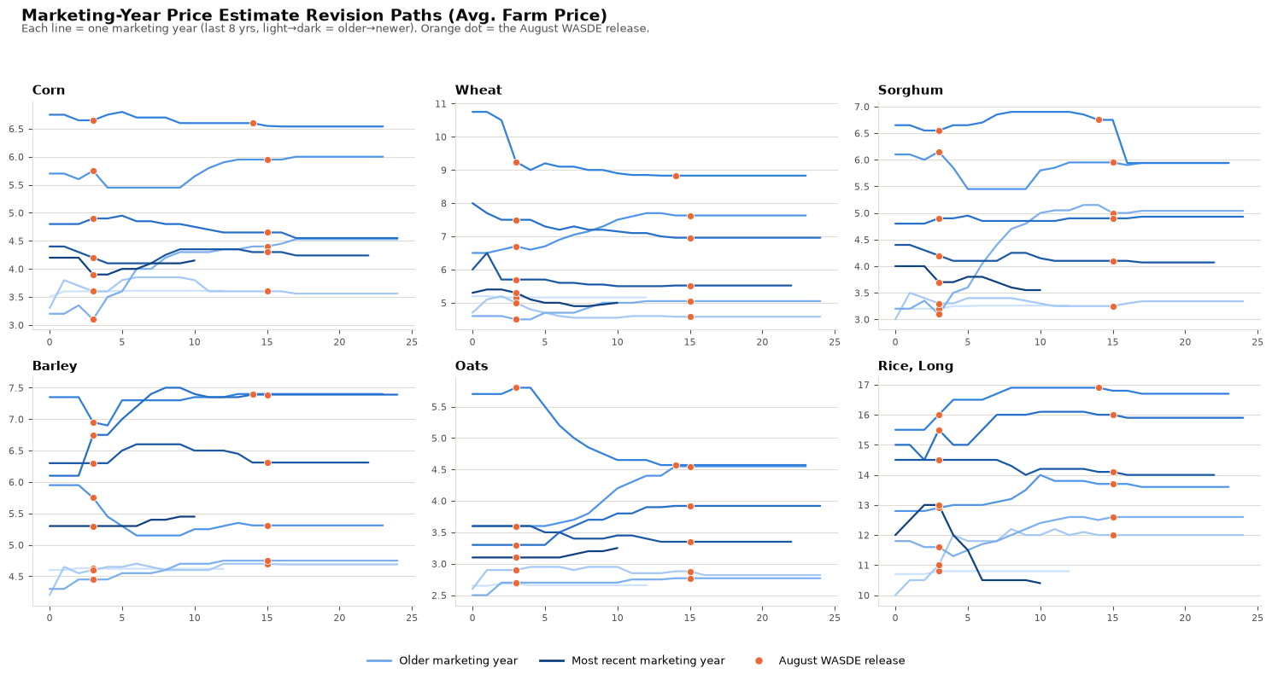
Visualizations

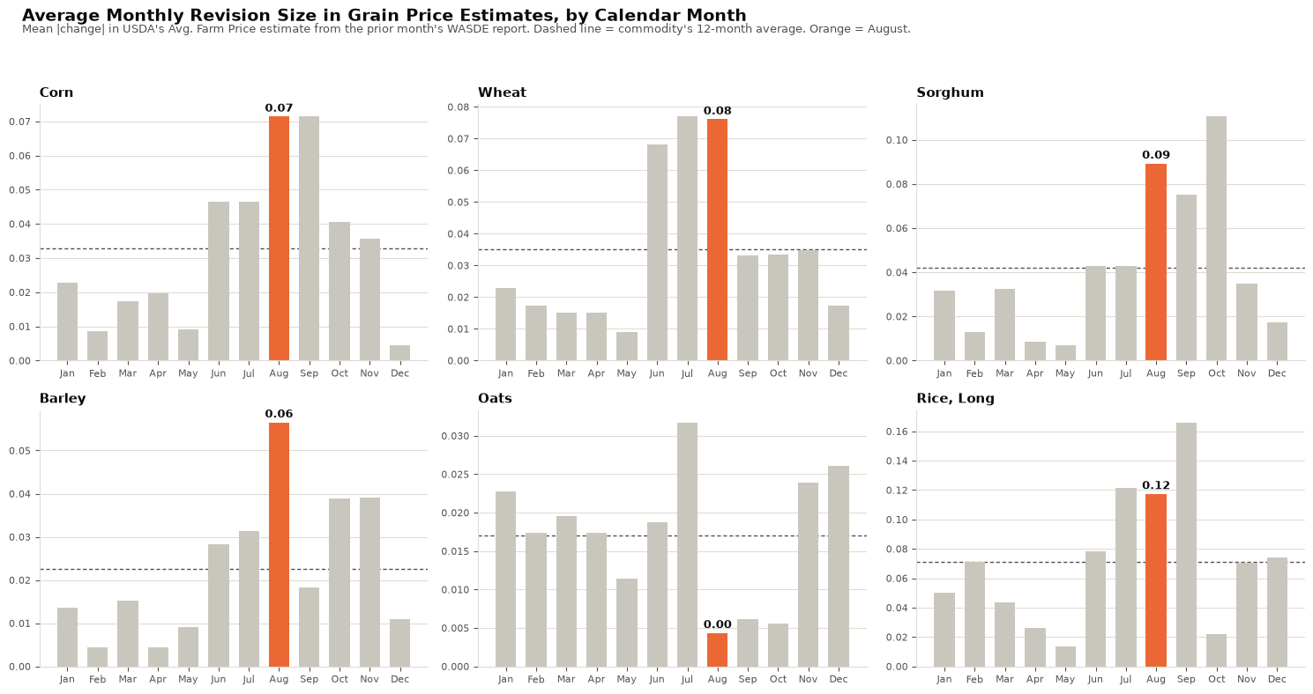

Rank Table
Commodity | August Mean (Revision) | 12-Month mean | August Rank (1 = highest)
Corn | 0.071 | 0.033 | 1
Wheat | 0.076 | 0.035 | 2
Sorghum | 0.089 | 0.042 | 2
Barley | 0.057 | 0.022 | 1
Oats | 0.004 | 0.017 | 12
Rice, Long | 0.117 | 0.071 | 3

Takeaways
- Corn, Wheat, Sorghum, and Barley all show August as their #1 or #2 highest-revision month, running roughly two times their 12-month average. This lines up with the August WASDE report's role as the first field-survey-based yield estimate of the marketing year for row crops.
- Rice shows a real but smaller August effect (#3 of 12); its harvest and survey calendar is offset relative to corn/wheat, so July and September pick up some of what August does for the other grains.
- Oats is the outlier. August is actually its lowest revision month. Oats is a minor, thinly surveyed crop with a much earlier harvest, so it doesn't get the same August data injection the major row crops do.
- Net: "what grains do in August" is not necessarily one story, but it's a strong and consistent re-pricing event for the major feed grains and wheat, a milder version for rice, and largely absent for oats.

