Soybean EDA
Commodity Exploratory Data Analysis Report

Dataset Summary
Commodity | Soybeans
Unit | Million Bushels
Attribute | Production
Country | United States
Date Range | April 2010 - April 2026
Rows | 567
Columns | 16
Last Updated | Apr-26
Data Source | USDA WASDE

Summary Statistics
Statistic | Value
Mean | 3871.46
Median | 3696
Std Dev | 521.41
Minimum | 2634
Maximum | 4693
Missing Values | 0
Duplicate Rows | 0

Visualizations
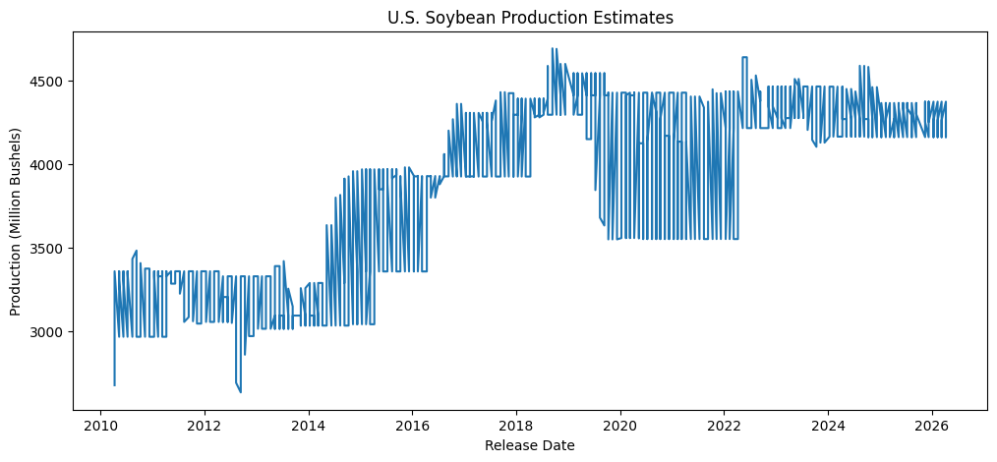
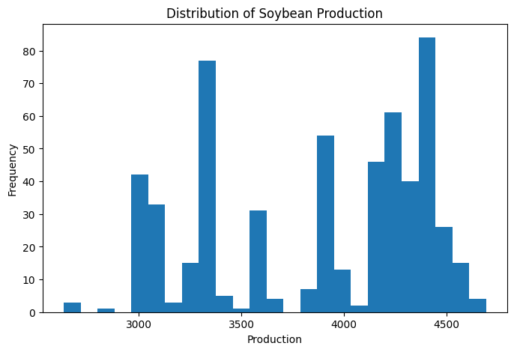

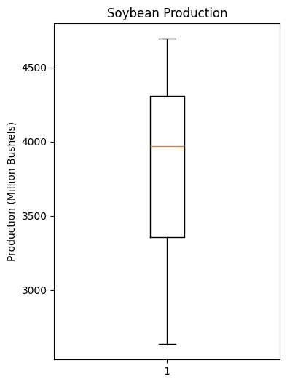
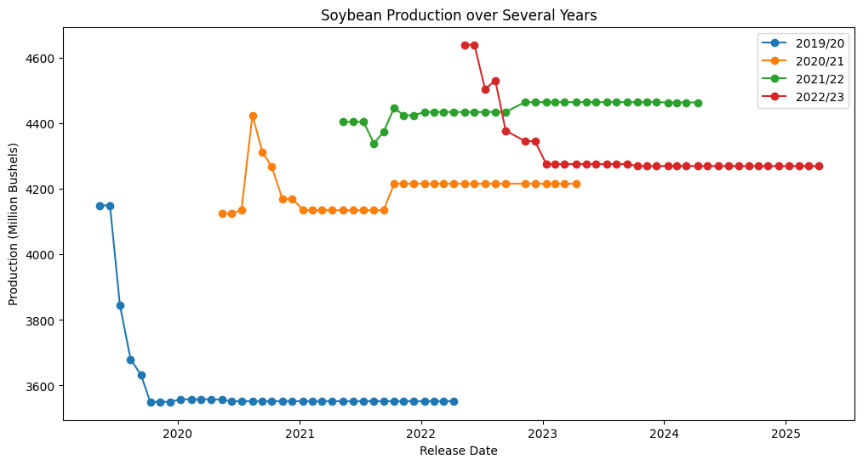
*IMPORTANT NOTE*
<----------
This plot indicates that each market year is updated monthly through successive WASDE reports. Production estimates are revised as new information becomes available and eventually stabilize once the crop year is complete. After stabilization, the USDA continues reporting the final estimate in later WASDE releases, often overlapping into the following market year. Therefore, each market year contains both active forecast revisions and repeated finalized values. This is why the first time series plot is so noisy. This will be considered in modeling and forecasting.

- Production increased substantially from approximately 3,000 million bushels in 2010 to over 4,400 million bushels in recent years, indicating a long-term upward trend.
- The time series exhibits step-like changes rather than smooth movement. This is expected because WASDE reports are revised monthly and production estimates often remain unchanged between revisions
- Within each marketing year, production estimates tend to converge toward a vinal value as additional information becomes available
- Different marketing years begin at different estimated production levels, illustrating a year to year variability in crop yield size.
Key Observations
Notable Trends:

Distribution:
- The distribution is not normal and appears to be multimodal
- Multiple peaks likely correspond to different production eras or different marketing years rather than random variation in the data
- The median is slightly lower than the mean which suggests moderate positive skew caued by larger production values in recent years

- The boxplot shows no extreme outliers beyond what would be expected from historical production changes
- The IQR indicates moderate variability, while th eoverall range reflects the long term increase in soybean production
Boxplot/Outliers

- No missing values were found in this subset
- No duplicate values were found in this subset
- The dataset (see next sheet) appears complete and suitable for preprocessing and time series modeling
Missing data findings:

- As noted above, production estimates are revised throughout each marketing year.
- Many consecutive months contain identical estimates followed by occasional revisions, producing the staircase pattern visible in the time series.
- These revisions indicate that observations are not independent and should be modeled as sequential forecast updates.
- Any forecasting model should account for the fact that USDA estimates evolve as new information becomes available.
Revision behavior:

Modeling Considerations:
- The data exhibit a clear temporal trend, suggesting that time should be incorporated into the model
- Because estimates are revised monthly, lag values will probably be strong predictors
- The presence of structural changes accross marketing years suggest analyzing each market year separately, or including market year as a feature
- The data is well suited for classical time series models (ARIMA, ETS) as well as machine learning approaches using lag features (XGBoost)

Soybean Oil EDA
Commodity Exploratory Data Analysis Report

Dataset Summary
Commodity | Soybean Oil
Unit | Millions Pounds
Attribute | Production
Country | United States
Date Range | April 2010 - April 2026
Rows | 567
Columns | 16
Last Updated | Apr-26
Data Source | USDA WASDE

Summary Statistics
Statistic | Value
Mean | 22934.51
Median | 22505
Std Dev | 3142.23
Minimum | 17145
Maximum | 30330
Missing Values | 0
Duplicate Rows | 0

Visualizations
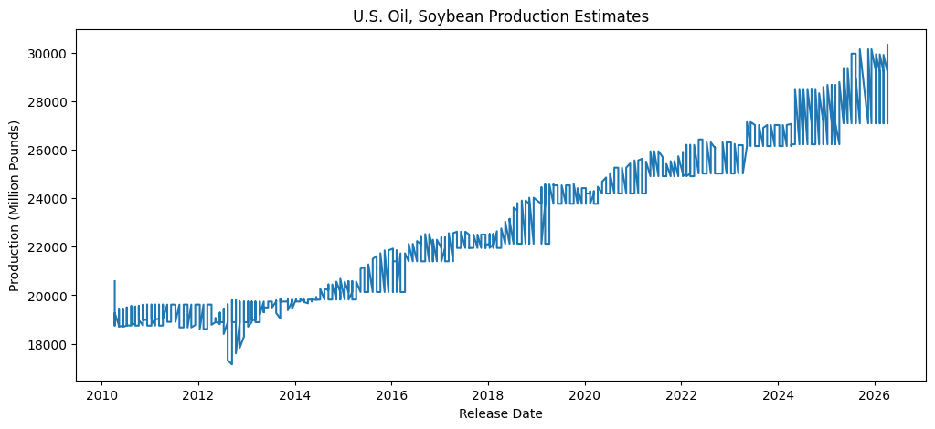
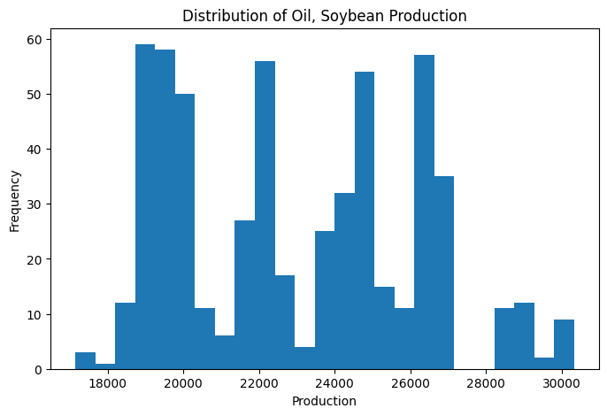

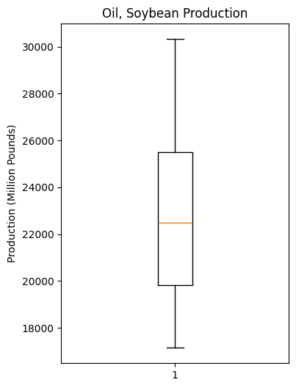
*IMPORTANT NOTE*
<----------
This plot indicates that each market year is updated monthly through successive WASDE reports. Production estimates are revised as new information becomes available and eventually stabilize once the crop year is complete. After stabilization, the USDA continues reporting the final estimate in later WASDE releases, often overlapping into the following market year. Therefore, each market year contains both active forecast revisions and repeated finalized values. This is why the first time series plot is so noisy. This will be considered in modeling and forecasting.
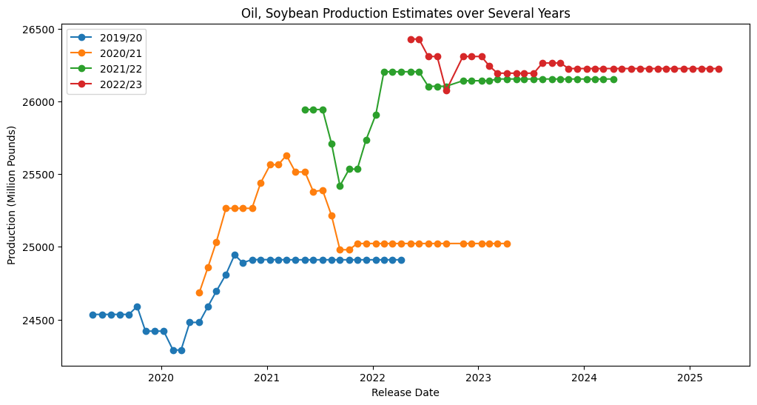

- Almost identical to the productin of soybean meal, soybean oil has a strong upward trend, climbing from around 19,000 million pounds to around 30,000 million pounds over the study period.
- The time series exhibits step-like changes rather than smooth movement. This is expected because WASDE reports are revised monthly and production estimates often remain unchanged between revisions
- Within each marketing year, production estimates tend to converge toward a final value as additional information becomes available
- Different marketing years begin at different estimated production levels, illustrating a year to year variability in crop yield size.
Key Observations
Notable Trends:

Distribution:
- The distribution appears to be multimodal
- Multiple peaks likely correspond to different production eras or different marketing years rather than random variation in the data

- The boxplot shows no extreme outliers beyond what would be expected from historical production changes
- The IQR indicates moderate variability
Boxplot/Outliers

- No missing values were found in this subset
- No duplicate values were found in this subset
- The dataset (see next sheet) appears complete and suitable for preprocessing and time series modeling
Missing data findings:

- As noted above, production estimates are revised throughout each marketing year.
- Many consecutive months contain identical estimates followed by occasional revisions, producing the characterstic sawtooth pattern visible in the time series.
- These revisions indicate that observations are not independent and should be modeled as sequential forecast updates.
- Any forecasting model should account for the fact that USDA estimates evolve as new information becomes available.
Revision behavior:

Modeling Considerations:
- The repeated plateaus in the Market Year plot show that the USDA often leaves estimates unchanged for several consecutive months after sufficient information is available
- The data exhibit a clear temporal trend, suggesting that time should be incorporated into the model
- Because estimates are revised monthly, lag values will probably be strong predictors
- The presence of structural changes accross marketing years suggest analyzing each market year separately, or including market year as a feature
- The data is well suited for classical time series models (ARIMA, ETS) as well as machine learning approaches using lag features (XGBoost)

Soybean Meal EDA
Commodity Exploratory Data Analysis Report

Dataset Summary
Commodity | Soybean Meal
Unit | Thousand Short Tons
Attribute | Production
Country | United States
Date Range | April 2010 - April 2026
Rows | 567
Columns | 16
Last Updated | Apr-26
Data Source | USDA WASDE

Summary Statistics
Statistic | Value
Mean | 46723.07
Median | 458110
Std Dev | 5814.15
Minimum | 35700
Maximum | 61877
Missing Values | 0
Duplicate Rows | 0

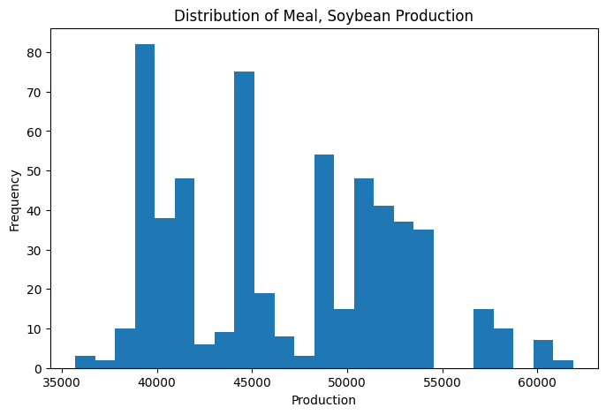
Visualizations
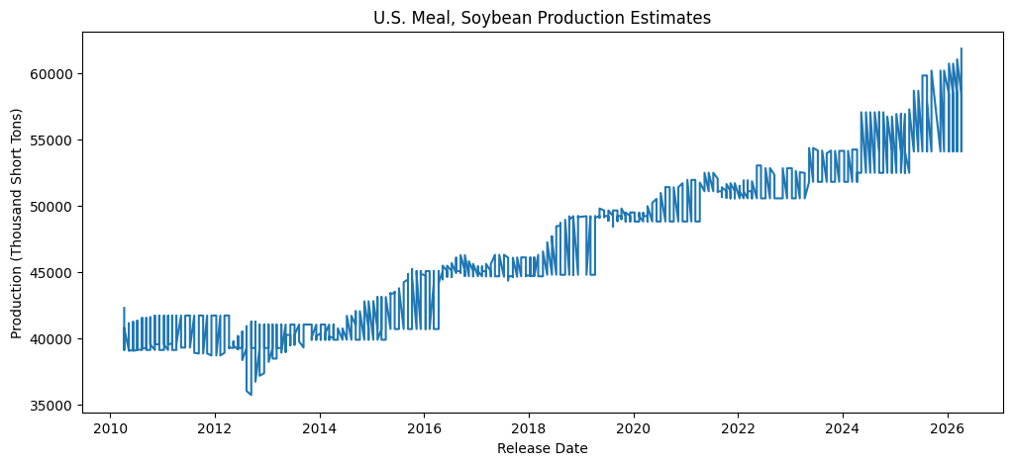

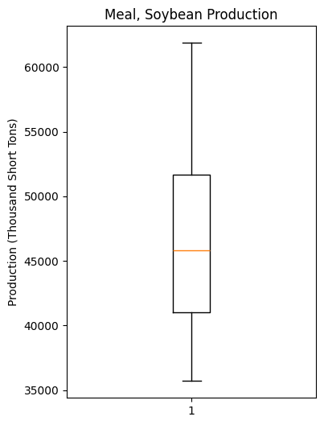
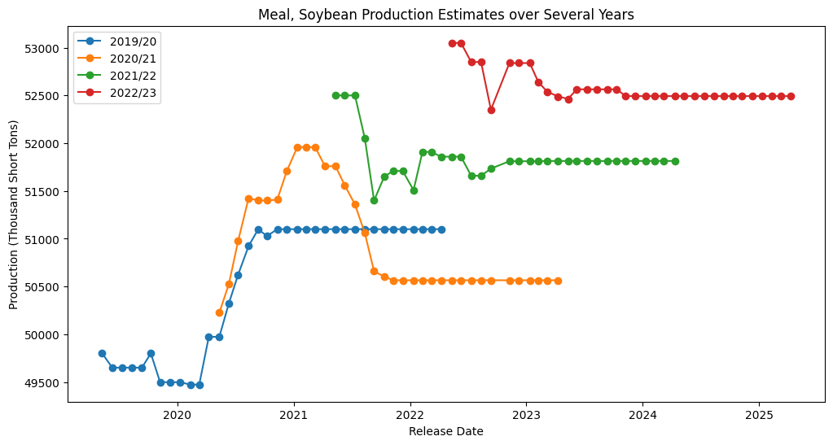
*IMPORTANT NOTE*
<----------
This plot indicates that each market year is updated monthly through successive WASDE reports. Production estimates are revised as new information becomes available and eventually stabilize once the crop year is complete. After stabilization, the USDA continues reporting the final estimate in later WASDE releases, often overlapping into the following market year. Therefore, each market year contains both active forecast revisions and repeated finalized values. This is why the first time series plot is so noisy. This will be considered in modeling and forecasting.

- Soybean Meal production has a strong upward trend over the 16 year study period, increasing from around 40,000 thousand short tons to around 60,000 short tons
- The time series exhibits step-like changes rather than smooth movement. This is expected because WASDE reports are revised monthly and production estimates often remain unchanged between revisions
- Within each marketing year, production estimates tend to converge toward a final value as additional information becomes available
- Different marketing years begin at different estimated production levels, illustrating a year to year variability in crop yield size.
Key Observations
Notable Trends:

Distribution:
- The distribution appears to be multimodal
- Multiple peaks likely correspond to different production eras or different marketing years rather than random variation in the data

- The boxplot shows no extreme outliers beyond what would be expected from historical production changes
- The IQR indicates moderate variability
Boxplot/Outliers

- No missing values were found in this subset
- No duplicate values were found in this subset
- The dataset (see next sheet) appears complete and suitable for preprocessing and time series modeling
Missing data findings:

- As noted above, production estimates are revised throughout each marketing year.
- Many consecutive months contain identical estimates followed by occasional revisions, producing the characterstic sawtooth pattern visible in the time series.
- These revisions indicate that observations are not independent and should be modeled as sequential forecast updates.
- Any forecasting model should account for the fact that USDA estimates evolve as new information becomes available.
Revision behavior:

Modeling Considerations:
- The repeated plateaus in the Market Year plot show that the USDA often leaves estimates unchanged for several consecutive months after sufficient information is available
- The data exhibit a clear temporal trend, suggesting that time should be incorporated into the model
- Because estimates are revised monthly, lag values will probably be strong predictors
- The presence of structural changes accross marketing years suggest analyzing each market year separately, or including market year as a feature
- The data is well suited for classical time series models (ARIMA, ETS) as well as machine learning approaches using lag features (XGBoost)

Corn EDA
Commodity Exploratory Data Analysis Report

Dataset Summary
Commodity | Corn
Unit | Million Bushels
Attribute | Production
Country | United States
Date Range | April 2010 - April 2026
Rows | 567
Columns | 16
Last Updated | Apr-26
Data Source | USDA WASDE

Summary Statistics
Statistic | Value
Mean | 13878.98
Median | 14040
Std Dev | 1222.67
Minimum | 10706
Maximum | 17021
Missing Values | 0
Duplicate Rows | 0

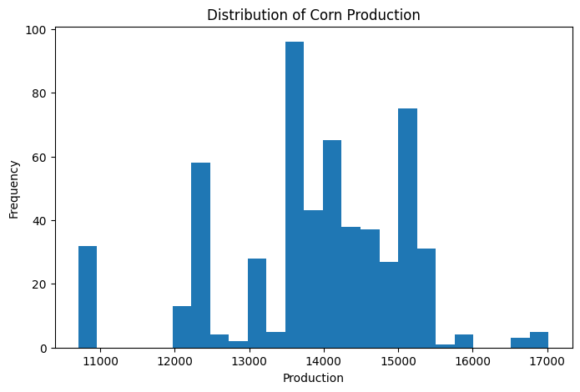
Visualizations
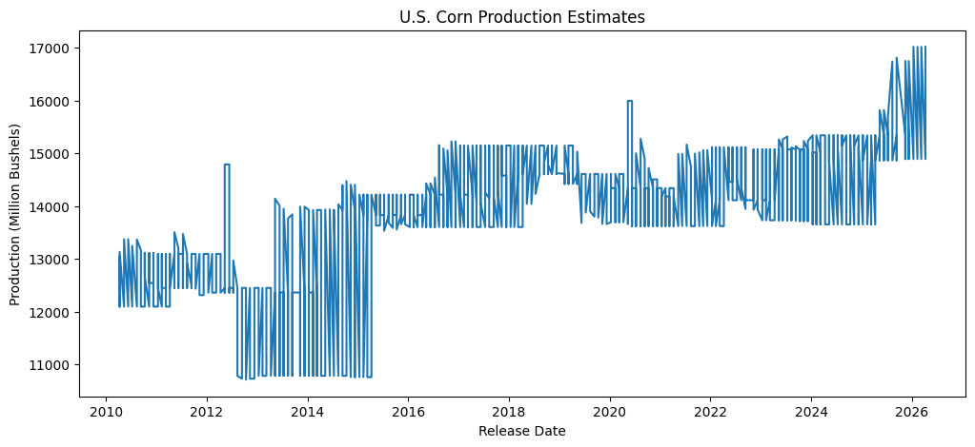

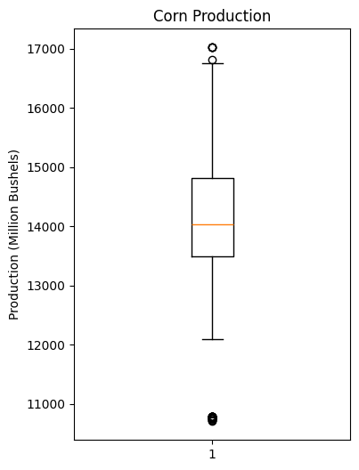

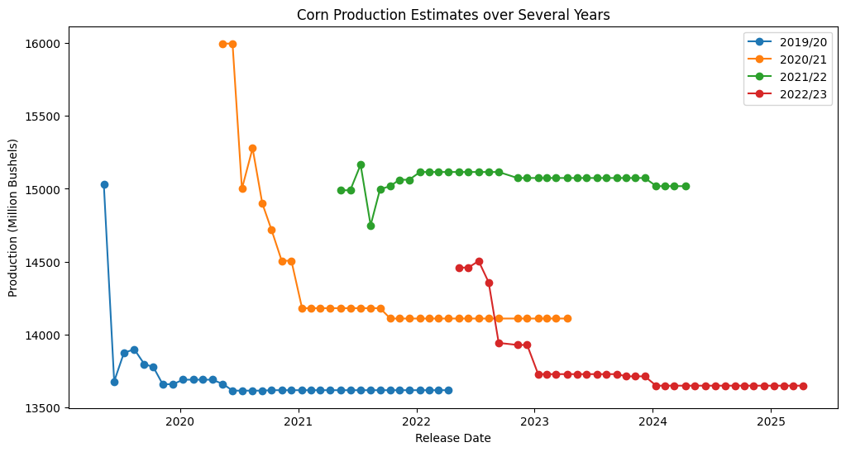
*IMPORTANT NOTE*
<----------
This plot indicates that each market year is updated monthly through successive WASDE reports. Production estimates are revised as new information becomes available and eventually stabilize once the crop year is complete. After stabilization, the USDA continues reporting the final estimate in later WASDE releases, often overlapping into the following market year. Therefore, each market year contains both active forecast revisions and repeated finalized values. This is why the first time series plot is so noisy. This will be considered in modeling and forecasting.

- U.S. corn production generally increased over the study period, rising from approximately 12,000–13,000 million bushels in the early 2010s to 15,000–17,000 million bushels in recent years.
- The time series displays a clear long-term upward trend, reflecting growth in corn production over time.
- Similar to soybeans, production estimates exhibit a stair-step pattern, where monthly estimates remain constant until revised by subsequent WASDE reports
- Individual marketing years show distinct production trajectories, with estimates converging toward a final value as additional information becomes available.
Key Observations
Notable Trends:

Distribution:
- Although more normal than soybeans, the histogram is multimodal rather than normally distributed, indicating that production values cluster around several distinct levels.
- Multiple peaks likely correspond to different production eras or different marketing years rather than random variation in the data

- The boxplot indicates moderate variability in corn production estimates.
- A small number of low-end outliers are present around 10,700 million bushels, corresponding to unusually small production years.
- High production years near 17,000 million bushels fall near the upper whisker and represent historically large harvests rather than anomalous observations.
Boxplot/Outliers

- No missing values were found in this subset
- No duplicate values were found in this subset
- The dataset (see next sheet) appears complete and suitable for preprocessing and time series modeling
Missing data findings:

- As noted above, production estimates are revised throughout each marketing year.
- Many consecutive months contain identical estimates followed by occasional revisions, producing the staircase pattern visible in the time series.
- These revisions indicate that observations are not independent and should be modeled as sequential forecast updates.
- Any forecasting model should account for the fact that USDA estimates evolve as new information becomes available.
Revision behavior:

Modeling Considerations:
- The data exhibit a clear temporal trend, suggesting that time should be incorporated into the model
- Because estimates are revised monthly, lag values will probably be strong predictors
- The presence of structural changes accross marketing years suggest analyzing each market year separately, or including market year as a feature
- The data is well suited for classical time series models (ARIMA, ETS) as well as machine learning approaches using lag features (XGBoost)

Cotton EDA
Commodity Exploratory Data Analysis Report

Dataset Summary
Commodity | Cotton
Unit | Million 480 Pound Bales
Attribute | Production
Country | United States
Date Range | April 2010 - April 2026
Rows | 567
Columns | 16
Last Updated | Apr-26
Data Source | USDA WASDE

Summary Statistics
Statistic | Value
Mean | 16.06
Median | 16.32
Std Dev | 2.65
Minimum | 12.07
Maximum | 22.52
Missing Values | 0
Duplicate Rows | 0

Visualizations
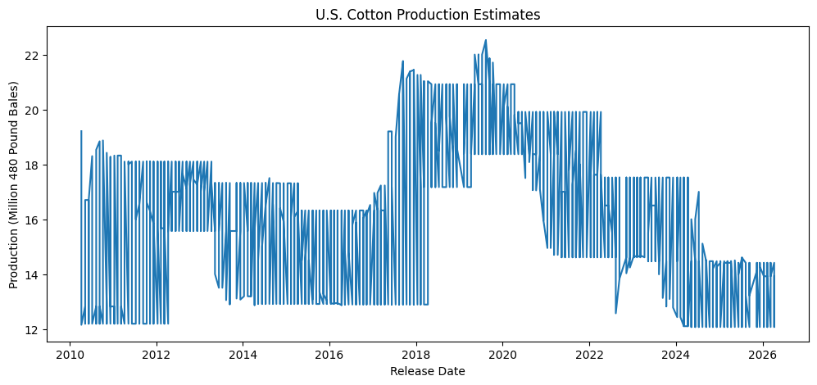
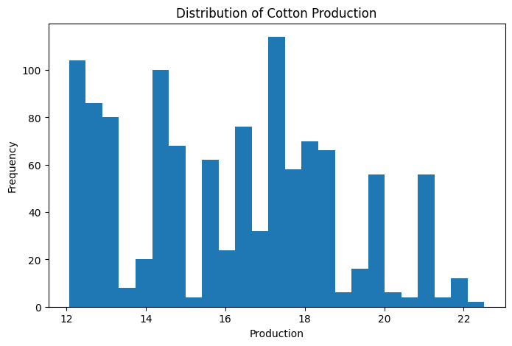

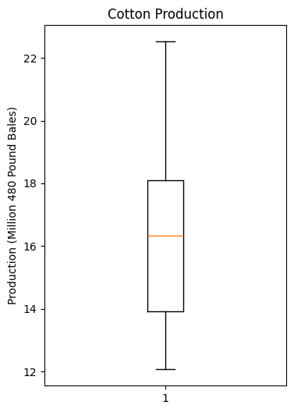
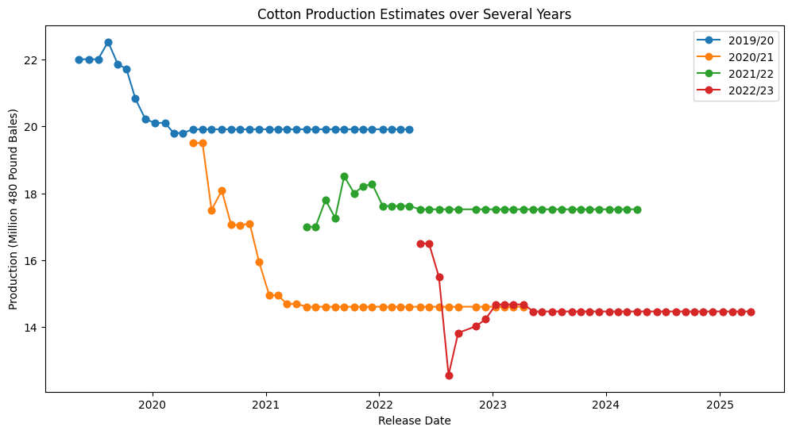
*IMPORTANT NOTE*
<----------
This plot indicates that each market year is updated monthly through successive WASDE reports. Production estimates are revised as new information becomes available and eventually stabilize once the crop year is complete. After stabilization, the USDA continues reporting the final estimate in later WASDE releases, often overlapping into the following market year. Therefore, each market year contains both active forecast revisions and repeated finalized values. This is why the first time series plot is so noisy. This will be considered in modeling and forecasting.

- 2019/20 began near 22 million 480-lb bales before being revised downward to about 20 million. 2020/21 experienced one of the largest downward revisions, ending near 14.5 million. 2021/22 remained relatively stable around 17.5–18 million. 2022/23 showed another sizable downward revision before stabilizing around 14.4 million
- The time series exhibits step-like changes rather than smooth movement. This is expected because WASDE reports are revised monthly and production estimates often remain unchanged between revisions
- Within each marketing year, production estimates tend to converge toward a final value as additional information becomes available
- Different marketing years begin at different estimated production levels, illustrating a year to year variability in crop yield size.
Key Observations
Notable Trends:

Distribution:
- The distribution is not normal and appears to be multimodal
- Multiple peaks likely correspond to different production eras or different marketing years rather than random variation in the data

- The boxplot shows no extreme outliers beyond what would be expected from historical production changes
- The IQR indicates moderate variability
Boxplot/Outliers

- No missing values were found in this subset
- No duplicate values were found in this subset
- The dataset (see next sheet) appears complete and suitable for preprocessing and time series modeling
Missing data findings:

- As noted above, production estimates are revised throughout each marketing year.
- Many consecutive months contain identical estimates followed by occasional revisions, producing the characterstic sawtooth pattern visible in the time series.
- These revisions indicate that observations are not independent and should be modeled as sequential forecast updates.
- Any forecasting model should account for the fact that USDA estimates evolve as new information becomes available.
Revision behavior:

Modeling Considerations:
- The repeated plateaus in the Market Year plot show that the USDA often leaves estimates unchanged for several consecutive months after sufficient information is available
- The data exhibit a clear temporal trend, suggesting that time should be incorporated into the model
- Because estimates are revised monthly, lag values will probably be strong predictors
- The presence of structural changes accross marketing years suggest analyzing each market year separately, or including market year as a feature
- The data is well suited for classical time series models (ARIMA, ETS) as well as machine learning approaches using lag features (XGBoost)

Wheat EDA
Commodity Exploratory Data Analysis Report

Dataset Summary
Commodity | Wheat
Unit | Million Bushels
Attribute | Production
Country | United States
Date Range | April 2010 - April 2026
Rows | 567
Columns | 16
Last Updated | Apr-26
Data Source | USDA WASDE

Summary Statistics
Statistic | Value
Mean | 1988.19
Median | 1999
Std Dev | 213.76
Minimum | 1646
Maximum | 2499
Missing Values | 0
Duplicate Rows | 0

Visualizations
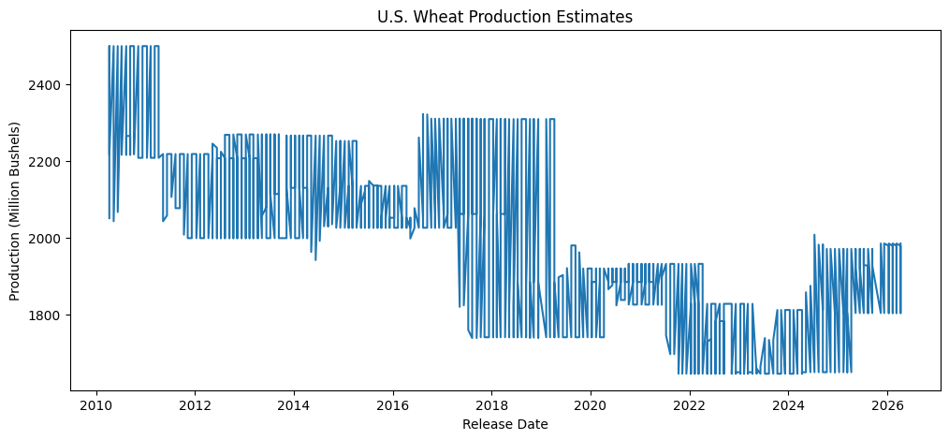
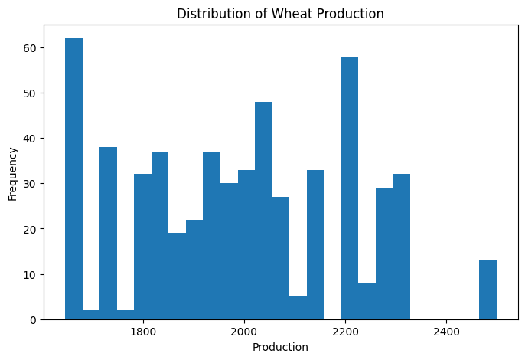

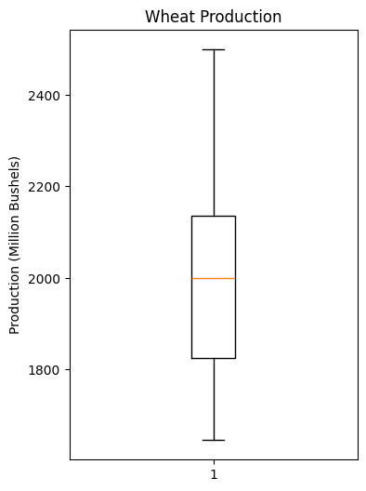
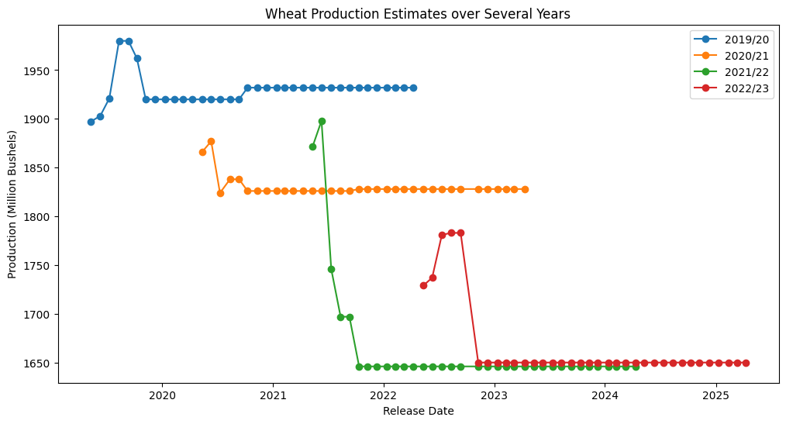
*IMPORTANT NOTE*
<----------
This plot indicates that each market year is updated monthly through successive WASDE reports. Production estimates are revised as new information becomes available and eventually stabilize once the crop year is complete. After stabilization, the USDA continues reporting the final estimate in later WASDE releases, often overlapping into the following market year. Therefore, each market year contains both active forecast revisions and repeated finalized values. This is why the first time series plot is so noisy. This will be considered in modeling and forecasting.

- Unlike the other commodities, wheat exhibits a downward production trend over time, dropping from around 2400 million bushels to around 1900 million bushels
- The time series exhibits step-like changes rather than smooth movement. This is expected because WASDE reports are revised monthly and production estimates often remain unchanged between revisions
- Within each marketing year, production estimates tend to converge toward a final value as additional information becomes available
- Different marketing years begin at different estimated production levels, illustrating a year to year variability in crop yield size.
Key Observations
Notable Trends:

Distribution:
- The distribution is not normal and appears to be multimodal
- Multiple peaks likely correspond to different production eras or different marketing years rather than random variation in the data

- The boxplot shows no extreme outliers beyond what would be expected from historical production changes
- The IQR indicates moderate variability
Boxplot/Outliers

- No missing values were found in this subset
- No duplicate values were found in this subset
- The dataset (see next sheet) appears complete and suitable for preprocessing and time series modeling
Missing data findings:

- As noted above, production estimates are revised throughout each marketing year.
- Many consecutive months contain identical estimates followed by occasional revisions, producing the characterstic sawtooth pattern visible in the time series.
- These revisions indicate that observations are not independent and should be modeled as sequential forecast updates.
- Any forecasting model should account for the fact that USDA estimates evolve as new information becomes available.
Revision behavior:

Modeling Considerations:
- The repeated plateaus in the Market Year plot show that the USDA often leaves estimates unchanged for several consecutive months after sufficient information is available
- The data exhibit a clear temporal trend, suggesting that time should be incorporated into the model
- Because estimates are revised monthly, lag values will probably be strong predictors
- The presence of structural changes accross marketing years suggest analyzing each market year separately, or including market year as a feature
- The data is well suited for classical time series models (ARIMA, ETS) as well as machine learning approaches using lag features (XGBoost)
- "Wheat" (all-class total) is conceptually the sum of HRW + HRS + SRW + Durum + White. To eventually use "Wheat," "Hard Red Winter," and "Hard Red Spring" together as features in the same model, they'll likely be highly collinear. That's fine for separate EDA, but worth keeping in mind for modeling

Hard Red Winter EDA
Commodity Exploratory Data Analysis Report

Dataset Summary
Commodity | Wheat (Hard Red Winter)
Unit | Million Bushels
Attribute | Production
Country | United States
Date Range | April 2010 - April 2026
Rows | 346
Columns | 16
Last Updated | Apr-26
Data Source | USDA WASDE

Summary Statistics
Statistic | Value
Mean | 791.7
Median | 770
Std Dev | 145.75
Minimum | 531
Maximum | 1082
Missing Values | 0
Duplicate Rows | 0

Visualizations
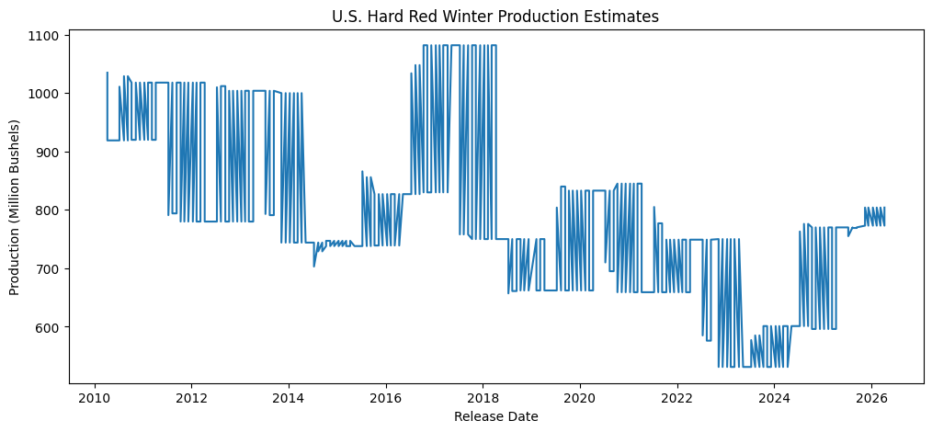
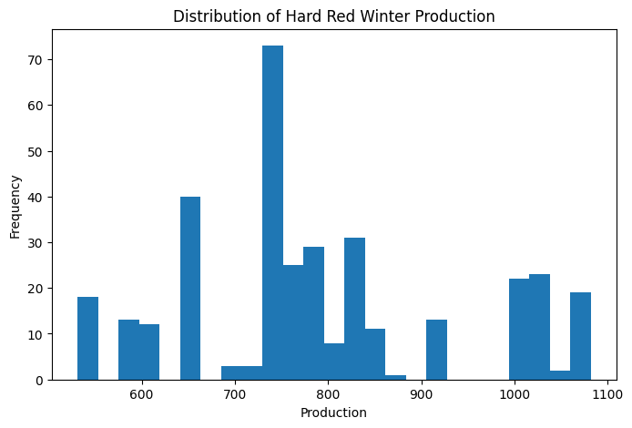

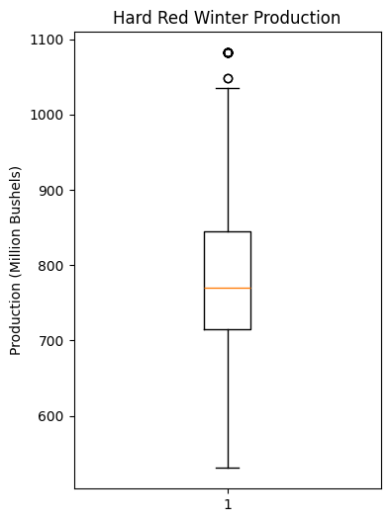
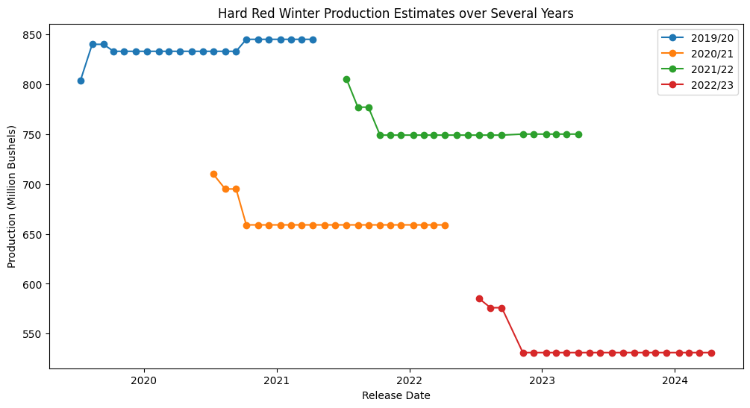
*IMPORTANT NOTE*
<----------
This plot indicates that each market year is updated monthly through successive WASDE reports. Production estimates are revised as new information becomes available and eventually stabilize once the crop year is complete. After stabilization, the USDA continues reporting the final estimate in later WASDE releases, often overlapping into the following market year. Therefore, each market year contains both active forecast revisions and repeated finalized values. This is why the first time series plot is so noisy. This will be considered in modeling and forecasting.

- Hard red winter exhibits a downward tred over the study period, decreasing from ~1000 million bushels to ~800 million bushels.
- The time series exhibits step-like changes rather than smooth movement. This is expected because WASDE reports are revised monthly and production estimates often remain unchanged between revisions
- Within each marketing year, production estimates tend to converge toward a final value as additional information becomes available
- Different marketing years begin at different estimated production levels, illustrating a year to year variability in crop yield size.
Key Observations
Notable Trends:

Distribution:
- The distribution is more normal than others, but still appears to be multimodal
- Multiple peaks likely correspond to different production eras or different marketing years rather than random variation in the data

- The boxplot shows some outliers that likely correspond to unusually high production years
- The IQR indicates moderate to small variability
Boxplot/Outliers

- No missing values were found in this subset
- No duplicate values were found in this subset
- The dataset (see next sheet) appears complete and suitable for preprocessing and time series modeling
Missing data findings:

- As noted above, production estimates are revised throughout each marketing year.
- The initial USDA estimates tend to be closer to the actual production values and converge much faster than other commodities
- Many consecutive months contain identical estimates followed by occasional revisions, producing the characterstic sawtooth pattern visible in the time series.
- These revisions indicate that observations are not independent and should be modeled as sequential forecast updates.
- Still, any forecasting model should account for the fact that USDA estimates evolve as new information becomes available.
Revision behavior:

Modeling Considerations:
- The repeated plateaus in the Market Year plot show that the USDA often leaves estimates unchanged for several consecutive months after sufficient information is available
- The data exhibit a clear temporal trend, suggesting that time should be incorporated into the model
- Because estimates are revised monthly, lag values will probably be strong predictors
- The presence of structural changes accross marketing years suggest analyzing each market year separately, or including market year as a feature
- The data is well suited for classical time series models (ARIMA, ETS) as well as machine learning approaches using lag features (XGBoost)

Hard Red Spring EDA
Commodity Exploratory Data Analysis Report

Dataset Summary
Commodity | Wheat (Hard Red Spring)
Unit | Million Bushels
Attribute | Production
Country | United States
Date Range | April 2010 - April 2026
Rows | 346
Columns | 16
Last Updated | Apr-26
Data Source | USDA WASDE

Summary Statistics
Statistic | Value
Mean | 490.25
Median | 503.5
Std Dev | 75.08
Minimum | 297
Maximum | 593
Missing Values | 0
Duplicate Rows | 0

Visualizations
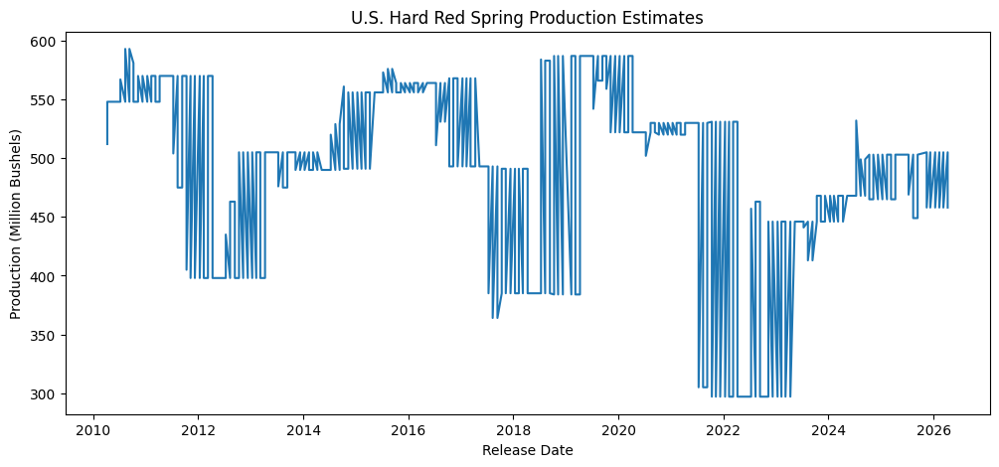
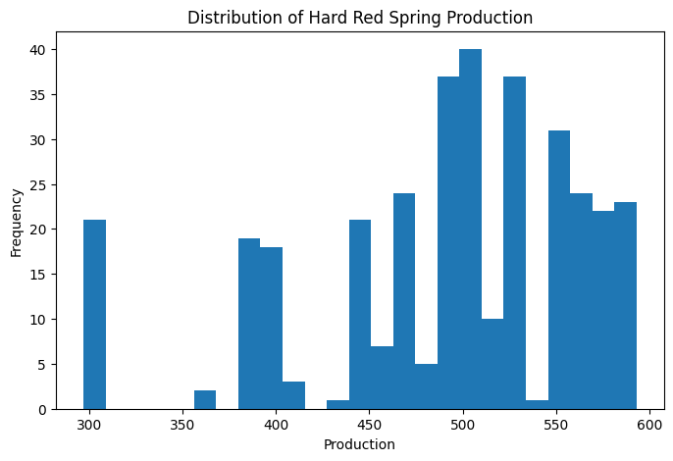

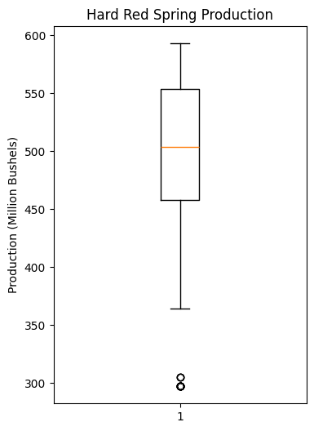
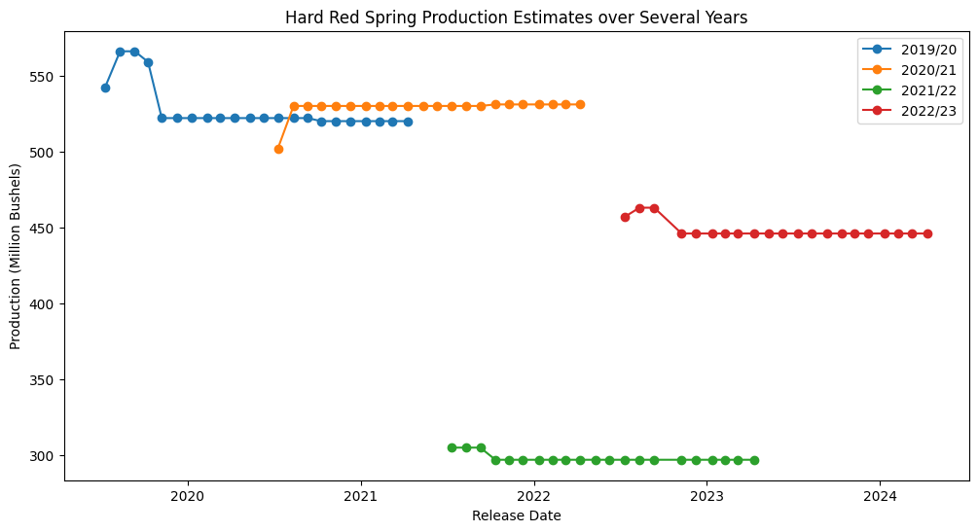
*IMPORTANT NOTE*
<----------
This plot indicates that each market year is updated monthly through successive WASDE reports. Production estimates are revised as new information becomes available and eventually stabilize once the crop year is complete. After stabilization, the USDA continues reporting the final estimate in later WASDE releases, often overlapping into the following market year. Therefore, each market year contains both active forecast revisions and repeated finalized values. This is why the first time series plot is so noisy. This will be considered in modeling and forecasting.

- Hard red spring production fluctuates. There is a slight downard trend but production tends to stay around 400-500 million bushels.
- The time series exhibits step-like changes rather than smooth movement. This is expected because WASDE reports are revised monthly and production estimates often remain unchanged between revisions
- Within each marketing year, production estimates tend to converge toward a final value as additional information becomes available
- Different marketing years begin at different estimated production levels, illustrating a year to year variability in crop yield size.
Key Observations
Notable Trends:

Distribution:
- The distribution is multimodal
- Multiple peaks likely correspond to different production eras or different marketing years rather than random variation in the data

- The boxplot shows some outliers that likely correspond to unusually low production years
- The IQR indicates moderate to small variability
Boxplot/Outliers

- No missing values were found in this subset
- No duplicate values were found in this subset
- The dataset (see next sheet) appears complete and suitable for preprocessing and time series modeling
Missing data findings:

- As noted above, production estimates are revised throughout each marketing year.
- The initial USDA estimates tend to be closer to the actual production values and converge much faster than other commodities
- Many consecutive months contain identical estimates followed by occasional revisions, producing the characterstic sawtooth pattern visible in the time series.
- These revisions indicate that observations are not independent and should be modeled as sequential forecast updates.
- Still, any forecasting model should account for the fact that USDA estimates evolve as new information becomes available.
Revision behavior:

Modeling Considerations:
- The repeated plateaus in the Market Year plot show that the USDA often leaves estimates unchanged for several consecutive months after sufficient information is available
- The data exhibit a clear temporal trend, suggesting that time should be incorporated into the model
- Because estimates are revised monthly, lag values will probably be strong predictors
- The presence of structural changes accross marketing years suggest analyzing each market year separately, or including market year as a feature
- The data is well suited for classical time series models (ARIMA, ETS) as well as machine learning approaches using lag features (XGBoost)

Rice (Rough) EDA
Commodity Exploratory Data Analysis Report

Dataset Summary
Commodity | Rice (rough)
Unit | Million Hundredweight
Attribute | Production
Country | United States
Date Range | April 2010 - April 2026
Rows | 567
Columns | 16
Last Updated | Apr-26
Data Source | USDA WASDE

Summary Statistics
Statistic | Value
Mean | 205.02
Median | 203.7
Std Dev | 21.5
Minimum | 160
Maximum | 255.3
Missing Values | 0
Duplicate Rows | 0

Visualizations
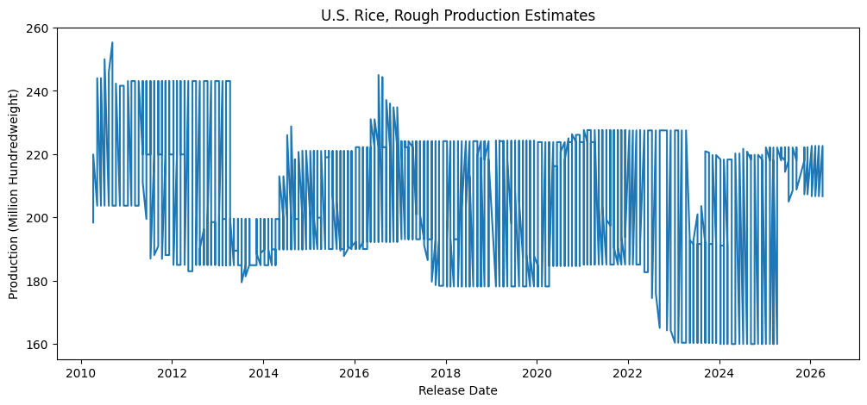
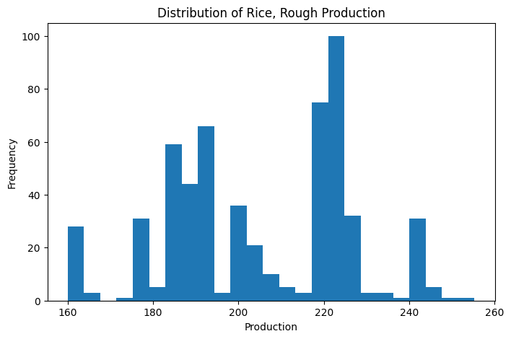

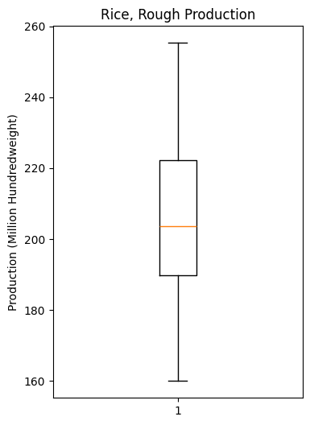
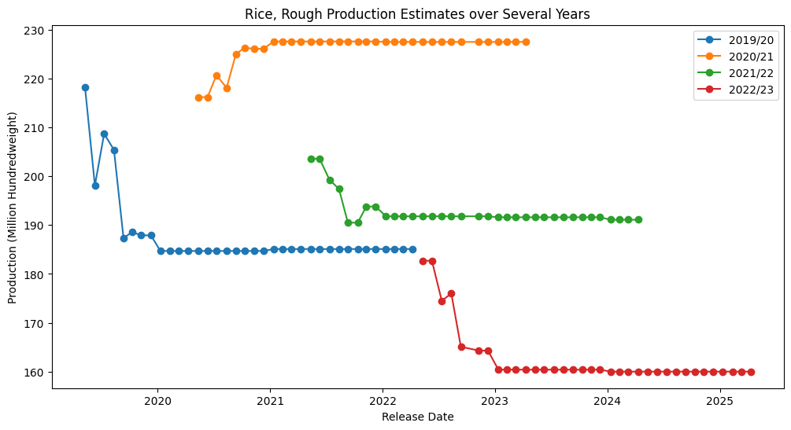
*IMPORTANT NOTE*
<----------
This plot indicates that each market year is updated monthly through successive WASDE reports. Production estimates are revised as new information becomes available and eventually stabilize once the crop year is complete. After stabilization, the USDA continues reporting the final estimate in later WASDE releases, often overlapping into the following market year. Therefore, each market year contains both active forecast revisions and repeated finalized values. This is why the first time series plot is so noisy. This will be considered in modeling and forecasting.

- Rough Rice trends slightly downwards, but the yield stays relatively consistent (~200 million hundredweight) over time
- The time series exhibits step-like changes rather than smooth movement. This is expected because WASDE reports are revised monthly and production estimates often remain unchanged between revisions
- Within each marketing year, production estimates tend to converge toward a final value as additional information becomes available
- Different marketing years begin at different estimated production levels, illustrating a year to year variability in crop yield size.
Key Observations
Notable Trends:

Distribution:
- Although more normal than other commodities, the distribution appears to be multimodal
- Multiple peaks likely correspond to different production eras or different marketing years rather than random variation in the data

- The boxplot shows no extreme outliers beyond what would be expected from historical production changes
- The IQR indicates moderate variability
Boxplot/Outliers

- No missing values were found in this subset
- No duplicate values were found in this subset
- The dataset (see next sheet) appears complete and suitable for preprocessing and time series modeling
Missing data findings:

- As noted above, production estimates are revised throughout each marketing year.
- Many consecutive months contain identical estimates followed by occasional revisions, producing the characterstic sawtooth pattern visible in the time series.
- These revisions indicate that observations are not independent and should be modeled as sequential forecast updates.
- Any forecasting model should account for the fact that USDA estimates evolve as new information becomes available.
Revision behavior:

Modeling Considerations:
- The repeated plateaus in the Market Year plot show that the USDA often leaves estimates unchanged for several consecutive months after sufficient information is available
- The data exhibit a clear temporal trend, suggesting that time should be incorporated into the model
- Because estimates are revised monthly, lag values will probably be strong predictors
- The presence of structural changes accross marketing years suggest analyzing each market year separately, or including market year as a feature
- The data is well suited for classical time series models (ARIMA, ETS) as well as machine learning approaches using lag features (XGBoost)

Oats EDA
Commodity Exploratory Data Analysis Report

Dataset Summary
Commodity | Oats
Unit | Million Bushels
Attribute | Production
Country | United States
Date Range | April 2010 - April 2026
Rows | 567
Columns | 16
Last Updated | Apr-26
Data Source | USDA WASDE

Summary Statistics
Statistic | Value
Mean | 64.87
Median | 65
Std Dev | 13.76
Minimum | 40
Maximum | 93
Missing Values | 0
Duplicate Rows | 0

Visualizations
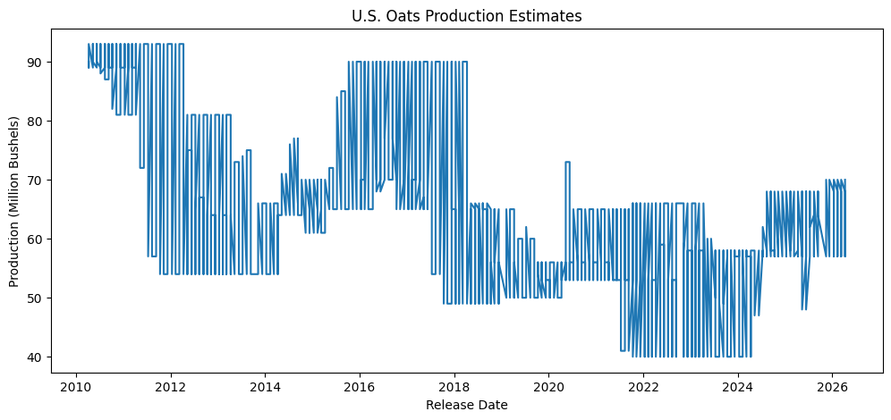
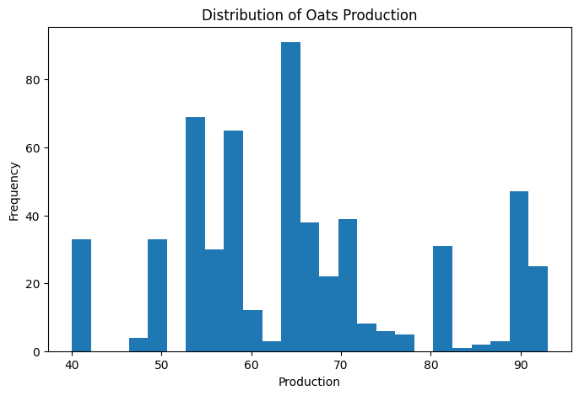

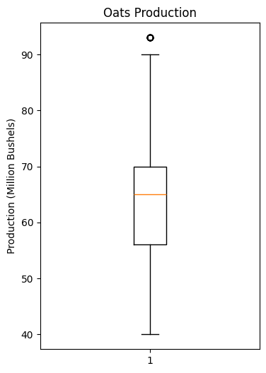
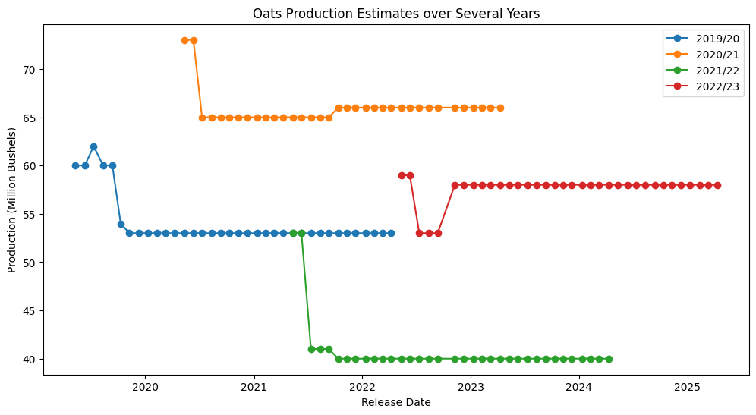
*IMPORTANT NOTE*
<----------
This plot indicates that each market year is updated monthly through successive WASDE reports. Production estimates are revised as new information becomes available and eventually stabilize once the crop year is complete. After stabilization, the USDA continues reporting the final estimate in later WASDE releases, often overlapping into the following market year. Therefore, each market year contains both active forecast revisions and repeated finalized values. This is why the first time series plot is so noisy. This will be considered in modeling and forecasting.

- U.S. oats production trends slightly downward over the study period, decreasing from around 90 million bushels to about 65 million bushels
- The time series exhibits step-like changes rather than smooth movement. This is expected because WASDE reports are revised monthly and production estimates often remain unchanged between revisions
- Within each marketing year, production estimates tend to converge toward a final value as additional information becomes available
- Different marketing years begin at different estimated production levels, illustrating a year to year variability in crop yield size.
Key Observations
Notable Trends:

Distribution:
- The distribution appears to be multimodal, although considerably more normal than other commodities.
- Multiple peaks likely correspond to different production eras or different marketing years rather than random variation in the data

- The boxplot shows an outlier around 90 million bushels, likely corresponding to an unusually high production year
- The IQR indicates moderate variability
Boxplot/Outliers

- No missing values were found in this subset
- No duplicate values were found in this subset
- The dataset (see next sheet) appears complete and suitable for preprocessing and time series modeling
Missing data findings:

- As noted above, production estimates are revised throughout each marketing year.
- Many consecutive months contain identical estimates followed by occasional revisions, producing the characterstic sawtooth pattern visible in the time series.
- For oats specifically, the estimate revisions tend to converge toward actual production value much quicker than other commodities
- These revisions indicate that observations are not independent and should be modeled as sequential forecast updates.
- Any forecasting model should account for the fact that USDA estimates evolve as new information becomes available.
Revision behavior:

Modeling Considerations:
- The repeated plateaus in the Market Year plot show that the USDA often leaves estimates unchanged for several consecutive months after sufficient information is available
- The data exhibit a clear temporal trend, suggesting that time should be incorporated into the model
- Because estimates are revised monthly, lag values will probably be strong predictors
- The presence of structural changes accross marketing years suggest analyzing each market year separately, or including market year as a feature
- The data is well suited for classical time series models (ARIMA, ETS) as well as machine learning approaches using lag features (XGBoost)

Sugar EDA
Commodity Exploratory Data Analysis Report

Dataset Summary
Commodity | Sugar
Unit | 1000 Short Tons, Raw Value
Attribute | Production
Country | United States
Date Range | April 2010 - April 2026
Rows | 567
Columns | 16
Last Updated | Apr-26
Data Source | USDA WASDE

Summary Statistics
Statistic | Value
Mean | 8787.29
Median | 8980
Std Dev | 506.95
Minimum | 7532
Maximum | 9514
Missing Values | 0
Duplicate Rows | 0

Visualizations
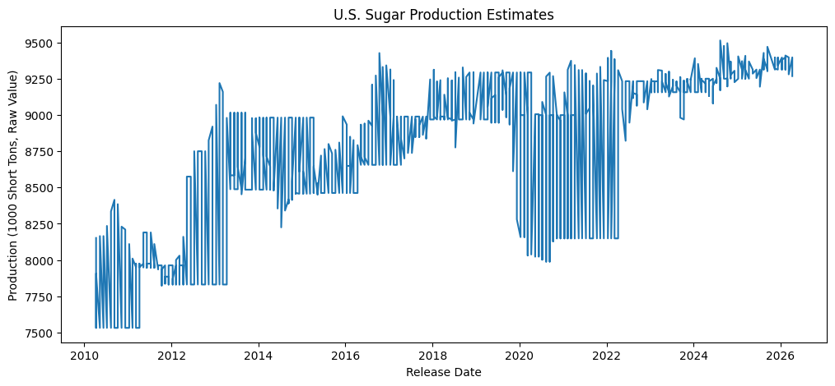
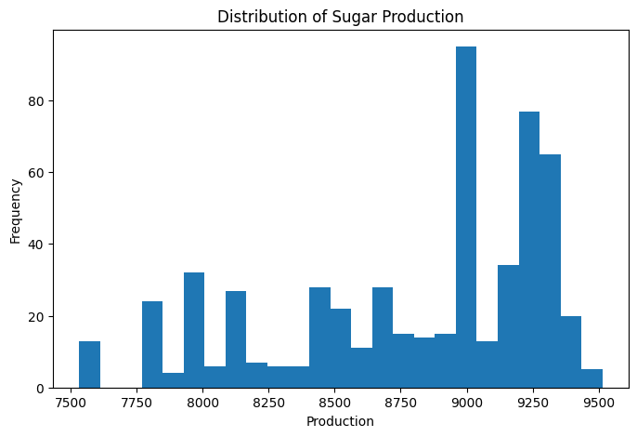

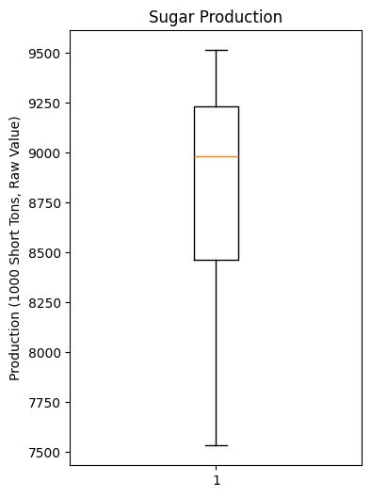
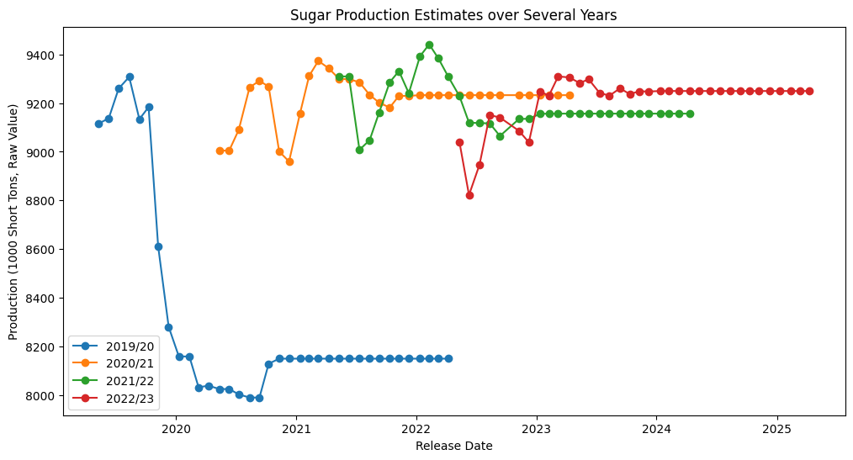
*IMPORTANT NOTE*
<----------
This plot indicates that each market year is updated monthly through successive WASDE reports. Production estimates are revised as new information becomes available and eventually stabilize once the crop year is complete. After stabilization, the USDA continues reporting the final estimate in later WASDE releases, often overlapping into the following market year. Therefore, each market year contains both active forecast revisions and repeated finalized values. This is why the first time series plot is so noisy. This will be considered in modeling and forecasting.

- U.S. sugar production increases from around 8000 thousand short tons to around 9250 thousand short tons over the study period
- The time series exhibits step-like changes rather than smooth movement. This is expected because WASDE reports are revised monthly and production estimates often remain unchanged between revisions
- Within each marketing year, production estimates tend to converge toward a final value as additional information becomes available
- Different marketing years begin at different estimated production levels, illustrating a year to year variability in crop yield size.
Key Observations
Notable Trends:

Distribution:
- The distribution appears to be multimodal.
- Multiple peaks likely correspond to different production eras or different marketing years rather than random variation in the data

- The boxplot shows no extreme outliers
- The IQR indicates moderate variability
Boxplot/Outliers

- No missing values were found in this subset
- No duplicate values were found in this subset
- The dataset (see next sheet) appears complete and suitable for preprocessing and time series modeling
Missing data findings:

- As noted above, production estimates are revised throughout each marketing year.
- Many consecutive months contain identical estimates followed by occasional revisions, producing the characterstic sawtooth pattern visible in the time series.
- For oats specifically, the estimate revisions tend to converge toward actual production value much quicker than other commodities
- These revisions indicate that observations are not independent and should be modeled as sequential forecast updates.
- Any forecasting model should account for the fact that USDA estimates evolve as new information becomes available.
Revision behavior:

Modeling Considerations:
- The repeated plateaus in the Market Year plot show that the USDA often leaves estimates unchanged for several consecutive months after sufficient information is available
- The data exhibit a clear temporal trend, suggesting that time should be incorporated into the model
- Because estimates are revised monthly, lag values will probably be strong predictors
- The presence of structural changes accross marketing years suggest analyzing each market year separately, or including market year as a feature
- The data is well suited for classical time series models (ARIMA, ETS) as well as machine learning approaches using lag features (XGBoost)

