F8.1
Figure 8.1. Population in India, China and Europe, 1700-2050
 | India | China | Europe
1700 | 165 | 138 | 100
1740
 | 186 | 229 | 130
1780
1820 | 209 | 381 | 169
1860
 | 253 | 358 | 241
1900
 | 304 | 437 | 341
1940
 | 359 | 547 | 393
 | 541 | 818 | 461
1980
 | 874 | 1145 | 506
 | 1258 | 1354 | 539
2020 | 1385 | 1373 | 546
 | 1523 | 1393 | 552
2050 | 1692 | 1296 | 546

F8.2
Figure 8.2. The religious structure of India, 1871-2011
 | Noirs esclaves | Noirs libres | Blancs
1871 | 75% | 19% | 5%
1881 | 77% | 20% | 4%
1891 | 76% | 20% | 4%
1901 | 73% | 21% | 5%
1911 | 73% | 21% | 6%
1921 | 72% | 22% | 7%
1931 | 71% | 22% | 7%
1941 | 73% | 24% | 4%
1951 | 84% | 10% | 6%
1961 | 83% | 11% | 6%
1971 | 83% | 11% | 6%
1981 | 82% | 12% | 6%
1991 | 82% | 13% | 6%
2001 | 81% | 13% | 6%
2011 | 80% | 14% | 6%

F8.3
Figure 8.3. The evolution of ternary societies: Europe-India 1530-1930
Britain 1530 | 2.9% | 1.5%
Britain 1790 | 0.9% | 1.2%
France 1560 | 3.3% | 1.9%
France 1780 | 1.7% | 0.7%
India 1880 | 6.6% | 3.7%
India 1930 | 5.6% | 4.1%

F8.4
Figure 8.4. The rigidification of upper castes in India, 1871-2014
 | Total upper castes | Brahmins | Kshatryas (Rajputs) | Vaishyas (Banias), Kayasths
1870
1871 | 13.3% | 6.7% | 3.8% | 2.8%
1872
1873
1874
1875
1876
1877
1878
1879
1880
1881 | 12.5% | 6.6% | 3.7% | 2.3%
1882
1883
1884
1885
1886
1887
1888
1889
1890
1891 | 13.4% | 6.5% | 4.5% | 2.4%
1892
1893
1894
1895
1896
1897
1898
1899
1900
1901 | 13.2% | 6.4% | 4.6% | 2.2%
1902
1903
1904
1905
1906
1907
1908
1909
1910
1911 | 12.3% | 5.9% | 4.1% | 2.3%
1912
1913
1914
1915
1916
1917
1918
1919
...

F8.5
Figure 8.5. Positive discrimination in India, 1950-2015
 | Classes benefiting from quotas (OBC + SC + ST) | Other backward classes (OBC) | Scheduled castes & tribes (SC + ST) | Schedules castes (SC) | Scheduled tribes (ST)
1950
1951 |  |  | 20.9% | 14.7% | 6.2%
1952
1953
1954
1955
1956
1957
1958
1959
1960
1961 |  |  | 21.6% | 14.7% | 6.9%
1962
1963
1964
1965
1966
1967
1968
1969
1970
1971 |  |  | 21.5% | 14.6% | 6.9%
1972
1973
1974
1975
1976
1977
1978
1979
1980
1981 | 0.585 | 35.0% | 23.5% | 15.7% | 7.8%
1982
1983 |  |  | 23.5% | 15.7% | 7.8%
1984
1985
1986
1987 |  |  | 24.1% | 16.1% | 8.0%
1988
1989
1990
1991 | 0.596 | 35.0% | 24.6% | 16.5% | 8.1%
1992
1993 |  |  | 24.6% | 16.5% | 8.1%
1994
1995
1996
1997
1998
1999 | 0.6023 | 35.7% | 24.5% | 16.4% | 8.1%
...

F8.6
Figure 8.6. Discrimination and inequality in comparative perspective
 | India: average income lower castes (SC+ST)/rest of the population | United States: average income blacks/whites | South Africa: average income blacks/whites
1950 |  | 53.9% | 8.9%
1951 | 56.6%
1952
1953
1954
1955
1956 |  |  | 8.6%
1957
1958
1959
1960 |  | 52.3% | 8.1%
1961 | 55.5%
1962
1963
1964
1965
1966
1967
1968
1969
1970 |  | 58.6% | 6.8%
1971 | 63.9%
1972
1973
1974
1975 |  |  | 8.6%
1976
1977
1978
1979
1980 |  | 62.2% | 8.5%
1981 | 71.4%
1982
1983 | 71.4%
1984
1985
1986
1987 | 71.9% |  | 8.5%
1988
1989
1990 |  | 59.6%
1991
1992 |  |  | 10.9%
1993 | 71.7%
1994
1995 |  |  | 13.5%
1996
1997
1998
1999 | 70.5%
...

DataG8.5Details
Detailed series on SC-ST-OBC by religion. Source: NSS, Nitin Barthi 2018

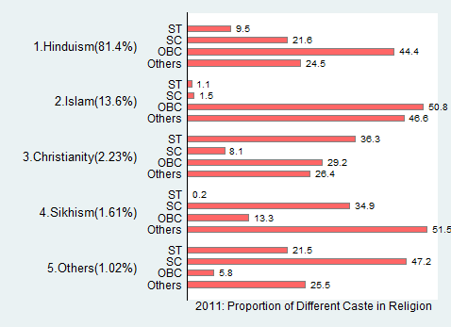
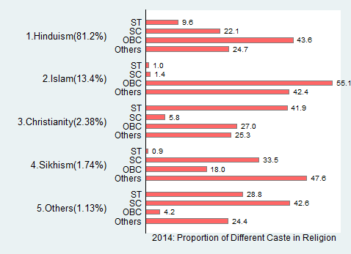
 | Percentage of population
 | Rur_UR | year1 | ST | SC | OBC | FC | Hindu | Muslim | Non-Hindu
 | India | 1983 | 8.59 | 17.2 |  |  | 59.5 | 10.93 | 3.79
 |  | 1987 | 8.97 | 17.66 |  |  | 58.57 | 11.43 | 3.37
 |  | 1993 | 8.94 | 19.3 |  |  | 57.72 | 11 | 3.05
 |  | 1999 | 8.71 | 18.9 | 35.73 | 25.78 |  | 8.49 | 2.4
 |  | 2004 | 8.63 | 19.59 | 40.94 | 21.42 |  | 7.55 | 1.87
 |  | 2009 | 8.8 | 20.29 | 41.75 | 20.43 |  | 7 | 1.73
 |  | 2011 | 8.93 | 19.03 | 44.06 | 19.93 |  | 6.36 | 1.68
 |  | 2014 | 9.3 | 19.38 | 43.86 | 20.04 |  | 5.72 | 1.71
 | Rur | 1983 | 10.28 | 18.5 |  |  | 58.44 | 9.47 | 3.3
 |  | 1987 | 10.48 | 19.24 |  |  | 57.21 | 10.13 | 2.94
 |  | 1993 | 10.82 | 21.1 |  |  | 55.78 | 9.67 | 2.63
 |  | 1999 | 10.49 | 20.42 | 37.52 | 22.04 |  | 7.51 | 2.02
 |  | 2004 | 10.57 | 20.92 | 42.75 | 17.51 |  | 6.74 | 1.5
 |  | 2009 | 10.79 | 22.23 | 42.97 | 16.23 |  | 6.44 | 1.35
 |  | 2011 | 11.11 | 20.8 | 45.04 | 15.98 |  | 5.72 | 1.35
 |  | 2014 | 11.69 | 21.42 | 44.93 | 15.62 |  | 4.99 | 1.36
 | Ur | 1983 | 2.76 | 12.7 |  |  | 63.13 | 15.95 | 5.47
 |  | 1987 | 3.77 | 12.2 |  |  | 63.25 | 15.91 | 4.87
 |  | 1993 | 3.21 | 13.85 |  |  | 63.6 | 15.04 | 4.3
 |  | 1999 | 3.39 | 14.35 | 30.38 | 36.93 |  | 11.41 | 3.53
 |  | 2004 | 2.92 | 15.64 | 35.6 | 32.94 |  | 9.95 | 2.94
 |  | 2009 | 3.45 | 15.06 | 38.47 | 31.77 |  | 8.5 | 2.75
 |  | 2011 | 3.47 | 14.62 | 41.62 | 29.83 |  | 7.97 | 2.5
 |  | 2014 | 3.71 | 14.6 | 41.36 | 30.38 |  | 7.43 | 2.52

