warpAR10P
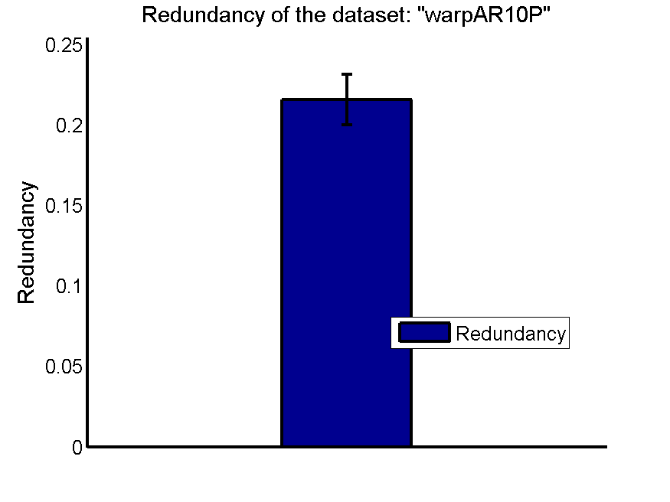
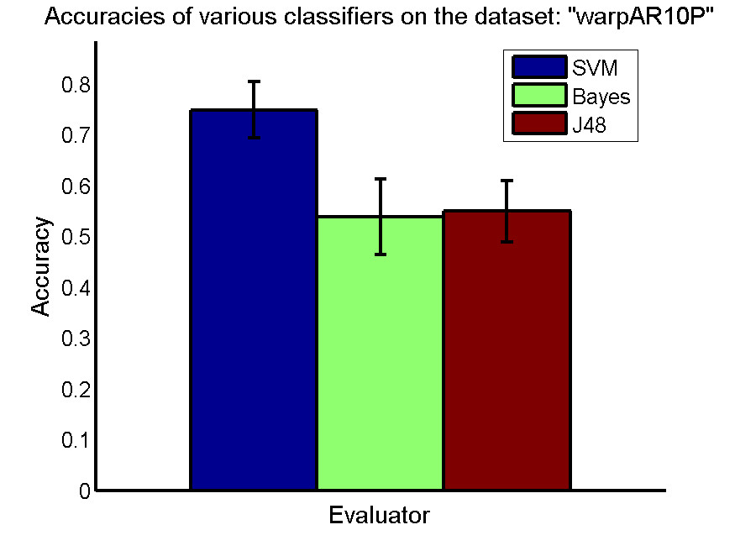
res_svm | res_svm_std | res_bayes | res_bayes_std | res_j48 | res_j48_std | res_red | res_red_std
0.74857142857 | 0.055502779563 | 0.53857142857 | 0.074027892673 | 0.54928571429 | 0.059981200062 | 0.21562189305 | 0.015587801594

TOX-171
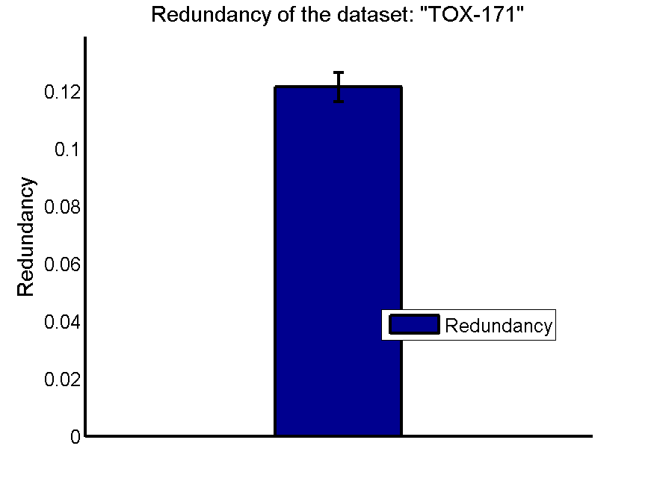
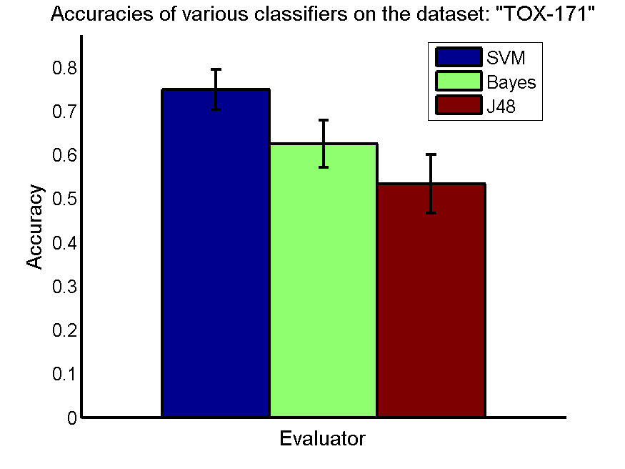
res_svm | res_svm_std | res_bayes | res_bayes_std | res_j48 | res_j48_std | res_red | res_red_std
0.74885057471 | 0.045715377784 | 0.62528735632 | 0.054093092715 | 0.53390804598 | 0.067175292367 | 0.12141630123 | 0.0050162854406

SMK-CAN-187
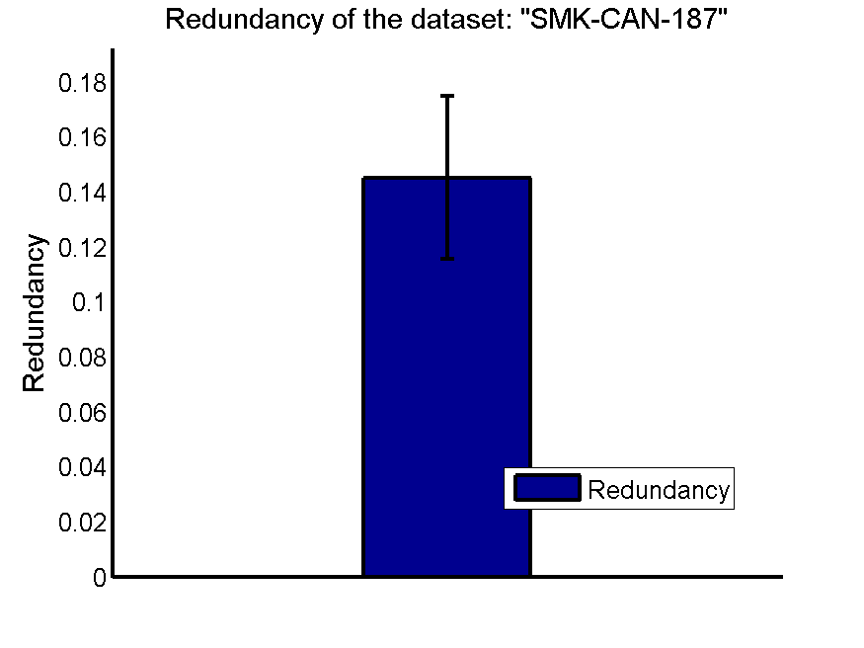
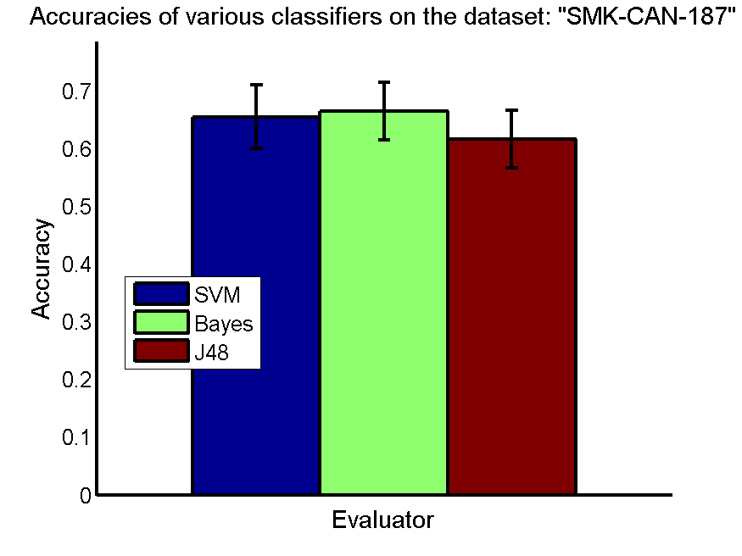
res_svm | res_svm_std | res_bayes | res_bayes_std | res_j48 | res_j48_std | res_red | res_red_std
0.65425531915 | 0.055385867252 | 0.66382978723 | 0.049945766494 | 0.61542553191 | 0.049930856865 | 0.14515427939 | 0.029619699208

RELATHE

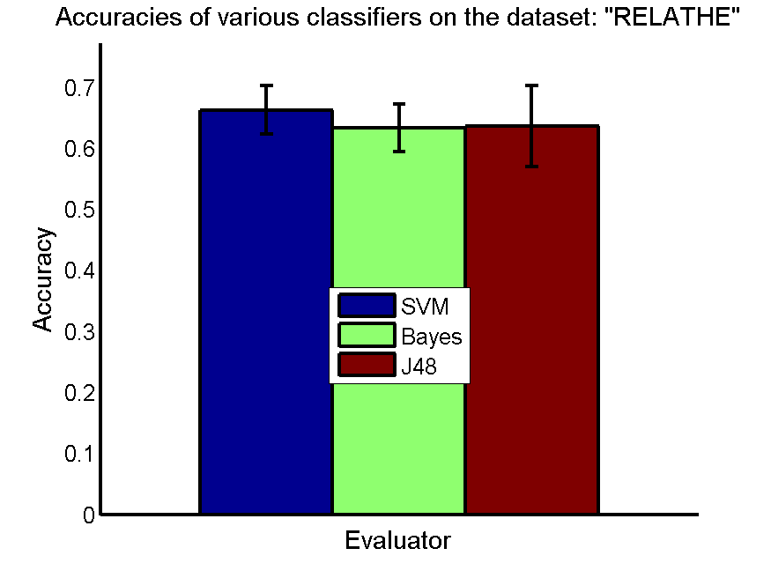
res_svm | res_svm_std | res_bayes | res_bayes_std | res_j48 | res_j48_std | res_red | res_red_std
0.66221553508 | 0.039781507795 | 0.63268760579 | 0.038507133869 | 0.63544605354 | 0.066073659183 | 0.024891929845 | 0.0051303874173

pixraw10P

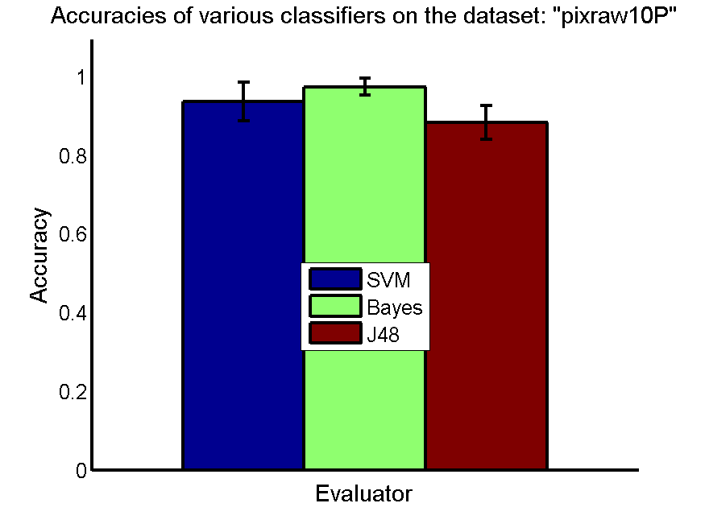
res_svm | res_svm_std | res_bayes | res_bayes_std | res_j48 | res_j48_std | res_red | res_red_std
0.937 | 0.049107829797 | 0.974 | 0.021618705351 | 0.883 | 0.043176504332 | 0.22431284485 | 0.0072147609827

PCMAC
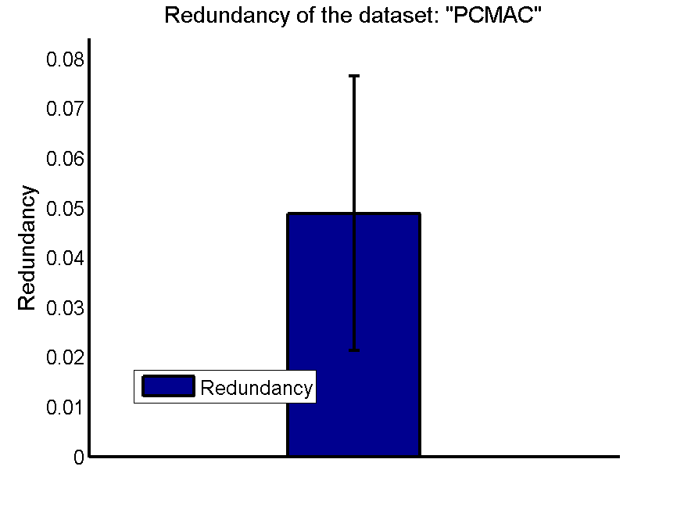
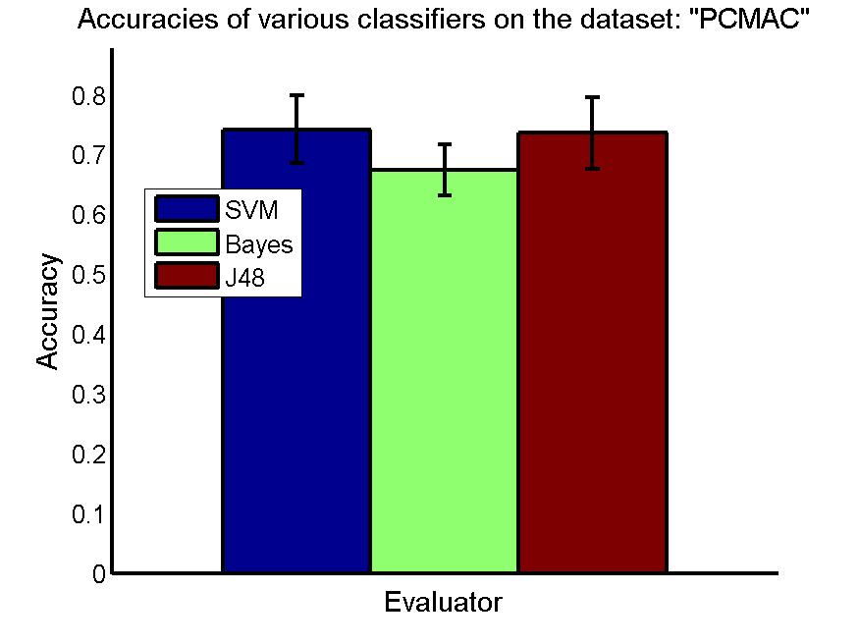
res_svm | res_svm_std | res_bayes | res_bayes_std | res_j48 | res_j48_std | res_red | res_red_std
0.74211130235 | 0.056851060547 | 0.67467010901 | 0.043190797025 | 0.73608720597 | 0.060262959762 | 0.048870893192 | 0.027602711983

orlraws10P

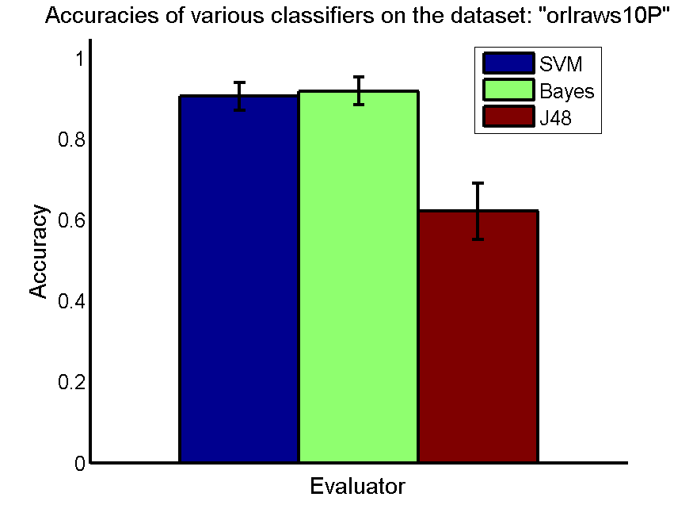
res_svm | res_svm_std | res_bayes | res_bayes_std | res_j48 | res_j48_std | res_red | res_red_std
0.906 | 0.035003759197 | 0.919 | 0.03462581939 | 0.622 | 0.06925163878 | 0.20943554686 | 0.0072101768503

GLI-85
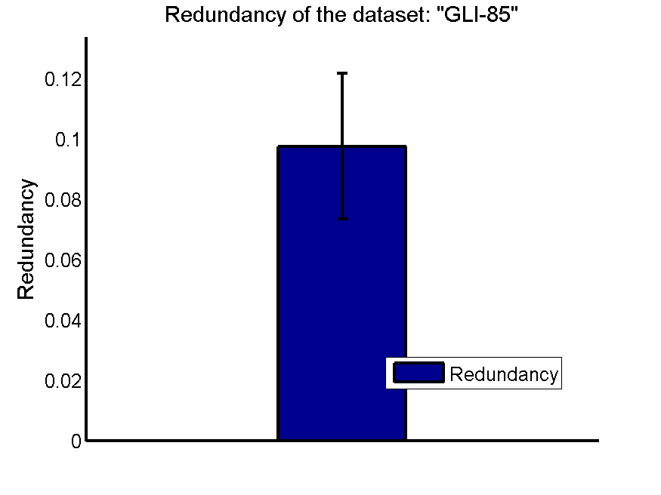
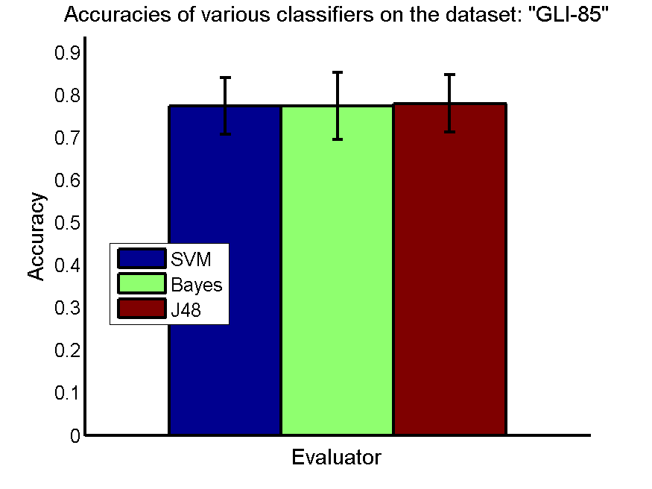
res_svm | res_svm_std | res_bayes | res_bayes_std | res_j48 | res_j48_std | res_red | res_red_std
0.77441860465 | 0.067105479435 | 0.77441860465 | 0.078448128765 | 0.78023255814 | 0.066839840361 | 0.097662684574 | 0.024182035121

CLL-SUB-111
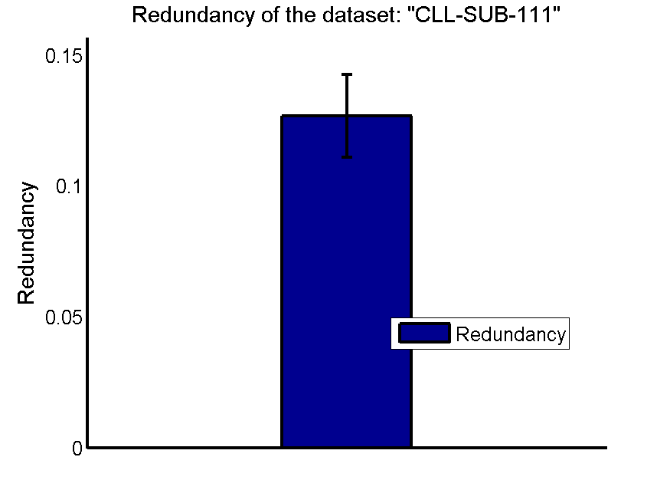
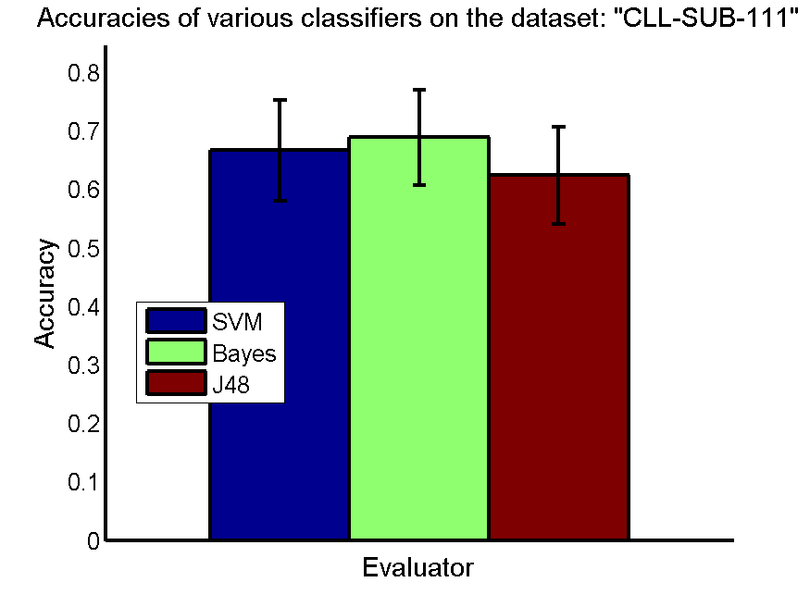
res_svm | res_svm_std | res_bayes | res_bayes_std | res_j48 | res_j48_std | res_red | res_red_std
0.66666666667 | 0.085947008519 | 0.68859649123 | 0.081073254682 | 0.62368421053 | 0.082773793357 | 0.12673513259 | 0.015776261855

BASEHOCK
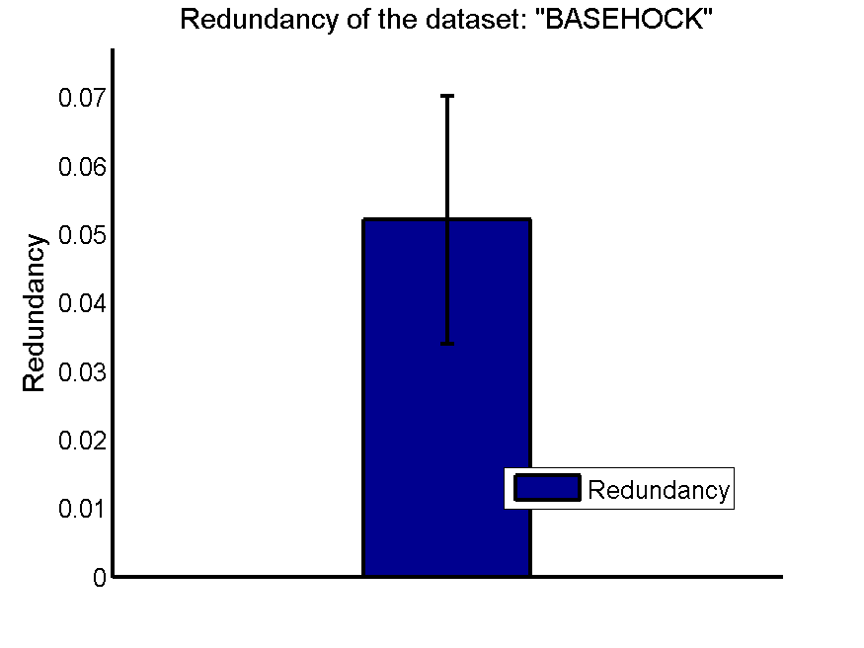
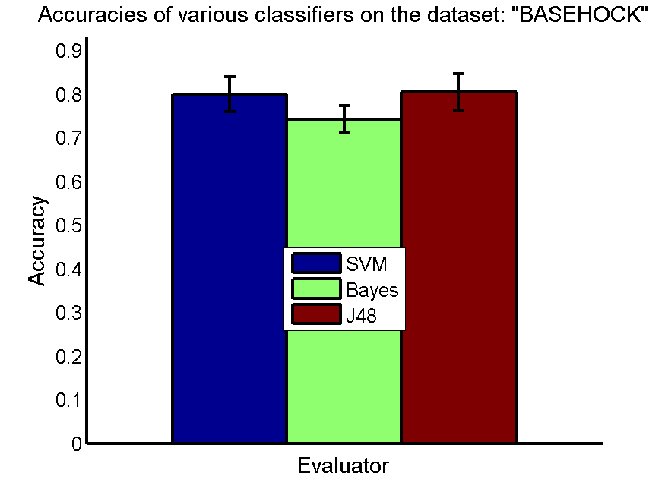
res_svm | res_svm_std | res_bayes | res_bayes_std | res_j48 | res_j48_std | res_red | res_red_std
0.79980479643 | 0.039720616457 | 0.74199665365 | 0.030759003619 | 0.80446179587 | 0.041866462326 | 0.052078132139 | 0.018082022455

