warpAR10P
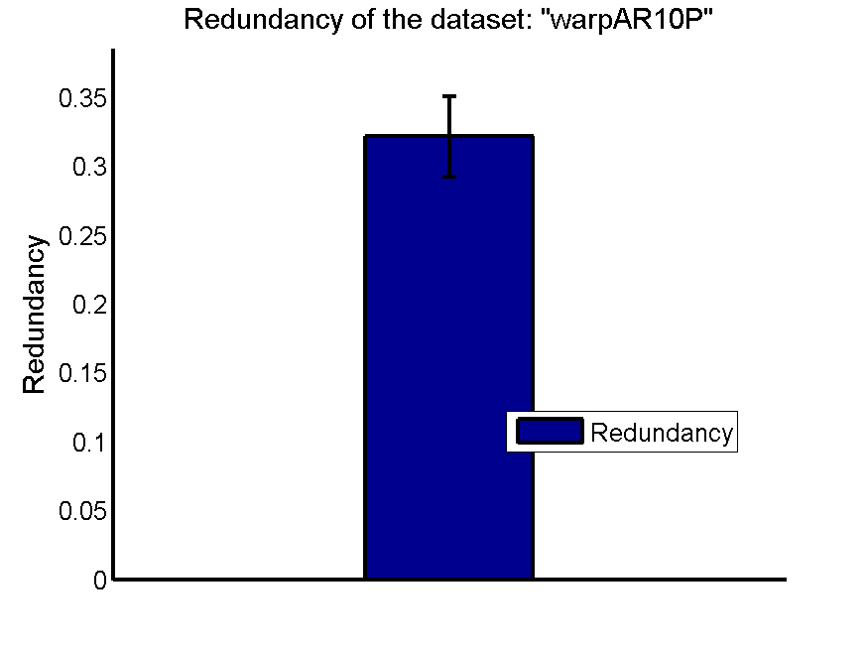
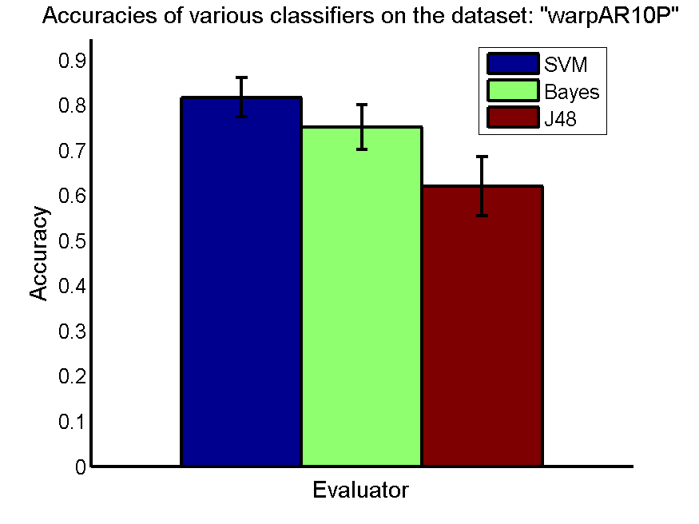
res_svm | res_svm_std | res_bayes | res_bayes_std | res_j48 | res_j48_std | res_red | res_red_std
0.81714285714 | 0.043627167602 | 0.75071428571 | 0.049590157022 | 0.62 | 0.06495474753 | 0.32156162163 | 0.029032433427

TOX-171
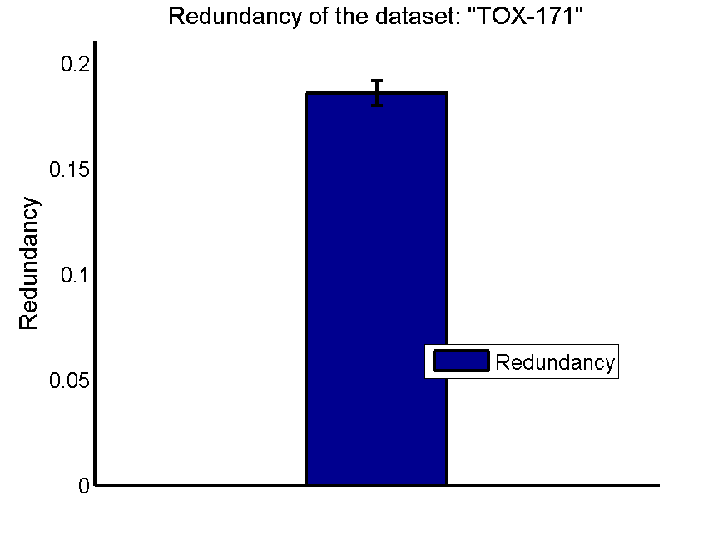
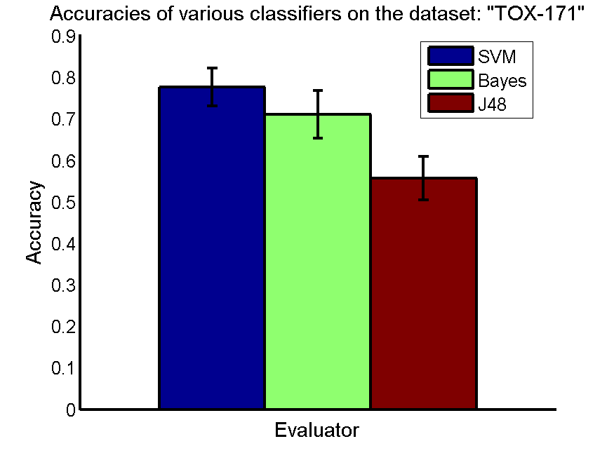
res_svm | res_svm_std | res_bayes | res_bayes_std | res_j48 | res_j48_std | res_red | res_red_std
0.77643678161 | 0.045745788816 | 0.71034482759 | 0.057483362308 | 0.55689655172 | 0.052139223095 | 0.18564461989 | 0.0059657297805

RELATHE
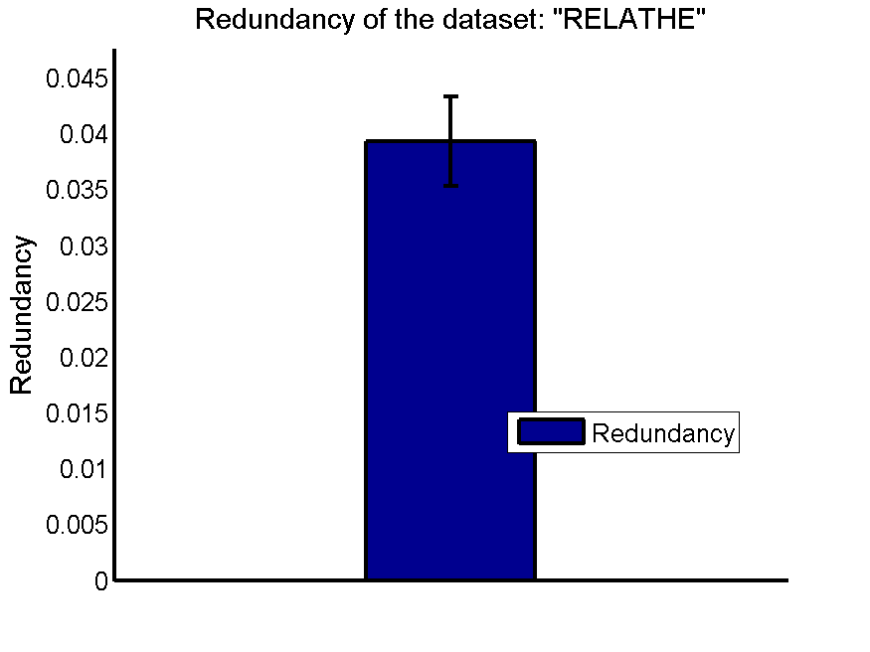
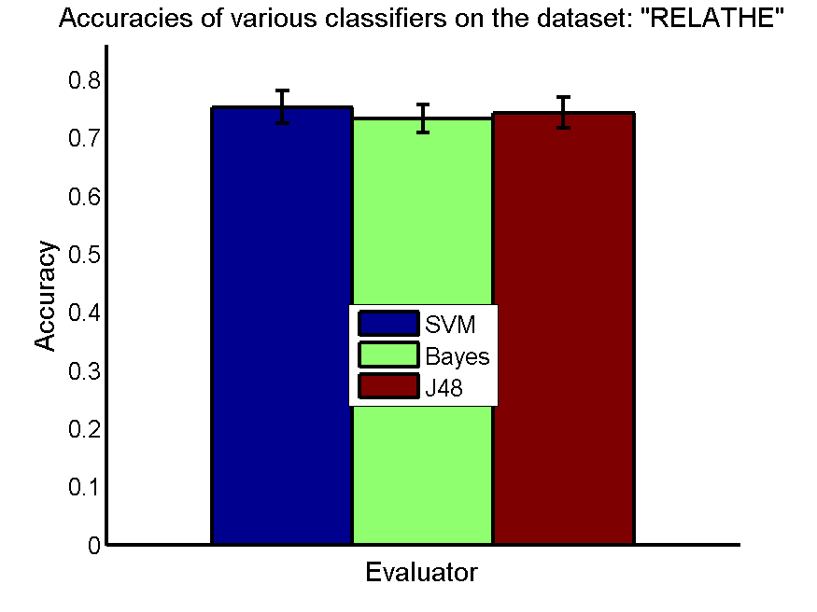
res_svm | res_svm_std | res_bayes | res_bayes_std | res_j48 | res_j48_std | res_red | res_red_std
0.75285248574 | 0.027883262498 | 0.73329258354 | 0.024151911185 | 0.74295028525 | 0.026077724786 | 0.0393085668 | 0.0039938551464

PCMAC
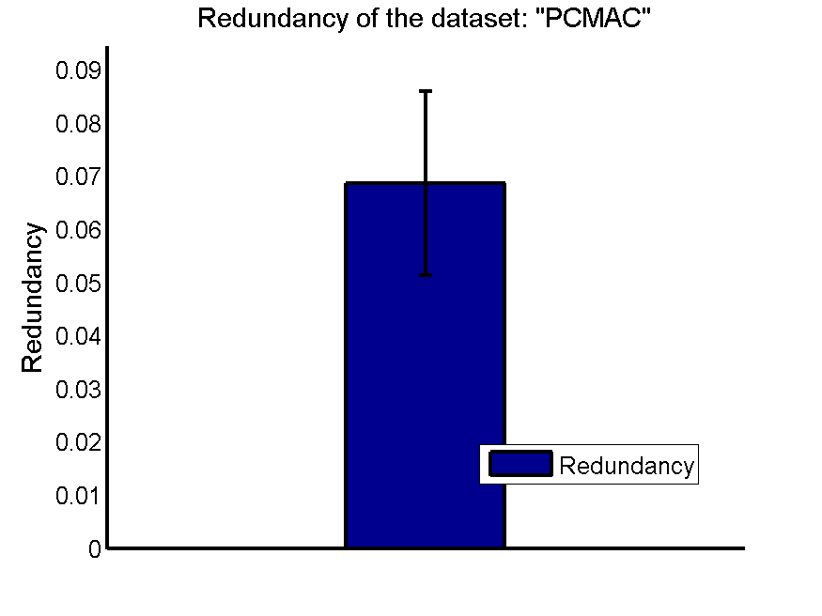
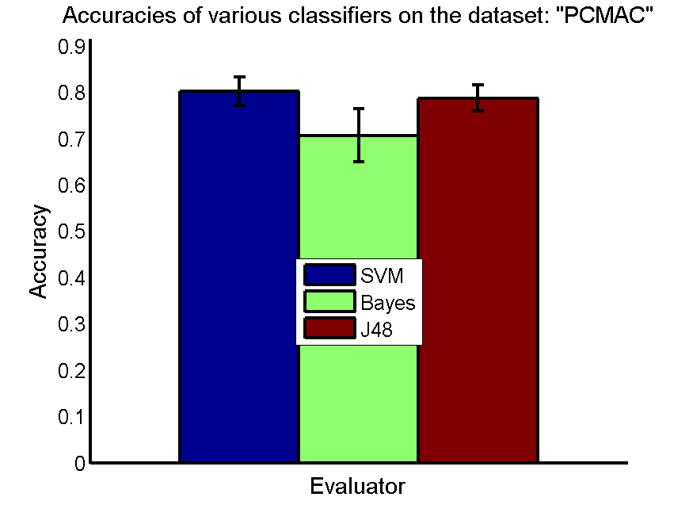
res_svm | res_svm_std | res_bayes | res_bayes_std | res_j48 | res_j48_std | res_red | res_red_std
0.80143430866 | 0.031098775563 | 0.70691336776 | 0.057778636589 | 0.78726333907 | 0.028369542222 | 0.068620794213 | 0.017311091638

BASEHOCK
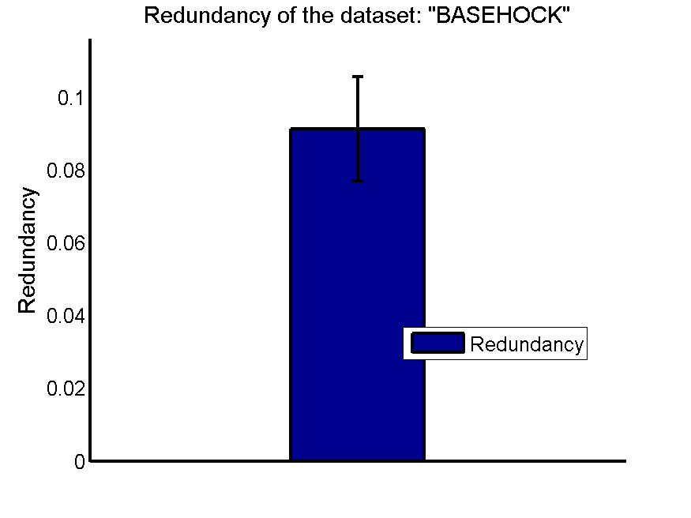
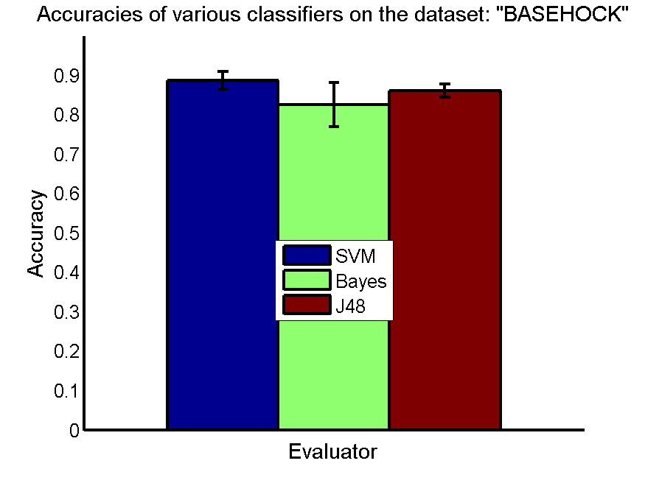
res_svm | res_svm_std | res_bayes | res_bayes_std | res_j48 | res_j48_std | res_red | res_red_std
0.88639152259 | 0.022295105323 | 0.82490239822 | 0.056230681324 | 0.86040156163 | 0.016910910373 | 0.091242423841 | 0.014367485731

