warpAR10P
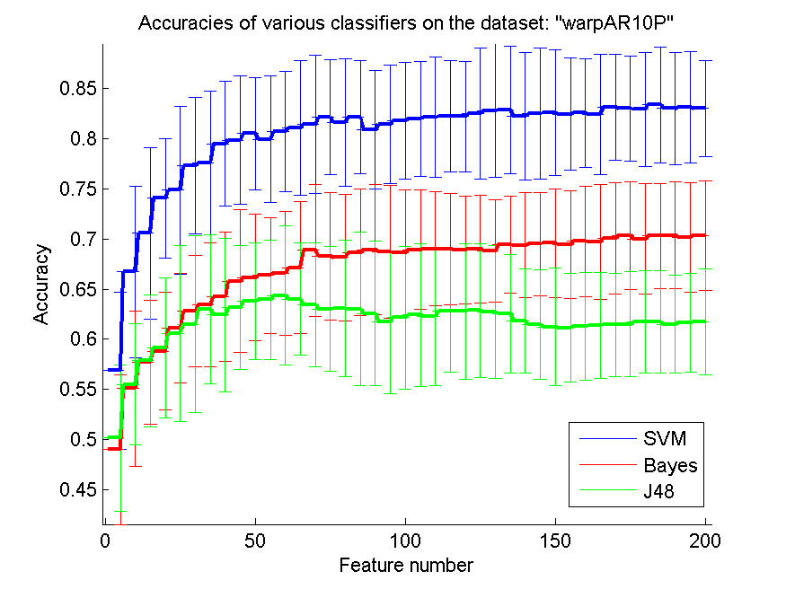
res_svm | res_svm_std | res_bayes | res_bayes_std | res_j48 | res_j48_std | res_red | res_red_std
0.56857142857 | 0.078328400634 | 0.49 | 0.074606018538 | 0.50142857143 | 0.073122765098 | 0.62417479736 | 0.094204132111
0.66714285714 | 0.085475858867 | 0.55071428571 | 0.077206183977 | 0.555 | 0.060302673736 | 0.68127358607 | 0.095516527935
0.70571428571 | 0.085639064738 | 0.57714285714 | 0.06173294065 | 0.57857142857 | 0.06562923558 | 0.69558673554 | 0.076322835298
0.74071428571 | 0.059585932494 | 0.58785714286 | 0.05867769564 | 0.59142857143 | 0.070199959912 | 0.70082659905 | 0.071849348367
0.74857142857 | 0.083479642418 | 0.61071428571 | 0.054620062571 | 0.60571428571 | 0.087500191806 | 0.70279671539 | 0.071286076228
0.77285714286 | 0.068103036867 | 0.62785714286 | 0.055323479942 | 0.615 | 0.087876854565 | 0.7010021329 | 0.064747160167
0.77571428571 | 0.071368395705 | 0.63428571429 | 0.062079952606 | 0.63 | 0.074288606074 | 0.69377945507 | 0.053848207844
0.795 | 0.062058321206 | 0.64214285714 | 0.064302420553 | 0.62428571429 | 0.076595103511 | 0.69418701112 | 0.054659329581
0.79857142857 | 0.064206300155 | 0.65785714286 | 0.071424811931 | 0.63142857143 | 0.061593588462 | 0.69161627543 | 0.055815567599
0.805 | 0.056247687624 | 0.66142857143 | 0.063058460932 | 0.63785714286 | 0.057940856545 | 0.68432844503 | 0.054379999202
0.79928571429 | 0.063122304688 | 0.66357142857 | 0.057792361394 | 0.63928571429 | 0.059151719215 | 0.68273443632 | 0.053358914821
0.80714285714 | 0.059985676772 | 0.66571428571 | 0.06173294065 | 0.64357142857 | 0.069132261663 | 0.6769074681 | 0.050230817098
0.81071428571 | 0.066985898768 | 0.67142857143 | 0.066199581062 | 0.64 | 0.055734524953 | 0.67154345799 | 0.043895190616
0.81428571429 | 0.068590222988 | 0.68857142857 | 0.065481772375 | 0.63428571429 | 0.06138396702 | 0.66653632737 | 0.042705792021
0.82142857143 | 0.057236764942 | 0.68285714286 | 0.063820370903 | 0.63 | 0.062338943938 | 0.66304834301 | 0.040651791962
0.81642857143 | 0.063596978899 | 0.68142857143 | 0.06339821803 | 0.63071428571 | 0.067687758517 | 0.66161542856 | 0.039233865006
0.82142857143 | 0.056481130942 | 0.68642857143 | 0.063122304688 | 0.63 | 0.076426639003 | 0.6573561393 | 0.036945927766
0.80857142857 | 0.059065402771 | 0.68928571429 | 0.064867873644 | 0.62571428571 | 0.072191415207 | 0.65157576508 | 0.034548665703
0.81428571429 | 0.05881025945 | 0.68714285714 | 0.066668456832 | 0.61714285714 | 0.071293104624 | 0.64662531354 | 0.033997659685
0.81785714286 | 0.057866656602 | 0.68642857143 | 0.062951910789 | 0.62142857143 | 0.070824513467 | 0.64557953919 | 0.032604665323
0.82 | 0.057405411857 | 0.68928571429 | 0.059693992307 | 0.62428571429 | 0.071066752784 | 0.64270718182 | 0.032947449833
0.82142857143 | 0.059626477873 | 0.69 | 0.056784591184 | 0.62285714286 | 0.069120607866 | 0.63880846593 | 0.032841965572
0.82214285714 | 0.055517291991 | 0.69 | 0.055638081681 | 0.62785714286 | 0.060869990525 | 0.63758933246 | 0.029923722524
0.82214285714 | 0.055128986529 | 0.68928571429 | 0.053627789901 | 0.62785714286 | 0.067560689986 | 0.63584909113 | 0.029141422098
0.825 | 0.065033247714 | 0.69 | 0.053672836351 | 0.62857142857 | 0.066361636582 | 0.63295166572 | 0.030580569054
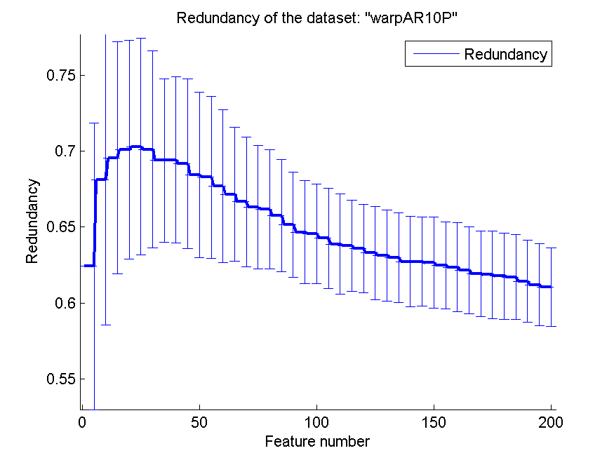
0.82785714286 | 0.066599948713 | 0.68785714286 | 0.051251784701 | 0.62714285714 | 0.066668456832 | 0.63134734154 | 0.029890926168
0.82857142857 | 0.063211577615 | 0.69428571429 | 0.048699521499 | 0.62571428571 | 0.059101761902 | 0.63006283568 | 0.029537814029
0.82214285714 | 0.063461719984 | 0.69357142857 | 0.052330232906 | 0.61785714286 | 0.052000784923 | 0.62729822151 | 0.02963610424
0.825 | 0.065526865785 | 0.695 | 0.051669236391 | 0.61428571429 | 0.054644638528 | 0.62729525588 | 0.02925336441
0.82571428571 | 0.062802436891 | 0.69571428571 | 0.054071599904 | 0.61214285714 | 0.05849435604 | 0.62655364638 | 0.029930166345
0.82428571429 | 0.056022858615 | 0.69428571429 | 0.053532567358 | 0.61142857143 | 0.054368753268 | 0.62490241114 | 0.028668926742
0.82571428571 | 0.053972185222 | 0.69785714286 | 0.055090005449 | 0.61285714286 | 0.05363279693 | 0.62352006957 | 0.029173732556
0.82428571429 | 0.059734464339 | 0.69714285714 | 0.057067619642 | 0.61357142857 | 0.052739148934 | 0.62161728655 | 0.028506335905
0.83142857143 | 0.052764600964 | 0.70071428571 | 0.055517291991 | 0.61428571429 | 0.051819732151 | 0.61927684242 | 0.028303342594
0.83 | 0.052212076828 | 0.70357142857 | 0.053627789901 | 0.615 | 0.052739148934 | 0.61864840467 | 0.028831049031
0.82928571429 | 0.056855480385 | 0.7 | 0.055036361381 | 0.61714285714 | 0.0511101252 | 0.61773740036 | 0.028487050349
0.83357142857 | 0.058125942008 | 0.70285714286 | 0.052764600964 | 0.61714285714 | 0.0511101252 | 0.61710564096 | 0.028061107391
0.83 | 0.056366912158 | 0.70357142857 | 0.05342712394 | 0.615 | 0.048936048493 | 0.61436148508 | 0.027142171651
0.83142857143 | 0.055347743563 | 0.70142857143 | 0.054427989261 | 0.61642857143 | 0.04889213011 | 0.61189245947 | 0.026997820061
0.83 | 0.047921346228 | 0.70357142857 | 0.054620062571 | 0.61714285714 | 0.052764600964 | 0.61050387899 | 0.025958130827

TOX-171
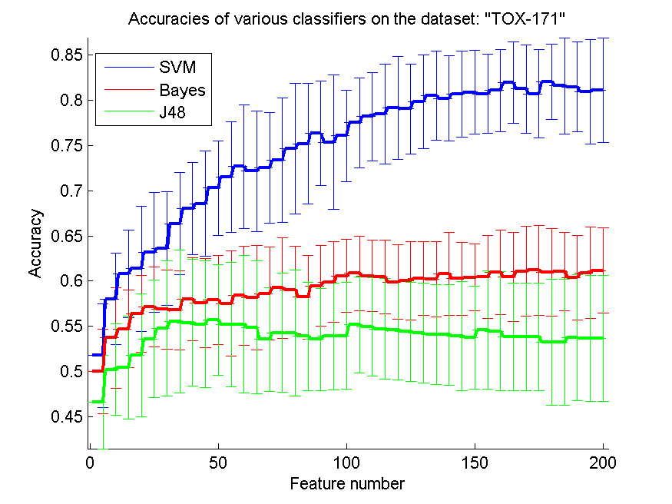
res_svm | res_svm_std | res_bayes | res_bayes_std | res_j48 | res_j48_std | res_red | res_red_std
0.51781609195 | 0.057104090251 | 0.5 | 0.046652628275 | 0.46666666667 | 0.051592896616 | 0.45875695239 | 0.048813163019
0.58045977011 | 0.050516933392 | 0.53735632184 | 0.055798399781 | 0.50229885057 | 0.050323856773 | 0.49120285868 | 0.050461570551
0.60804597701 | 0.048177816492 | 0.54712643678 | 0.042910436988 | 0.50459770115 | 0.057155819116 | 0.4880600661 | 0.048676307206
0.61379310345 | 0.069106530568 | 0.56379310345 | 0.042433797993 | 0.5183908046 | 0.067939535133 | 0.49226268242 | 0.040231818211
0.6316091954 | 0.0663420136 | 0.57126436782 | 0.044140577658 | 0.53620689655 | 0.065050715876 | 0.49373464804 | 0.031252049379
0.63620689655 | 0.062876488417 | 0.56896551724 | 0.043729075302 | 0.54770114943 | 0.074703336011 | 0.4912384349 | 0.034917838702
0.6632183908 | 0.056445781376 | 0.56781609195 | 0.043553807762 | 0.55517241379 | 0.079029725281 | 0.49022334066 | 0.029528473399
0.67988505747 | 0.051033910495 | 0.57988505747 | 0.045745788816 | 0.55402298851 | 0.069827243893 | 0.48885708022 | 0.025262464519
0.68563218391 | 0.057926209 | 0.57586206897 | 0.04917775916 | 0.55229885057 | 0.069814794972 | 0.48638143539 | 0.02503238169
0.70287356322 | 0.052112543179 | 0.57931034483 | 0.049389398752 | 0.55689655172 | 0.060990268157 | 0.48845539868 | 0.024774167747
0.71494252874 | 0.060776121286 | 0.57528735632 | 0.058309077712 | 0.55172413793 | 0.068763568002 | 0.48510869427 | 0.02347285767
0.72643678161 | 0.068215318789 | 0.58390804598 | 0.054884305224 | 0.55229885057 | 0.075738684975 | 0.48303668845 | 0.022943971426
0.72126436782 | 0.066488591257 | 0.5816091954 | 0.05745916388 | 0.54885057471 | 0.07344544035 | 0.48219807814 | 0.022321070341
0.72528735632 | 0.061152518241 | 0.58620689655 | 0.051268409771 | 0.53563218391 | 0.05745916388 | 0.48001015857 | 0.023734745882
0.73333333333 | 0.068621849913 | 0.59252873563 | 0.055498506982 | 0.54310344828 | 0.065646596494 | 0.47692270094 | 0.022640895347
0.74597701149 | 0.072013701867 | 0.59022988506 | 0.048662496917 | 0.54252873563 | 0.069327543441 | 0.47499428698 | 0.023597042041
0.75172413793 | 0.066438895798 | 0.58218390805 | 0.046469683408 | 0.53908045977 | 0.059772441669 | 0.47260212492 | 0.022745754724
0.7632183908 | 0.057580054323 | 0.59482758621 | 0.044575586537 | 0.53563218391 | 0.056359482217 | 0.47010451049 | 0.021586559954
0.75344827586 | 0.074161492619 | 0.59885057471 | 0.04442323099 | 0.53908045977 | 0.058834408699 | 0.4672135988 | 0.019271274788
0.76034482759 | 0.050623498441 | 0.60574712644 | 0.040355003775 | 0.53965517241 | 0.0591379619 | 0.46552978028 | 0.018775600105
0.77471264368 | 0.049809980276 | 0.60862068966 | 0.040932419107 | 0.55172413793 | 0.052870932889 | 0.46187494171 | 0.01847433084
0.7816091954 | 0.04890836765 | 0.60574712644 | 0.039484055258 | 0.54942528736 | 0.054375163374 | 0.4606526487 | 0.018248858618
0.78448275862 | 0.054792374305 | 0.60459770115 | 0.040919676176 | 0.54712643678 | 0.055489109216 | 0.45984359348 | 0.018835048783
0.79137931034 | 0.057079731035 | 0.59885057471 | 0.041004554251 | 0.54597701149 | 0.054617597546 | 0.4575507922 | 0.018979766312
0.79022988506 | 0.049596630364 | 0.60057471264 | 0.043469908224 | 0.54425287356 | 0.054843113869 | 0.45506595278 | 0.018235842522
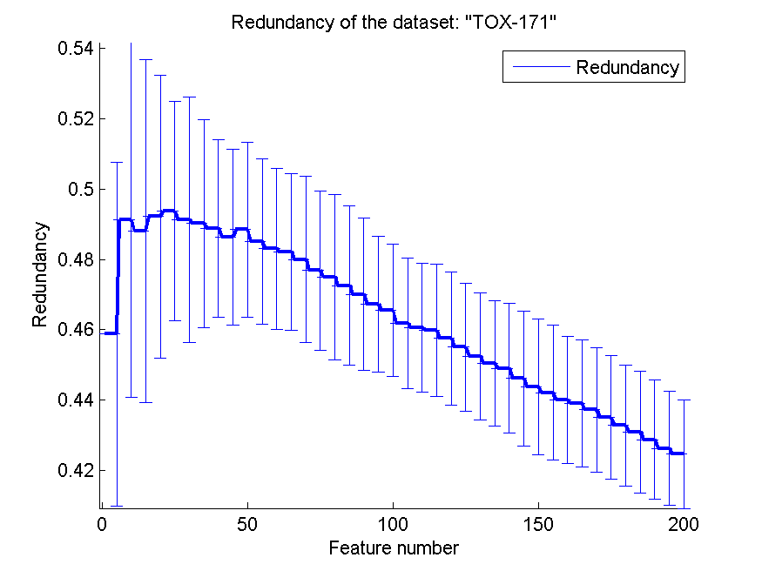
0.79827586207 | 0.051603003952 | 0.60287356322 | 0.040419568379 | 0.54252873563 | 0.055010854401 | 0.45245706683 | 0.018018761396
0.80459770115 | 0.049050337086 | 0.60229885057 | 0.041426336121 | 0.5408045977 | 0.054995051679 | 0.45051836055 | 0.017829441187
0.80172413793 | 0.047300226969 | 0.60804597701 | 0.045961884989 | 0.5408045977 | 0.055373072294 | 0.44908239767 | 0.01851909506
0.80632183908 | 0.047358994163 | 0.60287356322 | 0.040247165937 | 0.53965517241 | 0.060186899038 | 0.44621807459 | 0.019198324735
0.80862068966 | 0.046319804987 | 0.60402298851 | 0.036818455531 | 0.53793103448 | 0.056875313029 | 0.44383656868 | 0.019349813395
0.80689655172 | 0.043744973894 | 0.60459770115 | 0.04542928433 | 0.54597701149 | 0.065288123169 | 0.44210896015 | 0.019209592732
0.81034482759 | 0.045597343463 | 0.60977011494 | 0.046499601121 | 0.54482758621 | 0.065383908225 | 0.44008921189 | 0.018015316499
0.81896551724 | 0.04488649239 | 0.60459770115 | 0.048965204819 | 0.53850574713 | 0.059231952958 | 0.43905335428 | 0.018150628587
0.81206896552 | 0.048519392661 | 0.61091954023 | 0.049792526973 | 0.53850574713 | 0.059231952958 | 0.43725147223 | 0.017683533523
0.80689655172 | 0.048565947796 | 0.61206896552 | 0.049736635245 | 0.53850574713 | 0.059231952958 | 0.43500077431 | 0.017572813142
0.82011494253 | 0.041572948821 | 0.60977011494 | 0.048404604643 | 0.53275862069 | 0.069595329473 | 0.43279373145 | 0.017285049178
0.81551724138 | 0.053326005504 | 0.61091954023 | 0.043213209714 | 0.53275862069 | 0.069595329473 | 0.43094726211 | 0.017390064883
0.81436781609 | 0.04951243741 | 0.60402298851 | 0.046499601121 | 0.53735632184 | 0.069655252277 | 0.42876112822 | 0.016964490114
0.8091954023 | 0.057821076952 | 0.6091954023 | 0.050171632466 | 0.5367816092 | 0.069377675448 | 0.42626764127 | 0.016207898053
0.81091954023 | 0.057830095759 | 0.61149425287 | 0.047112417315 | 0.5367816092 | 0.069377675448 | 0.42468653024 | 0.015442495208

SMK-CAN-187
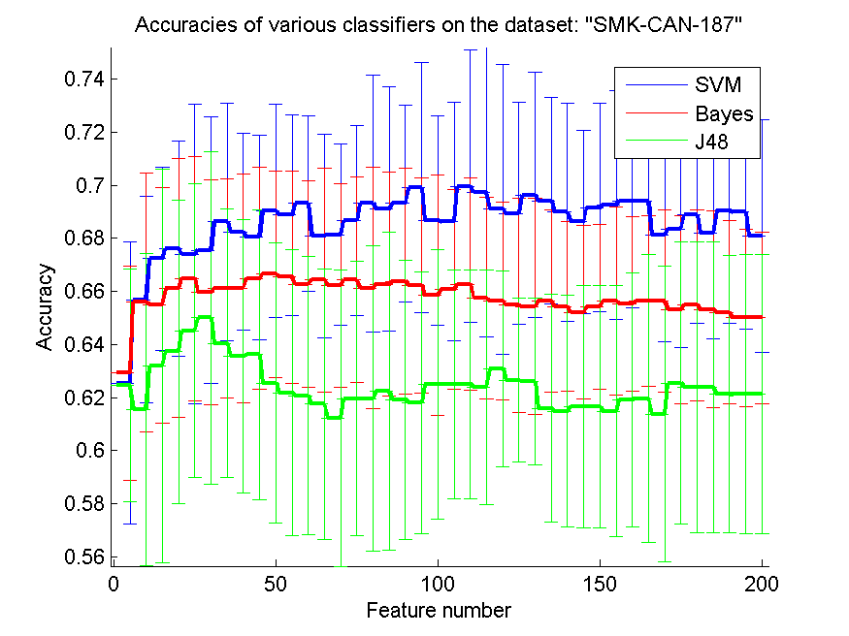
res_svm | res_svm_std | res_bayes | res_bayes_std | res_j48 | res_j48_std | res_red | res_red_std
0.62553191489 | 0.052978296162 | 0.62925531915 | 0.040291964173 | 0.62446808511 | 0.04380847284 | 0.39121328703 | 0.14791972264
0.65691489362 | 0.039030414827 | 0.65585106383 | 0.048845404895 | 0.61542553191 | 0.05870374324 | 0.44088019388 | 0.15563556527
0.67234042553 | 0.034446096424 | 0.65478723404 | 0.044264981932 | 0.63191489362 | 0.074219710576 | 0.42436660161 | 0.13327548036
0.67606382979 | 0.040468975301 | 0.66117021277 | 0.048723306454 | 0.63723404255 | 0.057018017323 | 0.41128849014 | 0.13298431091
0.67393617021 | 0.056427331538 | 0.66489361702 | 0.045984293929 | 0.64521276596 | 0.055361664255 | 0.40238505594 | 0.13479313471
0.67553191489 | 0.050195586106 | 0.65957446809 | 0.042412982899 | 0.65 | 0.062595380034 | 0.40026012343 | 0.12234928887
0.68617021277 | 0.04467018483 | 0.66117021277 | 0.04131383896 | 0.64042553191 | 0.050562111565 | 0.39812506572 | 0.11559698245
0.68244680851 | 0.037057652901 | 0.66117021277 | 0.043009175069 | 0.63563829787 | 0.051527731347 | 0.39232886367 | 0.10985029095
0.68031914894 | 0.038662412127 | 0.66489361702 | 0.0417762214 | 0.63617021277 | 0.05452964047 | 0.38397056198 | 0.1046773263
0.69042553191 | 0.040236488497 | 0.6664893617 | 0.038938740209 | 0.62553191489 | 0.052752951473 | 0.37970739746 | 0.10089728456
0.68882978723 | 0.037789805255 | 0.66542553191 | 0.040024979692 | 0.62180851064 | 0.053856426182 | 0.37664641632 | 0.093125206016
0.69308510638 | 0.032975110881 | 0.66276595745 | 0.038758582645 | 0.62074468085 | 0.052376170207 | 0.36878051916 | 0.084792105038
0.68085106383 | 0.038434495637 | 0.66436170213 | 0.042198267884 | 0.61755319149 | 0.050899675491 | 0.36954762433 | 0.083468421332
0.68138297872 | 0.034251006524 | 0.66223404255 | 0.038259748351 | 0.61223404255 | 0.055704895918 | 0.36506763548 | 0.078084718322
0.68670212766 | 0.035615100003 | 0.66436170213 | 0.038816170586 | 0.61968085106 | 0.051527731347 | 0.36402435518 | 0.076626625347
0.69308510638 | 0.04835516135 | 0.66117021277 | 0.045433720031 | 0.61968085106 | 0.057535392694 | 0.36616562905 | 0.077430401801
0.69095744681 | 0.045981055485 | 0.66276595745 | 0.04228639769 | 0.62234042553 | 0.059831870734 | 0.36659088356 | 0.078090974332
0.69308510638 | 0.036896566927 | 0.66382978723 | 0.042469121882 | 0.61914893617 | 0.052639917378 | 0.36626686704 | 0.080904378
0.69893617021 | 0.0470851036 | 0.66223404255 | 0.040527807206 | 0.61808510638 | 0.049406185309 | 0.36709768382 | 0.082335433589
0.68670212766 | 0.039425208296 | 0.6585106383 | 0.045253094457 | 0.625 | 0.050594497699 | 0.36630456588 | 0.081250804376
0.68617021277 | 0.044936081136 | 0.66063829787 | 0.037635810319 | 0.625 | 0.043230196856 | 0.36465669653 | 0.077747410921
0.69946808511 | 0.051296014686 | 0.66276595745 | 0.03981982724 | 0.625 | 0.043230196856 | 0.36815271387 | 0.077620852588
0.69734042553 | 0.054515984503 | 0.65744680851 | 0.037903908733 | 0.62393617021 | 0.044103208958 | 0.3691728349 | 0.076231804072
0.69095744681 | 0.054515984503 | 0.65638297872 | 0.03734984392 | 0.63085106383 | 0.037029513442 | 0.37010080384 | 0.07728607444
0.68936170213 | 0.041790477064 | 0.65478723404 | 0.040321519991 | 0.62659574468 | 0.030852029177 | 0.37000071433 | 0.076810017418
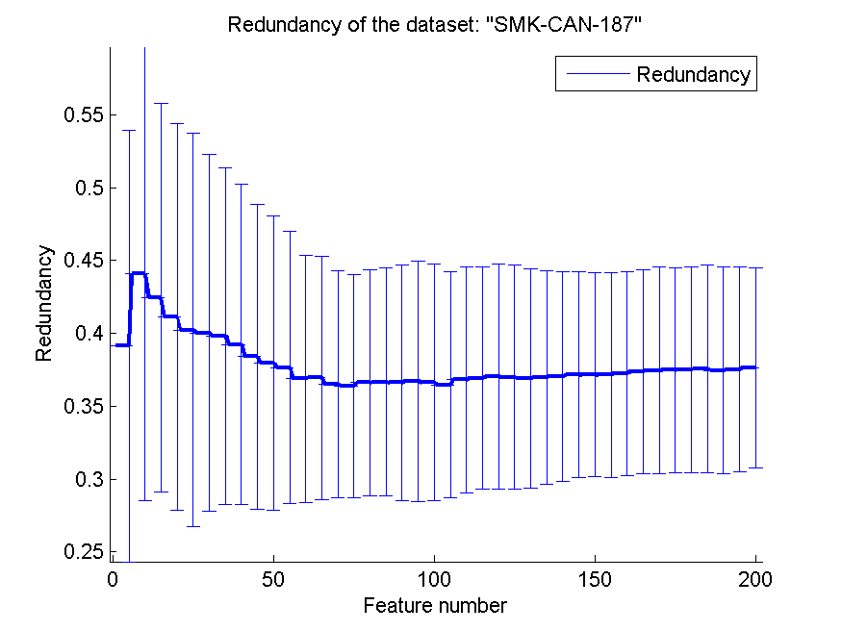
0.69627659574 | 0.046110415863 | 0.65425531915 | 0.040765938744 | 0.62606382979 | 0.031496889328 | 0.36904785514 | 0.075075381818
0.69414893617 | 0.039030414827 | 0.65638297872 | 0.034185729151 | 0.61595744681 | 0.042957208589 | 0.36982822438 | 0.073400306741
0.68989361702 | 0.041024472143 | 0.65425531915 | 0.031914893617 | 0.61489361702 | 0.043740436655 | 0.3704354684 | 0.071701097531
0.68617021277 | 0.034428799865 | 0.65212765957 | 0.032579858651 | 0.6164893617 | 0.045590772102 | 0.37156647473 | 0.070705311986
0.6914893617 | 0.039201726908 | 0.65425531915 | 0.030967652428 | 0.6164893617 | 0.045590772102 | 0.3715931494 | 0.069969386629
0.69255319149 | 0.043095646617 | 0.65638297872 | 0.03555232732 | 0.61489361702 | 0.047400310651 | 0.37150589188 | 0.070457723399
0.69414893617 | 0.040232787399 | 0.65531914894 | 0.032997682662 | 0.61914893617 | 0.047775814095 | 0.37231515341 | 0.07021402208
0.69414893617 | 0.037789805255 | 0.65638297872 | 0.032026679926 | 0.61968085106 | 0.054340885034 | 0.37372850323 | 0.07000021961
0.68138297872 | 0.040321519991 | 0.65638297872 | 0.034359526555 | 0.61382978723 | 0.055664782932 | 0.37466827688 | 0.071090921614
0.6835106383 | 0.044720160813 | 0.65319148936 | 0.035434854122 | 0.62553191489 | 0.053090609826 | 0.37481483662 | 0.07027937199
0.68882978723 | 0.04067451468 | 0.65478723404 | 0.035948036432 | 0.62393617021 | 0.054821062845 | 0.37504034592 | 0.070521762999
0.68191489362 | 0.039639917462 | 0.65319148936 | 0.03707773944 | 0.62393617021 | 0.054821062845 | 0.37564478045 | 0.071269775143
0.69042553191 | 0.042539191426 | 0.65212765957 | 0.034532449271 | 0.62127659574 | 0.052276565892 | 0.37448086348 | 0.071005399018
0.68989361702 | 0.044103208958 | 0.65 | 0.033267349494 | 0.62127659574 | 0.052503955247 | 0.37522133893 | 0.070130393598
0.68085106383 | 0.043930672443 | 0.65 | 0.03235972195 | 0.62127659574 | 0.052503955247 | 0.37638246625 | 0.068629526868

RELATHE
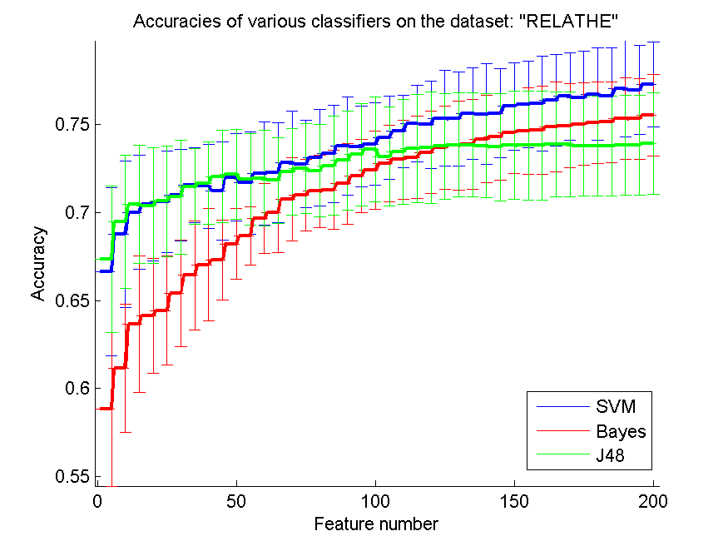
res_svm | res_svm_std | res_bayes | res_bayes_std | res_j48 | res_j48_std | res_red | res_red_std
0.6662999185 | 0.047673668604 | 0.58822330888 | 0.04357862345 | 0.67343113284 | 0.041713898596 | 0.19582411867 | 0.14850963909
0.68744906275 | 0.041568997309 | 0.61153219234 | 0.036331747806 | 0.69474327628 | 0.037711532372 | 0.18063515313 | 0.068281308544
0.7000407498 | 0.032488630939 | 0.63647106764 | 0.038642800066 | 0.70448247759 | 0.03358482777 | 0.13694454739 | 0.03084286986
0.70464547677 | 0.031993022639 | 0.6412795436 | 0.032804311984 | 0.70366748166 | 0.032811904067 | 0.1180421022 | 0.015122008607
0.70599022005 | 0.029002954542 | 0.64421352893 | 0.030930848668 | 0.70631621842 | 0.031560530623 | 0.10656746195 | 0.012380270619
0.7097392013 | 0.025967397581 | 0.65387123064 | 0.030222708521 | 0.70880195599 | 0.032336148849 | 0.10121543951 | 0.012401148225
0.7152404238 | 0.021254796356 | 0.66426242869 | 0.030828960481 | 0.71466992665 | 0.021357345943 | 0.094933095604 | 0.01146003002
0.71475142624 | 0.024024379161 | 0.67025264874 | 0.031778131224 | 0.71650366748 | 0.02348765746 | 0.087847285887 | 0.0098657238529
0.71230643847 | 0.027899713218 | 0.67273838631 | 0.022688487815 | 0.72033414833 | 0.026252584861 | 0.081843352127 | 0.0091152682634
0.71972290139 | 0.024780644855 | 0.68211083945 | 0.019997316378 | 0.72147514262 | 0.025481702128 | 0.076804650631 | 0.0078785740453
0.71670741646 | 0.029198197717 | 0.68659331703 | 0.016608992254 | 0.71874490628 | 0.026044860258 | 0.074254849768 | 0.0068828057293
0.72200488998 | 0.029434901353 | 0.69653626732 | 0.019713496025 | 0.71939690302 | 0.02723663013 | 0.071107226847 | 0.0064662753519
0.72257538712 | 0.028215441665 | 0.6999592502 | 0.022657341887 | 0.71817440913 | 0.02441496528 | 0.068394233297 | 0.0063361359051
0.72815810921 | 0.029550560729 | 0.70737571312 | 0.023802867711 | 0.72298288509 | 0.024664693516 | 0.066327818052 | 0.0065563669151
0.72746536267 | 0.024969667459 | 0.7097799511 | 0.020137422752 | 0.72506112469 | 0.0254712734 | 0.064413830468 | 0.0063426096531
0.73113284434 | 0.027271006872 | 0.7119396903 | 0.02060009381 | 0.72359413203 | 0.026240597409 | 0.062023734536 | 0.0060934680452
0.73317033415 | 0.02745434408 | 0.71283618582 | 0.022458977558 | 0.72644661777 | 0.028194215849 | 0.059963883119 | 0.0057287128487
0.73773431133 | 0.027879156138 | 0.7163406683 | 0.022926070885 | 0.72950285249 | 0.028207387032 | 0.058281294564 | 0.0049966275553
0.73740831296 | 0.022754838631 | 0.72049714751 | 0.0206999761 | 0.73288508557 | 0.029088408867 | 0.056919513368 | 0.0049275885533
0.73867155664 | 0.023365290492 | 0.72383863081 | 0.022296507123 | 0.7358190709 | 0.029904295513 | 0.055741504328 | 0.0049736027071
0.7423797881 | 0.023418531521 | 0.72770986145 | 0.021578809882 | 0.73170334148 | 0.027964294235 | 0.054289614979 | 0.0046246596389
0.74592502037 | 0.020764726126 | 0.72986960065 | 0.02258501698 | 0.73447432763 | 0.029661703339 | 0.053038255343 | 0.0047403783961
0.75024449878 | 0.021776482743 | 0.73125509372 | 0.023325757692 | 0.73622656887 | 0.030745842436 | 0.051957917608 | 0.0045561454683
0.74987775061 | 0.024784876691 | 0.73406682967 | 0.023554280181 | 0.73651181744 | 0.03167532637 | 0.051092511761 | 0.0046678321783
0.7533007335 | 0.02715049785 | 0.7369193154 | 0.02360987144 | 0.73753056235 | 0.029958255772 | 0.050366863326 | 0.0045768964533
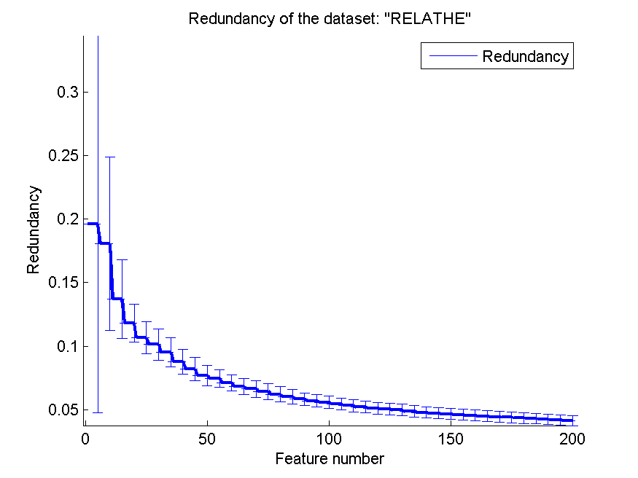
0.75313773431 | 0.026737646014 | 0.73797881011 | 0.025316018596 | 0.73830480848 | 0.029561708576 | 0.049580052179 | 0.0045839458486
0.75611246944 | 0.02594935143 | 0.73863080685 | 0.025356860258 | 0.73830480848 | 0.029561708576 | 0.048580741799 | 0.0044625950756
0.75582722086 | 0.028692145692 | 0.74152404238 | 0.024871294956 | 0.73781581092 | 0.029484978303 | 0.047765574779 | 0.0043079238683
0.75627546862 | 0.02541796532 | 0.74295028525 | 0.024558872856 | 0.7369600652 | 0.030405810244 | 0.047124804034 | 0.0041901530916
0.76010594947 | 0.025021241157 | 0.74527302363 | 0.023399976301 | 0.7380603097 | 0.030824339241 | 0.046674533162 | 0.0044150804942
0.76124694377 | 0.024720722079 | 0.74612876936 | 0.024420548903 | 0.73793806031 | 0.030987308457 | 0.04608791811 | 0.0044071869418
0.76181744091 | 0.027084460456 | 0.7467807661 | 0.025104687545 | 0.73793806031 | 0.030987308457 | 0.045525669167 | 0.0044108799659
0.76377343113 | 0.025891897279 | 0.74857375713 | 0.025402866256 | 0.73871230644 | 0.029649679327 | 0.044885224191 | 0.0043538307835
0.76581092095 | 0.024912023738 | 0.74910350448 | 0.0238245943 | 0.73871230644 | 0.029649679327 | 0.044287064849 | 0.0042527910235
0.7652404238 | 0.026417456216 | 0.75012224939 | 0.023362484971 | 0.73773431133 | 0.028280043377 | 0.043829963027 | 0.0042155492584
0.76699266504 | 0.026233435624 | 0.75085574572 | 0.023299102652 | 0.73773431133 | 0.028280043377 | 0.043265225724 | 0.004087475163
0.76577017115 | 0.027545872374 | 0.75130399348 | 0.022896775013 | 0.73773431133 | 0.028280043377 | 0.042823191294 | 0.0041433965977
0.77021189894 | 0.027208859772 | 0.7532599837 | 0.023228136386 | 0.73797881011 | 0.028321918441 | 0.042359373621 | 0.0040005848018
0.76943765281 | 0.025282025662 | 0.75317848411 | 0.022912037954 | 0.73797881011 | 0.028321918441 | 0.041872588149 | 0.0039551509835
0.77273838631 | 0.02399128829 | 0.75505297474 | 0.023006746087 | 0.73903830481 | 0.028762969872 | 0.041472846179 | 0.0039671845629

pixraw10P
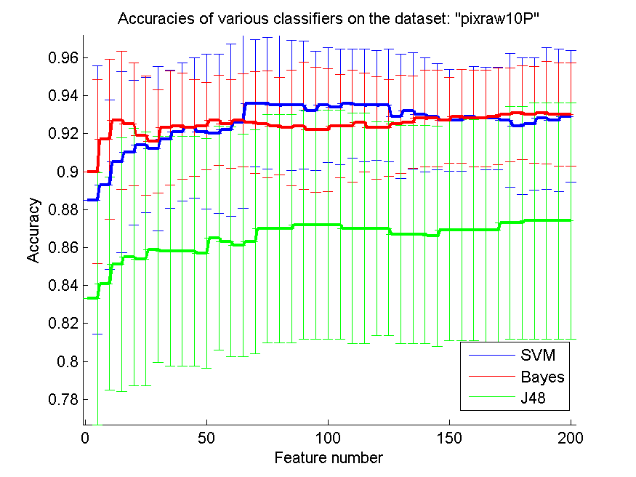
res_svm | res_svm_std | res_bayes | res_bayes_std | res_j48 | res_j48_std | res_red | res_red_std
0.885 | 0.070747884476 | 0.9 | 0.048558158293 | 0.833 | 0.066261046745 | 0.45946482789 | 0.1390878285
0.893 | 0.044615314812 | 0.917 | 0.042190046219 | 0.841 | 0.055998120269 | 0.55829993795 | 0.094109623991
0.905 | 0.047627944031 | 0.927 | 0.03628831913 | 0.851 | 0.066956388005 | 0.58433916488 | 0.084552535467
0.91 | 0.03811340419 | 0.925 | 0.032363071873 | 0.855 | 0.067706798228 | 0.61528216467 | 0.080708126659
0.914 | 0.035600118273 | 0.919 | 0.031439164312 | 0.854 | 0.066838375362 | 0.61973509481 | 0.07573791636
0.912 | 0.043237410702 | 0.916 | 0.027222281895 | 0.859 | 0.059639266472 | 0.63279933719 | 0.081004539909
0.917 | 0.03628831913 | 0.923 | 0.029929742292 | 0.858 | 0.060489233492 | 0.63007355333 | 0.079128659433
0.921 | 0.036404164019 | 0.924 | 0.027984958366 | 0.858 | 0.060489233492 | 0.63510051664 | 0.074979764726
0.923 | 0.036863903326 | 0.923 | 0.025360557855 | 0.858 | 0.060489233492 | 0.63901538375 | 0.07138230475
0.921 | 0.040768925215 | 0.924 | 0.023033156878 | 0.857 | 0.060619607736 | 0.64246057897 | 0.069318545814
0.92 | 0.042052598643 | 0.927 | 0.02364206777 | 0.865 | 0.059071767235 | 0.64277005608 | 0.068427409262
0.922 | 0.045375625268 | 0.925 | 0.023283154064 | 0.863 | 0.060619607736 | 0.6511677985 | 0.066496403784
0.926 | 0.045468323271 | 0.927 | 0.024516374764 | 0.861 | 0.058570695026 | 0.65080007557 | 0.063424897991
0.936 | 0.033466401061 | 0.926 | 0.02683281573 | 0.863 | 0.058857544345 | 0.65311998358 | 0.063095203093
0.936 | 0.034701736647 | 0.925 | 0.028191077349 | 0.87 | 0.06 | 0.65030253861 | 0.064200392792
0.935 | 0.036634754853 | 0.924 | 0.025628931021 | 0.87 | 0.06 | 0.65142854612 | 0.064289617528
0.935 | 0.034259074864 | 0.923 | 0.030625067132 | 0.87 | 0.06 | 0.65017828956 | 0.062390804525
0.935 | 0.033638949855 | 0.924 | 0.033466401061 | 0.872 | 0.060314962794 | 0.64588377503 | 0.060488195037
0.932 | 0.031388901827 | 0.922 | 0.033023117899 | 0.872 | 0.060314962794 | 0.64480467292 | 0.057606030175
0.935 | 0.030348848933 | 0.922 | 0.032379330639 | 0.872 | 0.060314962794 | 0.64651270476 | 0.058763940492
0.934 | 0.030504529431 | 0.924 | 0.027222281895 | 0.872 | 0.060314962794 | 0.64922550297 | 0.060039421607
0.936 | 0.028727393858 | 0.924 | 0.029451119182 | 0.87 | 0.060697697867 | 0.64670284289 | 0.06118542313
0.935 | 0.029647046538 | 0.926 | 0.026036411751 | 0.87 | 0.060697697867 | 0.64414617639 | 0.061649890355
0.935 | 0.028928223334 | 0.923 | 0.02696976865 | 0.87 | 0.056382154698 | 0.64252077048 | 0.061155809936
0.935 | 0.029647046538 | 0.923 | 0.025360557855 | 0.87 | 0.056382154698 | 0.64252849261 | 0.061473108411
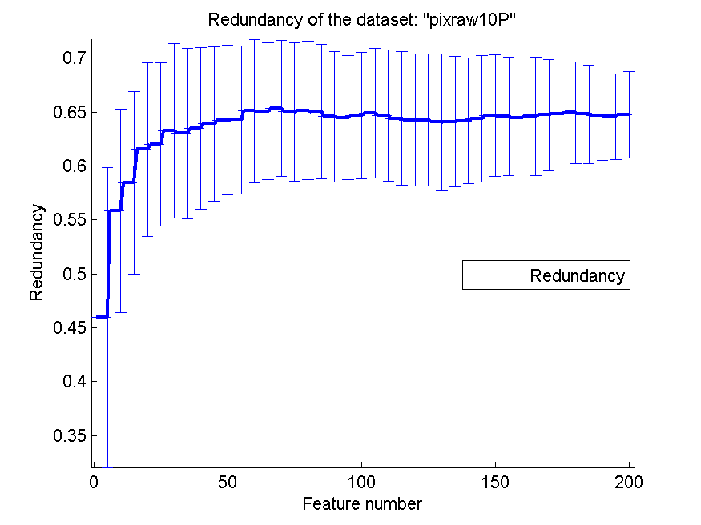
0.929 | 0.032751054623 | 0.925 | 0.025853840191 | 0.867 | 0.05740896684 | 0.64073811351 | 0.063456672575
0.932 | 0.030710875838 | 0.926 | 0.024365635853 | 0.867 | 0.05740896684 | 0.6410325086 | 0.060301850534
0.93 | 0.030087591427 | 0.928 | 0.025464113034 | 0.867 | 0.05740896684 | 0.6418901374 | 0.058339180675
0.929 | 0.027890764365 | 0.928 | 0.025464113034 | 0.866 | 0.058074362493 | 0.64390705088 | 0.058592392862
0.927 | 0.02696976865 | 0.927 | 0.022734161635 | 0.869 | 0.058210145616 | 0.64646452732 | 0.056524596269
0.927 | 0.02696976865 | 0.929 | 0.024687520819 | 0.869 | 0.058210145616 | 0.64633381501 | 0.054980155318
0.929 | 0.02633788546 | 0.928 | 0.025464113034 | 0.869 | 0.058210145616 | 0.64446548625 | 0.055683059677
0.928 | 0.027067167915 | 0.928 | 0.025464113034 | 0.869 | 0.058929038504 | 0.64595982018 | 0.054664162662
0.928 | 0.027067167915 | 0.929 | 0.025526044491 | 0.869 | 0.058929038504 | 0.64712518997 | 0.051850497408
0.927 | 0.035108853284 | 0.93 | 0.024708830725 | 0.873 | 0.061310255002 | 0.64824273585 | 0.048064859303
0.924 | 0.035894582497 | 0.931 | 0.024687520819 | 0.873 | 0.061310255002 | 0.64945709776 | 0.047316971059
0.925 | 0.03486817279 | 0.93 | 0.025546654946 | 0.874 | 0.062272744735 | 0.64801677201 | 0.045564872739
0.928 | 0.037500877183 | 0.931 | 0.027125439604 | 0.874 | 0.062272744735 | 0.64695556133 | 0.041986859742
0.927 | 0.037430637606 | 0.93 | 0.027144835702 | 0.874 | 0.062272744735 | 0.64574390608 | 0.039799111838
0.929 | 0.03462581939 | 0.93 | 0.027144835702 | 0.874 | 0.062272744735 | 0.64746774521 | 0.040018360304

PCMAC
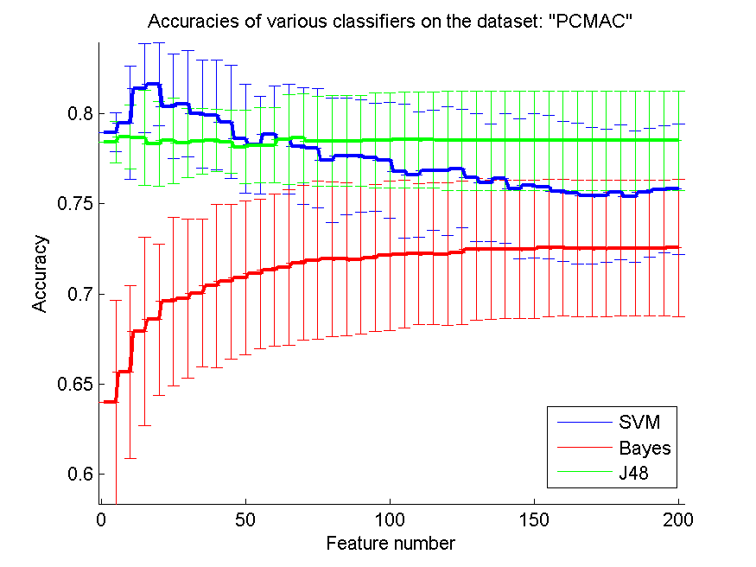
res_svm | res_svm_std | res_bayes | res_bayes_std | res_j48 | res_j48_std | res_red | res_red_std
0.78964429145 | 0.010833431426 | 0.63967297762 | 0.056635200083 | 0.78427997705 | 0.011438176745 | 0.15973884682 | 0.031809031095
0.79489386116 | 0.031238619488 | 0.65682730924 | 0.047947081135 | 0.78700516351 | 0.017731162352 | 0.14953989544 | 0.028464849395
0.81394148021 | 0.024674743303 | 0.6792885829 | 0.052209333075 | 0.78668961561 | 0.026298295808 | 0.12861622015 | 0.018766186282
0.81643717728 | 0.023114775834 | 0.68571428571 | 0.041808989772 | 0.78307515777 | 0.023586208728 | 0.11842391106 | 0.019273967946
0.80395869191 | 0.0291231625 | 0.69586919105 | 0.046683755705 | 0.78493975904 | 0.023819635494 | 0.10640920814 | 0.017400663377
0.80547905909 | 0.029629374061 | 0.69733218589 | 0.044140603967 | 0.78387837063 | 0.019138191718 | 0.1004303492 | 0.013528945925
0.79979919679 | 0.029971780751 | 0.70037292025 | 0.040893276029 | 0.78453815261 | 0.018330324132 | 0.093541657841 | 0.010591109089
0.7991394148 | 0.030525278062 | 0.70441767068 | 0.045312723715 | 0.78525530694 | 0.017159385411 | 0.087426691532 | 0.011165498221
0.79532415376 | 0.031467582153 | 0.70674125072 | 0.043149784402 | 0.78427997705 | 0.01750314399 | 0.082438141324 | 0.01103455926
0.78591508893 | 0.03022492271 | 0.70872059667 | 0.042685504729 | 0.78149741824 | 0.02049851609 | 0.078859405654 | 0.012380134457
0.78253012048 | 0.027153215397 | 0.71107286288 | 0.041379910253 | 0.78241537579 | 0.020848459935 | 0.075959542302 | 0.011323770981
0.78861158921 | 0.026803888611 | 0.71322432587 | 0.042367826505 | 0.78232931727 | 0.020836428385 | 0.071942346238 | 0.011252744589
0.78577165806 | 0.030336557114 | 0.71454388985 | 0.043145849637 | 0.78568559954 | 0.025050576251 | 0.069678229607 | 0.011284657581
0.78198508319 | 0.032400207449 | 0.71724039013 | 0.042984858975 | 0.78634538153 | 0.02486658358 | 0.066901610723 | 0.010936632533
0.78072289157 | 0.033089368172 | 0.71864601262 | 0.043913137179 | 0.7846528973 | 0.025137424759 | 0.064713504441 | 0.010386649014
0.77395295468 | 0.034466661636 | 0.71921973609 | 0.043128148791 | 0.78473895582 | 0.025139027045 | 0.063049855507 | 0.010034312643
0.77641996558 | 0.032395983105 | 0.71930579461 | 0.042532945054 | 0.78473895582 | 0.025139027045 | 0.061819147801 | 0.0098076355919
0.77670682731 | 0.031191500589 | 0.71873207114 | 0.040812704542 | 0.78473895582 | 0.025139027045 | 0.059581183198 | 0.0089233244358
0.77570281124 | 0.029924345988 | 0.72002294894 | 0.040813182079 | 0.78531267929 | 0.026425129698 | 0.057815042375 | 0.0082823321509
0.77426850258 | 0.032067241385 | 0.72125645439 | 0.041431321237 | 0.78531267929 | 0.026425129698 | 0.056158015799 | 0.0080170824863
0.76807228916 | 0.037026458418 | 0.72197360872 | 0.040961647758 | 0.78548479633 | 0.026644693552 | 0.055511986052 | 0.0081327482816
0.76615031555 | 0.034797516198 | 0.72217441193 | 0.039015360364 | 0.78548479633 | 0.026644693552 | 0.054433408466 | 0.0076158375543
0.7685599541 | 0.033156733613 | 0.72220309811 | 0.039277668506 | 0.78545611015 | 0.02664441722 | 0.053306283204 | 0.0072490941807
0.76821572002 | 0.035720545676 | 0.72194492255 | 0.039582444159 | 0.78505450373 | 0.027572220349 | 0.052017406602 | 0.0070151341303
0.76939185313 | 0.032921864394 | 0.72292025244 | 0.039891199457 | 0.78505450373 | 0.027572220349 | 0.050985128798 | 0.0068211755342
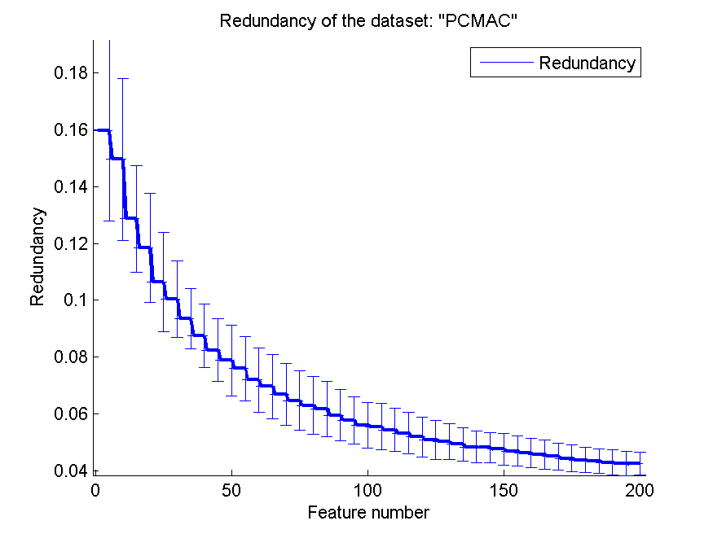
0.76460126219 | 0.035529969383 | 0.72472748135 | 0.039439208414 | 0.78505450373 | 0.027572220349 | 0.050321201809 | 0.006365900728
0.76164658635 | 0.032565792881 | 0.72449799197 | 0.038739852633 | 0.78505450373 | 0.027572220349 | 0.049343332683 | 0.0057618572224
0.76399885255 | 0.03583543711 | 0.72484222605 | 0.038311670472 | 0.78505450373 | 0.027572220349 | 0.048452739148 | 0.0055213301167
0.75829030407 | 0.038688167522 | 0.72484222605 | 0.038278193818 | 0.78505450373 | 0.027572220349 | 0.048175421532 | 0.0054235093015
0.76009753299 | 0.040028977204 | 0.72469879518 | 0.038364032155 | 0.78505450373 | 0.027572220349 | 0.047610532012 | 0.0054896479064
0.75920826162 | 0.039592432768 | 0.72553069421 | 0.038164879839 | 0.78505450373 | 0.027572220349 | 0.046919542905 | 0.0053244517194
0.75691336776 | 0.038842347524 | 0.72555938038 | 0.037939919269 | 0.78505450373 | 0.027572220349 | 0.04618950951 | 0.0051520751415
0.75585197935 | 0.039092368628 | 0.72538726334 | 0.037854892616 | 0.78505450373 | 0.027572220349 | 0.045766459309 | 0.0051014161309
0.75444635686 | 0.037913757321 | 0.72515777395 | 0.038020746291 | 0.78505450373 | 0.027572220349 | 0.045075302897 | 0.0048116630386
0.75438898451 | 0.037006345583 | 0.72510040161 | 0.037752240746 | 0.78505450373 | 0.027572220349 | 0.044441082801 | 0.0047387773722
0.75628227194 | 0.037416827734 | 0.72535857717 | 0.037782435126 | 0.78505450373 | 0.027572220349 | 0.043850667741 | 0.0044280516329
0.75398737808 | 0.036402528413 | 0.72530120482 | 0.037652219297 | 0.78505450373 | 0.027572220349 | 0.043502658555 | 0.0042739248032
0.7562248996 | 0.035614612093 | 0.72535857717 | 0.037545552896 | 0.78505450373 | 0.027572220349 | 0.043016379445 | 0.0043282318143
0.75803212851 | 0.035391601639 | 0.72532989099 | 0.037592945067 | 0.78505450373 | 0.027572220349 | 0.042677277329 | 0.0042359181148
0.75808950086 | 0.036092188678 | 0.72544463569 | 0.037905748682 | 0.78505450373 | 0.027572220349 | 0.042576022719 | 0.0039737765979

orlraws10P
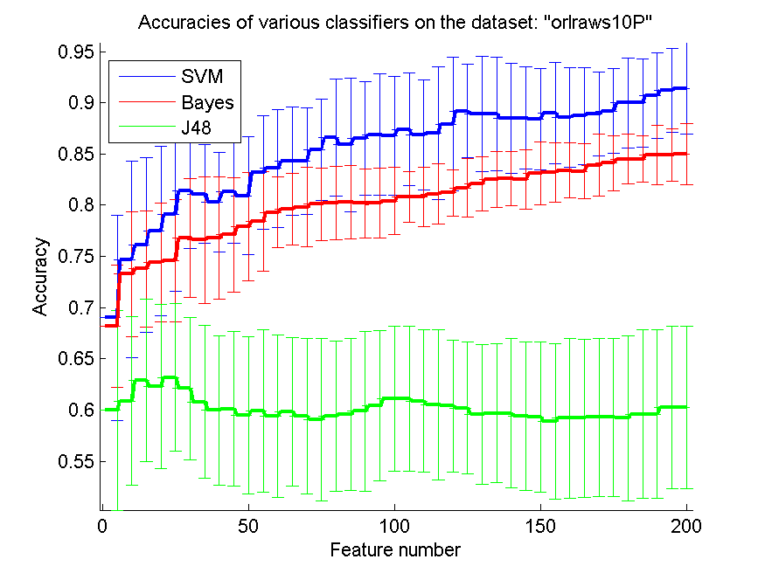
res_svm | res_svm_std | res_bayes | res_bayes_std | res_j48 | res_j48_std | res_red | res_red_std
0.69 | 0.10042016992 | 0.682 | 0.059435945176 | 0.6 | 0.097548908111 | 0.67284100981 | 0.16871884411
0.747 | 0.095867232753 | 0.733 | 0.06096590937 | 0.609 | 0.082200012806 | 0.76019717663 | 0.11456842211
0.761 | 0.085217986735 | 0.738 | 0.056531314098 | 0.629 | 0.079066927014 | 0.76721626934 | 0.11257751316
0.775 | 0.082812406902 | 0.744 | 0.057892822935 | 0.623 | 0.080334825639 | 0.77476281397 | 0.11361955582
0.791 | 0.074966659256 | 0.746 | 0.059506744421 | 0.632 | 0.07208182485 | 0.77512321669 | 0.11199690752
0.814 | 0.056232599648 | 0.768 | 0.058183014342 | 0.621 | 0.069426219831 | 0.76311352503 | 0.09962231214
0.811 | 0.04789242331 | 0.766 | 0.061933750683 | 0.608 | 0.074664160359 | 0.75430172718 | 0.10039663914
0.803 | 0.048677239899 | 0.768 | 0.05961278563 | 0.6 | 0.07283723744 | 0.74828367789 | 0.10623211943
0.813 | 0.049957876993 | 0.771 | 0.055998120269 | 0.601 | 0.075526224097 | 0.74240569106 | 0.10575935387
0.809 | 0.05748226271 | 0.779 | 0.052905078853 | 0.595 | 0.07674290641 | 0.73303545615 | 0.10001193644
0.832 | 0.055212508118 | 0.784 | 0.048384425506 | 0.599 | 0.079332743622 | 0.72496139119 | 0.091469105751
0.836 | 0.057528025207 | 0.793 | 0.034504004344 | 0.594 | 0.079233166899 | 0.71378990261 | 0.084845740456
0.843 | 0.052825432471 | 0.796 | 0.034701736647 | 0.598 | 0.072518600155 | 0.70443755701 | 0.071181121749
0.843 | 0.051615990994 | 0.798 | 0.038879029661 | 0.594 | 0.075700239866 | 0.69508669486 | 0.072371006494
0.854 | 0.049460244535 | 0.801 | 0.035228576917 | 0.591 | 0.079332743622 | 0.6813495792 | 0.063394216396
0.866 | 0.056976449428 | 0.802 | 0.035481648333 | 0.594 | 0.073441706207 | 0.67525953866 | 0.065647104483
0.859 | 0.06504249623 | 0.803 | 0.035703457005 | 0.596 | 0.074154887691 | 0.66850974901 | 0.065974187024
0.865 | 0.055393330398 | 0.802 | 0.033654592242 | 0.599 | 0.077994601703 | 0.66180236209 | 0.070442690686
0.869 | 0.059639266472 | 0.802 | 0.034274434235 | 0.604 | 0.073298237216 | 0.65508359969 | 0.068218784886
0.868 | 0.057820047516 | 0.804 | 0.032831307267 | 0.611 | 0.070926203309 | 0.64739083917 | 0.070735156887
0.874 | 0.055097998817 | 0.808 | 0.02462348045 | 0.611 | 0.070926203309 | 0.64288340985 | 0.070310052254
0.869 | 0.053695045346 | 0.808 | 0.029307803883 | 0.609 | 0.069122317213 | 0.64218628182 | 0.069909857291
0.87 | 0.064726143746 | 0.811 | 0.029361629096 | 0.605 | 0.073089706958 | 0.63900671383 | 0.070185437241
0.879 | 0.06504249623 | 0.812 | 0.022849622823 | 0.604 | 0.064432747476 | 0.63177606188 | 0.06499137486
0.892 | 0.045607017004 | 0.817 | 0.028488224714 | 0.602 | 0.064530694451 | 0.62951508072 | 0.065098369127
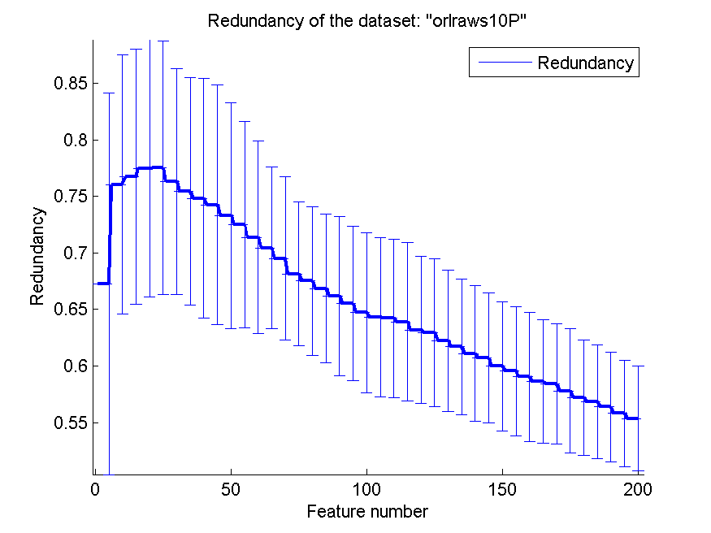
0.889 | 0.055998120269 | 0.821 | 0.02633788546 | 0.596 | 0.068241058794 | 0.62227587361 | 0.06259248379
0.889 | 0.055241098354 | 0.825 | 0.027434131642 | 0.597 | 0.067519977551 | 0.61692508914 | 0.059792882513
0.885 | 0.053851648071 | 0.826 | 0.026036411751 | 0.597 | 0.073204831592 | 0.61105008304 | 0.059891007216
0.885 | 0.049789028595 | 0.825 | 0.028928223334 | 0.594 | 0.07257663826 | 0.60693881715 | 0.057413017848
0.884 | 0.0492469609 | 0.831 | 0.030762246171 | 0.593 | 0.073204831592 | 0.59968194687 | 0.057072505038
0.89 | 0.049630211512 | 0.832 | 0.029307803883 | 0.589 | 0.075526224097 | 0.59552102938 | 0.056942445194
0.886 | 0.048601494454 | 0.834 | 0.02683281573 | 0.592 | 0.077974354758 | 0.59039056296 | 0.057290951887
0.887 | 0.047361987867 | 0.833 | 0.02696976865 | 0.592 | 0.076886793062 | 0.58633844141 | 0.054426040709
0.889 | 0.041282084811 | 0.839 | 0.030070093553 | 0.593 | 0.077126007628 | 0.58414803075 | 0.053186650684
0.892 | 0.041243819314 | 0.841 | 0.027125439604 | 0.593 | 0.077126007628 | 0.57791127608 | 0.054819785717
0.9 | 0.044009568338 | 0.845 | 0.024170447375 | 0.592 | 0.080889788569 | 0.57209855259 | 0.050807841859
0.9 | 0.043042206948 | 0.845 | 0.022360679775 | 0.596 | 0.082232020911 | 0.56847706157 | 0.05055099483
0.907 | 0.041688064681 | 0.849 | 0.028635642127 | 0.596 | 0.082232020911 | 0.56385288602 | 0.048683928171
0.912 | 0.040730177613 | 0.849 | 0.025526044491 | 0.603 | 0.0792796516 | 0.55817179163 | 0.047156394562
0.914 | 0.044532660989 | 0.85 | 0.030087591427 | 0.603 | 0.0792796516 | 0.55361645927 | 0.046498665082

GLI-85
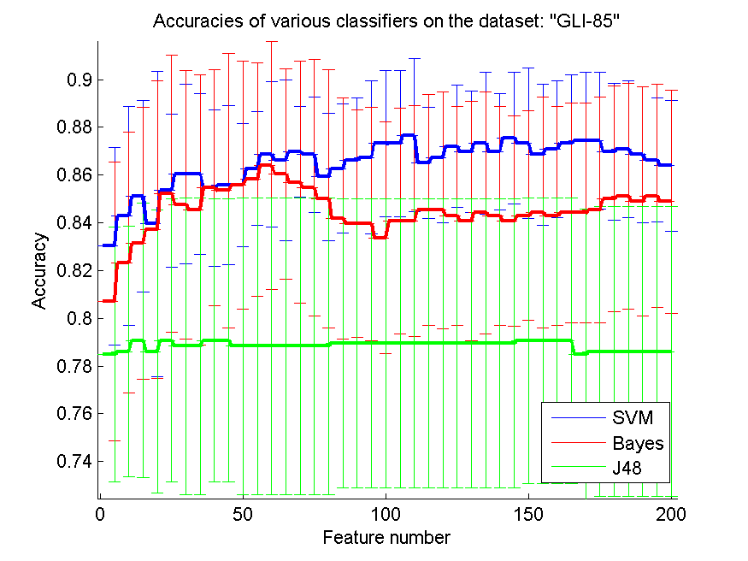
res_svm | res_svm_std | res_bayes | res_bayes_std | res_j48 | res_j48_std | res_red | res_red_std
0.83023255814 | 0.041395486364 | 0.80697674419 | 0.058493415056 | 0.78488372093 | 0.053285763895 | 0.35721722511 | 0.09144712966
0.84302325581 | 0.045817960794 | 0.82325581395 | 0.054617948708 | 0.78604651163 | 0.052600258251 | 0.36043819253 | 0.072040683614
0.8511627907 | 0.040209522134 | 0.83139534884 | 0.056902381969 | 0.79069767442 | 0.057462397035 | 0.36502808408 | 0.054163622093
0.83953488372 | 0.063978519637 | 0.83720930233 | 0.06221916782 | 0.78604651163 | 0.059218867522 | 0.36971380969 | 0.048125002867
0.85348837209 | 0.032100295417 | 0.8523255814 | 0.058090554643 | 0.79069767442 | 0.059410825457 | 0.36663550492 | 0.043712239134
0.86046511628 | 0.037725911891 | 0.8476744186 | 0.05619768132 | 0.78837209302 | 0.062173401599 | 0.36994340548 | 0.041983494232
0.86046511628 | 0.0337430814 | 0.84534883721 | 0.056601441743 | 0.78837209302 | 0.062173401599 | 0.36598559604 | 0.042790412293
0.85465116279 | 0.032780322499 | 0.85465116279 | 0.049405102915 | 0.79069767442 | 0.059410825457 | 0.36853021612 | 0.041318151985
0.85581395349 | 0.033403946347 | 0.85348837209 | 0.05751191225 | 0.79069767442 | 0.059410825457 | 0.36882981988 | 0.042772158358
0.85581395349 | 0.025697965184 | 0.85581395349 | 0.052056290599 | 0.78837209302 | 0.062173401599 | 0.36899595192 | 0.038977724059
0.86279069767 | 0.023740362118 | 0.85813953488 | 0.048840123478 | 0.78837209302 | 0.062173401599 | 0.36793025456 | 0.037465293005
0.86860465116 | 0.030438990171 | 0.86395348837 | 0.051878273037 | 0.78837209302 | 0.062173401599 | 0.36460183816 | 0.03812868101
0.86627906977 | 0.033637468993 | 0.86046511628 | 0.043995595485 | 0.78837209302 | 0.062173401599 | 0.3621381577 | 0.037024506449
0.86976744186 | 0.019087969341 | 0.85697674419 | 0.05076904233 | 0.78837209302 | 0.062173401599 | 0.36346197933 | 0.036992842683
0.86860465116 | 0.024185811128 | 0.85465116279 | 0.053817305869 | 0.78837209302 | 0.062173401599 | 0.36287513255 | 0.036923721999
0.85930232558 | 0.026649558525 | 0.85 | 0.054133725876 | 0.78837209302 | 0.062173401599 | 0.36286293611 | 0.037476406701
0.86279069767 | 0.027099707099 | 0.84186046512 | 0.050389166093 | 0.78953488372 | 0.060585042542 | 0.36205251155 | 0.037156491915
0.86627906977 | 0.026000790436 | 0.83953488372 | 0.047660236121 | 0.78953488372 | 0.060585042542 | 0.36123127543 | 0.03669852159
0.86744186047 | 0.032100295417 | 0.83953488372 | 0.048840123478 | 0.78953488372 | 0.060585042542 | 0.36147269844 | 0.037807372083
0.87325581395 | 0.03062544821 | 0.83372093023 | 0.048474493815 | 0.78953488372 | 0.060585042542 | 0.36146904991 | 0.037145620907
0.87325581395 | 0.03062544821 | 0.84069767442 | 0.047285483992 | 0.78953488372 | 0.060585042542 | 0.36135076539 | 0.037550613367
0.87674418605 | 0.032100295417 | 0.84069767442 | 0.048474493815 | 0.78953488372 | 0.060585042542 | 0.36127447648 | 0.035633106212
0.86511627907 | 0.023377892556 | 0.84534883721 | 0.048474493815 | 0.78953488372 | 0.060585042542 | 0.36113255805 | 0.035947007725
0.86744186047 | 0.027308974354 | 0.84534883721 | 0.04963502901 | 0.78953488372 | 0.060585042542 | 0.35909026434 | 0.034520670999
0.87209302326 | 0.025586958336 | 0.84302325581 | 0.045817960794 | 0.78953488372 | 0.060585042542 | 0.3590645344 | 0.035278954351
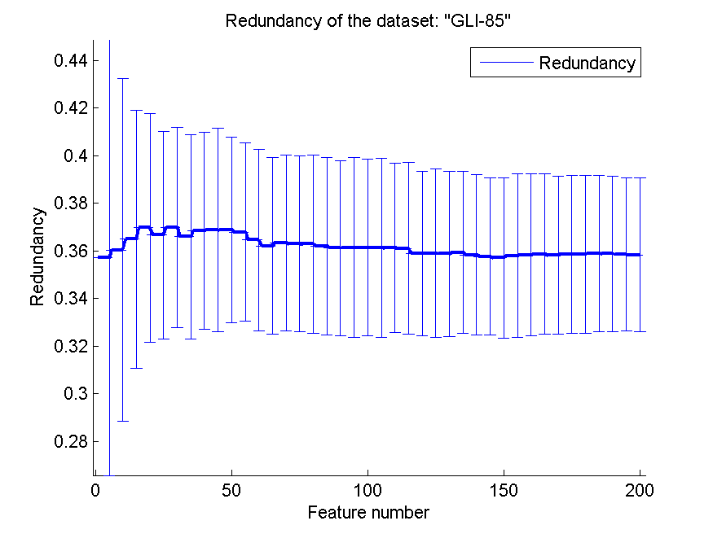
0.86976744186 | 0.025475467791 | 0.84069767442 | 0.050205237595 | 0.78953488372 | 0.060585042542 | 0.35876686648 | 0.03466628066
0.87325581395 | 0.029681447083 | 0.84418604651 | 0.050670829361 | 0.78953488372 | 0.060585042542 | 0.35942956264 | 0.034129672765
0.86976744186 | 0.024332482036 | 0.84302325581 | 0.045817960794 | 0.78953488372 | 0.060585042542 | 0.35837321949 | 0.033564638202
0.87558139535 | 0.027490776476 | 0.84069767442 | 0.044173160525 | 0.78953488372 | 0.060585042542 | 0.35760287255 | 0.033019153413
0.87325581395 | 0.031541208841 | 0.84302325581 | 0.043914646759 | 0.79069767442 | 0.059888028508 | 0.35706086891 | 0.033657846641
0.86860465116 | 0.029489020762 | 0.84418604651 | 0.048371622256 | 0.79069767442 | 0.059888028508 | 0.35805163553 | 0.0344362555
0.87093023256 | 0.028706419557 | 0.84302325581 | 0.045817960794 | 0.79069767442 | 0.059888028508 | 0.35835564206 | 0.034028724738
0.87325581395 | 0.028706419557 | 0.84418604651 | 0.045957531822 | 0.79069767442 | 0.059888028508 | 0.35863678812 | 0.033633539395
0.87441860465 | 0.028631954012 | 0.84418604651 | 0.045957531822 | 0.78488372093 | 0.060772685399 | 0.35814941786 | 0.033154558617
0.87441860465 | 0.028631954012 | 0.84534883721 | 0.047285483992 | 0.78604651163 | 0.060643743304 | 0.35858927312 | 0.033255576541
0.86976744186 | 0.028631954012 | 0.85 | 0.047405726994 | 0.78604651163 | 0.060643743304 | 0.35862321732 | 0.033034659809
0.87093023256 | 0.028706419557 | 0.8511627907 | 0.047360671644 | 0.78604651163 | 0.060643743304 | 0.35897841754 | 0.032774105215
0.86860465116 | 0.028507412517 | 0.8488372093 | 0.048017246624 | 0.78604651163 | 0.060643743304 | 0.35875713131 | 0.032487752935
0.86627906977 | 0.026000790436 | 0.8511627907 | 0.046755785112 | 0.78604651163 | 0.060643743304 | 0.35849315447 | 0.032198850046
0.86395348837 | 0.027490776476 | 0.8488372093 | 0.046816625456 | 0.78604651163 | 0.060643743304 | 0.35832931737 | 0.032367685551

GLA-BRA-180
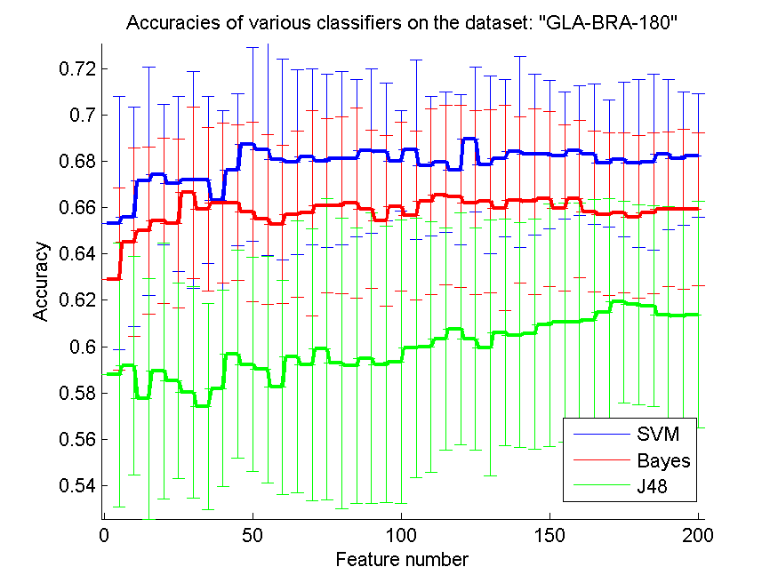
res_svm | res_svm_std | res_bayes | res_bayes_std | res_j48 | res_j48_std | res_red | res_red_std
0.6532967033 | 0.05459402035 | 0.62912087912 | 0.039359912056 | 0.58791208791 | 0.056989160209 | 0.53450107571 | 0.066107796647
0.65604395604 | 0.047312563858 | 0.64505494505 | 0.040666374269 | 0.59175824176 | 0.047201607901 | 0.60095895846 | 0.057358118842
0.67142857143 | 0.04926060816 | 0.65 | 0.036056332426 | 0.57747252747 | 0.051847321114 | 0.61774470653 | 0.047999490629
0.67417582418 | 0.030310343294 | 0.6543956044 | 0.035737635291 | 0.58956043956 | 0.055265117535 | 0.62441969536 | 0.058055433657
0.67032967033 | 0.037731651661 | 0.6532967033 | 0.036442066387 | 0.58516483516 | 0.042166432093 | 0.62069453047 | 0.055067068608
0.67197802198 | 0.046659898865 | 0.66648351648 | 0.036927173476 | 0.58021978022 | 0.045741638834 | 0.61409419304 | 0.046179743759
0.67197802198 | 0.03623217513 | 0.65934065934 | 0.035294728288 | 0.57417582418 | 0.044655368181 | 0.61622690725 | 0.044258093042
0.66318681319 | 0.038774239043 | 0.66208791209 | 0.034543932792 | 0.58186813187 | 0.042406912715 | 0.61466204245 | 0.041908533326
0.67637362637 | 0.032768827732 | 0.66208791209 | 0.033611400742 | 0.5967032967 | 0.044829380772 | 0.61432933744 | 0.036960480807
0.68736263736 | 0.041803117344 | 0.65824175824 | 0.038712721887 | 0.59230769231 | 0.046197891347 | 0.61085223727 | 0.042282417665
0.68516483516 | 0.045696458463 | 0.65494505495 | 0.036776264903 | 0.59010989011 | 0.049027818475 | 0.61477996586 | 0.040126969876
0.68076923077 | 0.043296820732 | 0.65274725275 | 0.034085518354 | 0.58241758242 | 0.046348977466 | 0.61708475649 | 0.040836337356
0.67967032967 | 0.0399051558 | 0.65714285714 | 0.035759858809 | 0.5956043956 | 0.058757280632 | 0.61535608422 | 0.038868735384
0.68186813187 | 0.037979295172 | 0.65769230769 | 0.044283769603 | 0.59230769231 | 0.058681513637 | 0.61464159279 | 0.039184266011
0.68021978022 | 0.037376243568 | 0.66098901099 | 0.037609330854 | 0.5989010989 | 0.065207097016 | 0.61198051858 | 0.038899113115
0.68131868132 | 0.037393244361 | 0.66098901099 | 0.038279333766 | 0.59285714286 | 0.06272051141 | 0.61113260234 | 0.042474402568
0.68131868132 | 0.034010851193 | 0.66208791209 | 0.041097787646 | 0.59175824176 | 0.059367964928 | 0.60773761062 | 0.043133517206
0.68461538462 | 0.0354922582 | 0.65934065934 | 0.034010851193 | 0.59505494505 | 0.062598792829 | 0.60638354128 | 0.042583573979
0.68406593407 | 0.029802844408 | 0.6543956044 | 0.036789224179 | 0.59230769231 | 0.059754783143 | 0.60675987938 | 0.042815489234
0.68021978022 | 0.021657583033 | 0.66043956044 | 0.036341644758 | 0.59340659341 | 0.06123614081 | 0.60498185163 | 0.043142482463
0.68516483516 | 0.038774239043 | 0.65659340659 | 0.036337272305 | 0.59945054945 | 0.05585993672 | 0.60425282283 | 0.042363955912
0.67802197802 | 0.030062950752 | 0.66263736264 | 0.040036338117 | 0.6 | 0.054117539451 | 0.60353258681 | 0.041679844931
0.67967032967 | 0.030310343294 | 0.66538461538 | 0.038807008319 | 0.6032967033 | 0.048085391306 | 0.60276207334 | 0.041678100103
0.67637362637 | 0.032378592584 | 0.66483516484 | 0.039299311693 | 0.60769230769 | 0.049927015037 | 0.60201231329 | 0.041477248668
0.68956043956 | 0.031260028485 | 0.66208791209 | 0.039681551005 | 0.6032967033 | 0.048085391306 | 0.59994290326 | 0.04341848244
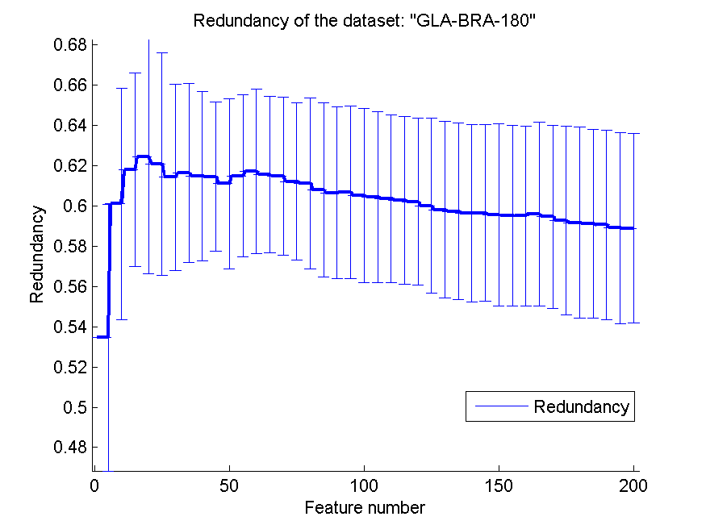
0.67857142857 | 0.03837882538 | 0.66263736264 | 0.039557226269 | 0.59945054945 | 0.055288113528 | 0.59794779775 | 0.043718520914
0.68131868132 | 0.034010851193 | 0.65989010989 | 0.044168802621 | 0.60604395604 | 0.048920752999 | 0.59723548745 | 0.043836234827
0.68406593407 | 0.041405929075 | 0.66318681319 | 0.035879627945 | 0.60494505495 | 0.048555618991 | 0.59636844335 | 0.043996282744
0.68296703297 | 0.034800564104 | 0.66263736264 | 0.040194772999 | 0.60549450549 | 0.04977402076 | 0.59639397766 | 0.043894863803
0.68296703297 | 0.03194382825 | 0.66373626374 | 0.037630449015 | 0.60934065934 | 0.052335364076 | 0.59543225412 | 0.045243828167
0.68241758242 | 0.027362416699 | 0.65989010989 | 0.035915038393 | 0.61043956044 | 0.051724590864 | 0.5951161306 | 0.044836319942
0.68461538462 | 0.027868744896 | 0.66373626374 | 0.033898542076 | 0.61043956044 | 0.051724590864 | 0.5948444088 | 0.044800447609
0.68296703297 | 0.030310343294 | 0.65824175824 | 0.034732009509 | 0.61153846154 | 0.052067506552 | 0.59584338496 | 0.045479879192
0.67912087912 | 0.027524531462 | 0.65714285714 | 0.035041716221 | 0.61483516484 | 0.049076407386 | 0.59455513295 | 0.045420315303
0.68076923077 | 0.033345618762 | 0.65769230769 | 0.034433362438 | 0.61923076923 | 0.043414096913 | 0.59255106872 | 0.046925258029
0.67912087912 | 0.03611357522 | 0.65604395604 | 0.035132286845 | 0.61813186813 | 0.043208654706 | 0.59159267604 | 0.047340101171
0.67967032967 | 0.038112937266 | 0.65769230769 | 0.034800564104 | 0.61758241758 | 0.043315166066 | 0.59112967844 | 0.046805995746
0.68296703297 | 0.032535248316 | 0.65934065934 | 0.033445534517 | 0.61373626374 | 0.046795914017 | 0.59047008185 | 0.046980172431
0.68131868132 | 0.028744415592 | 0.65934065934 | 0.034382565524 | 0.61318681319 | 0.046567864055 | 0.58898570957 | 0.047443063339
0.68241758242 | 0.026656474408 | 0.65934065934 | 0.033063287283 | 0.61373626374 | 0.048920752999 | 0.58881653423 | 0.04707954593

CLL-SUB-111
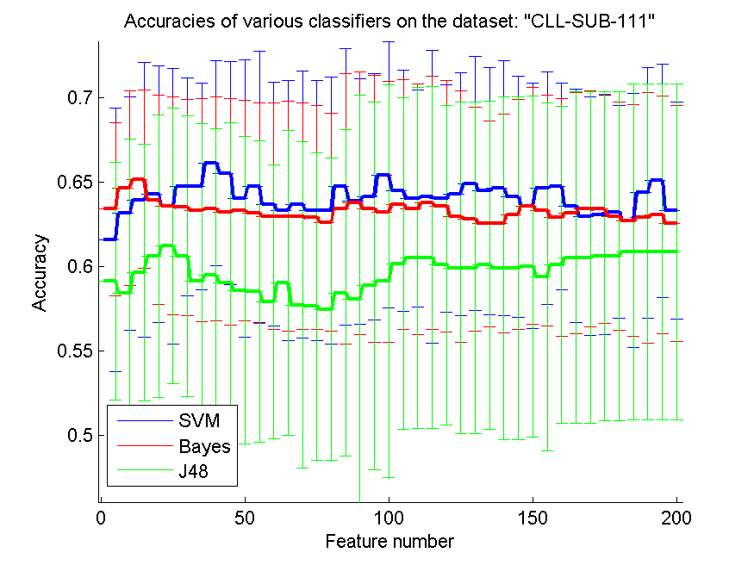
res_svm | res_svm_std | res_bayes | res_bayes_std | res_j48 | res_j48_std | res_red | res_red_std
0.61578947368 | 0.078231079065 | 0.63421052632 | 0.051314704316 | 0.59122807018 | 0.070428905133 | 0.26384923597 | 0.049556336431
0.63157894737 | 0.069245921548 | 0.64649122807 | 0.057563618435 | 0.58421052632 | 0.091444448273 | 0.28478743879 | 0.045480295971
0.63947368421 | 0.081392324191 | 0.65175438596 | 0.052869575778 | 0.59649122807 | 0.075940480868 | 0.30359729463 | 0.036795850574
0.64298245614 | 0.075999120116 | 0.63947368421 | 0.061955048368 | 0.60614035088 | 0.083552949665 | 0.32259026086 | 0.040195066056
0.63596491228 | 0.081670487467 | 0.63596491228 | 0.064617132397 | 0.61228070175 | 0.081873543478 | 0.34239245049 | 0.048178833863
0.64736842105 | 0.064623399516 | 0.6350877193 | 0.064044257429 | 0.60614035088 | 0.083164283994 | 0.35819436164 | 0.050391741272
0.64736842105 | 0.061278067356 | 0.63333333333 | 0.066110328707 | 0.59122807018 | 0.093372758771 | 0.37038150328 | 0.049587333334
0.66140350877 | 0.06080036184 | 0.63421052632 | 0.066446397056 | 0.59473684211 | 0.086865652441 | 0.38104084876 | 0.048577254879
0.65526315789 | 0.066202152903 | 0.63245614035 | 0.067222015045 | 0.59035087719 | 0.094951195549 | 0.38679881775 | 0.049338406126
0.64035087719 | 0.082189506229 | 0.63333333333 | 0.065371091955 | 0.58596491228 | 0.090964887794 | 0.39451144278 | 0.050697748212
0.64736842105 | 0.080476622023 | 0.63157894737 | 0.06539586781 | 0.5850877193 | 0.089325098865 | 0.40333256521 | 0.046617770357
0.63684210526 | 0.0722455517 | 0.6298245614 | 0.067324354624 | 0.57894736842 | 0.081297731129 | 0.40959433468 | 0.043240591526
0.63333333333 | 0.076978632977 | 0.6298245614 | 0.068280035565 | 0.59035087719 | 0.090227304355 | 0.41712413064 | 0.043300560882
0.63684210526 | 0.079095992246 | 0.6298245614 | 0.067324354624 | 0.57719298246 | 0.096914207639 | 0.4243722097 | 0.041187100187
0.63333333333 | 0.077188785246 | 0.62894736842 | 0.066446397056 | 0.57631578947 | 0.091298183158 | 0.42877045399 | 0.039178423063
0.63333333333 | 0.079055020478 | 0.62631578947 | 0.064673514607 | 0.57456140351 | 0.089614792862 | 0.4351379404 | 0.03809321364
0.64736842105 | 0.081873543478 | 0.63421052632 | 0.080148854727 | 0.58421052632 | 0.096780394378 | 0.43726713371 | 0.038155234424
0.63859649123 | 0.072536459543 | 0.63771929825 | 0.077893863388 | 0.58070175439 | 0.1208658079 | 0.4380915065 | 0.040587390124
0.64122807018 | 0.072998391257 | 0.63421052632 | 0.079131825141 | 0.58859649123 | 0.10896462246 | 0.4397538174 | 0.037508068572
0.65438596491 | 0.078685314537 | 0.63245614035 | 0.077518619792 | 0.59122807018 | 0.11638671902 | 0.44261144865 | 0.038818814571
0.64473684211 | 0.071518767815 | 0.63684210526 | 0.074017624946 | 0.60175438596 | 0.098275289015 | 0.44228344022 | 0.038721806597
0.64035087719 | 0.064523052562 | 0.63421052632 | 0.0742743374 | 0.60526315789 | 0.10110276278 | 0.44349904033 | 0.040741069338
0.64122807018 | 0.086786359268 | 0.63771929825 | 0.07492578391 | 0.60526315789 | 0.10142270903 | 0.44407979212 | 0.041640186808
0.64035087719 | 0.067228039332 | 0.63596491228 | 0.074622483265 | 0.60087719298 | 0.094882928302 | 0.4448556354 | 0.044315897215
0.64298245614 | 0.072060327979 | 0.6298245614 | 0.074627910158 | 0.59912280702 | 0.098304131102 | 0.44627824708 | 0.045176827461
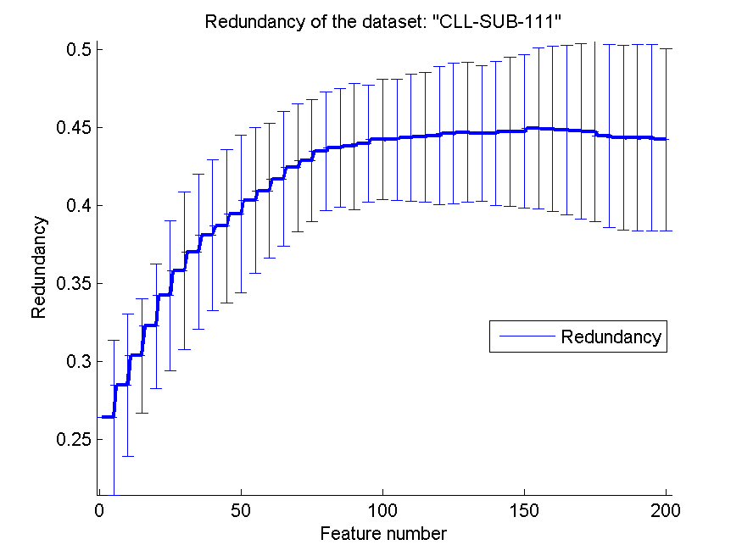
0.64912280702 | 0.075297813621 | 0.62807017544 | 0.066281630975 | 0.59912280702 | 0.098304131102 | 0.44707088915 | 0.044883070408
0.64473684211 | 0.073308411605 | 0.62543859649 | 0.061112620574 | 0.60087719298 | 0.09724377071 | 0.44636098482 | 0.043782814394
0.64649122807 | 0.075571614995 | 0.62543859649 | 0.064967160051 | 0.59912280702 | 0.10154641721 | 0.44638832872 | 0.046473174142
0.64122807018 | 0.071428108589 | 0.63070175439 | 0.068179130515 | 0.59912280702 | 0.10154641721 | 0.44745372004 | 0.047877257921
0.63596491228 | 0.072642462194 | 0.63596491228 | 0.07037713397 | 0.6 | 0.10127885829 | 0.44764605191 | 0.049276896237
0.64649122807 | 0.068841194132 | 0.63333333333 | 0.068516873028 | 0.59385964912 | 0.10328630019 | 0.44961665579 | 0.051511527192
0.64736842105 | 0.061278067356 | 0.62894736842 | 0.070469145298 | 0.60087719298 | 0.094025405712 | 0.44930654996 | 0.052932100849
0.63596491228 | 0.069216673006 | 0.63157894737 | 0.071547075264 | 0.60526315789 | 0.098341201356 | 0.44853524062 | 0.054235947755
0.6298245614 | 0.070841712411 | 0.63421052632 | 0.069776102934 | 0.60526315789 | 0.098341201356 | 0.44789946165 | 0.056329846422
0.63070175439 | 0.070973075396 | 0.63421052632 | 0.068131594075 | 0.60614035088 | 0.097343670167 | 0.44754124676 | 0.057852584583
0.63245614035 | 0.063248882854 | 0.6298245614 | 0.06780387888 | 0.60614035088 | 0.097343670167 | 0.44480313875 | 0.058918620023
0.62719298246 | 0.075270916741 | 0.62719298246 | 0.068747003982 | 0.60877192982 | 0.099747782562 | 0.44367040642 | 0.059277339178
0.64385964912 | 0.074236159892 | 0.62894736842 | 0.074492119241 | 0.60877192982 | 0.099747782562 | 0.44355665326 | 0.059818609259
0.65087719298 | 0.068988108795 | 0.63070175439 | 0.070515105939 | 0.60877192982 | 0.099747782562 | 0.44355580697 | 0.059718324417
0.63333333333 | 0.064372238832 | 0.62543859649 | 0.070007879367 | 0.60877192982 | 0.099747782562 | 0.44250623631 | 0.058527684941

BASEHOCK
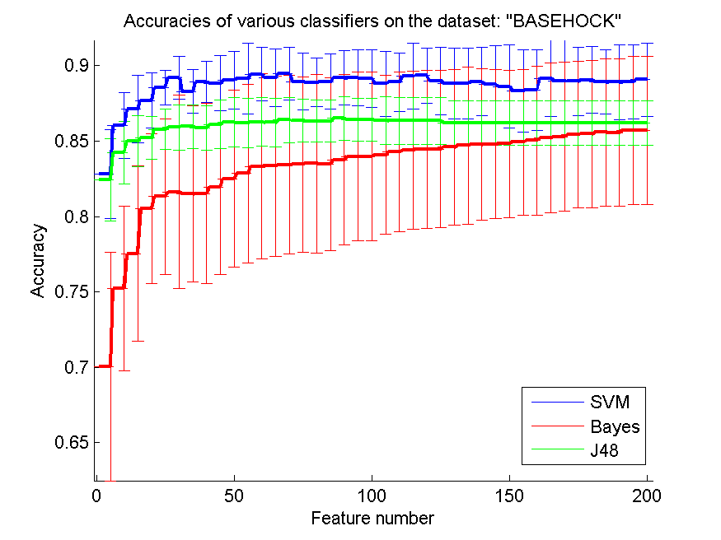
res_svm | res_svm_std | res_bayes | res_bayes_std | res_j48 | res_j48_std | res_red | res_red_std
0.82808142777 | 0.029392982639 | 0.70030674847 | 0.075673179147 | 0.82426101506 | 0.027188801403 | 0.21369995188 | 0.066879206582
0.8603736754 | 0.021828472923 | 0.75217512549 | 0.05483859473 | 0.84247071946 | 0.020807230826 | 0.1689285055 | 0.028063345527
0.8710819855 | 0.022440154316 | 0.7753485778 | 0.058006902578 | 0.85013943112 | 0.016910910373 | 0.15231824288 | 0.028535816574
0.87685443391 | 0.018392539593 | 0.80532626882 | 0.049752444649 | 0.85195203569 | 0.014219787022 | 0.14433937191 | 0.020647698833
0.88549916341 | 0.011410023977 | 0.81327384272 | 0.051628287052 | 0.85780814278 | 0.013233444273 | 0.14083352809 | 0.015223969968
0.892163971 | 0.014123673105 | 0.81628555494 | 0.06412731339 | 0.85911879532 | 0.015019262513 | 0.13583781337 | 0.017929335746
0.88284997211 | 0.01451491399 | 0.8149749024 | 0.058405813421 | 0.85959286113 | 0.014619880494 | 0.13258575217 | 0.019709391442
0.88931957613 | 0.013421389486 | 0.81528165086 | 0.059622753214 | 0.85881204685 | 0.014600158643 | 0.12550441557 | 0.018695908699
0.88837144451 | 0.018314645715 | 0.81954824317 | 0.057989083951 | 0.86098717234 | 0.016176413845 | 0.12220710759 | 0.01821168132
0.89040713887 | 0.019373031389 | 0.82504182934 | 0.058677699428 | 0.86235359732 | 0.016336262297 | 0.11838921226 | 0.017646064496
0.89149470162 | 0.023728900985 | 0.82844394869 | 0.059351617453 | 0.86207473508 | 0.016307675985 | 0.11383185294 | 0.016316398729
0.89436698271 | 0.01787596382 | 0.8331846068 | 0.061491202741 | 0.86266034579 | 0.016143995642 | 0.11011429229 | 0.015631585777
0.8919408812 | 0.019068421575 | 0.83337981037 | 0.059715017256 | 0.8623257111 | 0.01608853127 | 0.10882541655 | 0.016859321763
0.89478527607 | 0.017523440953 | 0.83424428332 | 0.059219675653 | 0.86397099833 | 0.014976144559 | 0.10346315343 | 0.015716766606
0.88954266592 | 0.018702249667 | 0.83452314557 | 0.058079249951 | 0.86352481874 | 0.014089814434 | 0.10075176506 | 0.016460809023
0.88887339654 | 0.016093211466 | 0.8351366425 | 0.059320163646 | 0.86327384272 | 0.013959276743 | 0.099010719944 | 0.016182347286
0.88948689347 | 0.018311069779 | 0.8349135527 | 0.057349928176 | 0.86327384272 | 0.013959276743 | 0.096013797791 | 0.014866091137
0.8919408812 | 0.018131012639 | 0.83750697156 | 0.056489439796 | 0.86503067485 | 0.014472584141 | 0.093261276435 | 0.013771101614
0.89199665365 | 0.018587046222 | 0.83979364194 | 0.055835487021 | 0.86427774679 | 0.014095826147 | 0.09156785032 | 0.013437012741
0.89166201896 | 0.019229153589 | 0.83982152817 | 0.0558380452 | 0.86427774679 | 0.014095826147 | 0.089823763205 | 0.013191205225
0.88817624094 | 0.021600197426 | 0.84085331846 | 0.052821908002 | 0.86366424986 | 0.015692081091 | 0.088832459793 | 0.012700295935
0.88906860011 | 0.019585163464 | 0.84280535416 | 0.052860635779 | 0.86355270496 | 0.015639620213 | 0.086548590314 | 0.012120948339
0.89305633017 | 0.021828922919 | 0.84383714445 | 0.052427350594 | 0.86355270496 | 0.015639620213 | 0.084980542209 | 0.012105093062
0.89344673731 | 0.018549309837 | 0.8445900725 | 0.052625975128 | 0.86355270496 | 0.015639620213 | 0.083439729348 | 0.012423369922
0.88990518684 | 0.022561752286 | 0.84478527607 | 0.052291368758 | 0.86355270496 | 0.015639620213 | 0.081591234665 | 0.011516900562
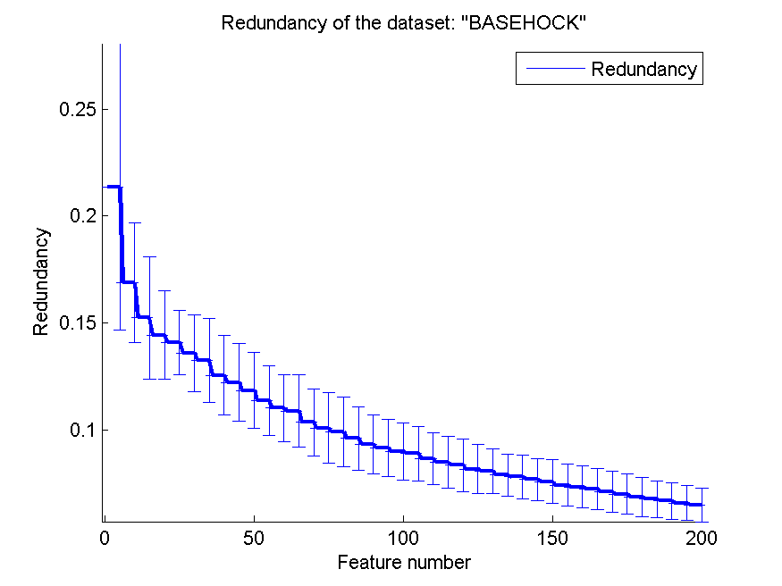
0.88837144451 | 0.023506249266 | 0.84595649749 | 0.051430990124 | 0.86226993865 | 0.014757639234 | 0.080503282985 | 0.010494742699
0.88837144451 | 0.023538960601 | 0.84698828779 | 0.051908376042 | 0.86226993865 | 0.014757639234 | 0.078760066264 | 0.0099190318355
0.88937534858 | 0.022621808631 | 0.84776910206 | 0.050308081091 | 0.86226993865 | 0.014757639234 | 0.077933674997 | 0.01021059717
0.88747908533 | 0.026109404503 | 0.84796430563 | 0.049363600125 | 0.86226993865 | 0.014757639234 | 0.076744571223 | 0.0099325298188
0.88630786392 | 0.027809961177 | 0.84821528165 | 0.048809244931 | 0.86226993865 | 0.014757639234 | 0.075697751241 | 0.010307671179
0.88337981037 | 0.027165307886 | 0.84935861684 | 0.0483677273 | 0.86226993865 | 0.014757639234 | 0.074137450145 | 0.0098275624623
0.88388176241 | 0.026574115482 | 0.85039040714 | 0.049324607649 | 0.86226993865 | 0.014757639234 | 0.073245611117 | 0.009840871634
0.89168990519 | 0.025152401174 | 0.85206358059 | 0.049718342636 | 0.86226993865 | 0.014757639234 | 0.072312800964 | 0.0095422950334
0.89012827663 | 0.026785448176 | 0.85295593977 | 0.049252330771 | 0.86226993865 | 0.014757639234 | 0.070959036282 | 0.0094711555412
0.8896263246 | 0.022703890116 | 0.85412716118 | 0.048599562057 | 0.86226993865 | 0.014757639234 | 0.06988637653 | 0.0093969167445
0.89057445622 | 0.022224868592 | 0.85476854434 | 0.048963669332 | 0.86226993865 | 0.014757639234 | 0.068646598344 | 0.0091207297295
0.88920803123 | 0.021411998742 | 0.85582822086 | 0.0488977899 | 0.86226993865 | 0.014757639234 | 0.067617873861 | 0.0086142185755
0.88915225878 | 0.02476227621 | 0.85566090351 | 0.04884254876 | 0.86226993865 | 0.014757639234 | 0.066680370097 | 0.0084542950434
0.88912437256 | 0.024599579932 | 0.85719464584 | 0.049318832052 | 0.86226993865 | 0.014757639234 | 0.065768854282 | 0.0082774226084
0.89079754601 | 0.024251042798 | 0.85711098717 | 0.049285003015 | 0.86226993865 | 0.014757639234 | 0.064953880592 | 0.007923272599

