warpAR10P
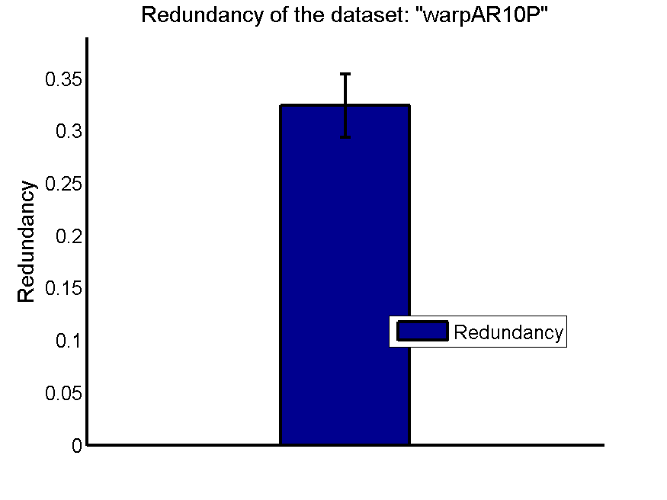
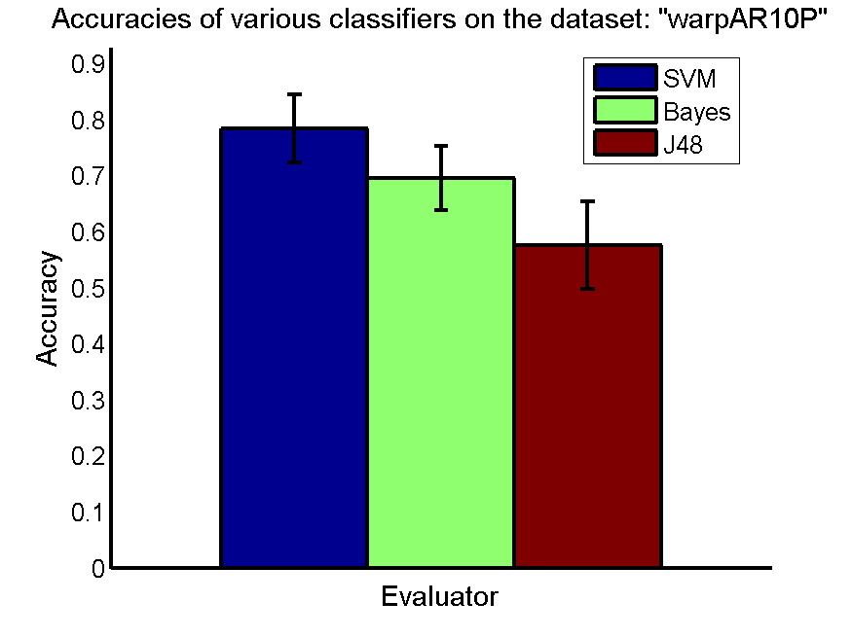
res_svm | res_svm_std | res_bayes | res_bayes_std | res_j48 | res_j48_std | res_red | res_red_std
0.78428571429 | 0.060235841538 | 0.695 | 0.057006416056 | 0.575 | 0.078228918534 | 0.3239391605 | 0.030096885631

TOX-171
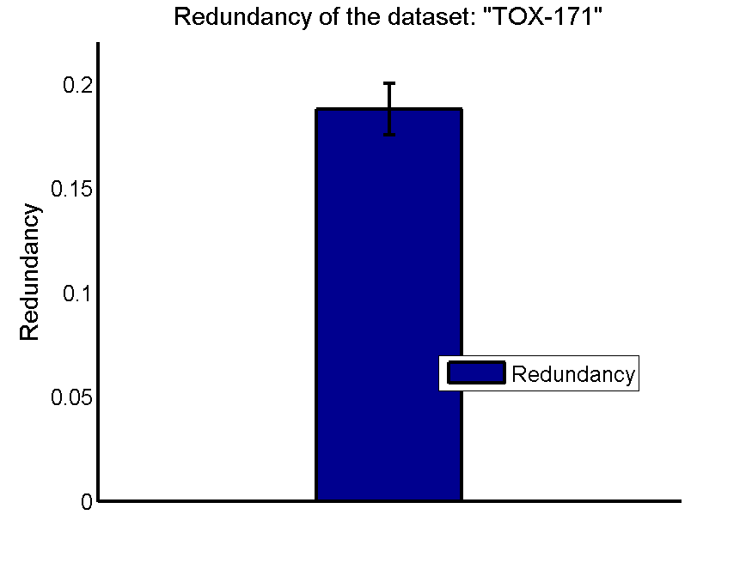
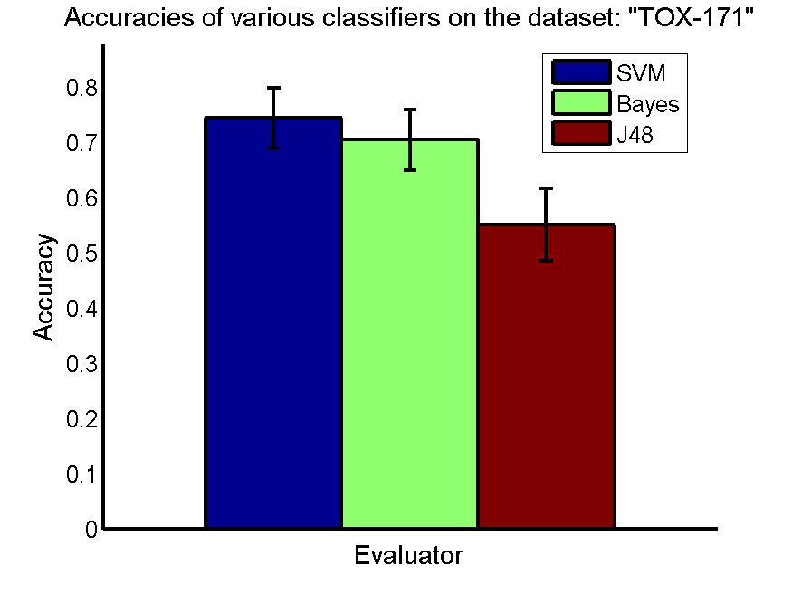
res_svm | res_svm_std | res_bayes | res_bayes_std | res_j48 | res_j48_std | res_red | res_red_std
0.74310344828 | 0.054333586029 | 0.70344827586 | 0.054630327438 | 0.55057471264 | 0.065330711643 | 0.18806576792 | 0.012256912419

SMK-CAN-187
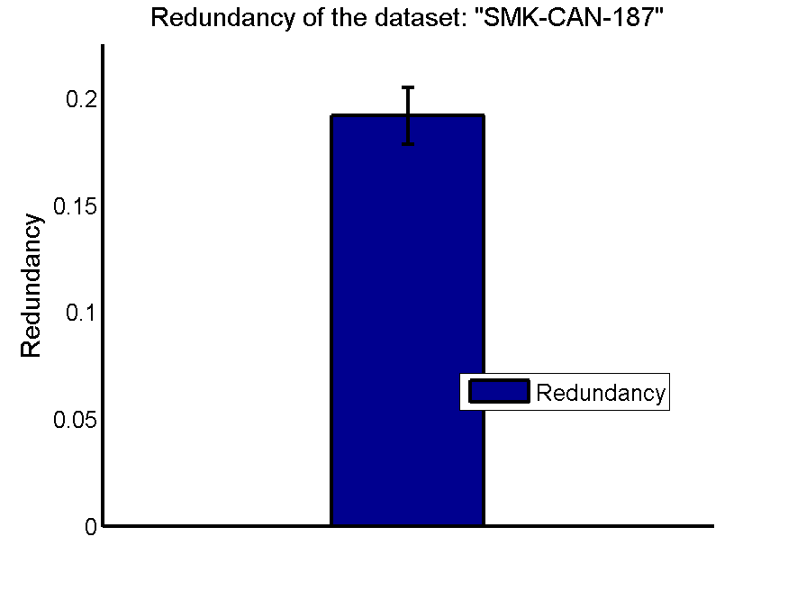
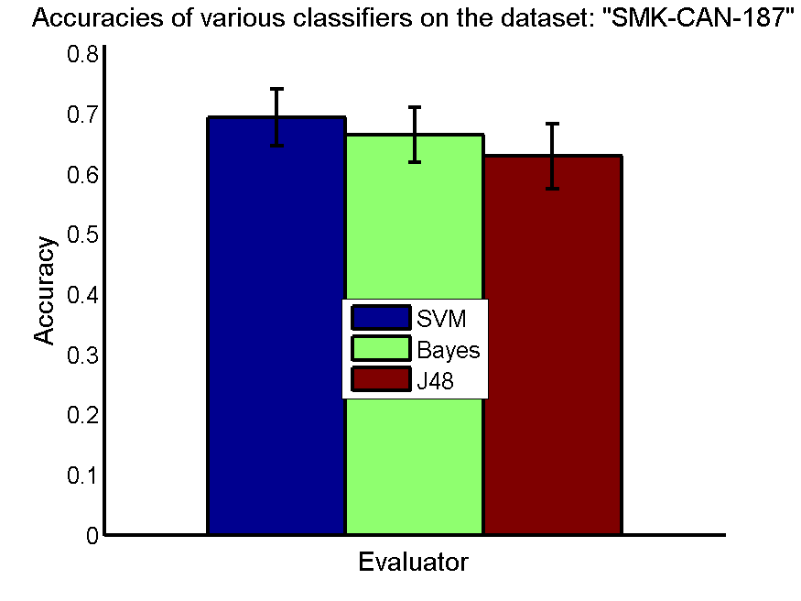
res_svm | res_svm_std | res_bayes | res_bayes_std | res_j48 | res_j48_std | res_red | res_red_std
0.69361702128 | 0.047400310651 | 0.66436170213 | 0.045721236733 | 0.62925531915 | 0.054384712753 | 0.19182986126 | 0.013174134866

RELATHE
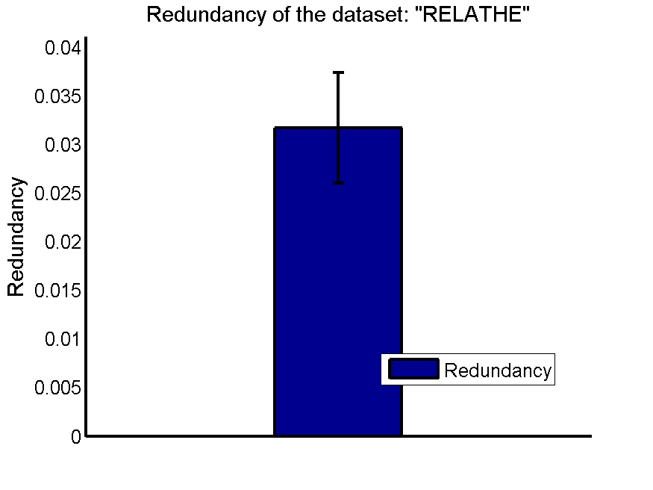
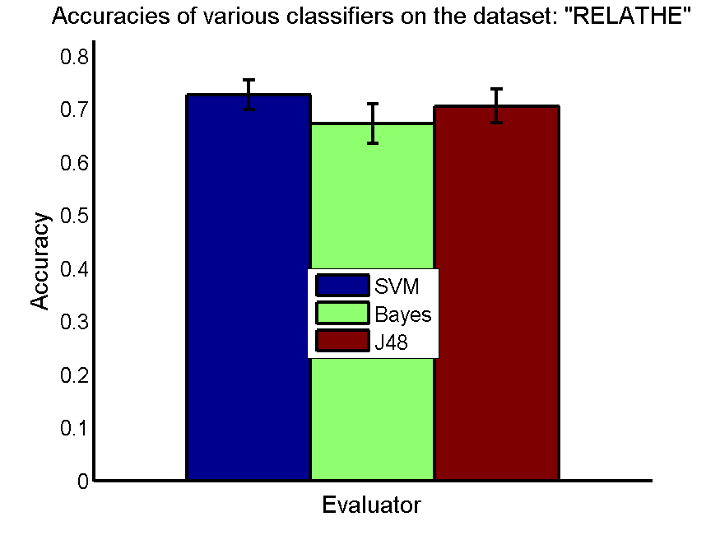
res_svm | res_svm_std | res_bayes | res_bayes_std | res_j48 | res_j48_std | res_red | res_red_std
0.72705786471 | 0.027787844979 | 0.67290138549 | 0.036577244776 | 0.70611246944 | 0.031561776734 | 0.031703937099 | 0.0057012650227

pixraw10P
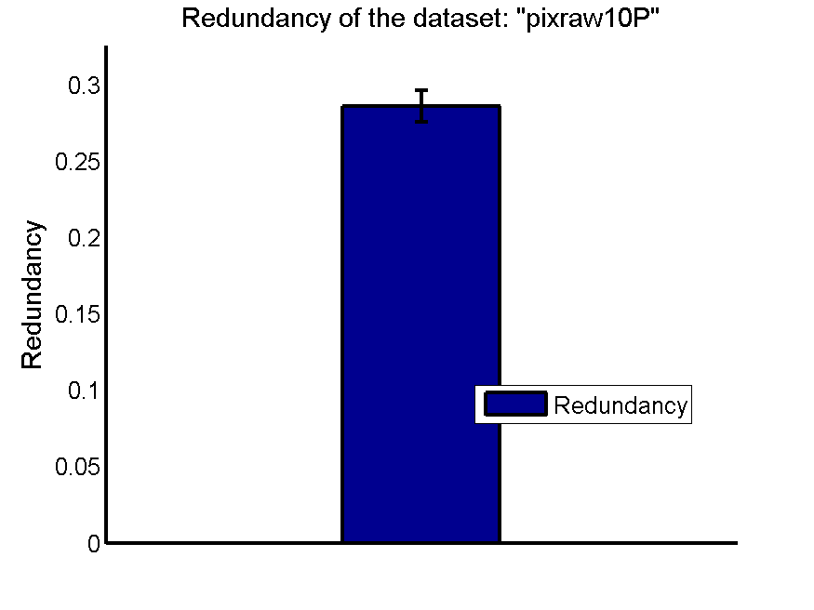
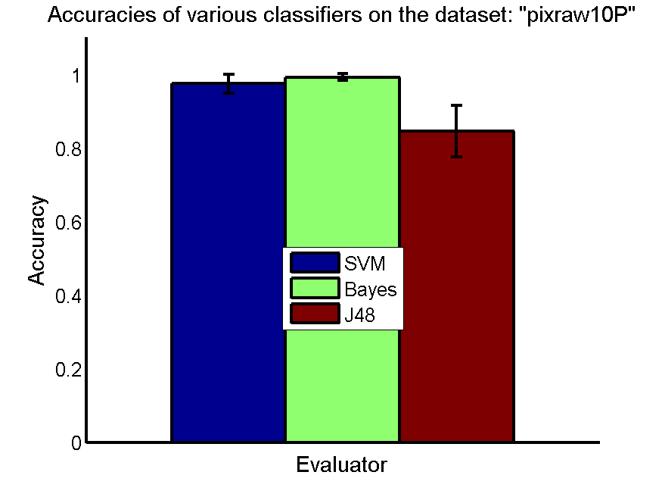
res_svm | res_svm_std | res_bayes | res_bayes_std | res_j48 | res_j48_std | res_red | res_red_std
0.976 | 0.025628931021 | 0.994 | 0.0094032469196 | 0.847 | 0.069365545823 | 0.28583425889 | 0.010405615357

PCMAC
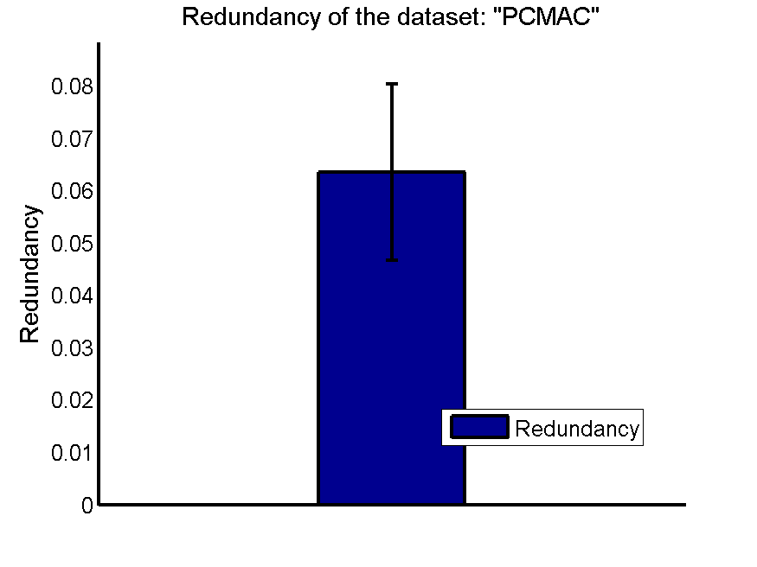
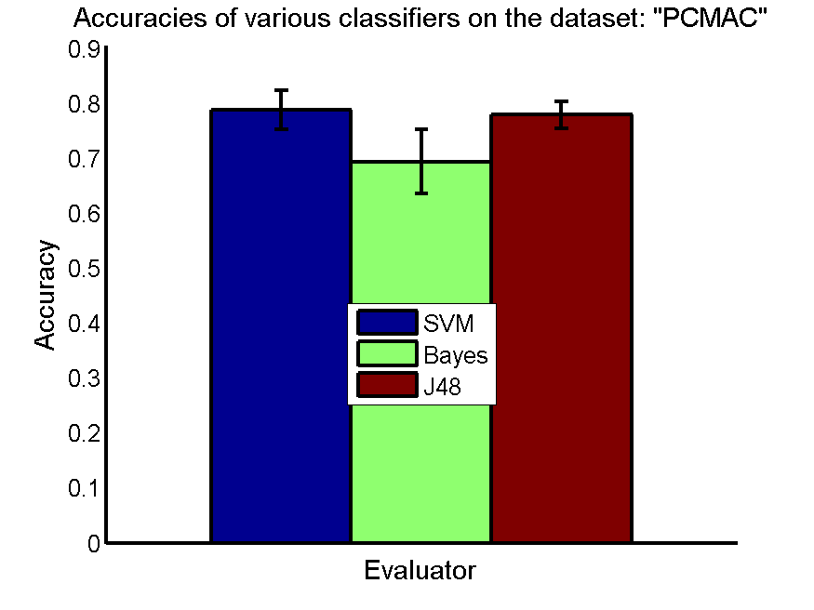
res_svm | res_svm_std | res_bayes | res_bayes_std | res_j48 | res_j48_std | res_red | res_red_std
0.78714859438 | 0.035792252348 | 0.69314400459 | 0.058381757926 | 0.77842799771 | 0.02471297813 | 0.063522531635 | 0.016867206323

orlraws10P

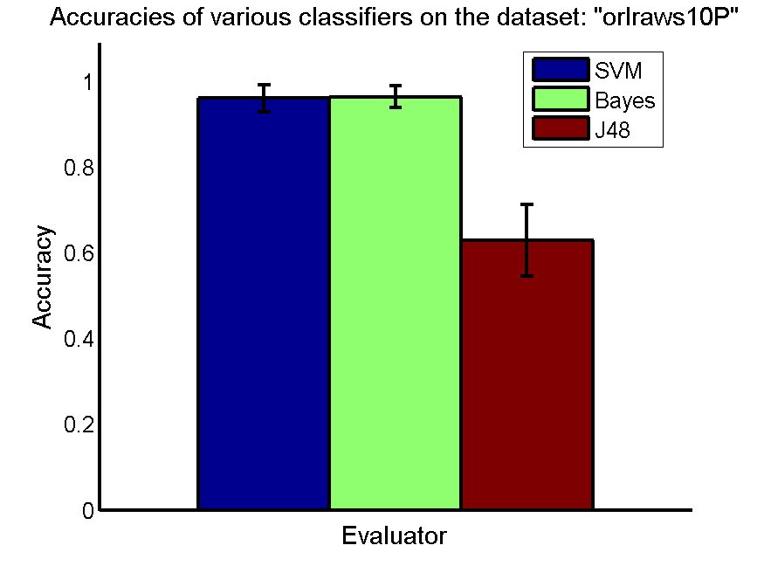
res_svm | res_svm_std | res_bayes | res_bayes_std | res_j48 | res_j48_std | res_red | res_red_std
0.96 | 0.031119464209 | 0.963 | 0.025360557855 | 0.629 | 0.083218166033 | 0.26974086086 | 0.0083666956058

GLI-85
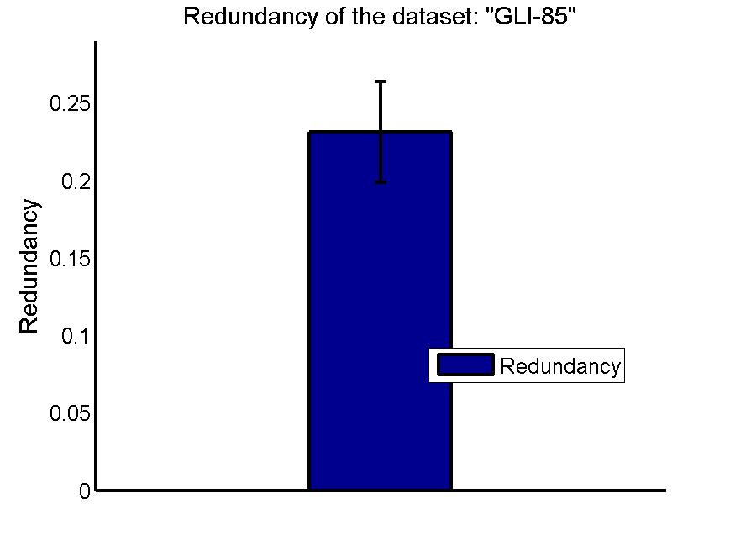
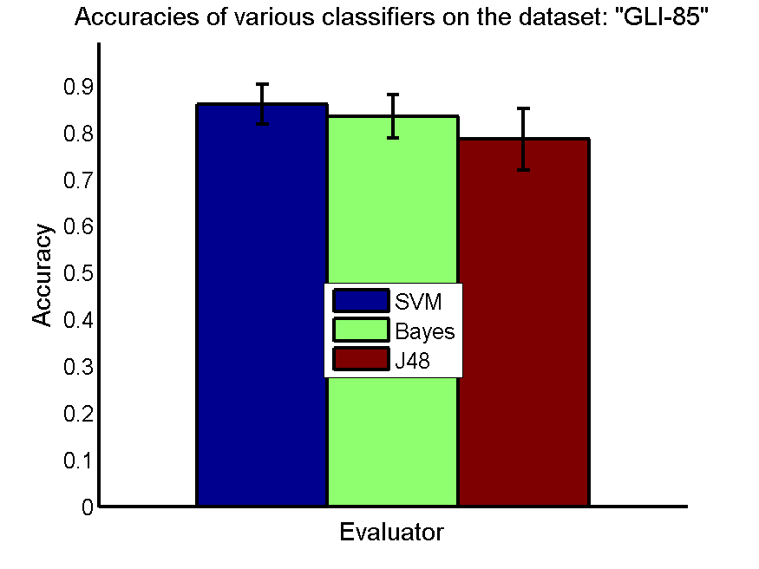
res_svm | res_svm_std | res_bayes | res_bayes_std | res_j48 | res_j48_std | res_red | res_red_std
0.86046511628 | 0.042681996999 | 0.83488372093 | 0.045833489674 | 0.78604651163 | 0.065604048277 | 0.23120976908 | 0.032443412599

GLA-BRA-180

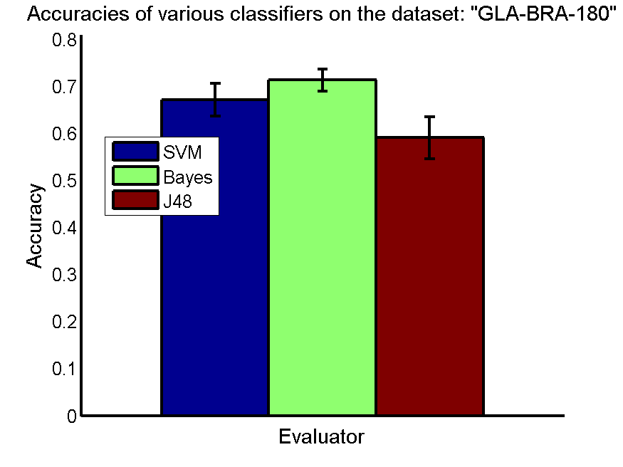
res_svm | res_svm_std | res_bayes | res_bayes_std | res_j48 | res_j48_std | res_red | res_red_std
0.67087912088 | 0.034654150353 | 0.71263736264 | 0.023181344077 | 0.59010989011 | 0.045252708208 | 0.18007001378 | 0.013005147001

CLL-SUB-111
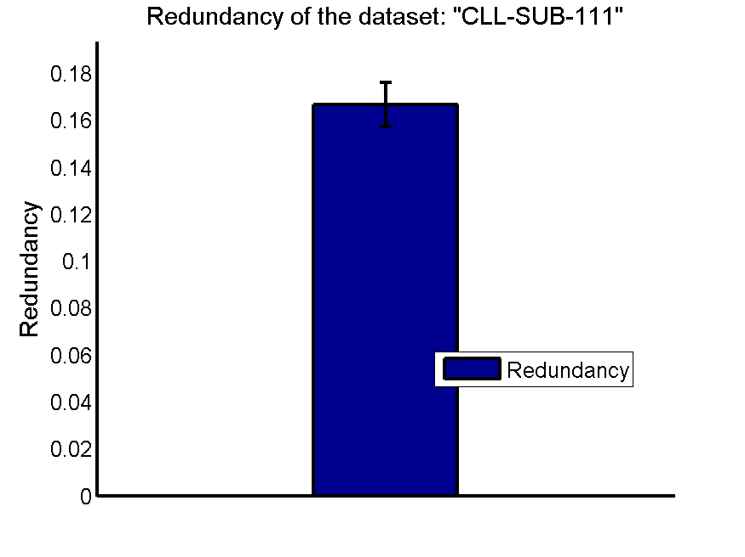
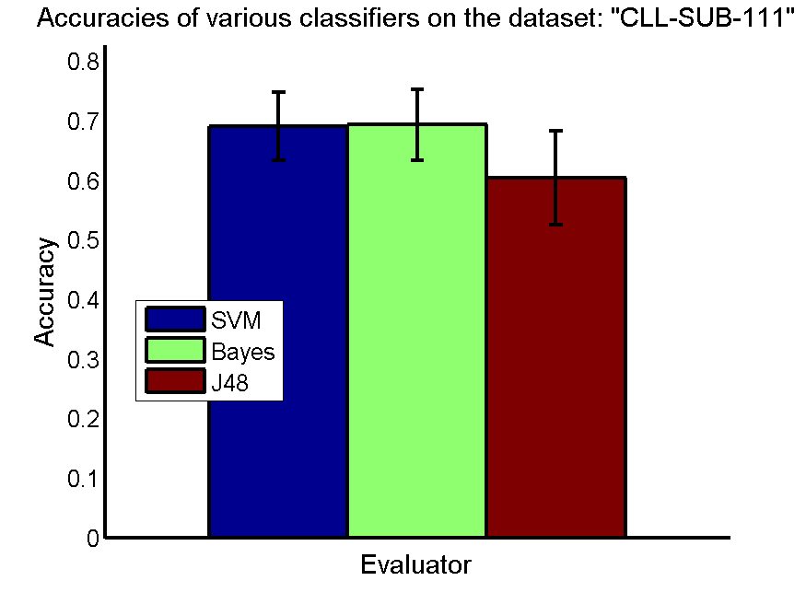
res_svm | res_svm_std | res_bayes | res_bayes_std | res_j48 | res_j48_std | res_red | res_red_std
0.69035087719 | 0.05728151128 | 0.69298245614 | 0.059289557735 | 0.60350877193 | 0.078952498038 | 0.16651359723 | 0.0094489617804

BASEHOCK
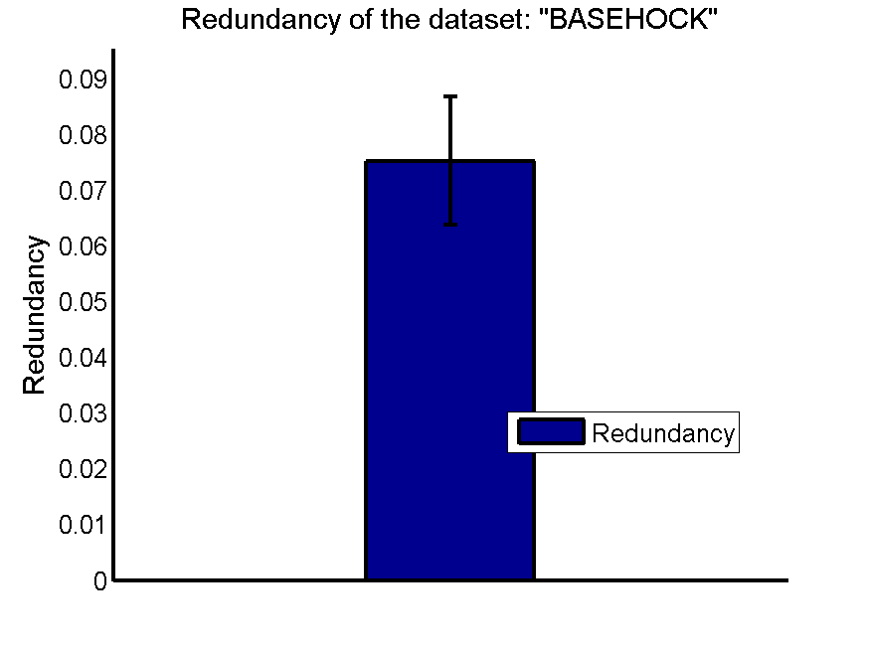
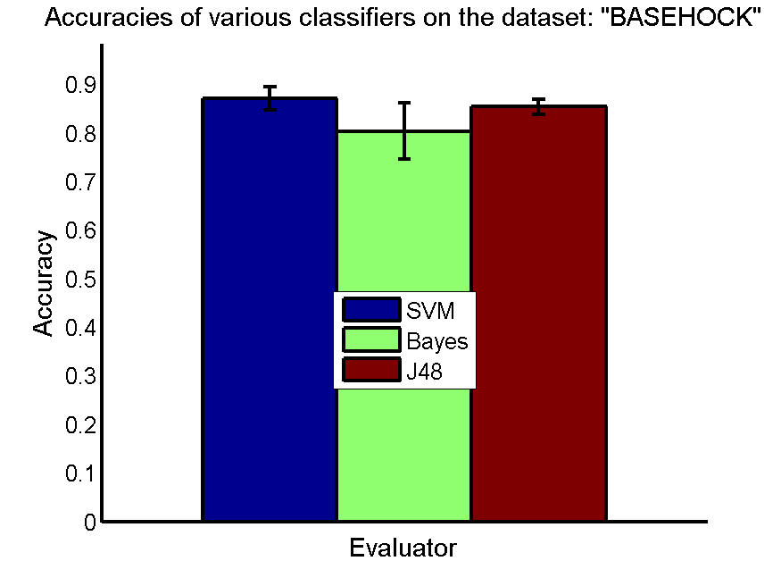
res_svm | res_svm_std | res_bayes | res_bayes_std | res_j48 | res_j48_std | res_red | res_red_std
0.87133296152 | 0.023550659519 | 0.80365309537 | 0.05823558884 | 0.85393195761 | 0.0152770221 | 0.075293027676 | 0.011487298192

