warpAR10P
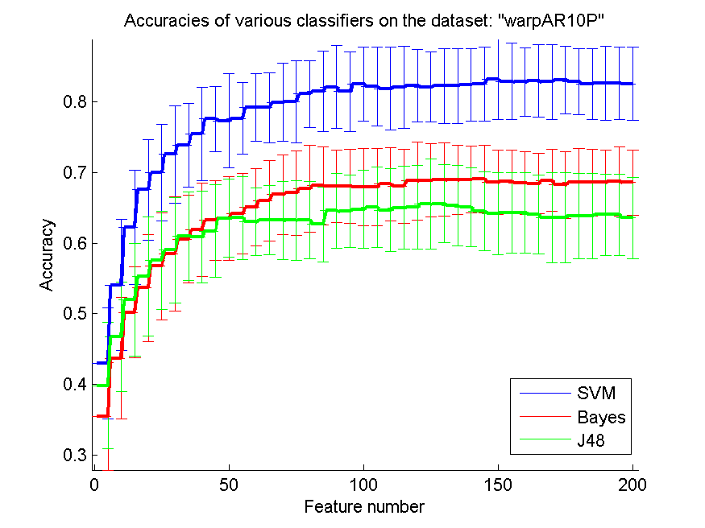
res_svm | res_svm_std | res_bayes | res_bayes_std | res_j48 | res_j48_std | res_red | res_red_std
0.43 | 0.078915854792 | 0.355 | 0.075915465452 | 0.39857142857 | 0.089382654142 | 0.64355954379 | 0.11950634919
0.54071428571 | 0.092497859005 | 0.43714285714 | 0.086014511802 | 0.46714285714 | 0.077293086802 | 0.68197344893 | 0.10638690471
0.62214285714 | 0.081008015675 | 0.50214285714 | 0.064101657985 | 0.52 | 0.079660935606 | 0.65379697729 | 0.075708872949
0.67571428571 | 0.071066752784 | 0.53642857143 | 0.075660358154 | 0.55285714286 | 0.084718526818 | 0.64549537858 | 0.070272427809
0.69928571429 | 0.068350992802 | 0.56714285714 | 0.075749034443 | 0.57571428571 | 0.069693205244 | 0.6489459536 | 0.066223144913
0.72571428571 | 0.068840324905 | 0.585 | 0.080609253639 | 0.59 | 0.074749851366 | 0.65284676845 | 0.0636401762
0.73857142857 | 0.05919256202 | 0.60571428571 | 0.061558701125 | 0.61 | 0.062373394863 | 0.6562550056 | 0.049314620435
0.75428571429 | 0.065972034566 | 0.61857142857 | 0.066053391157 | 0.60857142857 | 0.065119900981 | 0.65436708586 | 0.03927487057
0.77571428571 | 0.046372146164 | 0.63214285714 | 0.056171251118 | 0.61714285714 | 0.065481772375 | 0.65744243137 | 0.035731873956
0.77285714286 | 0.066668456832 | 0.635 | 0.058896949821 | 0.635 | 0.055128986529 | 0.66143263903 | 0.035246512467
0.77642857143 | 0.050619152538 | 0.64142857143 | 0.056935714781 | 0.63571428571 | 0.058535657516 | 0.66395180798 | 0.033975612486
0.79142857143 | 0.047809144373 | 0.65071428571 | 0.054737926536 | 0.63 | 0.047921346228 | 0.66521167668 | 0.034663472013
0.79142857143 | 0.049790107248 | 0.66 | 0.057067619642 | 0.63214285714 | 0.049023767225 | 0.66485455956 | 0.035044681078
0.79928571429 | 0.055128986529 | 0.66857142857 | 0.056118640629 | 0.63214285714 | 0.054816361721 | 0.66399946138 | 0.032880692494
0.8 | 0.058075102308 | 0.67071428571 | 0.060160008627 | 0.63214285714 | 0.055979703242 | 0.66345050418 | 0.030526241065
0.81071428571 | 0.046781481184 | 0.67714285714 | 0.061558701125 | 0.63285714286 | 0.054467444134 | 0.66497987305 | 0.030356428257
0.815 | 0.057044087572 | 0.68142857143 | 0.055250625145 | 0.62642857143 | 0.052698400117 | 0.66485541449 | 0.028615144542
0.82071428571 | 0.058531069902 | 0.68071428571 | 0.051041778553 | 0.64571428571 | 0.052764600964 | 0.66281647393 | 0.027521477604
0.81428571429 | 0.056385964689 | 0.68071428571 | 0.052289165423 | 0.645 | 0.051460933844 | 0.66209291718 | 0.026554505751
0.825 | 0.052820552261 | 0.67928571429 | 0.054541345091 | 0.64785714286 | 0.054894684836 | 0.66149709278 | 0.025049180917
0.82142857143 | 0.055328333517 | 0.67928571429 | 0.054737926536 | 0.65071428571 | 0.056855480385 | 0.66241383849 | 0.024994523924
0.81857142857 | 0.058462212497 | 0.68357142857 | 0.051669236391 | 0.64642857143 | 0.058787424947 | 0.66276752373 | 0.024502900481
0.82 | 0.058149036268 | 0.68071428571 | 0.052289165423 | 0.65 | 0.05871886816 | 0.6636477313 | 0.023539226506
0.82285714286 | 0.051277974996 | 0.68785714286 | 0.055090005449 | 0.65071428571 | 0.059260570807 | 0.66292935924 | 0.023608352833
0.82071428571 | 0.049590157022 | 0.68857142857 | 0.051736754144 | 0.655 | 0.063933874271 | 0.66243912527 | 0.025079605197
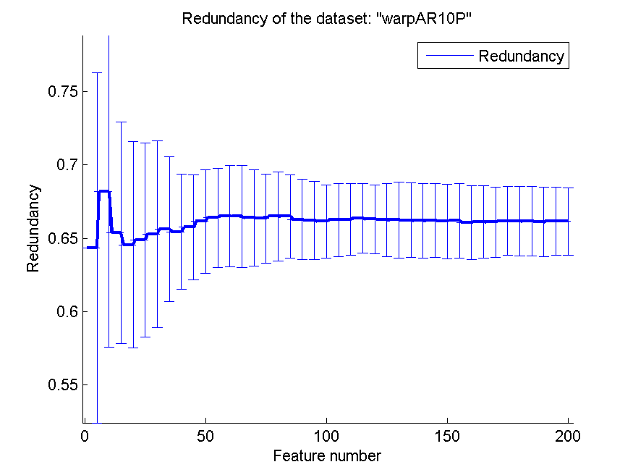
0.82214285714 | 0.053144918708 | 0.69 | 0.051424394149 | 0.65571428571 | 0.055211729945 | 0.66241654119 | 0.025926846769
0.82214285714 | 0.052739148934 | 0.68928571429 | 0.049242380427 | 0.65285714286 | 0.056595119214 | 0.66223075942 | 0.025479523233
0.82428571429 | 0.051215095787 | 0.69 | 0.046833113222 | 0.65071428571 | 0.056285866951 | 0.66201646805 | 0.025385097932
0.825 | 0.052820552261 | 0.69071428571 | 0.047781052741 | 0.645 | 0.056056400936 | 0.66203646403 | 0.025167299557
0.83142857143 | 0.056689934357 | 0.68571428571 | 0.045412537957 | 0.64214285714 | 0.057977920906 | 0.66159694676 | 0.025432160954
0.82857142857 | 0.054250087241 | 0.68714285714 | 0.044189806408 | 0.64285714286 | 0.057142857143 | 0.66197621295 | 0.025290169203
0.82785714286 | 0.04805005446 | 0.685 | 0.044086381373 | 0.64285714286 | 0.057142857143 | 0.66073837357 | 0.025317977896
0.82928571429 | 0.050873149462 | 0.68428571429 | 0.042957276505 | 0.64071428571 | 0.055671855831 | 0.66124262471 | 0.024769032196
0.82785714286 | 0.052942422568 | 0.68857142857 | 0.043627167602 | 0.63642857143 | 0.063799329601 | 0.66092521332 | 0.024144599589
0.83071428571 | 0.047329319104 | 0.68214285714 | 0.047238453997 | 0.63642857143 | 0.063799329601 | 0.66186202638 | 0.023458496922
0.82857142857 | 0.04658014587 | 0.68571428571 | 0.048389753112 | 0.63857142857 | 0.060093017765 | 0.66166574876 | 0.023741844838
0.825 | 0.050534203197 | 0.68571428571 | 0.047039074645 | 0.63857142857 | 0.060093017765 | 0.66160395831 | 0.023533581487
0.82642857143 | 0.052289165423 | 0.68571428571 | 0.046116650301 | 0.64 | 0.057629506704 | 0.66107113983 | 0.023602856661
0.82642857143 | 0.051041778553 | 0.68714285714 | 0.04880967663 | 0.64 | 0.057629506704 | 0.66177138435 | 0.023332516349
0.825 | 0.051793815804 | 0.68571428571 | 0.045883146774 | 0.63571428571 | 0.057236764942 | 0.66141439627 | 0.0228992712

TOX-171
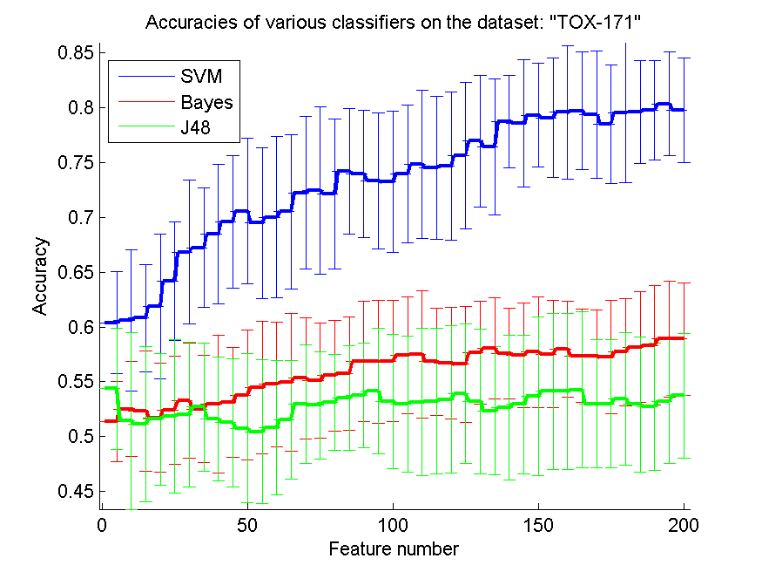
res_svm | res_svm_std | res_bayes | res_bayes_std | res_j48 | res_j48_std | res_red | res_red_std
0.60402298851 | 0.046648901878 | 0.51379310345 | 0.03693630506 | 0.54367816092 | 0.055200134194 | 0.54258697123 | 0.022284880817
0.60574712644 | 0.064495163974 | 0.52528735632 | 0.043665423048 | 0.51436781609 | 0.080492172198 | 0.57944597674 | 0.01989255875
0.60804597701 | 0.048751723764 | 0.52356321839 | 0.054741587712 | 0.51149425287 | 0.070707973762 | 0.58547739988 | 0.020172950868
0.61896551724 | 0.066005756674 | 0.51724137931 | 0.04961415258 | 0.51609195402 | 0.060120430879 | 0.58358724322 | 0.018510281963
0.64195402299 | 0.05420545571 | 0.52413793103 | 0.049107009938 | 0.5183908046 | 0.069956581351 | 0.58152795254 | 0.020670904895
0.6683908046 | 0.065370613138 | 0.53275862069 | 0.052378730803 | 0.52011494253 | 0.065858104401 | 0.57885821115 | 0.01821290329
0.6724137931 | 0.05410594601 | 0.52528735632 | 0.049206030366 | 0.52701149425 | 0.058285222099 | 0.5753327959 | 0.016368123218
0.68448275862 | 0.06355845401 | 0.52988505747 | 0.062724241529 | 0.51609195402 | 0.056297758967 | 0.56929218872 | 0.016980681689
0.69597701149 | 0.060647270209 | 0.53103448276 | 0.049977221867 | 0.51264367816 | 0.058300133001 | 0.56369748787 | 0.015392674008
0.70574712644 | 0.066334152085 | 0.53793103448 | 0.059034987833 | 0.50747126437 | 0.067977905324 | 0.5586910594 | 0.011263084372
0.69482758621 | 0.068912562852 | 0.54482758621 | 0.060523889549 | 0.50459770115 | 0.065330711643 | 0.55363511679 | 0.013233037072
0.7 | 0.073636911062 | 0.54770114943 | 0.056957778688 | 0.50804597701 | 0.061118396123 | 0.55085747228 | 0.014852562434
0.70517241379 | 0.070192255531 | 0.54942528736 | 0.062912420211 | 0.51551724138 | 0.054333586029 | 0.54722704988 | 0.015481051912
0.7224137931 | 0.069495343315 | 0.55344827586 | 0.055347951244 | 0.52988505747 | 0.053899925477 | 0.54221900812 | 0.016189795527
0.72471264368 | 0.07628755635 | 0.55114942529 | 0.052801839883 | 0.52873563218 | 0.04890836765 | 0.53762857877 | 0.014533568761
0.72126436782 | 0.068649710484 | 0.55574712644 | 0.050485953021 | 0.5316091954 | 0.043788665257 | 0.53160676623 | 0.014427828756
0.74195402299 | 0.057347113332 | 0.55747126437 | 0.051740939665 | 0.53505747126 | 0.047826532203 | 0.52797445948 | 0.014108477694
0.73965517241 | 0.057806042479 | 0.5683908046 | 0.054868466055 | 0.53793103448 | 0.047699144995 | 0.52398370962 | 0.013971799491
0.73333333333 | 0.061909678878 | 0.5683908046 | 0.05599743606 | 0.54137931034 | 0.057277349806 | 0.51840515553 | 0.014301912349
0.73218390805 | 0.06438725832 | 0.56896551724 | 0.054998212587 | 0.53218390805 | 0.061175255746 | 0.51363028438 | 0.015060610947
0.73965517241 | 0.062654916101 | 0.57413793103 | 0.053456243836 | 0.52988505747 | 0.062167473532 | 0.50956161838 | 0.014317458592
0.74827586207 | 0.067322637961 | 0.57528735632 | 0.057950212403 | 0.5316091954 | 0.066905615126 | 0.50559720261 | 0.01392912804
0.74540229885 | 0.065264154939 | 0.5683908046 | 0.049117628818 | 0.53218390805 | 0.066407490031 | 0.5021090434 | 0.013821110444
0.74655172414 | 0.067485119327 | 0.56724137931 | 0.051033910495 | 0.53390804598 | 0.067071698671 | 0.49895336543 | 0.014343226785
0.75632183908 | 0.066980922757 | 0.56609195402 | 0.052854490366 | 0.53908045977 | 0.06349551535 | 0.49569783925 | 0.015648148108
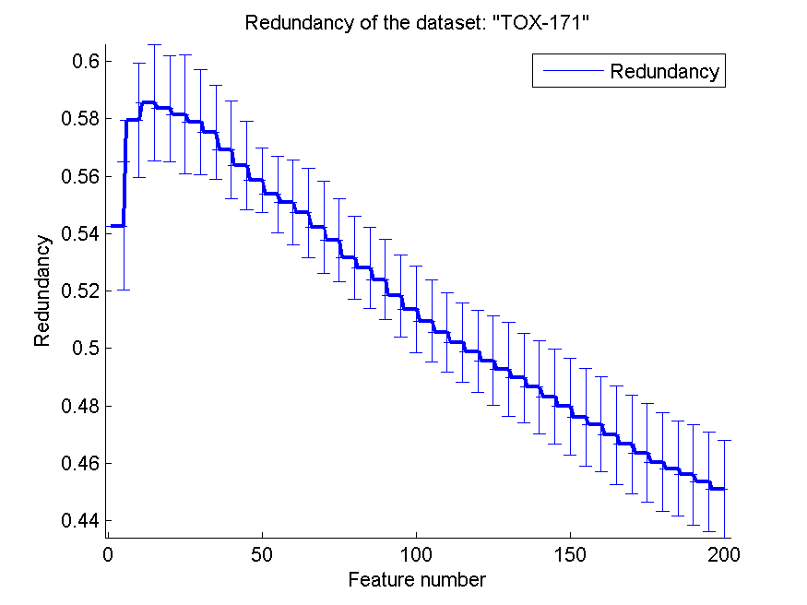
0.76954022989 | 0.059955387846 | 0.57643678161 | 0.046767999316 | 0.53218390805 | 0.065776225798 | 0.49270493878 | 0.016490306286
0.76436781609 | 0.061898446059 | 0.58045977011 | 0.046052569493 | 0.52356321839 | 0.05866574784 | 0.48975767802 | 0.015566953435
0.78735632184 | 0.041777342216 | 0.57586206897 | 0.041342323996 | 0.52643678161 | 0.065723346759 | 0.48649506328 | 0.016315238711
0.78563218391 | 0.057806042479 | 0.57413793103 | 0.047826532203 | 0.52931034483 | 0.063339267379 | 0.48322239965 | 0.016582081171
0.79310344828 | 0.047171418487 | 0.57701149425 | 0.050254721067 | 0.5367816092 | 0.072609899718 | 0.47980791725 | 0.016868409413
0.7908045977 | 0.054630327438 | 0.57528735632 | 0.049117628818 | 0.54137931034 | 0.071139363073 | 0.47598830075 | 0.017070599395
0.79597701149 | 0.060921823058 | 0.57988505747 | 0.043883840878 | 0.54137931034 | 0.071139363073 | 0.47360719992 | 0.016658301843
0.79712643678 | 0.053430221567 | 0.57356321839 | 0.042503385129 | 0.54252873563 | 0.071110033299 | 0.46990380282 | 0.017187153714
0.79367816092 | 0.057830095759 | 0.57356321839 | 0.042174915097 | 0.52988505747 | 0.05859755424 | 0.46659911249 | 0.017086360073
0.78505747126 | 0.054183001752 | 0.5724137931 | 0.051754377126 | 0.52988505747 | 0.05859755424 | 0.46361226147 | 0.017092587432
0.79540229885 | 0.06389942797 | 0.57701149425 | 0.04927663742 | 0.53448275862 | 0.060535377428 | 0.46036303439 | 0.017136261592
0.79597701149 | 0.046857123741 | 0.5816091954 | 0.050640665351 | 0.52931034483 | 0.061557684491 | 0.45809375979 | 0.016553275379
0.79770114943 | 0.045582090965 | 0.58333333333 | 0.054665319353 | 0.5275862069 | 0.058120949708 | 0.45595934608 | 0.017511261453
0.80344827586 | 0.047450672196 | 0.58908045977 | 0.053116959964 | 0.53218390805 | 0.056568837509 | 0.45362232447 | 0.017301205404
0.79770114943 | 0.047377343962 | 0.58908045977 | 0.051386949605 | 0.53735632184 | 0.056664022203 | 0.45089495533 | 0.017102711501

SMK-CAN-187
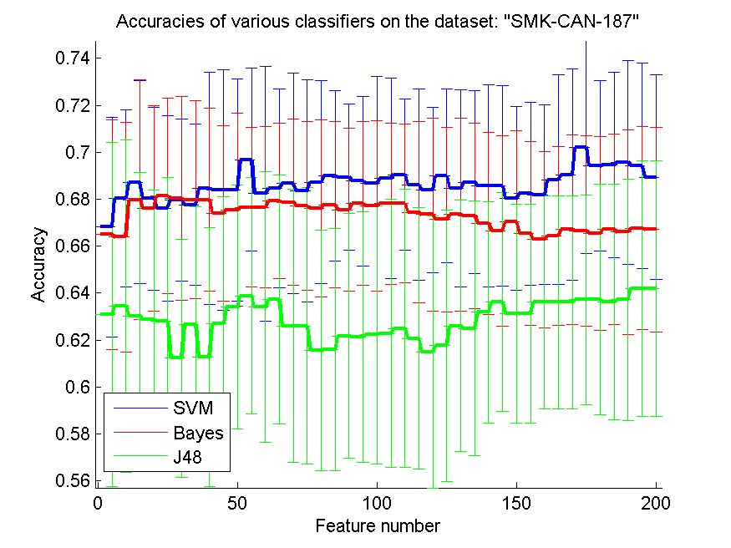
res_svm | res_svm_std | res_bayes | res_bayes_std | res_j48 | res_j48_std | res_red | res_red_std
0.66808510638 | 0.04664023504 | 0.66489361702 | 0.048994560811 | 0.63085106383 | 0.073225922263 | 0.30042323794 | 0.10635742507
0.68031914894 | 0.037568486777 | 0.66382978723 | 0.048860645747 | 0.63457446809 | 0.070758256324 | 0.33194578093 | 0.10571012684
0.68723404255 | 0.043302473817 | 0.67978723404 | 0.051066162694 | 0.63031914894 | 0.060953777477 | 0.34266160929 | 0.094922789149
0.68031914894 | 0.038969322377 | 0.67606382979 | 0.043859430717 | 0.62872340426 | 0.055105539864 | 0.34898760961 | 0.10295668602
0.67606382979 | 0.039576003294 | 0.68138297872 | 0.041486490267 | 0.62819148936 | 0.061207326002 | 0.35230516245 | 0.094487437963
0.67978723404 | 0.034497934071 | 0.68031914894 | 0.043450094364 | 0.61223404255 | 0.050665086499 | 0.356194274 | 0.095944206874
0.67765957447 | 0.034185729151 | 0.67978723404 | 0.04211702559 | 0.62659574468 | 0.05024302996 | 0.35878931938 | 0.091227382782
0.68457446809 | 0.04945137528 | 0.67978723404 | 0.038881333808 | 0.61276595745 | 0.055267440731 | 0.36064706548 | 0.088642716095
0.68404255319 | 0.051205942598 | 0.67393617021 | 0.037218041675 | 0.62712765957 | 0.054077172782 | 0.36076863441 | 0.088291411465
0.68404255319 | 0.047337437152 | 0.67553191489 | 0.041057127722 | 0.63404255319 | 0.051933615114 | 0.35728485255 | 0.082328130439
0.69680851064 | 0.038973143461 | 0.67659574468 | 0.033888228026 | 0.63882978723 | 0.050429406252 | 0.35817258158 | 0.083161182935
0.68244680851 | 0.054275077095 | 0.67659574468 | 0.034237961006 | 0.63404255319 | 0.057693056067 | 0.35832977979 | 0.082770926904
0.68457446809 | 0.042451586425 | 0.67925531915 | 0.032975110881 | 0.63723404255 | 0.052899534714 | 0.3586702411 | 0.081766025891
0.68670212766 | 0.047005971576 | 0.67872340426 | 0.035468457594 | 0.62606382979 | 0.058194196727 | 0.35858677948 | 0.081072563686
0.6835106383 | 0.047183042996 | 0.67712765957 | 0.035914881676 | 0.62606382979 | 0.058805122718 | 0.35858562829 | 0.080192893738
0.68723404255 | 0.043164699131 | 0.67606382979 | 0.037726703888 | 0.61542553191 | 0.0512262953 | 0.3580923023 | 0.078314515473
0.68989361702 | 0.036245064504 | 0.67765957447 | 0.03555232732 | 0.61595744681 | 0.051414899931 | 0.3559401333 | 0.078098590117
0.68936170213 | 0.031178514769 | 0.67553191489 | 0.034601376384 | 0.62180851064 | 0.052056765559 | 0.35624372529 | 0.077850555084
0.68776595745 | 0.036080350793 | 0.67819148936 | 0.035007836167 | 0.62127659574 | 0.053515252072 | 0.3584699437 | 0.076573083958
0.68670212766 | 0.045721236733 | 0.67712765957 | 0.036409033061 | 0.62234042553 | 0.054954002048 | 0.35843899025 | 0.077239607316
0.68882978723 | 0.042675496131 | 0.67819148936 | 0.034320498873 | 0.62287234043 | 0.057182315927 | 0.35867130693 | 0.076360988134
0.69042553191 | 0.032175124198 | 0.67819148936 | 0.033795823415 | 0.625 | 0.059369648711 | 0.35811343266 | 0.076429191883
0.68617021277 | 0.040619561472 | 0.67446808511 | 0.038496436846 | 0.62074468085 | 0.055790373894 | 0.35879009597 | 0.076462090968
0.68404255319 | 0.03521564997 | 0.67340425532 | 0.041144082555 | 0.61489361702 | 0.057816816788 | 0.35834068047 | 0.075991059499
0.68989361702 | 0.037057652901 | 0.67127659574 | 0.039338239428 | 0.61755319149 | 0.057700798889 | 0.35875385497 | 0.074491378221
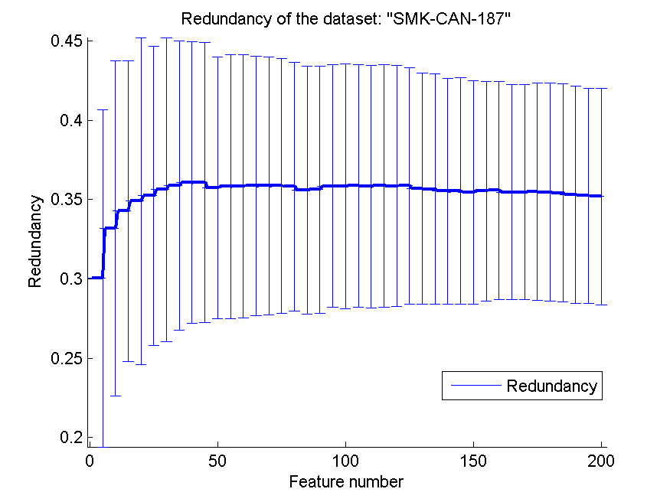
0.68457446809 | 0.042028540628 | 0.67340425532 | 0.040999055376 | 0.62606382979 | 0.053501337188 | 0.35680627929 | 0.072932198293
0.68723404255 | 0.038957856877 | 0.67287234043 | 0.039485595401 | 0.625 | 0.054121214058 | 0.35656043888 | 0.07243831741
0.68563829787 | 0.043036864868 | 0.66968085106 | 0.038662412127 | 0.63191489362 | 0.047123039771 | 0.35528939141 | 0.07113970522
0.68563829787 | 0.042619628987 | 0.6664893617 | 0.040439527253 | 0.63617021277 | 0.046512348222 | 0.35537796024 | 0.07139687857
0.68031914894 | 0.039273834313 | 0.67021276596 | 0.038896650466 | 0.63138297872 | 0.046598710322 | 0.35445880658 | 0.070544513254
0.68244680851 | 0.038938740209 | 0.66542553191 | 0.039121874624 | 0.63138297872 | 0.046598710322 | 0.35522274105 | 0.069377264451
0.68191489362 | 0.038107652526 | 0.66276595745 | 0.037508983302 | 0.63617021277 | 0.045345139202 | 0.35568613798 | 0.068930825327
0.68829787234 | 0.044750119612 | 0.66436170213 | 0.038197423327 | 0.63617021277 | 0.045345139202 | 0.35453985239 | 0.067845905293
0.69042553191 | 0.04512127625 | 0.6670212766 | 0.040413742608 | 0.63617021277 | 0.045345139202 | 0.35463536711 | 0.067629091152
0.70212765957 | 0.045266255166 | 0.6664893617 | 0.040439527253 | 0.63723404255 | 0.044590106753 | 0.35491970412 | 0.068419193948
0.69414893617 | 0.03634353441 | 0.66542553191 | 0.041342664248 | 0.63723404255 | 0.049043166539 | 0.35460599292 | 0.068859315437
0.69468085106 | 0.039519522598 | 0.6670212766 | 0.040560862653 | 0.63617021277 | 0.050207451272 | 0.35421450193 | 0.068591625956
0.69574468085 | 0.043439811535 | 0.66595744681 | 0.043439811535 | 0.63723404255 | 0.051414899931 | 0.35285074732 | 0.068496037331
0.69414893617 | 0.043641595787 | 0.66755319149 | 0.043230196856 | 0.6420212766 | 0.054494127838 | 0.35231537051 | 0.067923987792
0.68936170213 | 0.043604045813 | 0.6670212766 | 0.043672294478 | 0.6420212766 | 0.054494127838 | 0.35185046461 | 0.068342658289

RELATHE
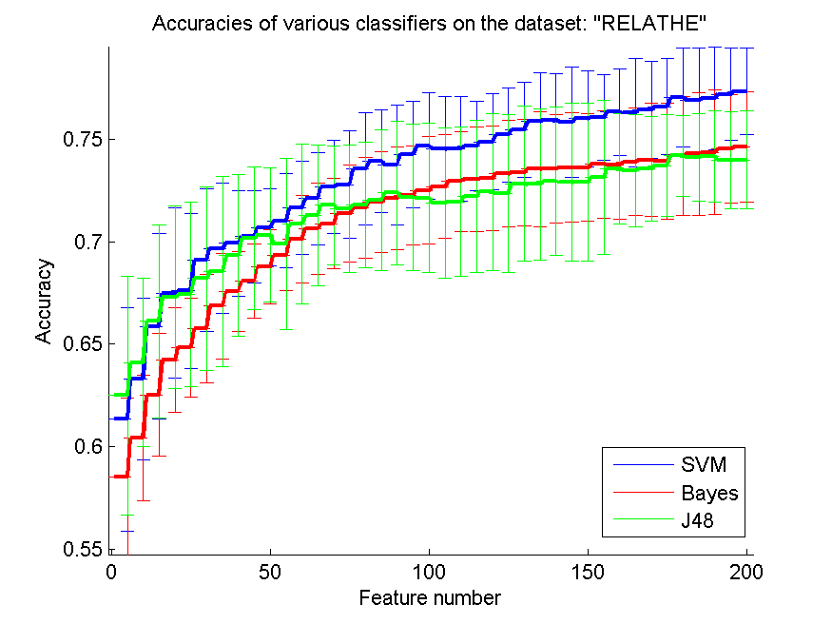
res_svm | res_svm_std | res_bayes | res_bayes_std | res_j48 | res_j48_std | res_red | res_red_std
0.61332518337 | 0.054402668848 | 0.58528932355 | 0.03838392193 | 0.62489812551 | 0.058410327294 | 0.30545209441 | 0.19750855636
0.63300733496 | 0.039502287384 | 0.60415647922 | 0.030688739065 | 0.64107579462 | 0.041050152033 | 0.21272722647 | 0.059990288586
0.65876120619 | 0.045158578207 | 0.62518337408 | 0.02994007549 | 0.66124694377 | 0.047143333066 | 0.15578775489 | 0.03338674433
0.6750203749 | 0.041521349283 | 0.64217603912 | 0.025612521889 | 0.6728606357 | 0.04452734897 | 0.13255930748 | 0.02979230411
0.67599837001 | 0.037824458171 | 0.64845150774 | 0.024119176465 | 0.67428687857 | 0.04508666181 | 0.11692695886 | 0.022180916076
0.69103504482 | 0.034636847401 | 0.65749796251 | 0.02636632642 | 0.68202933985 | 0.044781685164 | 0.10132141609 | 0.015721083875
0.6966992665 | 0.031880138527 | 0.66870415648 | 0.025707922242 | 0.68545232274 | 0.046450233479 | 0.095196884921 | 0.013056904101
0.69918500407 | 0.025814314157 | 0.67571312143 | 0.01967555423 | 0.69331703341 | 0.039473072134 | 0.088110318767 | 0.011425803619
0.70252648737 | 0.022416482041 | 0.68080684597 | 0.018008265364 | 0.70171149144 | 0.034938424495 | 0.083402052307 | 0.01021201029
0.70704971475 | 0.019011520594 | 0.68773431133 | 0.01822822651 | 0.7032599837 | 0.032824154251 | 0.078283867552 | 0.0089954381639
0.71026894866 | 0.02280992607 | 0.69335778321 | 0.017068638122 | 0.6988997555 | 0.041854769531 | 0.074269468055 | 0.0078095842385
0.71650366748 | 0.022705122566 | 0.7011002445 | 0.021386748158 | 0.7087204564 | 0.039165710351 | 0.071392883617 | 0.00707453101
0.72118989405 | 0.022539191986 | 0.7065607172 | 0.022254447532 | 0.71283618582 | 0.034307639927 | 0.068872300234 | 0.006108205034
0.72660961695 | 0.022713127546 | 0.70880195599 | 0.022165712788 | 0.71780766096 | 0.029160428558 | 0.067328974783 | 0.0055228195787
0.72787286064 | 0.026135974268 | 0.71369193154 | 0.023595800708 | 0.71609616952 | 0.031097447461 | 0.065430258411 | 0.0052231241455
0.73545232274 | 0.027421217116 | 0.71654441728 | 0.02456485071 | 0.71784841076 | 0.030680194303 | 0.064029083003 | 0.0051917675548
0.7391605542 | 0.025078738389 | 0.71939690302 | 0.024769638698 | 0.72029339853 | 0.0341670636 | 0.062373080674 | 0.0045208166693
0.73748981255 | 0.029098051827 | 0.72131214344 | 0.025183068683 | 0.72383863081 | 0.035144214094 | 0.061136264165 | 0.004243445316
0.74258353708 | 0.025821592189 | 0.72265688672 | 0.024172492496 | 0.72163814181 | 0.035716691427 | 0.059449027449 | 0.0040789027218
0.74657701711 | 0.026032206424 | 0.7250203749 | 0.026174067433 | 0.72131214344 | 0.036396351047 | 0.058658838675 | 0.0041677408194
0.74527302363 | 0.025676592657 | 0.72689486553 | 0.02523496818 | 0.71903015485 | 0.036697091183 | 0.057523748043 | 0.0039360057576
0.74535452323 | 0.025733712417 | 0.72942135289 | 0.024418401507 | 0.7195599022 | 0.036510879111 | 0.056436217394 | 0.0037821096285
0.7466992665 | 0.021787917854 | 0.73052159739 | 0.025494594916 | 0.72208638957 | 0.037127185279 | 0.055886854383 | 0.0034886657975
0.74881825591 | 0.023652772424 | 0.73080684597 | 0.025465542644 | 0.72432762836 | 0.038213777611 | 0.05506686988 | 0.0033217624983
0.75211898941 | 0.022963856073 | 0.73321108394 | 0.026007754013 | 0.72351263244 | 0.03843452729 | 0.054301741758 | 0.0033190118927
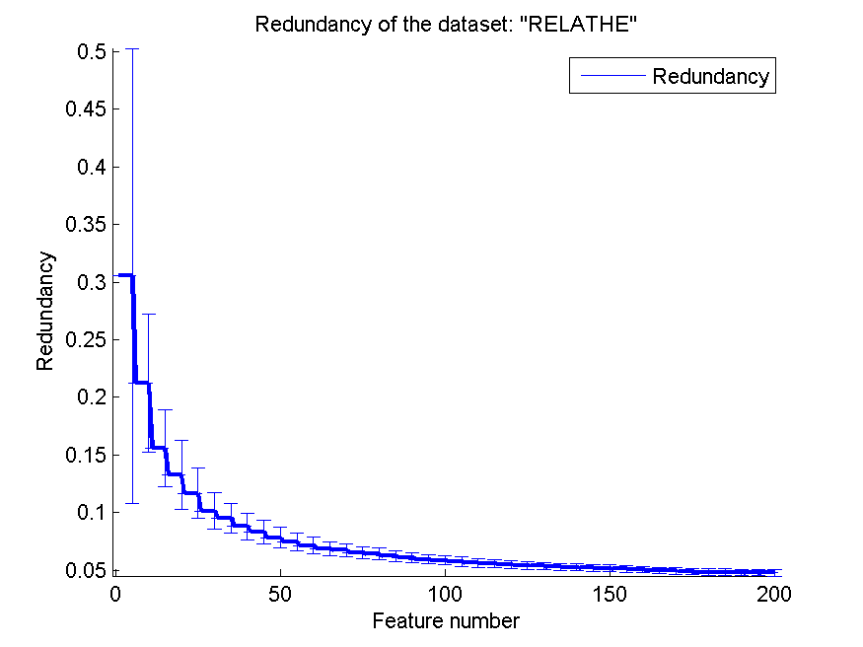
0.75448247759 | 0.023193495045 | 0.73394458028 | 0.025985162132 | 0.72832110839 | 0.037767852352 | 0.053651354078 | 0.0030644980578
0.75876120619 | 0.023712408551 | 0.73545232274 | 0.027932773322 | 0.72807660962 | 0.0368912955 | 0.053085433059 | 0.0030552266161
0.75933170334 | 0.022647812244 | 0.73561532192 | 0.026313934841 | 0.72942135289 | 0.036135624717 | 0.052629470179 | 0.0030423139931
0.75831295844 | 0.027090397186 | 0.73618581907 | 0.026588438797 | 0.72905460473 | 0.03842688615 | 0.052111302616 | 0.0029890108421
0.75998370008 | 0.023571193794 | 0.73626731866 | 0.026045531377 | 0.72917685412 | 0.038448372987 | 0.051656489304 | 0.0029685796281
0.76075794621 | 0.020767419662 | 0.73773431133 | 0.026407032981 | 0.73133659332 | 0.037601800477 | 0.051245054098 | 0.0029916101347
0.76324368378 | 0.021008465421 | 0.73728606357 | 0.026251253192 | 0.73573757131 | 0.026951186854 | 0.050701662709 | 0.0028770151229
0.76287693562 | 0.026523110879 | 0.73891605542 | 0.026287184571 | 0.7347595762 | 0.027376655597 | 0.049966794693 | 0.0027722107624
0.76446617767 | 0.023534829353 | 0.74001629992 | 0.027631531316 | 0.7358190709 | 0.025534329516 | 0.049386056233 | 0.0027990543185
0.76597392013 | 0.023578274619 | 0.73948655257 | 0.028338916366 | 0.73712306438 | 0.024854703452 | 0.048732641826 | 0.002755100845
0.77033414833 | 0.024022341877 | 0.74189079055 | 0.029044178525 | 0.74189079055 | 0.019706090913 | 0.048332433678 | 0.0027743301441
0.76911165444 | 0.025512174833 | 0.74286878566 | 0.029922088621 | 0.74111654442 | 0.021275961994 | 0.048251244681 | 0.0027932872635
0.77013039935 | 0.025127479767 | 0.74360228199 | 0.030471877421 | 0.74160554197 | 0.022245020311 | 0.048091992704 | 0.0027642015535
0.77196414018 | 0.022636232384 | 0.74539527302 | 0.026491359752 | 0.73977180114 | 0.023808191091 | 0.047870237329 | 0.0027870984602
0.77326813366 | 0.021144641503 | 0.74616951915 | 0.026833671213 | 0.73985330073 | 0.02391294796 | 0.047773971156 | 0.0027258922444

pixraw10P
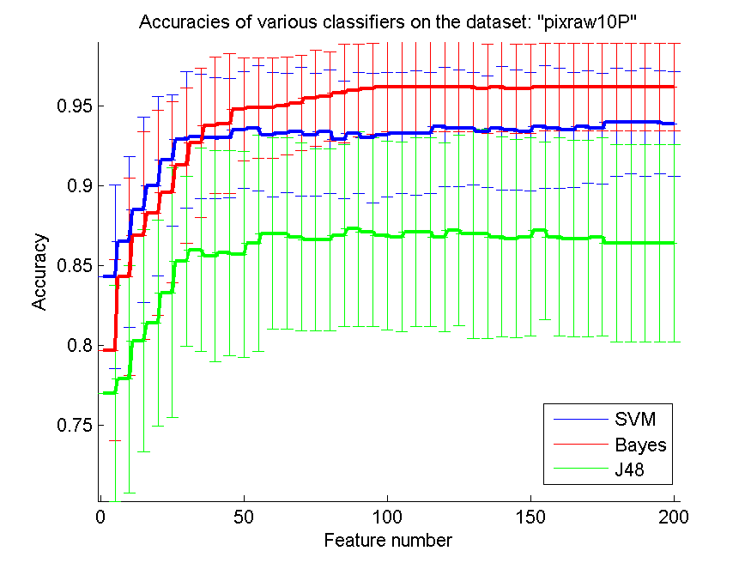
res_svm | res_svm_std | res_bayes | res_bayes_std | res_j48 | res_j48_std | res_red | res_red_std
0.843 | 0.05740896684 | 0.797 | 0.056670794483 | 0.77 | 0.067590095818 | 0.76233674715 | 0.063552574847
0.865 | 0.05345928111 | 0.843 | 0.061993208457 | 0.779 | 0.071222409247 | 0.8273932348 | 0.09070344554
0.885 | 0.057992740017 | 0.869 | 0.06504249623 | 0.803 | 0.069668387455 | 0.84203896286 | 0.10158155218
0.9 | 0.056195148695 | 0.883 | 0.064326469955 | 0.814 | 0.064595909924 | 0.84176888306 | 0.11097754641
0.916 | 0.04134578194 | 0.896 | 0.056791400387 | 0.833 | 0.078210242969 | 0.84781219651 | 0.10041155046
0.929 | 0.042784650469 | 0.913 | 0.048677239899 | 0.853 | 0.053222472499 | 0.84000960046 | 0.097599151625
0.931 | 0.039189149948 | 0.927 | 0.046915377347 | 0.86 | 0.063577553139 | 0.83658014876 | 0.088672913149
0.93 | 0.03811340419 | 0.938 | 0.042993267527 | 0.856 | 0.066046235799 | 0.83388483811 | 0.080231650421
0.93 | 0.037556974263 | 0.939 | 0.043757706088 | 0.858 | 0.064203623443 | 0.83366719003 | 0.074293965106
0.935 | 0.036634754853 | 0.948 | 0.032052588367 | 0.857 | 0.064652919501 | 0.83136052915 | 0.072313894033
0.936 | 0.039256243218 | 0.949 | 0.031439164312 | 0.864 | 0.067621236154 | 0.83215529526 | 0.069729662977
0.932 | 0.039148838794 | 0.949 | 0.031439164312 | 0.87 | 0.06 | 0.83415971755 | 0.068131809066
0.933 | 0.037430637606 | 0.95 | 0.030779350563 | 0.87 | 0.06 | 0.83570873775 | 0.067097291078
0.934 | 0.040574817183 | 0.952 | 0.030017538733 | 0.868 | 0.058902238363 | 0.83678216475 | 0.068974525401
0.932 | 0.038607335 | 0.955 | 0.030348848933 | 0.866 | 0.056976449428 | 0.83693997881 | 0.066569809923
0.934 | 0.038987177379 | 0.956 | 0.027984958366 | 0.866 | 0.056976449428 | 0.83756336494 | 0.063974304172
0.929 | 0.036977945063 | 0.958 | 0.031051739505 | 0.869 | 0.057114842757 | 0.83964077948 | 0.063570638799
0.933 | 0.037988918052 | 0.96 | 0.029019050004 | 0.873 | 0.06096590937 | 0.84182783664 | 0.062375369683
0.93 | 0.040781832901 | 0.961 | 0.028635642127 | 0.871 | 0.05928521605 | 0.84449907261 | 0.060901489511
0.932 | 0.039148838794 | 0.962 | 0.028209740759 | 0.869 | 0.05928521605 | 0.84688240209 | 0.059680233568
0.933 | 0.037988918052 | 0.962 | 0.028209740759 | 0.868 | 0.05961278563 | 0.8488418032 | 0.058514722465
0.933 | 0.039081561139 | 0.962 | 0.028209740759 | 0.871 | 0.05928521605 | 0.85132998616 | 0.056934313597
0.933 | 0.037988918052 | 0.962 | 0.028209740759 | 0.871 | 0.05928521605 | 0.85389831211 | 0.055454635105
0.937 | 0.037430637606 | 0.962 | 0.028209740759 | 0.868 | 0.059258576994 | 0.85545284242 | 0.055885742156
0.936 | 0.036476380245 | 0.962 | 0.028209740759 | 0.872 | 0.05961278563 | 0.85787035529 | 0.055021325495
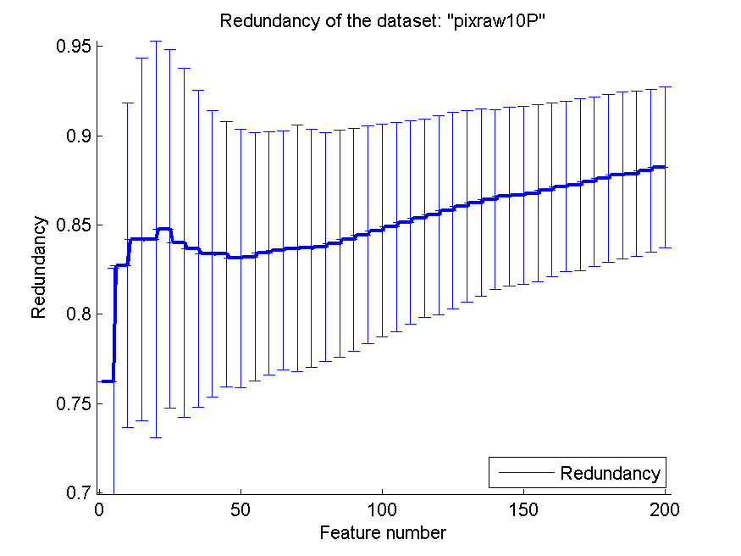
0.936 | 0.035303198006 | 0.962 | 0.028209740759 | 0.87 | 0.065694668533 | 0.86050942686 | 0.053780377348
0.934 | 0.035003759197 | 0.961 | 0.027890764365 | 0.87 | 0.065694668533 | 0.86250194919 | 0.052281704473
0.936 | 0.038716241662 | 0.962 | 0.028209740759 | 0.868 | 0.062710697484 | 0.86432748044 | 0.050304240533
0.935 | 0.037766596212 | 0.961 | 0.027890764365 | 0.867 | 0.062331879146 | 0.8659925605 | 0.049970814773
0.934 | 0.037332080179 | 0.961 | 0.027890764365 | 0.868 | 0.062035643405 | 0.86654118452 | 0.049759754673
0.937 | 0.038539112054 | 0.962 | 0.027453309646 | 0.872 | 0.055592502334 | 0.8676991954 | 0.049546195774
0.936 | 0.037612987679 | 0.962 | 0.027453309646 | 0.868 | 0.062035643405 | 0.86963734218 | 0.048626772492
0.935 | 0.036055512755 | 0.962 | 0.027453309646 | 0.867 | 0.061652677408 | 0.87141439465 | 0.047646767981
0.937 | 0.035108853284 | 0.962 | 0.027453309646 | 0.867 | 0.061652677408 | 0.87248101706 | 0.048321841789
0.936 | 0.034701736647 | 0.962 | 0.027453309646 | 0.868 | 0.062035643405 | 0.87412792298 | 0.047555067021
0.94 | 0.033717089217 | 0.962 | 0.027453309646 | 0.864 | 0.061763555938 | 0.87614974354 | 0.046989889553
0.94 | 0.032444284226 | 0.962 | 0.027453309646 | 0.864 | 0.061763555938 | 0.87782637153 | 0.046798806678
0.94 | 0.033717089217 | 0.962 | 0.027453309646 | 0.864 | 0.061763555938 | 0.87865820982 | 0.046340649143
0.94 | 0.032444284226 | 0.962 | 0.027453309646 | 0.864 | 0.061763555938 | 0.88040260352 | 0.045715835897
0.939 | 0.032751054623 | 0.962 | 0.027453309646 | 0.864 | 0.061763555938 | 0.88219078934 | 0.045076675249

PCMAC
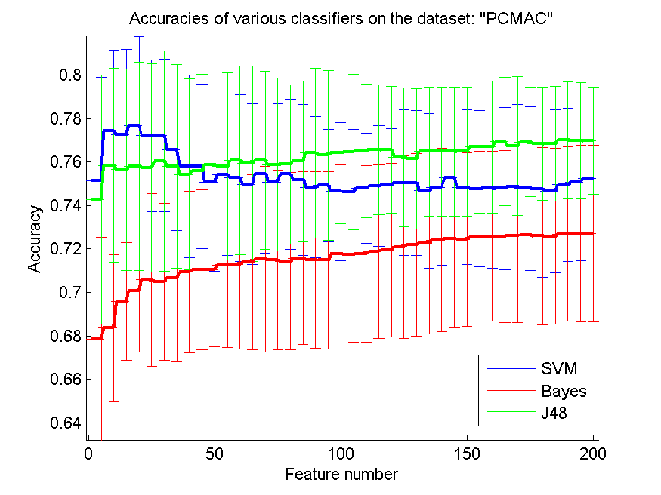
res_svm | res_svm_std | res_bayes | res_bayes_std | res_j48 | res_j48_std | res_red | res_red_std
0.75137693632 | 0.047714914282 | 0.6785427424 | 0.046778733788 | 0.74274239816 | 0.057191913635 | 0.14049284908 | 0.056926667068
0.77441193345 | 0.0370819665 | 0.68353413655 | 0.033790212677 | 0.75843373494 | 0.04452279115 | 0.12444111775 | 0.043997129478
0.77243258749 | 0.039243106619 | 0.69566838784 | 0.027075905619 | 0.75648307516 | 0.046351771358 | 0.11502391196 | 0.036042866501
0.77676419966 | 0.0407375131 | 0.70077452668 | 0.028332191056 | 0.75806081469 | 0.047932924417 | 0.11062990537 | 0.028419371056
0.77205966724 | 0.035016233784 | 0.70573723465 | 0.039820097972 | 0.75731497418 | 0.047905773741 | 0.1042147914 | 0.02820358792
0.77217441193 | 0.03503839139 | 0.7049340218 | 0.036125209358 | 0.76038439472 | 0.05075777112 | 0.099018046411 | 0.027367762939
0.76560527826 | 0.037245064167 | 0.70651176133 | 0.038321199182 | 0.75808950086 | 0.046828768033 | 0.093711857324 | 0.02576111737
0.75800344234 | 0.042095987659 | 0.70932300631 | 0.037057980473 | 0.75424555364 | 0.043816326391 | 0.088043840966 | 0.024137742904
0.75797475617 | 0.037754535128 | 0.7104130809 | 0.03679177198 | 0.75582329317 | 0.044660681486 | 0.085729622491 | 0.024520167095
0.75054503729 | 0.040730155394 | 0.71052782559 | 0.035702341756 | 0.75877796902 | 0.042452057631 | 0.083648441501 | 0.023798642335
0.75424555364 | 0.037115903638 | 0.71239242685 | 0.037867166978 | 0.75791738382 | 0.042947441614 | 0.081074167885 | 0.023055008795
0.75261044177 | 0.038320803612 | 0.71282271945 | 0.038855001042 | 0.76067125645 | 0.043486523679 | 0.079420582099 | 0.021761251624
0.74979919679 | 0.037122262669 | 0.71388410786 | 0.040127888152 | 0.75917957544 | 0.044956247742 | 0.078721711294 | 0.022471957805
0.75458978772 | 0.036576898723 | 0.7153471027 | 0.042669744489 | 0.76087205967 | 0.040983296338 | 0.075397365224 | 0.020048166568
0.75068846816 | 0.035960525383 | 0.71485943775 | 0.041273685317 | 0.75872059667 | 0.039747191285 | 0.072358124677 | 0.018589834149
0.75438898451 | 0.034480179856 | 0.71431440046 | 0.040874461965 | 0.75883534137 | 0.036721734051 | 0.070751472953 | 0.018048062448
0.7517211704 | 0.034716008906 | 0.71569133678 | 0.039829048329 | 0.76024096386 | 0.036948250666 | 0.068994773416 | 0.017371083389
0.7483935743 | 0.032481632325 | 0.71503155479 | 0.040663109264 | 0.76417096959 | 0.039044478114 | 0.067933630058 | 0.017246995696
0.7491394148 | 0.025954333662 | 0.71477337923 | 0.040823484886 | 0.76302352266 | 0.039199466419 | 0.066707771519 | 0.016188590912
0.74641422834 | 0.031740089011 | 0.71758462421 | 0.040981721705 | 0.76425702811 | 0.032836202762 | 0.065005917816 | 0.015209441371
0.74615605278 | 0.028760645548 | 0.71724039013 | 0.040009929916 | 0.7644865175 | 0.035756174734 | 0.063862324515 | 0.014612246436
0.74779116466 | 0.025404867288 | 0.71758462421 | 0.040584119163 | 0.76520367183 | 0.030697309495 | 0.063525676383 | 0.014723308539
0.74888123924 | 0.027786165292 | 0.71881812966 | 0.03993435487 | 0.76563396443 | 0.029980464168 | 0.061979453036 | 0.013747941322
0.74939759036 | 0.025785393971 | 0.7194205393 | 0.039866437544 | 0.76554790591 | 0.029231329829 | 0.06161329917 | 0.01363443332
0.75048766495 | 0.033449344369 | 0.72074010327 | 0.042037621843 | 0.76216293746 | 0.0320607578 | 0.060886154547 | 0.013345084008
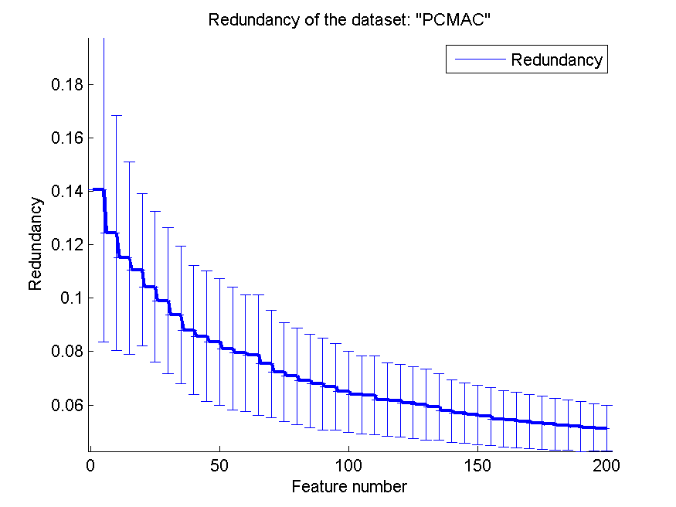
0.75037292025 | 0.033221198742 | 0.72194492255 | 0.041968495318 | 0.76141709696 | 0.032436693014 | 0.060215721409 | 0.013245248367
0.74672977625 | 0.035657186054 | 0.72266207688 | 0.041785696029 | 0.76485943775 | 0.029656140988 | 0.059217399067 | 0.012437764108
0.74836488812 | 0.035940249855 | 0.7240390132 | 0.042239944752 | 0.76485943775 | 0.029656140988 | 0.057739667526 | 0.01175241614
0.75263912794 | 0.031789869011 | 0.7247848537 | 0.04105952499 | 0.76485943775 | 0.029656140988 | 0.056954769876 | 0.011290164572
0.74830751578 | 0.035641453104 | 0.72438324727 | 0.039946283012 | 0.76474469306 | 0.02957436169 | 0.056388977912 | 0.011132949374
0.74767641997 | 0.036028929653 | 0.72518646013 | 0.039713408817 | 0.76683878371 | 0.030461932277 | 0.055684637667 | 0.010915382892
0.74773379231 | 0.036691918005 | 0.72578886976 | 0.03901518275 | 0.76683878371 | 0.030461932277 | 0.05479393102 | 0.010526327098
0.74781985083 | 0.037380638052 | 0.72570281124 | 0.039615091987 | 0.76939185313 | 0.029467556453 | 0.05434268823 | 0.010310561538
0.74859437751 | 0.037917686762 | 0.72610441767 | 0.039944114524 | 0.76724039013 | 0.031883912243 | 0.053823131981 | 0.010215059079
0.74781985083 | 0.037600133402 | 0.72636259323 | 0.039411470258 | 0.76913367757 | 0.025202897467 | 0.053362800615 | 0.010108755693
0.74767641997 | 0.040719095069 | 0.72590361446 | 0.040683458265 | 0.76835915089 | 0.026163746722 | 0.052798125199 | 0.0097502064705
0.74638554217 | 0.037536034975 | 0.72581755594 | 0.040541847704 | 0.76847389558 | 0.026347573931 | 0.05244585352 | 0.0094325214116
0.74951233505 | 0.035285478333 | 0.72685025818 | 0.040079851788 | 0.76996557659 | 0.026975264334 | 0.052012897861 | 0.0093480542177
0.75080321285 | 0.036302772961 | 0.72707974756 | 0.040505595187 | 0.7698508319 | 0.026802466649 | 0.051564645633 | 0.0088652523333
0.75238095238 | 0.038911106256 | 0.72702237522 | 0.040651817619 | 0.76973608721 | 0.0246087806 | 0.051253048494 | 0.008547750887

orlraws10P
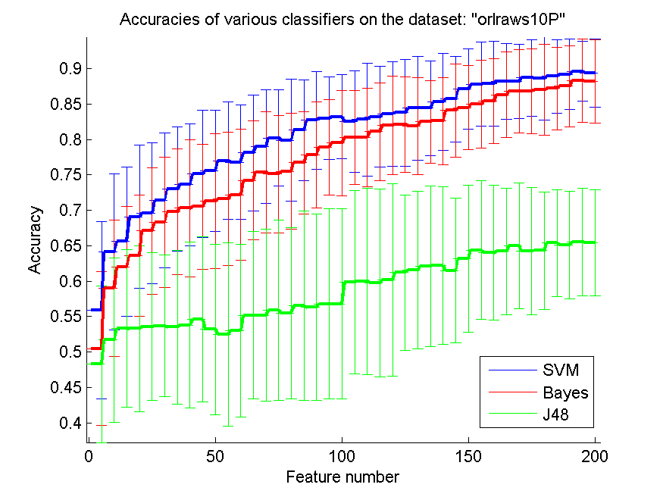
res_svm | res_svm_std | res_bayes | res_bayes_std | res_j48 | res_j48_std | res_red | res_red_std
0.559 | 0.124895746 | 0.505 | 0.10836099512 | 0.483 | 0.11055363071 | 0.67411237266 | 0.097060377173
0.641 | 0.11021032524 | 0.59 | 0.096354608226 | 0.517 | 0.11630721569 | 0.733312913 | 0.091928242365
0.656 | 0.10555118489 | 0.62 | 0.085839507528 | 0.533 | 0.11131274103 | 0.75144427741 | 0.082338542568
0.691 | 0.10083336958 | 0.636 | 0.085741349111 | 0.533 | 0.11720876561 | 0.76425577277 | 0.068522186401
0.696 | 0.099175548769 | 0.671 | 0.089083048184 | 0.536 | 0.10394330438 | 0.77134136997 | 0.072126977768
0.714 | 0.094723975734 | 0.683 | 0.091829361203 | 0.537 | 0.099952620355 | 0.77223702709 | 0.068544453419
0.73 | 0.087419135566 | 0.698 | 0.088947056991 | 0.535 | 0.10855510364 | 0.77497552716 | 0.069347951765
0.736 | 0.086231023847 | 0.703 | 0.096741652707 | 0.538 | 0.11696153214 | 0.77414125919 | 0.0655043129
0.751 | 0.089789226877 | 0.705 | 0.088466467034 | 0.546 | 0.11645645222 | 0.77543687424 | 0.056570394189
0.756 | 0.085741349111 | 0.713 | 0.095206147524 | 0.532 | 0.12024536319 | 0.77418161519 | 0.056846491407
0.77 | 0.083224490323 | 0.716 | 0.094390008392 | 0.525 | 0.1291062394 | 0.77501324127 | 0.057785563967
0.768 | 0.080889788569 | 0.722 | 0.09265669516 | 0.53 | 0.12200086281 | 0.77131191006 | 0.057650695364
0.781 | 0.081943497863 | 0.742 | 0.084080162251 | 0.552 | 0.11812571359 | 0.76760281944 | 0.056894455441
0.79 | 0.079868312668 | 0.754 | 0.085618492838 | 0.552 | 0.12181089745 | 0.76220924151 | 0.058218198052
0.802 | 0.067714571238 | 0.751 | 0.082710656094 | 0.559 | 0.12772915424 | 0.75877196961 | 0.056410094204
0.799 | 0.085955925058 | 0.755 | 0.082046200079 | 0.555 | 0.12085223688 | 0.75587674779 | 0.054838820274
0.813 | 0.070866813553 | 0.767 | 0.072336930948 | 0.565 | 0.13359404336 | 0.75124839118 | 0.054857228531
0.827 | 0.069061376211 | 0.778 | 0.074523044829 | 0.563 | 0.13127311826 | 0.74401475827 | 0.057793766549
0.83 | 0.057856446668 | 0.789 | 0.067270076244 | 0.568 | 0.13446189051 | 0.74146742589 | 0.054039579909
0.832 | 0.059258576994 | 0.795 | 0.074232919354 | 0.568 | 0.13383414716 | 0.73827888545 | 0.052371375104
0.825 | 0.071928326899 | 0.803 | 0.066261046745 | 0.599 | 0.12936687935 | 0.73200732215 | 0.051793497762
0.828 | 0.079312838278 | 0.803 | 0.069668387455 | 0.6 | 0.13138933707 | 0.72764198725 | 0.050600152657
0.832 | 0.071200236546 | 0.811 | 0.069122317213 | 0.597 | 0.1325498913 | 0.72266330982 | 0.051087574242
0.836 | 0.073584895475 | 0.82 | 0.069282032303 | 0.602 | 0.13578620967 | 0.71653576569 | 0.053289054904
0.838 | 0.075365774726 | 0.821 | 0.066956388005 | 0.612 | 0.10981323858 | 0.71232202552 | 0.052421320258
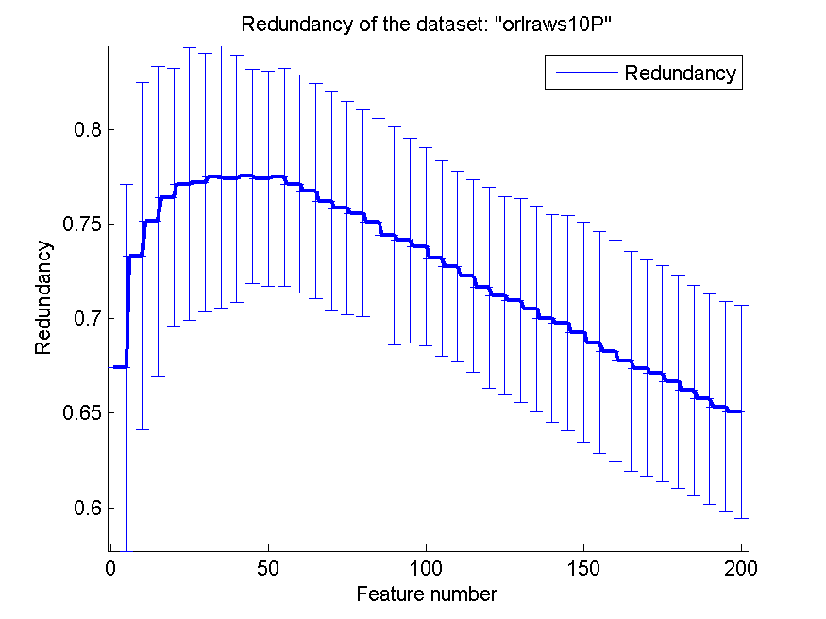
0.844 | 0.073584895475 | 0.819 | 0.06851046789 | 0.616 | 0.11137419147 | 0.70967364014 | 0.05388341065
0.844 | 0.066995679358 | 0.825 | 0.058354632703 | 0.621 | 0.1128529551 | 0.70536006922 | 0.054514476569
0.853 | 0.068448982154 | 0.826 | 0.061592890909 | 0.622 | 0.11124179449 | 0.70016708529 | 0.054918058869
0.857 | 0.060619607736 | 0.841 | 0.0656866565 | 0.615 | 0.10174788243 | 0.69770081005 | 0.057126544857
0.871 | 0.056372819132 | 0.845 | 0.059780299519 | 0.632 | 0.10349675815 | 0.69285718795 | 0.058338712546
0.878 | 0.059435945176 | 0.85 | 0.06172946068 | 0.644 | 0.098108425519 | 0.68726687818 | 0.058651626394
0.879 | 0.059991227429 | 0.854 | 0.059506744421 | 0.64 | 0.095366329709 | 0.68294731898 | 0.058786336376
0.882 | 0.053073930562 | 0.863 | 0.060271316386 | 0.642 | 0.08965430685 | 0.67759287172 | 0.058239855911
0.882 | 0.052675770921 | 0.868 | 0.059258576994 | 0.65 | 0.089088956135 | 0.67389124187 | 0.057344715645
0.887 | 0.054007796708 | 0.868 | 0.05961278563 | 0.642 | 0.089888820217 | 0.67115269375 | 0.0571923094
0.886 | 0.058435749692 | 0.87 | 0.064072327552 | 0.643 | 0.082914032842 | 0.66683685328 | 0.0565651372
0.889 | 0.051697500703 | 0.872 | 0.058183014342 | 0.654 | 0.075421621917 | 0.66201390865 | 0.055892896313
0.892 | 0.049587774385 | 0.875 | 0.056893251843 | 0.651 | 0.075526224097 | 0.65751187338 | 0.055803225794
0.896 | 0.042351909172 | 0.883 | 0.059214151936 | 0.655 | 0.075637640309 | 0.65343394653 | 0.055756234256
0.894 | 0.048166378315 | 0.882 | 0.058723258192 | 0.654 | 0.075141970892 | 0.65068668414 | 0.056592492706

GLI-85
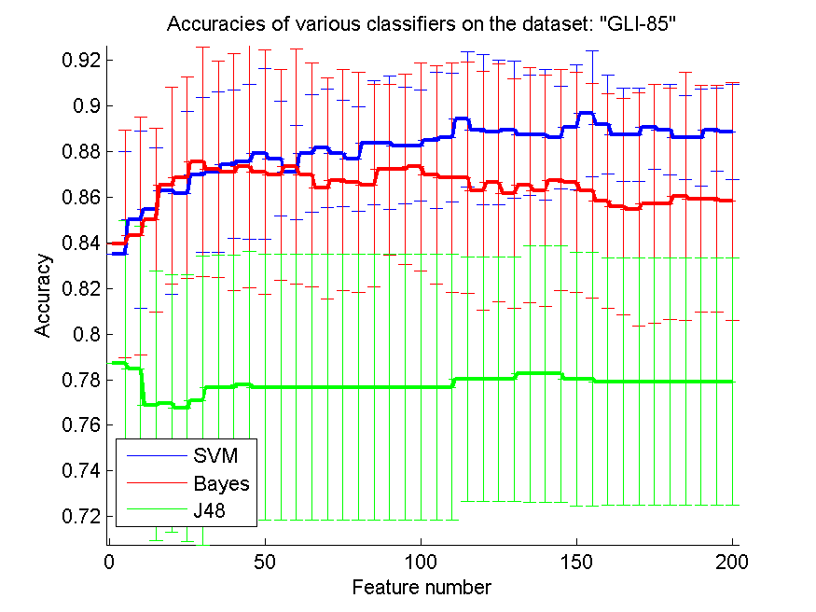
res_svm | res_svm_std | res_bayes | res_bayes_std | res_j48 | res_j48_std | res_red | res_red_std
0.83488372093 | 0.045208174024 | 0.83953488372 | 0.049992171543 | 0.78720930233 | 0.062344851695 | 0.49004431876 | 0.050282628912
0.85 | 0.03882287791 | 0.84302325581 | 0.052206446725 | 0.78488372093 | 0.06216195478 | 0.52473708956 | 0.039619172003
0.85465116279 | 0.027073434958 | 0.85 | 0.040262580686 | 0.76860465116 | 0.059158752932 | 0.52873059646 | 0.039728496777
0.86279069767 | 0.045208174024 | 0.86511627907 | 0.043080282428 | 0.76976744186 | 0.056412538863 | 0.52494789452 | 0.039642323741
0.86162790698 | 0.035770053687 | 0.86860465116 | 0.044173160525 | 0.76744186047 | 0.05844473139 | 0.51644210823 | 0.0404091197
0.86976744186 | 0.034078841724 | 0.87558139535 | 0.050205237595 | 0.77093023256 | 0.063251403835 | 0.50827313961 | 0.036863639604
0.87093023256 | 0.034965225062 | 0.87209302326 | 0.047420735931 | 0.77674418605 | 0.057660202773 | 0.50262646552 | 0.035844774637
0.87441860465 | 0.032365226695 | 0.87093023256 | 0.051987894444 | 0.77674418605 | 0.057660202773 | 0.49921280313 | 0.03333442411
0.87558139535 | 0.033974273077 | 0.87325581395 | 0.053071656494 | 0.77790697674 | 0.058188473895 | 0.49336306919 | 0.031665516042
0.87906976744 | 0.037422887611 | 0.87093023256 | 0.053605321565 | 0.77674418605 | 0.058151773498 | 0.48641704056 | 0.031562575146
0.87674418605 | 0.025138029478 | 0.86976744186 | 0.046142969825 | 0.77674418605 | 0.058151773498 | 0.4797404803 | 0.031570411854
0.87093023256 | 0.02062886531 | 0.87325581395 | 0.051437451255 | 0.77674418605 | 0.058151773498 | 0.47406358767 | 0.030915838945
0.87906976744 | 0.025697965184 | 0.86976744186 | 0.04913066812 | 0.77674418605 | 0.058151773498 | 0.47059274607 | 0.031532680409
0.88139534884 | 0.026028145299 | 0.86395348837 | 0.048474493815 | 0.77674418605 | 0.058151773498 | 0.46600557978 | 0.031612932606
0.87906976744 | 0.023377892556 | 0.86744186047 | 0.048371622256 | 0.77674418605 | 0.058151773498 | 0.46239641191 | 0.032223725909
0.87674418605 | 0.022760952787 | 0.86627906977 | 0.048239036472 | 0.77674418605 | 0.058151773498 | 0.45985283816 | 0.032359883697
0.88372093023 | 0.027204541947 | 0.86511627907 | 0.044382094231 | 0.77674418605 | 0.058151773498 | 0.45556264044 | 0.030922504152
0.88372093023 | 0.029222365695 | 0.87209302326 | 0.037346747374 | 0.77674418605 | 0.058151773498 | 0.45225047561 | 0.029466197341
0.88255813953 | 0.025559131293 | 0.87209302326 | 0.041669631654 | 0.77674418605 | 0.058151773498 | 0.44831744342 | 0.029048419947
0.88255813953 | 0.024420061739 | 0.87325581395 | 0.04556877901 | 0.77674418605 | 0.058151773498 | 0.44481609462 | 0.028455378354
0.88488372093 | 0.029681447083 | 0.86976744186 | 0.047957929435 | 0.77674418605 | 0.058151773498 | 0.4422204714 | 0.028031353233
0.88604651163 | 0.028130479946 | 0.86860465116 | 0.050205237595 | 0.77674418605 | 0.058151773498 | 0.43914278892 | 0.027420820784
0.89418604651 | 0.029681447083 | 0.86860465116 | 0.05076904233 | 0.78023255814 | 0.053605321565 | 0.43700516613 | 0.027567271926
0.88953488372 | 0.032780322499 | 0.86279069767 | 0.052220075872 | 0.78023255814 | 0.053605321565 | 0.43440101463 | 0.027121705522
0.88837209302 | 0.031653816157 | 0.86627906977 | 0.052206446725 | 0.78023255814 | 0.053605321565 | 0.43177046192 | 0.027043397985
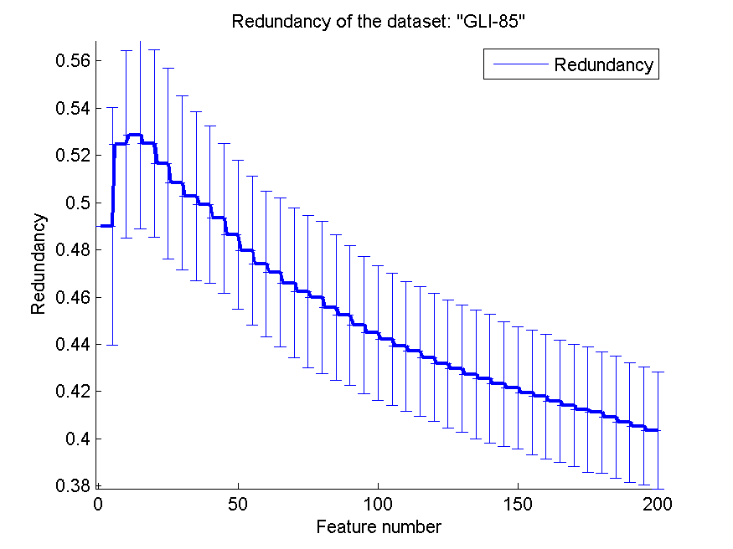
0.88953488372 | 0.030062604873 | 0.86162790698 | 0.050318503927 | 0.78023255814 | 0.053605321565 | 0.42972823546 | 0.026822317561
0.88720930233 | 0.026435071669 | 0.86511627907 | 0.051506578355 | 0.78255813953 | 0.056096287135 | 0.42726342845 | 0.027232091618
0.88720930233 | 0.028507412517 | 0.86279069767 | 0.050558352353 | 0.78255813953 | 0.056096287135 | 0.42551463324 | 0.027169659022
0.88604651163 | 0.022509442827 | 0.86744186047 | 0.048371622256 | 0.78255813953 | 0.056096287135 | 0.42318938011 | 0.026504931003
0.89069767442 | 0.027308974354 | 0.86627906977 | 0.048239036472 | 0.78023255814 | 0.055688864314 | 0.42151702599 | 0.025904605219
0.89651162791 | 0.027697089138 | 0.86279069767 | 0.047059200269 | 0.78023255814 | 0.055688864314 | 0.41960701844 | 0.0264860764
0.89186046512 | 0.021704697779 | 0.85813953488 | 0.047059200269 | 0.77906976744 | 0.054146869916 | 0.41800114368 | 0.026393408373
0.88720930233 | 0.020351022789 | 0.85581395349 | 0.047480724236 | 0.77906976744 | 0.054146869916 | 0.41602111574 | 0.025811008958
0.88720930233 | 0.020351022789 | 0.85465116279 | 0.051104339594 | 0.77906976744 | 0.054146869916 | 0.41410104735 | 0.02586571005
0.89069767442 | 0.018635225795 | 0.85697674419 | 0.052424087884 | 0.77906976744 | 0.054146869916 | 0.41239033426 | 0.026493221497
0.88953488372 | 0.019783635098 | 0.85697674419 | 0.05076904233 | 0.77906976744 | 0.054146869916 | 0.41116725576 | 0.025800541226
0.88604651163 | 0.018327184317 | 0.86046511628 | 0.054409083894 | 0.77906976744 | 0.054146869916 | 0.40914657091 | 0.025818243185
0.88604651163 | 0.021207197817 | 0.85930232558 | 0.049749593569 | 0.77906976744 | 0.054146869916 | 0.4069751931 | 0.025385907616
0.88953488372 | 0.018288314318 | 0.85930232558 | 0.049749593569 | 0.77906976744 | 0.054146869916 | 0.40531061624 | 0.02498449265
0.88837209302 | 0.020800632349 | 0.85813953488 | 0.052220075872 | 0.77906976744 | 0.054146869916 | 0.40351960102 | 0.024636672775

GLA-BRA-180
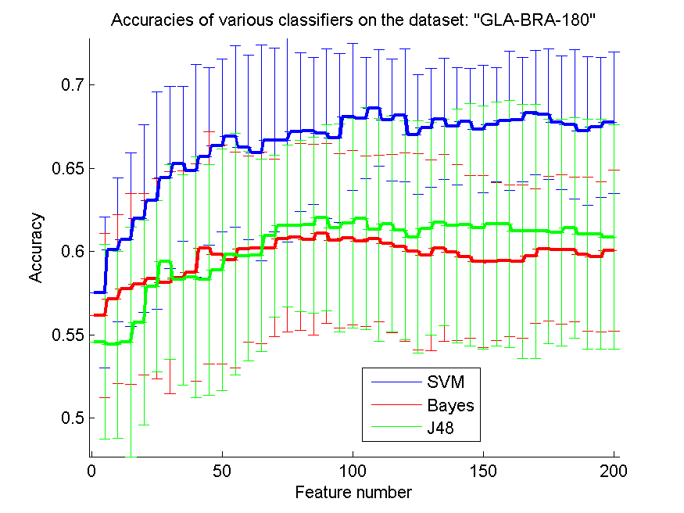
res_svm | res_svm_std | res_bayes | res_bayes_std | res_j48 | res_j48_std | res_red | res_red_std
0.57527472527 | 0.045417436111 | 0.56153846154 | 0.04926060816 | 0.5456043956 | 0.058505247688 | 0.65858855844 | 0.041675578166
0.6010989011 | 0.043241738032 | 0.57142857143 | 0.050922754663 | 0.54395604396 | 0.056316036276 | 0.72829866248 | 0.043205275582
0.60714285714 | 0.052140695071 | 0.57747252747 | 0.057319986182 | 0.5456043956 | 0.068882873716 | 0.74285132693 | 0.050244930158
0.61978021978 | 0.056417516853 | 0.58021978022 | 0.054608570608 | 0.55714285714 | 0.061557049163 | 0.75645939623 | 0.04822485781
0.63076923077 | 0.065392026836 | 0.58351648352 | 0.060178731582 | 0.57912087912 | 0.051308208923 | 0.75693474761 | 0.050965947869
0.64450549451 | 0.054919022173 | 0.58131868132 | 0.066595868911 | 0.59395604396 | 0.058526970606 | 0.76116488565 | 0.048137323067
0.65274725275 | 0.04654055953 | 0.58406593407 | 0.064301654532 | 0.58296703297 | 0.063124544972 | 0.76294539943 | 0.049879892736
0.64835164835 | 0.063977128093 | 0.58736263736 | 0.065204660233 | 0.58461538462 | 0.072508190998 | 0.76447124187 | 0.049115701246
0.65714285714 | 0.053193600225 | 0.6021978022 | 0.069646771291 | 0.58296703297 | 0.069177502069 | 0.76503420726 | 0.052609733903
0.66373626374 | 0.052082762641 | 0.59835164835 | 0.065786899574 | 0.58901098901 | 0.072490657884 | 0.76620712345 | 0.054683612471
0.66923076923 | 0.054410353727 | 0.59505494505 | 0.064793979724 | 0.59835164835 | 0.072672358219 | 0.76698293835 | 0.055371497592
0.66263736264 | 0.055589054136 | 0.60164835165 | 0.056019001237 | 0.59725274725 | 0.06300360696 | 0.76699892458 | 0.057937903933
0.65934065934 | 0.064865056681 | 0.6021978022 | 0.057665448594 | 0.5978021978 | 0.0578634988 | 0.76775855157 | 0.057945761549
0.66703296703 | 0.055244988189 | 0.6021978022 | 0.053432030824 | 0.60934065934 | 0.048686338352 | 0.76614609991 | 0.057572260471
0.66703296703 | 0.061142658393 | 0.60769230769 | 0.056157813104 | 0.61538461538 | 0.048493403855 | 0.76562505141 | 0.058188021835
0.67197802198 | 0.047737170159 | 0.60879120879 | 0.055965083592 | 0.61538461538 | 0.051543030328 | 0.76319933858 | 0.060565181394
0.67252747253 | 0.044330389772 | 0.60714285714 | 0.057364321478 | 0.61593406593 | 0.052939091094 | 0.76382866154 | 0.061522064785
0.67087912088 | 0.050982005263 | 0.61098901099 | 0.053999969163 | 0.62032967033 | 0.056087033649 | 0.76430154351 | 0.061249688381
0.66813186813 | 0.050872805897 | 0.60659340659 | 0.052350542106 | 0.61428571429 | 0.062560707207 | 0.76488753213 | 0.059764604693
0.68076923077 | 0.044168802621 | 0.60824175824 | 0.052311070068 | 0.61703296703 | 0.06300360696 | 0.76538857916 | 0.059472266781
0.68021978022 | 0.036341644758 | 0.60604395604 | 0.051205911694 | 0.61978021978 | 0.066834035285 | 0.76496909383 | 0.05925813953
0.68626373626 | 0.035019036964 | 0.60769230769 | 0.050054153045 | 0.61318681319 | 0.066948054194 | 0.76566636543 | 0.059536805194
0.67912087912 | 0.036810812834 | 0.60494505495 | 0.053654597244 | 0.61648351648 | 0.06495318194 | 0.76563342699 | 0.059444239695
0.68186813187 | 0.039777535546 | 0.60274725275 | 0.056516003827 | 0.61263736264 | 0.065728907732 | 0.76535806137 | 0.05965034559
0.67032967033 | 0.035830881438 | 0.6 | 0.058951662904 | 0.60879120879 | 0.069992686019 | 0.76443091631 | 0.0596506522
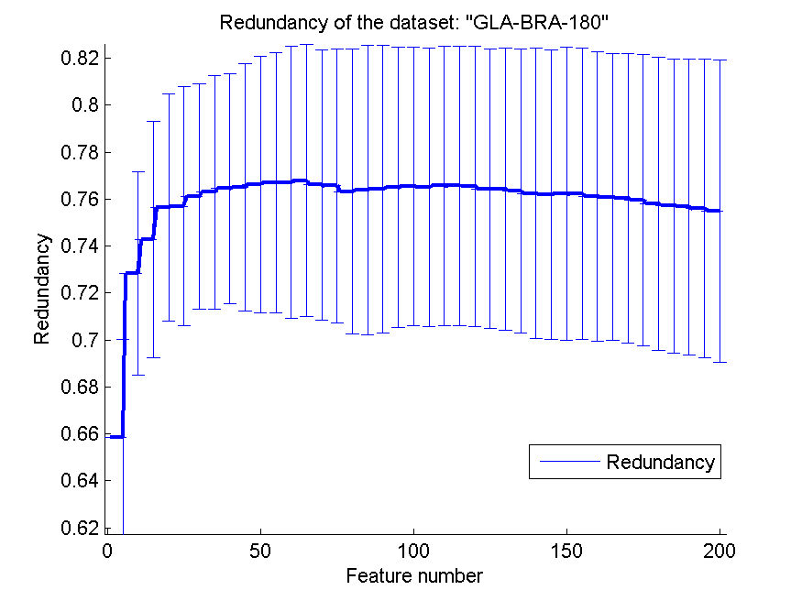
0.67417582418 | 0.035702048889 | 0.5978021978 | 0.057311669496 | 0.61373626374 | 0.063905063565 | 0.76430759417 | 0.060159840238
0.67967032967 | 0.036407168541 | 0.6021978022 | 0.055987792087 | 0.61758241758 | 0.062019929308 | 0.76338515907 | 0.06047485065
0.67527472527 | 0.035200061881 | 0.59945054945 | 0.052698430268 | 0.61538461538 | 0.070409151156 | 0.76235683152 | 0.06192619195
0.67802197802 | 0.032107554776 | 0.5967032967 | 0.048767860023 | 0.61593406593 | 0.072934257169 | 0.76205178072 | 0.061662846188
0.67362637363 | 0.038250266632 | 0.59395604396 | 0.051601568712 | 0.61428571429 | 0.07305833028 | 0.76216405772 | 0.0623695499
0.67637362637 | 0.03428538061 | 0.59395604396 | 0.047362912456 | 0.61648351648 | 0.073405485146 | 0.76212391631 | 0.062036052406
0.67857142857 | 0.041863888762 | 0.59450549451 | 0.045504814383 | 0.61648351648 | 0.074180643761 | 0.7610559234 | 0.061631600013
0.67912087912 | 0.037325194725 | 0.59395604396 | 0.046139384663 | 0.61208791209 | 0.076309208845 | 0.7609119128 | 0.060911115521
0.68351648352 | 0.037495087249 | 0.59725274725 | 0.040380139662 | 0.61208791209 | 0.076309208845 | 0.76040110568 | 0.061646953573
0.68241758242 | 0.039202156262 | 0.60164835165 | 0.043355498476 | 0.61208791209 | 0.067468175435 | 0.75944320545 | 0.062119118864
0.67747252747 | 0.040064109449 | 0.6010989011 | 0.044829380772 | 0.61153846154 | 0.068140729661 | 0.75798450798 | 0.062403191631
0.67637362637 | 0.044882515057 | 0.6010989011 | 0.043534707087 | 0.61428571429 | 0.066404720787 | 0.75707667299 | 0.062633758657
0.67252747253 | 0.044473529925 | 0.59835164835 | 0.046414067159 | 0.61043956044 | 0.068901324898 | 0.75666843674 | 0.062983758065
0.67472527473 | 0.042094774941 | 0.5967032967 | 0.04511204045 | 0.61043956044 | 0.068901324898 | 0.75592879984 | 0.063653691134
0.67747252747 | 0.042675833651 | 0.60054945055 | 0.048398289718 | 0.60879120879 | 0.067496430413 | 0.75490288022 | 0.064313127087

CLL-SUB-111
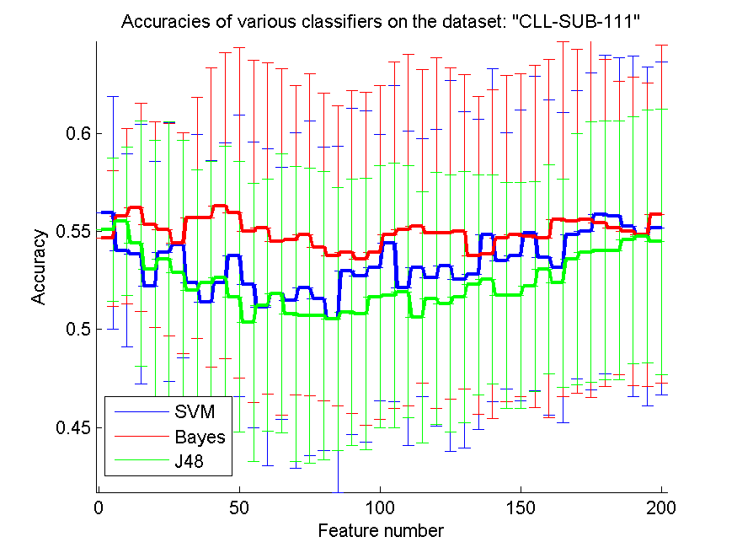
res_svm | res_svm_std | res_bayes | res_bayes_std | res_j48 | res_j48_std | res_red | res_red_std
0.55964912281 | 0.0593987467 | 0.54649122807 | 0.034751388991 | 0.55087719298 | 0.036623809155 | 0.6386604525 | 0.041618479771
0.54035087719 | 0.049162363707 | 0.55789473684 | 0.044673882517 | 0.55526315789 | 0.037874126607 | 0.69805546553 | 0.049229193615
0.53859649123 | 0.066159317471 | 0.56228070175 | 0.053235987849 | 0.54385964912 | 0.062611776577 | 0.70966303254 | 0.053497689592
0.52192982456 | 0.063860613064 | 0.55350877193 | 0.052315146028 | 0.53070175439 | 0.065858689352 | 0.71345882724 | 0.050548282398
0.53947368421 | 0.066104202558 | 0.55087719298 | 0.054118725069 | 0.53596491228 | 0.070054142633 | 0.71861414946 | 0.050507325492
0.54298245614 | 0.05733804375 | 0.54385964912 | 0.056347724109 | 0.52894736842 | 0.067414525237 | 0.71921924936 | 0.053956862091
0.52368421053 | 0.075999120116 | 0.55701754386 | 0.06153527611 | 0.5201754386 | 0.061377121358 | 0.71425703102 | 0.053339433236
0.51403508772 | 0.072020976859 | 0.55701754386 | 0.076339400514 | 0.52368421053 | 0.062163871538 | 0.71343409355 | 0.055731601555
0.52368421053 | 0.071609312264 | 0.56315789474 | 0.078231079065 | 0.52631578947 | 0.067107450824 | 0.71036469025 | 0.059309435806
0.53771929825 | 0.071835174084 | 0.55964912281 | 0.084214373566 | 0.51666666667 | 0.068888240913 | 0.7060573597 | 0.061517862768
0.52280701754 | 0.073026125155 | 0.55 | 0.08730743569 | 0.50350877193 | 0.070887431494 | 0.70285714118 | 0.064458973186
0.51140350877 | 0.080752924482 | 0.55175438596 | 0.084516794554 | 0.51228070175 | 0.064296699312 | 0.69874648274 | 0.064608775576
0.51842105263 | 0.064265198306 | 0.54473684211 | 0.088450324194 | 0.51842105263 | 0.071200955498 | 0.69561979633 | 0.066157337515
0.5149122807 | 0.085621262732 | 0.54561403509 | 0.078849842296 | 0.50789473684 | 0.075399934262 | 0.69270325903 | 0.067575679184
0.52105263158 | 0.08520876484 | 0.54824561404 | 0.082066228064 | 0.50701754386 | 0.075276296886 | 0.68985097387 | 0.069171230157
0.51578947368 | 0.077502945215 | 0.54210526316 | 0.078644128816 | 0.50701754386 | 0.073534562014 | 0.68527567542 | 0.069809461516
0.50526315789 | 0.088289926075 | 0.53771929825 | 0.076635906446 | 0.50526315789 | 0.067010823775 | 0.6801564395 | 0.070864894407
0.5298245614 | 0.083188628798 | 0.53947368421 | 0.082460069453 | 0.50877192982 | 0.067827766102 | 0.67751443151 | 0.070503677494
0.52719298246 | 0.084516794554 | 0.53596491228 | 0.084899268708 | 0.50789473684 | 0.069122994502 | 0.67200365821 | 0.071545518519
0.53157894737 | 0.068089972466 | 0.53947368421 | 0.085165978613 | 0.51666666667 | 0.066738310146 | 0.66946619474 | 0.072472287133
0.54385964912 | 0.080697739673 | 0.54824561404 | 0.088340368294 | 0.51754385965 | 0.067468569759 | 0.66426067025 | 0.073618867974
0.52105263158 | 0.080113476727 | 0.55087719298 | 0.089709644866 | 0.51929824561 | 0.064246290289 | 0.66002018767 | 0.072388069461
0.53157894737 | 0.065914009554 | 0.55263157895 | 0.079992061941 | 0.50614035088 | 0.063961999296 | 0.65655896307 | 0.07306435822
0.52631578947 | 0.075726864465 | 0.54912280702 | 0.089474589462 | 0.51578947368 | 0.064246290289 | 0.65248638938 | 0.072224397798
0.53245614035 | 0.09443798832 | 0.54912280702 | 0.084444887793 | 0.51315789474 | 0.06561225747 | 0.64863346639 | 0.0719053868
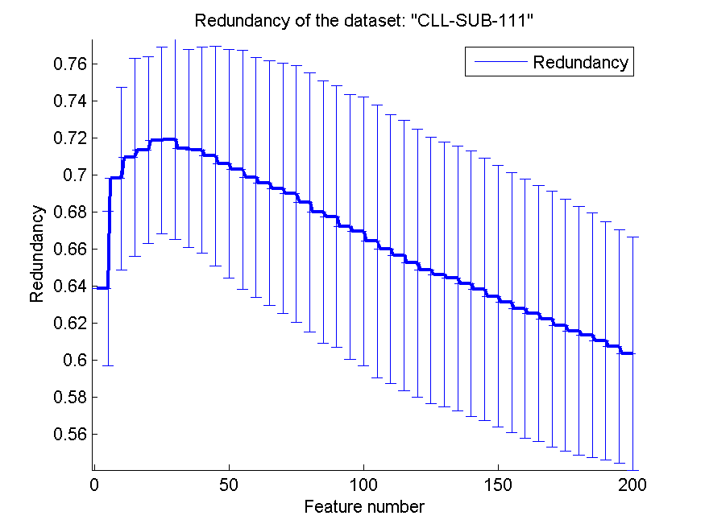
0.52543859649 | 0.085847999342 | 0.55 | 0.080148854727 | 0.51666666667 | 0.064012632195 | 0.64625196509 | 0.07143927878
0.52807017544 | 0.079259667521 | 0.53771929825 | 0.080953279397 | 0.52280701754 | 0.056232611171 | 0.64420885491 | 0.071380056541
0.54824561404 | 0.084975556958 | 0.53859649123 | 0.083867414268 | 0.52543859649 | 0.053235987849 | 0.64128629046 | 0.071587840034
0.5350877193 | 0.06527189449 | 0.54649122807 | 0.083319967825 | 0.51754385965 | 0.057626902222 | 0.63822261298 | 0.070922965219
0.53771929825 | 0.0742743374 | 0.54824561404 | 0.082460069453 | 0.51754385965 | 0.057626902222 | 0.63459256515 | 0.07038734616
0.54912280702 | 0.080113476727 | 0.54736842105 | 0.087367716477 | 0.52192982456 | 0.053660306448 | 0.63128780385 | 0.070109105331
0.53684210526 | 0.080375912908 | 0.54649122807 | 0.09147544414 | 0.53070175439 | 0.053357566055 | 0.62781610809 | 0.069872665225
0.53157894737 | 0.079095992246 | 0.55614035088 | 0.090554370165 | 0.52368421053 | 0.053175094506 | 0.6251843365 | 0.069160008955
0.54824561404 | 0.073529054426 | 0.55526315789 | 0.087862302639 | 0.53596491228 | 0.064012632195 | 0.62222956829 | 0.068859539685
0.55 | 0.080953279397 | 0.55614035088 | 0.090911447143 | 0.53947368421 | 0.066348807289 | 0.61888578765 | 0.068013723921
0.55877192982 | 0.081352508939 | 0.55438596491 | 0.083344267155 | 0.54035087719 | 0.066036777419 | 0.61582767417 | 0.067004003086
0.55789473684 | 0.080818094311 | 0.55175438596 | 0.074969012406 | 0.54035087719 | 0.066036777419 | 0.61339801444 | 0.065978508661
0.55263157895 | 0.086791025578 | 0.55 | 0.078721334367 | 0.54561403509 | 0.063101441888 | 0.6105524874 | 0.064318400601
0.54736842105 | 0.086435668092 | 0.54824561404 | 0.077393134287 | 0.54736842105 | 0.064548153926 | 0.60737167315 | 0.062987632472
0.55175438596 | 0.084899268708 | 0.55877192982 | 0.086186985851 | 0.54473684211 | 0.067702264159 | 0.60375391417 | 0.062974706157

BASEHOCK
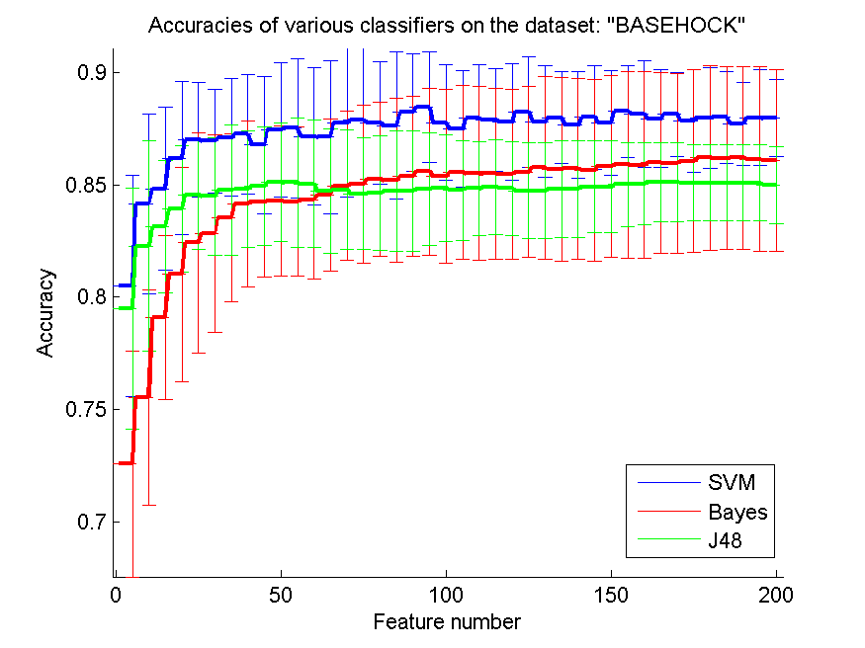
res_svm | res_svm_std | res_bayes | res_bayes_std | res_j48 | res_j48_std | res_red | res_red_std
0.80496374791 | 0.049412229114 | 0.72565532627 | 0.050280550919 | 0.79486893475 | 0.053545403037 | 0.21795920479 | 0.083140495627
0.84143892917 | 0.040117862186 | 0.7552983826 | 0.047823087997 | 0.82275515895 | 0.046798368673 | 0.1759711992 | 0.051515622828
0.8481595092 | 0.036356880282 | 0.79090909091 | 0.036596112838 | 0.83126045733 | 0.029567690361 | 0.1478488626 | 0.03195652433
0.86182375906 | 0.03413906668 | 0.81003904071 | 0.04760435935 | 0.83923591746 | 0.028051218818 | 0.14244081097 | 0.030218041245
0.8701617401 | 0.025434605278 | 0.82412158394 | 0.049032456989 | 0.84564974902 | 0.024199191835 | 0.13585777322 | 0.026370004685
0.8694645845 | 0.023127947032 | 0.82830451757 | 0.043834774786 | 0.84478527607 | 0.026104528884 | 0.12828810638 | 0.02521490078
0.8710819855 | 0.026087072658 | 0.83535973229 | 0.037368022362 | 0.84771332962 | 0.029067911987 | 0.12126353816 | 0.02274492764
0.87264361405 | 0.026656340849 | 0.84149470162 | 0.036955673914 | 0.84802007808 | 0.025899524563 | 0.11495834778 | 0.022977613229
0.86765197992 | 0.030756182578 | 0.84241494702 | 0.033396609855 | 0.84941438929 | 0.02655772308 | 0.11137928487 | 0.023485409718
0.87451199108 | 0.029822687285 | 0.84288901283 | 0.033480636686 | 0.85114333519 | 0.026335427008 | 0.10611785724 | 0.021334772566
0.87523703291 | 0.031060744949 | 0.84252649191 | 0.033177649936 | 0.85094813162 | 0.028618600713 | 0.1014182566 | 0.018845038865
0.87158393753 | 0.030665438586 | 0.84339096486 | 0.035321180784 | 0.85041829336 | 0.028360426395 | 0.098039820258 | 0.017248705569
0.87136084774 | 0.034102793406 | 0.84548243168 | 0.033918045808 | 0.84718349136 | 0.027535291486 | 0.095171772814 | 0.01762471471
0.87757947574 | 0.033002123089 | 0.84955382041 | 0.033151783248 | 0.84776910206 | 0.026593129707 | 0.092946717157 | 0.016996662081
0.8788064696 | 0.031962143777 | 0.85016731735 | 0.035202173424 | 0.84606804239 | 0.025054185661 | 0.092019074074 | 0.018256782646
0.87757947574 | 0.027228874237 | 0.85256553263 | 0.03424029354 | 0.84629113218 | 0.02556096494 | 0.089945445496 | 0.017856863758
0.8763803681 | 0.032731535571 | 0.85195203569 | 0.036487053303 | 0.84709983268 | 0.026783171341 | 0.086879191995 | 0.016658798666
0.88218070273 | 0.026189541461 | 0.8536809816 | 0.035528994224 | 0.84709983268 | 0.026783171341 | 0.084617254088 | 0.016389765896
0.88446737312 | 0.024599363638 | 0.85577244841 | 0.037365305965 | 0.84810373675 | 0.025013819577 | 0.083157254896 | 0.015709235167
0.87771890686 | 0.02571197741 | 0.85390407139 | 0.038775406985 | 0.84857780257 | 0.023871307465 | 0.082207901933 | 0.015293577102
0.87479085332 | 0.025895731613 | 0.85554935862 | 0.038656805999 | 0.84743446737 | 0.022149512986 | 0.080278903348 | 0.01454951246
0.87964305633 | 0.023777921978 | 0.85499163413 | 0.038817404782 | 0.84832682655 | 0.020767064594 | 0.078294613512 | 0.013574190583
0.87886224205 | 0.022827364394 | 0.85501952036 | 0.038129104585 | 0.84888455103 | 0.021195442177 | 0.077213721535 | 0.012853757254
0.87794199665 | 0.025803121901 | 0.85479643056 | 0.037751451864 | 0.84849414389 | 0.020898145155 | 0.075935282341 | 0.012054394812
0.88240379253 | 0.024690371706 | 0.85563301729 | 0.03812858934 | 0.84732292248 | 0.021383383956 | 0.074835682405 | 0.011688785411
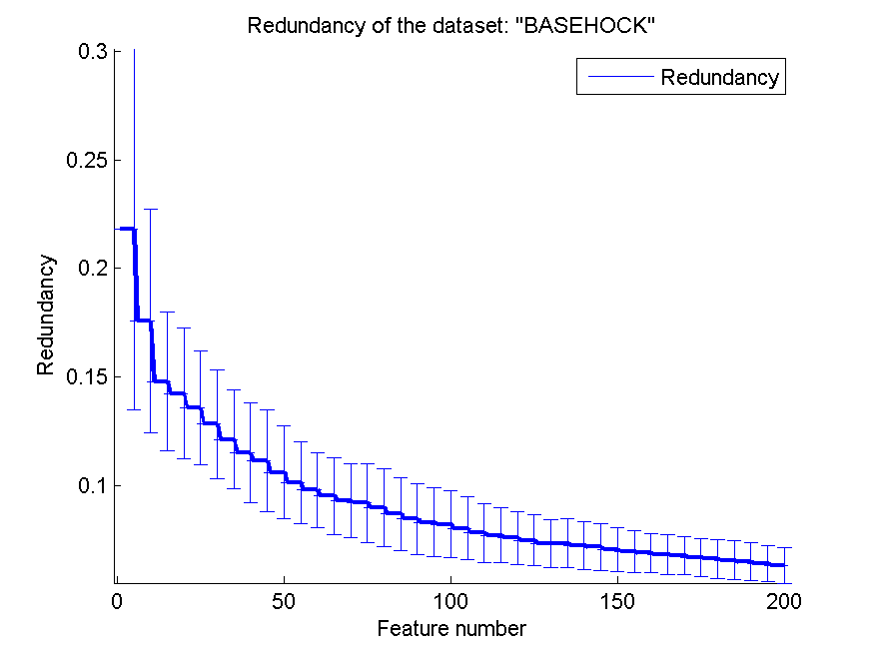
0.87805354155 | 0.024797556101 | 0.85755716676 | 0.040814250551 | 0.84732292248 | 0.021383383956 | 0.073475648583 | 0.010994942006
0.8799498048 | 0.020395910898 | 0.85680423871 | 0.041028078874 | 0.8481595092 | 0.021448362348 | 0.073467611505 | 0.011209647791
0.87665923034 | 0.023858805137 | 0.85727830452 | 0.040277838053 | 0.8481595092 | 0.021448362348 | 0.072427704155 | 0.010875258616
0.87997769102 | 0.023169054991 | 0.85663692136 | 0.040490900648 | 0.84913552705 | 0.020488510625 | 0.071792009695 | 0.010736963581
0.87771890686 | 0.02331997154 | 0.85831009481 | 0.040410360282 | 0.84913552705 | 0.020488510625 | 0.070485565576 | 0.010122549675
0.88273842722 | 0.020418373583 | 0.8588678193 | 0.041676799399 | 0.85005577245 | 0.018873736399 | 0.069639013144 | 0.0096087854195
0.88159509202 | 0.023802351627 | 0.85870050195 | 0.041611855253 | 0.85041829336 | 0.018161439102 | 0.068960636618 | 0.0090930888049
0.87941996654 | 0.02183996368 | 0.85984383714 | 0.040360346569 | 0.85119910764 | 0.017509725362 | 0.068271858851 | 0.0090255689884
0.88134411601 | 0.018828228885 | 0.8595649749 | 0.040172304268 | 0.85119910764 | 0.017509725362 | 0.067736898199 | 0.0088147305007
0.87863915226 | 0.022876653379 | 0.86056887897 | 0.040711675683 | 0.85083658673 | 0.017021276315 | 0.0668399178 | 0.0088071532963
0.87981037368 | 0.022296133326 | 0.86196319018 | 0.040970828123 | 0.85083658673 | 0.017021276315 | 0.06636458753 | 0.0089772319764
0.87997769102 | 0.020300751875 | 0.86185164529 | 0.040687983312 | 0.85083658673 | 0.017021276315 | 0.065677578358 | 0.0088871838395
0.87716118238 | 0.018476264236 | 0.86210262131 | 0.040672197502 | 0.85083658673 | 0.017021276315 | 0.064900021596 | 0.0086948555766
0.8799498048 | 0.021491064287 | 0.86148912437 | 0.041002293487 | 0.85083658673 | 0.017021276315 | 0.064123578421 | 0.0083808044177
0.879726715 | 0.017101686877 | 0.86079196877 | 0.040579723947 | 0.84997211378 | 0.017226375027 | 0.063221187303 | 0.0080725187154

