warpAR10P
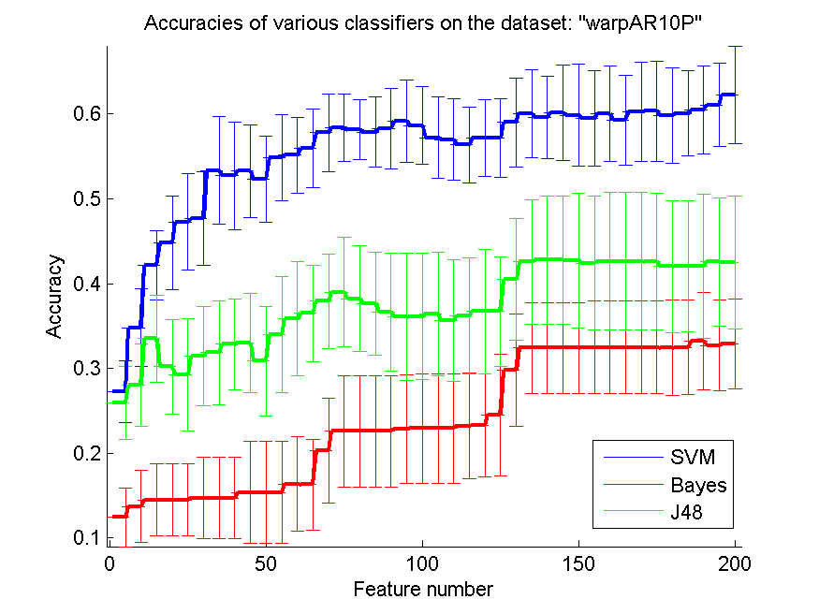
res_svm | res_svm_std | res_bayes | res_bayes_std | res_j48 | res_j48_std | res_red | res_red_std
0.27285714286 | 0.036465777845 | 0.12428571429 | 0.034404555939 | 0.25928571429 | 0.043050940276 | 0.57121709332 | 8.0544043669E-17
0.34785714286 | 0.045713110887 | 0.13714285714 | 0.042580561164 | 0.28071428571 | 0.048671943762 | 0.49191429352 | 1.8144769377E-16
0.42142857143 | 0.040802897898 | 0.145 | 0.042800714731 | 0.335 | 0.051502661752 | 0.54270927406 | 1.1102230246E-16
0.44785714286 | 0.054894684836 | 0.145 | 0.042800714731 | 0.30214285714 | 0.055671855831 | 0.54139950277 | 2.2638464936E-16
0.47285714286 | 0.056366912158 | 0.145 | 0.042800714731 | 0.29214285714 | 0.066114342901 | 0.53012138786 | 1.6895061134E-16
0.47642857143 | 0.055090005449 | 0.14714285714 | 0.04796615348 | 0.31428571429 | 0.05844383682 | 0.53179969287 | 1.080611741E-16
0.53357142857 | 0.063088262725 | 0.14714285714 | 0.04796615348 | 0.31857142857 | 0.061331449713 | 0.53600891243 | 9.8645904405E-17
0.52714285714 | 0.0633643243 | 0.14714285714 | 0.04796615348 | 0.32857142857 | 0.053250920931 | 0.51827266643 | 7.6410788986E-17
0.53285714286 | 0.054467444134 | 0.15357142857 | 0.060052787377 | 0.33 | 0.058425455365 | 0.47590453552 | 8.7307662839E-17
0.52285714286 | 0.050645669986 | 0.15357142857 | 0.060052787377 | 0.30857142857 | 0.064789173089 | 0.44437688498 | 1.6555670947E-16
0.54857142857 | 0.050433140009 | 0.15357142857 | 0.060052787377 | 0.34 | 0.068213350779 | 0.42257704969 | 6.7387981713E-17
0.55142857143 | 0.044793355346 | 0.16357142857 | 0.05590290032 | 0.35857142857 | 0.067309822797 | 0.41240012714 | 7.5342053989E-17
0.55928571429 | 0.046412663556 | 0.16285714286 | 0.053932368038 | 0.365 | 0.057044087572 | 0.39309755529 | 4.0272021835E-17
0.57785714286 | 0.045994208761 | 0.20285714286 | 0.061941381111 | 0.37928571429 | 0.05590290032 | 0.40248510813 | 5.973306148E-17
0.58357142857 | 0.039675103731 | 0.22571428571 | 0.065481772375 | 0.39 | 0.064239749649 | 0.41810691791 | 2.8476619731E-17
0.58142857143 | 0.035328746097 | 0.22571428571 | 0.065481772375 | 0.38214285714 | 0.062162083276 | 0.42719837432 | 5.5511151231E-17
0.57857142857 | 0.04158513326 | 0.22571428571 | 0.065481772375 | 0.37642857143 | 0.06101099547 | 0.42980562751 | 6.107554509E-17
0.58285714286 | 0.047403018753 | 0.22571428571 | 0.065481772375 | 0.36642857143 | 0.069720171082 | 0.4331017241 | 1.6308925832E-16
0.59142857143 | 0.04891958372 | 0.22857142857 | 0.064390057341 | 0.36071428571 | 0.07543287183 | 0.4460061014 | 1.18100751E-16
0.58642857143 | 0.045994208761 | 0.22928571429 | 0.064469245118 | 0.36142857143 | 0.075036689916 | 0.45456652688 | 4.0272021835E-17
0.57214285714 | 0.04805005446 | 0.22928571429 | 0.064469245118 | 0.36428571429 | 0.07306398473 | 0.45223334074 | 1.4851587828E-16
0.57 | 0.047921346228 | 0.22928571429 | 0.064469245118 | 0.35642857143 | 0.072023835415 | 0.44546203589 | 6.9753187941E-17
0.56357142857 | 0.044329350319 | 0.23214285714 | 0.062334636233 | 0.36214285714 | 0.068476594824 | 0.44046636294 | 8.2533084997E-17
0.57142857143 | 0.045175395145 | 0.23285714286 | 0.061156066313 | 0.36714285714 | 0.073152137569 | 0.4376833275 | 7.8504622934E-17
0.57142857143 | 0.046116650301 | 0.245 | 0.071994002615 | 0.36714285714 | 0.064739418181 | 0.43232760308 | 4.2237652834E-17
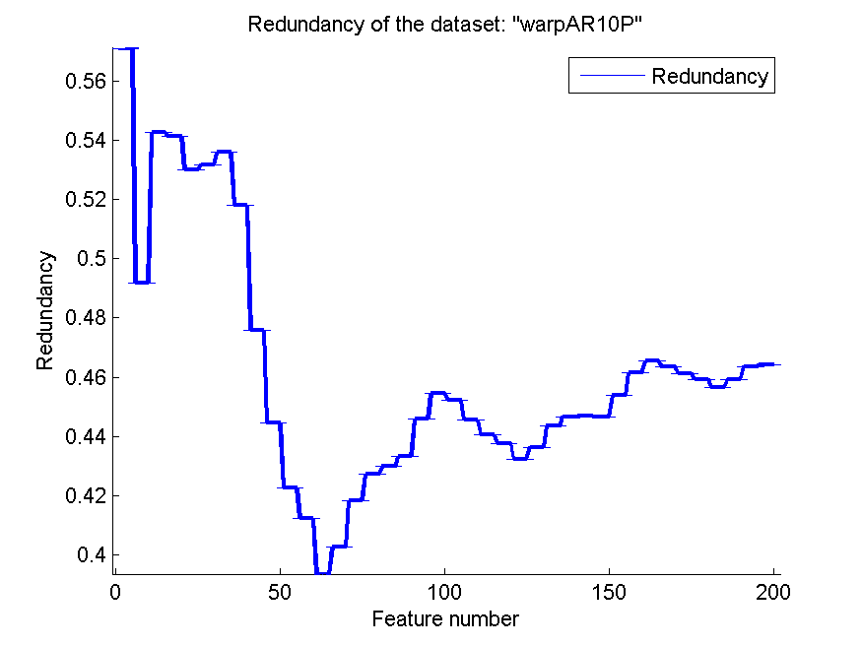
0.59 | 0.052253204898 | 0.29785714286 | 0.066567685202 | 0.405 | 0.071694991863 | 0.43634229095 | 7.7464780693E-17
0.60071428571 | 0.05171079621 | 0.32428571429 | 0.053672836351 | 0.42571428571 | 0.073518303325 | 0.44349139766 | 1.7133367136E-16
0.59571428571 | 0.048633308658 | 0.32428571429 | 0.053672836351 | 0.42785714286 | 0.075518259506 | 0.44668933387 | 8.2533084997E-17
0.60142857143 | 0.05655714865 | 0.32428571429 | 0.053672836351 | 0.42785714286 | 0.075518259506 | 0.44681649164 | 1.080611741E-16
0.59857142857 | 0.060235841538 | 0.32428571429 | 0.053672836351 | 0.42714285714 | 0.07999731467 | 0.44661815069 | 1.4796885661E-16
0.595 | 0.055864459264 | 0.325 | 0.054423055391 | 0.42428571429 | 0.079350207462 | 0.4537253051 | 6.7387981713E-17
0.6 | 0.056385964689 | 0.325 | 0.054423055391 | 0.42642857143 | 0.081246333471 | 0.46138889168 | 1.1102230246E-16
0.59285714286 | 0.052744240323 | 0.325 | 0.054423055391 | 0.42642857143 | 0.081246333471 | 0.46547264603 | 1.6990784626E-16
0.60285714286 | 0.058737157794 | 0.325 | 0.054423055391 | 0.42642857143 | 0.081246333471 | 0.46337065601 | 1.3716156391E-16
0.60357142857 | 0.058969853392 | 0.325 | 0.054423055391 | 0.42571428571 | 0.08075902014 | 0.4613279172 | 6.7387981713E-17
0.59785714286 | 0.056438325987 | 0.32428571429 | 0.056022858615 | 0.42 | 0.077612051286 | 0.45924183346 | 1.5229002305E-16
0.60071428571 | 0.050449110814 | 0.325 | 0.055594627626 | 0.42071428571 | 0.077206183977 | 0.45666382226 | 9.6148134319E-17
0.605 | 0.051669236391 | 0.33214285714 | 0.05749422051 | 0.42071428571 | 0.084766058303 | 0.45919522136 | 6.107554509E-17
0.61071428571 | 0.049460027368 | 0.32714285714 | 0.053230746306 | 0.42571428571 | 0.075819900802 | 0.46363075915 | 7.5342053989E-17
0.62285714286 | 0.057592218116 | 0.32928571429 | 0.052942422568 | 0.425 | 0.078366102188 | 0.46427751297 | 1.0267391259E-16

TOX-171
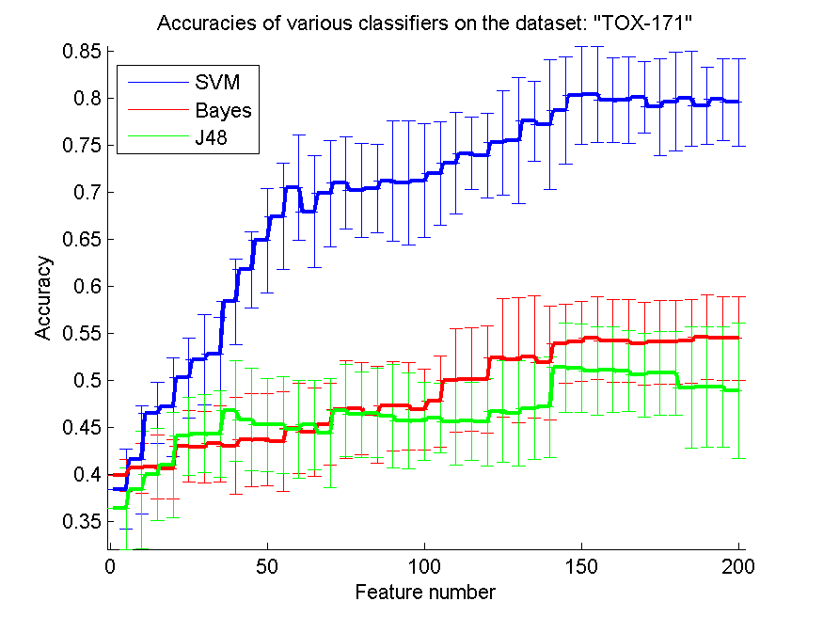
res_svm | res_svm_std | res_bayes | res_bayes_std | res_j48 | res_j48_std | res_red | res_red_std
0.38390804598 | 0.042585106768 | 0.39885057471 | 0.016719256995 | 0.3632183908 | 0.043072180633 | 0.075038057421 | 1.5268886273E-17
0.41551724138 | 0.057564956902 | 0.40632183908 | 0.026442041614 | 0.38333333333 | 0.062543835585 | 0.1196291292 | 3.7128969569E-17
0.46494252874 | 0.032398171915 | 0.40747126437 | 0.034071963247 | 0.39942528736 | 0.049174224117 | 0.14049206839 | 1.5597286988E-17
0.47126436782 | 0.052209193008 | 0.40517241379 | 0.031616069208 | 0.40977011494 | 0.056096689376 | 0.13877334183 | 3.1837828744E-17
0.50229885057 | 0.042699254301 | 0.42931034483 | 0.037898022262 | 0.44022988506 | 0.041710711643 | 0.13336690655 | 1.5597286988E-17
0.52183908046 | 0.047960830778 | 0.42873563218 | 0.038231408888 | 0.44310344828 | 0.041773180919 | 0.13467226577 | 6.3675657489E-18
0.52816091954 | 0.039019025768 | 0.43218390805 | 0.040578388513 | 0.44252873563 | 0.046203314805 | 0.14355352916 | 1.2735131498E-17
0.58333333333 | 0.045348854728 | 0.42988505747 | 0.051457942431 | 0.46724137931 | 0.05329991965 | 0.14502378452 | 5.0138262845E-17
0.61724137931 | 0.040526947476 | 0.43620689655 | 0.049820449323 | 0.45804597701 | 0.054588944437 | 0.146430385 | 1.6846995428E-17
0.64827586207 | 0.055739174067 | 0.4367816092 | 0.049050337086 | 0.45229885057 | 0.049652679689 | 0.14115123494 | 3.0537772545E-17
0.67413793103 | 0.056467335558 | 0.43448275862 | 0.052818298797 | 0.45229885057 | 0.051169983022 | 0.14586649119 | 4.4572960242E-17
0.70459770115 | 0.055826432136 | 0.44827586207 | 0.047902801923 | 0.44770114943 | 0.05200568664 | 0.14646962608 | 9.0050978413E-18
0.67873563218 | 0.059489662663 | 0.44482758621 | 0.047186157252 | 0.45229885057 | 0.047651743013 | 0.14425478575 | 3.6020391365E-17
0.69827586207 | 0.056664022203 | 0.45287356322 | 0.043713170928 | 0.44367816092 | 0.058419283203 | 0.14493755619 | 5.2508292321E-17
0.70977011494 | 0.048890592484 | 0.4683908046 | 0.051925399928 | 0.46781609195 | 0.049064511436 | 0.14221394281 | 2.7015293524E-17
0.70172413793 | 0.049959826989 | 0.46954022989 | 0.049230754354 | 0.4632183908 | 0.045075863254 | 0.14125989261 | 4.765049884E-17
0.70344827586 | 0.0469645901 | 0.4632183908 | 0.05168715489 | 0.46494252874 | 0.047534859824 | 0.14035870578 | 5.6953239463E-17
0.71149425287 | 0.063823208126 | 0.4724137931 | 0.047596989757 | 0.46149425287 | 0.054969757875 | 0.13867353609 | 1.1028947398E-17
0.70977011494 | 0.066068935206 | 0.4724137931 | 0.046263475397 | 0.45689655172 | 0.050842797146 | 0.1409973109 | 6.3675657489E-18
0.71206896552 | 0.060761817993 | 0.46896551724 | 0.042942834453 | 0.45632183908 | 0.041710711643 | 0.14237962658 | 2.7015293524E-17
0.71954022989 | 0.054858960358 | 0.4775862069 | 0.048548047259 | 0.4591954023 | 0.037006834635 | 0.14131993206 | 3.657888035E-17
0.73045977011 | 0.054102732973 | 0.49942528736 | 0.054868466055 | 0.45574712644 | 0.046169440023 | 0.14217264692 | 2.7755575616E-17
0.7408045977 | 0.038480682762 | 0.50057471264 | 0.055247352817 | 0.45632183908 | 0.041375949316 | 0.14308871042 | 3.2468342008E-17
0.73850574713 | 0.04504114054 | 0.50057471264 | 0.05673760391 | 0.45517241379 | 0.046934968785 | 0.14160334391 | 3.0537772545E-17
0.75229885057 | 0.055373072294 | 0.52356321839 | 0.063229389133 | 0.46666666667 | 0.053835382375 | 0.14029005516 | 7.1191549328E-17
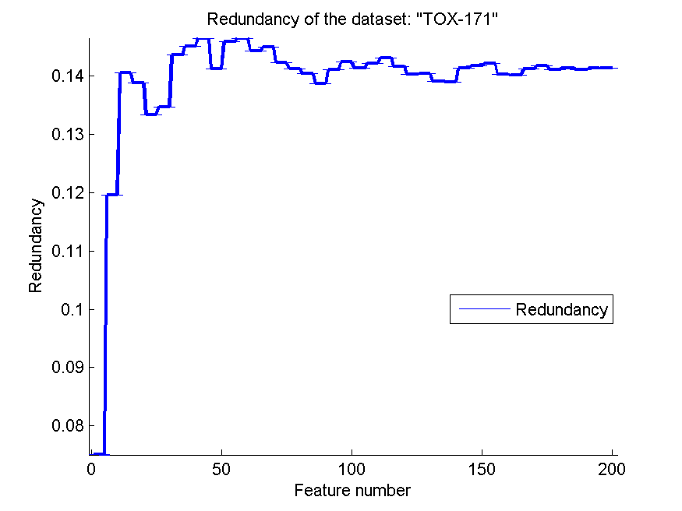
0.75459770115 | 0.067361359548 | 0.52126436782 | 0.066216117359 | 0.46494252874 | 0.055873121475 | 0.14039355359 | 3.5453105654E-17
0.77528735632 | 0.042104785097 | 0.52471264368 | 0.065264154939 | 0.46954022989 | 0.053689876706 | 0.13910721978 | 1.8010195683E-17
0.77126436782 | 0.068955433826 | 0.5183908046 | 0.06058130716 | 0.47126436782 | 0.053133321264 | 0.13896331163 | 4.1754920948E-17
0.7867816092 | 0.056614914602 | 0.53850574713 | 0.042071742294 | 0.5132183908 | 0.0470644244 | 0.14128045243 | 2.0136010917E-17
0.80287356322 | 0.051844988885 | 0.5408045977 | 0.042433797993 | 0.51264367816 | 0.047082889003 | 0.14167727072 | 1.6846995428E-17
0.80402298851 | 0.051197154129 | 0.54425287356 | 0.044010421537 | 0.50977011494 | 0.0470644244 | 0.1420933424 | 4.9732278326E-17
0.79770114943 | 0.04542928433 | 0.54137931034 | 0.043951132245 | 0.51091954023 | 0.045440762651 | 0.14023633874 | 4.3186932098E-17
0.79770114943 | 0.046488384235 | 0.54137931034 | 0.043951132245 | 0.5091954023 | 0.043023721386 | 0.14012487028 | 0
0.80057471264 | 0.038081061348 | 0.53908045977 | 0.043951132245 | 0.50517241379 | 0.044042009857 | 0.14118893383 | 1.1028947398E-17
0.79022988506 | 0.051251453127 | 0.54022988506 | 0.044438881239 | 0.50747126437 | 0.044481891033 | 0.14167322961 | 4.765049884E-17
0.79597701149 | 0.052458323703 | 0.54022988506 | 0.044750736864 | 0.50747126437 | 0.044481891033 | 0.14104973866 | 2.2057894795E-17
0.79942528736 | 0.050650962704 | 0.54137931034 | 0.044266424179 | 0.49195402299 | 0.064549049157 | 0.14133480919 | 2.2057894795E-17
0.79137931034 | 0.041068097687 | 0.54540229885 | 0.045133675081 | 0.49252873563 | 0.064298099831 | 0.14106187224 | 2.6254146161E-17
0.79827586207 | 0.043883840878 | 0.54425287356 | 0.044637940946 | 0.49252873563 | 0.064298099831 | 0.14127137203 | 2.8476619731E-17
0.79540229885 | 0.046667530888 | 0.54425287356 | 0.044637940946 | 0.48850574713 | 0.071975067904 | 0.14136232232 | 5.6596162341E-17

SMK-CAN-187
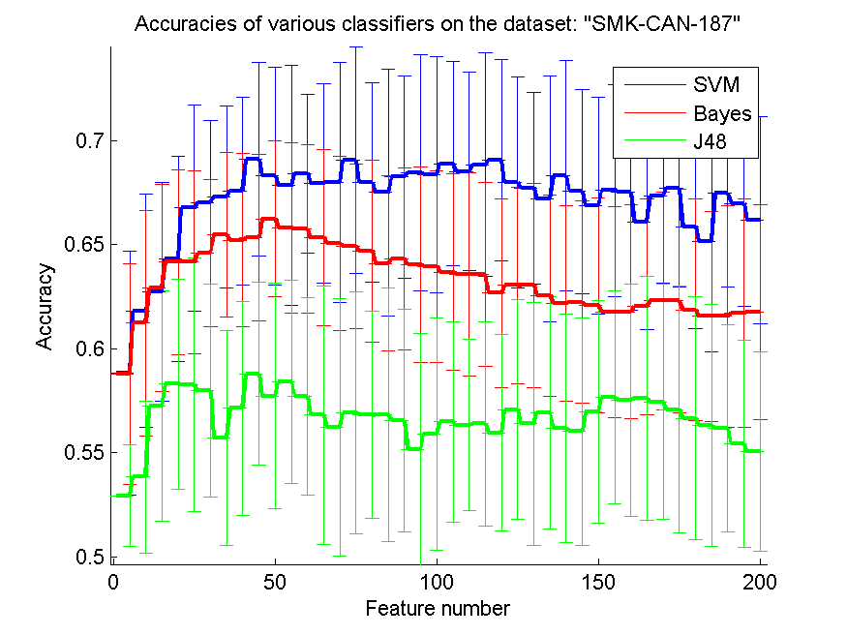
res_svm | res_svm_std | res_bayes | res_bayes_std | res_j48 | res_j48_std | res_red | res_red_std
0.58829787234 | 0.058482636076 | 0.58776595745 | 0.053121454454 | 0.52925531915 | 0.024375402633 | 0.20180654399 | 0.059616069427
0.61808510638 | 0.055963599098 | 0.61223404255 | 0.054187208857 | 0.53829787234 | 0.036592619466 | 0.25724406248 | 0.042783622617
0.62712765957 | 0.052625771045 | 0.62925531915 | 0.049691694398 | 0.57234042553 | 0.055396620746 | 0.26954907563 | 0.025978099667
0.64308510638 | 0.049112952996 | 0.6414893617 | 0.04434900498 | 0.5829787234 | 0.050444168527 | 0.28670621284 | 0.013764760035
0.66755319149 | 0.049643723643 | 0.6414893617 | 0.043944229201 | 0.58244680851 | 0.06085597753 | 0.28638345244 | 0.019490048737
0.67021276596 | 0.039201726908 | 0.64574468085 | 0.035384389077 | 0.57978723404 | 0.051252451184 | 0.28768245088 | 0.010514238871
0.67287234043 | 0.043641595787 | 0.65478723404 | 0.039576003294 | 0.55691489362 | 0.051689314953 | 0.290545824 | 0.0082092631279
0.67553191489 | 0.045200413305 | 0.65212765957 | 0.041719150033 | 0.57127659574 | 0.051205942598 | 0.29621118482 | 0.0057068587851
0.69095744681 | 0.046496337637 | 0.65319148936 | 0.040013816679 | 0.58776595745 | 0.043913720611 | 0.29921871426 | 0.0077420747582
0.6829787234 | 0.052299349317 | 0.66223404255 | 0.037473235865 | 0.57712765957 | 0.054121214058 | 0.29782118368 | 0.0037587007688
0.67819148936 | 0.057638827191 | 0.6579787234 | 0.040879020622 | 0.58404255319 | 0.048677440581 | 0.2924361573 | 0.0028774485862
0.68404255319 | 0.037982401069 | 0.65744680851 | 0.040339981381 | 0.57712765957 | 0.047434855554 | 0.29032291787 | 0.0029426160741
0.67925531915 | 0.047859896355 | 0.65319148936 | 0.042328634822 | 0.56808510638 | 0.06206980079 | 0.28877409897 | 0.0022606329138
0.67978723404 | 0.057744655269 | 0.65053191489 | 0.042028540628 | 0.56223404255 | 0.061961746741 | 0.2873674929 | 0.0024981158482
0.69042553191 | 0.054233906584 | 0.64893617021 | 0.039504447441 | 0.56914893617 | 0.05821722215 | 0.28650110721 | 0.0019015341193
0.67978723404 | 0.048061713284 | 0.64680851064 | 0.043740436655 | 0.56808510638 | 0.049706675765 | 0.28898152024 | 0.0017546052714
0.675 | 0.059329503563 | 0.64095744681 | 0.042254692135 | 0.56808510638 | 0.060907342083 | 0.29284449238 | 0.0029698526596
0.68244680851 | 0.04847818702 | 0.64308510638 | 0.043859430717 | 0.56542553191 | 0.053501337188 | 0.29514258704 | 0.0013782622287
0.68457446809 | 0.056743129162 | 0.64042553191 | 0.047021808634 | 0.55159574468 | 0.055683505922 | 0.29799155809 | 0.0020363434989
0.6835106383 | 0.056910838047 | 0.63936170213 | 0.046165284259 | 0.55904255319 | 0.055704895918 | 0.30070804212 | 0.0018730900561
0.68882978723 | 0.048918517679 | 0.63670212766 | 0.047233512905 | 0.56489361702 | 0.048061713284 | 0.30238482074 | 0.0033628774505
0.68510638298 | 0.047625967995 | 0.63563829787 | 0.049040130092 | 0.56329787234 | 0.041198336127 | 0.30079664351 | 0.0033344004651
0.68829787234 | 0.053593108658 | 0.63563829787 | 0.044049152607 | 0.56382978723 | 0.049055310445 | 0.30010217201 | 0.0035196845108
0.69042553191 | 0.048432089016 | 0.62659574468 | 0.045384529804 | 0.55957446809 | 0.047123039771 | 0.30246393714 | 0.0026498460677
0.67978723404 | 0.050479580373 | 0.63031914894 | 0.047183042996 | 0.57074468085 | 0.052829112767 | 0.30427391193 | 0.0014115938897
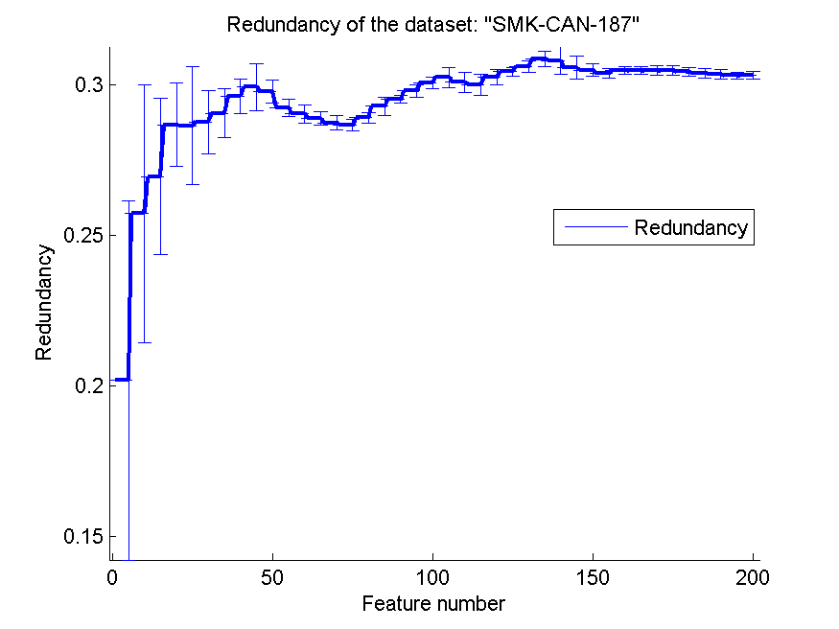
0.67712765957 | 0.046084572836 | 0.63031914894 | 0.049161441669 | 0.56382978723 | 0.058268357181 | 0.30593912026 | 0.0018797374466
0.67180851064 | 0.059007359142 | 0.62553191489 | 0.048395178997 | 0.56914893617 | 0.05570756909 | 0.30860754659 | 0.0024624953422
0.6829787234 | 0.055181152715 | 0.62180851064 | 0.047005971576 | 0.56170212766 | 0.054747672689 | 0.30799922699 | 0.0045387936957
0.67553191489 | 0.048994560811 | 0.62234042553 | 0.048505824794 | 0.56010638298 | 0.054494127838 | 0.30561545091 | 0.003779048233
0.66861702128 | 0.052148223656 | 0.62074468085 | 0.051689314953 | 0.56968085106 | 0.053523599267 | 0.30487505454 | 0.0020652874945
0.67606382979 | 0.050899675491 | 0.61755319149 | 0.050547383735 | 0.57659574468 | 0.051264071737 | 0.30383707238 | 0.0016165594921
0.675 | 0.056553862198 | 0.61755319149 | 0.051365639441 | 0.575 | 0.055811722933 | 0.30476769445 | 0.0012854030726
0.66063829787 | 0.051646083201 | 0.62021276596 | 0.051899195394 | 0.57606382979 | 0.058602188379 | 0.30468043499 | 0.0012995973209
0.67340425532 | 0.041861682563 | 0.62287234043 | 0.052398910323 | 0.57446808511 | 0.056503811026 | 0.30468884051 | 0.0014901724135
0.67712765957 | 0.047610331904 | 0.62287234043 | 0.053523599267 | 0.57074468085 | 0.059208904804 | 0.30472007387 | 0.001472227961
0.6585106383 | 0.048921561674 | 0.61861702128 | 0.053389887557 | 0.5664893617 | 0.058255577631 | 0.30431367874 | 0.0014730175162
0.65159574468 | 0.053345242509 | 0.61542553191 | 0.05028746792 | 0.56329787234 | 0.058112254668 | 0.30382215808 | 0.0014773461669
0.67446808511 | 0.044922823699 | 0.61542553191 | 0.053166287423 | 0.56170212766 | 0.049730636564 | 0.30345493667 | 0.0015101031992
0.66968085106 | 0.049595706489 | 0.6170212766 | 0.054682354305 | 0.55425531915 | 0.04952660027 | 0.3030235531 | 0.0012230520331
0.66170212766 | 0.049850267809 | 0.61755319149 | 0.051481471451 | 0.55053191489 | 0.047685338381 | 0.30306333602 | 0.0012578927855

RELATHE
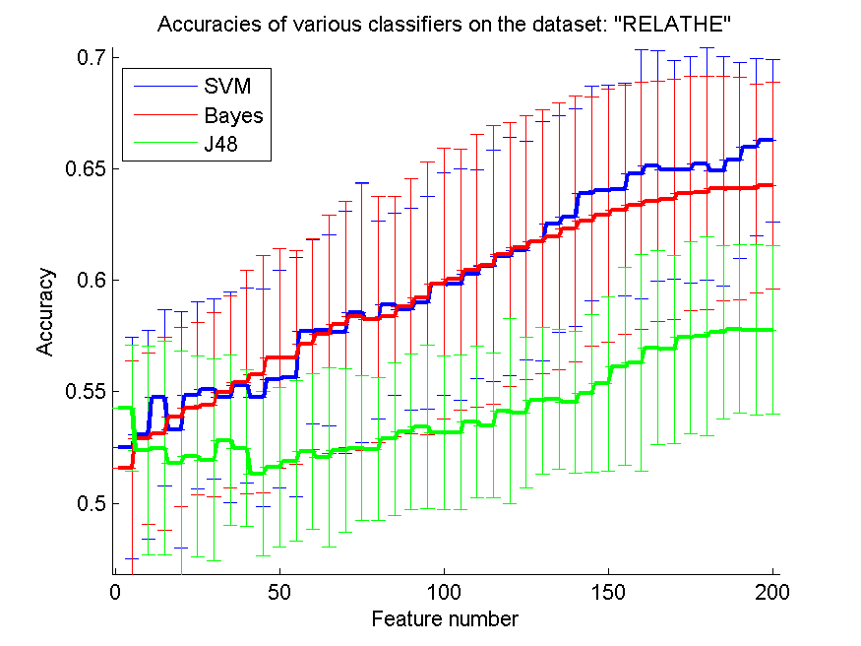
res_svm | res_svm_std | res_bayes | res_bayes_std | res_j48 | res_j48_std | res_red | res_red_std
0.52481662592 | 0.049633801219 | 0.51589242054 | 0.04792272332 | 0.54270578647 | 0.028462776596 | 0.029305210455 | 0.034151445806
0.53072534637 | 0.046754140002 | 0.52889160554 | 0.038449623174 | 0.52371638142 | 0.046854077715 | 0.041021561048 | 0.024634737931
0.54743276284 | 0.039593335726 | 0.53117359413 | 0.043383250402 | 0.52461287694 | 0.04795852761 | 0.03804317413 | 0.013551660868
0.53292583537 | 0.053122613815 | 0.53867155664 | 0.040334585203 | 0.51801140994 | 0.050256698579 | 0.038414069063 | 0.010918293092
0.54845150774 | 0.041941544744 | 0.54246128769 | 0.03848499798 | 0.52106764466 | 0.045242242818 | 0.038090042649 | 0.0089293856596
0.55118174409 | 0.040534842491 | 0.54409127954 | 0.041271824619 | 0.51943765281 | 0.045462699036 | 0.03744961188 | 0.0086278950526
0.54763651182 | 0.047280467581 | 0.5499592502 | 0.043198102154 | 0.5282803586 | 0.038260153891 | 0.036756590927 | 0.0092104359269
0.55293398533 | 0.043803941059 | 0.55419722901 | 0.05018054158 | 0.52473512632 | 0.03526833565 | 0.036471019575 | 0.0089040001905
0.54743276284 | 0.048922698688 | 0.55790546047 | 0.053173639764 | 0.51324368378 | 0.036738031566 | 0.035994873693 | 0.0086060263572
0.55570497148 | 0.049038447707 | 0.56507742461 | 0.049423322013 | 0.51613691932 | 0.035674211488 | 0.035587640047 | 0.0081397369297
0.5564792176 | 0.053719233851 | 0.56540342298 | 0.048007177863 | 0.51898940505 | 0.036097487661 | 0.03573804582 | 0.0085334864782
0.57697636512 | 0.041287978734 | 0.57139364303 | 0.047480733275 | 0.52302363488 | 0.034912274428 | 0.03545317047 | 0.0083406963991
0.57775061125 | 0.042831811921 | 0.57595762021 | 0.053493920333 | 0.52057864711 | 0.040149897332 | 0.035666479131 | 0.0085437622211
0.57660961695 | 0.054472040899 | 0.58023634882 | 0.055190567712 | 0.52359413203 | 0.036690041021 | 0.035434465444 | 0.0079090012679
0.58561532192 | 0.058376561864 | 0.58357783211 | 0.059776068684 | 0.52473512632 | 0.032514230455 | 0.035265699212 | 0.0077542046638
0.58235533822 | 0.044370896131 | 0.58227383863 | 0.055240585301 | 0.52432762836 | 0.032238892087 | 0.035063979258 | 0.0072175579227
0.58920130399 | 0.04096411278 | 0.58378158109 | 0.053744282652 | 0.52885085575 | 0.034273614537 | 0.034740008652 | 0.0070798594022
0.5869193154 | 0.045278545341 | 0.58838630807 | 0.057076349096 | 0.53198859006 | 0.034853145627 | 0.034480988226 | 0.006963945093
0.58989405053 | 0.047605515119 | 0.59201303993 | 0.061180088999 | 0.53435207824 | 0.036732702379 | 0.034354328639 | 0.0065929492367
0.59849225754 | 0.050040508776 | 0.59857375713 | 0.060961462941 | 0.53158109209 | 0.034570144348 | 0.034292111496 | 0.0062608473047
0.59820700896 | 0.052013424519 | 0.60040749796 | 0.058636259813 | 0.53174409128 | 0.034653572458 | 0.033871064271 | 0.0060171407301
0.60268948655 | 0.046948814052 | 0.604400978 | 0.061230352354 | 0.53667481663 | 0.034067568511 | 0.033765284637 | 0.005795641741
0.6065199674 | 0.051906852756 | 0.60692746536 | 0.062672520064 | 0.53492257539 | 0.032635500374 | 0.033390300308 | 0.0057988403333
0.61075794621 | 0.053657896307 | 0.61169519152 | 0.059210789041 | 0.5413202934 | 0.041624549231 | 0.033141249219 | 0.0056960639801
0.61340668297 | 0.048855607833 | 0.61471067645 | 0.059044294461 | 0.54050529747 | 0.033794644838 | 0.033118186492 | 0.0057845598408
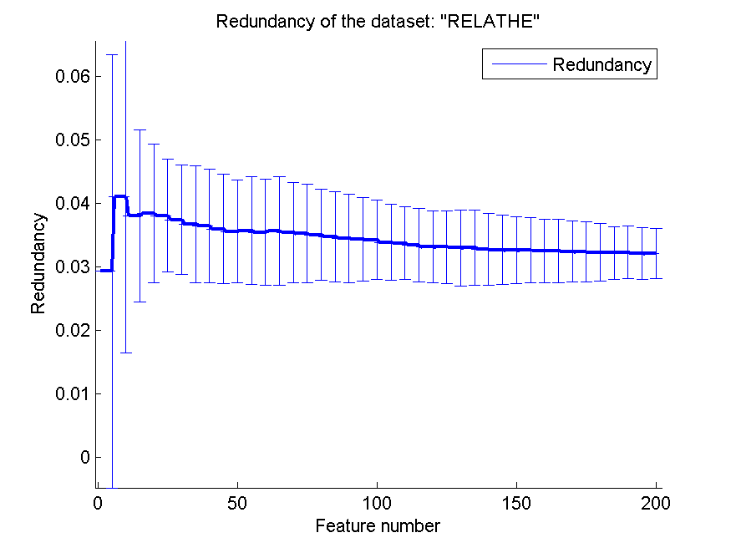
0.61756316218 | 0.053622360749 | 0.61731866341 | 0.059103236066 | 0.54604726976 | 0.032926345005 | 0.032984002235 | 0.0059401082486
0.62538712306 | 0.048763930813 | 0.61980440098 | 0.059827526229 | 0.5467807661 | 0.031405768749 | 0.033030374103 | 0.0058816132228
0.6282803586 | 0.048920412 | 0.62326813366 | 0.059625226055 | 0.54527302363 | 0.031982175727 | 0.032763844501 | 0.0056802449155
0.63899755501 | 0.048187868515 | 0.62652811736 | 0.055854453809 | 0.54918500407 | 0.035353478239 | 0.032692629752 | 0.0054395692851
0.6402607987 | 0.047562757051 | 0.62909535452 | 0.056676475757 | 0.55366748166 | 0.039082499657 | 0.032613535546 | 0.0052937151928
0.64095354523 | 0.047803285608 | 0.63166259169 | 0.055773404568 | 0.56136919315 | 0.044507088526 | 0.032635996678 | 0.0050872510534
0.6478402608 | 0.055947024774 | 0.63361858191 | 0.055539744909 | 0.56287693562 | 0.04863184232 | 0.032542615291 | 0.0050212597113
0.65138549307 | 0.051816711741 | 0.63541157294 | 0.05393529423 | 0.56976365118 | 0.043565806388 | 0.032549321871 | 0.0050163250665
0.64967400163 | 0.048967107136 | 0.63638956805 | 0.05396121452 | 0.56898940505 | 0.042308188629 | 0.032432467297 | 0.0048205447089
0.64979625102 | 0.050776204918 | 0.63903830481 | 0.052607472788 | 0.57428687857 | 0.043277883046 | 0.03237188709 | 0.0047051043365
0.65211898941 | 0.052112986677 | 0.63940505297 | 0.052442795509 | 0.57493887531 | 0.044545461696 | 0.032299526111 | 0.0045367971537
0.64914425428 | 0.05144745123 | 0.64119804401 | 0.050400119183 | 0.57660961695 | 0.038933035476 | 0.032194168102 | 0.0041428099313
0.65391198044 | 0.044095703563 | 0.64115729421 | 0.050064832 | 0.57811735941 | 0.037832590605 | 0.032286953435 | 0.0041260570503
0.65990220049 | 0.039773928231 | 0.6413202934 | 0.046977398624 | 0.57775061125 | 0.03838904466 | 0.032127187093 | 0.00403798827
0.66271393643 | 0.036390395431 | 0.64262428688 | 0.046344767311 | 0.57775061125 | 0.037657193778 | 0.032086260963 | 0.003947621215

pixraw10P
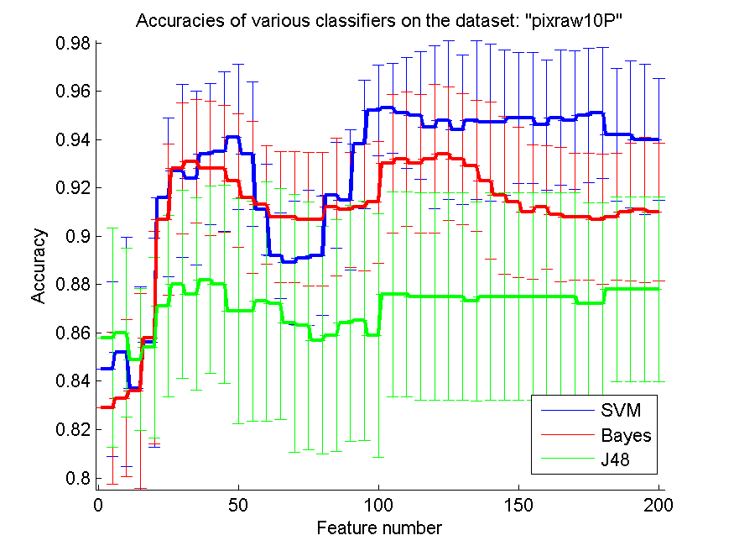
res_svm | res_svm_std | res_bayes | res_bayes_std | res_j48 | res_j48_std | res_red | res_red_std
0.845 | 0.036055512755 | 0.829 | 0.031439164312 | 0.858 | 0.045375625268 | 0.79845976118 | 2.5974673606E-16
0.852 | 0.047417518415 | 0.833 | 0.03262223975 | 0.86 | 0.034943563521 | 0.89776417805 | 2.3204513926E-16
0.837 | 0.042190046219 | 0.836 | 0.040314552681 | 0.849 | 0.029361629096 | 0.93007102848 | 2.1761802243E-16
0.856 | 0.04333468284 | 0.858 | 0.043961705824 | 0.854 | 0.037332080179 | 0.9452379514 | 3.3597584391E-16
0.916 | 0.032831307267 | 0.907 | 0.031304951685 | 0.871 | 0.037542957851 | 0.95362980651 | 1.9892911331E-16
0.927 | 0.035703457005 | 0.928 | 0.027067167915 | 0.88 | 0.038933141071 | 0.95881113463 | 2.1309950914E-16
0.924 | 0.035894582497 | 0.931 | 0.025526044491 | 0.876 | 0.039788916732 | 0.96204307088 | 1.463155214E-16
0.934 | 0.029091507171 | 0.928 | 0.027834094958 | 0.882 | 0.038879029661 | 0.9645871758 | 1.8010195683E-16
0.935 | 0.033007176253 | 0.928 | 0.026277867413 | 0.88 | 0.041039134083 | 0.96656685004 | 1.7461532568E-16
0.941 | 0.030070093553 | 0.923 | 0.027739388678 | 0.869 | 0.046555004254 | 0.96834621902 | 1.7461532568E-16
0.934 | 0.029806392815 | 0.916 | 0.031522757026 | 0.869 | 0.045641624585 | 0.96967238881 | 1.5068410798E-16
0.911 | 0.018890264828 | 0.913 | 0.024516374764 | 0.873 | 0.049534676849 | 0.96836787587 | 1.5068410798E-16
0.892 | 0.017651599003 | 0.908 | 0.027067167915 | 0.872 | 0.047859443329 | 0.9654892391 | 4.8191999164E-16
0.889 | 0.025526044491 | 0.908 | 0.027067167915 | 0.864 | 0.053350874308 | 0.96613474481 | 1.3477596343E-16
0.891 | 0.027890764365 | 0.907 | 0.027739388678 | 0.863 | 0.051206496298 | 0.96727607747 | 1.6895061134E-16
0.892 | 0.02462348045 | 0.907 | 0.027739388678 | 0.857 | 0.046915377347 | 0.966751911 | 1.6895061134E-16
0.917 | 0.021788456625 | 0.912 | 0.028580449704 | 0.859 | 0.04789242331 | 0.96794442145 | 1.2987336803E-16
0.915 | 0.028928223334 | 0.911 | 0.023819496658 | 0.864 | 0.048817598207 | 0.96824001987 | 2.8816313092E-16
0.938 | 0.026675437154 | 0.912 | 0.026277867413 | 0.865 | 0.049364380937 | 0.95688017868 | 1.2215109018E-16
0.952 | 0.018806493839 | 0.914 | 0.025214866125 | 0.859 | 0.050461032386 | 0.8947655753 | 3.0028997201E-16
0.953 | 0.01866604009 | 0.93 | 0.028654015976 | 0.876 | 0.042351909172 | 0.89682712853 | 1.1390647893E-16
0.951 | 0.022918620331 | 0.932 | 0.027834094958 | 0.876 | 0.042351909172 | 0.89937097601 | 2.6469473754E-16
0.95 | 0.026357861106 | 0.93 | 0.028654015976 | 0.875 | 0.042981023965 | 0.90240242754 | 1.6506616999E-16
0.945 | 0.033638949855 | 0.932 | 0.030710875838 | 0.875 | 0.042981023965 | 0.9056006912 | 2.1612234819E-16
0.948 | 0.032702808506 | 0.934 | 0.027606254059 | 0.875 | 0.042981023965 | 0.90883653639 | 1.6701968379E-16
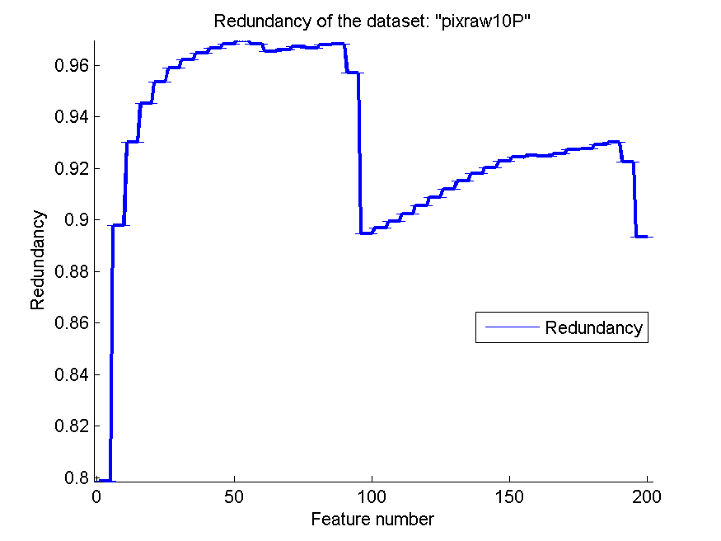
0.944 | 0.030847673289 | 0.932 | 0.027067167915 | 0.875 | 0.042981023965 | 0.91199183644 | 1.6701968379E-16
0.948 | 0.032702808506 | 0.929 | 0.027125439604 | 0.873 | 0.041179964469 | 0.91500579148 | 1.9729180881E-16
0.947 | 0.03262223975 | 0.923 | 0.03262223975 | 0.875 | 0.042981023965 | 0.91783313512 | 1.5282157797E-16
0.947 | 0.029929742292 | 0.917 | 0.03262223975 | 0.875 | 0.042981023965 | 0.92037477366 | 1.8366867846E-16
0.949 | 0.027125439604 | 0.914 | 0.031187041843 | 0.875 | 0.042981023965 | 0.92267200901 | 9.183433923E-17
0.949 | 0.027125439604 | 0.91 | 0.027909628597 | 0.875 | 0.042981023965 | 0.92431501788 | 1.7646315836E-16
0.946 | 0.02683281573 | 0.912 | 0.025464113034 | 0.875 | 0.042981023965 | 0.92493610616 | 1.2477829591E-16
0.949 | 0.027890764365 | 0.909 | 0.027890764365 | 0.875 | 0.042981023965 | 0.92472378387 | 2.4163213101E-16
0.948 | 0.028580449704 | 0.908 | 0.026277867413 | 0.875 | 0.042981023965 | 0.92557487202 | 2.4430218036E-16
0.95 | 0.027909628597 | 0.908 | 0.026277867413 | 0.872 | 0.041751142436 | 0.92728207214 | 9.183433923E-17
0.951 | 0.027125439604 | 0.907 | 0.02696976865 | 0.872 | 0.041751142436 | 0.92755422008 | 1.3716156391E-16
0.942 | 0.027453309646 | 0.908 | 0.026277867413 | 0.878 | 0.03833371472 | 0.92907328133 | 1.080611741E-16
0.942 | 0.030366186181 | 0.91 | 0.028654015976 | 0.878 | 0.03833371472 | 0.92999420344 | 7.2040782731E-17
0.94 | 0.031119464209 | 0.911 | 0.030070093553 | 0.878 | 0.03833371472 | 0.92244086915 | 1.8189406024E-16
0.94 | 0.025131234498 | 0.91 | 0.028654015976 | 0.878 | 0.03833371472 | 0.89335310794 | 1.5492956139E-16

PCMAC
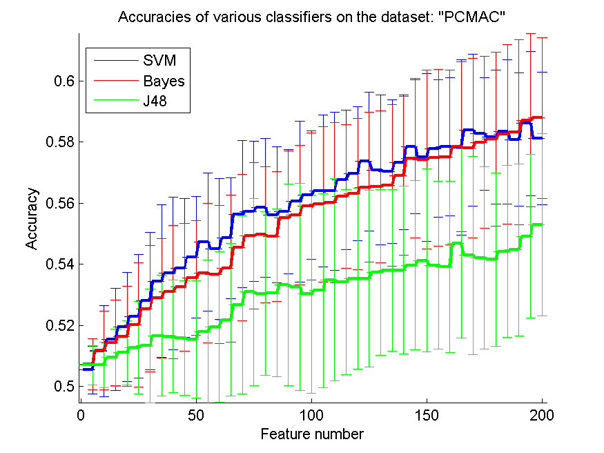
res_svm | res_svm_std | res_bayes | res_bayes_std | res_j48 | res_j48_std | res_red | res_red_std
0.50545037292 | 0.0078045927404 | 0.50728628801 | 0.0083402564312 | 0.5069707401 | 0.0064165161296 | 0.031572225552 | 0.038828589061
0.51153184165 | 0.014927723111 | 0.51176133104 | 0.012838296041 | 0.50717154332 | 0.0074642097076 | 0.038227308318 | 0.029629328206
0.51540447504 | 0.016677266967 | 0.51425702811 | 0.013964598857 | 0.50946643718 | 0.0093181853228 | 0.03753542571 | 0.024424705214
0.51950659782 | 0.017881599702 | 0.51640849111 | 0.01636226628 | 0.51110154905 | 0.010508738336 | 0.038251733255 | 0.019786772762
0.52300631096 | 0.020177489764 | 0.52022375215 | 0.020313098695 | 0.51273666093 | 0.015103897143 | 0.03721895937 | 0.017991914682
0.52799770511 | 0.022447568496 | 0.52547332186 | 0.0206950203 | 0.51336775674 | 0.018609951634 | 0.039344557589 | 0.019997695344
0.53450946644 | 0.025042137719 | 0.52891566265 | 0.019619859146 | 0.51666666667 | 0.01971373919 | 0.040123906747 | 0.020959478243
0.53703384968 | 0.024924393361 | 0.53092369478 | 0.021827222536 | 0.51643717728 | 0.018346195077 | 0.039159083783 | 0.018181051956
0.53878370625 | 0.022763160834 | 0.53253012048 | 0.020912946202 | 0.51592082616 | 0.018800072461 | 0.039449100657 | 0.015168039918
0.54231210557 | 0.019932572362 | 0.5355134825 | 0.018825419472 | 0.51543316122 | 0.019155654359 | 0.039407314833 | 0.015222322575
0.54736087206 | 0.022545657131 | 0.5371199082 | 0.022781951267 | 0.51801491681 | 0.023479464267 | 0.039141415792 | 0.014306448646
0.54509466437 | 0.022992605736 | 0.53668961561 | 0.022547193883 | 0.51947791165 | 0.02468062269 | 0.038720298599 | 0.013771022269
0.54862306368 | 0.0197474557 | 0.53866896156 | 0.024079052572 | 0.52185886403 | 0.024906958444 | 0.038898279988 | 0.013656280457
0.55645438898 | 0.024045213741 | 0.54543889845 | 0.023926183734 | 0.52679288583 | 0.029178728686 | 0.038309226108 | 0.012650323278
0.55734366036 | 0.022901689894 | 0.54934021801 | 0.023967709091 | 0.53098106713 | 0.03067169126 | 0.038216611719 | 0.011630830191
0.55854847963 | 0.02275750926 | 0.54971313827 | 0.022285045592 | 0.53046471601 | 0.026856141874 | 0.038695546761 | 0.011214124331
0.5562248996 | 0.022271223226 | 0.54911072863 | 0.0211463277 | 0.53066551922 | 0.027387630784 | 0.037767507986 | 0.0105363779
0.55725760184 | 0.020442512377 | 0.55519219736 | 0.022012714368 | 0.53333333333 | 0.032944970492 | 0.037569672445 | 0.0098912220059
0.56058519793 | 0.026383335354 | 0.55605278256 | 0.022794874955 | 0.53253012048 | 0.033896277014 | 0.037387663729 | 0.0095246126184
0.56259323006 | 0.0210086551 | 0.55895008606 | 0.024025734831 | 0.53029259897 | 0.032375120673 | 0.03760149891 | 0.0090128060501
0.56399885255 | 0.024824101852 | 0.55966724039 | 0.025385834535 | 0.53141135972 | 0.031772752727 | 0.037989167205 | 0.0087659562674
0.56394148021 | 0.025879868972 | 0.56026965003 | 0.026190615925 | 0.53496844521 | 0.033021170167 | 0.037923373236 | 0.0083245276104
0.56767068273 | 0.022912277841 | 0.56227768216 | 0.023516014341 | 0.53416523236 | 0.030255972788 | 0.037778458849 | 0.0079845854621
0.56965002869 | 0.0219905096 | 0.56302352266 | 0.024815586308 | 0.53534136546 | 0.029613246716 | 0.037813519455 | 0.0074965632852
0.57369477912 | 0.022763598439 | 0.56520367183 | 0.024548163495 | 0.53542742398 | 0.02891587534 | 0.037471529284 | 0.0072388136643
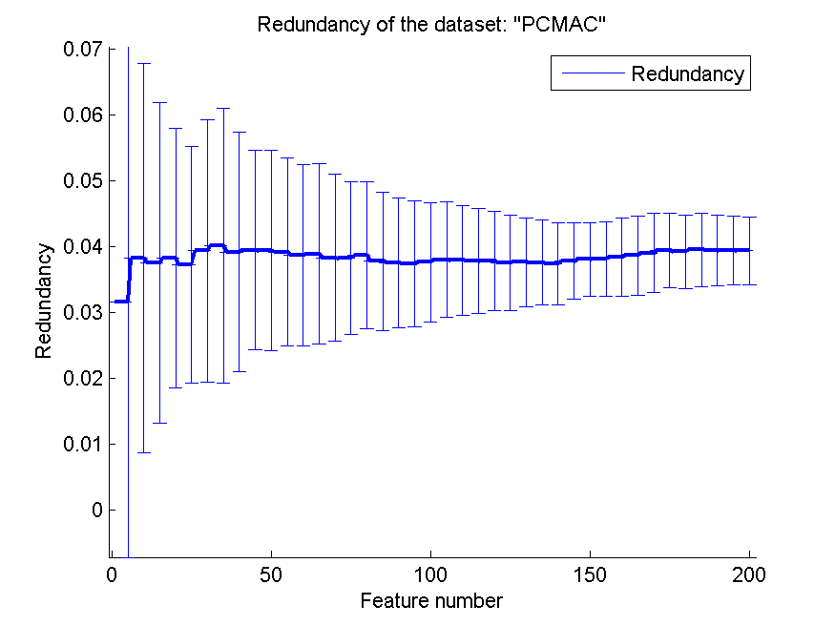
0.57091222031 | 0.024458107182 | 0.56540447504 | 0.024822025585 | 0.53740676994 | 0.027087819943 | 0.037610744616 | 0.0067922202604
0.57042455536 | 0.023474280354 | 0.56589213999 | 0.026461604681 | 0.53806655192 | 0.02641835983 | 0.037565700607 | 0.0065015096512
0.57340791738 | 0.022124480604 | 0.56893287435 | 0.02596727965 | 0.5380952381 | 0.027467484926 | 0.037394996771 | 0.0062390489037
0.57848537005 | 0.021992242693 | 0.57475616753 | 0.026024142185 | 0.5397016638 | 0.027673711209 | 0.037778689952 | 0.0058223999144
0.57501434309 | 0.027403060739 | 0.57429718876 | 0.029221682752 | 0.54122203098 | 0.02993812138 | 0.038047502072 | 0.0056205140944
0.57791164659 | 0.022526150481 | 0.57481353987 | 0.028971555058 | 0.5397016638 | 0.027491567658 | 0.038110303786 | 0.0057210253622
0.57845668388 | 0.02253827926 | 0.57501434309 | 0.028612324546 | 0.53915662651 | 0.028067659374 | 0.038454941118 | 0.0059522659921
0.57819850832 | 0.028667203922 | 0.57839931153 | 0.027803103217 | 0.54684452094 | 0.030952129785 | 0.038630738023 | 0.00605840159
0.5839070568 | 0.024946208936 | 0.57805507745 | 0.02931962084 | 0.5429145152 | 0.032394913564 | 0.039014625825 | 0.0060609998139
0.58270223752 | 0.018347139343 | 0.57994836489 | 0.028114776025 | 0.54208261618 | 0.029853516771 | 0.039422266336 | 0.00571204202
0.58172690763 | 0.021875643694 | 0.58098106713 | 0.028538603429 | 0.54156626506 | 0.028352362214 | 0.039199134068 | 0.0056161602198
0.58336201951 | 0.023569823623 | 0.58255880666 | 0.029399825391 | 0.544205393 | 0.028089007335 | 0.039512447095 | 0.0055580626013
0.58086632243 | 0.021806636309 | 0.58330464716 | 0.030295241 | 0.54472174412 | 0.028092707643 | 0.039385188004 | 0.0054116789507
0.58614457831 | 0.023653228708 | 0.58709122203 | 0.028358853662 | 0.54919678715 | 0.026721938048 | 0.039421400288 | 0.0052818357533
0.58126792886 | 0.021703751518 | 0.58789443488 | 0.026332857742 | 0.55295467585 | 0.029897775723 | 0.039342321176 | 0.0051990883495

orlraws10P
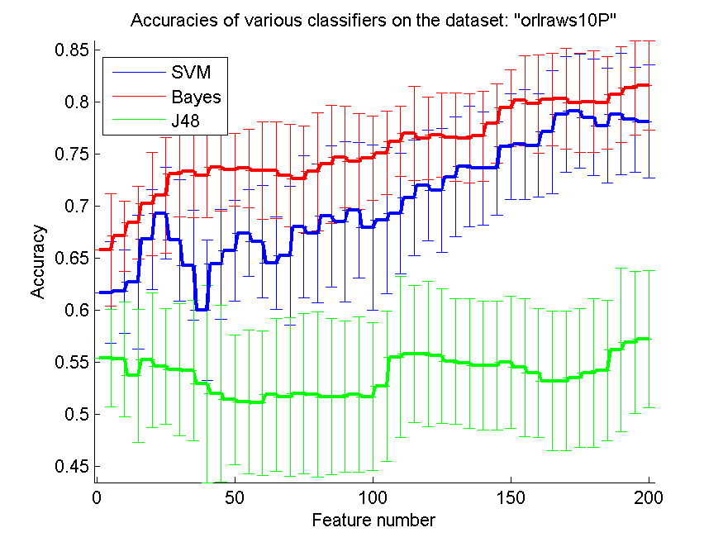
res_svm | res_svm_std | res_bayes | res_bayes_std | res_j48 | res_j48_std | res_red | res_red_std
0.617 | 0.048677239899 | 0.658 | 0.053861420623 | 0.554 | 0.046836782666 | 0.69518108177 | 1.7646315836E-16
0.618 | 0.039947333749 | 0.671 | 0.033387675003 | 0.553 | 0.055164824796 | 0.83393983068 | 2.4028598053E-16
0.627 | 0.064326469955 | 0.684 | 0.034701736647 | 0.537 | 0.063998355242 | 0.8283599258 | 1.0501658464E-16
0.668 | 0.047859443329 | 0.702 | 0.049375041639 | 0.552 | 0.064693609869 | 0.80485015106 | 2.5214273956E-16
0.693 | 0.044140922653 | 0.71 | 0.055630358997 | 0.546 | 0.055856960175 | 0.73246211591 | 1.4851587828E-16
0.667 | 0.058137767415 | 0.731 | 0.041788943388 | 0.543 | 0.063668549619 | 0.66630779341 | 2.0216394514E-16
0.643 | 0.052825432471 | 0.733 | 0.044140922653 | 0.542 | 0.067089884719 | 0.60534207887 | 1.2987336803E-16
0.6 | 0.067121257124 | 0.729 | 0.040249223595 | 0.529 | 0.094362124427 | 0.5670304539 | 9.8645904405E-17
0.644 | 0.052555734827 | 0.737 | 0.042190046219 | 0.52 | 0.084852813742 | 0.55214416024 | 1.1390647893E-16
0.657 | 0.048242806936 | 0.735 | 0.03486817279 | 0.514 | 0.061933750683 | 0.54309390003 | 1.080611741E-16
0.674 | 0.04159959514 | 0.736 | 0.037612987679 | 0.512 | 0.069099470635 | 0.53711105369 | 8.823157918E-17
0.666 | 0.053939537301 | 0.734 | 0.046836782666 | 0.511 | 0.069426219831 | 0.53528105489 | 2.1461625076E-16
0.645 | 0.044426165832 | 0.734 | 0.04638511558 | 0.519 | 0.073262326069 | 0.53005714457 | 1.2215109018E-16
0.652 | 0.066617525748 | 0.729 | 0.049193495505 | 0.517 | 0.076026311235 | 0.51710832584 | 3.6020391365E-17
0.68 | 0.068364348973 | 0.726 | 0.051134497574 | 0.52 | 0.077050905934 | 0.50643771687 | 8.0544043669E-17
0.674 | 0.066522651465 | 0.733 | 0.056670794483 | 0.519 | 0.079332743622 | 0.51248238165 | 1.0501658464E-16
0.69 | 0.067900856517 | 0.74 | 0.056568542495 | 0.517 | 0.074910472882 | 0.51911259473 | 7.6410788986E-17
0.685 | 0.077016744591 | 0.747 | 0.049107829797 | 0.517 | 0.072627383555 | 0.52697906044 | 1.6308925832E-16
0.696 | 0.064758661278 | 0.743 | 0.046009152408 | 0.519 | 0.074402886192 | 0.53194485403 | 8.4475305668E-17
0.679 | 0.079332743622 | 0.746 | 0.040574817183 | 0.517 | 0.070866813553 | 0.53598437015 | 1.0501658464E-16
0.686 | 0.070217706569 | 0.751 | 0.03972272318 | 0.527 | 0.072045307382 | 0.5267405859 | 6.7387981713E-17
0.693 | 0.057774516327 | 0.762 | 0.033654592242 | 0.555 | 0.077289612566 | 0.49336501492 | 5.8359704074E-17
0.708 | 0.055592502334 | 0.77 | 0.045189658808 | 0.558 | 0.065822728437 | 0.47701134734 | 9.4446262946E-17
0.72 | 0.053113582364 | 0.765 | 0.039403446283 | 0.558 | 0.069554976363 | 0.47320054608 | 1.2987336803E-16
0.715 | 0.05942708934 | 0.768 | 0.040730177613 | 0.556 | 0.064432747476 | 0.47278088637 | 1.8189406024E-16
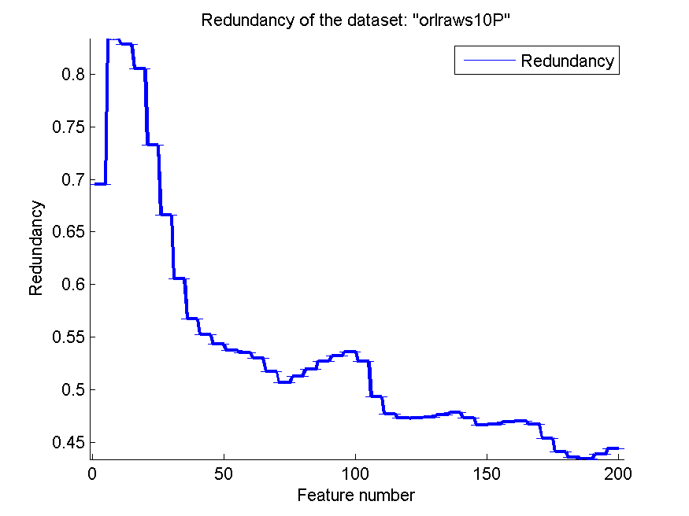
0.728 | 0.057820047516 | 0.766 | 0.042599728193 | 0.551 | 0.060341135485 | 0.47346405851 | 6.8580781956E-17
0.738 | 0.058001814854 | 0.765 | 0.042981023965 | 0.549 | 0.062061090446 | 0.47611606783 | 1.3234736877E-16
0.736 | 0.05413433583 | 0.767 | 0.043176504332 | 0.547 | 0.061652677408 | 0.4782434543 | 1.4851587828E-16
0.736 | 0.044768409915 | 0.779 | 0.038099592483 | 0.547 | 0.061652677408 | 0.47311386116 | 1.956408023E-16
0.757 | 0.050793700397 | 0.794 | 0.036763826615 | 0.55 | 0.063078897965 | 0.46646432646 | 1.0027652569E-16
0.759 | 0.052905078853 | 0.801 | 0.043273913377 | 0.545 | 0.06645140686 | 0.46715043822 | 9.8645904405E-17
0.758 | 0.049799598392 | 0.798 | 0.047195004196 | 0.54 | 0.06189974917 | 0.46924718617 | 8.823157918E-17
0.771 | 0.058929038504 | 0.802 | 0.04443801123 | 0.532 | 0.066932802123 | 0.47005307246 | 8.7307662839E-17
0.788 | 0.055592502334 | 0.803 | 0.048242806936 | 0.532 | 0.066932802123 | 0.46715595273 | 6.7387981713E-17
0.791 | 0.054858670092 | 0.799 | 0.04745080555 | 0.535 | 0.066767467653 | 0.45389208624 | 4.411578959E-17
0.785 | 0.056148299876 | 0.8 | 0.048989794856 | 0.54 | 0.071377425298 | 0.44084901498 | 6.4936684015E-17
0.777 | 0.055164824796 | 0.799 | 0.04423620808 | 0.542 | 0.067089884719 | 0.43529425136 | 9.4446262946E-17
0.788 | 0.058183014342 | 0.807 | 0.046009152408 | 0.562 | 0.078378299897 | 0.43377351033 | 1.490608925E-16
0.783 | 0.050377522139 | 0.813 | 0.04508471558 | 0.569 | 0.06851046789 | 0.43860094712 | 7.5342053989E-17
0.781 | 0.054473557081 | 0.816 | 0.042846113869 | 0.572 | 0.065662614533 | 0.44412285889 | 1.0027652569E-16

GLI-85
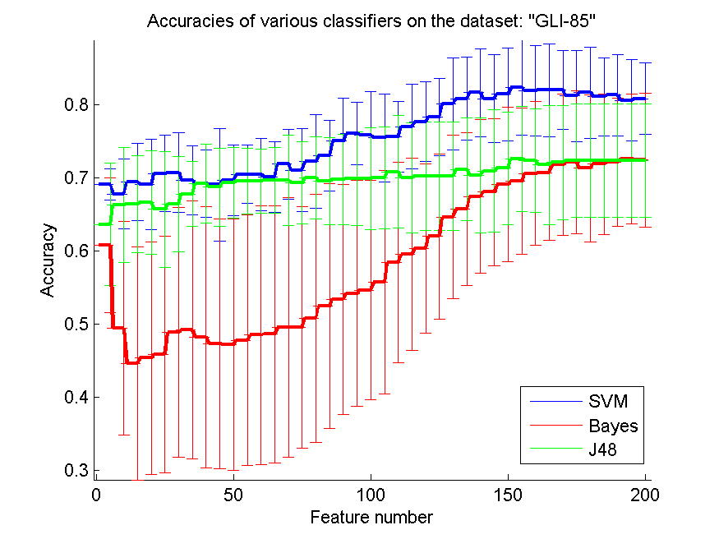
res_svm | res_svm_std | res_bayes | res_bayes_std | res_j48 | res_j48_std | res_red | res_red_std
0.69069767442 | 0.021473965509 | 0.60813953488 | 0.091876344629 | 0.63604651163 | 0.083773613235 | 0.15952859362 | 0.035742117597
0.67790697674 | 0.047883679615 | 0.49418604651 | 0.14608747447 | 0.66279069767 | 0.078230115943 | 0.14885142752 | 0.0073285825861
0.69418604651 | 0.052424087884 | 0.44651162791 | 0.15927306327 | 0.66395348837 | 0.065982609112 | 0.21124784859 | 0.030381755513
0.69069767442 | 0.061806051846 | 0.45348837209 | 0.1585386281 | 0.66627906977 | 0.070487915972 | 0.20898653156 | 0.029482717792
0.70581395349 | 0.052424087884 | 0.45813953488 | 0.16149158151 | 0.65697674419 | 0.079089564805 | 0.2059980341 | 0.031646373796
0.70697674419 | 0.054094274595 | 0.48837209302 | 0.17056117996 | 0.66395348837 | 0.065114093336 | 0.2012440956 | 0.033342650391
0.69651162791 | 0.046801422785 | 0.49186046512 | 0.17651131344 | 0.67790697674 | 0.044173160525 | 0.19450559023 | 0.02478141366
0.69186046512 | 0.046435065505 | 0.48255813953 | 0.17853167496 | 0.69186046512 | 0.053817305869 | 0.18736100043 | 0.020111525323
0.69069767442 | 0.076983048772 | 0.47325581395 | 0.17060706843 | 0.68720930233 | 0.053071656494 | 0.18237750469 | 0.01726632737
0.69651162791 | 0.048002424198 | 0.47209302326 | 0.17141020381 | 0.69302325581 | 0.048664964073 | 0.18008371629 | 0.012249827656
0.70465116279 | 0.039996584068 | 0.47790697674 | 0.17130638301 | 0.69534883721 | 0.045208174024 | 0.18182240466 | 0.0099682835203
0.70465116279 | 0.049534567666 | 0.48488372093 | 0.17699444371 | 0.69534883721 | 0.043930848437 | 0.18255620805 | 0.0096029470713
0.7011627907 | 0.048474493815 | 0.48604651163 | 0.17612789544 | 0.69651162791 | 0.044939780188 | 0.1833795714 | 0.011419665617
0.71860465116 | 0.047660236121 | 0.49534883721 | 0.17712707351 | 0.69651162791 | 0.06151753355 | 0.18346596377 | 0.010150018779
0.71046511628 | 0.05619768132 | 0.49534883721 | 0.16515161585 | 0.69302325581 | 0.056260959891 | 0.18170082863 | 0.0065742480623
0.72209302326 | 0.063789151269 | 0.50813953488 | 0.16977079523 | 0.7 | 0.056412538863 | 0.17841726568 | 0.002162469514
0.73023255814 | 0.048547840042 | 0.52441860465 | 0.16710066557 | 0.69534883721 | 0.059362894166 | 0.17389979515 | 0.0014983173444
0.75 | 0.05886934841 | 0.53372093023 | 0.15763383034 | 0.6976744186 | 0.06129735141 | 0.16956963515 | 0.001765175938
0.76046511628 | 0.042748635599 | 0.54186046512 | 0.15464863196 | 0.6988372093 | 0.064233835295 | 0.16551315069 | 0.0015221001972
0.75813953488 | 0.059122654839 | 0.54651162791 | 0.14948223145 | 0.6988372093 | 0.069347984269 | 0.16216607384 | 0.0014905558681
0.75465116279 | 0.060113372911 | 0.55697674419 | 0.15268045221 | 0.7 | 0.069522212835 | 0.15910164389 | 0.0014119257609
0.75581395349 | 0.048017246624 | 0.58372093023 | 0.13704427559 | 0.70813953488 | 0.076751603811 | 0.15684478448 | 0.0011799431899
0.76976744186 | 0.057906509758 | 0.59534883721 | 0.13120809655 | 0.7 | 0.075035691222 | 0.15467026109 | 0.001222220885
0.77674418605 | 0.054094274595 | 0.60348837209 | 0.1155361826 | 0.7023255814 | 0.074158050607 | 0.1528791397 | 0.0011108927837
0.78255813953 | 0.052964278222 | 0.61976744186 | 0.11299524664 | 0.7023255814 | 0.074158050607 | 0.15132657897 | 0.00086388402566
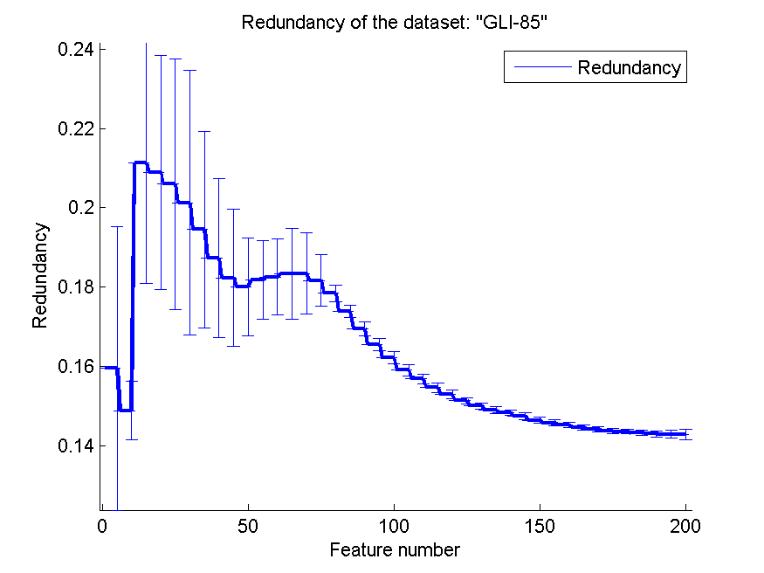
0.8011627907 | 0.062890351131 | 0.64651162791 | 0.11181135477 | 0.7023255814 | 0.074158050607 | 0.15003025105 | 0.00081111948356
0.80813953488 | 0.056399922842 | 0.65697674419 | 0.1045150754 | 0.71162790698 | 0.070538376224 | 0.14897944922 | 0.00080674523939
0.81627906977 | 0.0603142832 | 0.67441860465 | 0.10509222979 | 0.70348837209 | 0.078366445031 | 0.14830031064 | 0.00071038006052
0.80813953488 | 0.060302483477 | 0.68023255814 | 0.10034667074 | 0.70930232558 | 0.083850029662 | 0.14741432472 | 0.00091056987639
0.81395348837 | 0.063576836784 | 0.69069767442 | 0.10538975053 | 0.71279069767 | 0.077416292124 | 0.14647067257 | 0.00072784390156
0.82325581395 | 0.064642444575 | 0.69534883721 | 0.099784858662 | 0.72558139535 | 0.071420641484 | 0.14575069508 | 0.00077230621246
0.81860465116 | 0.062035900359 | 0.70581395349 | 0.098456679809 | 0.72325581395 | 0.070739857286 | 0.14524293458 | 0.00075123399979
0.81976744186 | 0.063520846605 | 0.70697674419 | 0.091915063644 | 0.71744186047 | 0.081709482998 | 0.1446523584 | 0.00071302694542
0.81976744186 | 0.053817305869 | 0.71744186047 | 0.096411666095 | 0.72093023256 | 0.0780479734 | 0.14416837783 | 0.00060684825143
0.81162790698 | 0.062173401599 | 0.72093023256 | 0.09779674103 | 0.72325581395 | 0.077278286859 | 0.14368677809 | 0.00061359395292
0.81627906977 | 0.062629558865 | 0.71279069767 | 0.10017632685 | 0.72325581395 | 0.077278286859 | 0.1435664279 | 0.00059899118341
0.81046511628 | 0.052964278222 | 0.71860465116 | 0.09570789486 | 0.72325581395 | 0.077278286859 | 0.14325219986 | 0.00070183270189
0.81279069767 | 0.055688864314 | 0.72093023256 | 0.087667097084 | 0.72325581395 | 0.077278286859 | 0.14299921999 | 0.00082130872663
0.80581395349 | 0.055586542015 | 0.72558139535 | 0.089148173767 | 0.72325581395 | 0.077278286859 | 0.14294219072 | 0.0009706220191
0.80813953488 | 0.048825550861 | 0.72441860465 | 0.091566003109 | 0.72325581395 | 0.077278286859 | 0.14277329083 | 0.0013245212846

GLA-BRA-180
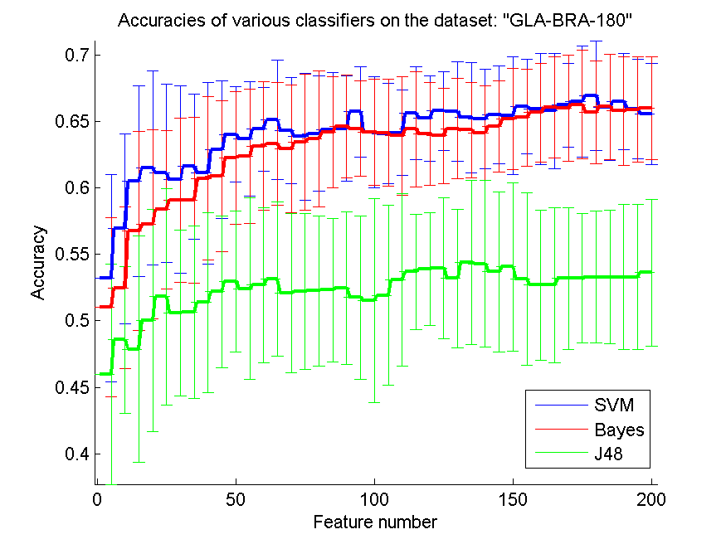
res_svm | res_svm_std | res_bayes | res_bayes_std | res_j48 | res_j48_std | res_red | res_red_std
0.53186813187 | 0.077981644688 | 0.51043956044 | 0.067220437772 | 0.45989010989 | 0.08271778755 | 0.12720724347 | 0.033640574725
0.56923076923 | 0.071448589089 | 0.52472527473 | 0.060910933302 | 0.48571428571 | 0.055302481168 | 0.13450537229 | 0.029388831987
0.60494505495 | 0.071792461884 | 0.56758241758 | 0.074639746243 | 0.47857142857 | 0.085081303837 | 0.13017833658 | 0.019675312859
0.61483516484 | 0.072934257169 | 0.57252747253 | 0.070939734037 | 0.50054945055 | 0.083497836645 | 0.1263905562 | 0.01262837881
0.61098901099 | 0.067118719387 | 0.58351648352 | 0.059648325223 | 0.51813186813 | 0.081557104402 | 0.12647288563 | 0.012637503327
0.60604395604 | 0.07043397052 | 0.59065934066 | 0.061430438942 | 0.50604395604 | 0.062313858212 | 0.12715752971 | 0.012343879672
0.61593406593 | 0.05459402035 | 0.59065934066 | 0.062150451927 | 0.50659340659 | 0.064757185169 | 0.12553829659 | 0.01133149786
0.61098901099 | 0.068152387813 | 0.60714285714 | 0.061430438942 | 0.51373626374 | 0.067729084224 | 0.12858911754 | 0.010203261183
0.62857142857 | 0.051616962515 | 0.60879120879 | 0.056530059388 | 0.52197802198 | 0.057100576074 | 0.13028740458 | 0.0081760099058
0.64010989011 | 0.035985754757 | 0.62252747253 | 0.05007636901 | 0.52967032967 | 0.05295409608 | 0.13212168252 | 0.0078290732929
0.63681318681 | 0.04285417676 | 0.62362637363 | 0.050405281373 | 0.52417582418 | 0.068217636643 | 0.13204245155 | 0.006862355323
0.64395604396 | 0.03156856468 | 0.63131868132 | 0.048161332164 | 0.52692307692 | 0.058200275503 | 0.13310489611 | 0.0062178019067
0.6510989011 | 0.044655368181 | 0.63296703297 | 0.046266628018 | 0.53131868132 | 0.05806908283 | 0.13297448065 | 0.0062773838632
0.64285714286 | 0.039781529876 | 0.62912087912 | 0.048082086809 | 0.52087912088 | 0.059807941043 | 0.13151976203 | 0.0058653399038
0.63846153846 | 0.047553750964 | 0.63406593407 | 0.051184185998 | 0.52197802198 | 0.058529685404 | 0.13143684373 | 0.0062945147652
0.64065934066 | 0.043388469835 | 0.63681318681 | 0.050857186847 | 0.52252747253 | 0.056313214761 | 0.1305115479 | 0.0064240923015
0.64340659341 | 0.043443366491 | 0.64175824176 | 0.041486436953 | 0.52307692308 | 0.053999969163 | 0.1302441504 | 0.0058690113578
0.64450549451 | 0.03942444977 | 0.64615384615 | 0.038498701372 | 0.52472527473 | 0.057253418867 | 0.12936765662 | 0.0050769343346
0.65714285714 | 0.034122790665 | 0.64450549451 | 0.035702048889 | 0.51758241758 | 0.0615363959 | 0.12835083844 | 0.0049121221951
0.64175824176 | 0.041943517625 | 0.64175824176 | 0.039605398269 | 0.51538461538 | 0.076542062247 | 0.12718591696 | 0.0051487714994
0.64065934066 | 0.03757974549 | 0.64120879121 | 0.040222434941 | 0.51923076923 | 0.067446976434 | 0.12808744197 | 0.0057617525977
0.64120879121 | 0.032142177429 | 0.63901098901 | 0.044712263083 | 0.53076923077 | 0.064678620159 | 0.12789791542 | 0.0053650350426
0.65604395604 | 0.034768588781 | 0.64395604396 | 0.043138728811 | 0.53681318681 | 0.043414096913 | 0.12807171934 | 0.0052631486392
0.6521978022 | 0.032142177429 | 0.64065934066 | 0.038745543191 | 0.53901098901 | 0.042406912715 | 0.128057759 | 0.0054819417958
0.65769230769 | 0.029459655197 | 0.63901098901 | 0.035702048889 | 0.53956043956 | 0.052870013307 | 0.1284606443 | 0.0050798055449
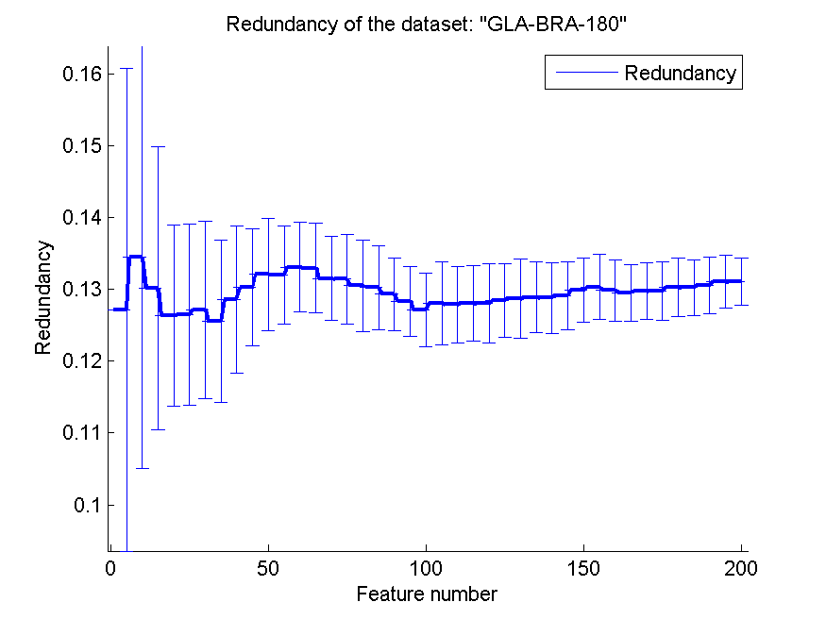
0.65714285714 | 0.037495087249 | 0.64450549451 | 0.037945811105 | 0.53186813187 | 0.052204650855 | 0.12871484642 | 0.0055322366358
0.65274725275 | 0.041486436953 | 0.64340659341 | 0.035915038393 | 0.54395604396 | 0.061701428435 | 0.1288910257 | 0.0049398000611
0.65164835165 | 0.03757974549 | 0.64120879121 | 0.035702048889 | 0.54285714286 | 0.06271291092 | 0.12885036168 | 0.0049204719082
0.65494505495 | 0.036776264903 | 0.64615384615 | 0.034122790665 | 0.53681318681 | 0.060112686729 | 0.12913072776 | 0.0047671948646
0.6543956044 | 0.044312464742 | 0.65164835165 | 0.038083743131 | 0.54065934066 | 0.063237714303 | 0.12990297939 | 0.004523253808
0.66098901099 | 0.035523582143 | 0.65274725275 | 0.036603036126 | 0.53131868132 | 0.06498986553 | 0.13036319591 | 0.0045181429408
0.65934065934 | 0.041882861747 | 0.65659340659 | 0.037201537488 | 0.52692307692 | 0.056425965329 | 0.12986693968 | 0.0043154598255
0.65769230769 | 0.043560248132 | 0.66043956044 | 0.03821701998 | 0.52692307692 | 0.058200275503 | 0.12954447164 | 0.0039429180181
0.66208791209 | 0.031664052079 | 0.65989010989 | 0.039936997142 | 0.53186813187 | 0.053408235664 | 0.12976553509 | 0.0039538898807
0.66483516484 | 0.04150175408 | 0.66263736264 | 0.040822364002 | 0.53186813187 | 0.048545800849 | 0.1298240662 | 0.0040605023353
0.66923076923 | 0.041409766333 | 0.65659340659 | 0.038544074047 | 0.53296703297 | 0.049722918055 | 0.13026714842 | 0.0040727918679
0.66043956044 | 0.040163136022 | 0.66098901099 | 0.039585333726 | 0.53296703297 | 0.050104917919 | 0.13027076045 | 0.0039026548711
0.66483516484 | 0.036271622256 | 0.65769230769 | 0.041004893677 | 0.53296703297 | 0.054480394975 | 0.13055791099 | 0.0039611404722
0.65934065934 | 0.037562829106 | 0.65879120879 | 0.039456679041 | 0.53296703297 | 0.054480394975 | 0.13108394705 | 0.0036651352417
0.65549450549 | 0.038279333766 | 0.65989010989 | 0.038642884055 | 0.53626373626 | 0.055072149133 | 0.13108900889 | 0.0033393299023

CLL-SUB-111
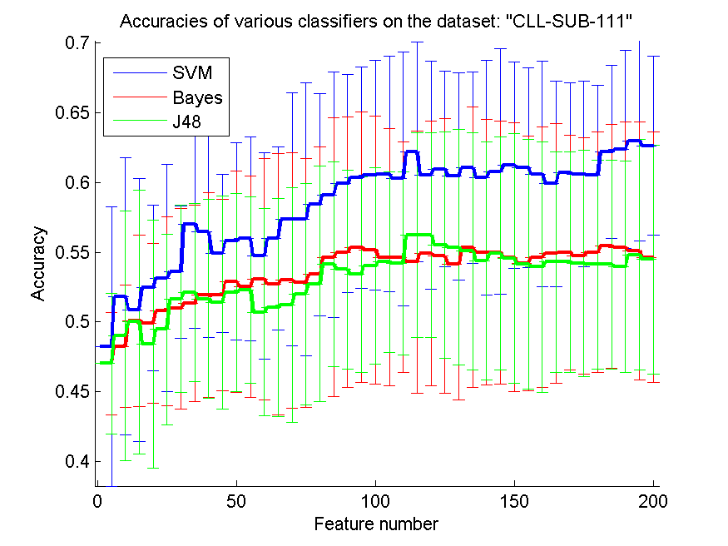
res_svm | res_svm_std | res_bayes | res_bayes_std | res_j48 | res_j48_std | res_red | res_red_std
0.48245614035 | 0.099974887907 | 0.4701754386 | 0.036712165879 | 0.4701754386 | 0.050463180006 | 0.15372452976 | 0.055081713024
0.51842105263 | 0.099483528022 | 0.48245614035 | 0.043905792901 | 0.49035087719 | 0.089542457229 | 0.15335689257 | 0.036359568296
0.50877192982 | 0.09439080471 | 0.50087719298 | 0.061165612234 | 0.5 | 0.094304955848 | 0.15648785118 | 0.041288373468
0.52456140351 | 0.0593987467 | 0.49912280702 | 0.057054821254 | 0.48421052632 | 0.088984413528 | 0.15638234653 | 0.035723516249
0.53157894737 | 0.081317654602 | 0.50789473684 | 0.067702264159 | 0.49473684211 | 0.068208823966 | 0.15970343199 | 0.031431461568
0.53596491228 | 0.047443598222 | 0.50964912281 | 0.071880261284 | 0.51666666667 | 0.066980599235 | 0.15905059489 | 0.028594570319
0.5701754386 | 0.074758037388 | 0.51315789474 | 0.07037713397 | 0.52105263158 | 0.063917662608 | 0.15924942299 | 0.028579111841
0.5649122807 | 0.075855106495 | 0.51929824561 | 0.073203373293 | 0.51666666667 | 0.071428108589 | 0.15823411122 | 0.025184260179
0.54912280702 | 0.056663078881 | 0.51929824561 | 0.068634985291 | 0.51403508772 | 0.076598905972 | 0.15909126093 | 0.023552522755
0.55789473684 | 0.070773078409 | 0.52894736842 | 0.079336274067 | 0.52105263158 | 0.070887431494 | 0.15830052284 | 0.021527135469
0.55964912281 | 0.073313935768 | 0.52543859649 | 0.079377100662 | 0.52280701754 | 0.066768644364 | 0.15923975422 | 0.020895002057
0.54736842105 | 0.073688607352 | 0.53070175439 | 0.086487191783 | 0.50701754386 | 0.074410525745 | 0.15759344319 | 0.020297758973
0.55964912281 | 0.065618429547 | 0.52719298246 | 0.093437795178 | 0.51052631579 | 0.078023734203 | 0.15809857192 | 0.020783175924
0.57368421053 | 0.090911447143 | 0.5298245614 | 0.091355830704 | 0.51228070175 | 0.084156646352 | 0.15809321194 | 0.019424673534
0.57368421053 | 0.097779530234 | 0.52807017544 | 0.089075390357 | 0.5201754386 | 0.079336274067 | 0.15823942408 | 0.019916090981
0.58421052632 | 0.07970804155 | 0.53421052632 | 0.091333662876 | 0.52719298246 | 0.084324906931 | 0.15780266575 | 0.018783356891
0.59122807018 | 0.088014277803 | 0.54649122807 | 0.099776198999 | 0.54122807018 | 0.073396748328 | 0.1577618459 | 0.017922551855
0.59912280702 | 0.078101553033 | 0.55 | 0.096976869044 | 0.53771929825 | 0.071155437862 | 0.15677337936 | 0.01637762474
0.60350877193 | 0.07936179315 | 0.55350877193 | 0.096843142366 | 0.53421052632 | 0.070054142633 | 0.15623677193 | 0.01563350317
0.60526315789 | 0.0825827597 | 0.55175438596 | 0.096003130467 | 0.54035087719 | 0.070313806339 | 0.15574507307 | 0.016050588277
0.60614035088 | 0.084516794554 | 0.54649122807 | 0.092181079467 | 0.54298245614 | 0.064767375884 | 0.15517165887 | 0.014993597322
0.60263157895 | 0.09076432311 | 0.54649122807 | 0.082734642926 | 0.54210526316 | 0.065618429547 | 0.15458558413 | 0.014766936935
0.62192982456 | 0.078762479717 | 0.54298245614 | 0.093956465803 | 0.56228070175 | 0.073219968307 | 0.15464452677 | 0.014571540342
0.60526315789 | 0.081992172196 | 0.54912280702 | 0.09492133467 | 0.56228070175 | 0.073219968307 | 0.15419048999 | 0.014386509326
0.60964912281 | 0.069915260997 | 0.54736842105 | 0.098522232923 | 0.55526315789 | 0.081153139667 | 0.15459116629 | 0.014608257512
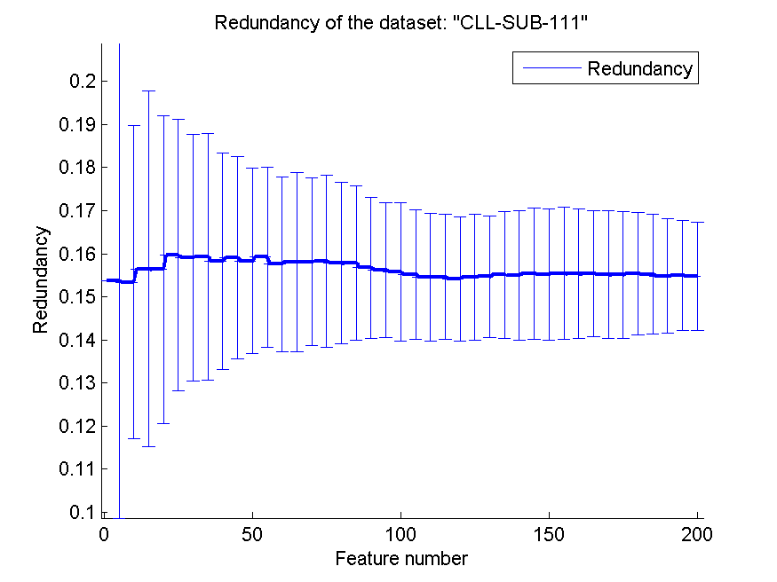
0.60438596491 | 0.074317944823 | 0.54122807018 | 0.096809681834 | 0.55350877193 | 0.084324906931 | 0.15470831055 | 0.014099477968
0.61052631579 | 0.068682173323 | 0.55350877193 | 0.10061691099 | 0.55087719298 | 0.08507558147 | 0.15507559731 | 0.014677516042
0.60350877193 | 0.084310497753 | 0.55 | 0.094951195549 | 0.54385964912 | 0.085379695332 | 0.15492811439 | 0.014991684885
0.60789473684 | 0.088230275363 | 0.55 | 0.094266298353 | 0.54912280702 | 0.083480212688 | 0.15540097428 | 0.015237147297
0.61228070175 | 0.073973840485 | 0.54649122807 | 0.096474438227 | 0.54561403509 | 0.089619311901 | 0.15523116871 | 0.015213155804
0.61052631579 | 0.071682795415 | 0.54210526316 | 0.091053885847 | 0.54122807018 | 0.089506267491 | 0.15543641906 | 0.015332007248
0.60614035088 | 0.080592281926 | 0.54649122807 | 0.093229518976 | 0.53947368421 | 0.089795377011 | 0.15535511086 | 0.014965588145
0.59912280702 | 0.07361712639 | 0.54912280702 | 0.093025130018 | 0.54298245614 | 0.079172757162 | 0.15531631004 | 0.01466162934
0.60701754386 | 0.064246290289 | 0.55 | 0.084094063819 | 0.54298245614 | 0.079172757162 | 0.15513520203 | 0.014809110351
0.60614035088 | 0.066251073769 | 0.54736842105 | 0.084540749883 | 0.54210526316 | 0.0810782498 | 0.15509662208 | 0.014717063372
0.60526315789 | 0.064271499743 | 0.55 | 0.086374736833 | 0.54122807018 | 0.07492578391 | 0.15539453025 | 0.014179007582
0.62192982456 | 0.062215967815 | 0.55438596491 | 0.087515923058 | 0.54122807018 | 0.07492578391 | 0.15523648665 | 0.013835793923
0.62368421053 | 0.070744461256 | 0.55350877193 | 0.08990355339 | 0.53947368421 | 0.07570012003 | 0.15480212957 | 0.013275392918
0.6298245614 | 0.07175055922 | 0.55087719298 | 0.092378568259 | 0.54824561404 | 0.082656286434 | 0.15493662446 | 0.012760448691
0.62631578947 | 0.064170602506 | 0.54649122807 | 0.089867509066 | 0.54473684211 | 0.081987232759 | 0.15470739412 | 0.012557110463

BASEHOCK
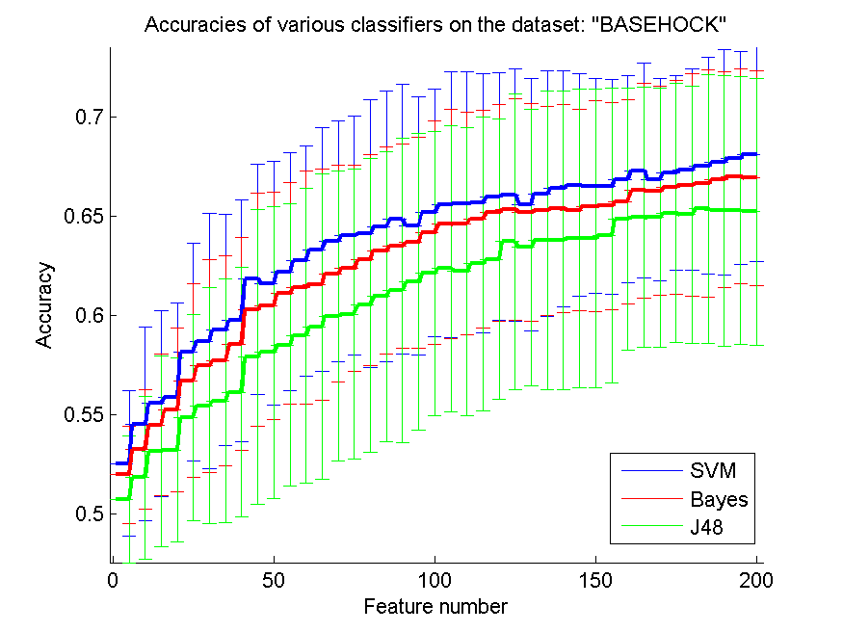
res_svm | res_svm_std | res_bayes | res_bayes_std | res_j48 | res_j48_std | res_red | res_red_std
0.52532069158 | 0.036533429662 | 0.51968767429 | 0.024516917131 | 0.50730619074 | 0.032079889365 | 0.016927994271 | 0.013823257452
0.54525934189 | 0.048807903249 | 0.53243167875 | 0.030233375755 | 0.51804238706 | 0.041344248442 | 0.031807340782 | 0.0199751753
0.55566090351 | 0.046957096515 | 0.5447016174 | 0.035636196528 | 0.53148354713 | 0.048240147551 | 0.030224565512 | 0.016100401429
0.55878416062 | 0.047764179074 | 0.55220301171 | 0.041322315359 | 0.53212493028 | 0.046459663487 | 0.029365350125 | 0.010837716527
0.58165086447 | 0.054950320685 | 0.56715002789 | 0.048882855156 | 0.54857780257 | 0.052141909764 | 0.030533128145 | 0.0097357900525
0.58703290574 | 0.064605251331 | 0.57456776352 | 0.053690741839 | 0.55446179587 | 0.059775137442 | 0.03041716981 | 0.0073453144286
0.59263803681 | 0.058498387631 | 0.57704963748 | 0.053150040627 | 0.55688789738 | 0.061451946477 | 0.029621187819 | 0.0063198972582
0.59751812605 | 0.061079917985 | 0.58558282209 | 0.053734594347 | 0.56132180703 | 0.063003374505 | 0.029701661858 | 0.0061616212295
0.61829336308 | 0.058189726545 | 0.60290016732 | 0.05894490838 | 0.57916899052 | 0.074353926357 | 0.029214205452 | 0.0057578504339
0.61625766871 | 0.061539260198 | 0.60504740658 | 0.057371412533 | 0.58131622978 | 0.07378269913 | 0.029171034597 | 0.0063039059465
0.62197434467 | 0.060091000778 | 0.61107083101 | 0.055978506539 | 0.5851366425 | 0.0712970071 | 0.029483679716 | 0.0059639979791
0.62755158951 | 0.058162204476 | 0.61424986057 | 0.058851868196 | 0.58990518684 | 0.074539445996 | 0.029136899725 | 0.0063851401679
0.63315672058 | 0.061560379499 | 0.615672058 | 0.058438326677 | 0.59431121026 | 0.07719735682 | 0.029773587329 | 0.0057003081683
0.637562744 | 0.060776825375 | 0.62113775795 | 0.054920281037 | 0.59972113776 | 0.073348967093 | 0.029409236056 | 0.0049469418739
0.64051868377 | 0.060374185537 | 0.62378694925 | 0.052236041672 | 0.60050195204 | 0.073216937786 | 0.029589087114 | 0.0045608059899
0.6412437256 | 0.067660889569 | 0.6279977691 | 0.053100341087 | 0.6052983826 | 0.074131788637 | 0.02969676237 | 0.0041814055817
0.64489682097 | 0.068312077085 | 0.63271054099 | 0.052264867618 | 0.6095649749 | 0.073371590381 | 0.029579390344 | 0.0038475998982
0.64852203012 | 0.06802929684 | 0.63519241495 | 0.051518230707 | 0.61268823201 | 0.077050266679 | 0.029981069488 | 0.004005374091
0.64531511433 | 0.065029580989 | 0.63678192973 | 0.053179171557 | 0.61695482432 | 0.075011809739 | 0.029708425637 | 0.0040246545487
0.6518404908 | 0.062354672486 | 0.64177356386 | 0.056352430975 | 0.6211935304 | 0.071637944899 | 0.029758448788 | 0.0038631143479
0.65591187953 | 0.067065363789 | 0.64615170106 | 0.05776278748 | 0.6236196319 | 0.072075312583 | 0.029450709184 | 0.0035876292718
0.65655326269 | 0.066463153673 | 0.64640267708 | 0.056188310736 | 0.62233686559 | 0.072688488874 | 0.02937006223 | 0.0035497952369
0.65686001115 | 0.065440253067 | 0.64888455103 | 0.054984445525 | 0.62624093698 | 0.074198932793 | 0.029501594074 | 0.0036160218866
0.65992749582 | 0.062576921267 | 0.65186837702 | 0.054900156012 | 0.62836029002 | 0.070700246499 | 0.029537638802 | 0.0034452168952
0.66101505856 | 0.063760733853 | 0.6536809816 | 0.055922970334 | 0.63722810931 | 0.074442386919 | 0.029953955483 | 0.0036353370894
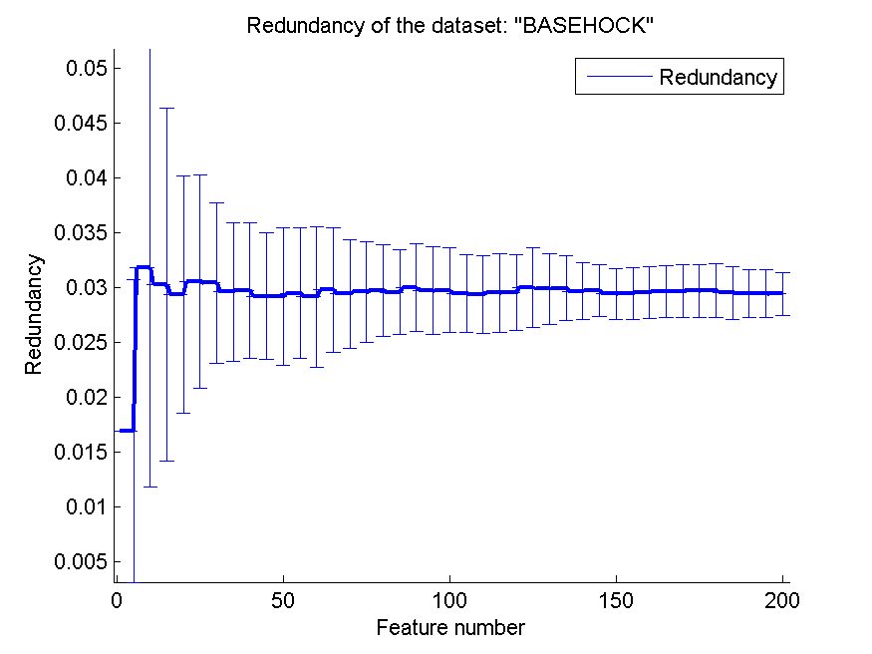
0.6561070831 | 0.063754263096 | 0.65214723926 | 0.054908654144 | 0.63435582822 | 0.069698862003 | 0.029857319528 | 0.0031903341944
0.66154489682 | 0.061920843715 | 0.65290016732 | 0.052800208039 | 0.63786949247 | 0.075298806361 | 0.029940725352 | 0.0029651311083
0.66408254322 | 0.059531384326 | 0.65404350251 | 0.052707673868 | 0.63786949247 | 0.075298806361 | 0.029670041044 | 0.0025672164606
0.66583937535 | 0.056236154623 | 0.65309537089 | 0.050783401822 | 0.63901282766 | 0.075450580445 | 0.029729573809 | 0.0023474427584
0.66542108199 | 0.054357818986 | 0.65521472393 | 0.053043458138 | 0.63901282766 | 0.075450580445 | 0.029409403884 | 0.0023078009709
0.66505856107 | 0.054284756715 | 0.6554099275 | 0.052338051681 | 0.64054656999 | 0.074475153347 | 0.029464103443 | 0.0023487883235
0.66882320134 | 0.052467804959 | 0.65738984941 | 0.051567526388 | 0.64874511991 | 0.066080497871 | 0.029543543181 | 0.0023869951309
0.67308979364 | 0.054137625728 | 0.6631344116 | 0.054185301306 | 0.64955382041 | 0.065739875104 | 0.029629663933 | 0.0023810302418
0.66865588399 | 0.051131312116 | 0.66291132181 | 0.052742233156 | 0.64941438929 | 0.065491399761 | 0.029651685226 | 0.0024303148232
0.67214166202 | 0.049160836205 | 0.66450083659 | 0.053997795274 | 0.65175683212 | 0.065566599923 | 0.029681181287 | 0.0023999077994
0.67367540435 | 0.050973217265 | 0.66586726157 | 0.056073657529 | 0.65100390407 | 0.064997197474 | 0.029718115112 | 0.0024789711906
0.67565532627 | 0.054939765468 | 0.66662018963 | 0.057307342389 | 0.65384829894 | 0.067749969925 | 0.029502055405 | 0.0023874990745
0.6773006135 | 0.056953876659 | 0.66871165644 | 0.054572766663 | 0.65284439487 | 0.068504818139 | 0.029467033017 | 0.0022012482649
0.67947573898 | 0.053875054753 | 0.67010596765 | 0.054209617901 | 0.65284439487 | 0.067653775497 | 0.029447271402 | 0.0021807759167
0.68137200223 | 0.054120635553 | 0.6694645845 | 0.054286204298 | 0.65242610151 | 0.067299576104 | 0.029401305493 | 0.0019812974693

