warpAR10P
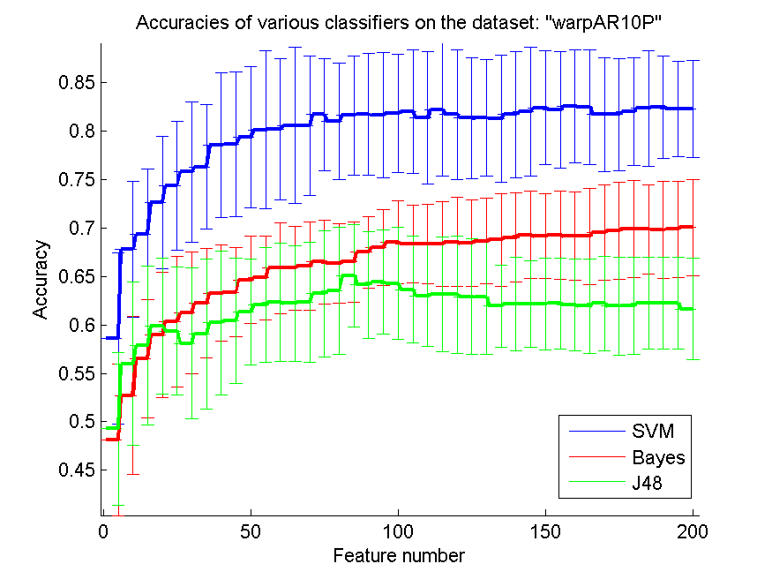
res_svm | res_svm_std | res_bayes | res_bayes_std | res_j48 | res_j48_std | res_red | res_red_std
0.58571428571 | 0.088549597115 | 0.48142857143 | 0.078122435511 | 0.49285714286 | 0.078861392497 | 0.67112084179 | 0.068938827738
0.67785714286 | 0.070211434556 | 0.52714285714 | 0.081196741613 | 0.56 | 0.084273606879 | 0.7373294384 | 0.06005078758
0.69357142857 | 0.067082039325 | 0.565 | 0.061397089327 | 0.57857142857 | 0.081934190668 | 0.75983480402 | 0.052677328409
0.72642857143 | 0.068004391088 | 0.58928571429 | 0.064702076891 | 0.59857142857 | 0.07027642215 | 0.76384635369 | 0.042988588788
0.74357142857 | 0.06676103239 | 0.60357142857 | 0.067465231528 | 0.59357142857 | 0.065951679737 | 0.76311763183 | 0.039499456982
0.75785714286 | 0.072469853727 | 0.61214285714 | 0.062917776634 | 0.58071428571 | 0.077871110012 | 0.75861548454 | 0.037149249136
0.76285714286 | 0.064289891259 | 0.62214285714 | 0.056476376438 | 0.59071428571 | 0.077456200159 | 0.7580024626 | 0.040780168482
0.78571428571 | 0.074879064689 | 0.63285714286 | 0.04950886607 | 0.60214285714 | 0.074198184407 | 0.75214849339 | 0.034585654566
0.78642857143 | 0.075090350162 | 0.63357142857 | 0.046180656786 | 0.60428571429 | 0.064573291609 | 0.74966648257 | 0.033461321602
0.79357142857 | 0.073060309387 | 0.64642857143 | 0.045145664708 | 0.61357142857 | 0.054541345091 | 0.74530459716 | 0.032893452113
0.80142857143 | 0.081724169968 | 0.64857142857 | 0.043577899187 | 0.62071428571 | 0.059079040067 | 0.74254861303 | 0.031951343453
0.80214285714 | 0.073030899983 | 0.65857142857 | 0.047244138186 | 0.62357142857 | 0.060834688222 | 0.73809154657 | 0.032492587571
0.80571428571 | 0.08073241529 | 0.65857142857 | 0.042957276505 | 0.62214285714 | 0.059621974193 | 0.73515981703 | 0.031944833664
0.80571428571 | 0.071863338497 | 0.66071428571 | 0.04561902669 | 0.62357142857 | 0.061884997809 | 0.73056083237 | 0.029822911093
0.81714285714 | 0.058001074104 | 0.665 | 0.04310081106 | 0.63214285714 | 0.065362740629 | 0.7265820536 | 0.02993552541
0.81 | 0.060271494599 | 0.66357142857 | 0.041319535019 | 0.635 | 0.065625143854 | 0.72395192699 | 0.030722722766
0.81642857143 | 0.061536886496 | 0.665 | 0.041319535019 | 0.65071428571 | 0.052739148934 | 0.72135948086 | 0.030259534762
0.81714285714 | 0.06297323524 | 0.675 | 0.036751845858 | 0.64142857143 | 0.055211729945 | 0.718118735 | 0.029910577726
0.81642857143 | 0.064435914757 | 0.68 | 0.039164200317 | 0.64428571429 | 0.053832696233 | 0.71543249606 | 0.028698946531
0.81857142857 | 0.060980178499 | 0.685 | 0.042850876735 | 0.64285714286 | 0.057517568418 | 0.7132286017 | 0.026583912535
0.82 | 0.063618087127 | 0.68357142857 | 0.039944913734 | 0.63642857143 | 0.055323479942 | 0.70999679568 | 0.02573553483
0.81357142857 | 0.068193664954 | 0.68357142857 | 0.041267511662 | 0.63 | 0.052212076828 | 0.70674762399 | 0.024896308382
0.82214285714 | 0.068664567072 | 0.68357142857 | 0.04403762672 | 0.63142857143 | 0.059464130484 | 0.70434768709 | 0.023880281917
0.81714285714 | 0.06710205127 | 0.68571428571 | 0.046116650301 | 0.63142857143 | 0.06071539141 | 0.69912494012 | 0.024155197503
0.81357142857 | 0.062265672433 | 0.68428571429 | 0.044673297892 | 0.62928571429 | 0.059260570807 | 0.69599514538 | 0.024484396547
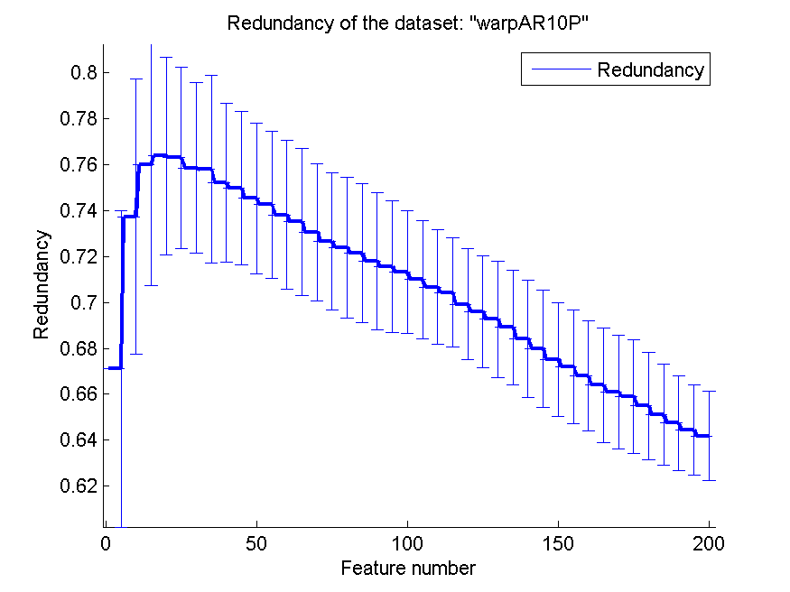
0.81357142857 | 0.060160008627 | 0.68642857143 | 0.044086381373 | 0.62857142857 | 0.058992617281 | 0.69262987697 | 0.025382538451
0.81285714286 | 0.06536684878 | 0.68785714286 | 0.047781052741 | 0.61928571429 | 0.042549017667 | 0.68917549965 | 0.02499953137
0.81714285714 | 0.065152881434 | 0.69 | 0.045906550574 | 0.62142857143 | 0.04805564265 | 0.68427896614 | 0.025614141762
0.82 | 0.066426348091 | 0.69285714286 | 0.045056355689 | 0.62142857143 | 0.044817328243 | 0.67983728116 | 0.025471563036
0.82428571429 | 0.05882852067 | 0.69142857143 | 0.043823687369 | 0.62142857143 | 0.047606514641 | 0.67523769898 | 0.024766615084
0.82214285714 | 0.059981200062 | 0.69285714286 | 0.045765948251 | 0.62214285714 | 0.047147413769 | 0.67203474794 | 0.02488668085
0.82571428571 | 0.058554004377 | 0.69142857143 | 0.045507049064 | 0.62071428571 | 0.047374686302 | 0.66802227667 | 0.024021037148
0.825 | 0.059151719215 | 0.69142857143 | 0.049573909496 | 0.61928571429 | 0.048450756779 | 0.66407418871 | 0.024961609795
0.81714285714 | 0.058737157794 | 0.695 | 0.049111329282 | 0.62214285714 | 0.048936048493 | 0.66096285047 | 0.024622337538
0.81714285714 | 0.058001074104 | 0.69714285714 | 0.050262468995 | 0.61928571429 | 0.05083090478 | 0.65916515539 | 0.024782975609
0.82 | 0.055695967685 | 0.69928571429 | 0.050235749271 | 0.62 | 0.050005370281 | 0.65500134003 | 0.023339334485
0.82357142857 | 0.059945374346 | 0.69857142857 | 0.046325797181 | 0.62214285714 | 0.047374686302 | 0.65094370982 | 0.022007447898
0.825 | 0.053023513824 | 0.69785714286 | 0.049978513106 | 0.62214285714 | 0.047374686302 | 0.64751576966 | 0.020639870539
0.82285714286 | 0.04935676474 | 0.69857142857 | 0.049465456271 | 0.62214285714 | 0.047374686302 | 0.64429286808 | 0.019666246195
0.82285714286 | 0.050219710613 | 0.70071428571 | 0.049590157022 | 0.61642857143 | 0.052494181561 | 0.64185738229 | 0.019526899621

TOX-171
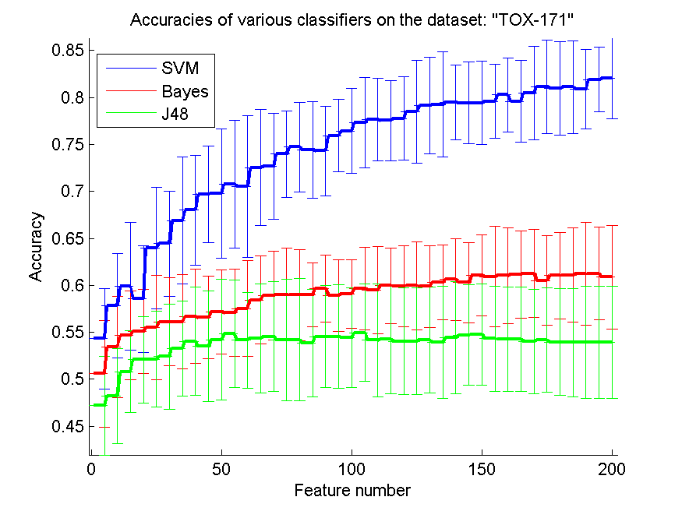
res_svm | res_svm_std | res_bayes | res_bayes_std | res_j48 | res_j48_std | res_red | res_red_std
0.54310344828 | 0.053247709602 | 0.50574712644 | 0.056801909712 | 0.47183908046 | 0.052405275202 | 0.49086854353 | 0.035119126424
0.57816091954 | 0.055325960968 | 0.53448275862 | 0.053848297184 | 0.48218390805 | 0.050788061243 | 0.52892174264 | 0.02703883003
0.59885057471 | 0.067939535133 | 0.54655172414 | 0.04724138667 | 0.50804597701 | 0.043744973894 | 0.5460659356 | 0.030507262268
0.58563218391 | 0.056860028486 | 0.55114942529 | 0.044824483737 | 0.52068965517 | 0.046143075777 | 0.54722620714 | 0.03202644083
0.63965517241 | 0.064943733292 | 0.55517241379 | 0.055701735907 | 0.52126436782 | 0.051169983022 | 0.54287446833 | 0.031773757195
0.64425287356 | 0.056121475278 | 0.56091954023 | 0.046816296107 | 0.52413793103 | 0.055988122041 | 0.53552706229 | 0.030445193874
0.66896551724 | 0.067497997921 | 0.56091954023 | 0.050116163535 | 0.53275862069 | 0.050760671158 | 0.53293139281 | 0.02786670387
0.67988505747 | 0.058165797279 | 0.56666666667 | 0.050185490119 | 0.54022988506 | 0.057531728629 | 0.52929407756 | 0.027671824789
0.69712643678 | 0.051441048264 | 0.56551724138 | 0.043903643163 | 0.53505747126 | 0.058784156978 | 0.52659681545 | 0.027614253506
0.69770114943 | 0.069176929439 | 0.57183908046 | 0.044731309584 | 0.54195402299 | 0.064298099831 | 0.51879859205 | 0.02851456763
0.70747126437 | 0.068202575646 | 0.57068965517 | 0.046619079979 | 0.54827586207 | 0.057422847119 | 0.51363512116 | 0.028169944269
0.70517241379 | 0.075536432861 | 0.57528735632 | 0.05106115401 | 0.54137931034 | 0.050846216183 | 0.50980144002 | 0.026419142222
0.72528735632 | 0.061943365111 | 0.58448275862 | 0.046916445966 | 0.54367816092 | 0.057905197861 | 0.50396713094 | 0.023557194073
0.72643678161 | 0.056384152597 | 0.58908045977 | 0.0475933373 | 0.54540229885 | 0.05866574784 | 0.49994977243 | 0.025105116207
0.73965517241 | 0.046319804987 | 0.59022988506 | 0.04937179677 | 0.54195402299 | 0.064514028907 | 0.49777194098 | 0.023489912574
0.74712643678 | 0.047757421309 | 0.58965517241 | 0.048494305999 | 0.54195402299 | 0.065264154939 | 0.49387792801 | 0.023215779731
0.74425287356 | 0.051656876345 | 0.58965517241 | 0.033995345288 | 0.53850574713 | 0.057079731035 | 0.48946343042 | 0.022479149135
0.74310344828 | 0.047651743013 | 0.59655172414 | 0.035358903645 | 0.54540229885 | 0.054231105992 | 0.4862161767 | 0.021959884982
0.7591954023 | 0.038480682762 | 0.58908045977 | 0.037824558617 | 0.54540229885 | 0.054995051679 | 0.48184944601 | 0.02199173069
0.76436781609 | 0.045291317566 | 0.5908045977 | 0.036614867063 | 0.54425287356 | 0.05329991965 | 0.47961915002 | 0.021794989074
0.77298850575 | 0.048174208072 | 0.59655172414 | 0.0436335621 | 0.54942528736 | 0.051888560335 | 0.47619122731 | 0.022065285544
0.77643678161 | 0.043725099751 | 0.59482758621 | 0.046708488557 | 0.54137931034 | 0.060235980536 | 0.47435010659 | 0.021349950332
0.77528735632 | 0.042760279421 | 0.59942528736 | 0.040212596752 | 0.54252873563 | 0.058204637223 | 0.46972861485 | 0.022095060827
0.7775862069 | 0.044481891033 | 0.59885057471 | 0.043313663635 | 0.54022988506 | 0.056801909712 | 0.46765867945 | 0.020500760203
0.78505747126 | 0.054820921088 | 0.59942528736 | 0.047211939021 | 0.54022988506 | 0.056801909712 | 0.46597922494 | 0.019192321132
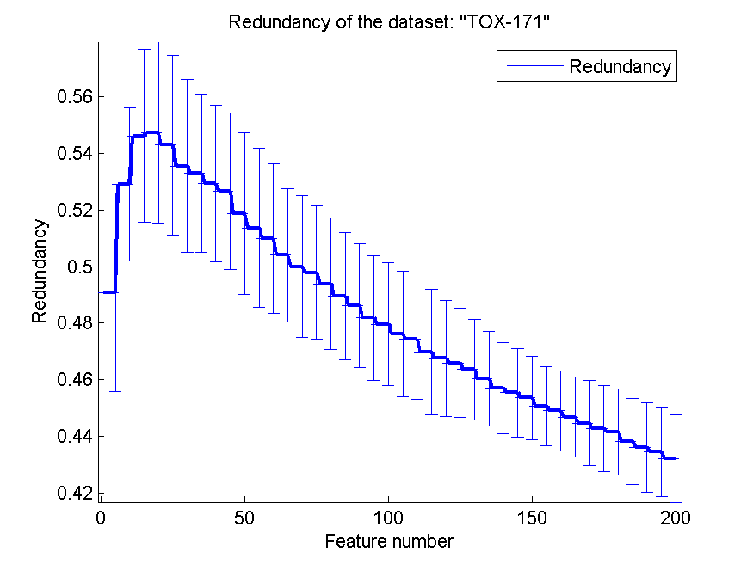
0.79137931034 | 0.051576046654 | 0.59885057471 | 0.0436335621 | 0.54195402299 | 0.056590344821 | 0.46357733122 | 0.017855241784
0.79252873563 | 0.05599743606 | 0.60287356322 | 0.039725469662 | 0.53908045977 | 0.059655994176 | 0.46030335954 | 0.016690996419
0.79482758621 | 0.03986525622 | 0.60632183908 | 0.043469908224 | 0.54425287356 | 0.05993218754 | 0.45694510692 | 0.016109904792
0.79425287356 | 0.043313663635 | 0.60287356322 | 0.042922588903 | 0.54712643678 | 0.05344648697 | 0.45541519703 | 0.015568711029
0.79425287356 | 0.044109059926 | 0.61034482759 | 0.042991384875 | 0.54770114943 | 0.053819234505 | 0.45358427766 | 0.01482802607
0.79597701149 | 0.039090244674 | 0.6091954023 | 0.053524492101 | 0.54310344828 | 0.055922880471 | 0.45069692986 | 0.014021112043
0.80287356322 | 0.039338495491 | 0.61034482759 | 0.050846216183 | 0.54252873563 | 0.055764118876 | 0.44900082759 | 0.014157797946
0.79597701149 | 0.043309649952 | 0.61149425287 | 0.046368568613 | 0.54252873563 | 0.055764118876 | 0.44686135442 | 0.014036312511
0.80459770115 | 0.049893671145 | 0.61264367816 | 0.047186157252 | 0.54022988506 | 0.05581397505 | 0.44472271401 | 0.015016207675
0.81149425287 | 0.049670182132 | 0.60517241379 | 0.047505594093 | 0.54137931034 | 0.05555173096 | 0.44276396564 | 0.015307690225
0.80977011494 | 0.049820449323 | 0.61034482759 | 0.046112926753 | 0.53965517241 | 0.056491958838 | 0.4416259711 | 0.015150071093
0.81091954023 | 0.048975854445 | 0.61091954023 | 0.050071049783 | 0.53908045977 | 0.057760915582 | 0.43820231009 | 0.015247997929
0.80862068966 | 0.042401011588 | 0.61206896552 | 0.054919135317 | 0.53908045977 | 0.059888662743 | 0.43612545704 | 0.015818312757
0.81896551724 | 0.03455829597 | 0.61264367816 | 0.049487854151 | 0.53908045977 | 0.059888662743 | 0.43450412956 | 0.015737168449
0.82011494253 | 0.043051995909 | 0.60862068966 | 0.055373072294 | 0.53908045977 | 0.059888662743 | 0.4322937374 | 0.015485145353

SMK-CAN-187
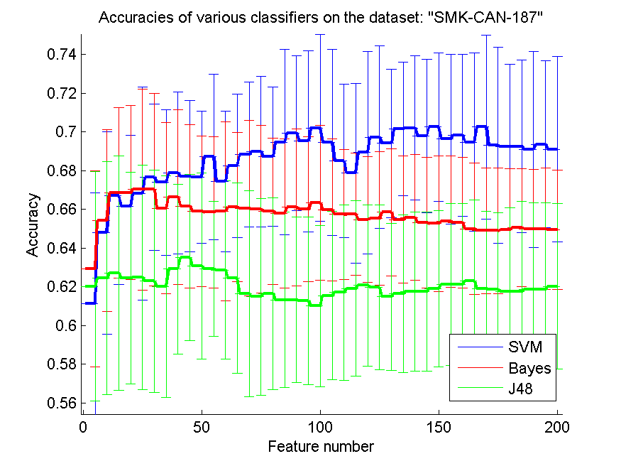
res_svm | res_svm_std | res_bayes | res_bayes_std | res_j48 | res_j48_std | res_red | res_red_std
0.61117021277 | 0.057286387932 | 0.62925531915 | 0.050759052198 | 0.62021276596 | 0.059191296955 | 0.39871709077 | 0.13899039305
0.64787234043 | 0.05221956384 | 0.65425531915 | 0.046882258915 | 0.62446808511 | 0.060090153295 | 0.43142494124 | 0.15496652177
0.6670212766 | 0.04567235617 | 0.66861702128 | 0.043967943469 | 0.62712765957 | 0.060423777241 | 0.41790507058 | 0.13241306838
0.66170212766 | 0.036625160708 | 0.66861702128 | 0.044906246399 | 0.62446808511 | 0.054584230172 | 0.40869039942 | 0.12339353471
0.66808510638 | 0.055073102577 | 0.67021276596 | 0.05188771708 | 0.625 | 0.057948022939 | 0.40202790189 | 0.11732134594
0.67659574468 | 0.037872466248 | 0.67021276596 | 0.049778523563 | 0.62287234043 | 0.057390271213 | 0.40190176774 | 0.12349996146
0.67393617021 | 0.037536763328 | 0.66063829787 | 0.044322134935 | 0.62021276596 | 0.057247383102 | 0.39787530777 | 0.12134361097
0.67872340426 | 0.041790477064 | 0.6664893617 | 0.045170753157 | 0.62925531915 | 0.043832260555 | 0.38777595999 | 0.11551055914
0.67712765957 | 0.039091411801 | 0.66170212766 | 0.042215908563 | 0.63510638298 | 0.042984931863 | 0.38175846866 | 0.10941078576
0.67659574468 | 0.034063543361 | 0.65904255319 | 0.038816170586 | 0.63085106383 | 0.048086493752 | 0.37952500647 | 0.10195023759
0.68723404255 | 0.042748710957 | 0.6585106383 | 0.03903422993 | 0.62925531915 | 0.034905598413 | 0.37654038713 | 0.09888060944
0.67446808511 | 0.036429477238 | 0.65904255319 | 0.046368053939 | 0.62872340426 | 0.04603607806 | 0.37205041739 | 0.094646716078
0.68244680851 | 0.037057652901 | 0.66117021277 | 0.038631586998 | 0.62446808511 | 0.049067451346 | 0.36720215378 | 0.08941597179
0.68829787234 | 0.03734984392 | 0.66063829787 | 0.045253094457 | 0.6164893617 | 0.053188689736 | 0.36459390466 | 0.085242975581
0.68989361702 | 0.038785467659 | 0.66010638298 | 0.043175047483 | 0.61489361702 | 0.050797176112 | 0.36086341514 | 0.082294165809
0.68723404255 | 0.036100981105 | 0.65904255319 | 0.037726703888 | 0.6164893617 | 0.049595706489 | 0.36204437285 | 0.078311119179
0.69468085106 | 0.047838111441 | 0.6579787234 | 0.038631586998 | 0.61329787234 | 0.045302427399 | 0.36310512372 | 0.075655539353
0.69946808511 | 0.040084463254 | 0.66117021277 | 0.040586553832 | 0.61329787234 | 0.042731290234 | 0.36162143157 | 0.073974112943
0.69521276596 | 0.046853663451 | 0.66010638298 | 0.037568486777 | 0.61276595745 | 0.043439811535 | 0.35754665068 | 0.07414311324
0.70212765957 | 0.048074105115 | 0.66329787234 | 0.039995204735 | 0.61010638298 | 0.041744128357 | 0.35912474231 | 0.073198505733
0.69468085106 | 0.048086493752 | 0.65957446809 | 0.036690156608 | 0.61542553191 | 0.043422668075 | 0.36084758507 | 0.072186230788
0.68510638298 | 0.039714978914 | 0.65744680851 | 0.033570353308 | 0.6170212766 | 0.045266255166 | 0.36262909864 | 0.072794227118
0.67872340426 | 0.046512348222 | 0.65744680851 | 0.031558291434 | 0.61914893617 | 0.045213589348 | 0.3639877386 | 0.070699167113
0.68936170213 | 0.052185332723 | 0.65478723404 | 0.032648346973 | 0.62074468085 | 0.041601193069 | 0.36524012315 | 0.071695745008
0.69734042553 | 0.047005971576 | 0.65531914894 | 0.034411494611 | 0.61968085106 | 0.042675496131 | 0.36504027281 | 0.070417552832
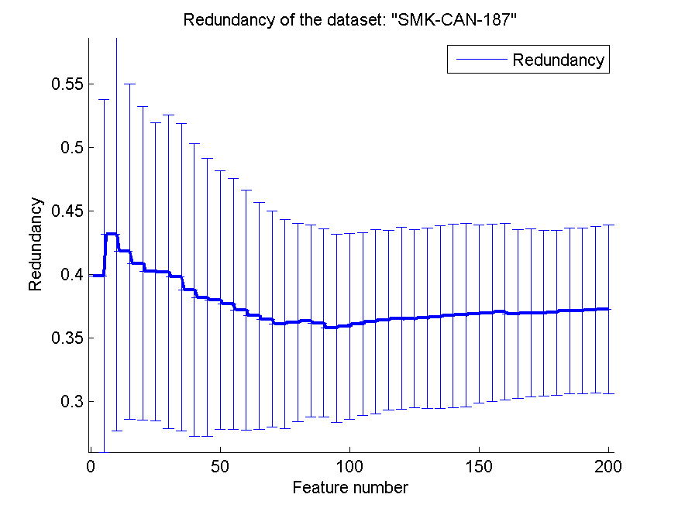
0.69414893617 | 0.038259748351 | 0.6585106383 | 0.032725793799 | 0.61489361702 | 0.038060731532 | 0.36536693143 | 0.071286570263
0.70159574468 | 0.034424474367 | 0.65478723404 | 0.032830284001 | 0.6164893617 | 0.040762285719 | 0.36644731365 | 0.07204377331
0.70212765957 | 0.037174003746 | 0.65585106383 | 0.032611837767 | 0.61755319149 | 0.041053500607 | 0.3673353473 | 0.072513983498
0.69787234043 | 0.039714978914 | 0.65319148936 | 0.033888228026 | 0.61755319149 | 0.041053500607 | 0.36804465276 | 0.072356711762
0.70265957447 | 0.038353045986 | 0.65265957447 | 0.035075829115 | 0.61914893617 | 0.040339981381 | 0.36881822898 | 0.070395735051
0.69627659574 | 0.043995029837 | 0.65372340426 | 0.033901408125 | 0.62127659574 | 0.041904347785 | 0.3694819933 | 0.070014903287
0.69840425532 | 0.04188657589 | 0.65319148936 | 0.033712000997 | 0.62127659574 | 0.041904347785 | 0.37043551146 | 0.06943613393
0.69468085106 | 0.046061948295 | 0.65 | 0.033975998772 | 0.62287234043 | 0.041915007304 | 0.36861892028 | 0.066396842975
0.70265957447 | 0.047510139065 | 0.64893617021 | 0.032561570769 | 0.61914893617 | 0.039744963803 | 0.36956553637 | 0.066173161615
0.69308510638 | 0.050523810277 | 0.64893617021 | 0.032378123841 | 0.61861702128 | 0.039845996214 | 0.36934621463 | 0.065160452287
0.69255319149 | 0.042258216149 | 0.64946808511 | 0.031723014081 | 0.61755319149 | 0.043312789251 | 0.36967305692 | 0.065107070215
0.69255319149 | 0.044723490559 | 0.65053191489 | 0.03053668449 | 0.61755319149 | 0.046496337637 | 0.3711682428 | 0.065449722054
0.69095744681 | 0.050782516455 | 0.65 | 0.030658354764 | 0.61861702128 | 0.044640172385 | 0.37122583499 | 0.065241206662
0.69361702128 | 0.043054161948 | 0.65 | 0.031425891666 | 0.61861702128 | 0.044640172385 | 0.37194476143 | 0.065660023997
0.69095744681 | 0.047884781263 | 0.64946808511 | 0.030962843413 | 0.62021276596 | 0.042706889283 | 0.37240890121 | 0.066445099421

RELATHE
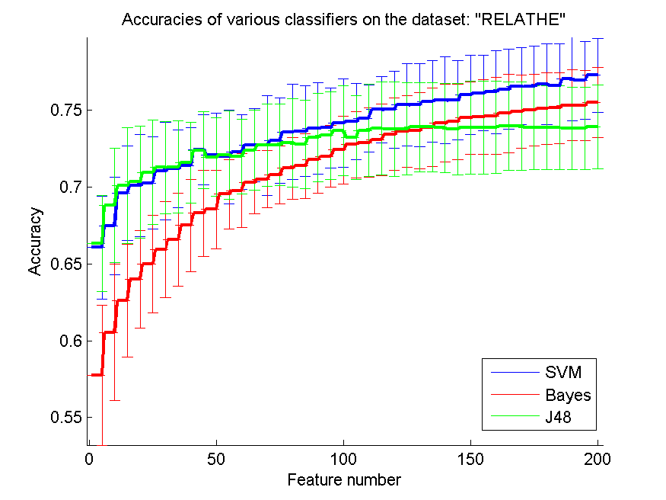
res_svm | res_svm_std | res_bayes | res_bayes_std | res_j48 | res_j48_std | res_red | res_red_std
0.66071719641 | 0.033522001995 | 0.57758761206 | 0.045465640202 | 0.66332518337 | 0.031116131198 | 0.2175136902 | 0.15098169958
0.67453137734 | 0.031820868554 | 0.60537897311 | 0.044273979755 | 0.68822330888 | 0.037237635144 | 0.18665465926 | 0.067003566648
0.69612876936 | 0.030662727103 | 0.6260391198 | 0.036849576712 | 0.70085574572 | 0.037673505906 | 0.13938521535 | 0.03099459636
0.70089649552 | 0.033367196513 | 0.6401792991 | 0.031719882986 | 0.7033007335 | 0.036449140514 | 0.11720866997 | 0.018903432978
0.70264873676 | 0.030016312089 | 0.64979625102 | 0.031680844201 | 0.70941320293 | 0.033979178216 | 0.10305873765 | 0.013901020068
0.71026894866 | 0.031778241233 | 0.65925020375 | 0.031130733225 | 0.71267318663 | 0.030022367721 | 0.094146233298 | 0.010997303849
0.71202118989 | 0.025351586279 | 0.66577017115 | 0.030184281372 | 0.7130806846 | 0.02989517573 | 0.087081554903 | 0.010372801921
0.71393643032 | 0.024561150305 | 0.6749796251 | 0.029942060392 | 0.71581092095 | 0.026193693831 | 0.082471996922 | 0.0092126546187
0.72428687857 | 0.022930073272 | 0.68292583537 | 0.028119970263 | 0.7239608802 | 0.025211683826 | 0.078480891265 | 0.0085304603174
0.72102689487 | 0.027113131865 | 0.68541157294 | 0.025514778235 | 0.71947840261 | 0.025462110436 | 0.075960508883 | 0.0070496557286
0.71964140179 | 0.030638461676 | 0.69547677262 | 0.022590898152 | 0.72098614507 | 0.028756497074 | 0.071847915436 | 0.0056014600492
0.7227791361 | 0.024411635974 | 0.69771801141 | 0.023837246777 | 0.71984515077 | 0.024310610097 | 0.06937982347 | 0.0057831113654
0.72734311328 | 0.023701311956 | 0.70317848411 | 0.020417918808 | 0.72400162999 | 0.025922932942 | 0.06712538275 | 0.0057826070676
0.7271801141 | 0.03251702582 | 0.70513447433 | 0.018715229614 | 0.72726161369 | 0.026650392983 | 0.065701030416 | 0.006209853148
0.73003259984 | 0.027811706481 | 0.70786471068 | 0.018891618866 | 0.72738386308 | 0.026585020059 | 0.063306228241 | 0.0058911996343
0.7358190709 | 0.030874059171 | 0.71218418908 | 0.019946204271 | 0.72876935615 | 0.028875781963 | 0.060921492257 | 0.0057333448689
0.73626731866 | 0.029587122958 | 0.71373268134 | 0.021060609864 | 0.72787286064 | 0.028652519932 | 0.059109371653 | 0.0052348523857
0.73818255909 | 0.029962223034 | 0.71764466178 | 0.021539203689 | 0.73215158924 | 0.028944315001 | 0.05755309774 | 0.0047568406844
0.73842705786 | 0.026099265457 | 0.72004889976 | 0.020133255886 | 0.73353708231 | 0.028570136438 | 0.056401808876 | 0.005036418598
0.74164629177 | 0.028994666541 | 0.72404237979 | 0.022192980872 | 0.73663406683 | 0.029379474194 | 0.055418733202 | 0.0050298322987
0.74274653627 | 0.02483753787 | 0.72758761206 | 0.021674142049 | 0.73223308883 | 0.027221705078 | 0.053998342085 | 0.0046926352688
0.7445802771 | 0.021851683911 | 0.72897310513 | 0.022552488107 | 0.7369193154 | 0.030158442877 | 0.052877329733 | 0.0047707173403
0.75040749796 | 0.021687041645 | 0.73080684597 | 0.023365028657 | 0.73814180929 | 0.030082421212 | 0.051671729421 | 0.0045528653243
0.75036674817 | 0.024852769399 | 0.73439282804 | 0.023698988756 | 0.73773431133 | 0.030576327605 | 0.050854456371 | 0.0045412035785
0.75354523227 | 0.026899934401 | 0.73622656887 | 0.023281353211 | 0.73785656072 | 0.02982235151 | 0.050180392878 | 0.0045064331207
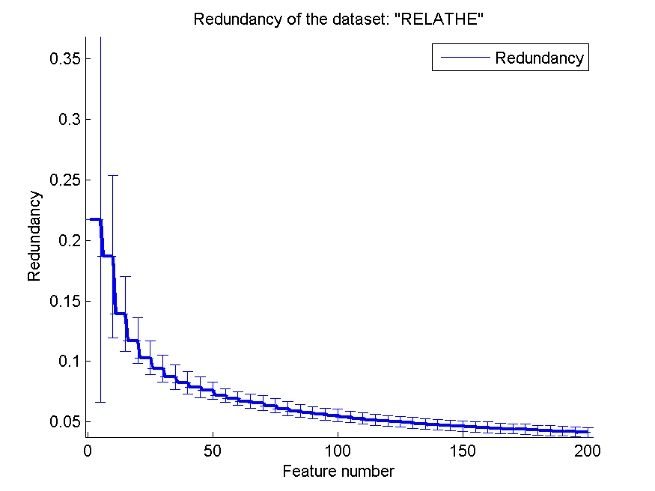
0.75334148329 | 0.026833410652 | 0.73683781581 | 0.024755238647 | 0.73899755501 | 0.028983662443 | 0.049452846947 | 0.0045375711902
0.75570497148 | 0.026447082068 | 0.73887530562 | 0.025494766318 | 0.73899755501 | 0.028983662443 | 0.048480419042 | 0.0044299307144
0.7565199674 | 0.028408652271 | 0.74152404238 | 0.025191118893 | 0.73850855746 | 0.028917731256 | 0.047643111479 | 0.0042481038525
0.75635696822 | 0.025747293683 | 0.7424205379 | 0.024461992452 | 0.73765281174 | 0.029876957064 | 0.047090001467 | 0.0041598711546
0.75998370008 | 0.025683433318 | 0.74486552567 | 0.02341192501 | 0.73875305623 | 0.030276303352 | 0.046594772002 | 0.004363263416
0.76120619397 | 0.024776553393 | 0.74555827221 | 0.024363363717 | 0.73875305623 | 0.030276303352 | 0.046074569428 | 0.0043990591887
0.76181744091 | 0.027084460456 | 0.74616951915 | 0.025008943062 | 0.73883455583 | 0.030157138779 | 0.045514494746 | 0.0044048121977
0.76365118174 | 0.026007384363 | 0.74788101059 | 0.025369506444 | 0.73960880196 | 0.028755554902 | 0.044869225292 | 0.0043454881947
0.76564792176 | 0.025105209736 | 0.7488590057 | 0.0238245943 | 0.73960880196 | 0.028755554902 | 0.044292355439 | 0.0042555953981
0.7652404238 | 0.026417456216 | 0.75012224939 | 0.023362484971 | 0.73863080685 | 0.027374899722 | 0.043829963027 | 0.0042155492584
0.76699266504 | 0.026233435624 | 0.75085574572 | 0.023299102652 | 0.73863080685 | 0.027374899722 | 0.043265225724 | 0.004087475163
0.76577017115 | 0.027545872374 | 0.75130399348 | 0.022896775013 | 0.73863080685 | 0.027374899722 | 0.042823191294 | 0.0041433965977
0.77021189894 | 0.027208859772 | 0.7532599837 | 0.023228136386 | 0.73822330888 | 0.026898894709 | 0.042359373621 | 0.0040005848018
0.76943765281 | 0.025282025662 | 0.75317848411 | 0.022912037954 | 0.73822330888 | 0.026898894709 | 0.041872588149 | 0.0039551509835
0.77273838631 | 0.02399128829 | 0.75505297474 | 0.023006746087 | 0.73928280359 | 0.027352925803 | 0.041472846179 | 0.0039671845629

pixraw10P
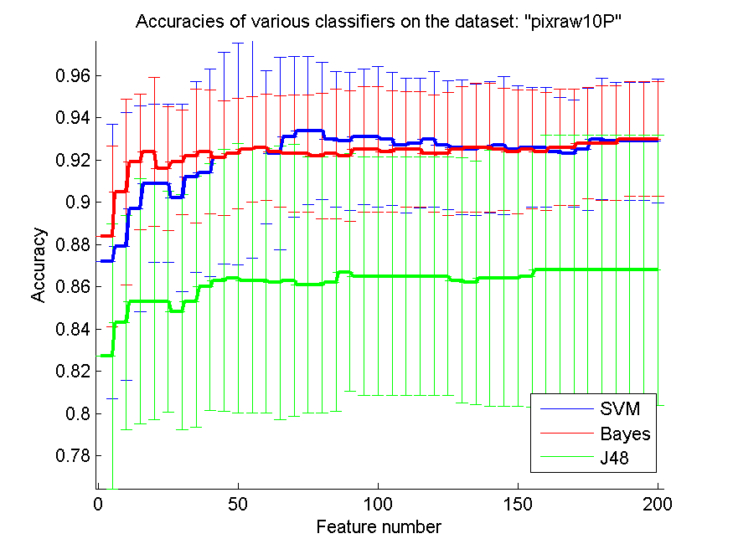
res_svm | res_svm_std | res_bayes | res_bayes_std | res_j48 | res_j48_std | res_red | res_red_std
0.872 | 0.065018216071 | 0.884 | 0.042846113869 | 0.827 | 0.062668719638 | 0.4883235246 | 0.13365350478
0.879 | 0.063403469937 | 0.905 | 0.043949732051 | 0.843 | 0.050793700397 | 0.57685348484 | 0.094015444768
0.897 | 0.048677239899 | 0.919 | 0.032101811721 | 0.853 | 0.058137767415 | 0.6079521116 | 0.096591260075
0.909 | 0.037542957851 | 0.924 | 0.035303198006 | 0.853 | 0.055922879227 | 0.62763654881 | 0.092286698236
0.909 | 0.037542957851 | 0.916 | 0.029451119182 | 0.853 | 0.052425385574 | 0.63416464982 | 0.08862647949
0.902 | 0.04443801123 | 0.919 | 0.024687520819 | 0.848 | 0.055592502334 | 0.62988576375 | 0.092437903339
0.912 | 0.045143047492 | 0.922 | 0.031722480822 | 0.853 | 0.059568624733 | 0.633562932 | 0.085124937957
0.914 | 0.049032749528 | 0.924 | 0.029451119182 | 0.86 | 0.058399711607 | 0.64661817752 | 0.084313636248
0.921 | 0.05004208755 | 0.921 | 0.027125439604 | 0.863 | 0.061993208457 | 0.6545436547 | 0.084857401067
0.923 | 0.052425385574 | 0.923 | 0.026177531547 | 0.864 | 0.063775923522 | 0.65316520809 | 0.084431875289
0.925 | 0.051452584202 | 0.925 | 0.025026301954 | 0.863 | 0.062668719638 | 0.65592793137 | 0.082939421564
0.926 | 0.036186650635 | 0.926 | 0.025214866125 | 0.863 | 0.062668719638 | 0.64969554852 | 0.074370026428
0.923 | 0.045549279271 | 0.924 | 0.026437612759 | 0.862 | 0.064856116053 | 0.65161113734 | 0.072059575177
0.931 | 0.038099592483 | 0.923 | 0.027739388678 | 0.863 | 0.064326469955 | 0.65332655805 | 0.067663351693
0.934 | 0.035003759197 | 0.923 | 0.027739388678 | 0.861 | 0.060689026148 | 0.65755044358 | 0.068497078767
0.934 | 0.032509108035 | 0.922 | 0.029664793948 | 0.861 | 0.060689026148 | 0.66017171898 | 0.065535026134
0.93 | 0.032118202742 | 0.923 | 0.030625067132 | 0.862 | 0.060836277266 | 0.66207574604 | 0.065953848221
0.929 | 0.032751054623 | 0.922 | 0.031051739505 | 0.867 | 0.056298078868 | 0.66166894711 | 0.066555370938
0.931 | 0.032101811721 | 0.925 | 0.029647046538 | 0.865 | 0.056522003168 | 0.65855302191 | 0.069855751242
0.931 | 0.033387675003 | 0.925 | 0.029647046538 | 0.865 | 0.056522003168 | 0.65936136701 | 0.068675144266
0.93 | 0.031455900626 | 0.924 | 0.028727393858 | 0.865 | 0.056522003168 | 0.65840927848 | 0.067891195632
0.927 | 0.031970381029 | 0.925 | 0.027434131642 | 0.865 | 0.056522003168 | 0.65746132697 | 0.068971288278
0.928 | 0.030710875838 | 0.925 | 0.027434131642 | 0.865 | 0.056522003168 | 0.65663182549 | 0.069186340983
0.93 | 0.032118202742 | 0.923 | 0.027739388678 | 0.865 | 0.056522003168 | 0.65049022723 | 0.062500658221
0.927 | 0.030625067132 | 0.923 | 0.029217874846 | 0.865 | 0.056522003168 | 0.6474928236 | 0.059235680016
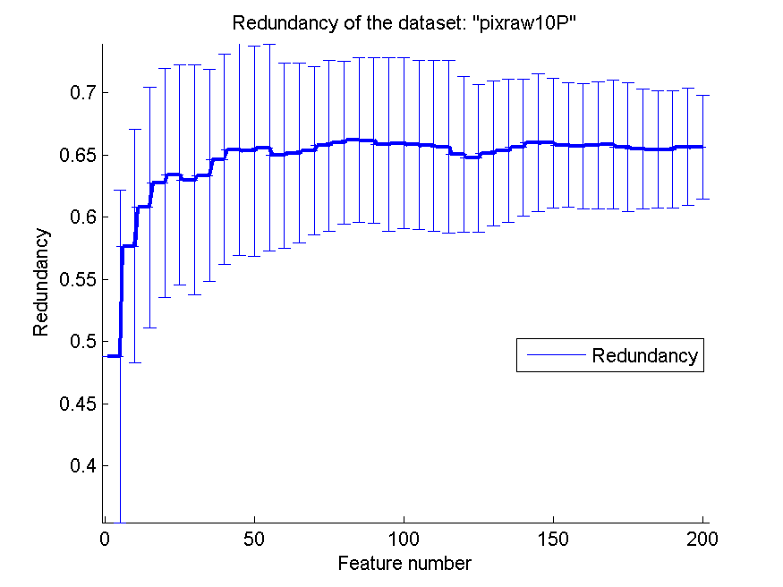
0.926 | 0.031854934345 | 0.925 | 0.029647046538 | 0.863 | 0.058137767415 | 0.65121089449 | 0.0581352429
0.925 | 0.031034785237 | 0.926 | 0.030504529431 | 0.862 | 0.057637706956 | 0.65344950911 | 0.057472431625
0.926 | 0.031187041843 | 0.926 | 0.030504529431 | 0.864 | 0.060732372361 | 0.65608713836 | 0.05510137082
0.927 | 0.03262223975 | 0.925 | 0.028928223334 | 0.864 | 0.060732372361 | 0.65978284982 | 0.055439877553
0.925 | 0.030348848933 | 0.924 | 0.029451119182 | 0.864 | 0.060732372361 | 0.65967909867 | 0.05197328925
0.926 | 0.02835860586 | 0.925 | 0.028191077349 | 0.865 | 0.061857220997 | 0.65808267629 | 0.050084580445
0.926 | 0.02835860586 | 0.924 | 0.027984958366 | 0.868 | 0.064039461518 | 0.65708364138 | 0.050112135699
0.924 | 0.025628931021 | 0.926 | 0.027606254059 | 0.868 | 0.064039461518 | 0.65785346085 | 0.051037981239
0.923 | 0.025360557855 | 0.926 | 0.027606254059 | 0.868 | 0.064039461518 | 0.65846578103 | 0.051545397333
0.925 | 0.028928223334 | 0.928 | 0.026277867413 | 0.868 | 0.064039461518 | 0.65636094023 | 0.051820047196
0.93 | 0.028654015976 | 0.928 | 0.027067167915 | 0.868 | 0.064039461518 | 0.65493135563 | 0.048033551931
0.929 | 0.027890764365 | 0.928 | 0.027067167915 | 0.868 | 0.064039461518 | 0.65441874285 | 0.046932485852
0.929 | 0.027890764365 | 0.93 | 0.027144835702 | 0.868 | 0.064039461518 | 0.65431444873 | 0.047231152927
0.929 | 0.027890764365 | 0.93 | 0.027144835702 | 0.868 | 0.064039461518 | 0.65665492202 | 0.047107930789
0.929 | 0.029361629096 | 0.93 | 0.027144835702 | 0.868 | 0.064039461518 | 0.65620911787 | 0.041915463775

PCMAC
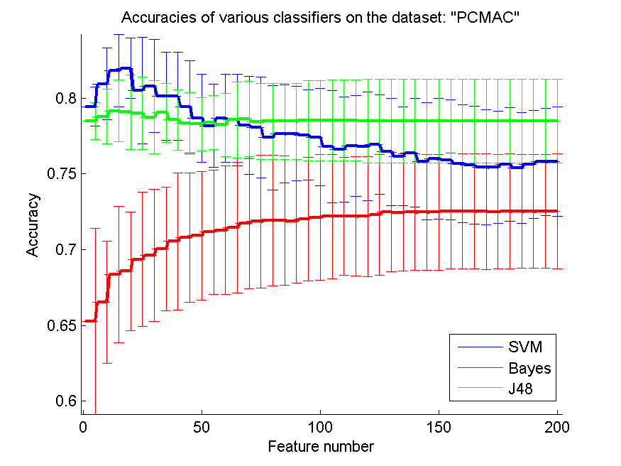
res_svm | res_svm_std | res_bayes | res_bayes_std | res_j48 | res_j48_std | res_red | res_red_std
0.79452094091 | 0.012956867744 | 0.65261044177 | 0.061591263479 | 0.78496844521 | 0.012054086733 | 0.14941976544 | 0.027937184071
0.80949512335 | 0.023720661864 | 0.66537578887 | 0.040203271756 | 0.78795180723 | 0.018034888933 | 0.14660338123 | 0.029479744505
0.81810097533 | 0.023803047166 | 0.68367756741 | 0.045088000404 | 0.79168100975 | 0.020497353989 | 0.12504792758 | 0.021351669061
0.8198508319 | 0.019711564077 | 0.68588640275 | 0.039208315435 | 0.79093516925 | 0.024692500044 | 0.1123150397 | 0.015722908577
0.80524956971 | 0.035147281751 | 0.69366035571 | 0.04446867236 | 0.79004589788 | 0.02407586871 | 0.10631172321 | 0.016853243108
0.80811818703 | 0.030785560416 | 0.69618473896 | 0.043725769668 | 0.78743545611 | 0.023987939277 | 0.098148039908 | 0.013040349695
0.80143430866 | 0.029054554079 | 0.70065978199 | 0.040826285612 | 0.79033275961 | 0.019623015581 | 0.092452361241 | 0.011143218889
0.80134825014 | 0.028973931893 | 0.70553643144 | 0.045231320742 | 0.78571428571 | 0.020037137749 | 0.086551189218 | 0.010281722964
0.79434882387 | 0.030506870217 | 0.70808950086 | 0.042627631119 | 0.78330464716 | 0.020469613018 | 0.081509495044 | 0.010394394849
0.78686173264 | 0.028981479669 | 0.70926563396 | 0.042408124725 | 0.78284566839 | 0.017599382272 | 0.078154456679 | 0.0111676924
0.78181296615 | 0.027265671788 | 0.71156052783 | 0.041225754878 | 0.7839070568 | 0.017715913898 | 0.075555557985 | 0.010860976257
0.78668961561 | 0.02900245366 | 0.71290877797 | 0.042455699653 | 0.78235800344 | 0.020760525614 | 0.072050601199 | 0.011501392976
0.78577165806 | 0.030336557114 | 0.71454388985 | 0.043145849637 | 0.78568559954 | 0.025050576251 | 0.069678229607 | 0.011284657581
0.78198508319 | 0.032400207449 | 0.71724039013 | 0.042984858975 | 0.78634538153 | 0.02486658358 | 0.066901610723 | 0.010936632533
0.78072289157 | 0.033089368172 | 0.71864601262 | 0.043913137179 | 0.7846528973 | 0.025137424759 | 0.064713504441 | 0.010386649014
0.77395295468 | 0.034466661636 | 0.71921973609 | 0.043128148791 | 0.78473895582 | 0.025139027045 | 0.063049855507 | 0.010034312643
0.77641996558 | 0.032395983105 | 0.71930579461 | 0.042532945054 | 0.78473895582 | 0.025139027045 | 0.061819147801 | 0.0098076355919
0.77670682731 | 0.031191500589 | 0.71873207114 | 0.040812704542 | 0.78473895582 | 0.025139027045 | 0.059581183198 | 0.0089233244358
0.77570281124 | 0.029924345988 | 0.72002294894 | 0.040813182079 | 0.78531267929 | 0.026425129698 | 0.057815042375 | 0.0082823321509
0.77426850258 | 0.032067241385 | 0.72125645439 | 0.041431321237 | 0.78531267929 | 0.026425129698 | 0.056158015799 | 0.0080170824863
0.76807228916 | 0.037026458418 | 0.72197360872 | 0.040961647758 | 0.78548479633 | 0.026644693552 | 0.055511986052 | 0.0081327482816
0.76615031555 | 0.034797516198 | 0.72217441193 | 0.039015360364 | 0.78548479633 | 0.026644693552 | 0.054433408466 | 0.0076158375543
0.7685599541 | 0.033156733613 | 0.72220309811 | 0.039277668506 | 0.78545611015 | 0.02664441722 | 0.053306283204 | 0.0072490941807
0.76821572002 | 0.035720545676 | 0.72194492255 | 0.039582444159 | 0.78505450373 | 0.027572220349 | 0.052017406602 | 0.0070151341303
0.76939185313 | 0.032921864394 | 0.72292025244 | 0.039891199457 | 0.78505450373 | 0.027572220349 | 0.050985128798 | 0.0068211755342
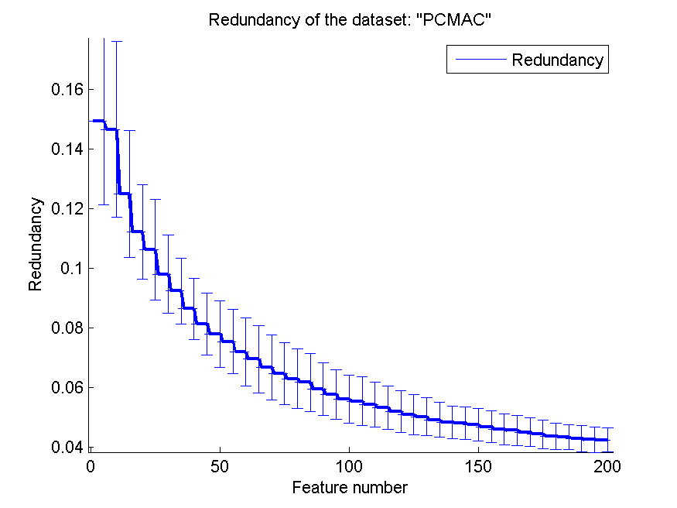
0.76460126219 | 0.035529969383 | 0.72472748135 | 0.039439208414 | 0.78505450373 | 0.027572220349 | 0.050321201809 | 0.006365900728
0.76164658635 | 0.032565792881 | 0.72449799197 | 0.038739852633 | 0.78505450373 | 0.027572220349 | 0.049343332683 | 0.0057618572224
0.76399885255 | 0.03583543711 | 0.72484222605 | 0.038311670472 | 0.78505450373 | 0.027572220349 | 0.048452739148 | 0.0055213301167
0.75829030407 | 0.038688167522 | 0.72484222605 | 0.038278193818 | 0.78505450373 | 0.027572220349 | 0.048175421532 | 0.0054235093015
0.76009753299 | 0.040028977204 | 0.72469879518 | 0.038364032155 | 0.78505450373 | 0.027572220349 | 0.047610532012 | 0.0054896479064
0.75920826162 | 0.039592432768 | 0.72553069421 | 0.038164879839 | 0.78505450373 | 0.027572220349 | 0.046919542905 | 0.0053244517194
0.75691336776 | 0.038842347524 | 0.72555938038 | 0.037939919269 | 0.78505450373 | 0.027572220349 | 0.04618950951 | 0.0051520751415
0.75585197935 | 0.039092368628 | 0.72538726334 | 0.037854892616 | 0.78505450373 | 0.027572220349 | 0.045766459309 | 0.0051014161309
0.75444635686 | 0.037913757321 | 0.72515777395 | 0.038020746291 | 0.78505450373 | 0.027572220349 | 0.045075302897 | 0.0048116630386
0.75438898451 | 0.037006345583 | 0.72510040161 | 0.037752240746 | 0.78505450373 | 0.027572220349 | 0.044441082801 | 0.0047387773722
0.75628227194 | 0.037416827734 | 0.72535857717 | 0.037782435126 | 0.78505450373 | 0.027572220349 | 0.043850667741 | 0.0044280516329
0.75398737808 | 0.036402528413 | 0.72530120482 | 0.037652219297 | 0.78505450373 | 0.027572220349 | 0.043502658555 | 0.0042739248032
0.7562248996 | 0.035614612093 | 0.72535857717 | 0.037545552896 | 0.78505450373 | 0.027572220349 | 0.043016379445 | 0.0043282318143
0.75803212851 | 0.035391601639 | 0.72532989099 | 0.037592945067 | 0.78505450373 | 0.027572220349 | 0.042677277329 | 0.0042359181148
0.75808950086 | 0.036092188678 | 0.72544463569 | 0.037905748682 | 0.78505450373 | 0.027572220349 | 0.042576022719 | 0.0039737765979

orlraws10P
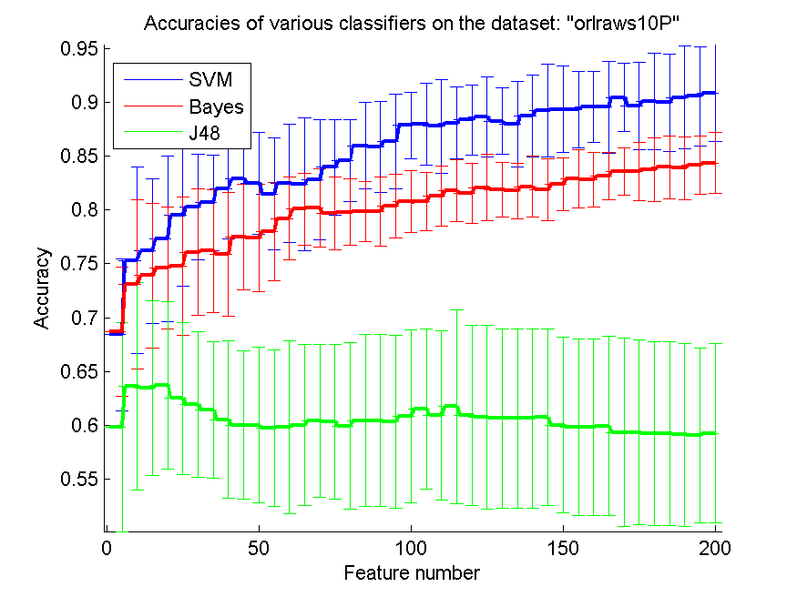
res_svm | res_svm_std | res_bayes | res_bayes_std | res_j48 | res_j48_std | res_red | res_red_std
0.684 | 0.070963296666 | 0.687 | 0.060271316386 | 0.598 | 0.097094636418 | 0.73557533621 | 0.096095420461
0.753 | 0.086881649689 | 0.731 | 0.079066927014 | 0.636 | 0.096812352409 | 0.75205476301 | 0.11888994491
0.762 | 0.067402951677 | 0.739 | 0.067582308492 | 0.634 | 0.081331032467 | 0.7819581122 | 0.12337602587
0.773 | 0.077126007628 | 0.746 | 0.056605746407 | 0.637 | 0.078210242969 | 0.78535686617 | 0.10550085952
0.795 | 0.066133835595 | 0.748 | 0.064367366691 | 0.625 | 0.070747884476 | 0.78127726205 | 0.11668461674
0.803 | 0.049107829797 | 0.761 | 0.058929038504 | 0.619 | 0.067893104836 | 0.76913791645 | 0.10276670726
0.807 | 0.044615314812 | 0.762 | 0.057271284253 | 0.614 | 0.063940762059 | 0.76807208529 | 0.098220098253
0.82 | 0.046339706743 | 0.759 | 0.05748226271 | 0.605 | 0.073377179874 | 0.77396322595 | 0.093732407131
0.829 | 0.053301525603 | 0.775 | 0.048936048493 | 0.6 | 0.068977494423 | 0.76517149397 | 0.090123666432
0.825 | 0.047183850939 | 0.774 | 0.049884076143 | 0.6 | 0.072547625011 | 0.74964731667 | 0.091652656707
0.815 | 0.052264509443 | 0.78 | 0.045421997917 | 0.597 | 0.073204831592 | 0.74039956163 | 0.083508922696
0.825 | 0.055011960422 | 0.792 | 0.038607335 | 0.598 | 0.080236492551 | 0.72817736582 | 0.076292966528
0.824 | 0.062103479011 | 0.801 | 0.033387675003 | 0.6 | 0.074833147735 | 0.7232140953 | 0.075878167501
0.828 | 0.055969916732 | 0.802 | 0.036649118608 | 0.604 | 0.070963296666 | 0.71986107347 | 0.073303011133
0.84 | 0.044485361282 | 0.797 | 0.03388836161 | 0.603 | 0.071752498581 | 0.71818705721 | 0.071487349867
0.846 | 0.037891812753 | 0.798 | 0.031051739505 | 0.599 | 0.077724208787 | 0.70498894628 | 0.067077731426
0.86 | 0.04 | 0.799 | 0.027890764365 | 0.604 | 0.080157739226 | 0.69915460265 | 0.066927686798
0.859 | 0.042289727507 | 0.799 | 0.032101811721 | 0.604 | 0.080157739226 | 0.69428974602 | 0.069708102466
0.864 | 0.0438178046 | 0.804 | 0.029451119182 | 0.603 | 0.080596460677 | 0.68996549358 | 0.067543226715
0.879 | 0.030762246171 | 0.808 | 0.028580449704 | 0.608 | 0.080629105363 | 0.69083377271 | 0.067621387651
0.88 | 0.037836212117 | 0.808 | 0.027067167915 | 0.615 | 0.074797973516 | 0.68564104238 | 0.066622065499
0.878 | 0.043480183024 | 0.813 | 0.027739388678 | 0.609 | 0.079066927014 | 0.68091894948 | 0.064921529257
0.881 | 0.033387675003 | 0.818 | 0.028946411467 | 0.617 | 0.090443352437 | 0.67622822752 | 0.062405253323
0.884 | 0.032831307267 | 0.816 | 0.027984958366 | 0.609 | 0.083973680087 | 0.67337263577 | 0.059579961701
0.887 | 0.037430637606 | 0.821 | 0.030762246171 | 0.607 | 0.085415393658 | 0.66819827099 | 0.061549929207
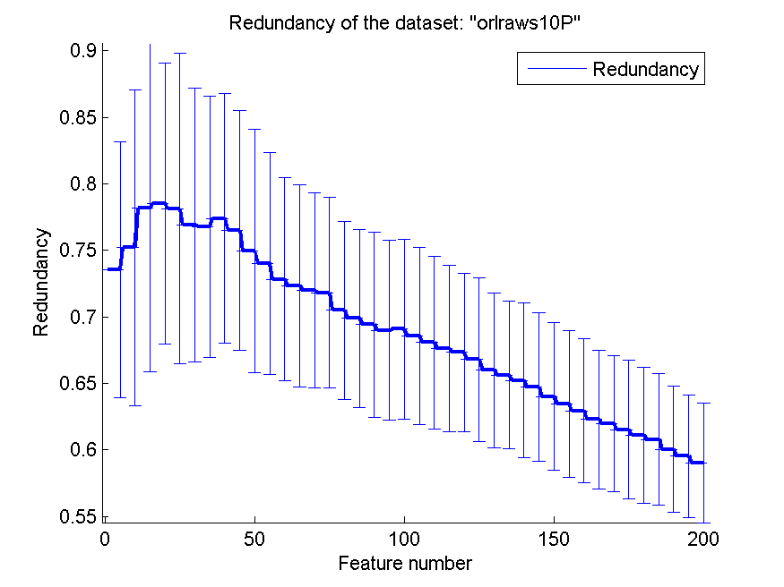
0.883 | 0.030625067132 | 0.819 | 0.025526044491 | 0.606 | 0.083123243947 | 0.66005849408 | 0.05827444271
0.88 | 0.039470175283 | 0.818 | 0.025874189537 | 0.606 | 0.083376129362 | 0.65638989189 | 0.055665632525
0.888 | 0.038058127288 | 0.822 | 0.028209740759 | 0.606 | 0.083376129362 | 0.6521987212 | 0.058201960046
0.893 | 0.043176504332 | 0.819 | 0.028635642127 | 0.607 | 0.082148773896 | 0.64731847704 | 0.055726103268
0.894 | 0.040574817183 | 0.824 | 0.024793887192 | 0.6 | 0.081821371549 | 0.64023959127 | 0.055325508245
0.894 | 0.035600118273 | 0.829 | 0.027125439604 | 0.598 | 0.08230878958 | 0.63477936739 | 0.055274742761
0.896 | 0.032831307267 | 0.828 | 0.025464113034 | 0.598 | 0.08230878958 | 0.62956956785 | 0.054201507997
0.896 | 0.042846113869 | 0.832 | 0.0219089023 | 0.599 | 0.08347076387 | 0.62287160113 | 0.052384070019
0.905 | 0.031705885225 | 0.836 | 0.022100250058 | 0.593 | 0.087605575405 | 0.61994954756 | 0.050934781244
0.897 | 0.040665516233 | 0.836 | 0.027222281895 | 0.593 | 0.08590692638 | 0.61539098205 | 0.052146920886
0.901 | 0.044709589222 | 0.838 | 0.029664793948 | 0.592 | 0.085446197292 | 0.61117083926 | 0.051073494816
0.9 | 0.045421997917 | 0.84 | 0.029019050004 | 0.592 | 0.085446197292 | 0.60791528272 | 0.049577935321
0.905 | 0.048067934382 | 0.839 | 0.029361629096 | 0.591 | 0.085217986735 | 0.60046927671 | 0.047438596833
0.906 | 0.045929007002 | 0.842 | 0.027453309646 | 0.59 | 0.081434507105 | 0.59546284444 | 0.04616944347
0.909 | 0.045178010487 | 0.844 | 0.028727393858 | 0.592 | 0.083451845554 | 0.5905160479 | 0.045014586532

GLI-85
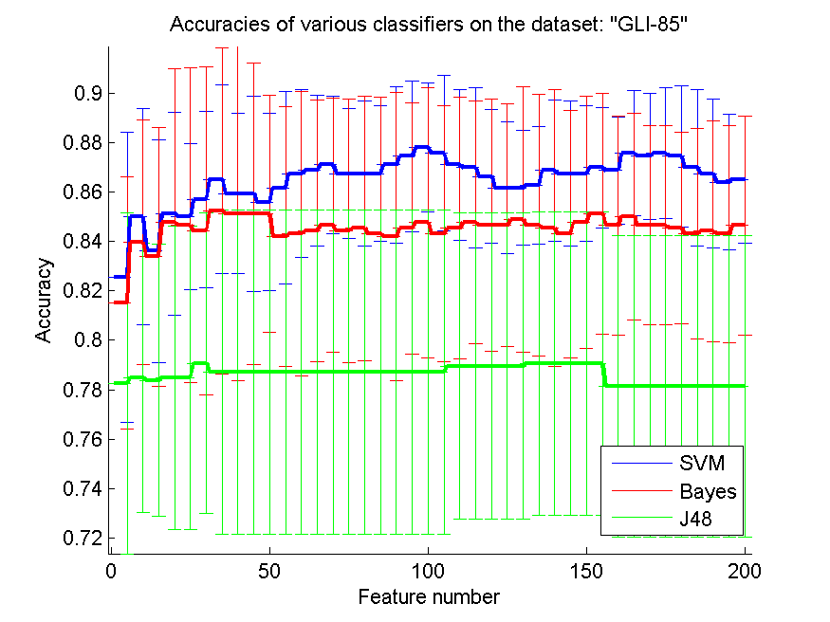
res_svm | res_svm_std | res_bayes | res_bayes_std | res_j48 | res_j48_std | res_red | res_red_std
0.82558139535 | 0.058687745874 | 0.81511627907 | 0.050881053591 | 0.78255813953 | 0.068853665042 | 0.31086086736 | 0.093178633228
0.85 | 0.043654602152 | 0.83953488372 | 0.049419504636 | 0.78488372093 | 0.054343649013 | 0.35996188292 | 0.059046952358
0.83604651163 | 0.044939780188 | 0.83372093023 | 0.052424087884 | 0.78372093023 | 0.054981552952 | 0.35270884927 | 0.057705470344
0.8511627907 | 0.040911311973 | 0.8476744186 | 0.061978518143 | 0.78488372093 | 0.061239277166 | 0.35941325085 | 0.057417977441
0.85 | 0.029681447083 | 0.84651162791 | 0.063755674935 | 0.78488372093 | 0.061239277166 | 0.35868611643 | 0.059725639893
0.85697674419 | 0.035610543177 | 0.84418604651 | 0.066251685382 | 0.79069767442 | 0.060831205091 | 0.35514649987 | 0.060465782653
0.86511627907 | 0.038175938682 | 0.8523255814 | 0.065896272655 | 0.78720930233 | 0.065462882404 | 0.35989757694 | 0.052398281315
0.85930232558 | 0.032431121354 | 0.8511627907 | 0.067654667839 | 0.78720930233 | 0.065462882404 | 0.3572620461 | 0.05307369637
0.85930232558 | 0.039549280984 | 0.8511627907 | 0.061018090954 | 0.78720930233 | 0.065462882404 | 0.36186775134 | 0.047570320081
0.85581395349 | 0.035869387546 | 0.8511627907 | 0.047957929435 | 0.78720930233 | 0.065462882404 | 0.36429549983 | 0.049656645134
0.86162790698 | 0.03882287791 | 0.84186046512 | 0.052600258251 | 0.78720930233 | 0.065462882404 | 0.36541872688 | 0.051584801607
0.86744186047 | 0.03382733392 | 0.84302325581 | 0.05740044295 | 0.78720930233 | 0.065462882404 | 0.36343298317 | 0.04701233277
0.86860465116 | 0.030438990171 | 0.84418604651 | 0.052870143338 | 0.78720930233 | 0.065462882404 | 0.36330404976 | 0.043683028039
0.87093023256 | 0.027697089138 | 0.84651162791 | 0.051395930368 | 0.78720930233 | 0.065462882404 | 0.36375324514 | 0.042858309758
0.86744186047 | 0.026245957844 | 0.84418604651 | 0.053405822096 | 0.78720930233 | 0.065462882404 | 0.36493411535 | 0.043508958636
0.86744186047 | 0.029319611773 | 0.84534883721 | 0.053499014427 | 0.78720930233 | 0.065462882404 | 0.36537124742 | 0.043238236684
0.86744186047 | 0.027308974354 | 0.84302325581 | 0.055381330269 | 0.78720930233 | 0.065462882404 | 0.36526254848 | 0.042932802471
0.87093023256 | 0.031541208841 | 0.84186046512 | 0.058249589838 | 0.78720930233 | 0.065462882404 | 0.36652142426 | 0.041546667038
0.87441860465 | 0.030555659783 | 0.84534883721 | 0.05076904233 | 0.78720930233 | 0.065462882404 | 0.36638433035 | 0.041582714526
0.87790697674 | 0.026000790436 | 0.8476744186 | 0.054657022004 | 0.78720930233 | 0.065462882404 | 0.36490800382 | 0.040824643524
0.87558139535 | 0.031360196105 | 0.84302325581 | 0.051658332363 | 0.78720930233 | 0.065462882404 | 0.36322752795 | 0.040460802148
0.87093023256 | 0.03062544821 | 0.84534883721 | 0.052964278222 | 0.78953488372 | 0.061978518143 | 0.3625327604 | 0.041254039702
0.86976744186 | 0.032365226695 | 0.8476744186 | 0.049174101753 | 0.78953488372 | 0.061978518143 | 0.36172509208 | 0.041914118976
0.86627906977 | 0.027073434958 | 0.84651162791 | 0.050839078289 | 0.78953488372 | 0.061978518143 | 0.36206341513 | 0.041922032947
0.86162790698 | 0.026649558525 | 0.84651162791 | 0.04913066812 | 0.78953488372 | 0.061978518143 | 0.36216625124 | 0.04295140542
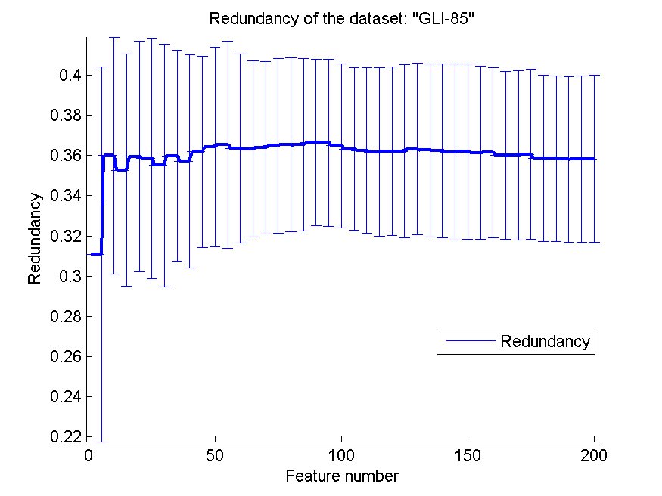
0.86162790698 | 0.02322519404 | 0.8488372093 | 0.053618595138 | 0.78953488372 | 0.061978518143 | 0.36323843174 | 0.04280724759
0.86279069767 | 0.023740362118 | 0.84651162791 | 0.053031415121 | 0.79069767442 | 0.06129735141 | 0.36259387327 | 0.043124955356
0.86860465116 | 0.028507412517 | 0.84534883721 | 0.056096287135 | 0.79069767442 | 0.06129735141 | 0.36244719677 | 0.043317406424
0.86744186047 | 0.029319611773 | 0.84302325581 | 0.049977934843 | 0.79069767442 | 0.06129735141 | 0.36172695191 | 0.04393123621
0.86744186047 | 0.027308974354 | 0.8476744186 | 0.050881053591 | 0.79069767442 | 0.06129735141 | 0.36210872624 | 0.043707252736
0.86976744186 | 0.024332482036 | 0.8511627907 | 0.048547840042 | 0.79069767442 | 0.06129735141 | 0.36137725283 | 0.043158555459
0.86860465116 | 0.021704697779 | 0.84651162791 | 0.044253636381 | 0.78139534884 | 0.061018090954 | 0.3614640479 | 0.042379877379
0.87558139535 | 0.02533541468 | 0.85 | 0.041652550435 | 0.78139534884 | 0.061018090954 | 0.36008514901 | 0.041812379512
0.87441860465 | 0.025475467791 | 0.84651162791 | 0.040209522134 | 0.78139534884 | 0.061018090954 | 0.36003212613 | 0.042128397086
0.87558139535 | 0.026435071669 | 0.84651162791 | 0.040209522134 | 0.78139534884 | 0.061018090954 | 0.36057044666 | 0.042378938943
0.87441860465 | 0.028631954012 | 0.84534883721 | 0.038675960154 | 0.78139534884 | 0.061018090954 | 0.35869447485 | 0.04145682956
0.86976744186 | 0.031473451064 | 0.84302325581 | 0.042598552155 | 0.78139534884 | 0.061018090954 | 0.35844344209 | 0.041315542705
0.86744186047 | 0.030274897384 | 0.84418604651 | 0.044701623873 | 0.78139534884 | 0.061018090954 | 0.35812001442 | 0.041183390744
0.86395348837 | 0.027490776476 | 0.84302325581 | 0.043914646759 | 0.78139534884 | 0.061018090954 | 0.3583600053 | 0.041333069977
0.86511627907 | 0.025697965184 | 0.84651162791 | 0.044253636381 | 0.78139534884 | 0.061018090954 | 0.35833045926 | 0.041642598252

GLA-BRA-180
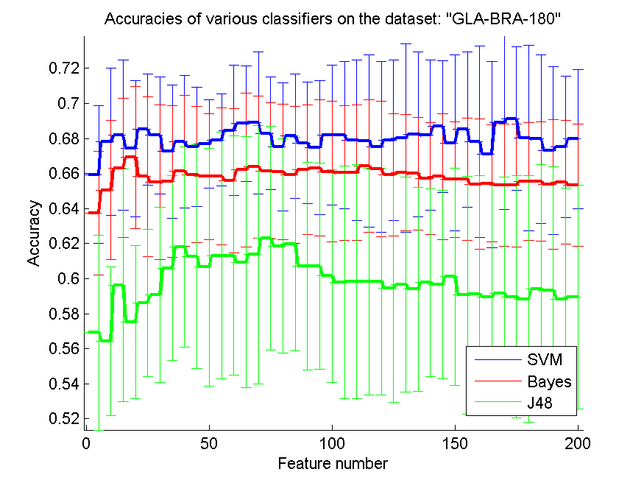
res_svm | res_svm_std | res_bayes | res_bayes_std | res_j48 | res_j48_std | res_red | res_red_std
0.65934065934 | 0.039218365548 | 0.63736263736 | 0.035294728288 | 0.56923076923 | 0.055531857852 | 0.5380387749 | 0.050563079515
0.67802197802 | 0.042049454876 | 0.65054945055 | 0.039797503187 | 0.56428571429 | 0.042526643075 | 0.60166112598 | 0.048667052402
0.68186813187 | 0.042705609224 | 0.66318681319 | 0.039745566455 | 0.59615384615 | 0.066306543803 | 0.610135047 | 0.051582894598
0.67417582418 | 0.038937809645 | 0.66923076923 | 0.040478393104 | 0.57527472527 | 0.043705910629 | 0.62004857704 | 0.045259729088
0.68516483516 | 0.03174423974 | 0.65824175824 | 0.045504814383 | 0.58626373626 | 0.042075897513 | 0.6192724355 | 0.046420503931
0.68186813187 | 0.033345618762 | 0.65494505495 | 0.044013842855 | 0.59065934066 | 0.050025575165 | 0.62075554212 | 0.042517084823
0.67252747253 | 0.0381670957 | 0.65549450549 | 0.043267452018 | 0.60604395604 | 0.052794826243 | 0.61725955418 | 0.041433925648
0.67802197802 | 0.03774849239 | 0.66153846154 | 0.043168185099 | 0.61813186813 | 0.057030966666 | 0.61776551436 | 0.041845626096
0.67527472527 | 0.034099500245 | 0.65934065934 | 0.038892896306 | 0.61263736264 | 0.063964708966 | 0.61196283596 | 0.038818372619
0.67692307692 | 0.025311161405 | 0.65824175824 | 0.035990169916 | 0.60659340659 | 0.067797084152 | 0.61008544379 | 0.038537823486
0.67912087912 | 0.026344692052 | 0.65824175824 | 0.03903969325 | 0.61318681319 | 0.070463291226 | 0.60848083557 | 0.038439612383
0.68461538462 | 0.037239957814 | 0.65604395604 | 0.041132568798 | 0.61318681319 | 0.068264204767 | 0.60869464195 | 0.038143127261
0.68846153846 | 0.033116107905 | 0.66208791209 | 0.043937966207 | 0.60934065934 | 0.071615185332 | 0.60411435464 | 0.040443544239
0.68901098901 | 0.040509783875 | 0.66373626374 | 0.040556824476 | 0.61373626374 | 0.073697125092 | 0.6001306367 | 0.040191718769
0.68296703297 | 0.032142177429 | 0.66153846154 | 0.038990822344 | 0.62307692308 | 0.063688380729 | 0.6006536328 | 0.039255292657
0.67527472527 | 0.036616056711 | 0.66098901099 | 0.038609975482 | 0.61868131868 | 0.061142658393 | 0.59695942982 | 0.036468700626
0.68131868132 | 0.035474346386 | 0.65934065934 | 0.039055969962 | 0.61978021978 | 0.060965689401 | 0.59395889764 | 0.037200231516
0.67747252747 | 0.034617450157 | 0.66208791209 | 0.037030298202 | 0.60714285714 | 0.059325127029 | 0.59269604681 | 0.0388765486
0.67472527473 | 0.038300082499 | 0.66318681319 | 0.038937809645 | 0.60714285714 | 0.058895034347 | 0.59093280545 | 0.039154272414
0.68186813187 | 0.039777535546 | 0.66098901099 | 0.040064109449 | 0.60164835165 | 0.060701886153 | 0.58995008669 | 0.037335879151
0.68186813187 | 0.04195488084 | 0.66043956044 | 0.038382965267 | 0.5978021978 | 0.066356847722 | 0.58916567485 | 0.037154245007
0.67912087912 | 0.045741638834 | 0.66043956044 | 0.038548196187 | 0.59835164835 | 0.066841167165 | 0.5881642335 | 0.037270362261
0.67857142857 | 0.049257382503 | 0.66428571429 | 0.037811578322 | 0.59835164835 | 0.06461717478 | 0.58725056587 | 0.03636861434
0.67527472527 | 0.048686338352 | 0.66263736264 | 0.038745543191 | 0.59835164835 | 0.06461717478 | 0.58583111189 | 0.036655024811
0.67912087912 | 0.045741638834 | 0.65934065934 | 0.034750303958 | 0.59450549451 | 0.065148589066 | 0.58441958799 | 0.036692259537
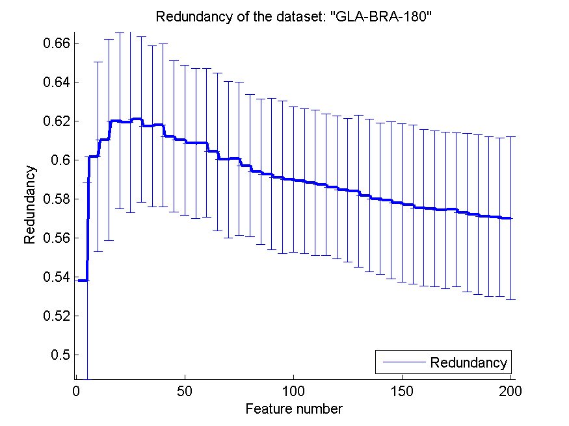
0.68021978022 | 0.053823132199 | 0.66043956044 | 0.03304405885 | 0.5967032967 | 0.061246518938 | 0.5838620324 | 0.038964431267
0.68241758242 | 0.047016099417 | 0.65989010989 | 0.031983596492 | 0.59395604396 | 0.058309377249 | 0.58170298793 | 0.039191456224
0.68186813187 | 0.042705609224 | 0.65714285714 | 0.032008426553 | 0.5978021978 | 0.053527105688 | 0.58007444743 | 0.038949791636
0.68681318681 | 0.037647335015 | 0.65824175824 | 0.035990169916 | 0.5967032967 | 0.05361015788 | 0.57921986521 | 0.040309918896
0.67747252747 | 0.050203128785 | 0.65659340659 | 0.032846318417 | 0.6010989011 | 0.061968668923 | 0.57785537429 | 0.04066253307
0.68516483516 | 0.044427059961 | 0.65659340659 | 0.03490997144 | 0.59065934066 | 0.067822859394 | 0.57706142057 | 0.040886149037
0.67802197802 | 0.054550346292 | 0.65384615385 | 0.037137415284 | 0.59120879121 | 0.067421057491 | 0.57540003369 | 0.040215990603
0.67087912088 | 0.053178662817 | 0.6543956044 | 0.033345618762 | 0.58956043956 | 0.064301654532 | 0.57499404323 | 0.039956936195
0.68901098901 | 0.049415192038 | 0.6532967033 | 0.034837071394 | 0.59175824176 | 0.066344874058 | 0.57409845955 | 0.040211985032
0.69120879121 | 0.040946727928 | 0.6532967033 | 0.035019036964 | 0.58956043956 | 0.069067163722 | 0.57447088959 | 0.039410406825
0.68021978022 | 0.052870013307 | 0.65549450549 | 0.033686953298 | 0.58846153846 | 0.070180853976 | 0.57292014633 | 0.040579859428
0.67967032967 | 0.048002710631 | 0.65549450549 | 0.033875097477 | 0.59395604396 | 0.071259309173 | 0.57201432521 | 0.040985455626
0.67307692308 | 0.047949720179 | 0.65384615385 | 0.036965878962 | 0.59340659341 | 0.070318825075 | 0.57099700582 | 0.040956273283
0.67527472527 | 0.040411606754 | 0.65494505495 | 0.035366684995 | 0.58846153846 | 0.063425881134 | 0.57058885466 | 0.04062822679
0.67967032967 | 0.039745566455 | 0.6532967033 | 0.034837071394 | 0.58956043956 | 0.063905063565 | 0.56999218339 | 0.041774068289

CLL-SUB-111
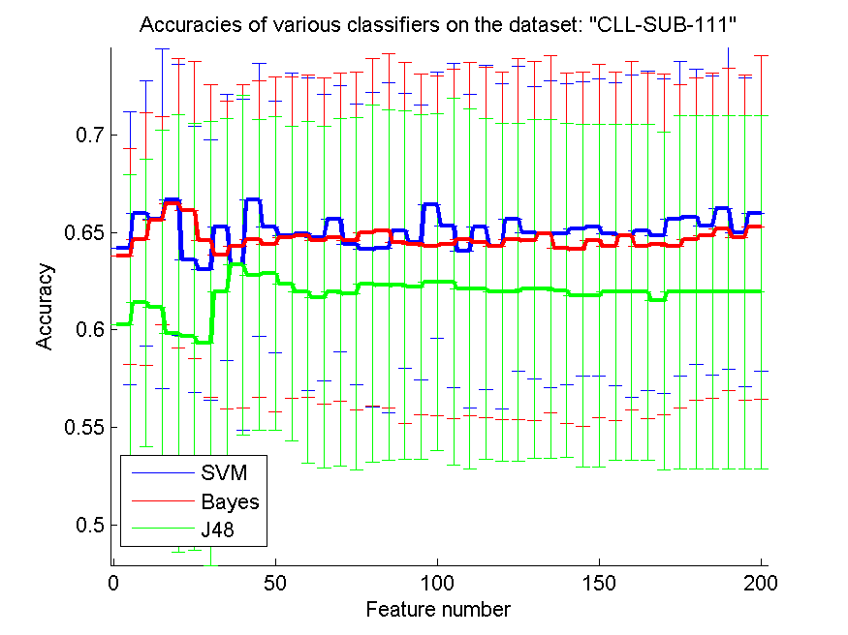
res_svm | res_svm_std | res_bayes | res_bayes_std | res_j48 | res_j48_std | res_red | res_red_std
0.64210526316 | 0.070036797489 | 0.63771929825 | 0.055266455514 | 0.60263157895 | 0.077057507242 | 0.26313355853 | 0.05130894446
0.65964912281 | 0.067923230986 | 0.64649122807 | 0.064967160051 | 0.61403508772 | 0.073776488847 | 0.2846364304 | 0.042305794484
0.65701754386 | 0.087158874594 | 0.65614035088 | 0.0535167183 | 0.61140350877 | 0.090942624673 | 0.28992094263 | 0.036582165814
0.66666666667 | 0.069479466635 | 0.6649122807 | 0.074410525745 | 0.59824561404 | 0.11224895673 | 0.28706027451 | 0.028229775598
0.63596491228 | 0.068274104102 | 0.66140350877 | 0.07617476702 | 0.59649122807 | 0.10963527152 | 0.28921380393 | 0.033808299847
0.63070175439 | 0.066980599235 | 0.64561403509 | 0.080416211689 | 0.59298245614 | 0.11378265974 | 0.29082603106 | 0.03312302218
0.65263157895 | 0.068445907837 | 0.63859649123 | 0.078952498038 | 0.61929824561 | 0.089111755082 | 0.29193236553 | 0.031075090413
0.63333333333 | 0.084789484097 | 0.64298245614 | 0.082930210255 | 0.63333333333 | 0.087237829177 | 0.2998251694 | 0.035327503174
0.66666666667 | 0.070175438596 | 0.64649122807 | 0.081153139667 | 0.62807017544 | 0.079809593434 | 0.30933905151 | 0.037380879616
0.65263157895 | 0.064548153926 | 0.64385964912 | 0.085965854481 | 0.62894736842 | 0.080350715907 | 0.31944060869 | 0.036836956684
0.64824561404 | 0.083552949665 | 0.64736842105 | 0.08266118589 | 0.62368421053 | 0.080592281926 | 0.32631179891 | 0.039213775152
0.64912280702 | 0.080295254672 | 0.64824561404 | 0.082773793357 | 0.61929824561 | 0.087830031677 | 0.3350010284 | 0.039907071305
0.64736842105 | 0.073534562014 | 0.64561403509 | 0.083577181257 | 0.61666666667 | 0.087677737153 | 0.34175528318 | 0.039832053779
0.65701754386 | 0.068179130515 | 0.64736842105 | 0.084214373566 | 0.61929824561 | 0.089111755082 | 0.35081921181 | 0.040228161594
0.64385964912 | 0.0722455517 | 0.64561403509 | 0.086809688308 | 0.61842105263 | 0.090514110854 | 0.35828879883 | 0.043149699446
0.64122807018 | 0.080592281926 | 0.65 | 0.088998065981 | 0.62368421053 | 0.091510855133 | 0.36423636783 | 0.044783098189
0.64210526316 | 0.084693903541 | 0.65087719298 | 0.090875802583 | 0.62280701754 | 0.089908057915 | 0.36976548267 | 0.044289269276
0.65087719298 | 0.070612672974 | 0.64473684211 | 0.092636860142 | 0.62280701754 | 0.089365893828 | 0.37503405724 | 0.045001477107
0.64473684211 | 0.070606937468 | 0.64385964912 | 0.087274959559 | 0.62192982456 | 0.088266988264 | 0.38224456936 | 0.044618747455
0.66403508772 | 0.068131594075 | 0.64298245614 | 0.087121694738 | 0.62456140351 | 0.086585470056 | 0.3857493356 | 0.045352386287
0.65350877193 | 0.083047329593 | 0.64385964912 | 0.089655456009 | 0.62456140351 | 0.094115812707 | 0.38839589278 | 0.043286333313
0.64035087719 | 0.080597306853 | 0.64649122807 | 0.090585670593 | 0.62105263158 | 0.092378568259 | 0.39027855907 | 0.044493595005
0.65263157895 | 0.083188628798 | 0.64473684211 | 0.089795377011 | 0.62105263158 | 0.087330625532 | 0.392598452 | 0.04352288797
0.64298245614 | 0.083514164495 | 0.64298245614 | 0.089143562048 | 0.61929824561 | 0.086716334492 | 0.39638183074 | 0.044253349121
0.65701754386 | 0.078350053896 | 0.64649122807 | 0.092531879249 | 0.61929824561 | 0.086716334492 | 0.39838688275 | 0.044797145797
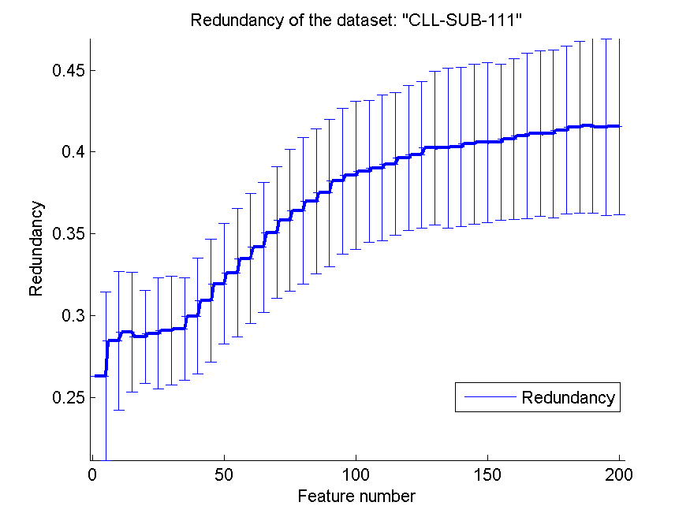
0.65 | 0.074969012406 | 0.64561403509 | 0.092062382843 | 0.62105263158 | 0.086958845958 | 0.40245187868 | 0.047071180472
0.64912280702 | 0.078664724372 | 0.64912280702 | 0.091780414698 | 0.62105263158 | 0.086958845958 | 0.40240692951 | 0.048635286233
0.64912280702 | 0.077209769013 | 0.64210526316 | 0.089890038462 | 0.6201754386 | 0.085810251512 | 0.40312101983 | 0.048501025061
0.65175438596 | 0.075356952965 | 0.64122807018 | 0.090800011432 | 0.61754385965 | 0.087922203002 | 0.40491462364 | 0.048840073602
0.65263157895 | 0.076281022849 | 0.64561403509 | 0.090822309513 | 0.61754385965 | 0.087922203002 | 0.40592899183 | 0.048824884911
0.64912280702 | 0.077836651582 | 0.64298245614 | 0.089325098865 | 0.61929824561 | 0.085965854481 | 0.40610818516 | 0.047725713836
0.64824561404 | 0.082773793357 | 0.64824561404 | 0.089361361974 | 0.61929824561 | 0.085965854481 | 0.40798080869 | 0.048925389395
0.65087719298 | 0.082071162746 | 0.64298245614 | 0.088779374795 | 0.61929824561 | 0.085965854481 | 0.40979730909 | 0.050668046394
0.64824561404 | 0.080793035213 | 0.64385964912 | 0.087274959559 | 0.6149122807 | 0.086599500704 | 0.41129433347 | 0.050389687088
0.65701754386 | 0.080793035213 | 0.64298245614 | 0.082930210255 | 0.61929824561 | 0.090554370165 | 0.41108786196 | 0.05127440519
0.65789473684 | 0.075833747883 | 0.64649122807 | 0.082734642926 | 0.61929824561 | 0.090554370165 | 0.41341335794 | 0.051268946872
0.65350877193 | 0.076551307655 | 0.64824561404 | 0.083358843352 | 0.61929824561 | 0.090554370165 | 0.415241275 | 0.052370194358
0.66228070175 | 0.082656286434 | 0.65175438596 | 0.082734642926 | 0.61929824561 | 0.090554370165 | 0.41598459219 | 0.053290589379
0.65 | 0.079377100662 | 0.64736842105 | 0.083441393708 | 0.61929824561 | 0.090554370165 | 0.41512352207 | 0.053788564617
0.65964912281 | 0.080978288906 | 0.65263157895 | 0.088106256381 | 0.61929824561 | 0.090554370165 | 0.41555740085 | 0.05370592923

BASEHOCK
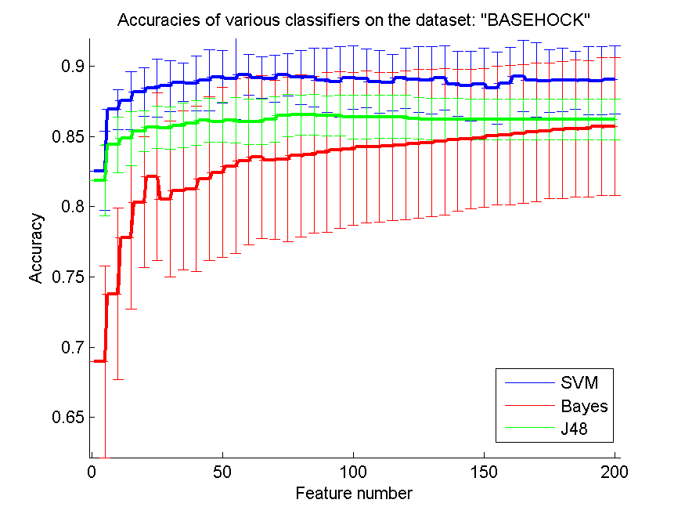
res_svm | res_svm_std | res_bayes | res_bayes_std | res_j48 | res_j48_std | res_red | res_red_std
0.8255716676 | 0.028155493929 | 0.6895147797 | 0.068222386857 | 0.81868377022 | 0.024973617689 | 0.20468113793 | 0.050891998701
0.86932515337 | 0.014238914706 | 0.73792526492 | 0.061293868719 | 0.84417177914 | 0.020029425427 | 0.16794186171 | 0.034430165119
0.87571109872 | 0.020683173995 | 0.77819297267 | 0.050974887355 | 0.84866146124 | 0.019068764996 | 0.14954623589 | 0.024009294606
0.88181818182 | 0.017110898383 | 0.80326268823 | 0.046738606055 | 0.85404350251 | 0.014459116584 | 0.14193513564 | 0.022213296246
0.88463469046 | 0.020698998587 | 0.82138873397 | 0.059615689145 | 0.85658114891 | 0.014939341659 | 0.13730102862 | 0.021206115683
0.88611266035 | 0.018012996726 | 0.80557724484 | 0.055689726424 | 0.85602342443 | 0.015250610243 | 0.13627724987 | 0.020557721444
0.88876185165 | 0.013524674995 | 0.81157278305 | 0.056583550776 | 0.85800334635 | 0.015712854905 | 0.13150843812 | 0.017771500381
0.88789737869 | 0.019721858975 | 0.81277189069 | 0.058754654479 | 0.85973229225 | 0.015728579896 | 0.12742329249 | 0.018985236841
0.89001673173 | 0.021774650168 | 0.81991076408 | 0.058390962414 | 0.8615170106 | 0.01559225976 | 0.12194421688 | 0.017379636325
0.89263803681 | 0.018586363592 | 0.8244283324 | 0.060464720848 | 0.86031790296 | 0.014405092035 | 0.11681249365 | 0.018777231561
0.89110429448 | 0.028962060666 | 0.82900167317 | 0.062109629537 | 0.86179587284 | 0.016081737475 | 0.11303117315 | 0.017936116752
0.89425543781 | 0.014496771628 | 0.8324874512 | 0.059804435754 | 0.86073619632 | 0.016091405682 | 0.11006242487 | 0.017583922551
0.89210819855 | 0.014881367859 | 0.8352481874 | 0.058066084646 | 0.86068042387 | 0.016057286602 | 0.10563050958 | 0.015633073969
0.89118795315 | 0.016738484563 | 0.83332403793 | 0.056714177804 | 0.86210262131 | 0.016222901519 | 0.10266335715 | 0.016294487373
0.89428332404 | 0.015013893171 | 0.83385387619 | 0.058722267579 | 0.8650864473 | 0.014914801676 | 0.099408185609 | 0.016480860571
0.89241494702 | 0.019259800288 | 0.83630786392 | 0.057701258638 | 0.86542108199 | 0.01443078246 | 0.096819357012 | 0.015801530687
0.892163971 | 0.020905977588 | 0.83706079197 | 0.055901829852 | 0.86561628555 | 0.014507016528 | 0.093662601373 | 0.014702257452
0.8902119353 | 0.02299718918 | 0.83898494144 | 0.056899724052 | 0.8648633575 | 0.014163982843 | 0.092187786453 | 0.014277890086
0.88929168991 | 0.025100210886 | 0.84040713887 | 0.056015051945 | 0.86505856107 | 0.014563333016 | 0.09043827246 | 0.014927989193
0.89210819855 | 0.02264726854 | 0.84121583938 | 0.054565296348 | 0.86411042945 | 0.015746030802 | 0.089479641787 | 0.014706732036
0.89143892917 | 0.020882471475 | 0.84266592303 | 0.053978820047 | 0.86411042945 | 0.015746030802 | 0.087308154671 | 0.013771540063
0.88915225878 | 0.022307419883 | 0.84266592303 | 0.053326744229 | 0.864054657 | 0.015431600425 | 0.086189928049 | 0.013630275448
0.88862242052 | 0.020255136596 | 0.84316787507 | 0.052865072171 | 0.864054657 | 0.015431600425 | 0.084401876402 | 0.013327809362
0.89160624651 | 0.021512687878 | 0.84394868935 | 0.053073696363 | 0.864054657 | 0.015431600425 | 0.083165140233 | 0.012606206898
0.89060234244 | 0.023577182193 | 0.84511991076 | 0.053133659014 | 0.8630228667 | 0.014991987075 | 0.081624934641 | 0.011526633748
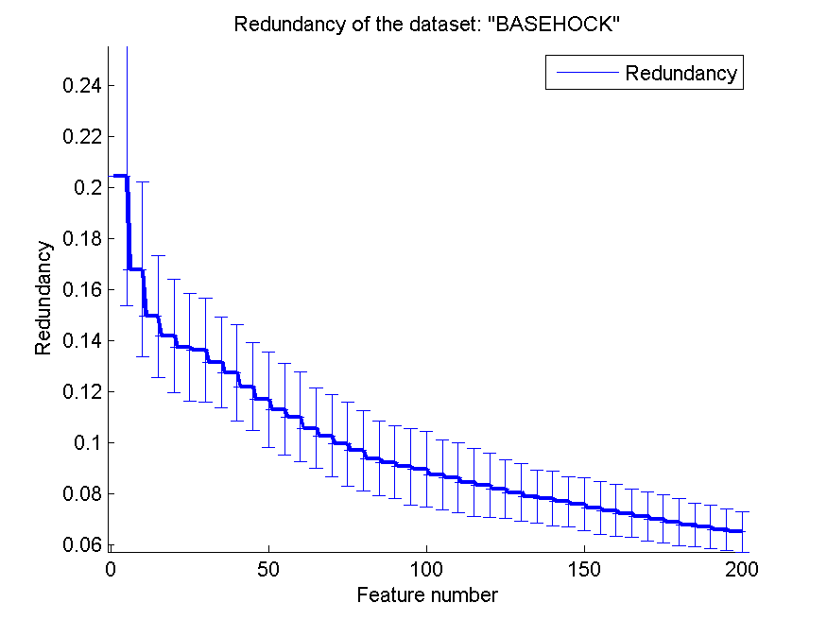
0.89037925265 | 0.024099944804 | 0.84559397658 | 0.052354314811 | 0.86238148355 | 0.014823388212 | 0.080376000749 | 0.011273960758
0.89185722253 | 0.022816819367 | 0.84637479085 | 0.052160454702 | 0.86238148355 | 0.014823388212 | 0.078647894007 | 0.010355165718
0.8876742889 | 0.023073324048 | 0.84762967094 | 0.050454998379 | 0.86238148355 | 0.014823388212 | 0.078071837093 | 0.01071973349
0.88614054657 | 0.024983039411 | 0.84818739543 | 0.049742613094 | 0.86226993865 | 0.014757639234 | 0.076754875314 | 0.0099264945623
0.88764640268 | 0.025368785686 | 0.8489682097 | 0.049418358206 | 0.86226993865 | 0.014757639234 | 0.075672043951 | 0.010364252571
0.88466257669 | 0.025553406106 | 0.85066926938 | 0.049391608248 | 0.86226993865 | 0.014757639234 | 0.074212089127 | 0.010305991454
0.88800892359 | 0.025875556428 | 0.85114333519 | 0.0498666363 | 0.86226993865 | 0.014757639234 | 0.073362626425 | 0.010063428536
0.89325153374 | 0.025252309349 | 0.85203569437 | 0.049580255429 | 0.86226993865 | 0.014757639234 | 0.072221092338 | 0.0095960443735
0.8904350251 | 0.026590051403 | 0.85306748466 | 0.049377220738 | 0.86226993865 | 0.014757639234 | 0.071078348129 | 0.009630111592
0.88957055215 | 0.022547670742 | 0.85401561629 | 0.048293874303 | 0.86226993865 | 0.014757639234 | 0.0699051371 | 0.0094821196971
0.89040713887 | 0.022423532471 | 0.85474065811 | 0.048614045013 | 0.86226993865 | 0.014757639234 | 0.068710285009 | 0.009192153108
0.89037925265 | 0.020652439707 | 0.85560513107 | 0.048861416159 | 0.86226993865 | 0.014757639234 | 0.067613644225 | 0.0086998288993
0.89007250418 | 0.02419514925 | 0.85554935862 | 0.04871178476 | 0.86226993865 | 0.014757639234 | 0.066766691234 | 0.008520638644
0.88984941439 | 0.024491462286 | 0.85711098717 | 0.049272046365 | 0.86226993865 | 0.014757639234 | 0.065752743772 | 0.0082829275269
0.89068600112 | 0.024243210603 | 0.85711098717 | 0.049285003015 | 0.86226993865 | 0.014757639234 | 0.064966878504 | 0.0079318097239

