warpAR10P
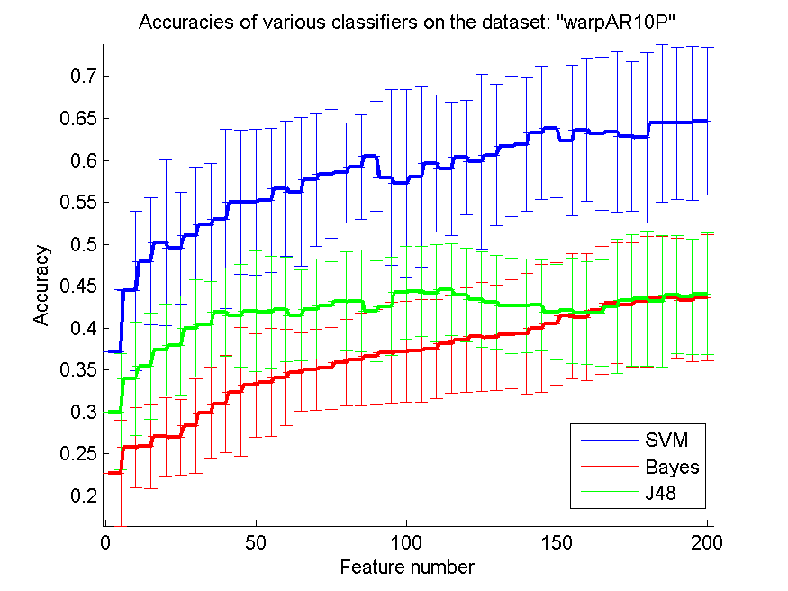
res_svm | res_svm_std | res_bayes | res_bayes_std | res_j48 | res_j48_std | res_red | res_red_std
0.37142857143 | 0.073868114832 | 0.22642857143 | 0.062917776634 | 0.3 | 0.068902708538 | 0.42260520774 | 0.11606056511
0.44428571429 | 0.0950888555 | 0.25714285714 | 0.047943755089 | 0.33928571429 | 0.067465231528 | 0.46608924127 | 0.11981178948
0.47928571429 | 0.075802190424 | 0.25857142857 | 0.050112655043 | 0.35428571429 | 0.063482873186 | 0.47201658103 | 0.12231724292
0.50142857143 | 0.099071955753 | 0.27 | 0.046557080681 | 0.37357142857 | 0.055090005449 | 0.44588544258 | 0.09157330463
0.495 | 0.066567685202 | 0.26928571429 | 0.045240733336 | 0.37928571429 | 0.058896949821 | 0.4120902608 | 0.059713507878
0.51 | 0.082404780189 | 0.28285714286 | 0.055926912563 | 0.39928571429 | 0.058162888423 | 0.39434170556 | 0.04432890785
0.52285714286 | 0.073342771908 | 0.29857142857 | 0.054230284325 | 0.40428571429 | 0.051632844109 | 0.38227116586 | 0.041482599138
0.53 | 0.10699488529 | 0.30928571429 | 0.05849435604 | 0.41857142857 | 0.052866286549 | 0.3735060592 | 0.040765929601
0.55 | 0.086400759833 | 0.32357142857 | 0.076479324024 | 0.41428571429 | 0.061313933948 | 0.3703445591 | 0.040698548869
0.55 | 0.087020128047 | 0.33142857143 | 0.061941381111 | 0.42 | 0.07171371656 | 0.36583544836 | 0.043003667069
0.55214285714 | 0.085873911515 | 0.335 | 0.064302420553 | 0.41857142857 | 0.067341730749 | 0.36144182113 | 0.042853853659
0.56642857143 | 0.080848746874 | 0.34071428571 | 0.05775517795 | 0.42214285714 | 0.062609731813 | 0.360040282 | 0.044740042928
0.56214285714 | 0.08858294856 | 0.34714285714 | 0.047061903608 | 0.415 | 0.054541345091 | 0.35853073568 | 0.045310208709
0.57714285714 | 0.079795657393 | 0.35 | 0.04827863987 | 0.42214285714 | 0.059621974193 | 0.36034360683 | 0.047077269123
0.58357142857 | 0.077039055756 | 0.35214285714 | 0.04889213011 | 0.42642857143 | 0.052901830327 | 0.35927424384 | 0.048377791057
0.585 | 0.059441547166 | 0.35857142857 | 0.05138260268 | 0.43142857143 | 0.058919741877 | 0.35812693516 | 0.0490810822
0.59214285714 | 0.062437939112 | 0.36214285714 | 0.055478583747 | 0.43214285714 | 0.061116535688 | 0.35846367124 | 0.050869995677
0.605 | 0.06526406742 | 0.36571428571 | 0.056080347454 | 0.42 | 0.060146616424 | 0.35732751077 | 0.050461443514
0.57928571429 | 0.10502672158 | 0.37 | 0.060235841538 | 0.42571428571 | 0.058370276267 | 0.35479037962 | 0.05011808058
0.57214285714 | 0.11195700801 | 0.37142857143 | 0.059896078997 | 0.44214285714 | 0.055517291991 | 0.35330912247 | 0.050890597322
0.58 | 0.1073456727 | 0.37285714286 | 0.061120929242 | 0.44357142857 | 0.053747829872 | 0.35332044778 | 0.05160124548
0.59642857143 | 0.081852215469 | 0.375 | 0.058969853392 | 0.44142857143 | 0.057685394391 | 0.35317018912 | 0.0526064494
0.59 | 0.079755264752 | 0.38071428571 | 0.05849435604 | 0.44571428571 | 0.055347743563 | 0.35251735195 | 0.052817030438
0.60357142857 | 0.068413822637 | 0.38571428571 | 0.062356171779 | 0.43928571429 | 0.055594627626 | 0.35170165806 | 0.052520126439
0.59857142857 | 0.10424914386 | 0.38928571429 | 0.064702076891 | 0.43428571429 | 0.056841309618 | 0.35174197107 | 0.054100009876
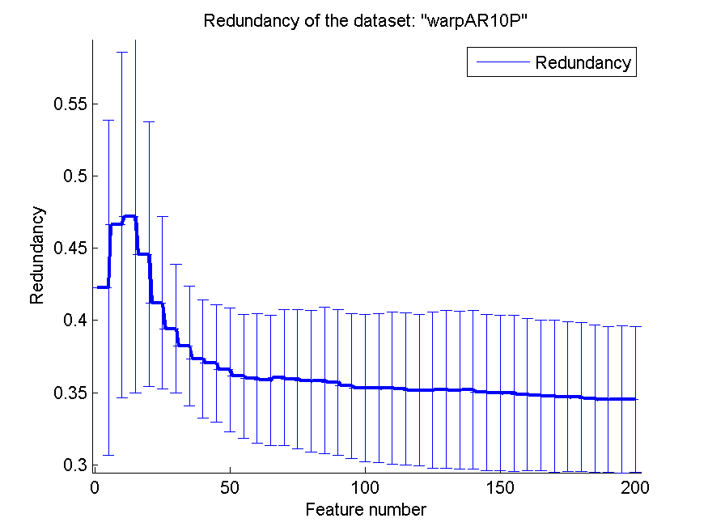
0.60642857143 | 0.084766058303 | 0.38857142857 | 0.062802436891 | 0.43071428571 | 0.056056400936 | 0.35233160972 | 0.054470761791
0.61642857143 | 0.083592150891 | 0.39214285714 | 0.064967148602 | 0.42642857143 | 0.056628322572 | 0.35168642523 | 0.054631505113
0.61857142857 | 0.079755264752 | 0.39285714286 | 0.071878283561 | 0.42642857143 | 0.055478583747 | 0.35205932904 | 0.055063285333
0.63285714286 | 0.080024163912 | 0.39928571429 | 0.076226103825 | 0.42714285714 | 0.054230284325 | 0.35015865557 | 0.054208068417
0.63785714286 | 0.082947189856 | 0.405 | 0.072883674957 | 0.41857142857 | 0.057161651045 | 0.3498520181 | 0.053775015077
0.62357142857 | 0.089547735831 | 0.41428571429 | 0.07473548054 | 0.42071428571 | 0.063122304688 | 0.34974233368 | 0.05398686206
0.63642857143 | 0.085648470973 | 0.41285714286 | 0.0760038441 | 0.41785714286 | 0.06094053378 | 0.34864531814 | 0.052792037128
0.63142857143 | 0.091602278594 | 0.42071428571 | 0.076226103825 | 0.41785714286 | 0.063190333596 | 0.34813033164 | 0.052284342352
0.63357142857 | 0.095469330812 | 0.42928571429 | 0.072023835415 | 0.42571428571 | 0.080359022534 | 0.34783539178 | 0.052649243135
0.62857142857 | 0.089394670362 | 0.42785714286 | 0.074227131325 | 0.43285714286 | 0.078533825588 | 0.34704537328 | 0.051808385529
0.62714285714 | 0.10153494369 | 0.43142857143 | 0.077777948272 | 0.435 | 0.080875313456 | 0.34699938757 | 0.051434593257
0.64428571429 | 0.094408668975 | 0.43571428571 | 0.072916826505 | 0.43142857143 | 0.078602181268 | 0.34596761417 | 0.05088887981
0.64428571429 | 0.090576385624 | 0.43571428571 | 0.071278036864 | 0.43928571429 | 0.070425284738 | 0.34512945414 | 0.050392307642
0.64428571429 | 0.091988417521 | 0.43285714286 | 0.073152137569 | 0.43714285714 | 0.068496199335 | 0.34554531666 | 0.050895088611
0.64714285714 | 0.088318824849 | 0.43642857143 | 0.075375892974 | 0.44071428571 | 0.072736151933 | 0.34550946712 | 0.050409361391

TOX-171
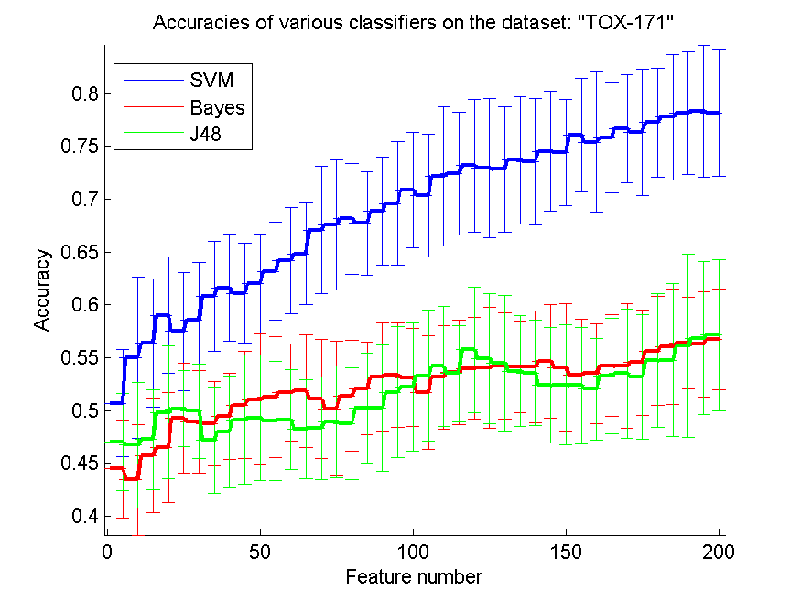
res_svm | res_svm_std | res_bayes | res_bayes_std | res_j48 | res_j48_std | res_red | res_red_std
0.50689655172 | 0.050434276778 | 0.44482758621 | 0.046293526374 | 0.47011494253 | 0.045658302506 | 0.14008665642 | 0.014440908831
0.55 | 0.076542349398 | 0.43448275862 | 0.052289043974 | 0.46724137931 | 0.059699688603 | 0.12490109363 | 0.013939648499
0.56379310345 | 0.060761817993 | 0.45747126437 | 0.054118796253 | 0.4724137931 | 0.047008987075 | 0.13803542447 | 0.016603430539
0.59022988506 | 0.054716176738 | 0.46494252874 | 0.052139223095 | 0.49827586207 | 0.062654916101 | 0.15234757714 | 0.015624663012
0.57471264368 | 0.056062590868 | 0.49252873563 | 0.051844988885 | 0.50172413793 | 0.03582291905 | 0.16305598514 | 0.015273520146
0.58563218391 | 0.054231105992 | 0.48965517241 | 0.048537303767 | 0.49942528736 | 0.044824483737 | 0.16553033 | 0.012938803264
0.60804597701 | 0.052328923764 | 0.48793103448 | 0.03990012634 | 0.47183908046 | 0.050237422274 | 0.16667450248 | 0.011058242552
0.61609195402 | 0.050914548718 | 0.49425287356 | 0.040681075447 | 0.47988505747 | 0.053116959964 | 0.16449244873 | 0.0095361131786
0.61091954023 | 0.047358994163 | 0.50517241379 | 0.050788061243 | 0.49137931034 | 0.061263283871 | 0.16429454087 | 0.0088013663106
0.62011494253 | 0.046797726317 | 0.51034482759 | 0.061999468162 | 0.49310344828 | 0.059305279824 | 0.1632067985 | 0.0068403962538
0.6316091954 | 0.046199552167 | 0.51264367816 | 0.056850855787 | 0.49022988506 | 0.056220509611 | 0.16328492754 | 0.0068365813909
0.64195402299 | 0.050348031842 | 0.51724137931 | 0.046128003728 | 0.49137931034 | 0.0475933373 | 0.16291140819 | 0.0073489723835
0.64827586207 | 0.048249928217 | 0.5183908046 | 0.053511499142 | 0.48218390805 | 0.046648901878 | 0.16330467155 | 0.0080426402538
0.67068965517 | 0.060163788007 | 0.51091954023 | 0.056121475278 | 0.48333333333 | 0.048404604643 | 0.1635028747 | 0.0085614404535
0.67586206897 | 0.061345518407 | 0.50172413793 | 0.063864051498 | 0.48908045977 | 0.052669983416 | 0.16532536273 | 0.0088089915589
0.6816091954 | 0.052488139924 | 0.51379310345 | 0.052355493415 | 0.48735632184 | 0.052791962072 | 0.16638333196 | 0.0093586346147
0.67701149425 | 0.049036158638 | 0.52068965517 | 0.043665423048 | 0.50229885057 | 0.051955521984 | 0.16826643284 | 0.010500656697
0.68850574713 | 0.050982789667 | 0.5316091954 | 0.051386949605 | 0.50229885057 | 0.059562672266 | 0.17050008329 | 0.01064795254
0.69597701149 | 0.058428209673 | 0.53333333333 | 0.049389398752 | 0.51724137931 | 0.06217865775 | 0.17297938698 | 0.011203259705
0.70862068966 | 0.054333586029 | 0.53103448276 | 0.046368568613 | 0.5224137931 | 0.060647270209 | 0.17387002146 | 0.0098791637335
0.70344827586 | 0.057724788664 | 0.51724137931 | 0.053654248636 | 0.53275862069 | 0.06198544716 | 0.17506460895 | 0.010004396102
0.72183908046 | 0.065934608463 | 0.5316091954 | 0.049032613386 | 0.54195402299 | 0.056957778688 | 0.17879635941 | 0.010979168857
0.72413793103 | 0.057772952868 | 0.53620689655 | 0.049230754354 | 0.53505747126 | 0.045440762651 | 0.17930835545 | 0.0091116028146
0.7316091954 | 0.062543835585 | 0.53965517241 | 0.048116436553 | 0.55747126437 | 0.059258361083 | 0.17985800958 | 0.0093047311135
0.72931034483 | 0.066026822901 | 0.5408045977 | 0.057225730799 | 0.54885057471 | 0.061489870993 | 0.1815574976 | 0.010053503997
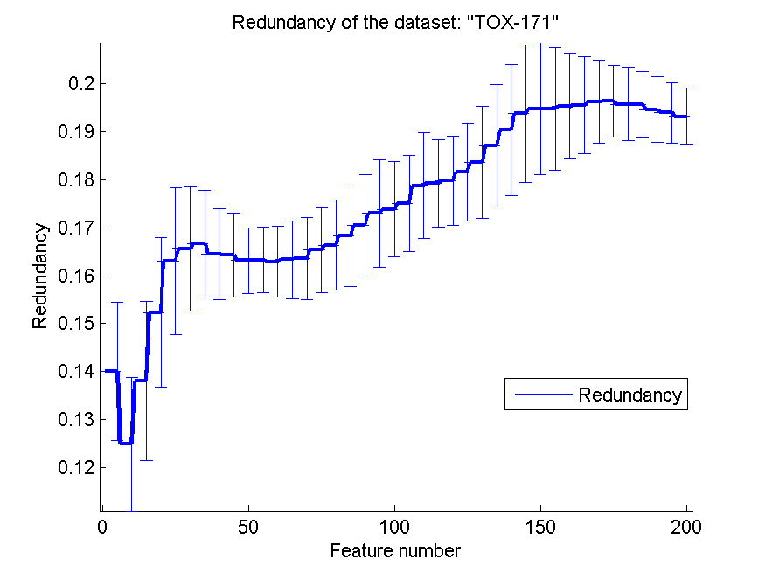
0.72816091954 | 0.059583098923 | 0.54195402299 | 0.050348031842 | 0.54482758621 | 0.0642034025 | 0.18362260589 | 0.011714506478
0.7367816092 | 0.060004658712 | 0.54137931034 | 0.043152825116 | 0.53735632184 | 0.052854490366 | 0.18710108776 | 0.012817406061
0.73563218391 | 0.059667649152 | 0.54137931034 | 0.052726062705 | 0.53563218391 | 0.050088406035 | 0.19039366346 | 0.013612965899
0.74540229885 | 0.056590344821 | 0.54655172414 | 0.053456243836 | 0.52356321839 | 0.05461441461 | 0.19376609034 | 0.014321588436
0.74425287356 | 0.050430829813 | 0.5408045977 | 0.060071254971 | 0.52413793103 | 0.056605702184 | 0.19477815676 | 0.013751088827
0.76034482759 | 0.053819234505 | 0.53333333333 | 0.053316224805 | 0.52356321839 | 0.054868466055 | 0.19478928183 | 0.01271457942
0.75402298851 | 0.066124166905 | 0.53505747126 | 0.04724138667 | 0.52011494253 | 0.048174208072 | 0.19525988574 | 0.010953911652
0.75804597701 | 0.052272418415 | 0.54252873563 | 0.047844702688 | 0.53275862069 | 0.054843113869 | 0.19550432017 | 0.010108521123
0.76666666667 | 0.050736692704 | 0.54195402299 | 0.058760494239 | 0.53505747126 | 0.061217865806 | 0.19625810004 | 0.0085842729706
0.7632183908 | 0.06006257269 | 0.54540229885 | 0.049680680639 | 0.5316091954 | 0.058713140151 | 0.19636362823 | 0.0075179641041
0.7724137931 | 0.051619845115 | 0.55632183908 | 0.051592896616 | 0.54712643678 | 0.063221140566 | 0.19576009318 | 0.0074898644515
0.7775862069 | 0.059231952958 | 0.56034482759 | 0.054410319389 | 0.54770114943 | 0.072530849608 | 0.19567632576 | 0.0069669827136
0.7816091954 | 0.058252404681 | 0.56379310345 | 0.043725099751 | 0.56091954023 | 0.086627327271 | 0.19463851072 | 0.0068379549215
0.78333333333 | 0.062654916101 | 0.56264367816 | 0.0500988169 | 0.5683908046 | 0.07245411259 | 0.19396243512 | 0.0063462189257
0.7816091954 | 0.059784073944 | 0.56724137931 | 0.047651743013 | 0.57126436782 | 0.071451464876 | 0.19320921961 | 0.0060047216887

SMK-CAN-187
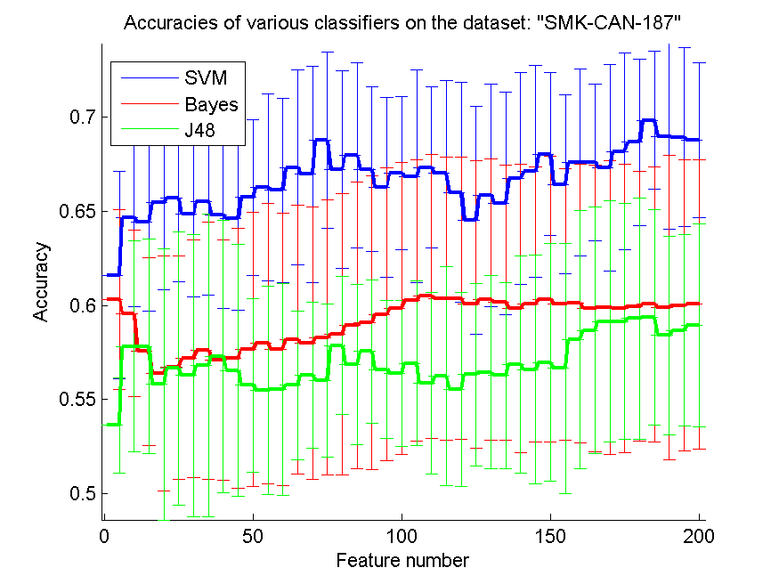
res_svm | res_svm_std | res_bayes | res_bayes_std | res_j48 | res_j48_std | res_red | res_red_std
0.61595744681 | 0.055105539864 | 0.60319148936 | 0.047838111441 | 0.53617021277 | 0.025457150707 | 0.28086470683 | 0.073127110233
0.64680851064 | 0.047525808119 | 0.59574468085 | 0.04406605234 | 0.57819148936 | 0.056003498054 | 0.38603702305 | 0.061607227452
0.64414893617 | 0.047132519043 | 0.57553191489 | 0.050005360557 | 0.57819148936 | 0.05705717895 | 0.4342996028 | 0.069416327267
0.65478723404 | 0.046496337637 | 0.56382978723 | 0.062414316669 | 0.5579787234 | 0.072026441315 | 0.45466401875 | 0.066467052935
0.65691489362 | 0.044452972994 | 0.5670212766 | 0.059392218432 | 0.5664893617 | 0.072799658869 | 0.46720686029 | 0.066608049023
0.64840425532 | 0.043723411067 | 0.57180851064 | 0.06316139408 | 0.56276595745 | 0.075057656553 | 0.46142275542 | 0.075031623777
0.65531914894 | 0.050064883683 | 0.57606382979 | 0.068447645499 | 0.56808510638 | 0.080606100289 | 0.45015252737 | 0.086146004769
0.64787234043 | 0.049646723173 | 0.57074468085 | 0.063948657511 | 0.57287234043 | 0.072340013832 | 0.44908043032 | 0.091590704772
0.64627659574 | 0.048918517679 | 0.57180851064 | 0.069019605129 | 0.56542553191 | 0.067129616127 | 0.43904446076 | 0.091146259868
0.65744680851 | 0.041504433476 | 0.57659574468 | 0.072777154794 | 0.55744680851 | 0.046358418351 | 0.43301227513 | 0.089573006859
0.66276595745 | 0.049550648147 | 0.57978723404 | 0.074468085106 | 0.55478723404 | 0.055576432453 | 0.42395471587 | 0.087619275139
0.66117021277 | 0.049088690698 | 0.57659574468 | 0.072531202232 | 0.55531914894 | 0.056144247282 | 0.42013685014 | 0.081898460188
0.67340425532 | 0.051784297765 | 0.58191489362 | 0.071580555604 | 0.55744680851 | 0.039714978914 | 0.4165436612 | 0.079765457655
0.66968085106 | 0.057597475682 | 0.57978723404 | 0.072358538013 | 0.56276595745 | 0.038881333808 | 0.41343272023 | 0.076754697636
0.68776595745 | 0.046980621178 | 0.5829787234 | 0.073022278946 | 0.56010638298 | 0.040879020622 | 0.40715516822 | 0.077590313637
0.67234042553 | 0.052526640041 | 0.58457446809 | 0.07470566804 | 0.57872340426 | 0.036755037572 | 0.40276532962 | 0.076342146133
0.67978723404 | 0.049164470623 | 0.58936170213 | 0.076277802237 | 0.56861702128 | 0.042759159984 | 0.3994553723 | 0.075925749134
0.67234042553 | 0.043876403525 | 0.59095744681 | 0.078135192385 | 0.57553191489 | 0.038107652526 | 0.3963860829 | 0.076921161237
0.66276595745 | 0.047588432745 | 0.59521276596 | 0.07798257699 | 0.56595744681 | 0.036787435143 | 0.39228701402 | 0.077666767724
0.67021276596 | 0.040692815925 | 0.59840425532 | 0.077630422975 | 0.56382978723 | 0.03858916224 | 0.38775220671 | 0.078948609228
0.66861702128 | 0.056427331538 | 0.60265957447 | 0.074849049526 | 0.56914893617 | 0.043726816715 | 0.38354392596 | 0.077730703659
0.67340425532 | 0.042846136112 | 0.60478723404 | 0.075561875988 | 0.5585106383 | 0.0483828694 | 0.38284912685 | 0.078293317821
0.67021276596 | 0.049538625668 | 0.60372340426 | 0.075293379159 | 0.56223404255 | 0.058194196727 | 0.3788437975 | 0.076426910349
0.66010638298 | 0.058622513425 | 0.60372340426 | 0.075134991649 | 0.55531914894 | 0.051380132723 | 0.37705585806 | 0.076054681287
0.64521276596 | 0.060502588755 | 0.60053191489 | 0.076673082146 | 0.56329787234 | 0.048502754708 | 0.37324463073 | 0.075384891763
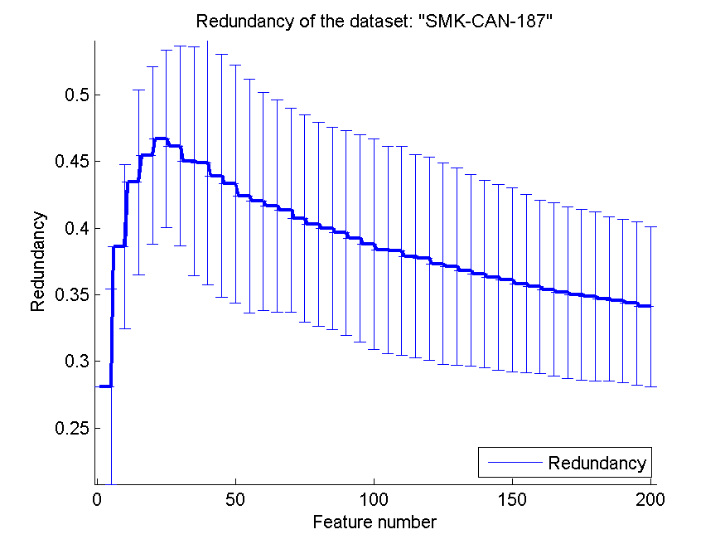
0.6585106383 | 0.059271747277 | 0.60319148936 | 0.074675762246 | 0.56436170213 | 0.051365639441 | 0.37108066092 | 0.074148992576
0.65425531915 | 0.059130887383 | 0.60159574468 | 0.073093618645 | 0.56276595745 | 0.04952660027 | 0.36809243499 | 0.071921414977
0.66755319149 | 0.056279352892 | 0.59840425532 | 0.07685930455 | 0.56861702128 | 0.057906892228 | 0.36561496865 | 0.070396233306
0.67127659574 | 0.056493268287 | 0.60053191489 | 0.073256419935 | 0.56595744681 | 0.061024584429 | 0.36306931212 | 0.069735755126
0.68031914894 | 0.043312789251 | 0.60319148936 | 0.076019670186 | 0.56968085106 | 0.063312103757 | 0.36108315887 | 0.068932057467
0.66436170213 | 0.047635347186 | 0.60053191489 | 0.072356480005 | 0.5664893617 | 0.066648745139 | 0.35831200114 | 0.066616284994
0.67606382979 | 0.049595706489 | 0.60106382979 | 0.074147446006 | 0.58191489362 | 0.068779701597 | 0.35591923375 | 0.065025248978
0.67606382979 | 0.041629819388 | 0.59840425532 | 0.076314885724 | 0.58670212766 | 0.065694577864 | 0.35387294561 | 0.064867376294
0.67340425532 | 0.054910628717 | 0.59893617021 | 0.078182823601 | 0.5914893617 | 0.064331733002 | 0.35152812889 | 0.064334864877
0.68191489362 | 0.05221956384 | 0.59840425532 | 0.076626455831 | 0.5914893617 | 0.062927554044 | 0.34988357532 | 0.063878468855
0.68670212766 | 0.044264981932 | 0.59946808511 | 0.071844273787 | 0.59308510638 | 0.064097516157 | 0.34866706064 | 0.063538697319
0.69840425532 | 0.036572266486 | 0.60053191489 | 0.073175064565 | 0.59361702128 | 0.057403243404 | 0.34684775109 | 0.061885679475
0.68989361702 | 0.049330776697 | 0.59893617021 | 0.080879054505 | 0.58404255319 | 0.052673853076 | 0.34530678715 | 0.061496964377
0.68936170213 | 0.047650975068 | 0.6 | 0.077363330717 | 0.58670212766 | 0.050759052198 | 0.34353594391 | 0.061222498893
0.68776595745 | 0.04131383896 | 0.60053191489 | 0.076905789694 | 0.58936170213 | 0.054068911049 | 0.34110740705 | 0.060046668383

RELATHE
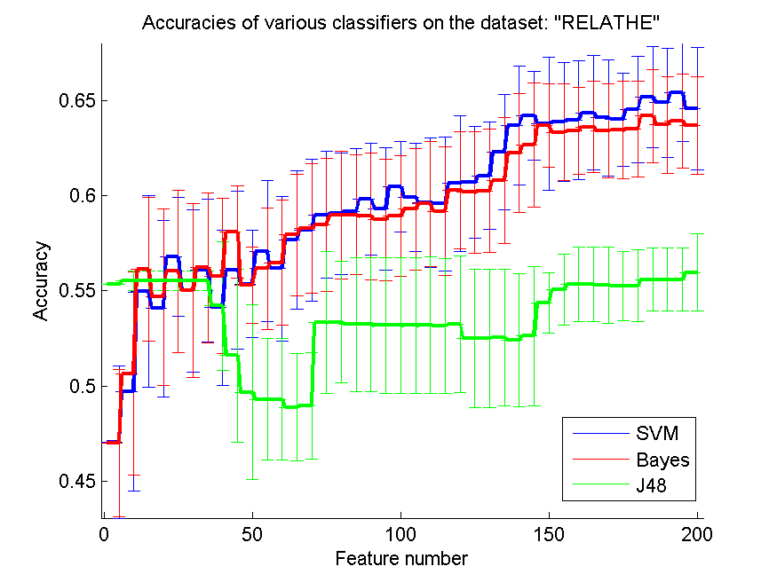
res_svm | res_svm_std | res_bayes | res_bayes_std | res_j48 | res_j48_std | res_red | res_red_std
0.4706193969 | 0.039910259745 | 0.47004889976 | 0.038844376891 | 0.55338223309 | 0 | 0.021775290203 | 0.0033790396998
0.49706601467 | 0.052035532314 | 0.50660146699 | 0.053255708024 | 0.5554604727 | 0.0051237053604 | 0.015321760957 | 0.0012004307597
0.54979625102 | 0.050416434107 | 0.56140994295 | 0.037845524966 | 0.5554604727 | 0.0051237053604 | 0.01240444758 | 0.00079627418746
0.54074979625 | 0.046245845603 | 0.5467807661 | 0.046521244299 | 0.5554604727 | 0.0051237053604 | 0.011949587202 | 0.00066661244063
0.56792991035 | 0.031010765454 | 0.56026894866 | 0.042625287466 | 0.5554604727 | 0.0051237053604 | 0.015363248687 | 0.0018883885883
0.55012224939 | 0.042720747817 | 0.55024449878 | 0.045780703995 | 0.5554604727 | 0.0051237053604 | 0.019335958753 | 0.0037006165593
0.56075794621 | 0.037366965581 | 0.56222493888 | 0.039421826841 | 0.5554604727 | 0.0051237053604 | 0.017371911004 | 0.0030214505385
0.54115729421 | 0.040841487372 | 0.55774246129 | 0.04072772104 | 0.54217603912 | 0.033730732994 | 0.017733319498 | 0.0025084646145
0.5608801956 | 0.041573286106 | 0.58109209454 | 0.024137613311 | 0.51605541972 | 0.04544987487 | 0.017172554222 | 0.0018194300574
0.55366748166 | 0.028346316994 | 0.55301548492 | 0.020195625333 | 0.49686226569 | 0.045730277592 | 0.018028548597 | 0.0013612390385
0.57086389568 | 0.037058833009 | 0.56165444173 | 0.031930540987 | 0.49307253464 | 0.031897377458 | 0.018679611197 | 0.0011871129746
0.56165444173 | 0.037754891381 | 0.56487367563 | 0.03291986782 | 0.49307253464 | 0.031897377458 | 0.019873311698 | 0.0012043225392
0.57685411573 | 0.036247287655 | 0.5793806031 | 0.031806171194 | 0.48891605542 | 0.028289065958 | 0.022097297065 | 0.0011780394098
0.58186634067 | 0.037381931468 | 0.58300733496 | 0.033977943595 | 0.48969030155 | 0.027913837428 | 0.022444111372 | 0.0010814246274
0.58993480033 | 0.033259397246 | 0.58463732681 | 0.034860567283 | 0.53329258354 | 0.03729935733 | 0.022998658428 | 0.0010073812822
0.59054604727 | 0.032130408192 | 0.58973105134 | 0.033427280481 | 0.53357783211 | 0.031967552529 | 0.024312748426 | 0.0010792148181
0.59164629177 | 0.032954442296 | 0.59005704971 | 0.031288783001 | 0.53247758761 | 0.035159131817 | 0.025597802556 | 0.0010826159505
0.59820700896 | 0.029148587551 | 0.5891605542 | 0.033147398201 | 0.53247758761 | 0.035159131817 | 0.024880808773 | 0.0010935136075
0.59307253464 | 0.032004712422 | 0.58728606357 | 0.032118437627 | 0.53190709046 | 0.035632220516 | 0.025495450587 | 0.00097955131023
0.60460472698 | 0.023796698444 | 0.58924205379 | 0.031716025359 | 0.53190709046 | 0.035632220516 | 0.02618652319 | 0.0010537096492
0.59926650367 | 0.028472846308 | 0.59286878566 | 0.031971243125 | 0.53194784026 | 0.035669311413 | 0.026248485181 | 0.0010342534041
0.59645476773 | 0.034134997618 | 0.59572127139 | 0.032950198727 | 0.53198859006 | 0.035776738178 | 0.026192597848 | 0.00092502444694
0.59580277099 | 0.035143418304 | 0.59180929095 | 0.03374047384 | 0.5315403423 | 0.035560847409 | 0.026342889273 | 0.00090426107093
0.60643846781 | 0.035524750359 | 0.60285248574 | 0.030775192157 | 0.53243683782 | 0.03574176392 | 0.025980105317 | 0.00087996041386
0.60692746536 | 0.02941613023 | 0.60175224124 | 0.031744973661 | 0.52518337408 | 0.036412603958 | 0.026569600361 | 0.0008594074533
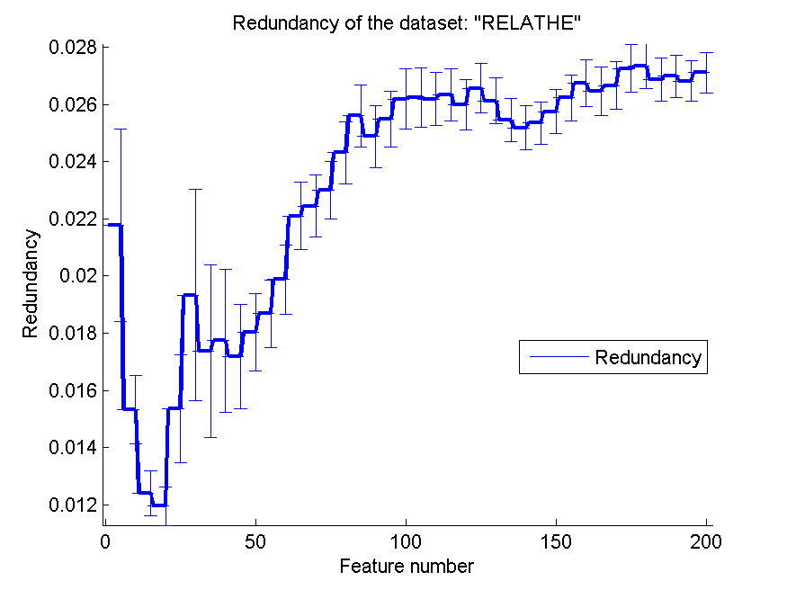
0.61043194784 | 0.028247142192 | 0.60256723716 | 0.032326606665 | 0.52518337408 | 0.036412603958 | 0.026122743307 | 0.00080584231667
0.62290138549 | 0.030302416292 | 0.60794621027 | 0.033004263361 | 0.52550937245 | 0.035915929634 | 0.025454546129 | 0.00074578329389
0.63687856561 | 0.031062803685 | 0.62229013855 | 0.031167292486 | 0.52416462918 | 0.034936698443 | 0.025179811712 | 0.00077286867936
0.64209453953 | 0.023254309027 | 0.62660961695 | 0.032476577126 | 0.52624286879 | 0.036396951357 | 0.025347870011 | 0.00074614811119
0.63789731051 | 0.035049413192 | 0.63683781581 | 0.02180844587 | 0.54376528117 | 0.015707058076 | 0.025751049498 | 0.00076819114707
0.63867155664 | 0.03125219807 | 0.63337408313 | 0.025469900882 | 0.55052974735 | 0.018581944717 | 0.026233454559 | 0.00079757336167
0.63989405053 | 0.031224220425 | 0.63406682967 | 0.022884137232 | 0.5533007335 | 0.019559723472 | 0.026740389556 | 0.00082484557265
0.64360228199 | 0.030145109437 | 0.63618581907 | 0.023880471241 | 0.5533007335 | 0.019559723472 | 0.026472465015 | 0.00084750974141
0.64091279544 | 0.030571525238 | 0.63406682967 | 0.024657747452 | 0.55301548492 | 0.020004307866 | 0.026663134075 | 0.00082500134518
0.63997555012 | 0.024386705447 | 0.63443357783 | 0.025616616301 | 0.55260798696 | 0.01829178805 | 0.027258254711 | 0.00083045431113
0.64535452323 | 0.027928862 | 0.63516707416 | 0.025227174473 | 0.55264873676 | 0.018840522344 | 0.027334948275 | 0.00077863369911
0.65158924205 | 0.026565287985 | 0.64185004075 | 0.024474851056 | 0.55594947025 | 0.016581185415 | 0.026870487585 | 0.00074858007202
0.6488590057 | 0.028785658744 | 0.63724531377 | 0.025342793874 | 0.55594947025 | 0.016581185415 | 0.026985458887 | 0.00073421686888
0.65427872861 | 0.025723012124 | 0.63932355338 | 0.024782866659 | 0.55594947025 | 0.016581185415 | 0.026814820278 | 0.00070874765837
0.645599022 | 0.032135711902 | 0.6369600652 | 0.025766295428 | 0.5597392013 | 0.020385361702 | 0.027115118322 | 0.00070562520175

pixraw10P
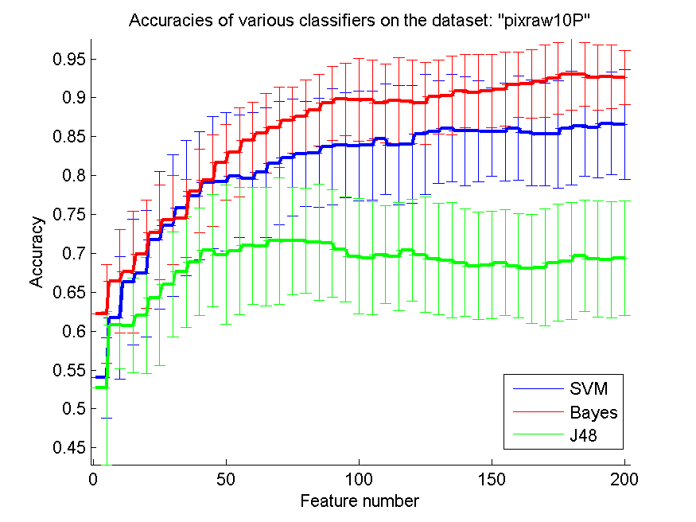
res_svm | res_svm_std | res_bayes | res_bayes_std | res_j48 | res_j48_std | res_red | res_red_std
0.54 | 0.051503704517 | 0.622 | 0.063544431202 | 0.527 | 0.09868077187 | 0.75752847016 | 0.024266569206
0.617 | 0.078746762674 | 0.664 | 0.066680700277 | 0.608 | 0.056344803151 | 0.82906316754 | 0.047507312175
0.663 | 0.081117199163 | 0.676 | 0.07856609688 | 0.607 | 0.06096590937 | 0.8328501699 | 0.08637932947
0.674 | 0.081589473005 | 0.699 | 0.069728797947 | 0.62 | 0.074833147735 | 0.83460574875 | 0.10757605401
0.717 | 0.088799004262 | 0.727 | 0.061310255002 | 0.643 | 0.087123626622 | 0.82395653365 | 0.11055327689
0.736 | 0.090982936515 | 0.743 | 0.057041074767 | 0.66 | 0.067434178434 | 0.81813291667 | 0.11378255456
0.758 | 0.086790734407 | 0.745 | 0.049789028595 | 0.676 | 0.071259348417 | 0.80665229314 | 0.11183169513
0.774 | 0.082615150898 | 0.78 | 0.053508484325 | 0.689 | 0.068817072545 | 0.80238713168 | 0.11152100526
0.791 | 0.084722457099 | 0.794 | 0.058794915641 | 0.704 | 0.072140214349 | 0.7835039025 | 0.11960405001
0.792 | 0.089065321977 | 0.817 | 0.048677239899 | 0.698 | 0.089419178444 | 0.78315249457 | 0.11681264685
0.799 | 0.078532594641 | 0.83 | 0.057491418124 | 0.703 | 0.082148773896 | 0.77244790466 | 0.12014774475
0.796 | 0.085495460021 | 0.845 | 0.049789028595 | 0.71 | 0.075253956007 | 0.77227042405 | 0.12007449571
0.804 | 0.083502284873 | 0.854 | 0.051134497574 | 0.709 | 0.076357883128 | 0.77035034989 | 0.12154464565
0.816 | 0.07963072668 | 0.862 | 0.051870283552 | 0.716 | 0.081460355227 | 0.77063324052 | 0.12189970479
0.823 | 0.074910472882 | 0.871 | 0.042289727507 | 0.716 | 0.068855302131 | 0.76490075274 | 0.12128519633
0.828 | 0.067558941128 | 0.876 | 0.04661149621 | 0.716 | 0.067621236154 | 0.76155294805 | 0.12131567153
0.829 | 0.07003006873 | 0.884 | 0.045699245646 | 0.714 | 0.074579523082 | 0.76000432339 | 0.12161092357
0.837 | 0.074628906492 | 0.893 | 0.047361987867 | 0.713 | 0.069061376211 | 0.75900873643 | 0.12271342684
0.839 | 0.067893104836 | 0.898 | 0.046746798371 | 0.705 | 0.067395142727 | 0.75800467901 | 0.1219246015
0.838 | 0.070157717061 | 0.897 | 0.053222472499 | 0.696 | 0.074154887691 | 0.7595108508 | 0.11929871093
0.839 | 0.07003006873 | 0.897 | 0.052022262441 | 0.694 | 0.072866135373 | 0.76028683894 | 0.11782828367
0.847 | 0.070866813553 | 0.893 | 0.050793700397 | 0.698 | 0.062878328624 | 0.76170157825 | 0.11636929122
0.839 | 0.076357883128 | 0.896 | 0.055288715895 | 0.696 | 0.069464114173 | 0.76136664483 | 0.11616539204
0.84 | 0.075672424234 | 0.895 | 0.05345928111 | 0.704 | 0.065726706901 | 0.76211921219 | 0.11586339762
0.853 | 0.077126007628 | 0.893 | 0.052825432471 | 0.698 | 0.074240009074 | 0.76334033687 | 0.1160277423
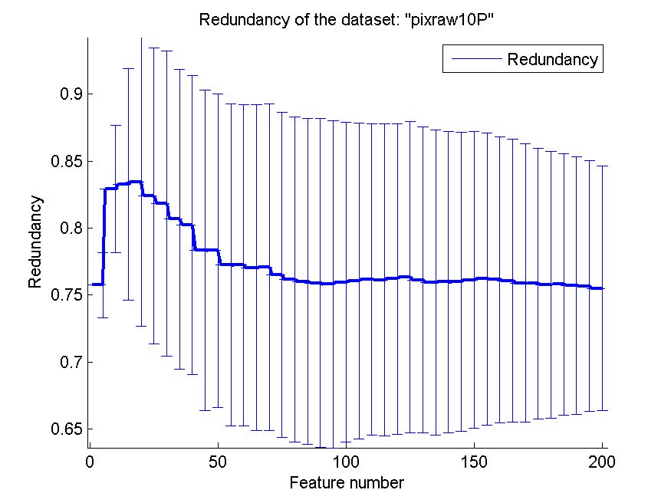
0.856 | 0.065726706901 | 0.901 | 0.04789242331 | 0.693 | 0.071752498581 | 0.76136367726 | 0.11412534355
0.861 | 0.069426219831 | 0.903 | 0.050377522139 | 0.691 | 0.074402886192 | 0.75946722157 | 0.11377251319
0.857 | 0.070569115058 | 0.909 | 0.047005038924 | 0.688 | 0.068794124596 | 0.75971393883 | 0.11260904216
0.857 | 0.06530092286 | 0.907 | 0.048677239899 | 0.684 | 0.069464114173 | 0.75981409258 | 0.11154099945
0.856 | 0.057160899407 | 0.909 | 0.047005038924 | 0.685 | 0.068939332597 | 0.76117192857 | 0.11078398623
0.856 | 0.062777803654 | 0.911 | 0.04745080555 | 0.688 | 0.068179330098 | 0.76213049315 | 0.10894767687
0.861 | 0.066641223215 | 0.917 | 0.041688064681 | 0.684 | 0.066680700277 | 0.76155965718 | 0.10674910199
0.855 | 0.068017025732 | 0.918 | 0.043961705824 | 0.68 | 0.070487027549 | 0.76075861818 | 0.10538530814
0.853 | 0.066261046745 | 0.921 | 0.046555004254 | 0.682 | 0.075644598374 | 0.75908165354 | 0.10366946664
0.853 | 0.069365545823 | 0.925 | 0.04582575695 | 0.688 | 0.075225975357 | 0.75865871169 | 0.10098659722
0.861 | 0.073262326069 | 0.93 | 0.045653154615 | 0.69 | 0.075253956007 | 0.75764901264 | 0.099625404798
0.864 | 0.064758661278 | 0.93 | 0.040781832901 | 0.697 | 0.071752498581 | 0.75806707061 | 0.097486041278
0.862 | 0.064530694451 | 0.926 | 0.04159959514 | 0.693 | 0.074910472882 | 0.7571377499 | 0.096000352161
0.867 | 0.065942558736 | 0.927 | 0.041179964469 | 0.692 | 0.074664160359 | 0.75669196856 | 0.093648905206
0.866 | 0.070516888608 | 0.926 | 0.035003759197 | 0.694 | 0.073441706207 | 0.75492717396 | 0.091365331827

PCMAC
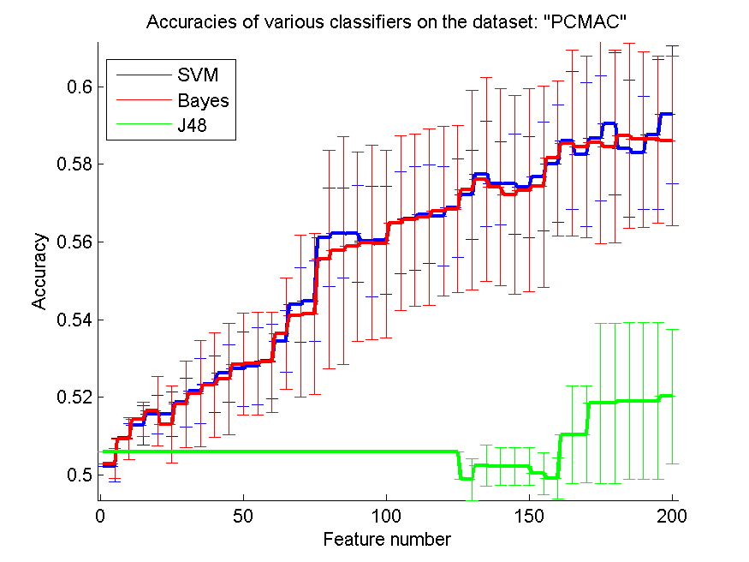
res_svm | res_svm_std | res_bayes | res_bayes_std | res_j48 | res_j48_std | res_red | res_red_std
0.50223752151 | 0.0039284019378 | 0.50295467585 | 0.0038114505893 | 0.50602409639 | 1.1390647893E-16 | 0.045629106538 | 0.03660655497
0.50960986804 | 0.0036517468322 | 0.50938037866 | 0.0053764476945 | 0.50602409639 | 1.1390647893E-16 | 0.080187319598 | 0.03284429263
0.51282271945 | 0.0051019979389 | 0.51434308663 | 0.0044225503235 | 0.50602409639 | 1.1390647893E-16 | 0.051240782919 | 0.017694847001
0.5156626506 | 0.0049793880899 | 0.51649454963 | 0.0089345002703 | 0.50602409639 | 1.1390647893E-16 | 0.043306609612 | 0.011181414597
0.51569133678 | 0.0058309078427 | 0.51296615032 | 0.0099335201721 | 0.50602409639 | 1.1390647893E-16 | 0.03057844554 | 0.007309214724
0.5186746988 | 0.0063218604274 | 0.5182444062 | 0.011045362913 | 0.50602409639 | 1.1390647893E-16 | 0.025933438302 | 0.0051278637292
0.52162937464 | 0.0083837635414 | 0.52105565118 | 0.013693159102 | 0.50602409639 | 1.1390647893E-16 | 0.024793397373 | 0.0055341228394
0.52340791738 | 0.0073380436443 | 0.52329317269 | 0.013452303768 | 0.50602409639 | 1.1390647893E-16 | 0.030331918867 | 0.007078035055
0.52621916236 | 0.0074400325602 | 0.52472748135 | 0.014363484605 | 0.50602409639 | 1.1390647893E-16 | 0.028849660529 | 0.0065088087292
0.52730923695 | 0.0096072649786 | 0.52848537005 | 0.013120295713 | 0.50602409639 | 1.1390647893E-16 | 0.031475132454 | 0.0066251415549
0.52805507745 | 0.0098714137406 | 0.52868617326 | 0.013187760139 | 0.50602409639 | 1.1390647893E-16 | 0.033421765868 | 0.0067386377608
0.5292885829 | 0.009557683371 | 0.52905909352 | 0.012934117715 | 0.50602409639 | 1.1390647893E-16 | 0.032320443143 | 0.006168390735
0.53445209409 | 0.0080223628079 | 0.53640275387 | 0.014394899922 | 0.50602409639 | 1.1390647893E-16 | 0.030293041549 | 0.0047111138525
0.54386115892 | 0.0095613078588 | 0.54096385542 | 0.020889987114 | 0.50602409639 | 1.1390647893E-16 | 0.03258486503 | 0.0047868364392
0.54472174412 | 0.010384695009 | 0.54148020654 | 0.02078831589 | 0.50602409639 | 1.1390647893E-16 | 0.037307107275 | 0.0055129962572
0.56118760757 | 0.012735701967 | 0.55550774527 | 0.028142244829 | 0.50602409639 | 1.1390647893E-16 | 0.036915163598 | 0.004990433676
0.56224899598 | 0.011567698082 | 0.55786001147 | 0.029364964733 | 0.50602409639 | 1.1390647893E-16 | 0.037791904986 | 0.0049771433998
0.56213425129 | 0.012406789573 | 0.55886402754 | 0.024352338982 | 0.50602409639 | 1.1390647893E-16 | 0.039253458785 | 0.0049600161679
0.56015490534 | 0.014231257743 | 0.55981067126 | 0.025026636613 | 0.50602409639 | 1.1390647893E-16 | 0.039591303892 | 0.0051047590446
0.56052782559 | 0.013877143571 | 0.55949512335 | 0.024091783812 | 0.50602409639 | 1.1390647893E-16 | 0.03999505467 | 0.0052362746308
0.5649168101 | 0.013136131047 | 0.56483075158 | 0.022548749738 | 0.50602409639 | 1.1390647893E-16 | 0.040071157778 | 0.005360517476
0.56597819851 | 0.013332778256 | 0.56569133678 | 0.022131154931 | 0.50602409639 | 1.1390647893E-16 | 0.039662487053 | 0.0054632169679
0.56712564544 | 0.012655498893 | 0.56646586345 | 0.022739841418 | 0.50602409639 | 1.1390647893E-16 | 0.038425920932 | 0.0052899492374
0.56663798049 | 0.012716643769 | 0.56790017212 | 0.021883403303 | 0.50602409639 | 1.1390647893E-16 | 0.038952567471 | 0.0052605772744
0.56881812966 | 0.012677348241 | 0.56844520941 | 0.021498700709 | 0.50602409639 | 1.1390647893E-16 | 0.039583543334 | 0.0052619371038
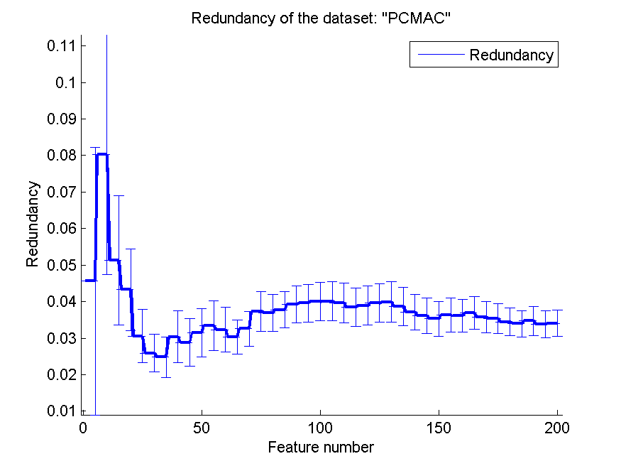
0.57208835341 | 0.011485447839 | 0.57337923121 | 0.025612009016 | 0.49885255307 | 0.0053156061221 | 0.039880814997 | 0.0055021503299
0.57748135399 | 0.013523684948 | 0.57604704532 | 0.02619127738 | 0.50243832473 | 0.0052148408428 | 0.038710566171 | 0.0052297468681
0.57507171543 | 0.010717675151 | 0.57409638554 | 0.02540819144 | 0.50223752151 | 0.0049332492859 | 0.037125201288 | 0.0048495615731
0.57489959839 | 0.012910254132 | 0.57214572576 | 0.025580519831 | 0.50223752151 | 0.0049332492859 | 0.036208788373 | 0.0048544810564
0.57412507172 | 0.01297934432 | 0.57332185886 | 0.026067708732 | 0.50223752151 | 0.0049332492859 | 0.035297805518 | 0.0048093327758
0.57685025818 | 0.01398220393 | 0.57426850258 | 0.025961408043 | 0.50037292025 | 0.0053213878954 | 0.036253122245 | 0.0046643148984
0.58009179575 | 0.015110548266 | 0.58158347676 | 0.019943194732 | 0.4991394148 | 0.0053497173135 | 0.036052024199 | 0.0044779002684
0.58611589214 | 0.017721902436 | 0.58542742398 | 0.023864776537 | 0.51038439472 | 0.012508030298 | 0.036888045791 | 0.0044943031385
0.58247274814 | 0.018519690748 | 0.58439472174 | 0.023348129977 | 0.51044176707 | 0.012445129773 | 0.035716496202 | 0.0042728385911
0.58663224326 | 0.016044293714 | 0.58554216867 | 0.025948008468 | 0.51847389558 | 0.020659160657 | 0.03536931178 | 0.004032218967
0.59053356282 | 0.018301593958 | 0.58453815261 | 0.024807905853 | 0.51847389558 | 0.020659160657 | 0.034442365474 | 0.0037844261977
0.58410786001 | 0.017615518388 | 0.58729202524 | 0.02386105586 | 0.51901893287 | 0.020179958052 | 0.033969670396 | 0.003608850797
0.58290304073 | 0.014527306853 | 0.58643144005 | 0.022566240919 | 0.51901893287 | 0.020179958052 | 0.034701743367 | 0.003985731958
0.58763625932 | 0.019266100836 | 0.58643144005 | 0.021490378981 | 0.51901893287 | 0.020179958052 | 0.033808603674 | 0.0037692998828
0.59282845668 | 0.017745055369 | 0.58597246127 | 0.021770697854 | 0.52022375215 | 0.017309937987 | 0.034066389582 | 0.0036102059235

orlraws10P
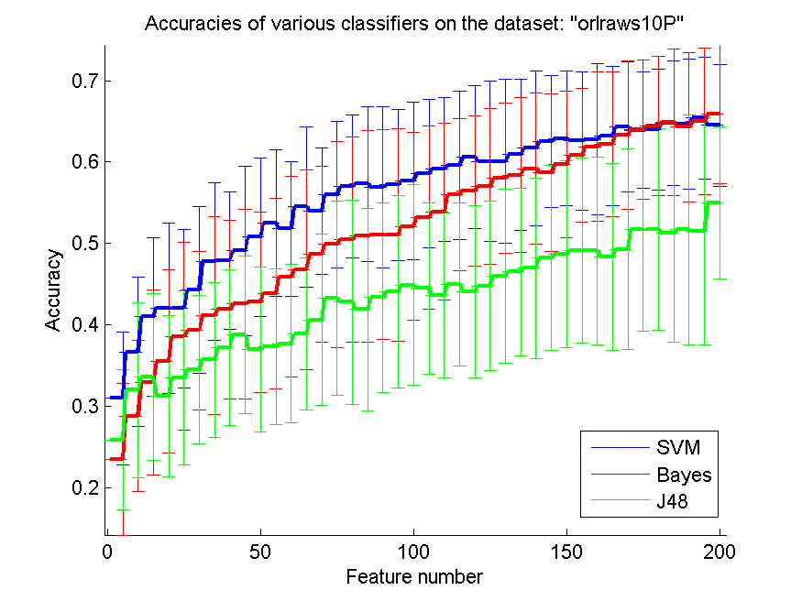
res_svm | res_svm_std | res_bayes | res_bayes_std | res_j48 | res_j48_std | res_red | res_red_std
0.31 | 0.081434507105 | 0.235 | 0.092877961807 | 0.259 | 0.08620050067 | 0.53415993317 | 0.13043448492
0.367 | 0.091369694388 | 0.288 | 0.092996887328 | 0.32 | 0.10740969279 | 0.55073139459 | 0.11129756784
0.41 | 0.097224644916 | 0.329 | 0.11359670121 | 0.336 | 0.10251572408 | 0.54038641455 | 0.1081593492
0.421 | 0.10452398365 | 0.355 | 0.11255408057 | 0.313 | 0.098893882521 | 0.53389159811 | 0.10059668093
0.42 | 0.097116316587 | 0.386 | 0.11518406323 | 0.335 | 0.10659811394 | 0.52435535834 | 0.098785635128
0.443 | 0.10285912696 | 0.393 | 0.097608239514 | 0.345 | 0.0910465468 | 0.5177210234 | 0.094406494967
0.478 | 0.096441965096 | 0.412 | 0.12146474472 | 0.357 | 0.094762861924 | 0.50898983249 | 0.090866050004
0.479 | 0.08447360223 | 0.419 | 0.10982761612 | 0.372 | 0.095674888087 | 0.49988284694 | 0.088555652822
0.491 | 0.10391798385 | 0.426 | 0.11645645222 | 0.388 | 0.096768851013 | 0.49444546778 | 0.080947171477
0.508 | 0.097419332351 | 0.428 | 0.11095755471 | 0.37 | 0.10125527926 | 0.48798768541 | 0.079562576258
0.525 | 0.090350195875 | 0.439 | 0.1170649842 | 0.373 | 0.095867232753 | 0.48670171297 | 0.079544024993
0.518 | 0.08230878958 | 0.459 | 0.12319859876 | 0.377 | 0.097392315702 | 0.48332326358 | 0.079896337881
0.545 | 0.098808693417 | 0.468 | 0.12232828997 | 0.389 | 0.093239928199 | 0.47729777494 | 0.080006222582
0.54 | 0.077323653357 | 0.487 | 0.10804969617 | 0.406 | 0.10525157831 | 0.47510692784 | 0.076991656876
0.56 | 0.090379317615 | 0.499 | 0.12640369748 | 0.433 | 0.11881431776 | 0.47178505792 | 0.076447163601
0.57 | 0.087899464102 | 0.505 | 0.12613693478 | 0.428 | 0.12521980674 | 0.46771265879 | 0.074371843865
0.573 | 0.094762861924 | 0.509 | 0.12969194269 | 0.419 | 0.12472707046 | 0.46305071681 | 0.072602504821
0.569 | 0.098509951408 | 0.511 | 0.12838675124 | 0.434 | 0.11645645222 | 0.45942187351 | 0.069221817363
0.572 | 0.092543019868 | 0.51 | 0.13050509165 | 0.441 | 0.1179607428 | 0.45693626126 | 0.068272225629
0.577 | 0.096305435164 | 0.521 | 0.11506977288 | 0.449 | 0.12319859876 | 0.45473521986 | 0.066792382032
0.586 | 0.09155958658 | 0.532 | 0.11265223618 | 0.445 | 0.10500626548 | 0.45267011977 | 0.065773484184
0.591 | 0.088132675104 | 0.539 | 0.10867140233 | 0.436 | 0.10106798129 | 0.44869742004 | 0.065412205401
0.596 | 0.090751250535 | 0.56 | 0.093808315196 | 0.45 | 0.1 | 0.44724774878 | 0.065197822986
0.606 | 0.087803608606 | 0.565 | 0.092195444573 | 0.441 | 0.10592450141 | 0.44559728823 | 0.065021797609
0.601 | 0.098296008379 | 0.57 | 0.095255888062 | 0.448 | 0.10390278858 | 0.44270016954 | 0.063835012735
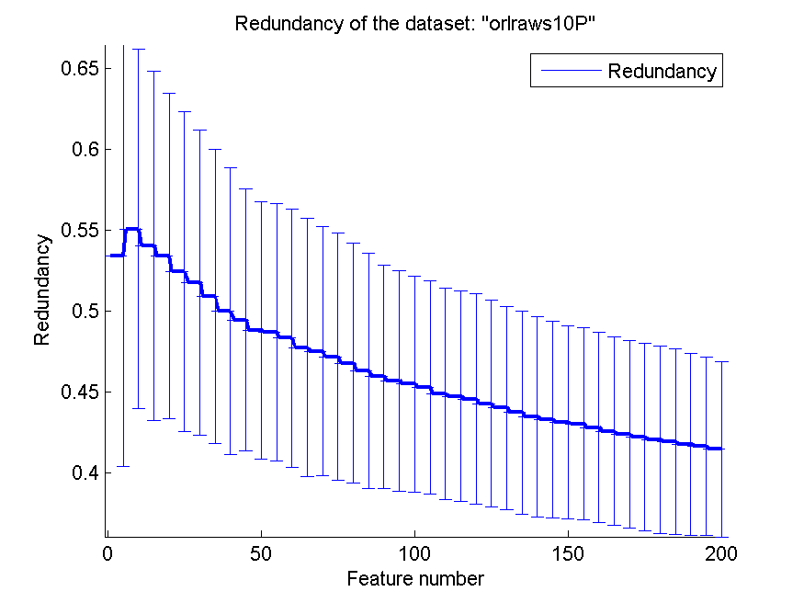
0.601 | 0.10062436662 | 0.58 | 0.092451979 | 0.46 | 0.10682006514 | 0.43998153465 | 0.062917690164
0.609 | 0.093013864275 | 0.584 | 0.095277986633 | 0.465 | 0.10318608637 | 0.43720473309 | 0.062873937833
0.617 | 0.095427018132 | 0.592 | 0.09277023116 | 0.47 | 0.1107866608 | 0.43456991139 | 0.061876441878
0.625 | 0.080753034813 | 0.587 | 0.097175912112 | 0.482 | 0.11349008767 | 0.43285910417 | 0.060918620849
0.629 | 0.082455729749 | 0.597 | 0.089976605146 | 0.487 | 0.1152160442 | 0.43087770359 | 0.05968720359
0.626 | 0.08487762088 | 0.608 | 0.082180801958 | 0.491 | 0.11359670121 | 0.43021397807 | 0.059559544758
0.628 | 0.092543019868 | 0.619 | 0.091645771143 | 0.491 | 0.11543510366 | 0.42788269881 | 0.058932235375
0.632 | 0.085692227738 | 0.622 | 0.08871005402 | 0.484 | 0.11472621873 | 0.42560105165 | 0.058451777125
0.643 | 0.080072335718 | 0.633 | 0.090907703339 | 0.493 | 0.12333522995 | 0.42369651042 | 0.057984913176
0.639 | 0.07151738839 | 0.64 | 0.085593900422 | 0.517 | 0.12486202912 | 0.42198688715 | 0.057971685824
0.64 | 0.073984351119 | 0.644 | 0.085495460021 | 0.517 | 0.12367614755 | 0.42051024825 | 0.057960015991
0.648 | 0.076337202078 | 0.649 | 0.089789226877 | 0.513 | 0.1344423179 | 0.41910478935 | 0.05735549754
0.647 | 0.080072335718 | 0.643 | 0.091829361203 | 0.517 | 0.14146228807 | 0.41762054075 | 0.056367205243
0.654 | 0.074861275212 | 0.65 | 0.090495710861 | 0.515 | 0.13990598347 | 0.41637573502 | 0.05527180316
0.645 | 0.074515982037 | 0.659 | 0.084970583145 | 0.55 | 0.093245572775 | 0.41445101752 | 0.054139600251

GLI-85
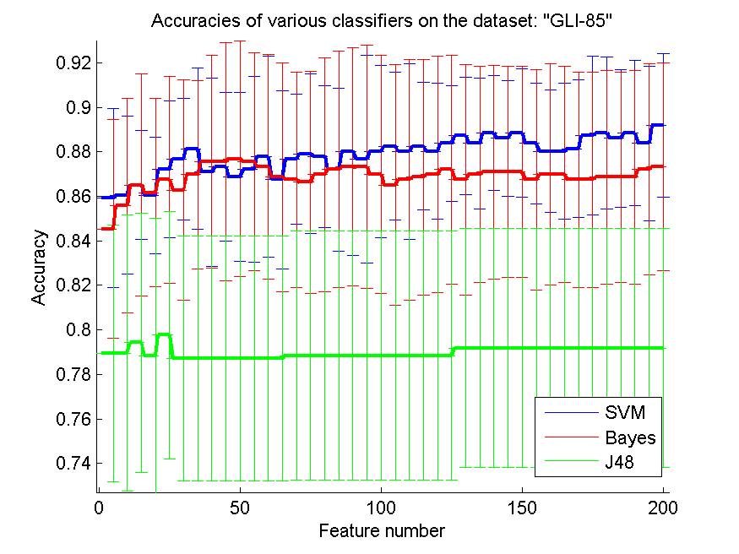
res_svm | res_svm_std | res_bayes | res_bayes_std | res_j48 | res_j48_std | res_red | res_red_std
0.85930232558 | 0.040262580686 | 0.84534883721 | 0.049058193278 | 0.78953488372 | 0.057697215852 | 0.4566248332 | 0.056774332051
0.86046511628 | 0.035390042337 | 0.85581395349 | 0.048076490628 | 0.78953488372 | 0.061978518143 | 0.50163289204 | 0.048817722786
0.86511627907 | 0.02456533406 | 0.86511627907 | 0.049821062638 | 0.79418604651 | 0.058090554643 | 0.50551575937 | 0.033465254862
0.86046511628 | 0.026137278463 | 0.86162790698 | 0.042330423277 | 0.78837209302 | 0.061713872746 | 0.50492663885 | 0.029192483466
0.87209302326 | 0.030648675705 | 0.86744186047 | 0.046572787207 | 0.7976744186 | 0.055496855246 | 0.49670972342 | 0.030791309202
0.87674418605 | 0.027308974354 | 0.86279069767 | 0.049419504636 | 0.78720930233 | 0.055072078915 | 0.49302133682 | 0.033216716605
0.88139534884 | 0.036106673844 | 0.86976744186 | 0.04227995981 | 0.78720930233 | 0.055072078915 | 0.48879895804 | 0.032233854189
0.87093023256 | 0.042330423277 | 0.87558139535 | 0.047883679615 | 0.78720930233 | 0.055072078915 | 0.48231961285 | 0.033257719222
0.87325581395 | 0.033297258287 | 0.87558139535 | 0.053499014427 | 0.78720930233 | 0.055072078915 | 0.47456025966 | 0.033258940477
0.86860465116 | 0.037932836919 | 0.87674418605 | 0.052870143338 | 0.78720930233 | 0.055072078915 | 0.46986248887 | 0.032042154819
0.87209302326 | 0.041669631654 | 0.87558139535 | 0.049058193278 | 0.78720930233 | 0.055072078915 | 0.46676181832 | 0.031118024951
0.87790697674 | 0.045192430275 | 0.87325581395 | 0.050318503927 | 0.78720930233 | 0.055072078915 | 0.46394967537 | 0.031726625112
0.86744186047 | 0.039996584068 | 0.86860465116 | 0.051326654247 | 0.78720930233 | 0.055072078915 | 0.45994253252 | 0.031508487453
0.87674418605 | 0.029319611773 | 0.86744186047 | 0.048371622256 | 0.78837209302 | 0.055905677385 | 0.45518766567 | 0.031969732602
0.87906976744 | 0.035869387546 | 0.86627906977 | 0.049977934843 | 0.78837209302 | 0.055905677385 | 0.45117756935 | 0.034374397803
0.87790697674 | 0.031900153072 | 0.86976744186 | 0.052491915688 | 0.78837209302 | 0.055905677385 | 0.44607551248 | 0.032488781817
0.87209302326 | 0.036576628635 | 0.87209302326 | 0.053085063506 | 0.78837209302 | 0.055905677385 | 0.44407044654 | 0.033224433865
0.88023255814 | 0.04667962317 | 0.87325581395 | 0.053605321565 | 0.78837209302 | 0.055905677385 | 0.4396859277 | 0.031159728223
0.87674418605 | 0.046572787207 | 0.87325581395 | 0.054657022004 | 0.78837209302 | 0.055905677385 | 0.43615255987 | 0.031945919265
0.88023255814 | 0.038675960154 | 0.86976744186 | 0.053565481113 | 0.78837209302 | 0.055905677385 | 0.43244329768 | 0.031003908605
0.88255813953 | 0.033297258287 | 0.86511627907 | 0.054199414198 | 0.78837209302 | 0.055905677385 | 0.42863740414 | 0.031338883905
0.88023255814 | 0.03940507164 | 0.86744186047 | 0.053936180907 | 0.78837209302 | 0.055905677385 | 0.42681363745 | 0.031253840565
0.88255813953 | 0.028706419557 | 0.86860465116 | 0.052964278222 | 0.78837209302 | 0.055905677385 | 0.42509806804 | 0.030743898823
0.88023255814 | 0.030438990171 | 0.86976744186 | 0.053031415121 | 0.78837209302 | 0.055905677385 | 0.42234013599 | 0.030417835716
0.88372093023 | 0.026137278463 | 0.87209302326 | 0.051451284105 | 0.78837209302 | 0.055905677385 | 0.42031655876 | 0.029860543618
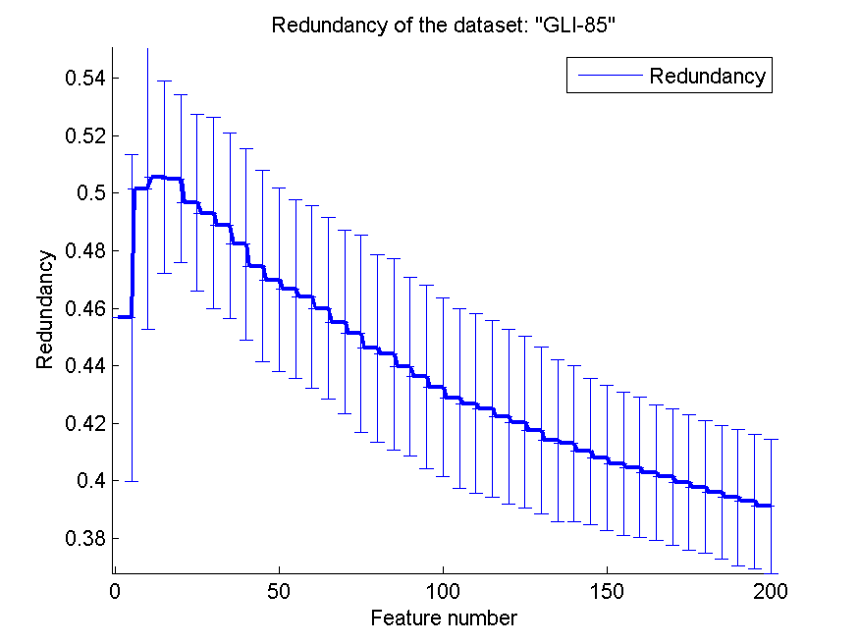
0.88720930233 | 0.026435071669 | 0.86744186047 | 0.05178216394 | 0.79186046512 | 0.053605321565 | 0.41741596372 | 0.029016864161
0.88372093023 | 0.029222365695 | 0.86976744186 | 0.048547840042 | 0.79186046512 | 0.053605321565 | 0.4140830447 | 0.028157459695
0.88837209302 | 0.025697965184 | 0.87093023256 | 0.048002424198 | 0.79186046512 | 0.053605321565 | 0.41296124169 | 0.027091925464
0.88604651163 | 0.026028145299 | 0.87093023256 | 0.047405726994 | 0.79186046512 | 0.053605321565 | 0.41026409923 | 0.025487056268
0.88837209302 | 0.028830101386 | 0.87093023256 | 0.047405726994 | 0.79186046512 | 0.053605321565 | 0.40809696606 | 0.025255584551
0.88372093023 | 0.027204541947 | 0.86744186047 | 0.049534567666 | 0.79186046512 | 0.053605321565 | 0.4057495679 | 0.024905751714
0.88023255814 | 0.027490776476 | 0.86976744186 | 0.049706662803 | 0.79186046512 | 0.053605321565 | 0.4046021544 | 0.024424667464
0.88023255814 | 0.030438990171 | 0.86976744186 | 0.048547840042 | 0.79186046512 | 0.053605321565 | 0.40269549674 | 0.023554676081
0.88139534884 | 0.031017950179 | 0.86744186047 | 0.048371622256 | 0.79186046512 | 0.053605321565 | 0.40132540168 | 0.023818605389
0.88720930233 | 0.035610543177 | 0.86744186047 | 0.048371622256 | 0.79186046512 | 0.053605321565 | 0.39935315253 | 0.023465508461
0.88837209302 | 0.034245487421 | 0.86860465116 | 0.047883679615 | 0.79186046512 | 0.053605321565 | 0.39783906981 | 0.023002802694
0.88604651163 | 0.031017950179 | 0.86860465116 | 0.047285483992 | 0.79186046512 | 0.053605321565 | 0.39607061089 | 0.02327038516
0.88837209302 | 0.032540649263 | 0.86860465116 | 0.047883679615 | 0.79186046512 | 0.053605321565 | 0.39415299614 | 0.023794711979
0.88372093023 | 0.03457636938 | 0.87209302326 | 0.047420735931 | 0.79186046512 | 0.053605321565 | 0.39282908942 | 0.023353593801
0.89186046512 | 0.032255103114 | 0.87325581395 | 0.046801422785 | 0.79186046512 | 0.053605321565 | 0.39113794464 | 0.023285233538

GLA-BRA-180
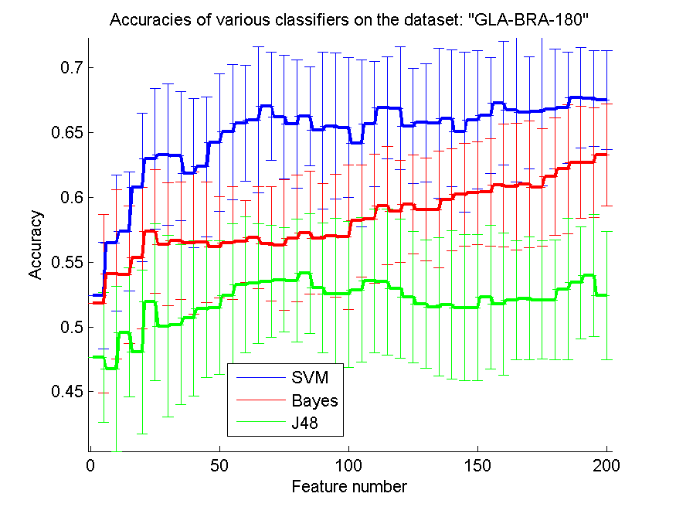
res_svm | res_svm_std | res_bayes | res_bayes_std | res_j48 | res_j48_std | res_red | res_red_std
0.52417582418 | 0.041286797193 | 0.51813186813 | 0.068975080268 | 0.47637362637 | 0.049949287549 | 0.15305984109 | 0.052391191507
0.56483516484 | 0.052326255145 | 0.54065934066 | 0.065119315378 | 0.46758241758 | 0.063625979056 | 0.17403243297 | 0.047500667667
0.57362637363 | 0.046018695509 | 0.54010989011 | 0.053154754234 | 0.4956043956 | 0.04977402076 | 0.1753630464 | 0.037529454401
0.60769230769 | 0.05738924503 | 0.5532967033 | 0.054570731869 | 0.48076923077 | 0.063164806186 | 0.17702497494 | 0.032111511377
0.62967032967 | 0.054199686907 | 0.57362637363 | 0.047647216239 | 0.51923076923 | 0.060597092141 | 0.18636922744 | 0.028291246951
0.63296703297 | 0.054585288334 | 0.56373626374 | 0.047580474063 | 0.50054945055 | 0.069908640704 | 0.19265240747 | 0.034435092161
0.63186813187 | 0.049594930924 | 0.56648351648 | 0.045164842201 | 0.50164835165 | 0.061883996458 | 0.19836153367 | 0.032310630606
0.61868131868 | 0.057499885666 | 0.56483516484 | 0.054817666091 | 0.50659340659 | 0.060073024963 | 0.20441397533 | 0.02880445428
0.62362637363 | 0.053820179994 | 0.56538461538 | 0.046414067159 | 0.51373626374 | 0.052626017413 | 0.20185094987 | 0.025039573629
0.64230769231 | 0.053178662817 | 0.56153846154 | 0.039202156262 | 0.51483516484 | 0.051700009853 | 0.20439013713 | 0.027978704885
0.65054945055 | 0.052107163093 | 0.56483516484 | 0.043724084321 | 0.52417582418 | 0.055359914438 | 0.20925519199 | 0.029103546161
0.65714285714 | 0.044758436938 | 0.56593406593 | 0.031386844537 | 0.53241758242 | 0.052335364076 | 0.20872047234 | 0.028443868676
0.65989010989 | 0.056650793255 | 0.56868131868 | 0.039359912056 | 0.53351648352 | 0.046414067159 | 0.20570032007 | 0.024381451801
0.67032967033 | 0.042034337329 | 0.56428571429 | 0.044140014088 | 0.53516483516 | 0.043388469835 | 0.20268919038 | 0.023851659723
0.66208791209 | 0.047683884617 | 0.56318681319 | 0.050405281373 | 0.53626373626 | 0.04043126125 | 0.20119514672 | 0.024467293043
0.65659340659 | 0.049642964767 | 0.56813186813 | 0.048898012003 | 0.53571428571 | 0.0474165587 | 0.20031290511 | 0.026083237347
0.66263736264 | 0.038083743131 | 0.57252747253 | 0.047419909575 | 0.54120879121 | 0.046468808817 | 0.19939581393 | 0.02689989082
0.65164835165 | 0.060410635068 | 0.56813186813 | 0.04279852437 | 0.53021978022 | 0.050025575165 | 0.19754928053 | 0.02338343447
0.65494505495 | 0.056304749367 | 0.57032967033 | 0.047553750964 | 0.52527472527 | 0.058323000617 | 0.19842621861 | 0.023167477382
0.65384615385 | 0.053893936613 | 0.56923076923 | 0.055531857852 | 0.52527472527 | 0.056327320925 | 0.19680311399 | 0.022711895478
0.64175824176 | 0.064412755786 | 0.58186813187 | 0.043296820732 | 0.52857142857 | 0.055566182687 | 0.19592839583 | 0.023007895992
0.65659340659 | 0.048345732852 | 0.58351648352 | 0.049646165371 | 0.53571428571 | 0.055563323094 | 0.19454758898 | 0.021823591032
0.66923076923 | 0.039525078985 | 0.59340659341 | 0.045658193999 | 0.53461538462 | 0.056628350631 | 0.19429170987 | 0.02077422561
0.66868131868 | 0.047336066535 | 0.58901098901 | 0.039283135808 | 0.52967032967 | 0.053550848029 | 0.19399634151 | 0.021674331073
0.65494505495 | 0.044444938774 | 0.59450549451 | 0.038382965267 | 0.52307692308 | 0.0505972063 | 0.19366074776 | 0.021666008279
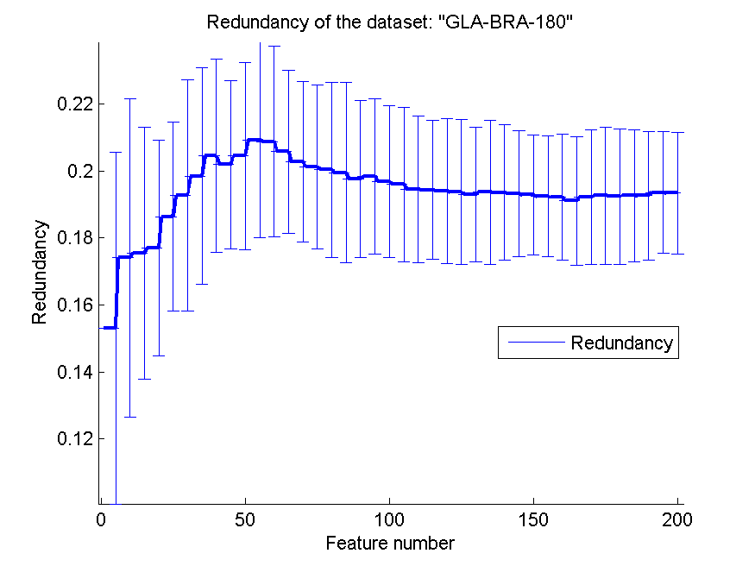
0.65769230769 | 0.045557160902 | 0.59065934066 | 0.039521058736 | 0.51758241758 | 0.04977402076 | 0.19288956382 | 0.019997092967
0.65714285714 | 0.057995156533 | 0.59065934066 | 0.045221096113 | 0.51538461538 | 0.05346770371 | 0.19359926298 | 0.021488007293
0.66098901099 | 0.052915074266 | 0.59835164835 | 0.039456679041 | 0.51703296703 | 0.057208997626 | 0.19356004564 | 0.020214398663
0.65054945055 | 0.061814632719 | 0.6021978022 | 0.039797503187 | 0.51483516484 | 0.056177615371 | 0.19315648806 | 0.018775647074
0.65989010989 | 0.053536010299 | 0.6032967033 | 0.039685554996 | 0.51483516484 | 0.056177615371 | 0.19281266502 | 0.01782507585
0.66318681319 | 0.04456988965 | 0.60384615385 | 0.041344484517 | 0.52307692308 | 0.055394345818 | 0.19232306586 | 0.018005558907
0.67252747253 | 0.047647216239 | 0.60934065934 | 0.047362912456 | 0.51758241758 | 0.055106760312 | 0.19215676834 | 0.018744532048
0.66758241758 | 0.055448818443 | 0.60824175824 | 0.048790661682 | 0.52032967033 | 0.045973787414 | 0.19100887787 | 0.019103042327
0.66538461538 | 0.043296820732 | 0.60989010989 | 0.048819962453 | 0.52197802198 | 0.047500259663 | 0.19212148973 | 0.020157529458
0.66593406593 | 0.057200664803 | 0.60769230769 | 0.045392940054 | 0.52087912088 | 0.045713840813 | 0.1925831281 | 0.020524483859
0.66813186813 | 0.04615660021 | 0.61593406593 | 0.045305346016 | 0.52087912088 | 0.046129052251 | 0.19235390485 | 0.020200929989
0.66923076923 | 0.043064999943 | 0.62197802198 | 0.049837825453 | 0.52912087912 | 0.054454140064 | 0.19255039478 | 0.019799379175
0.67692307692 | 0.038794723084 | 0.62692307692 | 0.043149777275 | 0.53406593407 | 0.043432392711 | 0.19257837125 | 0.019185731793
0.67637362637 | 0.036961580354 | 0.62692307692 | 0.042406912715 | 0.53956043956 | 0.047016099417 | 0.19357050455 | 0.018252064061
0.67527472527 | 0.038146274632 | 0.63296703297 | 0.039444596151 | 0.52417582418 | 0.049671762776 | 0.19340619257 | 0.018184426291

CLL-SUB-111
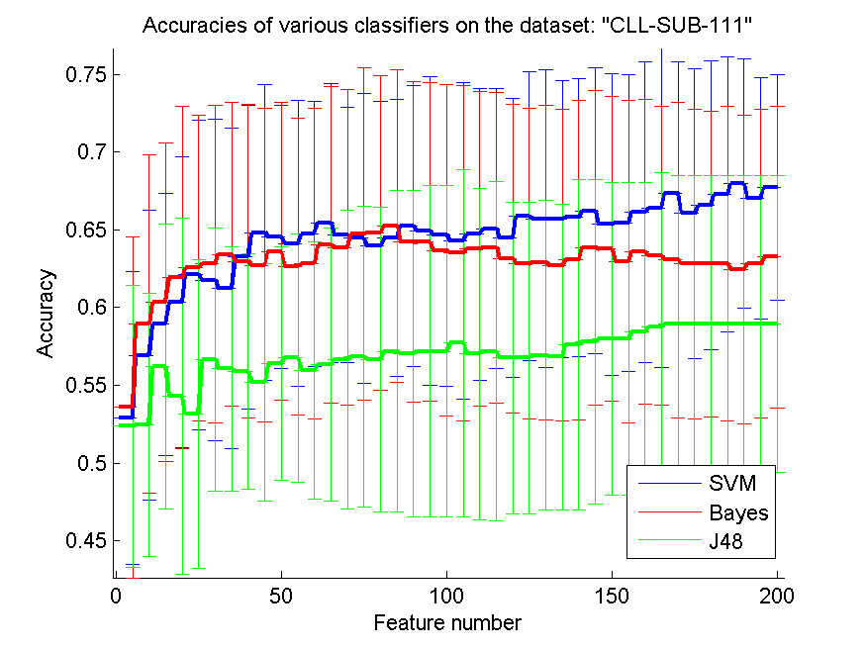
res_svm | res_svm_std | res_bayes | res_bayes_std | res_j48 | res_j48_std | res_red | res_red_std
0.52894736842 | 0.094266298353 | 0.53596491228 | 0.10970543337 | 0.52368421053 | 0.09076432311 | 0.21828555184 | 0.068144745091
0.56929824561 | 0.093264263976 | 0.58947368421 | 0.10910205169 | 0.52456140351 | 0.084406512473 | 0.22593625046 | 0.054019112886
0.58947368421 | 0.084310497753 | 0.60350877193 | 0.10267675056 | 0.56228070175 | 0.091510855133 | 0.23571044376 | 0.047897853027
0.60350877193 | 0.093598025103 | 0.61929824561 | 0.10994512217 | 0.54298245614 | 0.11461603564 | 0.24072791997 | 0.038288767035
0.62105263158 | 0.099634035766 | 0.62543859649 | 0.098139205005 | 0.53157894737 | 0.099422446462 | 0.24383717308 | 0.033384415686
0.61754385965 | 0.10333726029 | 0.62807017544 | 0.10191664078 | 0.56666666667 | 0.084636503396 | 0.24721145164 | 0.039041977028
0.61228070175 | 0.10322746883 | 0.63421052632 | 0.097808518512 | 0.56052631579 | 0.078350053896 | 0.25023991738 | 0.037822084807
0.63245614035 | 0.097675930439 | 0.6298245614 | 0.10100658128 | 0.55877192982 | 0.075785668999 | 0.25091281438 | 0.037838507585
0.64824561404 | 0.094985310774 | 0.62719298246 | 0.10100257173 | 0.55175438596 | 0.076466615268 | 0.25024835138 | 0.034735482062
0.64561403509 | 0.084540749883 | 0.63596491228 | 0.095732769975 | 0.56403508772 | 0.075356952965 | 0.2490738375 | 0.034603202506
0.64122807018 | 0.091864214321 | 0.62631578947 | 0.095601539248 | 0.56754385965 | 0.07974359942 | 0.25057303292 | 0.035215937266
0.64736842105 | 0.0851707337 | 0.62807017544 | 0.099828950923 | 0.55964912281 | 0.0828569266 | 0.25125734002 | 0.036566625973
0.65438596491 | 0.090016098881 | 0.64035087719 | 0.10205959258 | 0.56315789474 | 0.087793136052 | 0.250536106 | 0.032481123217
0.64649122807 | 0.082145147402 | 0.63859649123 | 0.10156635603 | 0.56666666667 | 0.095939833084 | 0.25083031601 | 0.031661166253
0.64473684211 | 0.093159990099 | 0.64736842105 | 0.10692744038 | 0.56842105263 | 0.09666315582 | 0.2502387708 | 0.028413356189
0.63947368421 | 0.092916229311 | 0.64824561404 | 0.10125886286 | 0.56666666667 | 0.097779530234 | 0.25093556682 | 0.029368716258
0.64473684211 | 0.088888787643 | 0.65263157895 | 0.10047593729 | 0.57192982456 | 0.10314897481 | 0.25189053694 | 0.029099586915
0.65263157895 | 0.090285635662 | 0.64210526316 | 0.1029918073 | 0.5701754386 | 0.10503206397 | 0.25210437246 | 0.028131230911
0.64912280702 | 0.099406151707 | 0.64210526316 | 0.10251885911 | 0.57192982456 | 0.10685166443 | 0.2528224238 | 0.027471237609
0.64649122807 | 0.096809681834 | 0.63684210526 | 0.10635018901 | 0.57192982456 | 0.10685166443 | 0.25407479379 | 0.028053946493
0.64298245614 | 0.10186497 | 0.6350877193 | 0.10793770586 | 0.57719298246 | 0.11152504258 | 0.25475017657 | 0.027442705266
0.64736842105 | 0.093857275969 | 0.63771929825 | 0.10122686196 | 0.5701754386 | 0.10641109978 | 0.25474657692 | 0.02626646817
0.65087719298 | 0.090339446515 | 0.63859649123 | 0.099958683208 | 0.57192982456 | 0.10895347195 | 0.25398684338 | 0.025202323587
0.64473684211 | 0.089795377011 | 0.63157894737 | 0.099406151707 | 0.56754385965 | 0.10042352522 | 0.25302088738 | 0.02562717057
0.65877192982 | 0.093090409292 | 0.62807017544 | 0.099828950923 | 0.56754385965 | 0.10042352522 | 0.25311909608 | 0.02595818045
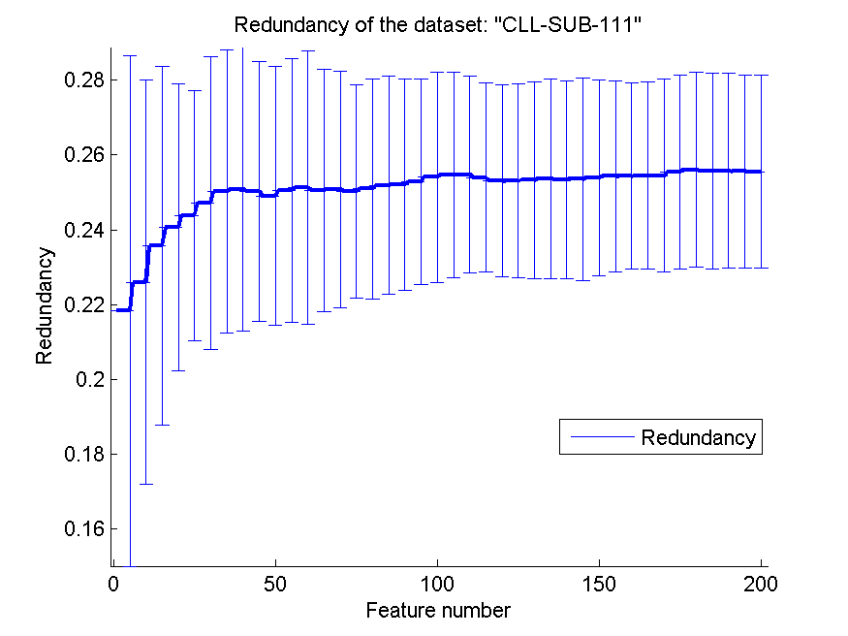
0.65701754386 | 0.095834244541 | 0.62894736842 | 0.10138676548 | 0.56929824561 | 0.099646229134 | 0.25332517016 | 0.026243256315
0.65701754386 | 0.089179898975 | 0.62719298246 | 0.10019743675 | 0.56842105263 | 0.098324727413 | 0.2537265508 | 0.026639320497
0.65789473684 | 0.089546979918 | 0.63070175439 | 0.10284621352 | 0.57631578947 | 0.10637684176 | 0.25343335139 | 0.026492458219
0.66228070175 | 0.091758349446 | 0.63859649123 | 0.10108673888 | 0.57807017544 | 0.10425416697 | 0.25351929486 | 0.027076063303
0.65350877193 | 0.096910028771 | 0.63771929825 | 0.097974001277 | 0.5798245614 | 0.10061691099 | 0.25396554666 | 0.026128918887
0.65438596491 | 0.095262044073 | 0.6298245614 | 0.1036971852 | 0.5798245614 | 0.10061691099 | 0.25436641422 | 0.025510315074
0.66140350877 | 0.096612867172 | 0.63596491228 | 0.097742246958 | 0.58421052632 | 0.096445048968 | 0.25434090043 | 0.024891386059
0.66403508772 | 0.10265702741 | 0.63333333333 | 0.096243280862 | 0.58771929825 | 0.098834142797 | 0.25447684989 | 0.025045840723
0.67368421053 | 0.084693903541 | 0.63070175439 | 0.10141871593 | 0.58947368421 | 0.095482853244 | 0.25454610891 | 0.025783941038
0.66052631579 | 0.093055599378 | 0.62807017544 | 0.09950388021 | 0.58947368421 | 0.095482853244 | 0.25547911952 | 0.025970204432
0.66578947368 | 0.092916229311 | 0.62807017544 | 0.098522232923 | 0.58947368421 | 0.095482853244 | 0.25603203353 | 0.026045398057
0.67280701754 | 0.088596719782 | 0.62807017544 | 0.10111878413 | 0.58947368421 | 0.095482853244 | 0.25574143749 | 0.026141949042
0.6798245614 | 0.080067967758 | 0.62456140351 | 0.099145071409 | 0.58947368421 | 0.095482853244 | 0.25582760069 | 0.025981933454
0.6701754386 | 0.077544737046 | 0.62807017544 | 0.099177744032 | 0.58947368421 | 0.095482853244 | 0.25565681826 | 0.025751389117
0.67719298246 | 0.072759443345 | 0.63245614035 | 0.097177114018 | 0.58947368421 | 0.095482853244 | 0.25555603152 | 0.025726907023

BASEHOCK
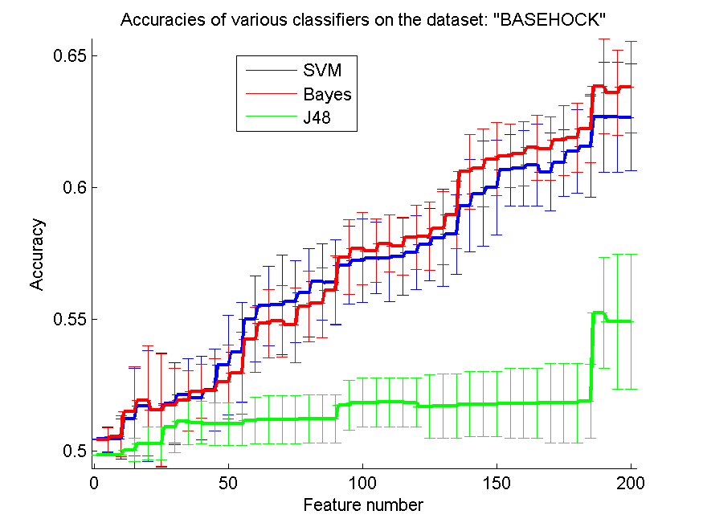
res_svm | res_svm_std | res_bayes | res_bayes_std | res_j48 | res_j48_std | res_red | res_red_std
0.5044896821 | 0.0046958979165 | 0.50412716118 | 0.0046236105082 | 0.49860568879 | 1.1390647893E-16 | 0.0069451288816 | 0.0076353110242
0.50457334077 | 0.0076108664101 | 0.50560513107 | 0.0077818371907 | 0.49860568879 | 1.1390647893E-16 | 0.026747952239 | 0.011557796921
0.5122141662 | 0.019079172019 | 0.51505856107 | 0.017018414661 | 0.50044617959 | 0.0045637369656 | 0.020427511536 | 0.0045445539471
0.51715002789 | 0.021060149007 | 0.51907417736 | 0.020860371198 | 0.50284439487 | 0.0061586735212 | 0.018568167493 | 0.0024604012635
0.51553262688 | 0.021783426317 | 0.51547685443 | 0.021265152673 | 0.50284439487 | 0.0061586735212 | 0.016736209735 | 0.002019688845
0.51793084216 | 0.015585092069 | 0.51726157278 | 0.014256581376 | 0.50906302287 | 0.0097911605851 | 0.015815205655 | 0.0017129319295
0.52122141662 | 0.013660774873 | 0.51904629113 | 0.01154010277 | 0.51123814835 | 0.0087199647884 | 0.019078002064 | 0.0021954509846
0.52007808143 | 0.015860219454 | 0.52264361405 | 0.010123324048 | 0.51073619632 | 0.0080900410621 | 0.024859005136 | 0.0023610205027
0.52314556609 | 0.015482572103 | 0.5226993865 | 0.012264066461 | 0.51023424428 | 0.0080258390157 | 0.026412488903 | 0.0018090020715
0.5325989961 | 0.018834836029 | 0.52624093698 | 0.014014523443 | 0.51023424428 | 0.0080258390157 | 0.026987128792 | 0.0016567167568
0.53733965421 | 0.018911171688 | 0.52964305633 | 0.015521936954 | 0.51023424428 | 0.0080258390157 | 0.024676633954 | 0.0015037659706
0.5501115449 | 0.016378973253 | 0.54224762967 | 0.012407761798 | 0.51168432794 | 0.0088099936931 | 0.023946806095 | 0.00129571744
0.55501952036 | 0.014997309679 | 0.54829894032 | 0.013039558513 | 0.51193530396 | 0.0091659560639 | 0.023045046432 | 0.0011360554216
0.55552147239 | 0.018925017818 | 0.54924707195 | 0.013454435855 | 0.51193530396 | 0.0091659560639 | 0.022588173871 | 0.0009760247056
0.55663692136 | 0.015493644496 | 0.54768544339 | 0.014173111095 | 0.51193530396 | 0.0091659560639 | 0.022391280931 | 0.00098355550953
0.55995538204 | 0.016842910062 | 0.55482431679 | 0.013506657047 | 0.51210262131 | 0.0092135217657 | 0.021720216192 | 0.00095951052174
0.56413831567 | 0.014452774568 | 0.55619074177 | 0.013205455692 | 0.51210262131 | 0.0092135217657 | 0.02170607488 | 0.0011190273776
0.56397099833 | 0.016162973248 | 0.56098717234 | 0.01299979212 | 0.51210262131 | 0.0092135217657 | 0.021154022377 | 0.0010462906725
0.57044060234 | 0.014786592623 | 0.57356385945 | 0.014045941308 | 0.51745677635 | 0.0093999851132 | 0.022321674111 | 0.0011264531414
0.57211377579 | 0.015896409451 | 0.57679866146 | 0.013784995981 | 0.51840490798 | 0.0093719027443 | 0.023446133447 | 0.0012332073493
0.57317345231 | 0.013539948729 | 0.57598996096 | 0.012153134494 | 0.51840490798 | 0.0093719027443 | 0.023126946042 | 0.0011298057298
0.57306190742 | 0.016404167213 | 0.57869492471 | 0.010812256618 | 0.51846068042 | 0.0093769672692 | 0.023102293492 | 0.0010809144223
0.57367540435 | 0.01458683693 | 0.57774679308 | 0.011011054181 | 0.51846068042 | 0.0093769672692 | 0.02361491064 | 0.0010743977909
0.57526491913 | 0.013898393077 | 0.58106525376 | 0.012290302712 | 0.51840490798 | 0.0093158355206 | 0.025001578689 | 0.0010793706086
0.5782208589 | 0.013692376713 | 0.58148354713 | 0.012922901269 | 0.51678750697 | 0.012042879988 | 0.027894760868 | 0.0012536754263
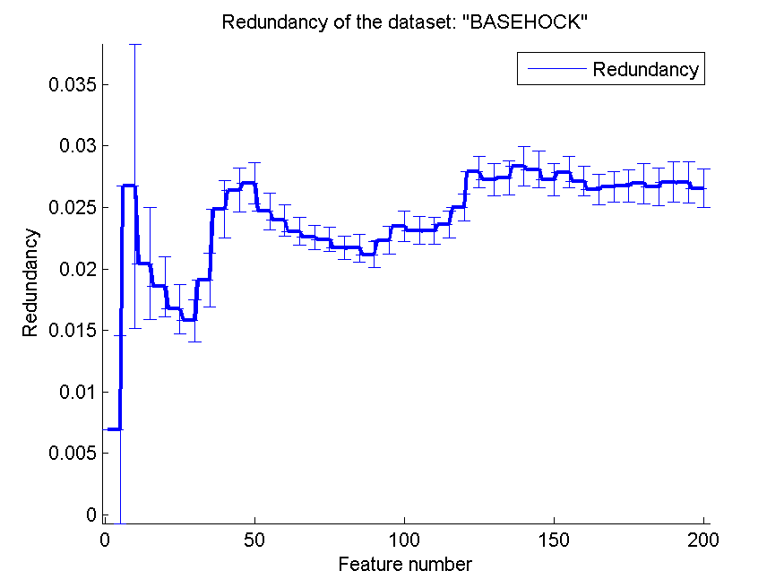
0.5808700502 | 0.018450217353 | 0.58449525934 | 0.013824605734 | 0.51698271054 | 0.012257223148 | 0.027287158934 | 0.0013157272568
0.58215281651 | 0.015054320463 | 0.58968209704 | 0.01281054987 | 0.51698271054 | 0.012257223148 | 0.027388223719 | 0.0013940945575
0.59302844395 | 0.017528882156 | 0.60591187953 | 0.014080864719 | 0.51773563859 | 0.012396178232 | 0.028341666706 | 0.0016193385337
0.59754601227 | 0.01993849122 | 0.60727830452 | 0.014805043316 | 0.51773563859 | 0.012396178232 | 0.028093298388 | 0.0015110099083
0.59986056888 | 0.018035590598 | 0.61073619632 | 0.013802650591 | 0.51773563859 | 0.012396178232 | 0.027260097751 | 0.0013194360749
0.60655326269 | 0.013489525289 | 0.61196319018 | 0.011923302597 | 0.51809815951 | 0.013349227338 | 0.027877229204 | 0.0012469669906
0.60730619074 | 0.014228332939 | 0.61279977691 | 0.012151787327 | 0.51809815951 | 0.013349227338 | 0.027149277258 | 0.0012052299898
0.60847741216 | 0.01551215128 | 0.61503067485 | 0.012218963754 | 0.51809815951 | 0.013349227338 | 0.026440488892 | 0.0012424058359
0.60585610708 | 0.014736129885 | 0.61464026771 | 0.012041622453 | 0.51823759063 | 0.015056495283 | 0.026678491298 | 0.001269264478
0.60931399888 | 0.01265419549 | 0.61781929727 | 0.013258657566 | 0.51823759063 | 0.015056495283 | 0.026745175139 | 0.0012956538452
0.61360847741 | 0.015733887435 | 0.61896263246 | 0.013114298737 | 0.51823759063 | 0.015056495283 | 0.026946970906 | 0.0016472766267
0.61544896821 | 0.019210094419 | 0.62228109314 | 0.012915900017 | 0.51893474624 | 0.014063501162 | 0.026687426203 | 0.0015432159585
0.62668711656 | 0.020890309785 | 0.63823201339 | 0.017924323085 | 0.55231455661 | 0.021089842809 | 0.027071040481 | 0.001650039075
0.62674288901 | 0.020880589843 | 0.63586168433 | 0.016174414916 | 0.54910764083 | 0.025689427537 | 0.027022955 | 0.0016686635908
0.62651979922 | 0.020221302898 | 0.63792526492 | 0.017408453689 | 0.54910764083 | 0.025689427537 | 0.026555091565 | 0.0015464592991

