warpAR10P
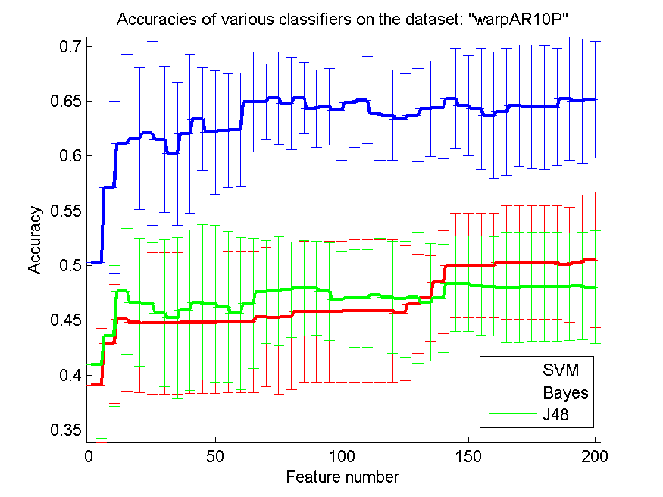
res_svm | res_svm_std | res_bayes | res_bayes_std | res_j48 | res_j48_std | res_red | res_red_std
0.50285714286 | 0.081553129902 | 0.39071428571 | 0.052083342284 | 0.40928571429 | 0.066728846763 | 0.76174154616 | 0.014168224635
0.57142857143 | 0.078383233263 | 0.42857142857 | 0.054051731596 | 0.43571428571 | 0.064306596441 | 0.8462748283 | 0.011201405122
0.61142857143 | 0.081421316126 | 0.45071428571 | 0.065132270608 | 0.47642857143 | 0.057382018314 | 0.52025454178 | 0.016005923151
0.61571428571 | 0.064373373818 | 0.44785714286 | 0.064269003676 | 0.46642857143 | 0.05849435604 | 0.50995023222 | 0.031376312026
0.62071428571 | 0.083874362593 | 0.44714285714 | 0.064739418181 | 0.46571428571 | 0.05530891666 | 0.51443981913 | 0.030052806451
0.615 | 0.06676103239 | 0.44714285714 | 0.064739418181 | 0.45642857143 | 0.066921728332 | 0.49756130151 | 0.025127138726
0.60214285714 | 0.065428440096 | 0.44714285714 | 0.064739418181 | 0.45214285714 | 0.073177828811 | 0.47835014799 | 0.020049265986
0.62 | 0.072606823409 | 0.44785714286 | 0.064768446522 | 0.45928571429 | 0.073177828811 | 0.47033077909 | 0.018603546728
0.63357142857 | 0.047101827668 | 0.44785714286 | 0.064768446522 | 0.46642857143 | 0.071093197633 | 0.46627320678 | 0.016663418986
0.62142857143 | 0.056481130942 | 0.44785714286 | 0.064768446522 | 0.465 | 0.071724949032 | 0.45227752322 | 0.01404632828
0.62285714286 | 0.051695215193 | 0.44857142857 | 0.064623174422 | 0.46214285714 | 0.068633274115 | 0.42159082592 | 0.011473015878
0.62357142857 | 0.051669236391 | 0.44857142857 | 0.064623174422 | 0.45642857143 | 0.069442308118 | 0.40076706886 | 0.010235813939
0.64928571429 | 0.045524748053 | 0.44857142857 | 0.064623174422 | 0.46571428571 | 0.059427993057 | 0.38290894811 | 0.0090489162627
0.64928571429 | 0.034831187181 | 0.45285714286 | 0.063736164017 | 0.47571428571 | 0.047061903608 | 0.37520396511 | 0.008095230315
0.65285714286 | 0.041996368315 | 0.45214285714 | 0.069565939787 | 0.47642857143 | 0.049763133896 | 0.3636319256 | 0.0076789827509
0.64785714286 | 0.042295822811 | 0.45285714286 | 0.066053391157 | 0.47785714286 | 0.043349304391 | 0.37701842908 | 0.0076906780743
0.65285714286 | 0.032477373765 | 0.45785714286 | 0.064302420553 | 0.47928571429 | 0.043596381367 | 0.39234303965 | 0.0074650502694
0.64285714286 | 0.035298329607 | 0.45785714286 | 0.064302420553 | 0.47928571429 | 0.042599476051 | 0.40025100258 | 0.0071237202154
0.645 | 0.034769457071 | 0.45785714286 | 0.064302420553 | 0.47642857143 | 0.044522770819 | 0.40179669209 | 0.0068668448514
0.64142857143 | 0.045151612361 | 0.45785714286 | 0.064302420553 | 0.46857142857 | 0.044601108298 | 0.40436516886 | 0.0066261772858
0.64857142857 | 0.041039134083 | 0.45857142857 | 0.064872013134 | 0.47 | 0.044673297892 | 0.41552495265 | 0.0065831654489
0.65071428571 | 0.039729212319 | 0.45857142857 | 0.064872013134 | 0.47 | 0.044673297892 | 0.42291642309 | 0.0062832768338
0.63857142857 | 0.042756774703 | 0.45857142857 | 0.064872013134 | 0.47285714286 | 0.051799000111 | 0.42097487663 | 0.0057614059183
0.63714285714 | 0.04130003394 | 0.45857142857 | 0.064872013134 | 0.47071428571 | 0.05108384885 | 0.41578628762 | 0.0054561919272
0.63357142857 | 0.041267511662 | 0.45642857143 | 0.061571786193 | 0.46928571429 | 0.052698400117 | 0.41187473984 | 0.0052076961252
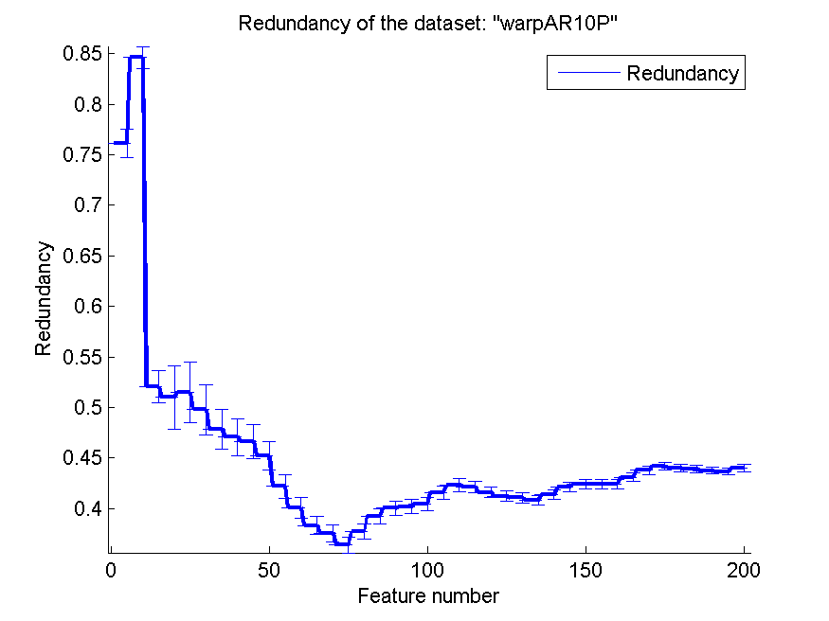
0.63714285714 | 0.042580561164 | 0.465 | 0.045050395459 | 0.47071428571 | 0.059981200062 | 0.41041805624 | 0.0049854269045
0.64285714286 | 0.043479194872 | 0.47 | 0.039301090634 | 0.46642857143 | 0.053707846359 | 0.40777084645 | 0.0048490989086
0.64357142857 | 0.045994208761 | 0.485 | 0.047147413769 | 0.47 | 0.049247833323 | 0.41352600698 | 0.0047561496154
0.65214285714 | 0.045477535442 | 0.5 | 0.047493569015 | 0.48357142857 | 0.043547078121 | 0.42099968406 | 0.0046415634316
0.64571428571 | 0.045554231087 | 0.5 | 0.047493569015 | 0.48357142857 | 0.043547078121 | 0.42394192915 | 0.0045174455443
0.64285714286 | 0.054840849711 | 0.5 | 0.047493569015 | 0.48142857143 | 0.045199165415 | 0.42411359245 | 0.0044291190527
0.63714285714 | 0.057592218116 | 0.5 | 0.047493569015 | 0.48071428571 | 0.045240733336 | 0.42393440511 | 0.0043064561539
0.64 | 0.058001074104 | 0.50285714286 | 0.051943950624 | 0.48 | 0.050219710613 | 0.43063107017 | 0.0042833987766
0.64571428571 | 0.055347743563 | 0.50285714286 | 0.051943950624 | 0.48 | 0.050219710613 | 0.43780648085 | 0.0041832022284
0.645 | 0.056438325987 | 0.50285714286 | 0.051943950624 | 0.48071428571 | 0.049978513106 | 0.44171535405 | 0.0040068814456
0.64428571429 | 0.056366912158 | 0.50285714286 | 0.051943950624 | 0.48071428571 | 0.049978513106 | 0.44016449572 | 0.0038496394825
0.64428571429 | 0.053230746306 | 0.50285714286 | 0.051943950624 | 0.48071428571 | 0.049978513106 | 0.43876029612 | 0.0037315669382
0.65214285714 | 0.056247687624 | 0.50071428571 | 0.052739148934 | 0.48071428571 | 0.049111329282 | 0.43749431357 | 0.0036376775692
0.65 | 0.056670984019 | 0.50285714286 | 0.06141895361 | 0.48142857143 | 0.048853669137 | 0.43650865697 | 0.0035932212753
0.65142857143 | 0.053129758269 | 0.505 | 0.061884997809 | 0.48 | 0.05148701775 | 0.43993154283 | 0.0035206936578

TOX-171
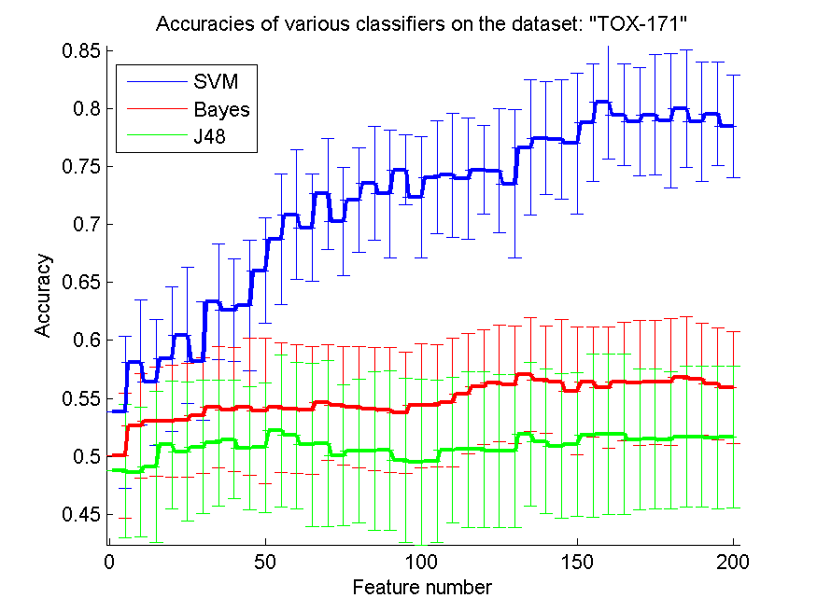
res_svm | res_svm_std | res_bayes | res_bayes_std | res_j48 | res_j48_std | res_red | res_red_std
0.53793103448 | 0.065617460841 | 0.50057471264 | 0.053845068772 | 0.48735632184 | 0.05745916388 | 0.49699134705 | 0.038267483581
0.58103448276 | 0.053586165632 | 0.52643678161 | 0.045306667954 | 0.48620689655 | 0.055950850459 | 0.5336244219 | 0.026917153675
0.56379310345 | 0.054231105992 | 0.52988505747 | 0.047008987075 | 0.4908045977 | 0.065564453755 | 0.33700293598 | 0.01322942699
0.58390804598 | 0.062357332422 | 0.52988505747 | 0.048321932328 | 0.50977011494 | 0.054969757875 | 0.2695361881 | 0.0092128023955
0.60459770115 | 0.058775284567 | 0.53103448276 | 0.048851464353 | 0.50402298851 | 0.059816051034 | 0.22925484474 | 0.0066312258428
0.58218390805 | 0.051169983022 | 0.53505747126 | 0.049680680639 | 0.50804597701 | 0.057604201967 | 0.20101414922 | 0.0049385890473
0.63333333333 | 0.050018944892 | 0.54252873563 | 0.052155891112 | 0.51149425287 | 0.054490135068 | 0.1811130554 | 0.0037310275982
0.62586206897 | 0.044356655828 | 0.54022988506 | 0.053394420239 | 0.51436781609 | 0.050979379789 | 0.17016764596 | 0.0028820560777
0.63045977011 | 0.056344057743 | 0.54252873563 | 0.059152657847 | 0.50689655172 | 0.05285777928 | 0.16811714118 | 0.0024638416984
0.66034482759 | 0.045287479156 | 0.53908045977 | 0.063166122593 | 0.50747126437 | 0.056220509611 | 0.16990537002 | 0.0024385938813
0.68735632184 | 0.056752921424 | 0.54195402299 | 0.056344057743 | 0.52183908046 | 0.065277471709 | 0.16823760398 | 0.0021935511155
0.70862068966 | 0.055972595231 | 0.5408045977 | 0.055623658809 | 0.51781609195 | 0.063339267379 | 0.15947344201 | 0.0019111503036
0.69712643678 | 0.046319804987 | 0.53965517241 | 0.055373072294 | 0.50977011494 | 0.070685843326 | 0.16092425939 | 0.0019013006158
0.72643678161 | 0.047989818892 | 0.54655172414 | 0.049820449323 | 0.51091954023 | 0.071487950112 | 0.16024024871 | 0.0017422219431
0.70287356322 | 0.046767999316 | 0.54367816092 | 0.051281971048 | 0.50057471264 | 0.060761817993 | 0.15649368802 | 0.0015043263689
0.72126436782 | 0.04488649239 | 0.54252873563 | 0.05255433763 | 0.50459770115 | 0.062279225327 | 0.15576492614 | 0.0013476224521
0.73563218391 | 0.049050337086 | 0.5408045977 | 0.052933367898 | 0.50459770115 | 0.068753454969 | 0.15358729284 | 0.0012367224022
0.72643678161 | 0.054884305224 | 0.53965517241 | 0.053974054629 | 0.50517241379 | 0.068912562852 | 0.15111394651 | 0.0011274111802
0.74712643678 | 0.030296392076 | 0.53735632184 | 0.052325601609 | 0.49655172414 | 0.070816067455 | 0.14964871117 | 0.001025665169
0.72356321839 | 0.052139223095 | 0.54367816092 | 0.053796619344 | 0.49482758621 | 0.071293146425 | 0.14718464852 | 0.0010160650412
0.7408045977 | 0.048691067298 | 0.54367816092 | 0.05275243233 | 0.49540229885 | 0.069956581351 | 0.1481815313 | 0.00097997438794
0.74252873563 | 0.05370606347 | 0.54655172414 | 0.055748529678 | 0.50517241379 | 0.06289860272 | 0.14926675401 | 0.00094271229047
0.73965517241 | 0.052643572491 | 0.55402298851 | 0.052155891112 | 0.50574712644 | 0.066918605246 | 0.14806762299 | 0.00097279721633
0.74712643678 | 0.038213216449 | 0.55977011494 | 0.049768082065 | 0.50574712644 | 0.066918605246 | 0.14884533341 | 0.00095900209614
0.74655172414 | 0.053326005504 | 0.5632183908 | 0.050310037232 | 0.50459770115 | 0.065860743951 | 0.14929663326 | 0.00090485621426
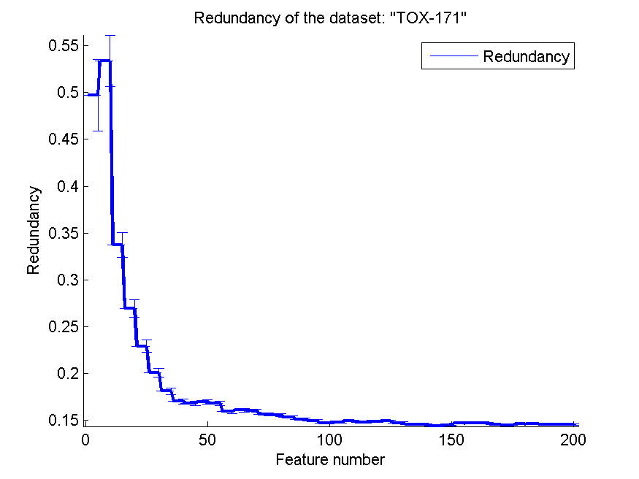
0.73505747126 | 0.064103141781 | 0.56149425287 | 0.050623498441 | 0.50459770115 | 0.065860743951 | 0.14750772626 | 0.00084927676503
0.76666666667 | 0.058264340426 | 0.57068965517 | 0.04937179677 | 0.51896551724 | 0.062097526534 | 0.14580513621 | 0.0008243470127
0.77471264368 | 0.048393829307 | 0.56609195402 | 0.046259717652 | 0.51264367816 | 0.062335026096 | 0.14587538396 | 0.00078670544314
0.77356321839 | 0.051821512161 | 0.56379310345 | 0.054102732973 | 0.50862068966 | 0.062499348099 | 0.14436321901 | 0.00072774567196
0.77011494253 | 0.060936088793 | 0.55632183908 | 0.055237912321 | 0.51034482759 | 0.061887211202 | 0.14447871601 | 0.0006715745221
0.78793103448 | 0.050650962704 | 0.56379310345 | 0.047534859824 | 0.51781609195 | 0.070607101152 | 0.14687194317 | 0.00064474129544
0.80574712644 | 0.048751723764 | 0.5591954023 | 0.052378730803 | 0.51896551724 | 0.068993239034 | 0.14729402063 | 0.00063838633417
0.79482758621 | 0.044168137224 | 0.56436781609 | 0.051254844905 | 0.51896551724 | 0.068993239034 | 0.14736464806 | 0.00060964616628
0.78908045977 | 0.046619079979 | 0.5632183908 | 0.053912824826 | 0.51436781609 | 0.060807576688 | 0.1454922047 | 0.00058988335965
0.79482758621 | 0.051710692613 | 0.56379310345 | 0.053456243836 | 0.51494252874 | 0.060431907901 | 0.14511781597 | 0.00057607815129
0.78965517241 | 0.058144872717 | 0.56379310345 | 0.054868466055 | 0.51379310345 | 0.058976064784 | 0.14606382734 | 0.00056364516849
0.8 | 0.050503166684 | 0.5683908046 | 0.051737579755 | 0.51666666667 | 0.060876150238 | 0.14654853899 | 0.00057295883241
0.78908045977 | 0.051710692613 | 0.56666666667 | 0.048206674126 | 0.51666666667 | 0.060876150238 | 0.14570321208 | 0.00054896574858
0.79540229885 | 0.04468853984 | 0.56264367816 | 0.048548047259 | 0.51609195402 | 0.061943365111 | 0.14596368642 | 0.0005180650934
0.78505747126 | 0.044140577658 | 0.5591954023 | 0.048662496917 | 0.51666666667 | 0.06110417295 | 0.14568296734 | 0.00050210114731

SMK-CAN-187
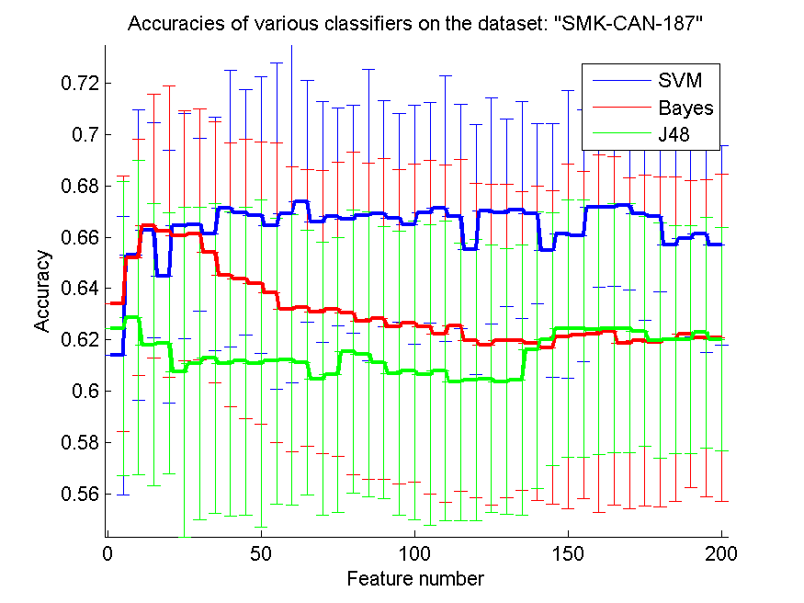
res_svm | res_svm_std | res_bayes | res_bayes_std | res_j48 | res_j48_std | res_red | res_red_std
0.61382978723 | 0.054365542473 | 0.63404255319 | 0.049706675765 | 0.62446808511 | 0.057351337033 | 0.38814378872 | 0.13856109222
0.65319148936 | 0.056651203368 | 0.65212765957 | 0.045932451417 | 0.62872340426 | 0.061345845528 | 0.40386630381 | 0.14144502015
0.66276595745 | 0.042003731436 | 0.66436170213 | 0.051597043426 | 0.61808510638 | 0.054888929199 | 0.36419645215 | 0.090608198237
0.64468085106 | 0.049225010568 | 0.66223404255 | 0.056910838047 | 0.61861702128 | 0.050993208911 | 0.35553381514 | 0.067425278818
0.66436170213 | 0.043995029837 | 0.66063829787 | 0.04879965378 | 0.60744680851 | 0.064285421188 | 0.40141834912 | 0.05893821348
0.66489361702 | 0.033729665133 | 0.66117021277 | 0.048967198888 | 0.61063829787 | 0.060907342083 | 0.43534655279 | 0.052202372212
0.66117021277 | 0.045564634349 | 0.65425531915 | 0.050902601011 | 0.61276595745 | 0.06041638339 | 0.46472256861 | 0.047186109842
0.67127659574 | 0.053903410474 | 0.64521276596 | 0.051458325908 | 0.61063829787 | 0.059422298059 | 0.48273212553 | 0.041835987633
0.66968085106 | 0.047760227062 | 0.64361702128 | 0.05451871597 | 0.61170212766 | 0.060129790604 | 0.48894895243 | 0.036900054099
0.66861702128 | 0.05394483322 | 0.6420212766 | 0.055037940609 | 0.61063829787 | 0.063773771614 | 0.49079562428 | 0.032578345695
0.66436170213 | 0.063687317673 | 0.63829787234 | 0.058370492855 | 0.61170212766 | 0.055814390989 | 0.51128647756 | 0.030357501214
0.66914893617 | 0.065841750929 | 0.63191489362 | 0.055589827915 | 0.61223404255 | 0.05676411987 | 0.51905772834 | 0.027732993108
0.67393617021 | 0.047107236746 | 0.63244680851 | 0.053856426182 | 0.61117021277 | 0.051712357109 | 0.52714420693 | 0.02587579373
0.66595744681 | 0.047123039771 | 0.63085106383 | 0.055342832384 | 0.60478723404 | 0.053166287423 | 0.51852102685 | 0.023852186187
0.66808510638 | 0.042497163563 | 0.63191489362 | 0.057486196111 | 0.60638297872 | 0.053581993215 | 0.5072077199 | 0.021795568552
0.6670212766 | 0.04434900498 | 0.63031914894 | 0.062972499768 | 0.61542553191 | 0.055146059642 | 0.51516798294 | 0.020700356593
0.66861702128 | 0.056952688103 | 0.62712765957 | 0.061691990518 | 0.61436170213 | 0.05553354526 | 0.52834076776 | 0.019789468013
0.66914893617 | 0.04418753962 | 0.62819148936 | 0.062459631718 | 0.61117021277 | 0.053076583615 | 0.53111487864 | 0.01894144234
0.66755319149 | 0.040820694899 | 0.625 | 0.061246240304 | 0.60691489362 | 0.055383178553 | 0.52814787319 | 0.017999095244
0.66489361702 | 0.046499540195 | 0.62659574468 | 0.062117764479 | 0.6079787234 | 0.058194196727 | 0.52622258628 | 0.017009838624
0.66968085106 | 0.043036864868 | 0.625 | 0.065111707399 | 0.60638297872 | 0.058675833175 | 0.53365713089 | 0.016369935128
0.67127659574 | 0.051876236227 | 0.62234042553 | 0.065896008665 | 0.6079787234 | 0.05839854885 | 0.52748542516 | 0.015355794514
0.66808510638 | 0.043740436655 | 0.62553191489 | 0.0647194439 | 0.60372340426 | 0.054121214058 | 0.53292958074 | 0.014686839928
0.65531914894 | 0.048738585487 | 0.61968085106 | 0.061343418057 | 0.60425531915 | 0.054747672689 | 0.53520624974 | 0.014108030874
0.67021276596 | 0.04406605234 | 0.61808510638 | 0.062595380034 | 0.60478723404 | 0.052148223656 | 0.53137950627 | 0.013643734799
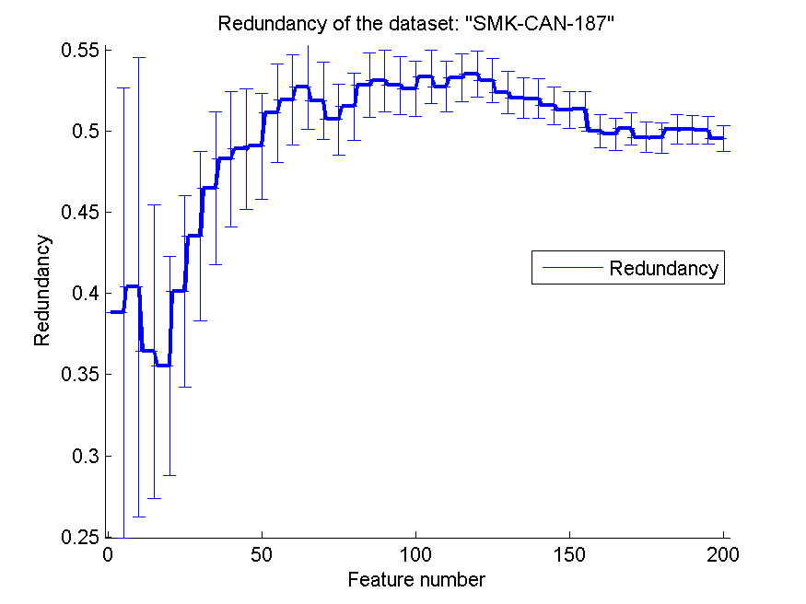
0.66968085106 | 0.036604825822 | 0.61968085106 | 0.061148908116 | 0.60372340426 | 0.051873365616 | 0.52360217549 | 0.012984436459
0.67074468085 | 0.042339187521 | 0.61968085106 | 0.058255577631 | 0.60425531915 | 0.052639917378 | 0.52030261686 | 0.012482625525
0.66914893617 | 0.035181805032 | 0.61861702128 | 0.061187859571 | 0.61595744681 | 0.054013800536 | 0.51999433164 | 0.012078187007
0.65478723404 | 0.049475459721 | 0.6170212766 | 0.061063615187 | 0.62021276596 | 0.049188695543 | 0.51572961587 | 0.01166257899
0.66117021277 | 0.056109756566 | 0.62127659574 | 0.067229364658 | 0.62446808511 | 0.050148097367 | 0.51308560707 | 0.011225719302
0.66063829787 | 0.049043166539 | 0.62180851064 | 0.063780776257 | 0.62446808511 | 0.050148097367 | 0.51337356908 | 0.010888262095
0.67180851064 | 0.031307204439 | 0.62234042553 | 0.069845317647 | 0.62393617021 | 0.04860090127 | 0.50000998978 | 0.010345171817
0.67180851064 | 0.03092434437 | 0.62340425532 | 0.067934463806 | 0.62446808511 | 0.048579448654 | 0.49824995998 | 0.0099518898097
0.67234042553 | 0.032852955286 | 0.61861702128 | 0.064505106175 | 0.62446808511 | 0.048579448654 | 0.50141527095 | 0.0097645766395
0.66914893617 | 0.041547465559 | 0.61968085106 | 0.06456048726 | 0.62340425532 | 0.044790033507 | 0.49615934208 | 0.0094198050859
0.66808510638 | 0.02920564856 | 0.61914893617 | 0.064442745566 | 0.61968085106 | 0.045903264274 | 0.49578298447 | 0.0091558768154
0.65691489362 | 0.037153969251 | 0.62021276596 | 0.063276813383 | 0.62021276596 | 0.044483111742 | 0.50095817014 | 0.0089651449681
0.65957446809 | 0.03827920411 | 0.62234042553 | 0.059831870734 | 0.62021276596 | 0.044483111742 | 0.50099151728 | 0.0087151841471
0.66117021277 | 0.046084572836 | 0.62074468085 | 0.061865540259 | 0.62287234043 | 0.044932767144 | 0.50050162869 | 0.0084374158799
0.65691489362 | 0.038877503701 | 0.62074468085 | 0.063762095499 | 0.62021276596 | 0.043535690157 | 0.49542993561 | 0.0081974634112

RELATHE
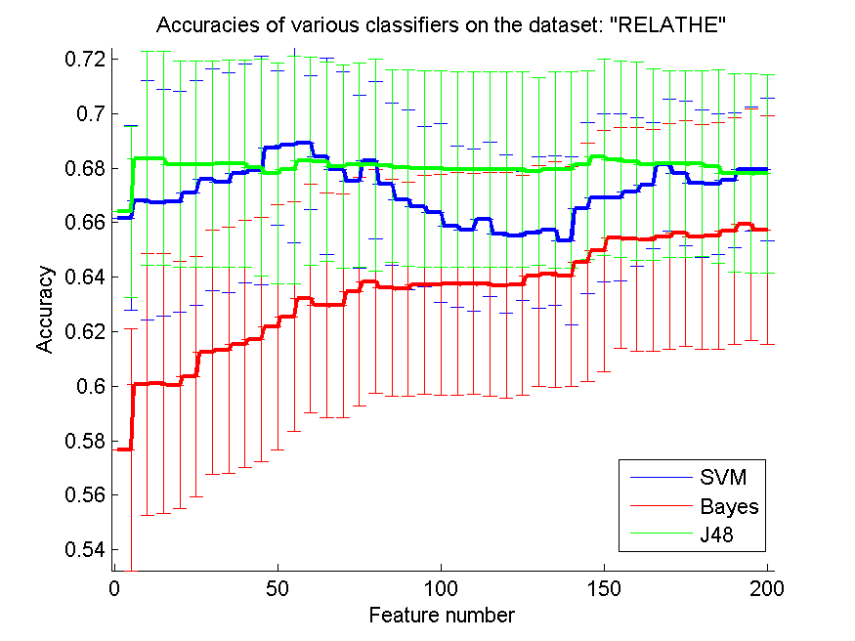
res_svm | res_svm_std | res_bayes | res_bayes_std | res_j48 | res_j48_std | res_red | res_red_std
0.66177669112 | 0.033748476844 | 0.57669111654 | 0.044386591827 | 0.66393643032 | 0.031371660467 | 0.21180994989 | 0.14219553749
0.66813365933 | 0.043975291951 | 0.60057049715 | 0.048010108782 | 0.68357783211 | 0.039244602657 | 0.16506202965 | 0.083544488965
0.66723716381 | 0.041574547432 | 0.60097799511 | 0.047679479612 | 0.68357783211 | 0.039244602657 | 0.090446119702 | 0.044372061919
0.66768541157 | 0.040683577647 | 0.60044824776 | 0.045374645082 | 0.68137734311 | 0.037810592035 | 0.063226104699 | 0.026731137922
0.67098614507 | 0.0412207165 | 0.60362673187 | 0.044069533556 | 0.68137734311 | 0.037810592035 | 0.046795813873 | 0.017842064649
0.67579462103 | 0.040763177145 | 0.61246943765 | 0.044752967521 | 0.68137734311 | 0.037810592035 | 0.03796914909 | 0.012102197887
0.67481662592 | 0.040370559779 | 0.61320293399 | 0.045046421515 | 0.68166259169 | 0.038018903606 | 0.035014902724 | 0.0089067551204
0.67803585982 | 0.040206975245 | 0.61540342298 | 0.045380057165 | 0.68166259169 | 0.038018903606 | 0.033260627087 | 0.0077784004693
0.67905460473 | 0.041933312987 | 0.61711491443 | 0.044703024053 | 0.68019559902 | 0.039708217198 | 0.030126655073 | 0.0062445646961
0.68740831296 | 0.028329292659 | 0.62163814181 | 0.044932564996 | 0.67803585982 | 0.040454015982 | 0.028312405786 | 0.0052051148686
0.68842705786 | 0.03576523051 | 0.62555012225 | 0.042103766237 | 0.67942135289 | 0.041898847098 | 0.026794622411 | 0.0036922272868
0.68932355338 | 0.024635904215 | 0.63223308883 | 0.041838395585 | 0.68268133659 | 0.038225119739 | 0.02636243724 | 0.0031900441288
0.68435207824 | 0.036100877101 | 0.62970660147 | 0.041307279165 | 0.68231458843 | 0.036540262281 | 0.026220878171 | 0.0023976761182
0.67946210269 | 0.036004881239 | 0.62958435208 | 0.04102297657 | 0.68060309698 | 0.037432794075 | 0.026774217832 | 0.0016280545405
0.67506112469 | 0.03169187698 | 0.63459657702 | 0.041932208349 | 0.68117359413 | 0.037599313414 | 0.027472104512 | 0.001500597767
0.68292583537 | 0.028813820303 | 0.63846780766 | 0.041040783217 | 0.68129584352 | 0.038919541847 | 0.027115631868 | 0.0012897149898
0.67408312958 | 0.02986876528 | 0.63626731866 | 0.039789745989 | 0.68080684597 | 0.035450251908 | 0.027565123734 | 0.0012010451617
0.6685004075 | 0.033094597345 | 0.63561532192 | 0.039175081408 | 0.68019559902 | 0.036008085224 | 0.028379260747 | 0.0011188207679
0.66589242054 | 0.029544645044 | 0.63732681337 | 0.040109062101 | 0.67986960065 | 0.036042243345 | 0.028931482746 | 0.0012081185687
0.66369193154 | 0.032786190438 | 0.63720456398 | 0.040526368135 | 0.67986960065 | 0.036042243345 | 0.028396873855 | 0.0010111361898
0.65855745721 | 0.029492535853 | 0.63761206194 | 0.040996358689 | 0.67954360228 | 0.035973311594 | 0.028752188224 | 0.0010657930501
0.65741646292 | 0.02982235151 | 0.63757131214 | 0.040650245147 | 0.67954360228 | 0.035973311594 | 0.028935284266 | 0.00095556332949
0.66128769356 | 0.028379749917 | 0.63744906275 | 0.041010852552 | 0.67954360228 | 0.035973311594 | 0.02871932651 | 0.0009994860723
0.65578647107 | 0.028979319951 | 0.6369193154 | 0.041441814164 | 0.67954360228 | 0.035973311594 | 0.028537998143 | 0.0010434462804
0.65521597392 | 0.023741102901 | 0.63716381418 | 0.040372811185 | 0.67954360228 | 0.035973311594 | 0.028457118816 | 0.0010079762222
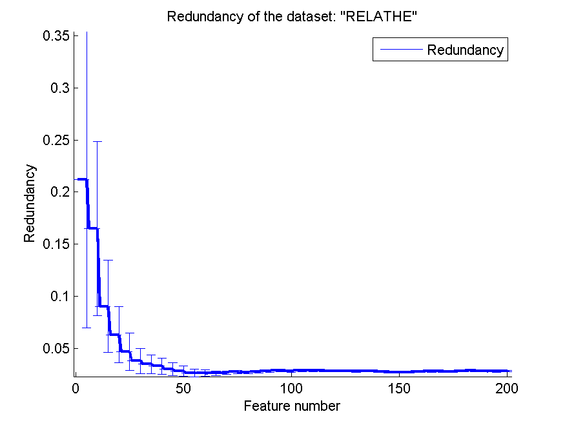
0.65639771801 | 0.027688910911 | 0.64042379788 | 0.040466220443 | 0.67876935615 | 0.034514886247 | 0.028390013433 | 0.0010686526473
0.65717196414 | 0.027330390596 | 0.64111654442 | 0.041417997701 | 0.6793806031 | 0.036115690062 | 0.028646139234 | 0.00088946824674
0.6532599837 | 0.030873153313 | 0.64030154849 | 0.040485804688 | 0.6793806031 | 0.036115690062 | 0.028107448485 | 0.00087914697846
0.66536267319 | 0.031280290392 | 0.645599022 | 0.04371510496 | 0.68117359413 | 0.034750408992 | 0.027445416816 | 0.00080935124025
0.66919315403 | 0.030810159333 | 0.64971475143 | 0.044317386634 | 0.68406682967 | 0.035937020857 | 0.027181428377 | 0.00083702746441
0.66931540342 | 0.030568637737 | 0.654400978 | 0.04042894749 | 0.68325183374 | 0.036045807703 | 0.027331840092 | 0.00085939798596
0.67131214344 | 0.027355737405 | 0.65391198044 | 0.040969915504 | 0.6825590872 | 0.036497088627 | 0.027839050152 | 0.00091618635912
0.67363488183 | 0.023281653526 | 0.65354523227 | 0.040789154416 | 0.6814995925 | 0.035157466318 | 0.028262239861 | 0.00096205771649
0.68117359413 | 0.024161643374 | 0.65493072535 | 0.041496525414 | 0.68162184189 | 0.034236236897 | 0.028252570369 | 0.00087501611038
0.67815810921 | 0.026539482632 | 0.65607171964 | 0.041438017948 | 0.68162184189 | 0.034236236897 | 0.028044983708 | 0.00091734792068
0.67444987775 | 0.027091687608 | 0.65472697637 | 0.041195414462 | 0.68166259169 | 0.034180157722 | 0.028482937886 | 0.0010083597103
0.67412387938 | 0.025689931961 | 0.65513447433 | 0.04154693665 | 0.68064384678 | 0.035417694384 | 0.028704500591 | 0.00088668607212
0.67550937245 | 0.02483753787 | 0.65692746536 | 0.041681515856 | 0.6782803586 | 0.036485951882 | 0.028513991816 | 0.00079772248801
0.67962510187 | 0.022786004715 | 0.65929095355 | 0.042549767345 | 0.67811735941 | 0.036478860914 | 0.028226899244 | 0.00081271559512
0.67954360228 | 0.026048484096 | 0.65725346373 | 0.042002347187 | 0.67799511002 | 0.036396759259 | 0.028183094299 | 0.00073383034631

pixraw10P
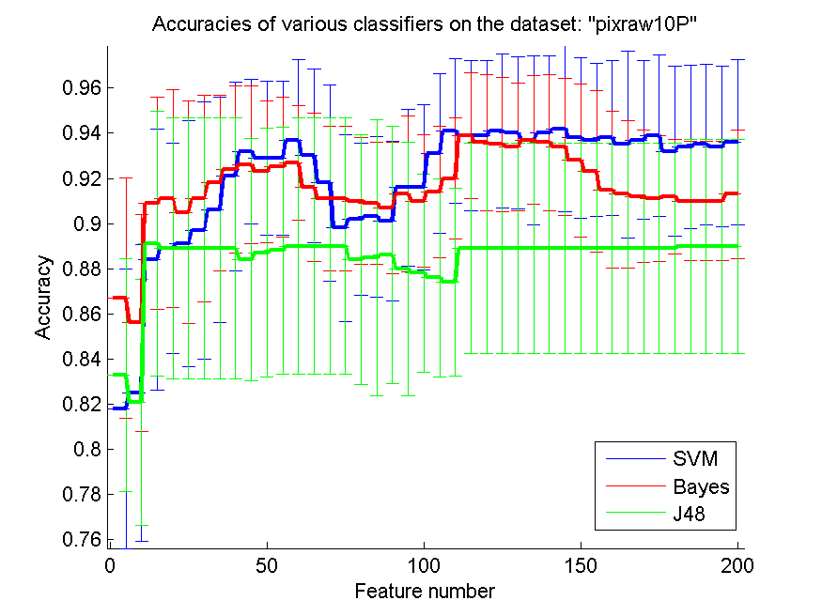
res_svm | res_svm_std | res_bayes | res_bayes_std | res_j48 | res_j48_std | res_red | res_red_std
0.818 | 0.061865728971 | 0.867 | 0.053222472499 | 0.833 | 0.051615990994 | 0.54579038651 | 0.12970743829
0.825 | 0.065814731993 | 0.856 | 0.047947339534 | 0.821 | 0.054473557081 | 0.71827812856 | 0.084759977774
0.884 | 0.057892822935 | 0.909 | 0.047005038924 | 0.891 | 0.058570695026 | 0.58407358939 | 0.026124996183
0.889 | 0.046555004254 | 0.911 | 0.048330005935 | 0.889 | 0.057847349027 | 0.59993679714 | 0.021631341387
0.891 | 0.054473557081 | 0.905 | 0.049364380937 | 0.889 | 0.057847349027 | 0.63575534289 | 0.022518938378
0.897 | 0.057041074767 | 0.911 | 0.045641624585 | 0.889 | 0.057847349027 | 0.67004666805 | 0.022516744788
0.906 | 0.049884076143 | 0.918 | 0.038879029661 | 0.889 | 0.057847349027 | 0.69965492164 | 0.021848703358
0.921 | 0.041788943388 | 0.924 | 0.037049042888 | 0.889 | 0.057847349027 | 0.72485248752 | 0.020881101607
0.932 | 0.032052588367 | 0.926 | 0.035003759197 | 0.884 | 0.053744032716 | 0.74601654538 | 0.019826419413
0.929 | 0.034012381646 | 0.923 | 0.031304951685 | 0.887 | 0.055164824796 | 0.76431501363 | 0.018773337012
0.929 | 0.034012381646 | 0.925 | 0.031034785237 | 0.888 | 0.054829880444 | 0.78004374615 | 0.017759764159
0.937 | 0.035703457005 | 0.927 | 0.025360557855 | 0.89 | 0.056754318176 | 0.79407168819 | 0.016795200684
0.93 | 0.038661826678 | 0.916 | 0.032831307267 | 0.89 | 0.056754318176 | 0.80652806679 | 0.015892839598
0.918 | 0.043480183024 | 0.911 | 0.032101811721 | 0.89 | 0.056754318176 | 0.81567233265 | 0.015048582295
0.898 | 0.041498256146 | 0.911 | 0.032101811721 | 0.89 | 0.056754318176 | 0.82244720675 | 0.014265725567
0.902 | 0.033654592242 | 0.91 | 0.027909628597 | 0.884 | 0.055288715895 | 0.83080761888 | 0.013574894443
0.903 | 0.035703457005 | 0.909 | 0.027125439604 | 0.885 | 0.061172749351 | 0.83885243523 | 0.012943425224
0.901 | 0.035228576917 | 0.907 | 0.029217874846 | 0.886 | 0.056976449428 | 0.84484223625 | 0.012354548493
0.916 | 0.034701736647 | 0.913 | 0.034504004344 | 0.88 | 0.056195148695 | 0.85162588711 | 0.011822214748
0.916 | 0.036476380245 | 0.91 | 0.02937954892 | 0.878 | 0.043961705824 | 0.8571991274 | 0.011326816746
0.931 | 0.035228576917 | 0.914 | 0.029091507171 | 0.876 | 0.0438178046 | 0.85217493944 | 0.010825697009
0.941 | 0.032101811721 | 0.92 | 0.026754242162 | 0.874 | 0.04159959514 | 0.80288158636 | 0.009960148996
0.939 | 0.033387675003 | 0.939 | 0.027890764365 | 0.889 | 0.046555004254 | 0.80864721753 | 0.0095729729582
0.939 | 0.033387675003 | 0.936 | 0.030157481397 | 0.889 | 0.046555004254 | 0.8144475967 | 0.0092279207374
0.941 | 0.034012381646 | 0.935 | 0.029647046538 | 0.889 | 0.046555004254 | 0.82033165106 | 0.0089178656031
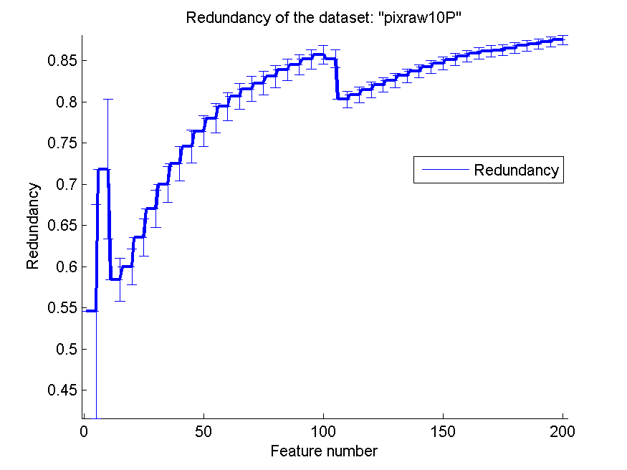
0.94 | 0.033717089217 | 0.934 | 0.02835860586 | 0.889 | 0.046555004254 | 0.82608907022 | 0.0086354641038
0.937 | 0.037430637606 | 0.937 | 0.028488224714 | 0.889 | 0.046555004254 | 0.83165111859 | 0.0083762567585
0.94 | 0.034335803011 | 0.936 | 0.030157481397 | 0.889 | 0.046555004254 | 0.83696861101 | 0.0081346223908
0.942 | 0.036649118608 | 0.934 | 0.030504529431 | 0.889 | 0.046555004254 | 0.84201985417 | 0.0079074703452
0.938 | 0.035481648333 | 0.928 | 0.0339659272 | 0.889 | 0.046555004254 | 0.84677686699 | 0.0076917786175
0.937 | 0.03388836161 | 0.923 | 0.035703457005 | 0.889 | 0.046555004254 | 0.85114527578 | 0.0074879240162
0.938 | 0.034274434235 | 0.915 | 0.03486817279 | 0.889 | 0.046555004254 | 0.855208227 | 0.0072922771592
0.935 | 0.041485571366 | 0.913 | 0.03262223975 | 0.889 | 0.046555004254 | 0.8586289286 | 0.0071015304097
0.937 | 0.035108853284 | 0.912 | 0.029307803883 | 0.889 | 0.046555004254 | 0.86105055698 | 0.0069143143302
0.939 | 0.035821193374 | 0.911 | 0.027890764365 | 0.889 | 0.046555004254 | 0.8626222981 | 0.0067339550755
0.932 | 0.037500877183 | 0.912 | 0.025464113034 | 0.889 | 0.046555004254 | 0.86502319413 | 0.0065678485596
0.934 | 0.036186650635 | 0.91 | 0.026357861106 | 0.89 | 0.047461896074 | 0.86814190873 | 0.0064122340076
0.935 | 0.035466811766 | 0.91 | 0.026357861106 | 0.89 | 0.047461896074 | 0.86987719141 | 0.0062593129326
0.934 | 0.035600118273 | 0.91 | 0.026357861106 | 0.89 | 0.047461896074 | 0.87268545246 | 0.006116501263
0.936 | 0.036476380245 | 0.913 | 0.028488224714 | 0.89 | 0.047461896074 | 0.87490622351 | 0.00597695542

PCMAC
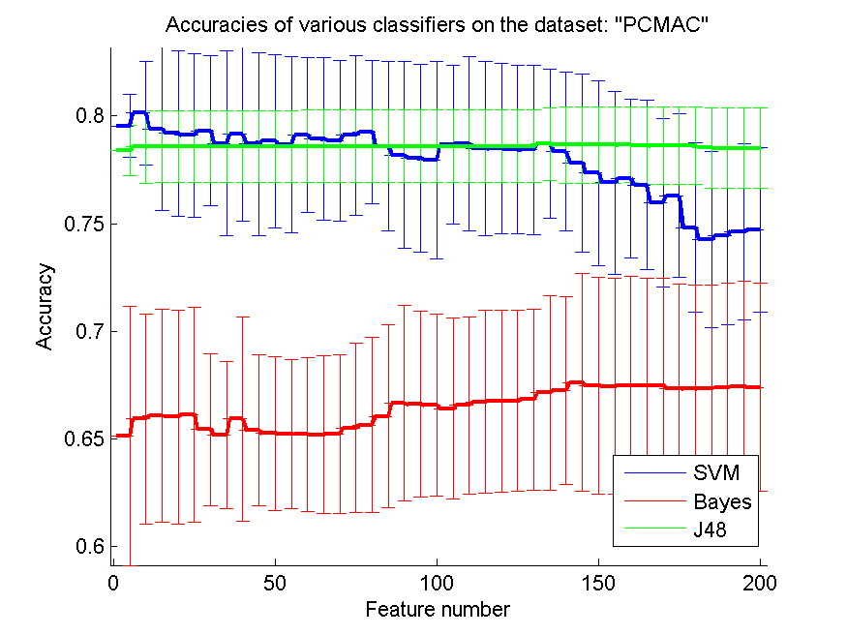
res_svm | res_svm_std | res_bayes | res_bayes_std | res_j48 | res_j48_std | res_red | res_red_std
0.79546758462 | 0.014576712517 | 0.65131956397 | 0.060090479041 | 0.78393574297 | 0.011595221739 | 0.14443792729 | 0.030574847057
0.80140562249 | 0.024067088424 | 0.65920826162 | 0.048860721523 | 0.78571428571 | 0.016837740704 | 0.12323969182 | 0.024827110523
0.79409064831 | 0.037840073428 | 0.66052782559 | 0.049478749452 | 0.78588640275 | 0.016765667227 | 0.093914306724 | 0.019705234582
0.79191049914 | 0.038269005239 | 0.66006884682 | 0.049577178943 | 0.78588640275 | 0.016765667227 | 0.084266941987 | 0.01775401719
0.79107860011 | 0.037978712163 | 0.66130235227 | 0.050009912322 | 0.78588640275 | 0.016765667227 | 0.071661256405 | 0.013563515203
0.79317269076 | 0.034981287286 | 0.65421686747 | 0.035371146926 | 0.78588640275 | 0.016765667227 | 0.061662895665 | 0.014895136975
0.78734939759 | 0.04307504283 | 0.65186460126 | 0.034176728852 | 0.78588640275 | 0.016765667227 | 0.049262332545 | 0.010702382805
0.79150889271 | 0.040197895749 | 0.65929432014 | 0.047507510228 | 0.78588640275 | 0.016765667227 | 0.042548895181 | 0.0078658118061
0.78700516351 | 0.042564703457 | 0.65390131956 | 0.035164726125 | 0.78588640275 | 0.016765667227 | 0.042573773965 | 0.0083319939492
0.78835341365 | 0.040242907045 | 0.65243832473 | 0.035759614572 | 0.78588640275 | 0.016765667227 | 0.044438273868 | 0.008347877263
0.78671830178 | 0.040909794757 | 0.65238095238 | 0.034668581661 | 0.78588640275 | 0.016765667227 | 0.041951805324 | 0.0070138883946
0.79119334481 | 0.036007225227 | 0.65206540448 | 0.035661072663 | 0.78602983362 | 0.016701349451 | 0.044896985988 | 0.0066412091422
0.78935742972 | 0.037959092478 | 0.65180722892 | 0.036693240005 | 0.78602983362 | 0.016701349451 | 0.043369692742 | 0.0066009138727
0.78846815835 | 0.037212315601 | 0.65220883534 | 0.036761494359 | 0.78602983362 | 0.016701349451 | 0.041376356996 | 0.0057665784005
0.79107860011 | 0.03705049992 | 0.65502008032 | 0.039369083815 | 0.78602983362 | 0.016701349451 | 0.04131046619 | 0.005181521446
0.79268502582 | 0.033386811625 | 0.65636833046 | 0.040843085933 | 0.78602983362 | 0.016701349451 | 0.044442072101 | 0.0058063375897
0.7859437751 | 0.039432750737 | 0.66049913941 | 0.042381563266 | 0.78602983362 | 0.016701349451 | 0.044991024339 | 0.0051923328941
0.78198508319 | 0.043337163711 | 0.66640849111 | 0.045454678063 | 0.78602983362 | 0.016701349451 | 0.045259919129 | 0.005326651403
0.78043602983 | 0.043809139754 | 0.66612162937 | 0.043210847729 | 0.78602983362 | 0.016701349451 | 0.04592445889 | 0.0052162535299
0.77948938612 | 0.045999402691 | 0.66549053356 | 0.042269658934 | 0.78602983362 | 0.016701349451 | 0.045267240953 | 0.0052169917036
0.78674698795 | 0.036797057115 | 0.66391279403 | 0.04207334693 | 0.78602983362 | 0.016701349451 | 0.04570456451 | 0.0050997869878
0.78729202524 | 0.040471268619 | 0.66557659208 | 0.041251391204 | 0.78602983362 | 0.016701349451 | 0.045367114354 | 0.0053069744853
0.78493975904 | 0.040344965011 | 0.66718301779 | 0.042496689102 | 0.78602983362 | 0.016701349451 | 0.045148660463 | 0.0053904648675
0.78491107286 | 0.03951482074 | 0.66761331038 | 0.042335920414 | 0.78602983362 | 0.016701349451 | 0.044282369898 | 0.0052753969502
0.78439472174 | 0.039230445802 | 0.6676993689 | 0.041931875268 | 0.78602983362 | 0.016701349451 | 0.044087266883 | 0.0056015076133
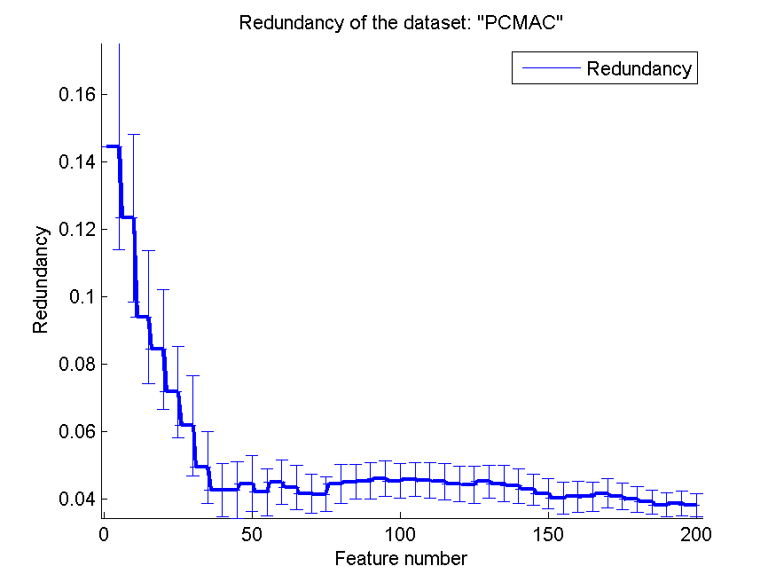
0.78439472174 | 0.039362262538 | 0.6682444062 | 0.042073871921 | 0.78602983362 | 0.016701349451 | 0.045148041079 | 0.0048607387582
0.78726333907 | 0.034655936765 | 0.67131382674 | 0.045352964554 | 0.78706253586 | 0.016888875922 | 0.044454407081 | 0.0053375707258
0.78341939185 | 0.036835360483 | 0.67251864601 | 0.043725026787 | 0.78651749857 | 0.017632229262 | 0.043777693422 | 0.0051477381012
0.77828456684 | 0.041312063016 | 0.67619047619 | 0.050471672273 | 0.78651749857 | 0.017632229262 | 0.042704807562 | 0.004646459595
0.77346528973 | 0.043066998378 | 0.67475616753 | 0.050418613066 | 0.78651749857 | 0.017632229262 | 0.041503700065 | 0.0045291899059
0.76896156053 | 0.042574155148 | 0.67441193345 | 0.05014249112 | 0.78651749857 | 0.017632229262 | 0.040117681467 | 0.004685074989
0.77094090648 | 0.03688817401 | 0.67472748135 | 0.05079264103 | 0.78663224326 | 0.017616501819 | 0.040558028875 | 0.0045947474112
0.76801491681 | 0.039378840586 | 0.67475616753 | 0.049980675088 | 0.7863740677 | 0.017918159685 | 0.040613851932 | 0.0043641410058
0.75978198508 | 0.039216091199 | 0.67481353987 | 0.049744661109 | 0.78620195066 | 0.01799052715 | 0.04156733811 | 0.0042588065576
0.76302352266 | 0.038140848092 | 0.67337923121 | 0.048670696988 | 0.78620195066 | 0.01799052715 | 0.040586497288 | 0.0039618738277
0.74819277108 | 0.039223953755 | 0.673178428 | 0.048257173087 | 0.78620195066 | 0.01799052715 | 0.039792084449 | 0.0038968850278
0.74265633964 | 0.041058839352 | 0.67337923121 | 0.048023917047 | 0.78534136546 | 0.018669133048 | 0.039007961235 | 0.0036058617288
0.74434882387 | 0.041348917764 | 0.67375215146 | 0.048514961739 | 0.78505450373 | 0.018553709673 | 0.03817153702 | 0.0034872238898
0.74641422834 | 0.040956403021 | 0.67441193345 | 0.048656599487 | 0.78505450373 | 0.018553709673 | 0.038675939119 | 0.0036794380093
0.74704532415 | 0.038320939237 | 0.67386689616 | 0.048335800979 | 0.78505450373 | 0.018553709673 | 0.038090253539 | 0.0035015398708

orlraws10P
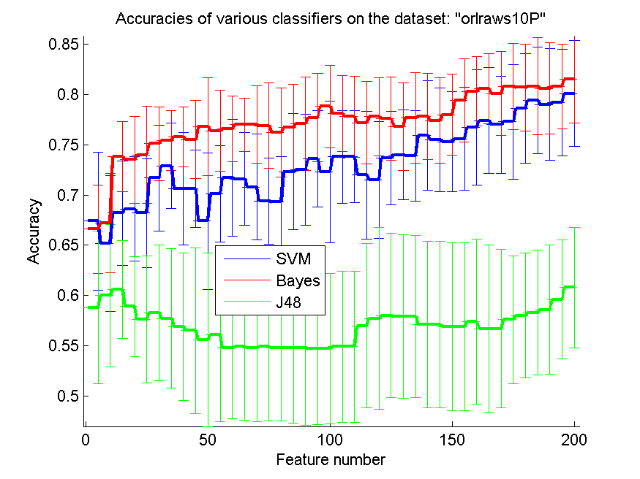
res_svm | res_svm_std | res_bayes | res_bayes_std | res_j48 | res_j48_std | res_red | res_red_std
0.674 | 0.068395136792 | 0.666 | 0.044057378855 | 0.588 | 0.075783625505 | 0.78972070992 | 0.010521645135
0.652 | 0.067558941128 | 0.672 | 0.049161388358 | 0.6 | 0.070785071278 | 0.88946218694 | 0.0071047423795
0.682 | 0.051870283552 | 0.738 | 0.034883263971 | 0.606 | 0.049032749528 | 0.87895069189 | 0.0053221051812
0.686 | 0.051951394288 | 0.735 | 0.04346807661 | 0.589 | 0.049619605633 | 0.90411386633 | 0.0043536562173
0.682 | 0.054250879207 | 0.74 | 0.048558158293 | 0.576 | 0.063112264218 | 0.88142672768 | 0.0037878227932
0.717 | 0.052825432471 | 0.751 | 0.036404164019 | 0.583 | 0.067519977551 | 0.84502170065 | 0.0054349605825
0.729 | 0.042289727507 | 0.754 | 0.029806392815 | 0.577 | 0.069365545823 | 0.77217594894 | 0.0055365330185
0.706 | 0.055856960175 | 0.758 | 0.029664793948 | 0.569 | 0.073262326069 | 0.70117367705 | 0.0070090951675
0.706 | 0.038443396531 | 0.755 | 0.038865490037 | 0.565 | 0.082302394926 | 0.63398734312 | 0.0043036982435
0.674 | 0.068086632122 | 0.768 | 0.048731271706 | 0.556 | 0.086231023847 | 0.58648761668 | 0.0026985274438
0.701 | 0.04789242331 | 0.764 | 0.040314552681 | 0.561 | 0.086687581822 | 0.56203349105 | 0.0018268659336
0.717 | 0.058137767415 | 0.766 | 0.032509108035 | 0.548 | 0.07090393798 | 0.54537945342 | 0.0015081053068
0.716 | 0.046157624677 | 0.77 | 0.026357861106 | 0.549 | 0.072974400703 | 0.53422489352 | 0.0010166060672
0.708 | 0.052875225519 | 0.77 | 0.038661826678 | 0.548 | 0.073813420546 | 0.53022641909 | 0.00092772740802
0.694 | 0.043091090788 | 0.769 | 0.042289727507 | 0.549 | 0.073834808508 | 0.52431316587 | 0.00099924020582
0.693 | 0.045549279271 | 0.762 | 0.04443801123 | 0.548 | 0.07295276049 | 0.51101756253 | 0.0010270076582
0.723 | 0.057774516327 | 0.767 | 0.043176504332 | 0.548 | 0.075225975357 | 0.49968367303 | 0.0006028172633
0.725 | 0.055393330398 | 0.771 | 0.046555004254 | 0.548 | 0.076886793062 | 0.50256591072 | 0.00054288150874
0.736 | 0.047947339534 | 0.777 | 0.044140922653 | 0.547 | 0.07547045431 | 0.50607618834 | 0.00070617913898
0.723 | 0.070569115058 | 0.788 | 0.041243819314 | 0.547 | 0.074910472882 | 0.51118955151 | 0.00079796124732
0.738 | 0.046294253366 | 0.781 | 0.037542957851 | 0.549 | 0.07524696182 | 0.5158921371 | 0.00073651417
0.738 | 0.045837240663 | 0.778 | 0.040470912231 | 0.549 | 0.07524696182 | 0.52042052991 | 0.00053038289602
0.72 | 0.063577553139 | 0.772 | 0.041243819314 | 0.57 | 0.081949920523 | 0.51232655249 | 0.0015313498969
0.715 | 0.057992740017 | 0.778 | 0.038879029661 | 0.577 | 0.090443352437 | 0.48219312358 | 0.0016563438031
0.737 | 0.046464474262 | 0.776 | 0.04134578194 | 0.58 | 0.081821371549 | 0.47069265403 | 0.00029950601363
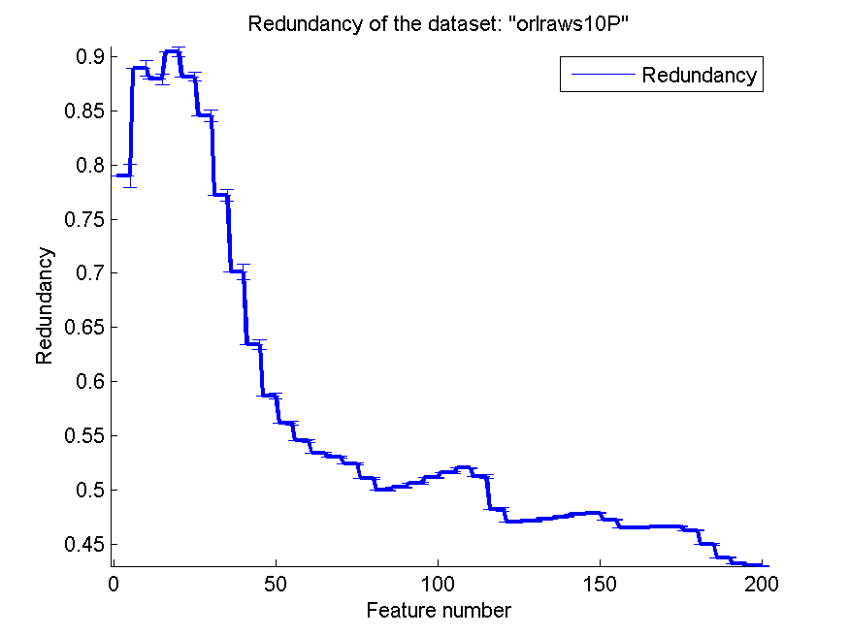
0.74 | 0.044956118956 | 0.768 | 0.043721607328 | 0.579 | 0.081169089268 | 0.47093870834 | 0.00027472739005
0.739 | 0.045178010487 | 0.777 | 0.04508471558 | 0.579 | 0.080648685831 | 0.47304234265 | 0.0002725842891
0.759 | 0.054473557081 | 0.778 | 0.042993267527 | 0.571 | 0.082710656094 | 0.4752159926 | 0.00027620549263
0.755 | 0.051860135791 | 0.774 | 0.042599728193 | 0.571 | 0.082710656094 | 0.47766168667 | 0.00028673911575
0.753 | 0.049957876993 | 0.78 | 0.04052289801 | 0.569 | 0.08347076387 | 0.47861858744 | 0.00050407882203
0.756 | 0.050928226069 | 0.794 | 0.04159959514 | 0.569 | 0.08347076387 | 0.47252147749 | 0.0007256251434
0.767 | 0.05740896684 | 0.803 | 0.034504004344 | 0.574 | 0.082359928938 | 0.46547019919 | 0.00038347995207
0.774 | 0.05275564325 | 0.806 | 0.035003759197 | 0.567 | 0.083167554402 | 0.46520962444 | 0.00030511929343
0.77 | 0.04834089475 | 0.801 | 0.041788943388 | 0.567 | 0.078746762674 | 0.46631211637 | 0.00030347393515
0.773 | 0.057041074767 | 0.808 | 0.042747730011 | 0.576 | 0.063444961643 | 0.46633138664 | 0.00031356233124
0.786 | 0.0543284359 | 0.807 | 0.043176504332 | 0.58 | 0.062238928417 | 0.46280993751 | 0.00070814137791
0.794 | 0.053153204587 | 0.808 | 0.04829732476 | 0.583 | 0.061993208457 | 0.44976552404 | 0.0011115534846
0.79 | 0.055630358997 | 0.806 | 0.045468323271 | 0.586 | 0.064269170804 | 0.43742021351 | 0.00045563620573
0.792 | 0.052875225519 | 0.808 | 0.042252374583 | 0.596 | 0.059329587897 | 0.43176754498 | 0.00036742739802
0.801 | 0.052905078853 | 0.815 | 0.04346807661 | 0.608 | 0.059964902015 | 0.43008002575 | 0.00034664297304

GLI-85
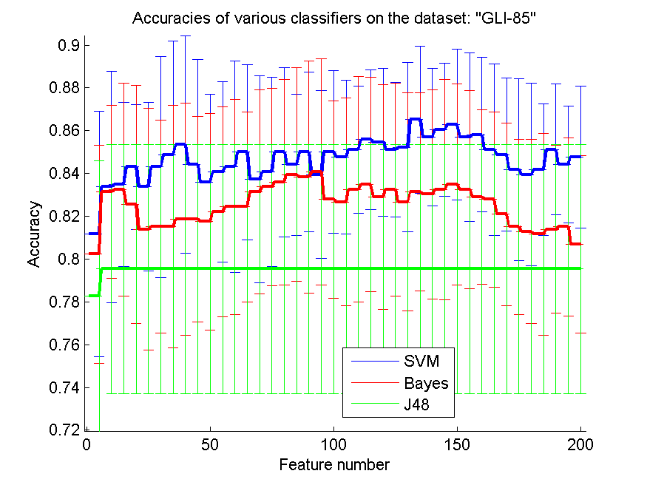
res_svm | res_svm_std | res_bayes | res_bayes_std | res_j48 | res_j48_std | res_red | res_red_std
0.81162790698 | 0.057412839115 | 0.8023255814 | 0.050895037665 | 0.78255813953 | 0.063251403835 | 0.29938382801 | 0.096617818772
0.83372093023 | 0.054028458444 | 0.83139534884 | 0.040544386965 | 0.79534883721 | 0.058249589838 | 0.3428747531 | 0.065576357788
0.83488372093 | 0.038398974301 | 0.83255813953 | 0.049821062638 | 0.79534883721 | 0.058249589838 | 0.23230216169 | 0.028738199941
0.84302325581 | 0.029100351109 | 0.82558139535 | 0.055701641385 | 0.79534883721 | 0.058249589838 | 0.23158823507 | 0.020806637851
0.83372093023 | 0.03940507164 | 0.81395348837 | 0.05646297476 | 0.79534883721 | 0.058249589838 | 0.21326833474 | 0.014535807726
0.84302325581 | 0.051658332363 | 0.81511627907 | 0.049749593569 | 0.79534883721 | 0.058249589838 | 0.20385083706 | 0.010946395279
0.8488372093 | 0.053085063506 | 0.81511627907 | 0.05670193262 | 0.79534883721 | 0.058249589838 | 0.19093758111 | 0.0088878135672
0.85348837209 | 0.050670829361 | 0.81860465116 | 0.054199414198 | 0.79534883721 | 0.058249589838 | 0.18309005873 | 0.0067456597142
0.84418604651 | 0.048956548252 | 0.81860465116 | 0.048076490628 | 0.79534883721 | 0.058249589838 | 0.18481362791 | 0.0056808211356
0.83604651163 | 0.040963461531 | 0.81744186047 | 0.05076904233 | 0.79534883721 | 0.058249589838 | 0.18959238126 | 0.0049017349456
0.84069767442 | 0.042195719918 | 0.82209302326 | 0.049058193278 | 0.79534883721 | 0.058249589838 | 0.1911622344 | 0.0040747492753
0.84302325581 | 0.049405102915 | 0.82441860465 | 0.050318503927 | 0.79534883721 | 0.058249589838 | 0.198194486 | 0.0036004356815
0.85 | 0.040963461531 | 0.82441860465 | 0.044301851724 | 0.79534883721 | 0.058249589838 | 0.20434158717 | 0.0033655137904
0.83720930233 | 0.048312740162 | 0.83139534884 | 0.04764530263 | 0.79534883721 | 0.058249589838 | 0.2065941377 | 0.0031865142556
0.84069767442 | 0.044173160525 | 0.83372093023 | 0.046065794709 | 0.79534883721 | 0.058249589838 | 0.20014030504 | 0.0027989099506
0.85 | 0.039549280984 | 0.83604651163 | 0.048002424198 | 0.79534883721 | 0.058249589838 | 0.19806498596 | 0.0025918453309
0.84418604651 | 0.032975123093 | 0.83953488372 | 0.049992171543 | 0.79534883721 | 0.058249589838 | 0.19726642064 | 0.0023403922446
0.85 | 0.037327688048 | 0.83837209302 | 0.054133725876 | 0.79534883721 | 0.058249589838 | 0.19644879499 | 0.0021230590144
0.83953488372 | 0.039133246793 | 0.84069767442 | 0.052964278222 | 0.79534883721 | 0.058249589838 | 0.2024820369 | 0.0021715638184
0.85 | 0.038082621655 | 0.82790697674 | 0.046142969825 | 0.79534883721 | 0.058249589838 | 0.19757750426 | 0.002024791952
0.8476744186 | 0.035770053687 | 0.82674418605 | 0.048591794637 | 0.79534883721 | 0.058249589838 | 0.1959329722 | 0.0018507779639
0.8511627907 | 0.029609433761 | 0.83255813953 | 0.052600258251 | 0.79534883721 | 0.058249589838 | 0.19774493308 | 0.0018048040059
0.85581395349 | 0.032540649263 | 0.83488372093 | 0.049992171543 | 0.79534883721 | 0.058249589838 | 0.1981428436 | 0.0017275031658
0.85465116279 | 0.034473309928 | 0.82906976744 | 0.052424087884 | 0.79534883721 | 0.058249589838 | 0.20079085398 | 0.0016826815249
0.8511627907 | 0.031473451064 | 0.83255813953 | 0.049821062638 | 0.79534883721 | 0.058249589838 | 0.2041067925 | 0.0016632494203
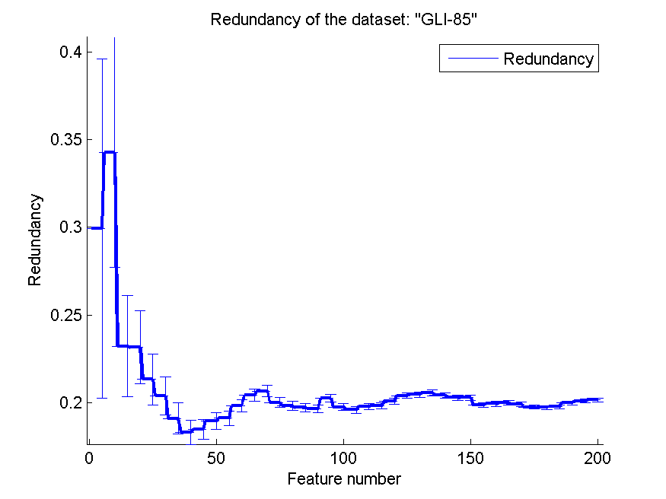
0.8523255814 | 0.03940507164 | 0.82674418605 | 0.050881053591 | 0.79534883721 | 0.058249589838 | 0.20460404671 | 0.0015951416543
0.86511627907 | 0.034245487421 | 0.83139534884 | 0.046435065505 | 0.79534883721 | 0.058249589838 | 0.20564582745 | 0.0015891296953
0.85697674419 | 0.032255103114 | 0.83023255814 | 0.048956548252 | 0.79534883721 | 0.058249589838 | 0.20420108751 | 0.0015621152986
0.86046511628 | 0.03110958391 | 0.83255813953 | 0.051506578355 | 0.79534883721 | 0.058249589838 | 0.20295524562 | 0.0014768843117
0.86279069767 | 0.035309518815 | 0.83488372093 | 0.047059200269 | 0.79534883721 | 0.058249589838 | 0.20282997112 | 0.0014789220033
0.85697674419 | 0.03940507164 | 0.83255813953 | 0.046266182247 | 0.79534883721 | 0.058249589838 | 0.19865586486 | 0.001433404516
0.85813953488 | 0.036106673844 | 0.82906976744 | 0.040824248005 | 0.79534883721 | 0.058249589838 | 0.19936997567 | 0.0013764308794
0.8511627907 | 0.040209522134 | 0.82790697674 | 0.040911311973 | 0.79534883721 | 0.058249589838 | 0.19992905589 | 0.001350685632
0.8488372093 | 0.035789942515 | 0.82093023256 | 0.042748635599 | 0.79534883721 | 0.058249589838 | 0.19915096676 | 0.0013019814268
0.84186046512 | 0.042414395634 | 0.81511627907 | 0.040963461531 | 0.79534883721 | 0.058249589838 | 0.19757446486 | 0.001242846785
0.83953488372 | 0.042615254195 | 0.81279069767 | 0.042997610538 | 0.79534883721 | 0.058249589838 | 0.19727806185 | 0.001169943274
0.84186046512 | 0.030741410185 | 0.81162790698 | 0.047059200269 | 0.79534883721 | 0.058249589838 | 0.19762162527 | 0.0011399916817
0.8511627907 | 0.030555659783 | 0.81395348837 | 0.039205917694 | 0.79534883721 | 0.058249589838 | 0.1998197479 | 0.0011173608264
0.84418604651 | 0.027308974354 | 0.81511627907 | 0.041652550435 | 0.79534883721 | 0.058249589838 | 0.20094152685 | 0.0010814035936
0.8476744186 | 0.033297258287 | 0.80697674419 | 0.041395486364 | 0.79534883721 | 0.058249589838 | 0.20162708893 | 0.0010882420598

GLA-BRA-180
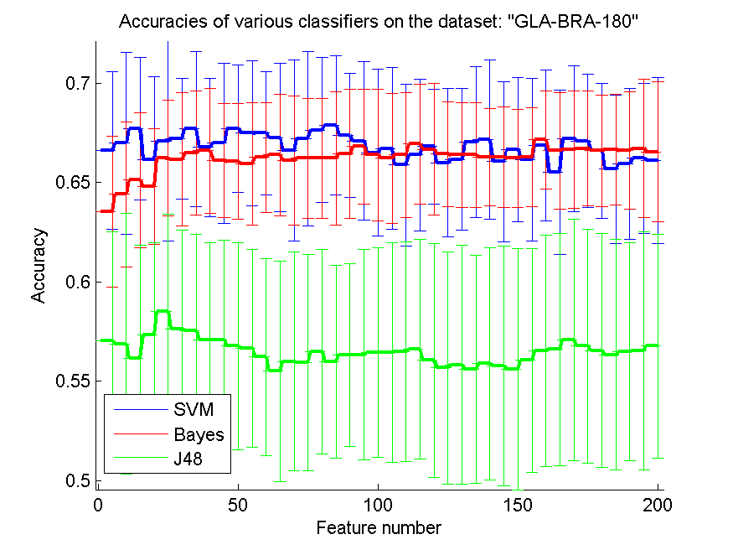
res_svm | res_svm_std | res_bayes | res_bayes_std | res_j48 | res_j48_std | res_red | res_red_std
0.66593406593 | 0.039605398269 | 0.63516483516 | 0.038000207731 | 0.57032967033 | 0.054991304999 | 0.54333798888 | 0.058494044083
0.66978021978 | 0.045724267051 | 0.64395604396 | 0.036603036126 | 0.56868131868 | 0.065632140793 | 0.60785241497 | 0.042651995323
0.67692307692 | 0.035901763568 | 0.6510989011 | 0.03379996548 | 0.56153846154 | 0.057033752673 | 0.44602584428 | 0.025066367172
0.66153846154 | 0.041822117898 | 0.6478021978 | 0.029068724644 | 0.57307692308 | 0.046659898865 | 0.37187672079 | 0.01677144535
0.67087912088 | 0.050228442352 | 0.66208791209 | 0.029156051089 | 0.58516483516 | 0.04873852793 | 0.29695554285 | 0.010973696879
0.67197802198 | 0.030310343294 | 0.66153846154 | 0.033559359694 | 0.57637362637 | 0.049463400425 | 0.25359263633 | 0.0083897863013
0.67692307692 | 0.039121009091 | 0.66483516484 | 0.031183691305 | 0.57527472527 | 0.048529432865 | 0.23013913843 | 0.0063125125888
0.66758241758 | 0.03490997144 | 0.66593406593 | 0.031366588424 | 0.57087912088 | 0.048946729771 | 0.20590903724 | 0.0049172820937
0.66978021978 | 0.040254025313 | 0.66098901099 | 0.028583660682 | 0.57087912088 | 0.050101746621 | 0.19452087603 | 0.0042369859684
0.67692307692 | 0.032166885079 | 0.66043956044 | 0.029161500309 | 0.56758241758 | 0.052067506552 | 0.18097907164 | 0.0037914008944
0.67472527473 | 0.036603036126 | 0.65934065934 | 0.030669921535 | 0.56648351648 | 0.049974729694 | 0.18228621398 | 0.0035115754925
0.67472527473 | 0.03095868305 | 0.66263736264 | 0.027639745576 | 0.56208791209 | 0.049566088275 | 0.17894515428 | 0.0031822999768
0.67252747253 | 0.037325194725 | 0.66373626374 | 0.030545330953 | 0.55494505495 | 0.055520411524 | 0.17723068985 | 0.0031677295678
0.66593406593 | 0.045574596381 | 0.66098901099 | 0.032535248316 | 0.55989010989 | 0.055057721387 | 0.17169841164 | 0.0027329307675
0.67197802198 | 0.043995788856 | 0.66208791209 | 0.03022635188 | 0.55934065934 | 0.054410353727 | 0.17124746971 | 0.0024841682035
0.67637362637 | 0.036616056711 | 0.66208791209 | 0.03022635188 | 0.56483516484 | 0.051592330225 | 0.16475622059 | 0.0021330453628
0.67857142857 | 0.035091558992 | 0.66208791209 | 0.033611400742 | 0.55989010989 | 0.048555618991 | 0.16085624788 | 0.0018500605553
0.67362637363 | 0.031102058465 | 0.66428571429 | 0.032378592584 | 0.56318681319 | 0.046056660465 | 0.16000160298 | 0.0017799086042
0.67087912088 | 0.039777535546 | 0.66813186813 | 0.028876777377 | 0.56318681319 | 0.052987092093 | 0.157921541 | 0.0016909195124
0.66483516484 | 0.041958667894 | 0.66373626374 | 0.033140089447 | 0.56428571429 | 0.052674303711 | 0.15459638063 | 0.0016191896151
0.66703296703 | 0.040822364002 | 0.66208791209 | 0.03265224689 | 0.56428571429 | 0.055149993741 | 0.15295488728 | 0.001554321308
0.65879120879 | 0.040724940437 | 0.66373626374 | 0.03156856468 | 0.56483516484 | 0.055164397354 | 0.14739715325 | 0.001416547543
0.66373626374 | 0.038133776535 | 0.66923076923 | 0.030020638344 | 0.56593406593 | 0.055290987355 | 0.14556709039 | 0.0013082531684
0.66813186813 | 0.028876777377 | 0.66648351648 | 0.033116107905 | 0.56043956044 | 0.058908522274 | 0.14234386586 | 0.0012025730166
0.65989010989 | 0.037473892806 | 0.66428571429 | 0.026314518302 | 0.55659340659 | 0.058396511886 | 0.14386983092 | 0.0011683737763
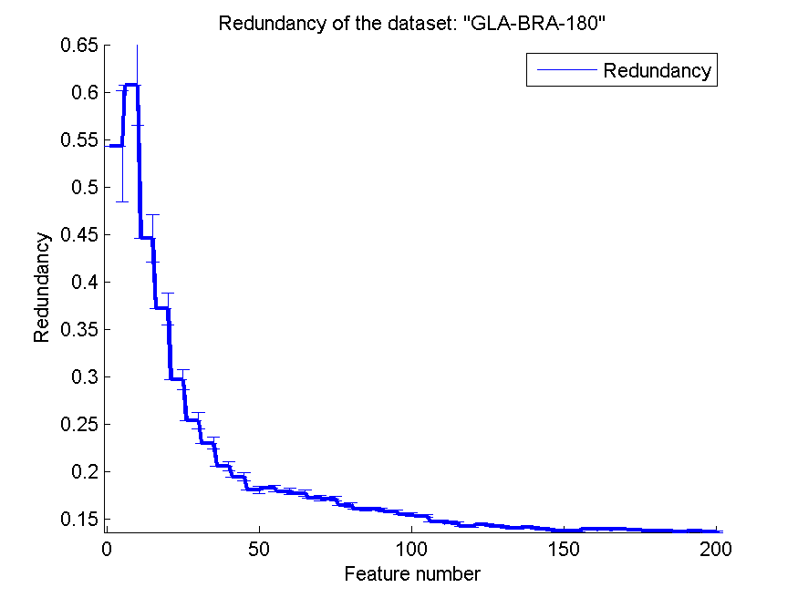
0.66153846154 | 0.035759858809 | 0.66373626374 | 0.026296397434 | 0.55824175824 | 0.060041276688 | 0.14208369147 | 0.0011115934084
0.67032967033 | 0.038067050716 | 0.66373626374 | 0.026296397434 | 0.55604395604 | 0.057311669496 | 0.14021717375 | 0.0010249446213
0.67142857143 | 0.040004575845 | 0.66263736264 | 0.024468495049 | 0.55879120879 | 0.058396511886 | 0.14091521178 | 0.0009837806326
0.66043956044 | 0.040321072675 | 0.66263736264 | 0.025235718133 | 0.55769230769 | 0.060281617067 | 0.13935027458 | 0.0009150571734
0.66648351648 | 0.036407168541 | 0.66208791209 | 0.02466898032 | 0.55604395604 | 0.060652131574 | 0.13774465199 | 0.00087317135188
0.66153846154 | 0.04090013577 | 0.66263736264 | 0.024726881254 | 0.56043956044 | 0.056372436928 | 0.13760131465 | 0.00082458388871
0.66868131868 | 0.037945811105 | 0.67142857143 | 0.024675420467 | 0.56538461538 | 0.058200275503 | 0.13932478927 | 0.00081048234513
0.65494505495 | 0.041332953493 | 0.66593406593 | 0.029270271668 | 0.56593406593 | 0.058529685404 | 0.13890799142 | 0.0007586463637
0.67197802198 | 0.036754655955 | 0.66648351648 | 0.029459655197 | 0.57087912088 | 0.060764675812 | 0.13925834346 | 0.00073434225781
0.67087912088 | 0.033535677975 | 0.66703296703 | 0.028766518184 | 0.56758241758 | 0.05883024925 | 0.1383925703 | 0.00070559536876
0.66593406593 | 0.033898542076 | 0.66593406593 | 0.028163660462 | 0.56538461538 | 0.058743757979 | 0.13774801178 | 0.00066402487629
0.65659340659 | 0.037201537488 | 0.66648351648 | 0.027908626592 | 0.56318681319 | 0.058025286023 | 0.13748823915 | 0.00063995007975
0.65934065934 | 0.038067050716 | 0.66593406593 | 0.029486610692 | 0.56483516484 | 0.054701600608 | 0.13673734916 | 0.00062074885182
0.66208791209 | 0.037710590173 | 0.66703296703 | 0.034768588781 | 0.56538461538 | 0.059922070841 | 0.13692938211 | 0.0006015148883
0.66098901099 | 0.041772698481 | 0.66538461538 | 0.035380160585 | 0.56758241758 | 0.056403433246 | 0.13652013185 | 0.00057931356547

CLL-SUB-111
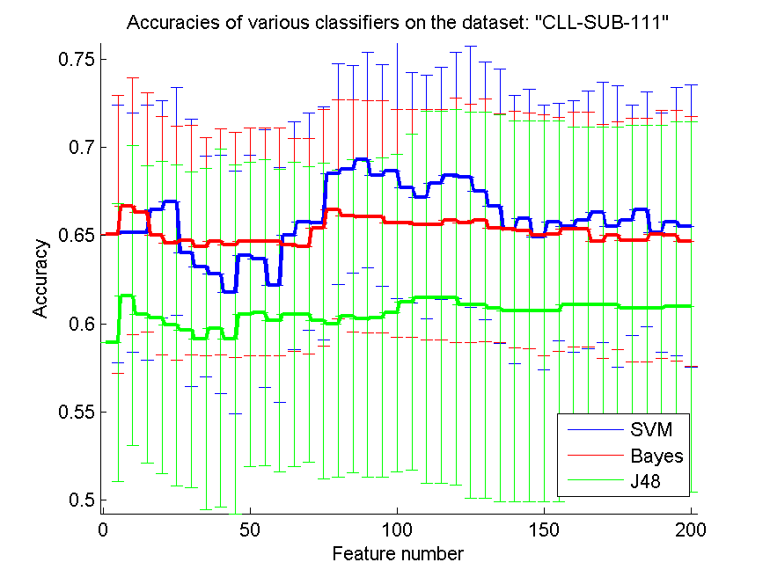
res_svm | res_svm_std | res_bayes | res_bayes_std | res_j48 | res_j48_std | res_red | res_red_std
0.65087719298 | 0.073092643577 | 0.65087719298 | 0.078849842296 | 0.58947368421 | 0.078952498038 | 0.2635014867 | 0.067292111533
0.65175438596 | 0.067893412629 | 0.66666666667 | 0.072892906209 | 0.61578947368 | 0.0851707337 | 0.28322589031 | 0.041795720258
0.65175438596 | 0.072284780564 | 0.66315789474 | 0.067732166666 | 0.60526315789 | 0.084521586163 | 0.20954660011 | 0.025366116815
0.6649122807 | 0.061804520907 | 0.65 | 0.067702264159 | 0.60350877193 | 0.088802180255 | 0.21071561234 | 0.022494109078
0.66929824561 | 0.064717333477 | 0.64561403509 | 0.06652558333 | 0.59912280702 | 0.091298183158 | 0.18687114185 | 0.016084882159
0.64035087719 | 0.075833747883 | 0.64736842105 | 0.065122814978 | 0.59649122807 | 0.089456482695 | 0.17329256766 | 0.013096106443
0.63245614035 | 0.062475797585 | 0.64385964912 | 0.061856919832 | 0.59122807018 | 0.096947632095 | 0.17150410838 | 0.01105630589
0.62807017544 | 0.067732166666 | 0.64649122807 | 0.064214764554 | 0.59736842105 | 0.10157831744 | 0.16785591422 | 0.0089614769553
0.61754385965 | 0.068917628842 | 0.64473684211 | 0.064113778033 | 0.59122807018 | 0.099096042277 | 0.16292205274 | 0.0075495674912
0.63859649123 | 0.057033522869 | 0.64649122807 | 0.064717333477 | 0.60526315789 | 0.086229265464 | 0.16790483914 | 0.0071749305279
0.63684210526 | 0.073136955581 | 0.64649122807 | 0.064717333477 | 0.60614035088 | 0.086972816373 | 0.16683033267 | 0.0062977918669
0.62192982456 | 0.066738310146 | 0.64649122807 | 0.064717333477 | 0.60175438596 | 0.085965854481 | 0.15791823558 | 0.0051989138354
0.65 | 0.064516775695 | 0.64473684211 | 0.060473098769 | 0.60526315789 | 0.086416924588 | 0.1554865992 | 0.0046089783294
0.65789473684 | 0.061699589556 | 0.64385964912 | 0.06106621515 | 0.60526315789 | 0.084137395146 | 0.15293747404 | 0.0041874092449
0.65701754386 | 0.066251073769 | 0.65438596491 | 0.067131585855 | 0.60175438596 | 0.089655456009 | 0.15161432166 | 0.0038717287357
0.6850877193 | 0.062734551219 | 0.6649122807 | 0.062066073158 | 0.6 | 0.087182103953 | 0.14968285551 | 0.0035083353415
0.68771929825 | 0.059043144283 | 0.66140350877 | 0.065914009554 | 0.60438596491 | 0.088815860721 | 0.14955597567 | 0.0030987563062
0.69298245614 | 0.061172232964 | 0.66052631579 | 0.0659570043 | 0.60263157895 | 0.089687070154 | 0.1476355165 | 0.0029414689041
0.68421052632 | 0.062869970565 | 0.66052631579 | 0.0659570043 | 0.60350877193 | 0.090786629955 | 0.14735053957 | 0.0027180444916
0.68684210526 | 0.072508538352 | 0.65701754386 | 0.064767375884 | 0.60614035088 | 0.090083558683 | 0.14700281218 | 0.0025636036943
0.67719298246 | 0.065494877508 | 0.65701754386 | 0.064767375884 | 0.61228070175 | 0.095228027988 | 0.14357535529 | 0.002387238221
0.67192982456 | 0.069035055454 | 0.65614035088 | 0.065494877508 | 0.6149122807 | 0.1056433577 | 0.14199825748 | 0.0022498510891
0.6798245614 | 0.065858689352 | 0.65614035088 | 0.065494877508 | 0.6149122807 | 0.1056433577 | 0.14049095375 | 0.0021017172474
0.68421052632 | 0.069944217412 | 0.65877192982 | 0.069356953521 | 0.6149122807 | 0.10671133705 | 0.14046012396 | 0.0020102487049
0.68333333333 | 0.074317944823 | 0.65701754386 | 0.067702264159 | 0.61052631579 | 0.10942821699 | 0.13953387159 | 0.0018722482026
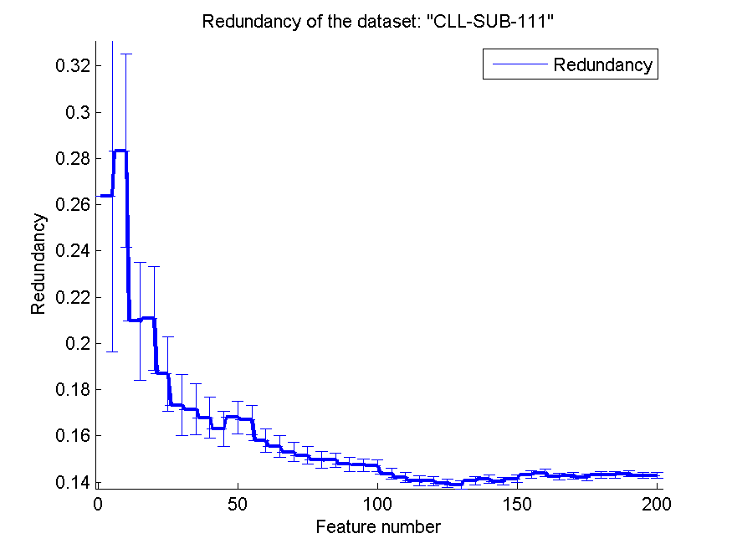
0.67543859649 | 0.07300393888 | 0.65877192982 | 0.068888240913 | 0.61052631579 | 0.10942821699 | 0.13889017853 | 0.0017545003345
0.66666666667 | 0.077836651582 | 0.65438596491 | 0.064923509797 | 0.60877192982 | 0.10994512217 | 0.14047147581 | 0.0017379554218
0.65350877193 | 0.076339400514 | 0.65350877193 | 0.067077269824 | 0.60701754386 | 0.10835711568 | 0.14128244551 | 0.0017097884839
0.65964912281 | 0.073644627278 | 0.65263157895 | 0.067010823775 | 0.60701754386 | 0.10835711568 | 0.14035346329 | 0.0016586629305
0.64912280702 | 0.075082368791 | 0.65 | 0.068416317283 | 0.60701754386 | 0.10835711568 | 0.14142395191 | 0.001616040991
0.65789473684 | 0.067468569759 | 0.65087719298 | 0.066354910854 | 0.60701754386 | 0.10835711568 | 0.14325832382 | 0.0016008273861
0.65526315789 | 0.071609312264 | 0.65350877193 | 0.066592513554 | 0.61052631579 | 0.10111878413 | 0.14400091291 | 0.0015647979133
0.65877192982 | 0.073219968307 | 0.65350877193 | 0.066592513554 | 0.61052631579 | 0.10111878413 | 0.14245489618 | 0.0014892937847
0.66315789474 | 0.074126972952 | 0.64649122807 | 0.066446397056 | 0.61052631579 | 0.10111878413 | 0.14273676952 | 0.0014504286584
0.65526315789 | 0.079946483858 | 0.65 | 0.064767375884 | 0.61052631579 | 0.10111878413 | 0.1420246217 | 0.0014078222913
0.65877192982 | 0.065265689642 | 0.64736842105 | 0.069222523703 | 0.60877192982 | 0.10388447708 | 0.14311209236 | 0.0013864366112
0.6649122807 | 0.066841390321 | 0.64736842105 | 0.069222523703 | 0.60877192982 | 0.10388447708 | 0.14313813517 | 0.0013490684675
0.65175438596 | 0.067893412629 | 0.65087719298 | 0.070382888202 | 0.60877192982 | 0.10388447708 | 0.14358338141 | 0.0013304493308
0.65789473684 | 0.076259783527 | 0.65 | 0.070973075396 | 0.60964912281 | 0.10508988509 | 0.14288232316 | 0.0013055232969
0.65526315789 | 0.080148854727 | 0.64649122807 | 0.070927411517 | 0.60964912281 | 0.10508988509 | 0.14289222321 | 0.0012771733329

BASEHOCK
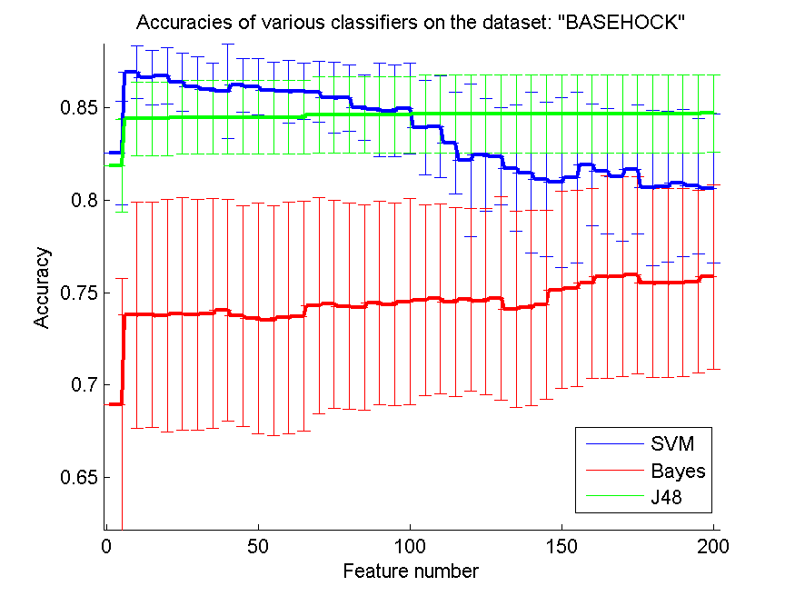
res_svm | res_svm_std | res_bayes | res_bayes_std | res_j48 | res_j48_std | res_red | res_red_std
0.8255716676 | 0.028155493929 | 0.6895147797 | 0.068222386857 | 0.81868377022 | 0.024973617689 | 0.20468113793 | 0.050891998701
0.86932515337 | 0.014238914706 | 0.73792526492 | 0.061293868719 | 0.84417177914 | 0.020029425427 | 0.16794186171 | 0.034430165119
0.86653653095 | 0.014674899318 | 0.73814835471 | 0.061141862378 | 0.84417177914 | 0.020029425427 | 0.12239320555 | 0.025449241613
0.8675125488 | 0.015148501423 | 0.73750697156 | 0.06283341151 | 0.84417177914 | 0.020029425427 | 0.089354739945 | 0.016965147457
0.86391522588 | 0.015808005875 | 0.73851087563 | 0.062805786877 | 0.84500836587 | 0.019848377655 | 0.060419796101 | 0.009031725997
0.86143335192 | 0.016247707733 | 0.73812046849 | 0.062280220547 | 0.84500836587 | 0.019848377655 | 0.04793249625 | 0.0059239283873
0.86017847183 | 0.014226261673 | 0.73876185165 | 0.062321194568 | 0.84500836587 | 0.019848377655 | 0.041252344974 | 0.0049071082244
0.85906302287 | 0.025342070828 | 0.74060234244 | 0.060145818642 | 0.84500836587 | 0.019848377655 | 0.037993970767 | 0.0044930636553
0.86235359732 | 0.014404097563 | 0.73739542666 | 0.059686881931 | 0.84500836587 | 0.019848377655 | 0.037182204631 | 0.0040655808196
0.86143335192 | 0.015378038059 | 0.73608477412 | 0.062567953585 | 0.84500836587 | 0.019848377655 | 0.038874831345 | 0.0040864088397
0.85950920245 | 0.01518350357 | 0.73496932515 | 0.062318882819 | 0.84500836587 | 0.019848377655 | 0.039326359747 | 0.0035076117556
0.85897936419 | 0.016883951588 | 0.73650306748 | 0.062608726227 | 0.84500836587 | 0.019848377655 | 0.038781545467 | 0.0030200020585
0.85895147797 | 0.015265229558 | 0.73725599554 | 0.062088670695 | 0.84500836587 | 0.019848377655 | 0.03582663324 | 0.002319254819
0.85881204685 | 0.016503442514 | 0.74294478528 | 0.058570966459 | 0.84629113218 | 0.020816611457 | 0.034621840023 | 0.0019121311984
0.85563301729 | 0.019302573032 | 0.74386503067 | 0.056285797573 | 0.84629113218 | 0.020816611457 | 0.032553216749 | 0.0016827543366
0.85552147239 | 0.018053736018 | 0.74274958171 | 0.055723075278 | 0.84629113218 | 0.020816611457 | 0.031054831521 | 0.0014863503241
0.85027886224 | 0.017769478704 | 0.74199665365 | 0.055516304992 | 0.84629113218 | 0.020816611457 | 0.030519129313 | 0.0015019776466
0.84905186838 | 0.025186013361 | 0.74436698271 | 0.055167196078 | 0.84629113218 | 0.020816611457 | 0.029550505285 | 0.0014670169373
0.848382599 | 0.024901649564 | 0.74369771333 | 0.05501123614 | 0.84629113218 | 0.020816611457 | 0.029491034171 | 0.0015882207301
0.84986056888 | 0.024548281757 | 0.74506413832 | 0.0558823879 | 0.84629113218 | 0.020816611457 | 0.028571377073 | 0.001433817794
0.83931957613 | 0.025631640761 | 0.74592861127 | 0.051595892913 | 0.84684885666 | 0.021037223728 | 0.02953079504 | 0.001428391133
0.84007250418 | 0.027561365488 | 0.74670942554 | 0.051386939949 | 0.84684885666 | 0.021037223728 | 0.031246947738 | 0.0016282868631
0.83095370887 | 0.027595217443 | 0.74517568321 | 0.051158200457 | 0.84684885666 | 0.021037223728 | 0.030456973471 | 0.00148037046
0.82175125488 | 0.041351424914 | 0.74623535973 | 0.04932995943 | 0.84684885666 | 0.021037223728 | 0.030111381625 | 0.0014220958449
0.82467930842 | 0.030387311621 | 0.74528722811 | 0.050454836142 | 0.84684885666 | 0.021037223728 | 0.03054998887 | 0.0015086890328
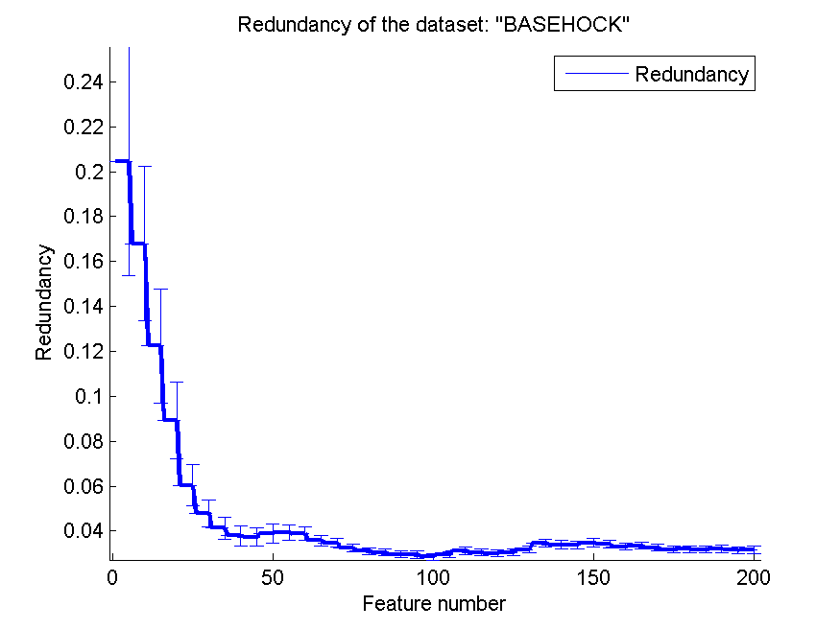
0.82378694925 | 0.026357532904 | 0.74712771891 | 0.055107552234 | 0.84684885666 | 0.021037223728 | 0.031748135969 | 0.0015069527009
0.8174010039 | 0.034284790724 | 0.74110429448 | 0.053071228582 | 0.84684885666 | 0.021037223728 | 0.034747713706 | 0.0017239305916
0.81491912995 | 0.043553388361 | 0.74180145008 | 0.052714312686 | 0.84684885666 | 0.021037223728 | 0.033945476079 | 0.0017959319111
0.8114054657 | 0.041623263193 | 0.74341885109 | 0.051179820913 | 0.84684885666 | 0.021037223728 | 0.033832478645 | 0.0018135272821
0.8096765198 | 0.045839558225 | 0.75147796988 | 0.053277447674 | 0.84684885666 | 0.021037223728 | 0.034636350202 | 0.001932740205
0.8123257111 | 0.046091235385 | 0.75237032906 | 0.052941941475 | 0.84684885666 | 0.021037223728 | 0.034134876428 | 0.0018221917232
0.81929726715 | 0.033014770479 | 0.75515895148 | 0.051408193517 | 0.84684885666 | 0.021037223728 | 0.033091619476 | 0.0016178868383
0.81586726157 | 0.033910708351 | 0.7586447295 | 0.054907990741 | 0.84684885666 | 0.021037223728 | 0.033523998735 | 0.0015011573828
0.81291132181 | 0.034744925481 | 0.75895147797 | 0.054134095054 | 0.84684885666 | 0.021037223728 | 0.032664815243 | 0.0014491622207
0.81684327942 | 0.035026462439 | 0.75959286113 | 0.053344416922 | 0.84684885666 | 0.021037223728 | 0.031707466356 | 0.001431826918
0.80680423871 | 0.042007000318 | 0.7551868377 | 0.051250146192 | 0.84684885666 | 0.021037223728 | 0.031879451394 | 0.001410002567
0.80747350809 | 0.040925689915 | 0.75524261015 | 0.051057737056 | 0.84684885666 | 0.021037223728 | 0.031796232855 | 0.0014124587603
0.80939765756 | 0.039644045051 | 0.75552147239 | 0.05099260461 | 0.84684885666 | 0.021037223728 | 0.031887364296 | 0.0016653968139
0.8077244841 | 0.036554921949 | 0.75593976576 | 0.049291911836 | 0.84684885666 | 0.021037223728 | 0.031432471733 | 0.001526475503
0.80635805912 | 0.040297221614 | 0.75872838818 | 0.049908477465 | 0.84707194646 | 0.020795523689 | 0.031691715715 | 0.0016146920306

