warpAR10P
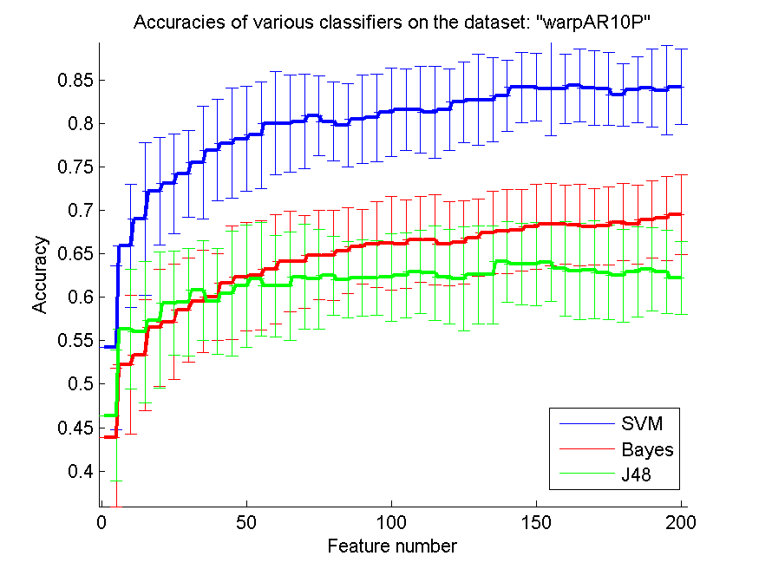
res_svm | res_svm_std | res_bayes | res_bayes_std | res_j48 | res_j48_std | res_red | res_red_std
0.54214285714 | 0.094246403288 | 0.43857142857 | 0.079350207462 | 0.46357142857 | 0.075375892974 | 0.69894798105 | 0.069884542111
0.65928571429 | 0.070638487515 | 0.52214285714 | 0.079671047642 | 0.56357142857 | 0.068664567072 | 0.77117893073 | 0.056543816093
0.69 | 0.087708628066 | 0.53357142857 | 0.063765649077 | 0.56 | 0.081421316126 | 0.79159637568 | 0.054687207102
0.72214285714 | 0.061919701301 | 0.565 | 0.067560689986 | 0.57357142857 | 0.078283820843 | 0.79483515094 | 0.051072034959
0.73071428571 | 0.057194525513 | 0.57142857143 | 0.066361636582 | 0.59285714286 | 0.059806346994 | 0.79846822064 | 0.045076007366
0.74214285714 | 0.049806284248 | 0.58571428571 | 0.059896078997 | 0.59428571429 | 0.062079952606 | 0.79717266756 | 0.041692410653
0.755 | 0.06526406742 | 0.595 | 0.058860464174 | 0.60785714286 | 0.057044087572 | 0.79213913552 | 0.039512661134
0.76928571429 | 0.058310439986 | 0.6 | 0.050134084446 | 0.595 | 0.060834688222 | 0.78851737935 | 0.036578884427
0.77714285714 | 0.063618087127 | 0.61642857143 | 0.06526406742 | 0.60428571429 | 0.072265770377 | 0.78495698483 | 0.033043766962
0.78214285714 | 0.060586996155 | 0.62357142857 | 0.06240352382 | 0.61285714286 | 0.0701234143 | 0.78130970629 | 0.029873922928
0.78642857143 | 0.061221893966 | 0.625 | 0.062849452708 | 0.62071428571 | 0.064967148602 | 0.77697414669 | 0.028168574562
0.8 | 0.059536339533 | 0.63214285714 | 0.063020123634 | 0.61285714286 | 0.058056604106 | 0.77348746937 | 0.027235310841
0.8 | 0.056003682555 | 0.64071428571 | 0.057940856545 | 0.61285714286 | 0.062682601139 | 0.77108684757 | 0.024240737493
0.80214285714 | 0.054304508025 | 0.64071428571 | 0.05350748063 | 0.62357142857 | 0.060302673736 | 0.76876851722 | 0.022554580717
0.80857142857 | 0.045976690494 | 0.64857142857 | 0.05148701775 | 0.62071428571 | 0.057792361394 | 0.7651448962 | 0.020406453349
0.80214285714 | 0.045713110887 | 0.64785714286 | 0.051669236391 | 0.625 | 0.045382962872 | 0.76358837233 | 0.020586603154
0.79785714286 | 0.048228555393 | 0.65357142857 | 0.049242380427 | 0.62 | 0.043823687369 | 0.76009007594 | 0.020035055519
0.805 | 0.05083090478 | 0.65785714286 | 0.04310081106 | 0.62214285714 | 0.044329350319 | 0.7582761104 | 0.01924799102
0.80642857143 | 0.050661573792 | 0.66071428571 | 0.049460027368 | 0.62214285714 | 0.043349304391 | 0.75663522262 | 0.019196281409
0.81285714286 | 0.051173133391 | 0.66214285714 | 0.053907467364 | 0.62285714286 | 0.050433140009 | 0.7551990349 | 0.019086347335
0.81571428571 | 0.047244138186 | 0.66142857143 | 0.050793911862 | 0.625 | 0.048583589809 | 0.75326808006 | 0.017545770506
0.81571428571 | 0.049897854847 | 0.66642857143 | 0.049546818445 | 0.62928571429 | 0.047600873725 | 0.75158567638 | 0.017226035565
0.81285714286 | 0.052621911035 | 0.66571428571 | 0.051902577499 | 0.62785714286 | 0.054146041131 | 0.7501458771 | 0.016548117595
0.81571428571 | 0.047016234598 | 0.66142857143 | 0.048633308658 | 0.62357142857 | 0.054698666767 | 0.74826648965 | 0.015875862877
0.82428571429 | 0.04613993566 | 0.66285714286 | 0.047809144373 | 0.62142857143 | 0.059985676772 | 0.74499784486 | 0.014292600886
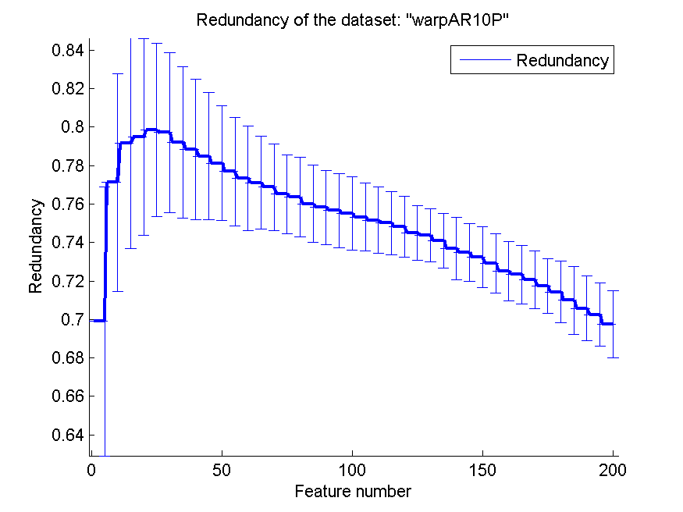
0.82714285714 | 0.052417394478 | 0.66857142857 | 0.044841288324 | 0.62571428571 | 0.056689934357 | 0.74373137366 | 0.013949274027
0.82714285714 | 0.048589116638 | 0.67428571429 | 0.047403018753 | 0.62571428571 | 0.056689934357 | 0.7410605774 | 0.014228089552
0.83142857143 | 0.041091446576 | 0.67571428571 | 0.048633308658 | 0.64071428571 | 0.046412663556 | 0.73690829707 | 0.016087598703
0.84142857143 | 0.04037951007 | 0.67714285714 | 0.046901867524 | 0.63857142857 | 0.046833113222 | 0.73475727312 | 0.015148194899
0.84142857143 | 0.039026829847 | 0.68071428571 | 0.04889213011 | 0.63857142857 | 0.04796615348 | 0.73221727836 | 0.015820269058
0.83928571429 | 0.053827707798 | 0.68357142857 | 0.047329319104 | 0.64 | 0.044841288324 | 0.72919534793 | 0.015305056147
0.84 | 0.040032210447 | 0.68357142857 | 0.045477535442 | 0.63285714286 | 0.054664291339 | 0.725188565 | 0.015528610555
0.84357142857 | 0.04209217036 | 0.68285714286 | 0.047175882713 | 0.63 | 0.055405932901 | 0.7233049955 | 0.015263403982
0.84071428571 | 0.042800714731 | 0.68071428571 | 0.043793039287 | 0.63142857143 | 0.056118640629 | 0.72078170138 | 0.015033532769
0.84 | 0.042124055956 | 0.68214285714 | 0.04490711263 | 0.62857142857 | 0.054644638528 | 0.71747621758 | 0.014255630719
0.83285714286 | 0.036229368365 | 0.68642857143 | 0.044570994793 | 0.625 | 0.05342712394 | 0.71431939343 | 0.016160737349
0.83857142857 | 0.038248438817 | 0.68357142857 | 0.045002685205 | 0.62928571429 | 0.05171079621 | 0.70995333813 | 0.017573847414
0.84071428571 | 0.045240733336 | 0.68928571429 | 0.044183729284 | 0.63214285714 | 0.047465290614 | 0.70578174479 | 0.016917272178
0.83785714286 | 0.051460933844 | 0.69071428571 | 0.048671943762 | 0.62928571429 | 0.047825991432 | 0.70253660653 | 0.016308153345
0.84214285714 | 0.043596381367 | 0.695 | 0.045947478539 | 0.62214285714 | 0.04209217036 | 0.69759717537 | 0.017479857258

TOX-171
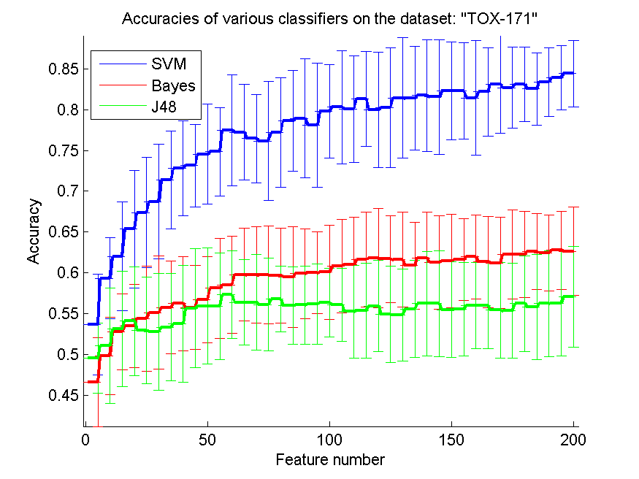
res_svm | res_svm_std | res_bayes | res_bayes_std | res_j48 | res_j48_std | res_red | res_red_std
0.53620689655 | 0.061760678231 | 0.46609195402 | 0.054486944686 | 0.49540229885 | 0.042991384875 | 0.38502307927 | 0.1587242367
0.59310344828 | 0.049529989411 | 0.49827586207 | 0.047358994163 | 0.51091954023 | 0.070705515167 | 0.44049411255 | 0.15923780106
0.62011494253 | 0.066864029781 | 0.5275862069 | 0.046263475397 | 0.53103448276 | 0.070717807289 | 0.43965874069 | 0.16516777976
0.65344827586 | 0.07175978685 | 0.53448275862 | 0.051064558428 | 0.5408045977 | 0.066864029781 | 0.44172435907 | 0.15724771307
0.67356321839 | 0.067580362806 | 0.54367816092 | 0.06471043548 | 0.52931034483 | 0.065285460467 | 0.43193142225 | 0.15852557543
0.68735632184 | 0.070520876227 | 0.55114942529 | 0.069114076734 | 0.5275862069 | 0.07182032423 | 0.42321628272 | 0.1506978696
0.71379310345 | 0.059655994176 | 0.55747126437 | 0.056495035994 | 0.53333333333 | 0.065490171757 | 0.41472617574 | 0.14544540275
0.72816091954 | 0.058046126754 | 0.56206896552 | 0.057760915582 | 0.53735632184 | 0.071623997445 | 0.4078044997 | 0.14162255476
0.7316091954 | 0.050623498441 | 0.55747126437 | 0.051740939665 | 0.55632183908 | 0.072925243268 | 0.4035610343 | 0.13576479476
0.74540229885 | 0.061081408984 | 0.56724137931 | 0.052775494944 | 0.5591954023 | 0.071176008294 | 0.39912871071 | 0.13296339574
0.74827586207 | 0.054413514264 | 0.58103448276 | 0.061444620415 | 0.5591954023 | 0.065264154939 | 0.39759638692 | 0.13332531296
0.77471264368 | 0.067888341142 | 0.58505747126 | 0.059539318933 | 0.57298850575 | 0.053819234505 | 0.39317603699 | 0.13196118272
0.7724137931 | 0.058323982514 | 0.59770114943 | 0.057046220129 | 0.56379310345 | 0.052669983416 | 0.3898265982 | 0.12843317133
0.76436781609 | 0.05410594601 | 0.59712643678 | 0.058902328083 | 0.56379310345 | 0.058547099224 | 0.38688470678 | 0.12896539119
0.76149425287 | 0.073160858949 | 0.59712643678 | 0.060071254971 | 0.56091954023 | 0.056997441821 | 0.38438996383 | 0.12776520297
0.77183908046 | 0.066843227407 | 0.59655172414 | 0.05824046649 | 0.56781609195 | 0.040061005832 | 0.38080029618 | 0.12298225029
0.78620689655 | 0.062111522235 | 0.59482758621 | 0.061715626212 | 0.55977011494 | 0.047626199326 | 0.37814887306 | 0.12151283759
0.78908045977 | 0.072913323288 | 0.59885057471 | 0.054922300594 | 0.56034482759 | 0.048029648982 | 0.37354218401 | 0.12225774059
0.78103448276 | 0.07628755635 | 0.6 | 0.050254721067 | 0.56149425287 | 0.048947450294 | 0.37165245119 | 0.12132543211
0.79770114943 | 0.057094956763 | 0.60057471264 | 0.057998189406 | 0.5632183908 | 0.042355888843 | 0.36892873697 | 0.1195439391
0.80287356322 | 0.069595329473 | 0.60804597701 | 0.057640404465 | 0.56091954023 | 0.044843870652 | 0.36702646568 | 0.11792215007
0.80057471264 | 0.065688952557 | 0.61034482759 | 0.057760915582 | 0.55229885057 | 0.05673760391 | 0.3653852713 | 0.11611897624
0.8132183908 | 0.05835675968 | 0.61609195402 | 0.058061099059 | 0.55344827586 | 0.057926209 | 0.36291545402 | 0.11339523301
0.8 | 0.07059971457 | 0.61781609195 | 0.061035855582 | 0.5591954023 | 0.056220509611 | 0.35996777182 | 0.11096118461
0.80229885057 | 0.073514048903 | 0.61666666667 | 0.053169298403 | 0.54885057471 | 0.058831453904 | 0.35623451 | 0.10924854766
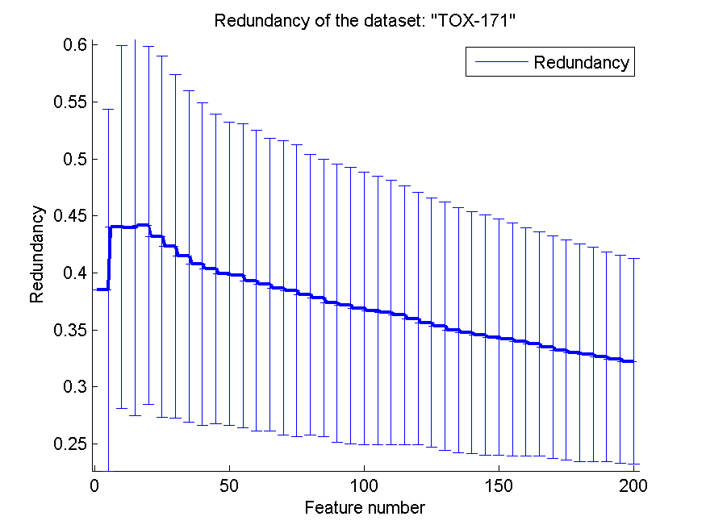
0.81436781609 | 0.07376663874 | 0.61609195402 | 0.058538190884 | 0.54827586207 | 0.056568837509 | 0.35320373441 | 0.10893095773
0.81379310345 | 0.063572128082 | 0.60862068966 | 0.053326005504 | 0.55574712644 | 0.059816051034 | 0.34985709331 | 0.10752838277
0.81724137931 | 0.068449369202 | 0.6183908046 | 0.056012955984 | 0.56206896552 | 0.064149226976 | 0.347787602 | 0.10593778813
0.81551724138 | 0.070409860453 | 0.61264367816 | 0.057301625014 | 0.56206896552 | 0.065224188318 | 0.34528101421 | 0.10546823568
0.82298850575 | 0.060293672323 | 0.61436781609 | 0.057589110876 | 0.55459770115 | 0.058594587501 | 0.34363240204 | 0.10360619713
0.82298850575 | 0.059363876104 | 0.61609195402 | 0.049949387154 | 0.55517241379 | 0.057543813857 | 0.34168270209 | 0.10220964761
0.81436781609 | 0.07029125037 | 0.61954022989 | 0.051660241504 | 0.55977011494 | 0.052488139924 | 0.33957758711 | 0.10021199672
0.82183908046 | 0.054234311425 | 0.6132183908 | 0.056096689376 | 0.55977011494 | 0.052488139924 | 0.33749707948 | 0.098378263409
0.83103448276 | 0.059562672266 | 0.61206896552 | 0.055673640766 | 0.55402298851 | 0.058680562049 | 0.33469097905 | 0.097514206717
0.82701149425 | 0.049820449323 | 0.6224137931 | 0.05420545571 | 0.55344827586 | 0.058285222099 | 0.33234239028 | 0.096792227536
0.83103448276 | 0.045536302816 | 0.6224137931 | 0.052907088453 | 0.56206896552 | 0.058952479074 | 0.32993069422 | 0.095374241759
0.82528735632 | 0.044376247126 | 0.62586206897 | 0.046797726317 | 0.55804597701 | 0.064319725359 | 0.32866966137 | 0.094306839389
0.83390804598 | 0.041939310749 | 0.62413793103 | 0.046592970159 | 0.56206896552 | 0.06490356936 | 0.32609706043 | 0.091959367246
0.83908045977 | 0.039112473987 | 0.6275862069 | 0.047960830778 | 0.56264367816 | 0.065072091286 | 0.32431903202 | 0.090964068177
0.84425287356 | 0.04076218581 | 0.62643678161 | 0.054362373731 | 0.57068965517 | 0.061535088295 | 0.32233967215 | 0.090273979648

SMK-CAN-187
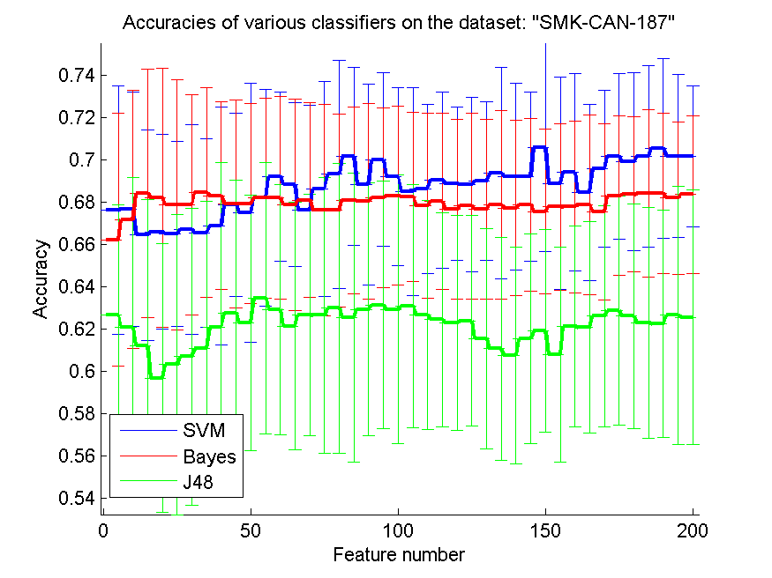
res_svm | res_svm_std | res_bayes | res_bayes_std | res_j48 | res_j48_std | res_red | res_red_std
0.67606382979 | 0.058622513425 | 0.66223404255 | 0.059569968635 | 0.62659574468 | 0.052105372661 | 0.22901183117 | 0.13407677048
0.67659574468 | 0.055375111671 | 0.67180851064 | 0.061090434368 | 0.62074468085 | 0.070842387209 | 0.2511787228 | 0.11760193822
0.66436170213 | 0.049835329609 | 0.68404255319 | 0.058685983825 | 0.61223404255 | 0.068985075902 | 0.26611273798 | 0.11537848428
0.66595744681 | 0.045971338782 | 0.68191489362 | 0.061151343309 | 0.59680851064 | 0.063539841651 | 0.27113353112 | 0.12372439855
0.66489361702 | 0.043590383257 | 0.67872340426 | 0.05904015713 | 0.60319148936 | 0.070827671518 | 0.27439600645 | 0.11977671528
0.6670212766 | 0.049430291768 | 0.67872340426 | 0.052185332723 | 0.60691489362 | 0.070013545458 | 0.27438995212 | 0.11292041283
0.66542553191 | 0.044533297661 | 0.68457446809 | 0.04957168047 | 0.61063829787 | 0.069665996895 | 0.27113648751 | 0.11067796868
0.66861702128 | 0.056215814229 | 0.6829787234 | 0.044416108975 | 0.62074468085 | 0.07796729902 | 0.26804798385 | 0.10793721445
0.67872340426 | 0.043192289226 | 0.67925531915 | 0.049088690698 | 0.62765957447 | 0.062699967208 | 0.26570384302 | 0.10784642954
0.675 | 0.061109931834 | 0.67925531915 | 0.047107236746 | 0.62287234043 | 0.060226297254 | 0.26342402281 | 0.10325229655
0.68191489362 | 0.051298917604 | 0.68191489362 | 0.047186198947 | 0.63457446809 | 0.06422748446 | 0.26437178801 | 0.10465450483
0.6920212766 | 0.039875882583 | 0.68191489362 | 0.047937618801 | 0.62925531915 | 0.059108217876 | 0.26501936317 | 0.10409191404
0.68829787234 | 0.038604594819 | 0.67872340426 | 0.049850267809 | 0.62127659574 | 0.05851318329 | 0.26463722867 | 0.097611125591
0.67606382979 | 0.049715662418 | 0.68085106383 | 0.046049014994 | 0.62659574468 | 0.057122388666 | 0.26412323537 | 0.094020323037
0.68617021277 | 0.050668025565 | 0.67606382979 | 0.049954710136 | 0.62659574468 | 0.065113994388 | 0.2635342116 | 0.090525814768
0.69308510638 | 0.054055138688 | 0.67606382979 | 0.045590772102 | 0.62978723404 | 0.068388880001 | 0.26103161565 | 0.085757481922
0.70159574468 | 0.042198267884 | 0.68085106383 | 0.044201017595 | 0.62553191489 | 0.068214462783 | 0.26165412605 | 0.085698930751
0.68829787234 | 0.047337437152 | 0.68031914894 | 0.046239414341 | 0.62925531915 | 0.05980946692 | 0.26183267902 | 0.086402519376
0.7 | 0.041071632979 | 0.68191489362 | 0.042398936539 | 0.63138297872 | 0.058500457223 | 0.26287107491 | 0.085692031886
0.6920212766 | 0.042198267884 | 0.6829787234 | 0.042356769511 | 0.62925531915 | 0.063481224466 | 0.26189990246 | 0.082328165467
0.68510638298 | 0.049103856039 | 0.68244680851 | 0.039845996214 | 0.63085106383 | 0.057455102881 | 0.2606300356 | 0.079061351764
0.68617021277 | 0.040028700004 | 0.67819148936 | 0.043777869641 | 0.62659574468 | 0.054123965448 | 0.26142623856 | 0.079019562046
0.69042553191 | 0.041547465559 | 0.68031914894 | 0.041629819388 | 0.62446808511 | 0.050503174476 | 0.2611197808 | 0.076612336171
0.68882978723 | 0.036179269007 | 0.67659574468 | 0.042328634822 | 0.62287234043 | 0.050899675491 | 0.26102065657 | 0.075688979461
0.68829787234 | 0.041288600325 | 0.67819148936 | 0.043913720611 | 0.62393617021 | 0.04981141917 | 0.26116627623 | 0.073434924224
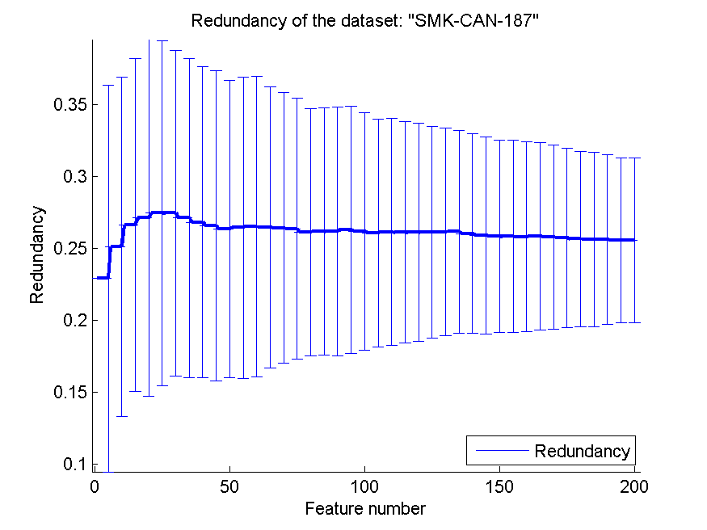
0.68989361702 | 0.037536763328 | 0.67659574468 | 0.042609145743 | 0.61542553191 | 0.052033875917 | 0.26127109323 | 0.0720179112
0.69361702128 | 0.049850267809 | 0.67872340426 | 0.044683517224 | 0.61063829787 | 0.052730364038 | 0.26164992501 | 0.070400252535
0.6920212766 | 0.043995029837 | 0.67712765957 | 0.04131383896 | 0.60744680851 | 0.051298917604 | 0.26023140661 | 0.069038499801
0.6920212766 | 0.039875882583 | 0.67872340426 | 0.040780547574 | 0.61542553191 | 0.049691694398 | 0.2591134656 | 0.068324090411
0.70585106383 | 0.049209882564 | 0.67553191489 | 0.038973143461 | 0.61914893617 | 0.047900327765 | 0.2583155106 | 0.066749922031
0.68882978723 | 0.050240066031 | 0.67765957447 | 0.039216918432 | 0.6079787234 | 0.050876265267 | 0.25830162238 | 0.066621636925
0.69414893617 | 0.046547552123 | 0.67765957447 | 0.040560862653 | 0.62127659574 | 0.047500735151 | 0.25793393332 | 0.065843996015
0.68457446809 | 0.041601193069 | 0.67872340426 | 0.042497163563 | 0.62074468085 | 0.049930856865 | 0.25835562455 | 0.064951179369
0.69574468085 | 0.037238041699 | 0.67553191489 | 0.041633396293 | 0.62606382979 | 0.052376170207 | 0.25793886237 | 0.063890983565
0.70159574468 | 0.039121874624 | 0.6829787234 | 0.037588300336 | 0.62872340426 | 0.054013800536 | 0.25731813128 | 0.062367625721
0.69893617021 | 0.042003731436 | 0.6835106383 | 0.036669857764 | 0.62606382979 | 0.053166287423 | 0.25653298138 | 0.060797621892
0.70159574468 | 0.043036864868 | 0.68404255319 | 0.039519522598 | 0.62287234043 | 0.054515984503 | 0.25614101851 | 0.060599486298
0.70531914894 | 0.04228639769 | 0.68404255319 | 0.037982401069 | 0.62234042553 | 0.053637547396 | 0.2561472055 | 0.058653286389
0.70159574468 | 0.038508039731 | 0.68191489362 | 0.036018388956 | 0.62659574468 | 0.060956220465 | 0.25556305131 | 0.05735735119
0.70159574468 | 0.033370143994 | 0.6835106383 | 0.037153969251 | 0.62553191489 | 0.060139695849 | 0.25563492503 | 0.057368827957

RELATHE
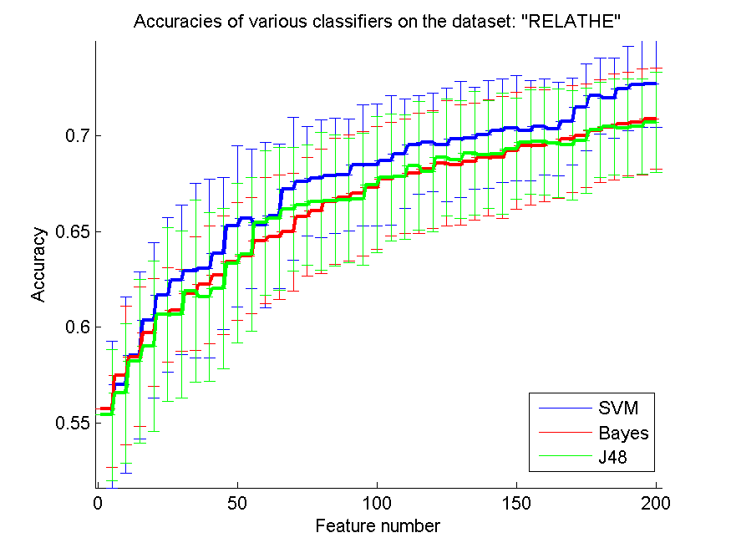
res_svm | res_svm_std | res_bayes | res_bayes_std | res_j48 | res_j48_std | res_red | res_red_std
0.55423797881 | 0.03819877156 | 0.55745721271 | 0.03067039338 | 0.55415647922 | 0.03434145346 | 0.38755886417 | 0.18741356688
0.56988590057 | 0.046103795104 | 0.57465362673 | 0.036176137525 | 0.56544417278 | 0.036342643228 | 0.22195045917 | 0.068742081873
0.58533007335 | 0.043598453384 | 0.58455582722 | 0.036559654667 | 0.58211083945 | 0.042664144566 | 0.16547078374 | 0.043480664893
0.60358598207 | 0.040763005623 | 0.59714751426 | 0.028069731021 | 0.58985330073 | 0.044555976649 | 0.12711092464 | 0.029494486049
0.61682966585 | 0.040452978973 | 0.60643846781 | 0.024644842425 | 0.6064792176 | 0.04547346316 | 0.10956435905 | 0.030251776138
0.62469437653 | 0.039020932691 | 0.60888345558 | 0.021439032437 | 0.60660146699 | 0.043541084281 | 0.094827555899 | 0.023369479839
0.62950285249 | 0.045473559257 | 0.61756316218 | 0.029645522836 | 0.61878565607 | 0.047468933007 | 0.083623031803 | 0.01875748834
0.63068459658 | 0.046827116298 | 0.62216788916 | 0.030776668847 | 0.61581092095 | 0.043925817237 | 0.077494657504 | 0.016467599984
0.63863080685 | 0.039722300998 | 0.62701711491 | 0.030973541761 | 0.62029339853 | 0.041927726975 | 0.07245016525 | 0.015289803285
0.65277098615 | 0.042101275255 | 0.63422982885 | 0.030731427236 | 0.63345558272 | 0.041547441505 | 0.067548411781 | 0.013224091233
0.65660146699 | 0.036520811736 | 0.63736756316 | 0.030513236396 | 0.63797881011 | 0.040051146374 | 0.064220248366 | 0.011223388017
0.6532599837 | 0.043133210781 | 0.64523227384 | 0.032940250721 | 0.65448247759 | 0.037894635277 | 0.061447488247 | 0.009983587026
0.65794621027 | 0.037758432945 | 0.64702526487 | 0.032653304072 | 0.65664221679 | 0.037279505757 | 0.05918540241 | 0.0088254250261
0.67224938875 | 0.037233691956 | 0.64963325183 | 0.030884955686 | 0.66161369193 | 0.032182808528 | 0.057118215435 | 0.0081714277186
0.67620211899 | 0.028721007546 | 0.65782396088 | 0.031024290269 | 0.66377343113 | 0.031236757509 | 0.05522106065 | 0.0075935440453
0.67754686227 | 0.030583958387 | 0.66063569682 | 0.03261098767 | 0.66568867156 | 0.036083926718 | 0.053923957929 | 0.0076728997543
0.67905460473 | 0.029951399337 | 0.66564792176 | 0.032954866623 | 0.66617766911 | 0.034381055439 | 0.052318548599 | 0.0075321134835
0.67958435208 | 0.029313956219 | 0.66756316218 | 0.033033299767 | 0.6662591687 | 0.032395986853 | 0.05115150588 | 0.0070938852371
0.68459657702 | 0.031795288025 | 0.66988590057 | 0.032531643813 | 0.66682966585 | 0.034358881919 | 0.050076388767 | 0.0066088599301
0.684800326 | 0.031972773915 | 0.6728606357 | 0.032021420305 | 0.67449062755 | 0.035746947451 | 0.04929767513 | 0.0064953959933
0.68712306438 | 0.03374940911 | 0.67734311328 | 0.029846519104 | 0.6782803586 | 0.033048086082 | 0.048171157837 | 0.0059345773096
0.69062754686 | 0.028794310429 | 0.67885085575 | 0.029960589519 | 0.67844335778 | 0.032419691641 | 0.047190338161 | 0.0056334973919
0.69506927465 | 0.025794500746 | 0.6804400978 | 0.031274142986 | 0.68427057865 | 0.033493102228 | 0.046215871196 | 0.0052766883649
0.69661776691 | 0.025879202424 | 0.68239608802 | 0.03083873935 | 0.68113284434 | 0.031328840386 | 0.045620222108 | 0.0049328770146
0.69515077425 | 0.029688651247 | 0.68557457213 | 0.03266475756 | 0.68867155664 | 0.030496647953 | 0.045219754059 | 0.0045571648635
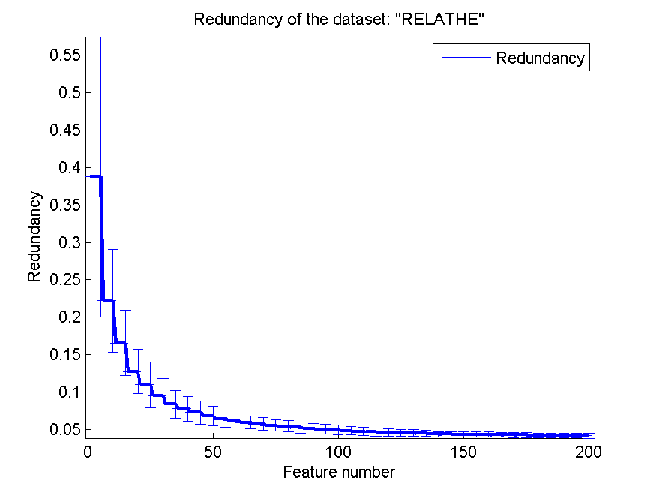
0.69808475958 | 0.030431783338 | 0.6847595762 | 0.031466598324 | 0.68748981255 | 0.030884474623 | 0.044982631419 | 0.0042799513986
0.69865525672 | 0.026518365464 | 0.68659331703 | 0.030611607594 | 0.69070904645 | 0.032296556067 | 0.044321298313 | 0.0039846186269
0.70065199674 | 0.027972418867 | 0.68850855746 | 0.030499628234 | 0.69013854931 | 0.028103959453 | 0.04358166437 | 0.0035020633137
0.70264873676 | 0.027046227715 | 0.68867155664 | 0.031707206165 | 0.69050529747 | 0.03170155508 | 0.043430728174 | 0.0033381069931
0.70399348003 | 0.027446957684 | 0.69209453953 | 0.030505358727 | 0.69311328443 | 0.026392301079 | 0.043191941227 | 0.0035571993617
0.70264873676 | 0.026307125242 | 0.6945802771 | 0.030620057325 | 0.6966992665 | 0.027239421651 | 0.043045415669 | 0.0034791376716
0.70464547677 | 0.025220417978 | 0.69486552567 | 0.029204183579 | 0.69718826406 | 0.027976636495 | 0.042992529015 | 0.0033409793912
0.70354523227 | 0.024290469637 | 0.69592502037 | 0.028702500328 | 0.69625101874 | 0.028317721376 | 0.042675419838 | 0.0032303899958
0.70749796251 | 0.022696845221 | 0.69828850856 | 0.027822671502 | 0.69506927465 | 0.028677368639 | 0.0422884988 | 0.0031957240485
0.71483292584 | 0.022766051051 | 0.69987775061 | 0.027050880529 | 0.69739201304 | 0.02763039263 | 0.042227348501 | 0.0031100685768
0.72078239609 | 0.01997619598 | 0.70248573757 | 0.026727936233 | 0.70301548492 | 0.024813774923 | 0.041928807172 | 0.0031639732808
0.7195599022 | 0.020927436968 | 0.70456397718 | 0.027592916344 | 0.70472697637 | 0.025085184644 | 0.041875956389 | 0.0031163953479
0.72465362673 | 0.021886652095 | 0.70603096985 | 0.027129888498 | 0.70387123064 | 0.025676320354 | 0.041720168671 | 0.003122776052
0.72677261614 | 0.022588731583 | 0.70721271394 | 0.027758862964 | 0.70488997555 | 0.024931136269 | 0.041512725065 | 0.0031316554487
0.72689486553 | 0.02267527144 | 0.70880195599 | 0.026399750821 | 0.70721271394 | 0.02619606269 | 0.041273727688 | 0.0030857421374

pixraw10P
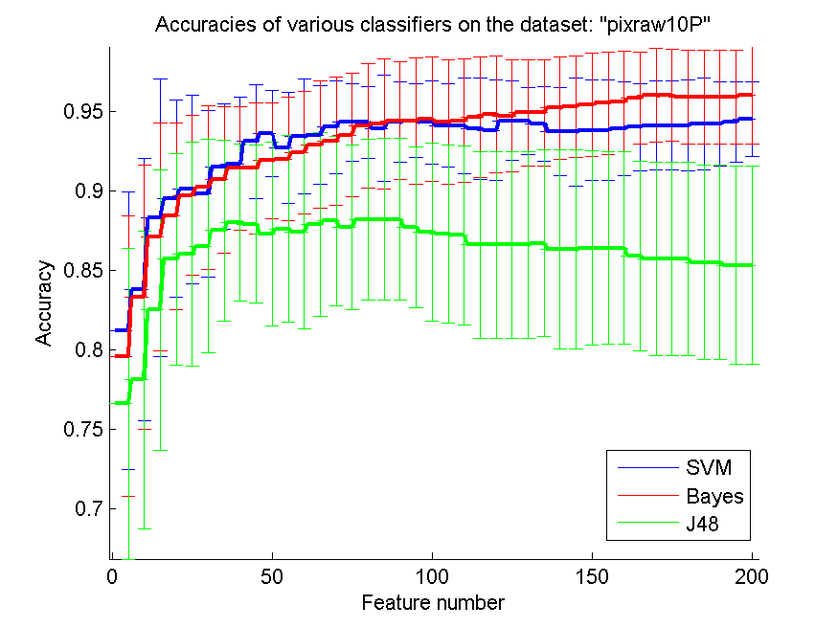
res_svm | res_svm_std | res_bayes | res_bayes_std | res_j48 | res_j48_std | res_red | res_red_std
0.812 | 0.087395049842 | 0.796 | 0.088401000232 | 0.766 | 0.097570487341 | 0.68781336042 | 0.15743344476
0.838 | 0.08230878958 | 0.833 | 0.082914032842 | 0.781 | 0.093465445346 | 0.8122399505 | 0.11385472362
0.883 | 0.087123626622 | 0.871 | 0.07151738839 | 0.825 | 0.088228173087 | 0.81663073693 | 0.12188607384
0.895 | 0.062196632165 | 0.884 | 0.058615607765 | 0.857 | 0.066578011227 | 0.81197666654 | 0.12588398761
0.901 | 0.05928521605 | 0.897 | 0.050377522139 | 0.86 | 0.070487027549 | 0.81857291861 | 0.14619730816
0.898 | 0.052274578707 | 0.902 | 0.051462812327 | 0.865 | 0.067082039325 | 0.81536294731 | 0.1465777314
0.915 | 0.039403446283 | 0.907 | 0.046009152408 | 0.875 | 0.056893251843 | 0.80467934051 | 0.14016323169
0.917 | 0.041688064681 | 0.914 | 0.038987177379 | 0.88 | 0.04941766145 | 0.80003477731 | 0.14297014694
0.931 | 0.035821193374 | 0.914 | 0.041090400979 | 0.879 | 0.049619605633 | 0.79809268195 | 0.14522702146
0.936 | 0.027222281895 | 0.919 | 0.036404164019 | 0.873 | 0.057774516327 | 0.78681441922 | 0.14590397386
0.927 | 0.035108853284 | 0.92 | 0.038933141071 | 0.876 | 0.058615607765 | 0.78298736371 | 0.14460440306
0.934 | 0.036186650635 | 0.924 | 0.038716241662 | 0.874 | 0.060558801351 | 0.77724179995 | 0.14242063103
0.935 | 0.031034785237 | 0.929 | 0.040249223595 | 0.879 | 0.057847349027 | 0.77107539413 | 0.14446589147
0.94 | 0.029019050004 | 0.931 | 0.040249223595 | 0.881 | 0.053301525603 | 0.76715244 | 0.14599170295
0.943 | 0.024516374764 | 0.935 | 0.038865490037 | 0.877 | 0.052022262441 | 0.75943226845 | 0.1459344659
0.943 | 0.022734161635 | 0.941 | 0.039189149948 | 0.882 | 0.050638034384 | 0.75179389943 | 0.1469930044
0.939 | 0.033387675003 | 0.942 | 0.040987803064 | 0.882 | 0.051052088982 | 0.7417851145 | 0.15247962771
0.943 | 0.025360557855 | 0.944 | 0.037049042888 | 0.882 | 0.051052088982 | 0.73612888061 | 0.15410153218
0.944 | 0.023033156878 | 0.944 | 0.039788916732 | 0.877 | 0.050793700397 | 0.73214273916 | 0.15506345108
0.943 | 0.026177531547 | 0.945 | 0.038865490037 | 0.874 | 0.055856960175 | 0.72423534926 | 0.15570597637
0.941 | 0.02633788546 | 0.943 | 0.039081561139 | 0.873 | 0.055922879227 | 0.71925506254 | 0.1546932002
0.941 | 0.030070093553 | 0.944 | 0.038716241662 | 0.872 | 0.056344803151 | 0.71475801642 | 0.15722963808
0.939 | 0.032101811721 | 0.946 | 0.037891812753 | 0.866 | 0.058794915641 | 0.71050703582 | 0.15944461059
0.938 | 0.031722480822 | 0.948 | 0.036935220675 | 0.866 | 0.058794915641 | 0.7063701279 | 0.16129829717
0.944 | 0.024793887192 | 0.947 | 0.035108853284 | 0.866 | 0.058794915641 | 0.70663014398 | 0.1619677692
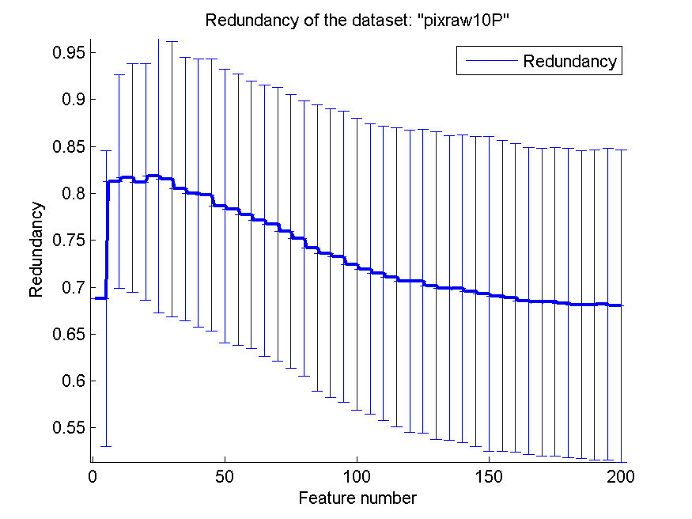
0.944 | 0.021126187291 | 0.949 | 0.033387675003 | 0.866 | 0.058794915641 | 0.70166649289 | 0.16365256222
0.942 | 0.023305748105 | 0.949 | 0.033387675003 | 0.867 | 0.058857544345 | 0.69900956834 | 0.1622919353
0.937 | 0.027739388678 | 0.952 | 0.032052588367 | 0.863 | 0.062668719638 | 0.69846311032 | 0.16421764372
0.937 | 0.03388836161 | 0.953 | 0.031970381029 | 0.863 | 0.062668719638 | 0.69559167418 | 0.16527481096
0.938 | 0.031722480822 | 0.954 | 0.032509108035 | 0.864 | 0.061078034642 | 0.6928064904 | 0.1677235055
0.938 | 0.031722480822 | 0.955 | 0.032363071873 | 0.864 | 0.060732372361 | 0.69059576837 | 0.16591750997
0.939 | 0.029361629096 | 0.956 | 0.031522757026 | 0.864 | 0.060732372361 | 0.6890244958 | 0.1643991949
0.94 | 0.027529888064 | 0.958 | 0.028946411467 | 0.859 | 0.059639266472 | 0.68537760127 | 0.1635196426
0.941 | 0.027890764365 | 0.96 | 0.029735677667 | 0.857 | 0.06096590937 | 0.68413575547 | 0.16392718401
0.941 | 0.027890764365 | 0.96 | 0.029019050004 | 0.857 | 0.06096590937 | 0.68444027597 | 0.16408354176
0.941 | 0.028635642127 | 0.959 | 0.029361629096 | 0.857 | 0.06096590937 | 0.68296029984 | 0.1648912753
0.942 | 0.028946411467 | 0.959 | 0.029361629096 | 0.855 | 0.061172749351 | 0.68122813241 | 0.16411151869
0.942 | 0.026675437154 | 0.959 | 0.029361629096 | 0.855 | 0.061172749351 | 0.68134497514 | 0.16527591994
0.943 | 0.025360557855 | 0.959 | 0.029361629096 | 0.853 | 0.062331879146 | 0.68155812292 | 0.1661622504
0.945 | 0.023283154064 | 0.96 | 0.03043543641 | 0.853 | 0.062331879146 | 0.68014911264 | 0.16648420026

PCMAC
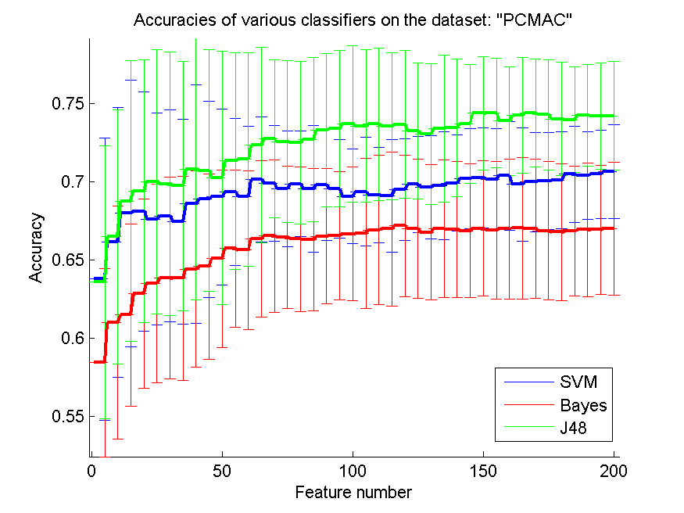
res_svm | res_svm_std | res_bayes | res_bayes_std | res_j48 | res_j48_std | res_red | res_red_std
0.63777969019 | 0.090060114787 | 0.5843373494 | 0.060068167619 | 0.63582903041 | 0.087072540497 | 0.077612923709 | 0.041903229903
0.66138841079 | 0.086284411287 | 0.60989672978 | 0.074625726706 | 0.66477337923 | 0.081175409424 | 0.072460222613 | 0.029989252379
0.67980493402 | 0.085141494168 | 0.61485943775 | 0.058236122298 | 0.68760757315 | 0.089627651927 | 0.076247004281 | 0.03517998607
0.68103843947 | 0.076673941205 | 0.62865748709 | 0.06042656291 | 0.69406196213 | 0.083928688005 | 0.079503775322 | 0.057336883229
0.67604704532 | 0.067769774634 | 0.63502581756 | 0.063498807962 | 0.7 | 0.084702280327 | 0.078102211827 | 0.065139165586
0.67814113597 | 0.067767914884 | 0.63843947217 | 0.064485679313 | 0.69865174986 | 0.084237330124 | 0.071945290962 | 0.04439956904
0.67469879518 | 0.065507695601 | 0.63826735513 | 0.065329074089 | 0.69724612737 | 0.079739871107 | 0.068819739366 | 0.036199198881
0.68577165806 | 0.076051561772 | 0.64423407917 | 0.062874961577 | 0.70800344234 | 0.083728557138 | 0.065292306583 | 0.026942702241
0.68892713712 | 0.062678115628 | 0.64575444636 | 0.059096441171 | 0.70720022949 | 0.077389515711 | 0.062185962452 | 0.0202628726
0.69024670109 | 0.056335068586 | 0.6508605852 | 0.056671894988 | 0.70252438325 | 0.08086266461 | 0.060545707607 | 0.016233644439
0.69337349398 | 0.047083780682 | 0.65725760184 | 0.050293212735 | 0.71331038439 | 0.06934878054 | 0.058222030504 | 0.012968371419
0.69073436604 | 0.044589667358 | 0.65639701664 | 0.050733745739 | 0.71428571429 | 0.068034278765 | 0.057181284748 | 0.010385091139
0.70154905336 | 0.039878223091 | 0.66359724613 | 0.050071882047 | 0.72346528973 | 0.062553169524 | 0.055910476179 | 0.011348131464
0.69902467011 | 0.036777890471 | 0.66543316122 | 0.048749359766 | 0.72751004016 | 0.05040094003 | 0.054729910224 | 0.010730389367
0.69555364314 | 0.036993410964 | 0.66460126219 | 0.045415757564 | 0.72561675273 | 0.051750357043 | 0.053043343443 | 0.009940357264
0.69868043603 | 0.033778521165 | 0.66342512909 | 0.046306450275 | 0.72501434309 | 0.051939229157 | 0.051771598843 | 0.0085868001726
0.69529546758 | 0.040479839616 | 0.66310958118 | 0.045591725871 | 0.72707974756 | 0.05245929253 | 0.05096395267 | 0.0075935859462
0.69799196787 | 0.035458367452 | 0.66506024096 | 0.043218514663 | 0.73296041308 | 0.048932812769 | 0.050652279717 | 0.0076075826468
0.69546758462 | 0.03149604592 | 0.66551921974 | 0.041127357074 | 0.7339070568 | 0.050146326003 | 0.050084337663 | 0.0075892194298
0.69067699369 | 0.030412912313 | 0.66663798049 | 0.042613760247 | 0.73717728055 | 0.049976168867 | 0.049539152902 | 0.007048290938
0.69368904188 | 0.034689563012 | 0.6669535284 | 0.047801329796 | 0.73562822719 | 0.048686178175 | 0.049065573525 | 0.0068068169977
0.69133677567 | 0.030412186025 | 0.66921973609 | 0.047703730232 | 0.73677567413 | 0.048843203037 | 0.049247744987 | 0.0072056667311
0.69084911073 | 0.035992210856 | 0.66979345955 | 0.049252527883 | 0.73557085485 | 0.046933945932 | 0.04890158329 | 0.0070443462602
0.69518072289 | 0.032548565684 | 0.67177280551 | 0.045115896439 | 0.73671830178 | 0.047435115436 | 0.048827726803 | 0.0066189334365
0.69825014343 | 0.030824926754 | 0.66993689042 | 0.044406539525 | 0.73258749283 | 0.043370689974 | 0.04845893042 | 0.0064567722662
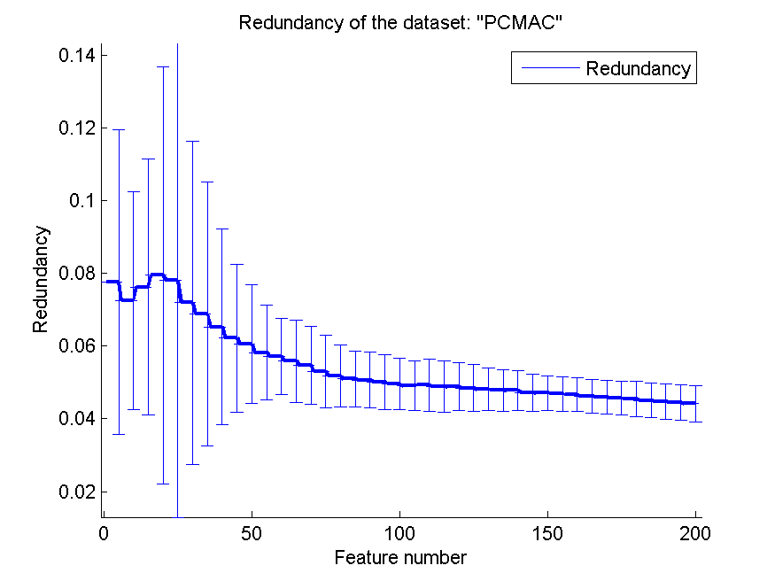
0.69658634538 | 0.032890697428 | 0.66758462421 | 0.043204402443 | 0.73063683305 | 0.045071177622 | 0.048055732739 | 0.0058441024585
0.69770510614 | 0.034495751904 | 0.6698508319 | 0.043995541877 | 0.73396442915 | 0.047041310128 | 0.047846514795 | 0.0056868433863
0.69905335628 | 0.030724724838 | 0.66953528399 | 0.043293968919 | 0.73445209409 | 0.044174657767 | 0.047846071448 | 0.0054664583763
0.70212277682 | 0.031959077678 | 0.66861732645 | 0.042663704734 | 0.73703384968 | 0.038121220963 | 0.047219399616 | 0.0051921600893
0.70252438325 | 0.031801433637 | 0.6701663798 | 0.04322304403 | 0.74380378657 | 0.03626228276 | 0.047094833652 | 0.0048266296528
0.70157773953 | 0.032184153183 | 0.66921973609 | 0.044009321679 | 0.74386115892 | 0.034894996692 | 0.046812334665 | 0.0046577937346
0.70378657487 | 0.034828220341 | 0.66987951807 | 0.044754843332 | 0.73881239243 | 0.034903137765 | 0.046640792555 | 0.0046741121786
0.69842226047 | 0.03620289816 | 0.67030981067 | 0.045182038554 | 0.74234079174 | 0.036968406824 | 0.046236850665 | 0.0045594700485
0.69979919679 | 0.031753663194 | 0.67010900746 | 0.04450003229 | 0.74391853127 | 0.03463777352 | 0.046011661204 | 0.0045583934937
0.70060240964 | 0.030910123221 | 0.66864601262 | 0.044172775294 | 0.74274239816 | 0.035389411065 | 0.045705826207 | 0.0046769818502
0.70088927137 | 0.030920210001 | 0.6678141136 | 0.043744991034 | 0.74021801492 | 0.036369676159 | 0.045511850428 | 0.0047952979169
0.70481927711 | 0.03079963966 | 0.66844520941 | 0.041493003399 | 0.73973034997 | 0.033876172333 | 0.04506325057 | 0.0046910948718
0.70398737808 | 0.028146307442 | 0.66933448078 | 0.042652688862 | 0.74251290878 | 0.032641312046 | 0.044786491904 | 0.0048371563443
0.70484796328 | 0.028168456837 | 0.66930579461 | 0.041385352483 | 0.74199655766 | 0.034205356636 | 0.044510036684 | 0.004772604977
0.70639701664 | 0.029874168477 | 0.67002294894 | 0.042398482796 | 0.74211130235 | 0.034784121305 | 0.044156980714 | 0.0050017608307

orlraws10P
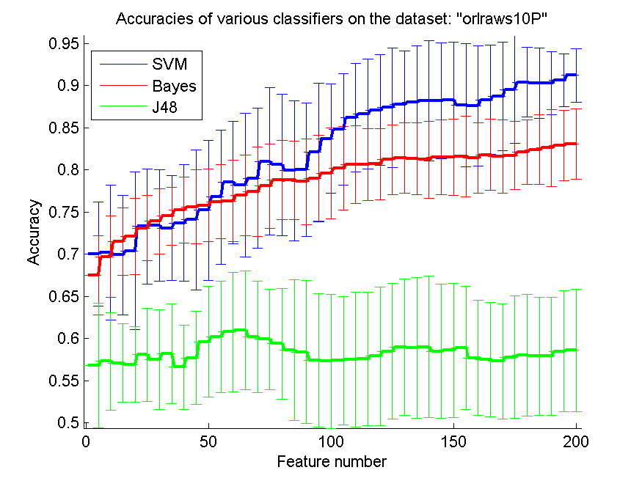
res_svm | res_svm_std | res_bayes | res_bayes_std | res_j48 | res_j48_std | res_red | res_red_std
0.7 | 0.06189974917 | 0.675 | 0.047183850939 | 0.568 | 0.074098085777 | 0.75478654502 | 0.067342767101
0.702 | 0.079973679881 | 0.697 | 0.048242806936 | 0.573 | 0.057774516327 | 0.8585318639 | 0.043674209207
0.699 | 0.07062875514 | 0.715 | 0.039934156334 | 0.571 | 0.046555004254 | 0.89798054547 | 0.036565003025
0.704 | 0.093718503481 | 0.721 | 0.045178010487 | 0.569 | 0.044709589222 | 0.91538764154 | 0.037033345669
0.733 | 0.068140721267 | 0.731 | 0.038648210962 | 0.581 | 0.055241098354 | 0.92608741317 | 0.03413808375
0.734 | 0.065886665051 | 0.739 | 0.038648210962 | 0.575 | 0.058714294861 | 0.93232900408 | 0.036280800913
0.731 | 0.06239939271 | 0.745 | 0.034259074864 | 0.582 | 0.058723258192 | 0.93914225227 | 0.035353918422
0.737 | 0.069061376211 | 0.752 | 0.039148838794 | 0.566 | 0.050304336948 | 0.94219775797 | 0.034426731353
0.741 | 0.08296479913 | 0.756 | 0.0438178046 | 0.577 | 0.055164824796 | 0.94354765557 | 0.0309330702
0.752 | 0.083199190279 | 0.758 | 0.042993267527 | 0.596 | 0.065726706901 | 0.94236091064 | 0.029747726778
0.768 | 0.079577833465 | 0.762 | 0.043961705824 | 0.602 | 0.066459326699 | 0.94059112859 | 0.037041399282
0.785 | 0.072801098893 | 0.763 | 0.048242806936 | 0.608 | 0.07090393798 | 0.93972812396 | 0.040319610143
0.782 | 0.085569300939 | 0.77 | 0.047903411592 | 0.61 | 0.07063620661 | 0.93885460104 | 0.040919001713
0.79 | 0.083224490323 | 0.774 | 0.053153204587 | 0.602 | 0.065822728437 | 0.93620365653 | 0.04205727959
0.81 | 0.087177978871 | 0.781 | 0.05004208755 | 0.599 | 0.05928521605 | 0.93189831442 | 0.043502207248
0.806 | 0.084130224871 | 0.788 | 0.046971435889 | 0.594 | 0.065566358511 | 0.92835461713 | 0.04441139851
0.799 | 0.08296479913 | 0.788 | 0.046521076152 | 0.586 | 0.083376129362 | 0.92476831449 | 0.046042535834
0.8 | 0.079206591964 | 0.786 | 0.051134497574 | 0.584 | 0.084753512581 | 0.92443021414 | 0.045421294805
0.821 | 0.082200012806 | 0.79 | 0.050886871433 | 0.574 | 0.078967015099 | 0.91686060201 | 0.047940342729
0.837 | 0.064652919501 | 0.796 | 0.05413433583 | 0.573 | 0.0792796516 | 0.91364293171 | 0.049132751883
0.848 | 0.065662614533 | 0.802 | 0.049375041639 | 0.574 | 0.075977836103 | 0.90680828912 | 0.049807444928
0.862 | 0.064530694451 | 0.806 | 0.045929007002 | 0.575 | 0.079703397537 | 0.8945275369 | 0.052183679796
0.866 | 0.0652444795 | 0.806 | 0.042599728193 | 0.576 | 0.07883360224 | 0.88864711337 | 0.050544228584
0.871 | 0.065365369875 | 0.807 | 0.042190046219 | 0.579 | 0.082200012806 | 0.88236805585 | 0.051128629388
0.874 | 0.070814806659 | 0.812 | 0.041243819314 | 0.585 | 0.080491908714 | 0.87630015799 | 0.053517966323
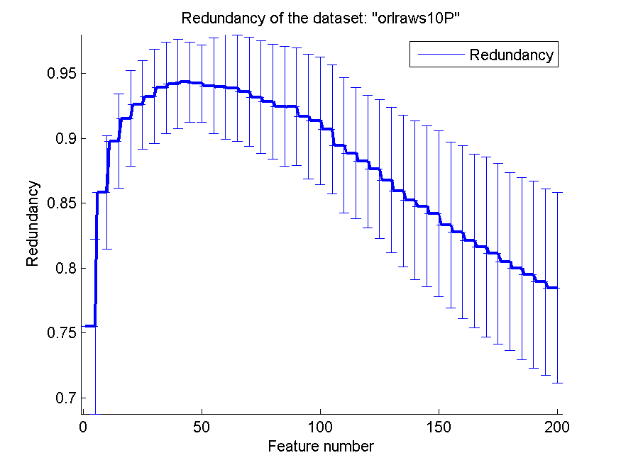
0.878 | 0.063212257306 | 0.814 | 0.04159959514 | 0.59 | 0.080915810699 | 0.86786613772 | 0.056139424273
0.88 | 0.067434178434 | 0.813 | 0.042686124949 | 0.589 | 0.083218166033 | 0.85925191703 | 0.058507540081
0.882 | 0.071642386748 | 0.812 | 0.045607017004 | 0.59 | 0.083979947481 | 0.85222835812 | 0.061230003296
0.882 | 0.068640942209 | 0.815 | 0.044426165832 | 0.585 | 0.079967098497 | 0.84744084182 | 0.062061444883
0.883 | 0.068140721267 | 0.815 | 0.044897544183 | 0.586 | 0.079762806264 | 0.84188595418 | 0.063851578202
0.877 | 0.072916679198 | 0.816 | 0.047947339534 | 0.589 | 0.072685334798 | 0.8331749597 | 0.063913168763
0.876 | 0.071259348417 | 0.814 | 0.04159959514 | 0.577 | 0.068140721267 | 0.82753930163 | 0.066774634624
0.883 | 0.064977728978 | 0.818 | 0.042500773987 | 0.575 | 0.068017025732 | 0.82107276688 | 0.06696692536
0.887 | 0.064326469955 | 0.816 | 0.04333468284 | 0.573 | 0.068448982154 | 0.81623914444 | 0.069670021946
0.895 | 0.063866637366 | 0.817 | 0.040144475926 | 0.578 | 0.072808328037 | 0.81122924311 | 0.069784526516
0.904 | 0.04134578194 | 0.821 | 0.038099592483 | 0.58 | 0.071964903727 | 0.80497160833 | 0.068446239696
0.903 | 0.041688064681 | 0.824 | 0.04134578194 | 0.579 | 0.069728797947 | 0.79956353658 | 0.070469292918
0.903 | 0.037430637606 | 0.826 | 0.045468323271 | 0.579 | 0.069728797947 | 0.7947248775 | 0.072169681746
0.906 | 0.031187041843 | 0.829 | 0.041788943388 | 0.585 | 0.071928326899 | 0.78928398426 | 0.071814241445
0.912 | 0.032052588367 | 0.831 | 0.041788943388 | 0.586 | 0.072866135373 | 0.78473141334 | 0.07370529058

GLI-85
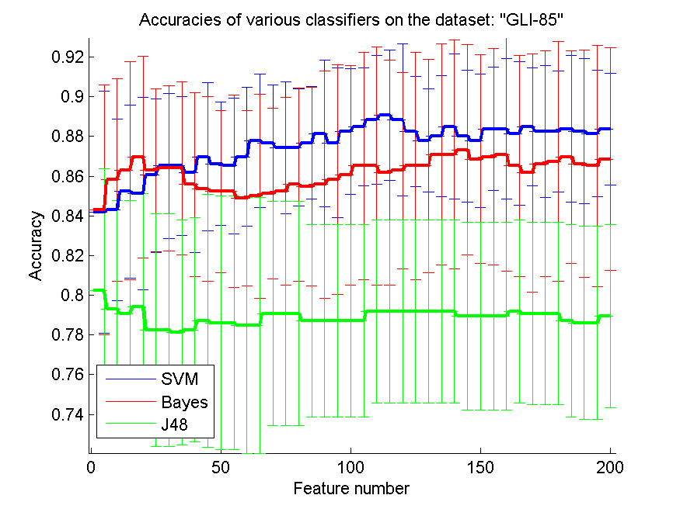
res_svm | res_svm_std | res_bayes | res_bayes_std | res_j48 | res_j48_std | res_red | res_red_std
0.84186046512 | 0.061111319566 | 0.84302325581 | 0.063071135841 | 0.8023255814 | 0.061529100257 | 0.44780134551 | 0.063300597011
0.84302325581 | 0.045817960794 | 0.85813953488 | 0.051118262586 | 0.79302325581 | 0.054877911856 | 0.46313790868 | 0.059526238137
0.8523255814 | 0.043523997216 | 0.86279069767 | 0.054877911856 | 0.79069767442 | 0.056964877739 | 0.4543403696 | 0.071267760347
0.8511627907 | 0.048547840042 | 0.86976744186 | 0.050839078289 | 0.79418604651 | 0.057102127671 | 0.45044442134 | 0.068499352343
0.86046511628 | 0.03847303218 | 0.86279069767 | 0.04125773062 | 0.78255813953 | 0.058578514115 | 0.44513724594 | 0.07307079801
0.86511627907 | 0.036654368635 | 0.86395348837 | 0.04151564768 | 0.78255813953 | 0.058578514115 | 0.43767039548 | 0.070623469782
0.86511627907 | 0.035066838834 | 0.86395348837 | 0.043523997216 | 0.78139534884 | 0.056664269426 | 0.43467719467 | 0.06911517745
0.86162790698 | 0.040262580686 | 0.85581395349 | 0.046266182247 | 0.78255813953 | 0.056601441743 | 0.42512943528 | 0.069345873237
0.86976744186 | 0.03727045159 | 0.85348837209 | 0.046572787207 | 0.78720930233 | 0.063699841948 | 0.41860586138 | 0.068249680333
0.86627906977 | 0.030994999418 | 0.8523255814 | 0.040824248005 | 0.78604651163 | 0.063844906154 | 0.41320495813 | 0.069040755843
0.86511627907 | 0.034245487421 | 0.8523255814 | 0.048474493815 | 0.78604651163 | 0.063844906154 | 0.41013986764 | 0.066278801326
0.86976744186 | 0.034904114806 | 0.8488372093 | 0.044317911849 | 0.78488372093 | 0.064410849301 | 0.40575456879 | 0.06635194459
0.87790697674 | 0.033637468993 | 0.85 | 0.051437451255 | 0.78488372093 | 0.064410849301 | 0.40187912624 | 0.066317916182
0.87674418605 | 0.029319611773 | 0.8511627907 | 0.042947931018 | 0.79069767442 | 0.05646297476 | 0.39725970851 | 0.065747563125
0.87441860465 | 0.033233081051 | 0.8523255814 | 0.047285483992 | 0.79069767442 | 0.05646297476 | 0.39537078674 | 0.066109133761
0.87441860465 | 0.029609433761 | 0.85581395349 | 0.048664964073 | 0.79069767442 | 0.05646297476 | 0.39084483982 | 0.066292380661
0.87674418605 | 0.028332134713 | 0.85465116279 | 0.049977934843 | 0.78720930233 | 0.048474493815 | 0.38703266501 | 0.065627097331
0.88139534884 | 0.036886605606 | 0.85581395349 | 0.057263908023 | 0.78720930233 | 0.048474493815 | 0.38487722805 | 0.065653515602
0.87674418605 | 0.037801288413 | 0.85813953488 | 0.057906509758 | 0.78720930233 | 0.048474493815 | 0.38205103226 | 0.065796657742
0.88255813953 | 0.031541208841 | 0.86046511628 | 0.055445540528 | 0.78720930233 | 0.048474493815 | 0.38004594405 | 0.065772011772
0.88488372093 | 0.029681447083 | 0.86511627907 | 0.057263908023 | 0.78720930233 | 0.048474493815 | 0.37616593883 | 0.065489153981
0.88837209302 | 0.032540649263 | 0.86511627907 | 0.060172533808 | 0.79186046512 | 0.046189213 | 0.37461418738 | 0.066153199364
0.89069767442 | 0.032975123093 | 0.86162790698 | 0.05670193262 | 0.79186046512 | 0.046189213 | 0.37197894851 | 0.064959765651
0.88837209302 | 0.038175938682 | 0.86279069767 | 0.049419504636 | 0.79186046512 | 0.046189213 | 0.37008893852 | 0.065659283289
0.88255813953 | 0.027697089138 | 0.86511627907 | 0.057263908023 | 0.79186046512 | 0.046189213 | 0.36803569835 | 0.065182280255
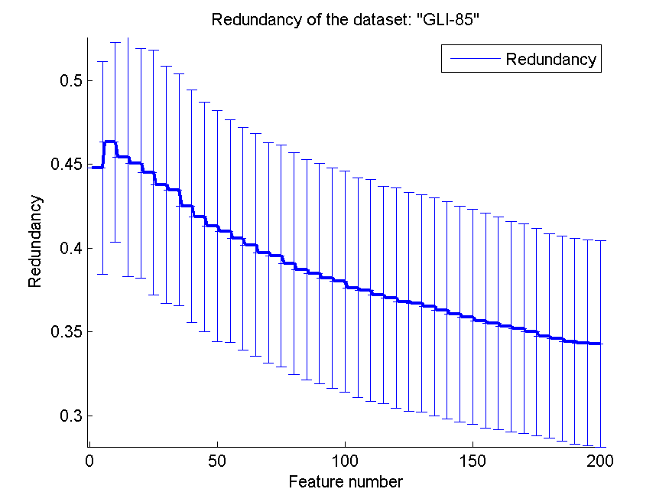
0.87790697674 | 0.026000790436 | 0.86511627907 | 0.053671656601 | 0.79186046512 | 0.046189213 | 0.36722119793 | 0.064802191894
0.88023255814 | 0.030438990171 | 0.87093023256 | 0.055688864314 | 0.79186046512 | 0.046189213 | 0.36501625928 | 0.064863430074
0.88488372093 | 0.036557167805 | 0.87093023256 | 0.057697215852 | 0.79186046512 | 0.046189213 | 0.36293562887 | 0.064748675176
0.88023255814 | 0.033125842691 | 0.87325581395 | 0.053071656494 | 0.78953488372 | 0.047405726994 | 0.3606140574 | 0.064386621412
0.87790697674 | 0.033637468993 | 0.86860465116 | 0.052424087884 | 0.78953488372 | 0.047405726994 | 0.35886929896 | 0.064079877441
0.88372093023 | 0.03110958391 | 0.86976744186 | 0.054617948708 | 0.78953488372 | 0.047405726994 | 0.35675782659 | 0.064105346224
0.88372093023 | 0.035390042337 | 0.87093023256 | 0.058675619054 | 0.78953488372 | 0.047405726994 | 0.35511855779 | 0.063407424729
0.88139534884 | 0.036106673844 | 0.86511627907 | 0.055752720389 | 0.79186046512 | 0.046189213 | 0.35311473569 | 0.062698302845
0.88488372093 | 0.029681447083 | 0.86162790698 | 0.060113372911 | 0.79069767442 | 0.045895552654 | 0.351823488 | 0.062459511192
0.88255813953 | 0.033297258287 | 0.86627906977 | 0.056902381969 | 0.79069767442 | 0.045895552654 | 0.34995589819 | 0.061762726135
0.88255813953 | 0.03062544821 | 0.86744186047 | 0.060408598009 | 0.79069767442 | 0.045895552654 | 0.34759134593 | 0.06103747333
0.88372093023 | 0.036963693686 | 0.86976744186 | 0.053565481113 | 0.78720930233 | 0.048474493815 | 0.34605369223 | 0.061132549748
0.88255813953 | 0.036557167805 | 0.86627906977 | 0.05740044295 | 0.78604651163 | 0.048664964073 | 0.34431624654 | 0.06142050272
0.88139534884 | 0.031922453077 | 0.86511627907 | 0.060643743304 | 0.78604651163 | 0.048664964073 | 0.34344811541 | 0.061366922265
0.88372093023 | 0.02823148738 | 0.86860465116 | 0.056096287135 | 0.78953488372 | 0.046189213 | 0.34294118201 | 0.061477485231

GLA-BRA-180
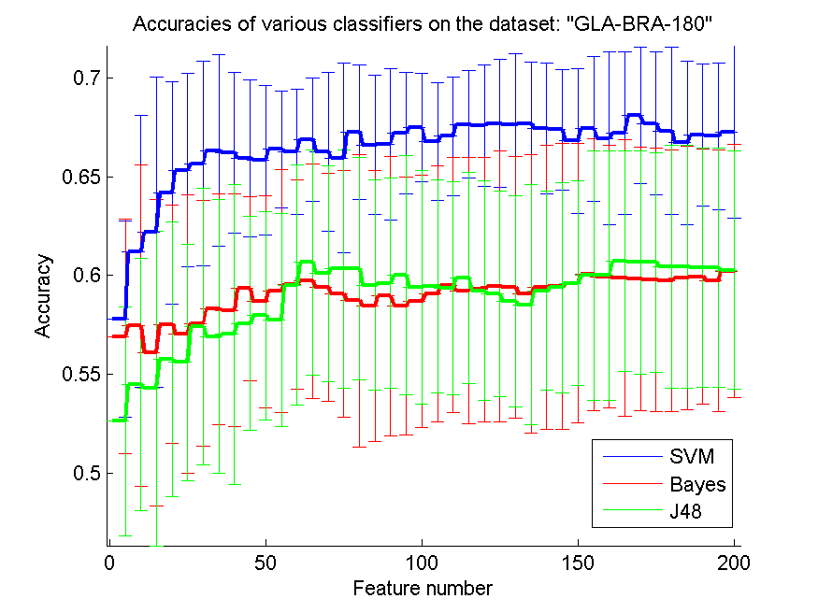
res_svm | res_svm_std | res_bayes | res_bayes_std | res_j48 | res_j48_std | res_red | res_red_std
0.57802197802 | 0.049710134171 | 0.56923076923 | 0.059509645213 | 0.52637362637 | 0.057808552914 | 0.55413879323 | 0.15355876438
0.61208791209 | 0.068774373052 | 0.57472527473 | 0.081309301821 | 0.54505494505 | 0.063718311825 | 0.6008458902 | 0.14896557872
0.62197802198 | 0.078388098211 | 0.56098901099 | 0.077497237526 | 0.54285714286 | 0.079435144783 | 0.63648081752 | 0.15112282425
0.64175824176 | 0.056417516853 | 0.57527472527 | 0.060112686729 | 0.55769230769 | 0.069580579054 | 0.63499180219 | 0.15640772443
0.6532967033 | 0.04881670768 | 0.57032967033 | 0.070490345668 | 0.55604395604 | 0.059595024949 | 0.64014653425 | 0.15761242834
0.65659340659 | 0.051896331944 | 0.57582417582 | 0.062204116931 | 0.57417582418 | 0.069763025985 | 0.64702614191 | 0.15940723012
0.66318681319 | 0.04826679025 | 0.58296703297 | 0.058418275238 | 0.56923076923 | 0.069372462342 | 0.64232057257 | 0.16031150555
0.66208791209 | 0.040474467545 | 0.58241758242 | 0.058800532225 | 0.57032967033 | 0.075791059063 | 0.64236849102 | 0.16242319227
0.65934065934 | 0.039701566921 | 0.59340659341 | 0.046622425133 | 0.57582417582 | 0.054117539451 | 0.64540509506 | 0.16441027393
0.65824175824 | 0.037714803412 | 0.58681318681 | 0.053527105688 | 0.57967032967 | 0.052626017413 | 0.64554968173 | 0.16651774391
0.66373626374 | 0.029701373987 | 0.59230769231 | 0.061433025433 | 0.57747252747 | 0.054008795812 | 0.64874200875 | 0.16824190957
0.66263736264 | 0.03170918259 | 0.5956043956 | 0.052833936869 | 0.59505494505 | 0.060639031478 | 0.64812673588 | 0.1641083854
0.66868131868 | 0.031341249872 | 0.59725274725 | 0.05926081212 | 0.60659340659 | 0.057000311596 | 0.64935695117 | 0.16759148808
0.66263736264 | 0.040036338117 | 0.59395604396 | 0.057761807817 | 0.6010989011 | 0.054550346292 | 0.64778553523 | 0.17077385902
0.65934065934 | 0.047833598908 | 0.59065934066 | 0.062354642873 | 0.6032967033 | 0.060284252848 | 0.64734480241 | 0.17042101997
0.67252747253 | 0.033936019746 | 0.58736263736 | 0.07388661138 | 0.6032967033 | 0.056248280844 | 0.64748262842 | 0.16920459585
0.66593406593 | 0.035186517318 | 0.58461538462 | 0.06845016045 | 0.59505494505 | 0.053154754234 | 0.64844783506 | 0.16903676194
0.66648351648 | 0.038279333766 | 0.58956043956 | 0.070614212567 | 0.59615384615 | 0.052987092093 | 0.64784447816 | 0.16757477022
0.67197802198 | 0.030726856718 | 0.58461538462 | 0.065216843238 | 0.6 | 0.060442189332 | 0.64675136316 | 0.16773879899
0.67472527473 | 0.027478310554 | 0.58681318681 | 0.063718311825 | 0.59395604396 | 0.059067447221 | 0.64524544282 | 0.16665177184
0.66758241758 | 0.029802844408 | 0.59065934066 | 0.064754731455 | 0.59450549451 | 0.053823132199 | 0.64640498444 | 0.16640757572
0.67032967033 | 0.029829489782 | 0.59505494505 | 0.064400420667 | 0.59340659341 | 0.053834939402 | 0.64633992214 | 0.16656823932
0.67637362637 | 0.027029393135 | 0.59230769231 | 0.067166049426 | 0.5989010989 | 0.053420134569 | 0.64717966205 | 0.16575333514
0.67582417582 | 0.030566131317 | 0.59285714286 | 0.066746012775 | 0.59230769231 | 0.055336948283 | 0.6463244905 | 0.16626673003
0.67692307692 | 0.032166885079 | 0.59450549451 | 0.06838513348 | 0.59065934066 | 0.052018656998 | 0.64705701099 | 0.16543045968
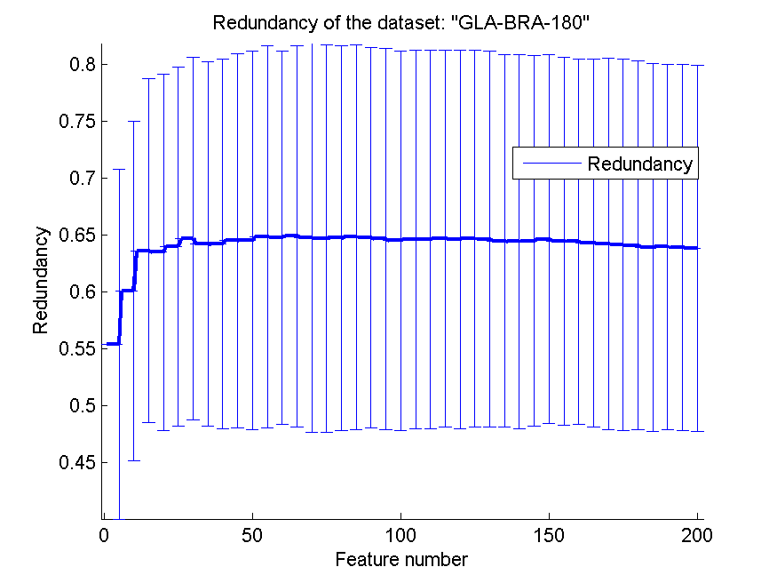
0.67637362637 | 0.035915038393 | 0.59395604396 | 0.065979837592 | 0.58681318681 | 0.053408235664 | 0.64654325418 | 0.16528347637
0.67692307692 | 0.030752701501 | 0.59065934066 | 0.070488091528 | 0.58516483516 | 0.060806499563 | 0.64483159656 | 0.16362111651
0.67417582418 | 0.033116107905 | 0.59395604396 | 0.071703878394 | 0.59230769231 | 0.050408433575 | 0.64443528025 | 0.16429400764
0.67362637363 | 0.030482844701 | 0.59450549451 | 0.072271135068 | 0.59395604396 | 0.053178662817 | 0.64499738732 | 0.16293963652
0.66813186813 | 0.036637747405 | 0.59615384615 | 0.070488091528 | 0.59615384615 | 0.051896331944 | 0.64637865815 | 0.16202691098
0.67417582418 | 0.036754655955 | 0.60054945055 | 0.068698089335 | 0.6 | 0.062915276438 | 0.64493493477 | 0.16178020525
0.66923076923 | 0.043651344154 | 0.59945054945 | 0.066364030883 | 0.6 | 0.062915276438 | 0.64440787911 | 0.16060095055
0.67197802198 | 0.041159600484 | 0.5989010989 | 0.069910913528 | 0.60714285714 | 0.055791627387 | 0.64333592349 | 0.16152786819
0.68076923077 | 0.034470258632 | 0.59835164835 | 0.066459732181 | 0.60659340659 | 0.056327320925 | 0.64237408313 | 0.16307482636
0.67692307692 | 0.036078359634 | 0.5978021978 | 0.066643570277 | 0.60659340659 | 0.055531857852 | 0.64151585937 | 0.16335890133
0.67307692308 | 0.042166432093 | 0.59725274725 | 0.066056855011 | 0.6043956044 | 0.06123614081 | 0.64101777435 | 0.16228922636
0.66703296703 | 0.041132568798 | 0.5989010989 | 0.066653106454 | 0.6043956044 | 0.06123614081 | 0.63945874732 | 0.16155672728
0.67087912088 | 0.035915038393 | 0.59945054945 | 0.064321419891 | 0.60384615385 | 0.060344844023 | 0.63966452941 | 0.16090088922
0.67032967033 | 0.037222887009 | 0.59725274725 | 0.066249006839 | 0.60384615385 | 0.060344844023 | 0.63912890665 | 0.16080240478
0.67252747253 | 0.043607641813 | 0.6021978022 | 0.064036706372 | 0.60274725275 | 0.060323775735 | 0.63842743099 | 0.16113101571

CLL-SUB-111
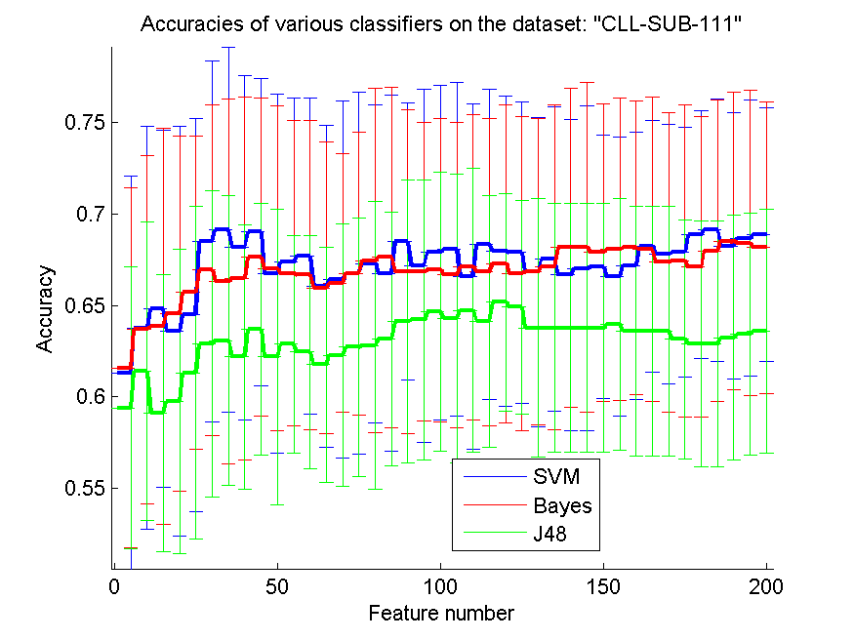
res_svm | res_svm_std | res_bayes | res_bayes_std | res_j48 | res_j48_std | res_red | res_red_std
0.61315789474 | 0.10776873334 | 0.61578947368 | 0.098571547467 | 0.59385964912 | 0.077057507242 | 0.47378021513 | 0.13874117244
0.63771929825 | 0.11026512103 | 0.63684210526 | 0.095262044073 | 0.61403508772 | 0.081893326865 | 0.54223101366 | 0.10058518366
0.64824561404 | 0.097509941824 | 0.63859649123 | 0.10835711568 | 0.59122807018 | 0.075748253214 | 0.55916072452 | 0.093704143677
0.63596491228 | 0.11224534877 | 0.64561403509 | 0.097197949145 | 0.59736842105 | 0.083358843352 | 0.56566105628 | 0.086886327327
0.64473684211 | 0.10737720168 | 0.65701754386 | 0.085469770829 | 0.61315789474 | 0.091156126188 | 0.56150744245 | 0.082684848882
0.6850877193 | 0.098993820259 | 0.66929824561 | 0.090406665042 | 0.62894736842 | 0.083901209388 | 0.557698647 | 0.08292289951
0.69122807018 | 0.099796491501 | 0.66315789474 | 0.099828950923 | 0.63070175439 | 0.079172757162 | 0.54658345623 | 0.078622049412
0.68157894737 | 0.09409429511 | 0.6649122807 | 0.099389854281 | 0.62192982456 | 0.072329587499 | 0.5461983107 | 0.078706806624
0.69035087719 | 0.084094063819 | 0.67631578947 | 0.086972816373 | 0.63684210526 | 0.068800001808 | 0.54105629913 | 0.080475242048
0.66754385965 | 0.098337083129 | 0.6701754386 | 0.088838656815 | 0.62192982456 | 0.080793035213 | 0.53739288867 | 0.078482265874
0.67368421053 | 0.089709644866 | 0.66754385965 | 0.083552949665 | 0.62894736842 | 0.059500929377 | 0.53363776563 | 0.079063868589
0.67719298246 | 0.086398177018 | 0.66666666667 | 0.084617361362 | 0.62456140351 | 0.063740007455 | 0.53327712269 | 0.075274409263
0.66052631579 | 0.088046481235 | 0.65964912281 | 0.079971808222 | 0.61754385965 | 0.064548153926 | 0.52871353312 | 0.072294254544
0.66403508772 | 0.09764275529 | 0.66228070175 | 0.070606937468 | 0.62280701754 | 0.071885895195 | 0.52358825563 | 0.072874450061
0.66754385965 | 0.098993820259 | 0.66754385965 | 0.077518619792 | 0.62719298246 | 0.070606937468 | 0.51844303656 | 0.07027999988
0.67280701754 | 0.087121694738 | 0.67456140351 | 0.094128720903 | 0.62807017544 | 0.078788184649 | 0.51833948054 | 0.068913839427
0.66754385965 | 0.097509941824 | 0.67631578947 | 0.093264263976 | 0.63157894737 | 0.069245921548 | 0.51350181962 | 0.071172059937
0.6850877193 | 0.075614474272 | 0.66842105263 | 0.088528126993 | 0.64122807018 | 0.077309364127 | 0.51219091664 | 0.072088799338
0.67192982456 | 0.096612867172 | 0.66842105263 | 0.081873543478 | 0.64210526316 | 0.076662324423 | 0.51002407559 | 0.073195948029
0.67894736842 | 0.091444448273 | 0.66929824561 | 0.083125317477 | 0.64649122807 | 0.076424233879 | 0.50550506172 | 0.073719519258
0.68070175439 | 0.091178337179 | 0.66666666667 | 0.083460805455 | 0.64298245614 | 0.07892684662 | 0.50205942763 | 0.075645364981
0.66578947368 | 0.094300661353 | 0.67105263158 | 0.083630466045 | 0.64736842105 | 0.077607382596 | 0.50062939422 | 0.07723195168
0.68333333333 | 0.084899268708 | 0.66842105263 | 0.084021795281 | 0.64122807018 | 0.068652684604 | 0.49880158993 | 0.079396426407
0.6798245614 | 0.084975556958 | 0.67280701754 | 0.087121694738 | 0.65175438596 | 0.059500929377 | 0.49644623989 | 0.077574529292
0.67894736842 | 0.082700371096 | 0.66754385965 | 0.085847999342 | 0.64912280702 | 0.058325435632 | 0.49397979002 | 0.077006382655
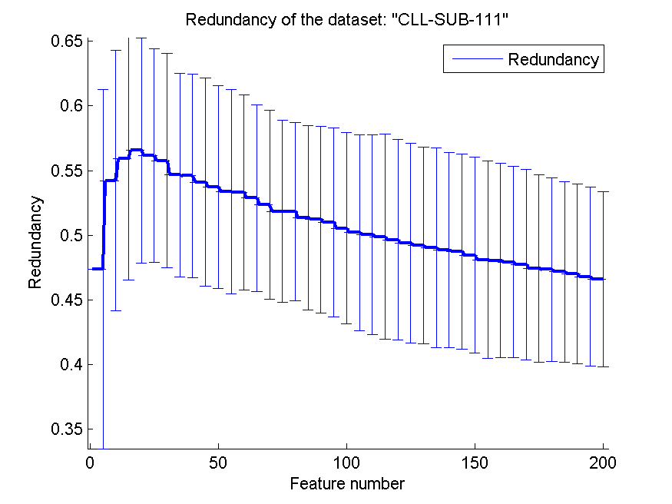
0.66842105263 | 0.084598214996 | 0.66842105263 | 0.083828774591 | 0.63771929825 | 0.070698649717 | 0.49210843808 | 0.075927215972
0.67543859649 | 0.083363701518 | 0.67105263158 | 0.088888787643 | 0.63771929825 | 0.068131594075 | 0.49022528336 | 0.077165498892
0.66666666667 | 0.085379695332 | 0.68157894737 | 0.087121694738 | 0.63771929825 | 0.068131594075 | 0.4885834064 | 0.075364052615
0.6701754386 | 0.088838656815 | 0.68157894737 | 0.090227304355 | 0.63771929825 | 0.068131594075 | 0.48752355578 | 0.075635473521
0.67105263158 | 0.072195083268 | 0.67894736842 | 0.081516621512 | 0.63771929825 | 0.068131594075 | 0.48464031397 | 0.075852865463
0.66578947368 | 0.076254472772 | 0.68070175439 | 0.082798252975 | 0.63947368421 | 0.068888240913 | 0.48115118557 | 0.076142470069
0.67192982456 | 0.073136955581 | 0.68157894737 | 0.080148854727 | 0.63596491228 | 0.068274104102 | 0.48042694291 | 0.075065093467
0.68245614035 | 0.068752894646 | 0.68070175439 | 0.083383131352 | 0.63596491228 | 0.068274104102 | 0.4792425657 | 0.073944298653
0.67807017544 | 0.071155437862 | 0.67368421053 | 0.081972412665 | 0.63596491228 | 0.068274104102 | 0.47726545131 | 0.073440010034
0.67894736842 | 0.068327468732 | 0.67456140351 | 0.085469770829 | 0.63157894737 | 0.06539586781 | 0.47438870109 | 0.072483412387
0.68859649123 | 0.067797905759 | 0.67105263158 | 0.082066228064 | 0.62894736842 | 0.067173801293 | 0.47349219558 | 0.070769923718
0.69122807018 | 0.071637583935 | 0.6798245614 | 0.082460069453 | 0.62894736842 | 0.067173801293 | 0.4717471964 | 0.06996249402
0.68245614035 | 0.072870679373 | 0.6850877193 | 0.081392324191 | 0.63245614035 | 0.067222015045 | 0.47013369323 | 0.069518681265
0.68684210526 | 0.075571614995 | 0.68421052632 | 0.083654675183 | 0.63421052632 | 0.066202152903 | 0.46798423571 | 0.069334775641
0.68859649123 | 0.069450316448 | 0.68157894737 | 0.07974359942 | 0.63596491228 | 0.066592513554 | 0.46589480863 | 0.067587021176

BASEHOCK
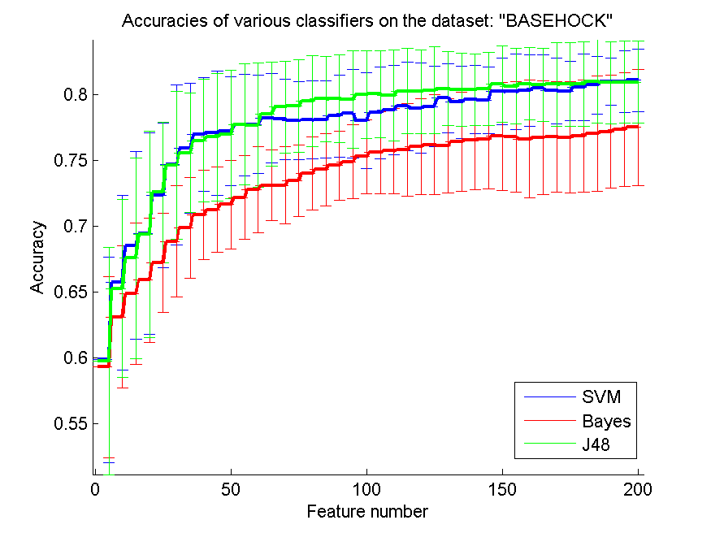
res_svm | res_svm_std | res_bayes | res_bayes_std | res_j48 | res_j48_std | res_red | res_red_std
0.59871723369 | 0.077808483437 | 0.59327941997 | 0.068664844581 | 0.59802007808 | 0.086323991653 | 0.083239607734 | 0.060185584907
0.65747350809 | 0.066277085659 | 0.63126045733 | 0.05415576689 | 0.65278862242 | 0.067613835692 | 0.1058073789 | 0.072310118265
0.68555493586 | 0.071381303368 | 0.64888455103 | 0.05352242879 | 0.67576687117 | 0.076018971368 | 0.096518602881 | 0.057072027898
0.69453430006 | 0.076242363861 | 0.65917456776 | 0.047081676764 | 0.69406023424 | 0.07836636949 | 0.088774288822 | 0.056018889711
0.72339654211 | 0.055003795612 | 0.67219743447 | 0.037666184197 | 0.72571109872 | 0.053491564322 | 0.086041098052 | 0.060718642745
0.74679308422 | 0.060823065198 | 0.68862242052 | 0.042219528236 | 0.74626324596 | 0.055862338398 | 0.080134339433 | 0.050191277425
0.75936977133 | 0.049396447344 | 0.69891243726 | 0.038132882832 | 0.75585610708 | 0.045138477199 | 0.076041891908 | 0.040823592212
0.76971556051 | 0.042957516128 | 0.70861684328 | 0.033783595621 | 0.76511433352 | 0.046308732345 | 0.071922688152 | 0.034350365892
0.77091466815 | 0.047166089182 | 0.71268823201 | 0.032596711608 | 0.76765197992 | 0.048182054348 | 0.068109087087 | 0.029754407386
0.77219743447 | 0.041066208344 | 0.71653653095 | 0.033693534534 | 0.76985499163 | 0.048572875171 | 0.065511649373 | 0.02865052552
0.77696597881 | 0.038535025524 | 0.72191857223 | 0.031669509066 | 0.77735638595 | 0.046140261812 | 0.063596045573 | 0.028224452195
0.77744004462 | 0.037385925924 | 0.72796988288 | 0.032784311195 | 0.77671500279 | 0.047148869826 | 0.062215632505 | 0.026036666093
0.78195761294 | 0.034024549817 | 0.73120468489 | 0.027046066354 | 0.78535973229 | 0.039389422224 | 0.060989494529 | 0.022244284748
0.78123257111 | 0.030531679018 | 0.73103736754 | 0.029387412278 | 0.79063022867 | 0.034803738894 | 0.060259102755 | 0.019827449391
0.78017289459 | 0.029817348191 | 0.73469046291 | 0.027155784214 | 0.7912437256 | 0.035201161886 | 0.058674321094 | 0.018424628528
0.78070273285 | 0.029676084563 | 0.74023982153 | 0.027718918672 | 0.79506413832 | 0.034384481614 | 0.057905678263 | 0.016807269428
0.78103736754 | 0.029235785414 | 0.7429726715 | 0.027195047863 | 0.79656999442 | 0.032257744678 | 0.05705349083 | 0.016179127815
0.78388176241 | 0.031147275854 | 0.74604015616 | 0.026460934221 | 0.79659788065 | 0.033307087559 | 0.056670121397 | 0.016063136514
0.78549916341 | 0.033556489532 | 0.7489682097 | 0.028123509791 | 0.7964305633 | 0.03686359219 | 0.056368026541 | 0.015037196986
0.78022866704 | 0.036665643809 | 0.75292805354 | 0.028055960373 | 0.79977691021 | 0.033336517146 | 0.056436197485 | 0.014696367018
0.78614054657 | 0.034868158258 | 0.75591187953 | 0.03091184461 | 0.80044617959 | 0.033088376356 | 0.055682865265 | 0.01344101274
0.78817624094 | 0.033678820958 | 0.75711098717 | 0.032302692185 | 0.79927495817 | 0.034744183352 | 0.055822210635 | 0.013742814744
0.79127161182 | 0.033630309326 | 0.75803123257 | 0.034911233856 | 0.80273284997 | 0.032469307804 | 0.055562942507 | 0.013126445719
0.7896263246 | 0.034104869604 | 0.7603736754 | 0.036258311706 | 0.80211935304 | 0.031785711932 | 0.055293795108 | 0.012757399857
0.79079754601 | 0.030535445663 | 0.76190741774 | 0.037915291908 | 0.80331846068 | 0.032750536595 | 0.054764933651 | 0.012967921861
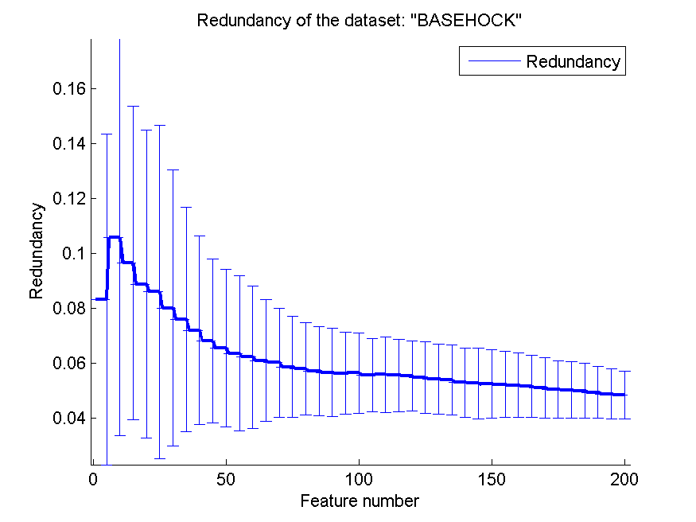
0.7972392638 | 0.026153009433 | 0.76132180703 | 0.035861145636 | 0.80440602342 | 0.02807176949 | 0.054302157843 | 0.012753999979
0.79417177914 | 0.027533790179 | 0.76419408812 | 0.037677363767 | 0.80365309537 | 0.027983787414 | 0.053930512812 | 0.01278481162
0.79640267708 | 0.025946242911 | 0.76569994423 | 0.037745217447 | 0.80365309537 | 0.027278717456 | 0.052942082898 | 0.012622214347
0.79587283882 | 0.025318092265 | 0.76592303402 | 0.03748416077 | 0.80435025098 | 0.027560014109 | 0.052636049355 | 0.012845733192
0.80250976018 | 0.025195518103 | 0.76834913553 | 0.040990712728 | 0.80789180145 | 0.028770706235 | 0.052462118962 | 0.012438452619
0.80211935304 | 0.028738894087 | 0.76787506972 | 0.042136269814 | 0.80641383157 | 0.028624334986 | 0.052324612236 | 0.012002189473
0.80290016732 | 0.027067803574 | 0.76628555494 | 0.044799026073 | 0.80814277747 | 0.02741253838 | 0.051939171803 | 0.011739186209
0.80496374791 | 0.02514556592 | 0.76715002789 | 0.043048732465 | 0.80744562186 | 0.02774430379 | 0.051598855195 | 0.011423262427
0.8027607362 | 0.02470296679 | 0.7676240937 | 0.041909015021 | 0.80775237033 | 0.031949335906 | 0.051071361067 | 0.011044577521
0.80267707752 | 0.022660367066 | 0.76748466258 | 0.042280286606 | 0.80780814278 | 0.031904878374 | 0.050445587855 | 0.010509997284
0.80538204127 | 0.025253654563 | 0.76860011154 | 0.042613523848 | 0.80786391523 | 0.032196594186 | 0.050264205955 | 0.010257761084
0.80722253207 | 0.021927249707 | 0.77030117122 | 0.043562408851 | 0.80989960959 | 0.031682365468 | 0.049975868893 | 0.0099896643981
0.80989960959 | 0.017722244272 | 0.77183491355 | 0.042873972509 | 0.80895147797 | 0.031245397712 | 0.049349825943 | 0.0093989393934
0.8096765198 | 0.023427835236 | 0.77339654211 | 0.043383086129 | 0.80945343001 | 0.030924023373 | 0.048726755772 | 0.0091102938718
0.81076408254 | 0.023823664071 | 0.77520914668 | 0.044040527412 | 0.80948131623 | 0.031003926804 | 0.048427529405 | 0.0087779464129

