warpAR10P
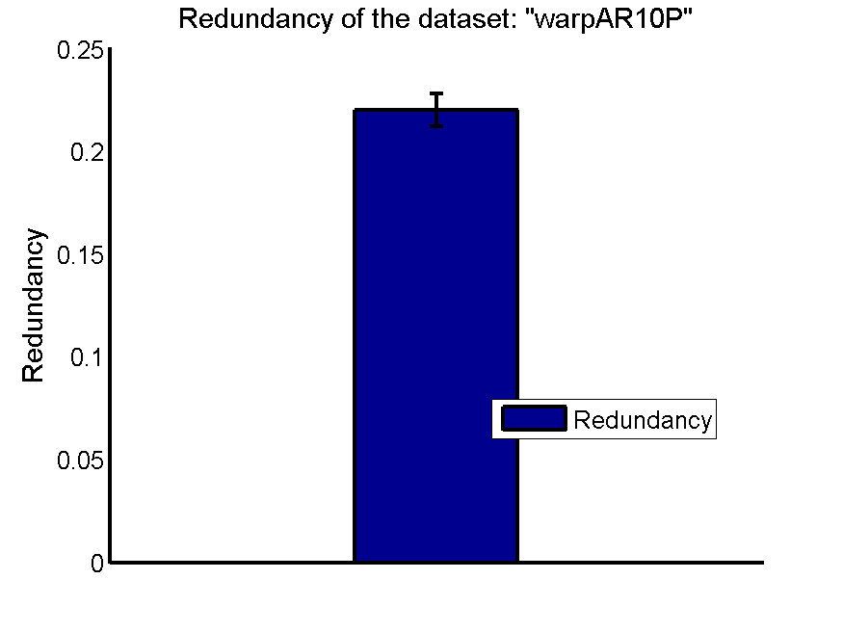
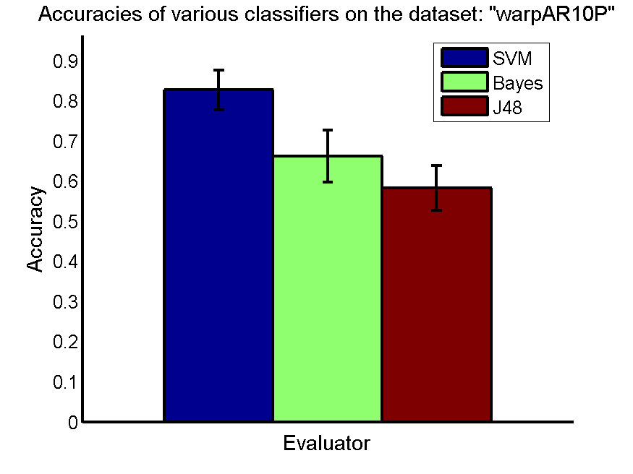
res_svm | res_svm_std | res_bayes | res_bayes_std | res_j48 | res_j48_std | res_red | res_red_std
0.82714285714 | 0.049029244435 | 0.66214285714 | 0.064269003676 | 0.58285714286 | 0.056118640629 | 0.22009136819 | 0.0080440843783

TOX-171
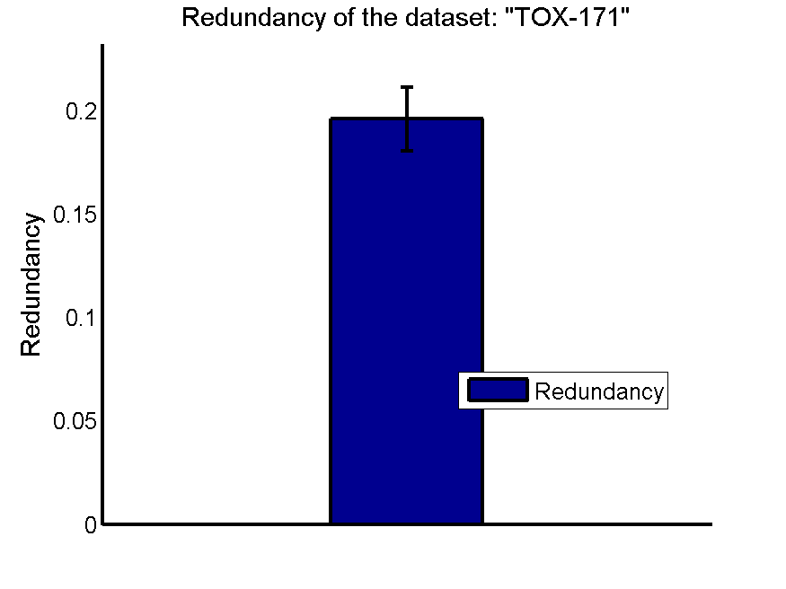
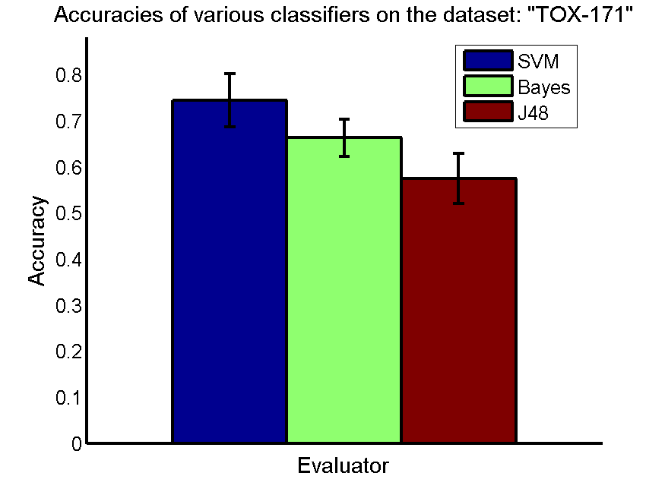
res_svm | res_svm_std | res_bayes | res_bayes_std | res_j48 | res_j48_std | res_red | res_red_std
0.74425287356 | 0.057637388458 | 0.6632183908 | 0.040526947476 | 0.57471264368 | 0.054934959878 | 0.1959691139 | 0.0152873187

SMK-CAN-187
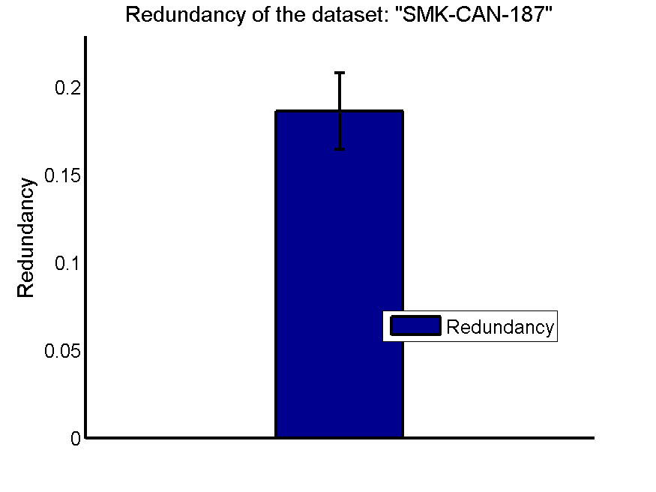
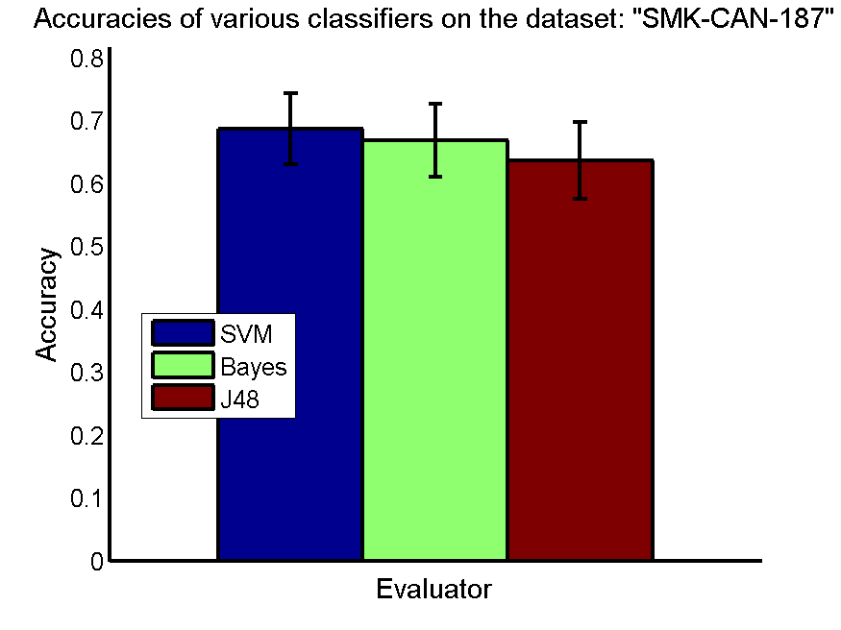
res_svm | res_svm_std | res_bayes | res_bayes_std | res_j48 | res_j48_std | res_red | res_red_std
0.68670212766 | 0.056024765879 | 0.66755319149 | 0.05815324013 | 0.63563829787 | 0.061051420756 | 0.18653694244 | 0.021718372435

RELATHE
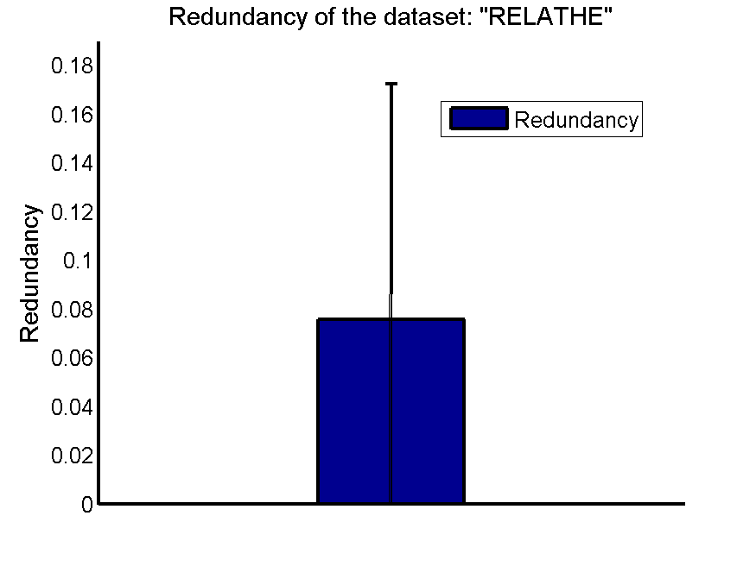
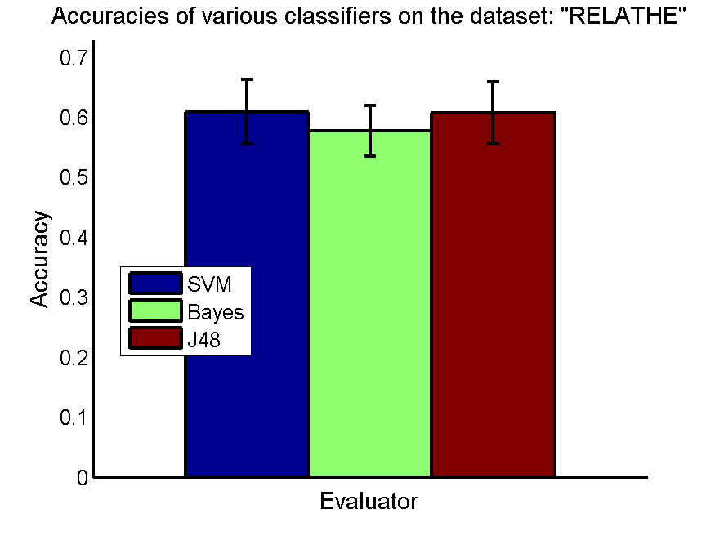
res_svm | res_svm_std | res_bayes | res_bayes_std | res_j48 | res_j48_std | res_red | res_red_std
0.60863895681 | 0.053748510519 | 0.57660961695 | 0.042500463359 | 0.6065607172 | 0.052241359246 | 0.075414164983 | 0.096753743493

pixraw10P

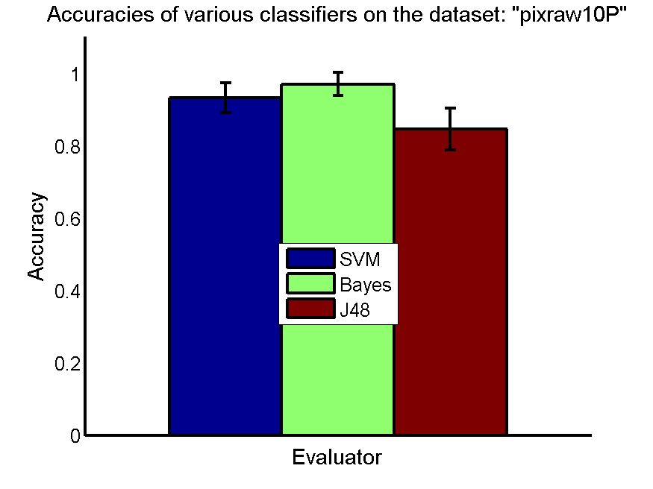
res_svm | res_svm_std | res_bayes | res_bayes_std | res_j48 | res_j48_std | res_red | res_red_std
0.934 | 0.041090400979 | 0.972 | 0.032052588367 | 0.847 | 0.058137767415 | 0.24589759935 | 0.0076902504667

PCMAC
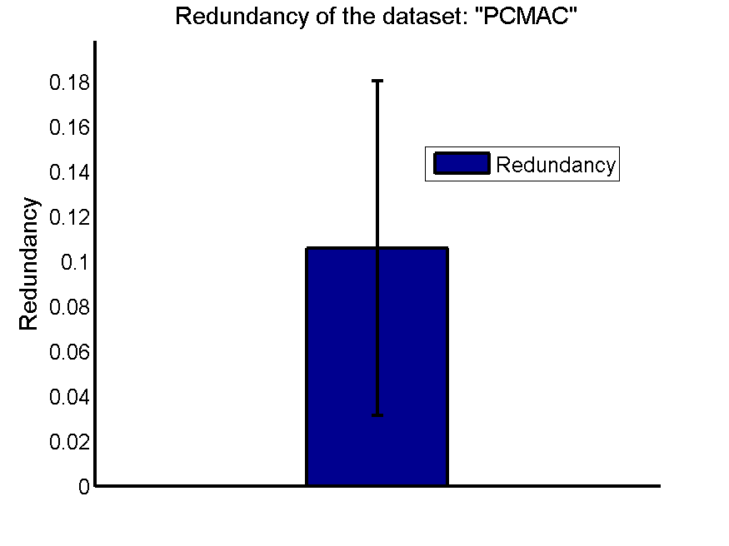
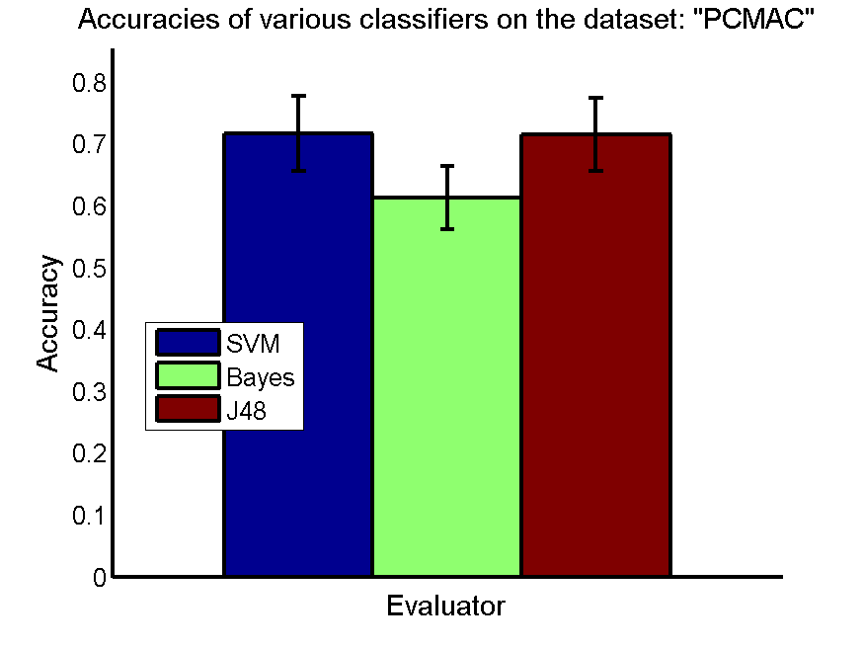
res_svm | res_svm_std | res_bayes | res_bayes_std | res_j48 | res_j48_std | res_red | res_red_std
0.71643717728 | 0.060532261801 | 0.61224899598 | 0.05117687615 | 0.71508892714 | 0.058589439582 | 0.1058769053 | 0.074418325216

orlraws10P
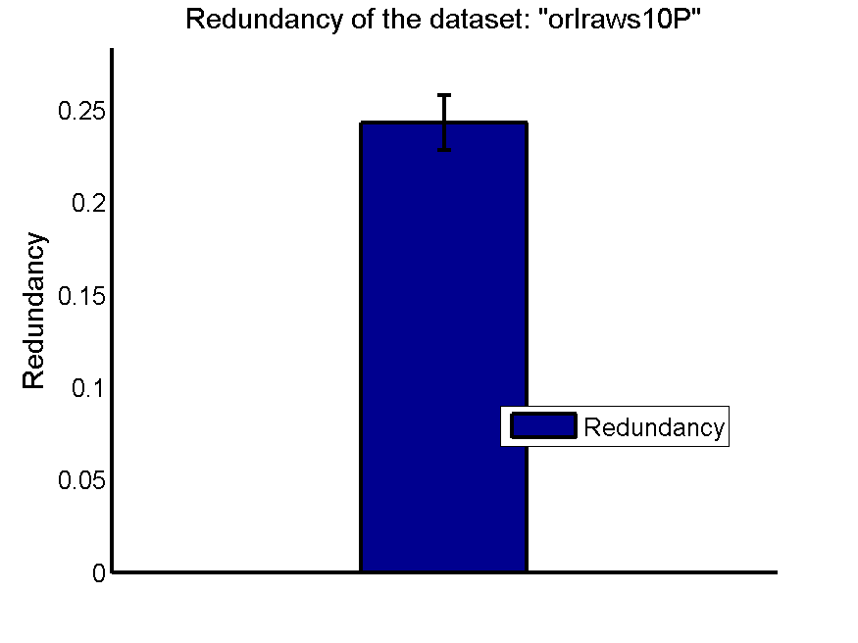
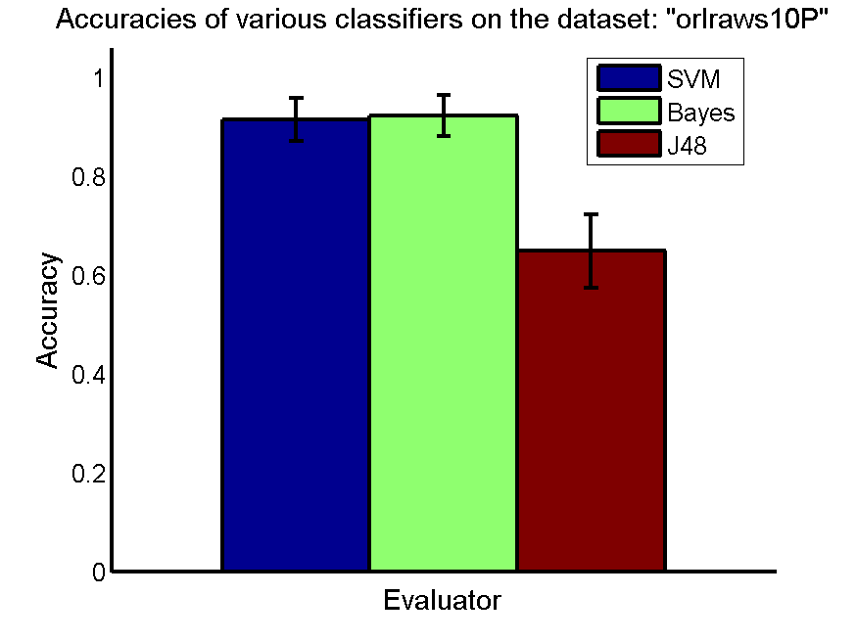
res_svm | res_svm_std | res_bayes | res_bayes_std | res_j48 | res_j48_std | res_red | res_red_std
0.915 | 0.043949732051 | 0.923 | 0.041688064681 | 0.649 | 0.074402886192 | 0.24311344636 | 0.014759901127

GLI-85
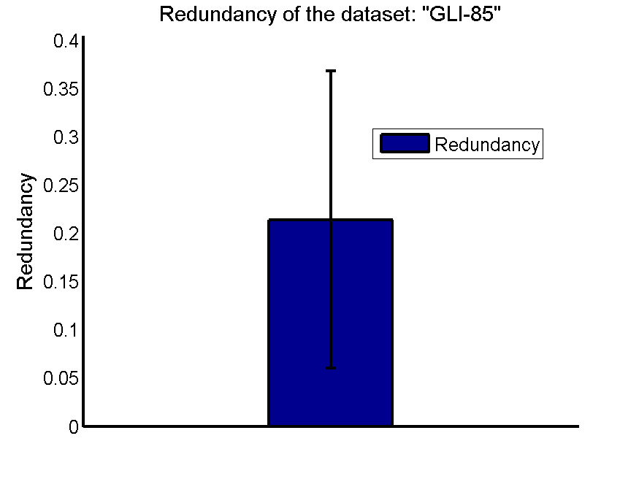
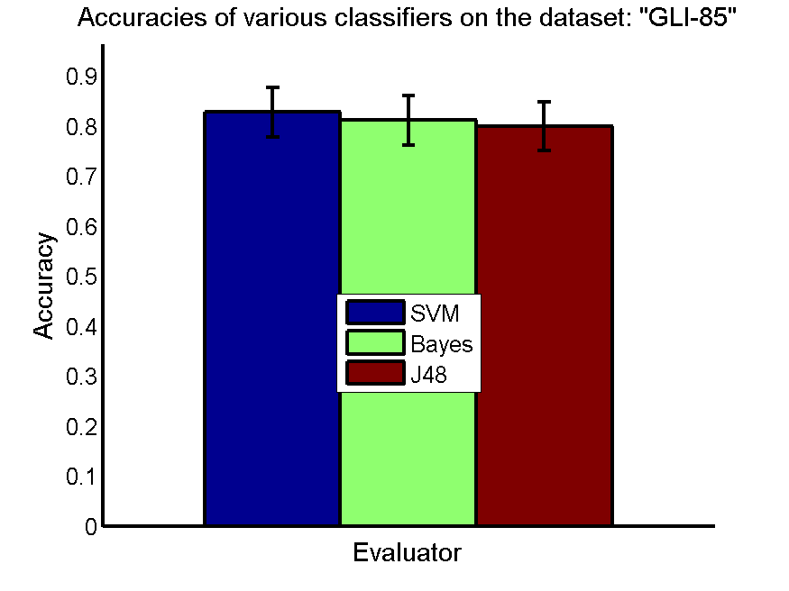
res_svm | res_svm_std | res_bayes | res_bayes_std | res_j48 | res_j48_std | res_red | res_red_std
0.82790697674 | 0.04913066812 | 0.81162790698 | 0.049419504636 | 0.8 | 0.048547840042 | 0.21423863174 | 0.15413854402

GLA-BRA-180
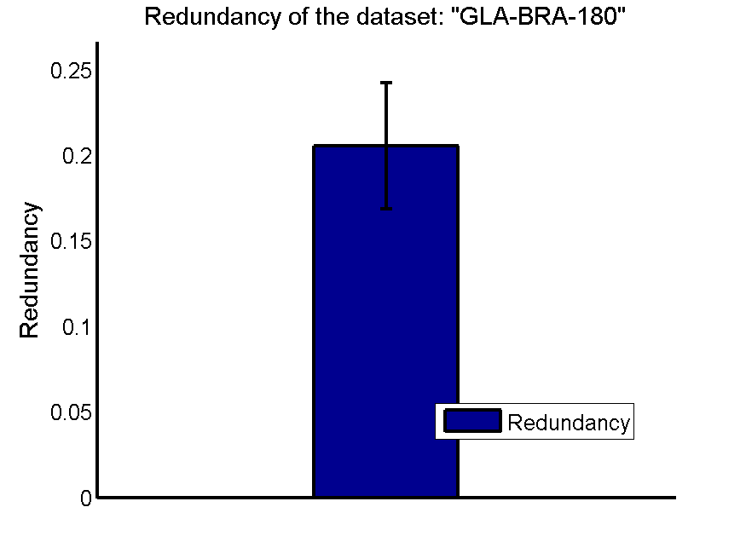
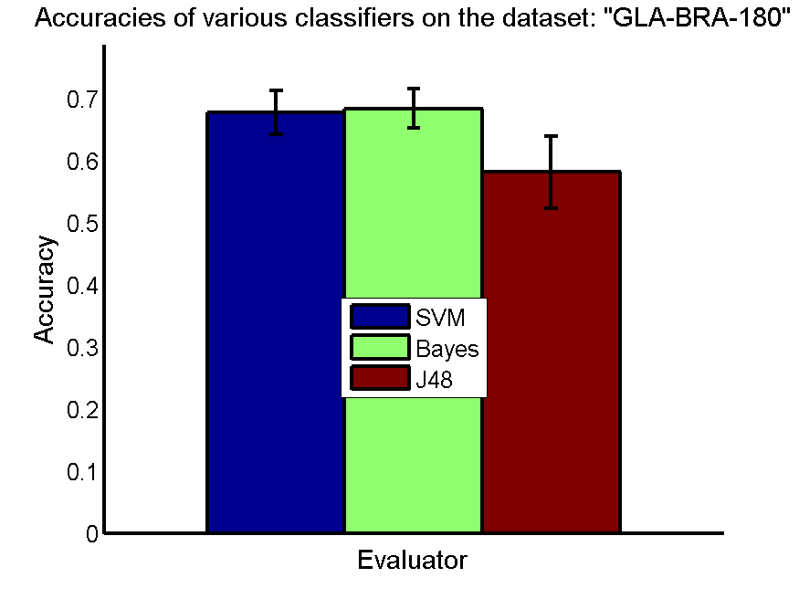
res_svm | res_svm_std | res_bayes | res_bayes_std | res_j48 | res_j48_std | res_red | res_red_std
0.67747252747 | 0.035344214261 | 0.68461538462 | 0.031508107749 | 0.58186813187 | 0.057761807817 | 0.20550075029 | 0.036724971042

CLL-SUB-111
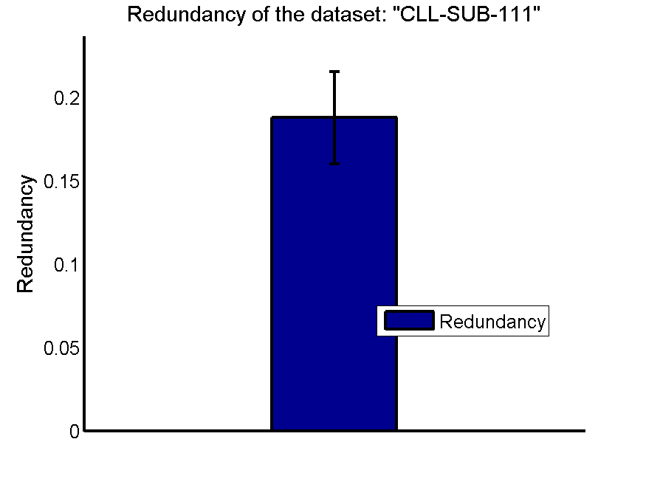
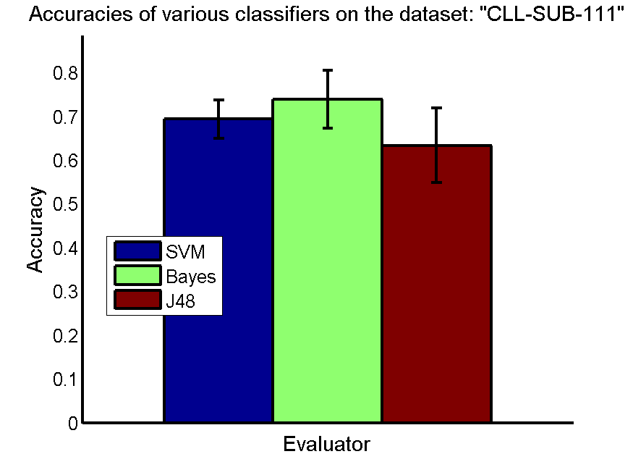
res_svm | res_svm_std | res_bayes | res_bayes_std | res_j48 | res_j48_std | res_red | res_red_std
0.69395711501 | 0.04431026402 | 0.738791423 | 0.066435122561 | 0.63352826511 | 0.085289121251 | 0.18809400403 | 0.027584160056

BASEHOCK

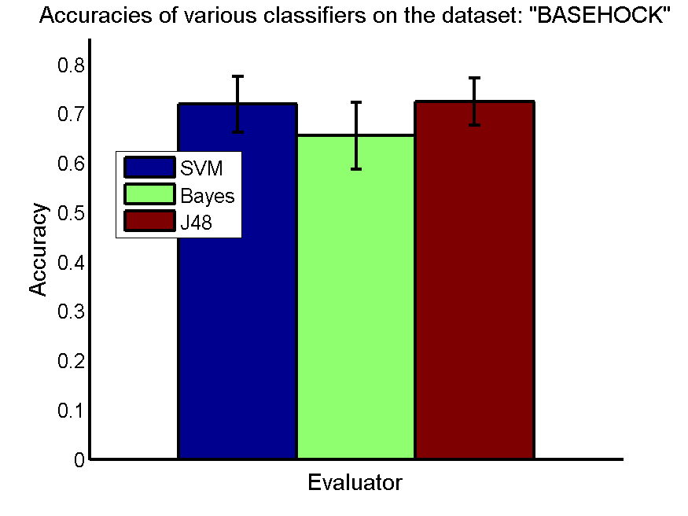
res_svm | res_svm_std | res_bayes | res_bayes_std | res_j48 | res_j48_std | res_red | res_red_std
0.71893474624 | 0.056372582064 | 0.65552147239 | 0.068126372855 | 0.72456776352 | 0.04849022805 | 0.09463726226 | 0.066698855179

