warpAR10P
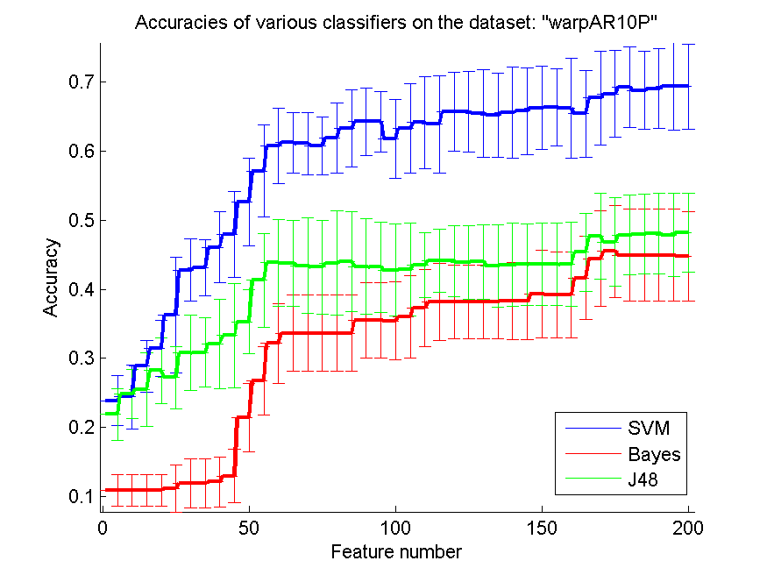
res_svm | res_svm_std | res_bayes | res_bayes_std | res_j48 | res_j48_std | res_red | res_red_std
0.23857142857 | 0.036229368365 | 0.10857142857 | 0.022894705977 | 0.21857142857 | 0.037966574705 | 0.70683480618 | 1.5906174143E-16
0.24428571429 | 0.046325797181 | 0.10857142857 | 0.022894705977 | 0.24857142857 | 0.035419838846 | 0.70167915105 | 1.3950637588E-16
0.28857142857 | 0.03753981059 | 0.10857142857 | 0.022894705977 | 0.25428571429 | 0.053170176501 | 0.69293918908 | 1.5492956139E-16
0.31428571429 | 0.040934308538 | 0.10857142857 | 0.022894705977 | 0.28214285714 | 0.047465290614 | 0.64033075098 | 1.1946612296E-16
0.36285714286 | 0.083608211171 | 0.11142857143 | 0.033933023056 | 0.27214285714 | 0.045050395459 | 0.57214344113 | 1.0501658464E-16
0.42785714286 | 0.045524748053 | 0.11857142857 | 0.035931669249 | 0.30785714286 | 0.054344052547 | 0.49378393172 | 8.2533084997E-17
0.43071428571 | 0.040479138917 | 0.11857142857 | 0.035931669249 | 0.30857142857 | 0.050433140009 | 0.42006811872 | 6.4936684015E-17
0.46071428571 | 0.051586016307 | 0.12071428571 | 0.036043594562 | 0.32071428571 | 0.065132270608 | 0.37924130072 | 1.6506616999E-16
0.47928571429 | 0.062609731813 | 0.12928571429 | 0.038909683629 | 0.33285714286 | 0.075607102457 | 0.36296387204 | 5.973306148E-17
0.52642857143 | 0.062917776634 | 0.21428571429 | 0.049703740996 | 0.35285714286 | 0.046372146164 | 0.35377981517 | 1.0730812538E-16
0.57142857143 | 0.066199581062 | 0.26714285714 | 0.049940888797 | 0.41285714286 | 0.068103036867 | 0.33993139416 | 9.0050978413E-17
0.60785714286 | 0.054344052547 | 0.32142857143 | 0.057610865427 | 0.43857142857 | 0.06288789405 | 0.31472847531 | 6.8580781956E-17
0.61214285714 | 0.043793039287 | 0.33642857143 | 0.055710429788 | 0.43785714286 | 0.062058321206 | 0.31457708925 | 9.2713156758E-17
0.61142857143 | 0.045080188727 | 0.33642857143 | 0.055710429788 | 0.43428571429 | 0.069120607866 | 0.32315892177 | 8.9145920484E-17
0.60785714286 | 0.041836210733 | 0.33642857143 | 0.055710429788 | 0.43214285714 | 0.068099093779 | 0.33341842806 | 1.1741211101E-16
0.61928571429 | 0.050619152538 | 0.33642857143 | 0.055710429788 | 0.43785714286 | 0.075915465452 | 0.34378417135 | 1.1878539877E-16
0.63285714286 | 0.056022858615 | 0.33642857143 | 0.055710429788 | 0.44 | 0.072931555689 | 0.35257829983 | 1.3716156391E-16
0.64285714286 | 0.049051147159 | 0.355 | 0.054501943717 | 0.43285714286 | 0.069538914142 | 0.35302174052 | 7.6410788986E-17
0.64285714286 | 0.043479194872 | 0.355 | 0.054501943717 | 0.43214285714 | 0.065526865785 | 0.34574060848 | 1.1671940815E-16
0.61785714286 | 0.05749422051 | 0.35428571429 | 0.056500144958 | 0.42785714286 | 0.066276606841 | 0.34190477553 | 2.8476619731E-17
0.63285714286 | 0.064573291609 | 0.36 | 0.059101761902 | 0.42857142857 | 0.067166049426 | 0.34499329733 | 4.411578959E-17
0.64142857143 | 0.066183353685 | 0.37285714286 | 0.055405932901 | 0.435 | 0.046458925878 | 0.34665993134 | 9.0050978413E-17
0.63928571429 | 0.070425284738 | 0.38142857143 | 0.055830801627 | 0.44071428571 | 0.045713110887 | 0.34504226075 | 8.9145920484E-17
0.65714285714 | 0.057517568418 | 0.38142857143 | 0.053472339437 | 0.44071428571 | 0.05187670254 | 0.33441527309 | 8.9145920484E-17
0.65714285714 | 0.058259761287 | 0.38142857143 | 0.053472339437 | 0.43857142857 | 0.053472339437 | 0.33708560537 | 9.4446262946E-17
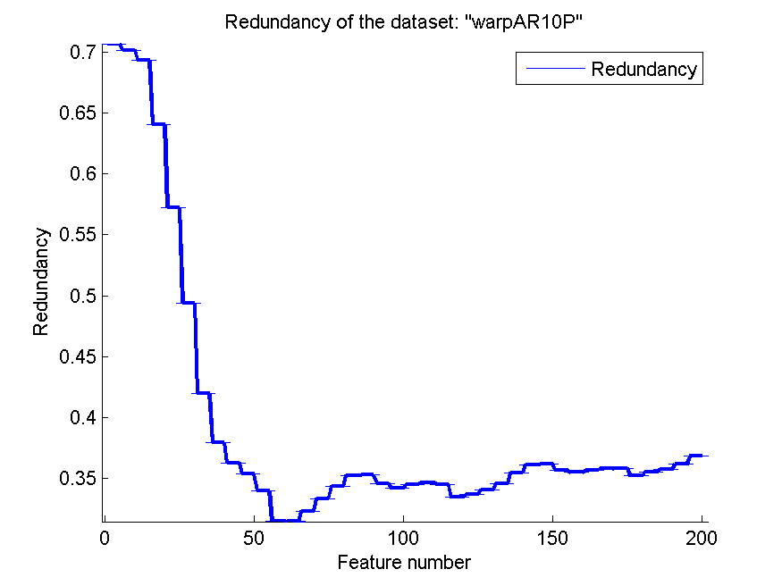
0.655 | 0.063427860187 | 0.38142857143 | 0.053472339437 | 0.44 | 0.053972185222 | 0.34045600465 | 4.765049884E-17
0.65214285714 | 0.06101099547 | 0.38142857143 | 0.053472339437 | 0.43357142857 | 0.059765923638 | 0.34596668391 | 1.1878539877E-16
0.65571428571 | 0.065694668533 | 0.38285714286 | 0.055541470944 | 0.435 | 0.060338287307 | 0.35471760852 | 6.107554509E-17
0.65785714286 | 0.062781054426 | 0.38285714286 | 0.055541470944 | 0.43571428571 | 0.058901508937 | 0.36118990773 | 1.4796885661E-16
0.66285714286 | 0.060502727389 | 0.39285714286 | 0.063296482391 | 0.43642857143 | 0.059441547166 | 0.3616246999 | 6.107554509E-17
0.66357142857 | 0.055710429788 | 0.39142857143 | 0.062425035601 | 0.43642857143 | 0.059441547166 | 0.35640430359 | 1.6108808734E-16
0.66214285714 | 0.072736151933 | 0.39142857143 | 0.062425035601 | 0.43571428571 | 0.060874401873 | 0.35508910804 | 4.765049884E-17
0.65428571429 | 0.062802436891 | 0.41642857143 | 0.060302673736 | 0.45357142857 | 0.056362148019 | 0.35637432139 | 1.6846995428E-16
0.67714285714 | 0.068024131688 | 0.44428571429 | 0.069353311727 | 0.47642857143 | 0.062231161873 | 0.35806106474 | 1.4796885661E-16
0.68285714286 | 0.062802436891 | 0.455 | 0.066889620028 | 0.46857142857 | 0.064490067845 | 0.35844831017 | 1.8010195683E-17
0.69285714286 | 0.057982552285 | 0.44928571429 | 0.066438474482 | 0.47857142857 | 0.057610865427 | 0.3523114067 | 1.0424154391E-16
0.68785714286 | 0.056628322572 | 0.44928571429 | 0.066438474482 | 0.48 | 0.057778420406 | 0.35536003119 | 7.6410788986E-17
0.69071428571 | 0.057940856545 | 0.44928571429 | 0.066438474482 | 0.48071428571 | 0.057940856545 | 0.35741268611 | 5.6953239463E-17
0.69357142857 | 0.063292239858 | 0.44928571429 | 0.066438474482 | 0.47857142857 | 0.060164472033 | 0.36174121531 | 1.4008644647E-16
0.69357142857 | 0.061571786193 | 0.44785714286 | 0.064934073813 | 0.48214285714 | 0.057307094804 | 0.36841302076 | 9.7820401152E-17

TOX-171
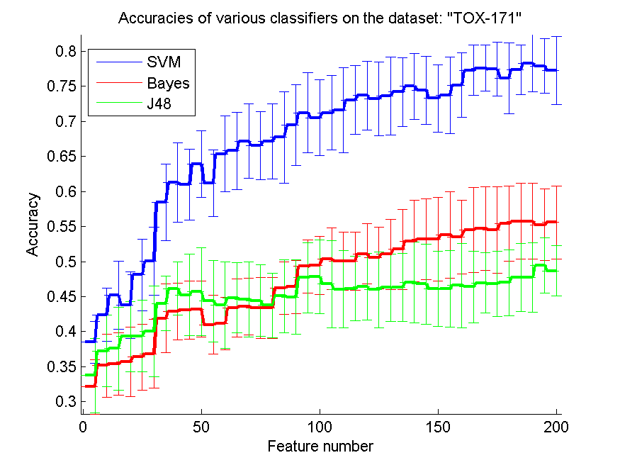
res_svm | res_svm_std | res_bayes | res_bayes_std | res_j48 | res_j48_std | res_red | res_red_std
0.38505747126 | 0.029717057691 | 0.32126436782 | 0.038660963359 | 0.33735632184 | 0.052775494944 | 0.20020863797 | 5.4775871731E-17
0.42413793103 | 0.037829154274 | 0.35172413793 | 0.045122118641 | 0.3724137931 | 0.051050939396 | 0.24836326474 | 9.2713156758E-17
0.45172413793 | 0.048637484067 | 0.35402298851 | 0.04468853984 | 0.37586206897 | 0.059093852129 | 0.24046153539 | 2.382524942E-17
0.43793103448 | 0.047742858899 | 0.35689655172 | 0.049820449323 | 0.39310344828 | 0.049977221867 | 0.26569835057 | 5.5511151231E-17
0.48103448276 | 0.051169983022 | 0.36379310345 | 0.046916445966 | 0.39367816092 | 0.050842797146 | 0.24602032464 | 1.1028947398E-17
0.50057471264 | 0.048404604643 | 0.3683908046 | 0.049117628818 | 0.40057471264 | 0.064836574184 | 0.21051900002 | 6.8580781956E-17
0.58448275862 | 0.054843113869 | 0.41896551724 | 0.048691067298 | 0.44022988506 | 0.038773213068 | 0.19884257715 | 3.9252311467E-17
0.6132183908 | 0.056590344821 | 0.42873563218 | 0.040698164746 | 0.46149425287 | 0.037714094837 | 0.1863506228 | 6.4623734319E-17
0.60977011494 | 0.050788061243 | 0.43103448276 | 0.041274991176 | 0.45229885057 | 0.058404402721 | 0.17645289918 | 4.8910200576E-17
0.63908045977 | 0.047669980123 | 0.43218390805 | 0.040061005832 | 0.45689655172 | 0.062610507543 | 0.17182959374 | 4.365383142E-17
0.61206896552 | 0.0475933373 | 0.40977011494 | 0.042071742294 | 0.44367816092 | 0.058300133001 | 0.16684184152 | 4.0272021835E-17
0.65344827586 | 0.054333586029 | 0.41149425287 | 0.037773969483 | 0.43793103448 | 0.061943365111 | 0.16469506224 | 4.765049884E-17
0.65804597701 | 0.055045604421 | 0.43390804598 | 0.04167318513 | 0.44827586207 | 0.050032844835 | 0.16336938193 | 7.6939589683E-17
0.67183908046 | 0.053456243836 | 0.43620689655 | 0.040419568379 | 0.44597701149 | 0.053472501324 | 0.1626049243 | 1.6846995428E-17
0.66551724138 | 0.048751723764 | 0.43390804598 | 0.043629577846 | 0.44425287356 | 0.051033910495 | 0.16524833721 | 6.107554509E-17
0.67126436782 | 0.053835382375 | 0.43390804598 | 0.043629577846 | 0.43735632184 | 0.045745788816 | 0.16290900772 | 6.7986997776E-17
0.67701149425 | 0.065330711643 | 0.46206896552 | 0.037773969483 | 0.45057471264 | 0.052289043974 | 0.15896617249 | 2.8476619731E-17
0.69425287356 | 0.057700691485 | 0.46379310345 | 0.037898022262 | 0.44942528736 | 0.053120232627 | 0.15497449621 | 3.2468342008E-17
0.71206896552 | 0.056982190037 | 0.49310344828 | 0.038012524977 | 0.47701149425 | 0.049963306449 | 0.15620049574 | 6.7086467979E-17
0.70517241379 | 0.05394828213 | 0.49482758621 | 0.041438923249 | 0.47816091954 | 0.052262440541 | 0.15588571131 | 3.3086842193E-17
0.71206896552 | 0.052933367898 | 0.50402298851 | 0.043852138623 | 0.46781609195 | 0.062189839956 | 0.15631356216 | 4.4572960242E-17
0.71551724138 | 0.060578437572 | 0.50057471264 | 0.041438923249 | 0.46034482759 | 0.055373072294 | 0.15498212642 | 1.6846995428E-17
0.73045977011 | 0.04939995693 | 0.50057471264 | 0.041438923249 | 0.46149425287 | 0.046018583746 | 0.15449941018 | 3.6020391365E-17
0.7367816092 | 0.04917775916 | 0.51091954023 | 0.042922588903 | 0.46379310345 | 0.047358994163 | 0.15464110135 | 6.3675657489E-18
0.73218390805 | 0.05275243233 | 0.50517241379 | 0.043883840878 | 0.45977011494 | 0.054041648963 | 0.15409026116 | 9.4874592867E-17
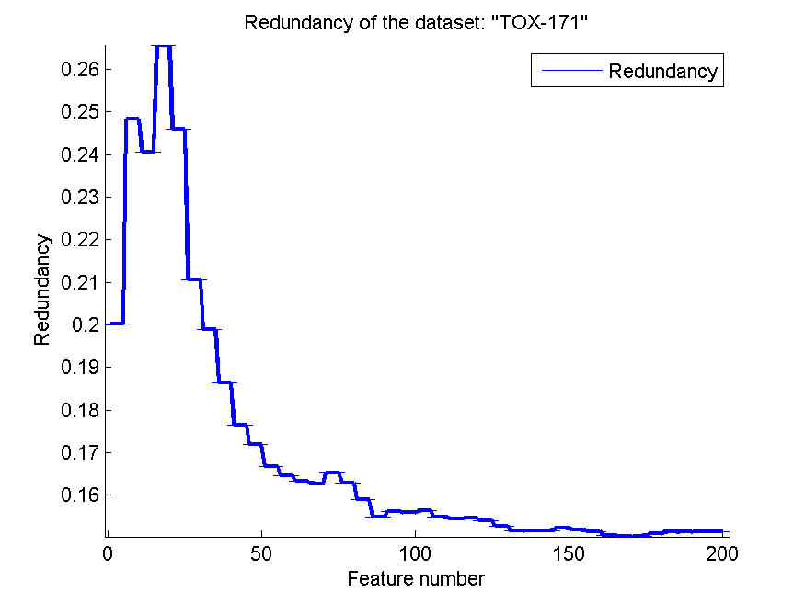
0.73620689655 | 0.055498506982 | 0.51034482759 | 0.050227040139 | 0.46264367816 | 0.0475933373 | 0.15282345014 | 3.9252311467E-17
0.74195402299 | 0.048833668474 | 0.51724137931 | 0.057167983811 | 0.4632183908 | 0.048780241885 | 0.15157993891 | 0
0.75 | 0.047300226969 | 0.52931034483 | 0.057709729106 | 0.47011494253 | 0.057277349806 | 0.15167806997 | 3.5453105654E-17
0.74425287356 | 0.048462032638 | 0.5316091954 | 0.057395594467 | 0.46781609195 | 0.056936410171 | 0.151716064 | 5.8706055506E-17
0.73275862069 | 0.047884653485 | 0.5316091954 | 0.059536399123 | 0.46091954023 | 0.053770761799 | 0.15234272737 | 4.8910200576E-17
0.73735632184 | 0.054588944437 | 0.53793103448 | 0.061797258812 | 0.46091954023 | 0.054922300594 | 0.15190423045 | 4.5025489207E-17
0.75172413793 | 0.045582090965 | 0.53505747126 | 0.052272418415 | 0.46609195402 | 0.060186899038 | 0.15152773595 | 5.9392699385E-17
0.77298850575 | 0.036132159587 | 0.54482758621 | 0.060753234401 | 0.46379310345 | 0.051033910495 | 0.15062152874 | 5.4775871731E-17
0.77586206897 | 0.032829917849 | 0.54712643678 | 0.059480895488 | 0.46954022989 | 0.043051995909 | 0.15040507645 | 9.0050978413E-18
0.77413793103 | 0.038444525194 | 0.54540229885 | 0.061670541281 | 0.46781609195 | 0.046592970159 | 0.15024211709 | 4.3186932098E-17
0.76149425287 | 0.050292757466 | 0.55402298851 | 0.053342302686 | 0.47011494253 | 0.047008987075 | 0.15095068088 | 3.9252311467E-17
0.77356321839 | 0.035398213166 | 0.55747126437 | 0.054234311425 | 0.47701149425 | 0.048408195888 | 0.15132490072 | 5.4775871731E-17
0.78275862069 | 0.040834621675 | 0.55747126437 | 0.054234311425 | 0.47701149425 | 0.049544026535 | 0.15141252943 | 5.2508292321E-17
0.77873563218 | 0.038911953005 | 0.55229885057 | 0.05092479069 | 0.49482758621 | 0.039373832121 | 0.15153202799 | 2.2057894795E-17
0.7724137931 | 0.048851464353 | 0.55574712644 | 0.052112543179 | 0.4867816092 | 0.036016505539 | 0.15142606817 | 5.9392699385E-17

SMK-CAN-187
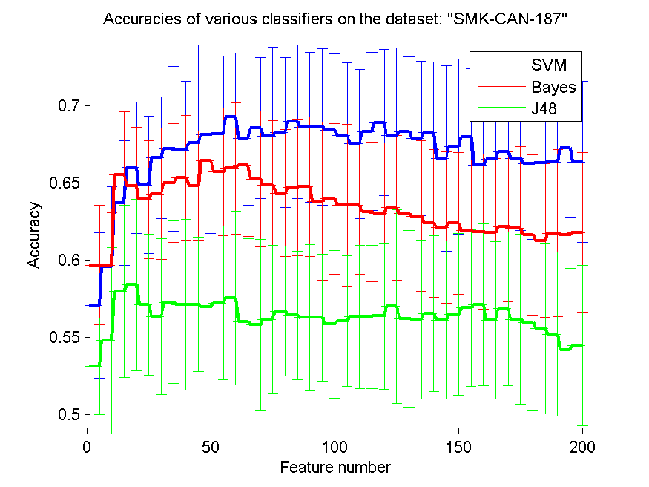
res_svm | res_svm_std | res_bayes | res_bayes_std | res_j48 | res_j48_std | res_red | res_red_std
0.57074468085 | 0.047107236746 | 0.59680851064 | 0.038727834062 | 0.53138297872 | 0.031345233247 | 0.1754726379 | 2.986653074E-17
0.59574468085 | 0.052116803038 | 0.59680851064 | 0.034324837474 | 0.54787234043 | 0.06022876975 | 0.23898876347 | 2.2958584807E-17
0.63723404255 | 0.040384254284 | 0.65531914894 | 0.040897230352 | 0.57978723404 | 0.055814390989 | 0.26414913439 | 1.8010195683E-17
0.66010638298 | 0.042619628987 | 0.64840425532 | 0.037884260238 | 0.58404255319 | 0.055643377516 | 0.29368422673 | 6.107554509E-17
0.64893617021 | 0.044603463083 | 0.63936170213 | 0.03841899473 | 0.57127659574 | 0.04567235617 | 0.27635099229 | 4.5917169615E-17
0.6664893617 | 0.039545890294 | 0.64308510638 | 0.042619628987 | 0.56329787234 | 0.050547383735 | 0.28703582356 | 1.1175032536E-16
0.67234042553 | 0.053648651329 | 0.65 | 0.038573723487 | 0.57287234043 | 0.052489772271 | 0.28785314995 | 5.2508292321E-17
0.67127659574 | 0.044723490559 | 0.65372340426 | 0.040468975301 | 0.57127659574 | 0.055342832384 | 0.29581216242 | 7.5342053989E-17
0.67606382979 | 0.063499987853 | 0.64840425532 | 0.035279021715 | 0.57127659574 | 0.043535690157 | 0.30640244099 | 6.107554509E-17
0.68138297872 | 0.063874098095 | 0.66436170213 | 0.040321519991 | 0.56968085106 | 0.046751849041 | 0.30141532664 | 5.6953239463E-17
0.68191489362 | 0.050479580373 | 0.65744680851 | 0.041504433476 | 0.57234042553 | 0.049969612648 | 0.29339353448 | 5.0940525991E-17
0.69308510638 | 0.041169409786 | 0.65957446809 | 0.042412982899 | 0.57553191489 | 0.05628199878 | 0.29104072753 | 6.107554509E-17
0.67925531915 | 0.043696156328 | 0.66170212766 | 0.045997245428 | 0.56010638298 | 0.053834301737 | 0.28997552581 | 3.3693990857E-17
0.68563829787 | 0.045721236733 | 0.65265957447 | 0.044103208958 | 0.5579787234 | 0.055383178553 | 0.28802217664 | 3.6020391365E-17
0.68031914894 | 0.057906892228 | 0.64893617021 | 0.041847451156 | 0.56170212766 | 0.048148389123 | 0.28588101903 | 4.2237652834E-17
0.6829787234 | 0.048763021982 | 0.64361702128 | 0.041201950492 | 0.5670212766 | 0.042003731436 | 0.28817045284 | 5.2508292321E-17
0.68989361702 | 0.050050009538 | 0.64734042553 | 0.044372502921 | 0.56436170213 | 0.041629819388 | 0.29541534276 | 9.0947030119E-17
0.68617021277 | 0.0486284693 | 0.64787234043 | 0.045253094457 | 0.56276595745 | 0.04756339279 | 0.29623165223 | 4.411578959E-17
0.68670212766 | 0.050782516455 | 0.63829787234 | 0.05119430885 | 0.56276595745 | 0.041403851353 | 0.30003624129 | 5.2508292321E-17
0.68457446809 | 0.049330776697 | 0.63989361702 | 0.048723306454 | 0.5585106383 | 0.047763344876 | 0.30182107446 | 1.1878539877E-16
0.68085106383 | 0.047450549469 | 0.63563829787 | 0.05233066033 | 0.56063829787 | 0.042567186948 | 0.30372973259 | 2.8476619731E-17
0.67553191489 | 0.048259600743 | 0.63563829787 | 0.044586767046 | 0.56329787234 | 0.046496337637 | 0.29954141274 | 5.0940525991E-17
0.6835106383 | 0.051179762945 | 0.63138297872 | 0.045170753157 | 0.56329787234 | 0.046496337637 | 0.29845764734 | 1.0955174346E-16
0.68936170213 | 0.047274480032 | 0.63031914894 | 0.045773318466 | 0.56382978723 | 0.047324852428 | 0.30245629895 | 4.0272021835E-17
0.68085106383 | 0.056714254254 | 0.63404255319 | 0.046869551973 | 0.57021276596 | 0.062832826376 | 0.30366284827 | 9.2713156758E-17
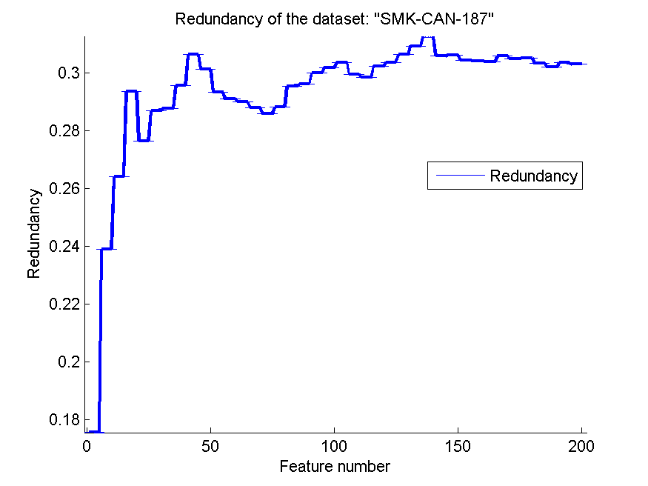
0.6835106383 | 0.048429014255 | 0.63031914894 | 0.045643002705 | 0.56223404255 | 0.057265588662 | 0.30646607309 | 6.8580781956E-17
0.67925531915 | 0.050050009538 | 0.62872340426 | 0.048921561674 | 0.56170212766 | 0.051611471726 | 0.3093807299 | 3.1194573977E-17
0.6829787234 | 0.045737518646 | 0.62393617021 | 0.047859896355 | 0.56542553191 | 0.050523810277 | 0.31277500403 | 2.2057894795E-17
0.66595744681 | 0.060317712112 | 0.62127659574 | 0.048982401843 | 0.56117021277 | 0.051296014686 | 0.30586321633 | 4.411578959E-17
0.67393617021 | 0.056848005195 | 0.62393617021 | 0.045825341007 | 0.56489361702 | 0.052560648876 | 0.30631094599 | 1.1390647893E-16
0.67978723404 | 0.044723490559 | 0.61914893617 | 0.049610716842 | 0.56914893617 | 0.050902601011 | 0.30453506502 | 1.1175032536E-16
0.66170212766 | 0.041216404781 | 0.61861702128 | 0.050168879221 | 0.57127659574 | 0.052469909665 | 0.30418703472 | 5.8359704074E-17
0.66542553191 | 0.041342664248 | 0.61808510638 | 0.048185488182 | 0.56117021277 | 0.050946463666 | 0.30388412275 | 6.4936684015E-17
0.67021276596 | 0.042692939621 | 0.62180851064 | 0.048502754708 | 0.56861702128 | 0.049954710136 | 0.30597362989 | 5.8359704074E-17
0.66595744681 | 0.04674229257 | 0.62074468085 | 0.053166287423 | 0.56170212766 | 0.055073102577 | 0.30492536085 | 9.2713156758E-17
0.66276595745 | 0.049430291768 | 0.6164893617 | 0.052056765559 | 0.55957446809 | 0.056861101098 | 0.30518180729 | 7.2040782731E-17
0.66329787234 | 0.051919276337 | 0.61276595745 | 0.049826364539 | 0.55585106383 | 0.055210829432 | 0.30338160224 | 9.7820401152E-17
0.66382978723 | 0.051240827995 | 0.61755319149 | 0.054297021937 | 0.55212765957 | 0.053348033919 | 0.30199856427 | 5.6953239463E-17
0.67287234043 | 0.044985761727 | 0.6164893617 | 0.052625771045 | 0.5420212766 | 0.05273883546 | 0.30356607281 | 8.2533084997E-17
0.66382978723 | 0.052390383936 | 0.61808510638 | 0.051646083201 | 0.54468085106 | 0.051956548926 | 0.30308870218 | 7.2040782731E-17

RELATHE
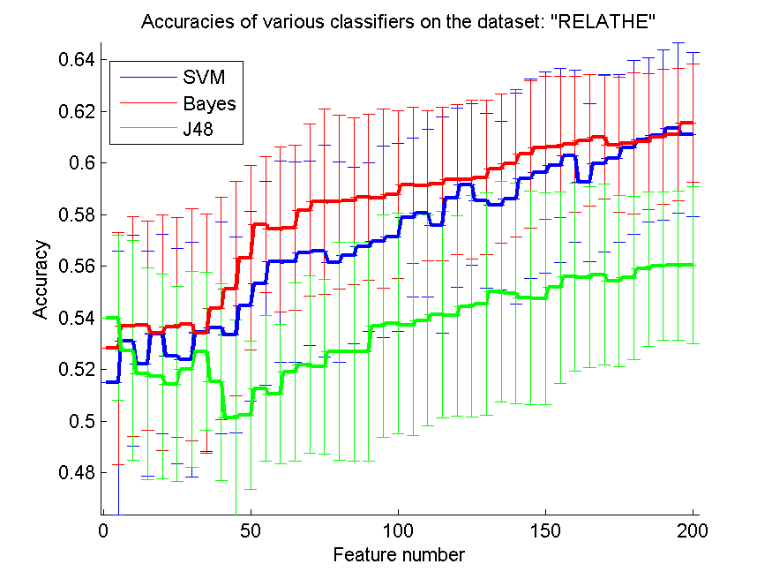
res_svm | res_svm_std | res_bayes | res_bayes_std | res_j48 | res_j48_std | res_red | res_red_std
0.51479217604 | 0.051150174779 | 0.52819885901 | 0.044934918473 | 0.54001629992 | 0.03193943533 | 0.031603321844 | 0.034561317795
0.53109209454 | 0.040857127127 | 0.53663406683 | 0.042572765911 | 0.52734311328 | 0.042496329832 | 0.033826133589 | 0.015799254416
0.52216788916 | 0.043624505309 | 0.537000815 | 0.040537257251 | 0.51833740831 | 0.041142533303 | 0.031880479214 | 0.012081692633
0.53378158109 | 0.038564920237 | 0.53414832926 | 0.045554976347 | 0.51727791361 | 0.039729956969 | 0.034211630444 | 0.011036804704
0.52522412388 | 0.041800443545 | 0.53626731866 | 0.042726475611 | 0.51438467808 | 0.037617602268 | 0.033249403564 | 0.0079764698741
0.52363488183 | 0.045469792112 | 0.53732681337 | 0.045031441008 | 0.52004889976 | 0.037895027349 | 0.033577298632 | 0.0069094390823
0.53422982885 | 0.046091376854 | 0.53390383048 | 0.046456573776 | 0.52697636512 | 0.030691358982 | 0.03395043305 | 0.006994775247
0.53618581907 | 0.041003712833 | 0.54356153219 | 0.043051273876 | 0.51507742461 | 0.038092944225 | 0.0341907691 | 0.0080752200852
0.53329258354 | 0.037919350966 | 0.55130399348 | 0.041644596099 | 0.50130399348 | 0.037853491257 | 0.033450939915 | 0.0074846396971
0.5445395273 | 0.036678414823 | 0.56316218419 | 0.035698603847 | 0.5021597392 | 0.028663956062 | 0.033194665592 | 0.0076342242373
0.5533007335 | 0.039481750435 | 0.5761206194 | 0.026182747587 | 0.51259168704 | 0.028160966113 | 0.033198939422 | 0.0071050401218
0.56165444173 | 0.038892405716 | 0.57428687857 | 0.031992886051 | 0.51043194784 | 0.027009785297 | 0.033670677608 | 0.0063798211913
0.56157294214 | 0.038784572697 | 0.57485737571 | 0.031863685705 | 0.51915240424 | 0.034520684402 | 0.032637901647 | 0.0057531207405
0.56503667482 | 0.035634010983 | 0.58170334148 | 0.033402668545 | 0.52184189079 | 0.034277898242 | 0.032720311434 | 0.005739933551
0.56581092095 | 0.040972987201 | 0.58500407498 | 0.035957759434 | 0.52098614507 | 0.033933261291 | 0.03268910453 | 0.0055929293108
0.56153219234 | 0.038781440345 | 0.58492257539 | 0.033702971699 | 0.52693561532 | 0.042236405704 | 0.032789476308 | 0.004550579686
0.56405867971 | 0.03415611388 | 0.58520782396 | 0.032414299584 | 0.52689486553 | 0.042288539006 | 0.03316025789 | 0.0042254536947
0.56748166259 | 0.032659941162 | 0.58679706601 | 0.032085332114 | 0.52689486553 | 0.042288539006 | 0.032886213934 | 0.0036718412651
0.5695191524 | 0.037117391374 | 0.58626731866 | 0.034738007847 | 0.53683781581 | 0.042974570357 | 0.032854837765 | 0.0036062849769
0.57114914425 | 0.036333022715 | 0.58777506112 | 0.032495220977 | 0.53789731051 | 0.042803317441 | 0.032640302883 | 0.0038692414657
0.57881010595 | 0.030858571011 | 0.5913202934 | 0.030340895457 | 0.5369600652 | 0.042487938152 | 0.032581139275 | 0.0038228395788
0.58052159739 | 0.032597799447 | 0.59123879381 | 0.029051850744 | 0.53899755501 | 0.040844290559 | 0.032686414656 | 0.0037051550699
0.57591687042 | 0.04178270964 | 0.59185004075 | 0.029758190438 | 0.54119804401 | 0.039920769602 | 0.03223260814 | 0.0036641156412
0.58647106764 | 0.034795448539 | 0.59356153219 | 0.028969456457 | 0.54070904645 | 0.038831415128 | 0.03191397188 | 0.0034370266718
0.59160554197 | 0.031172255402 | 0.5934800326 | 0.030717773476 | 0.54445802771 | 0.04297487541 | 0.03217424908 | 0.0031388029947
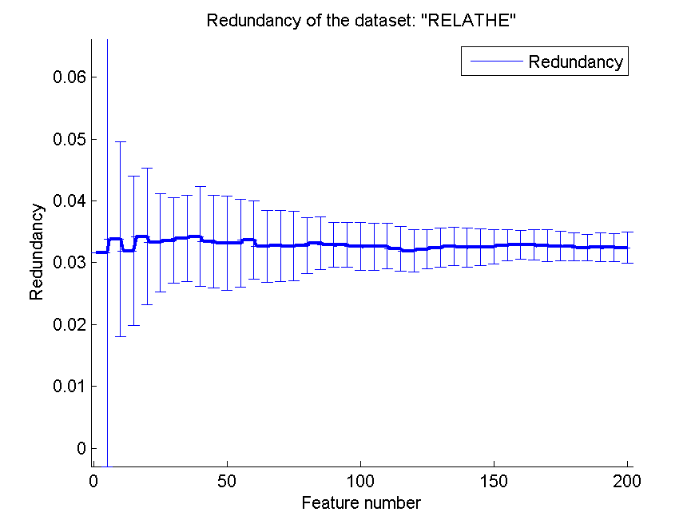
0.58541157294 | 0.0338509754 | 0.59421352893 | 0.029912039299 | 0.54531377343 | 0.043119774884 | 0.032432613352 | 0.003181020554
0.58353708231 | 0.032680165263 | 0.59771801141 | 0.028819795024 | 0.55016299919 | 0.042708860195 | 0.032615972137 | 0.003064624668
0.58610431948 | 0.040854560136 | 0.59983700081 | 0.028702622125 | 0.54951100244 | 0.042741098458 | 0.03246474769 | 0.0031935299636
0.59392828036 | 0.038548962645 | 0.6033007335 | 0.028607310164 | 0.54759576202 | 0.041354328495 | 0.03250874048 | 0.002967631119
0.59621026895 | 0.038998506345 | 0.60582722086 | 0.027775733483 | 0.54731051345 | 0.04098629523 | 0.032554484283 | 0.0027510201712
0.5988997555 | 0.037564593572 | 0.60623471883 | 0.027340621645 | 0.55167074165 | 0.037107312255 | 0.032795921969 | 0.0025402919427
0.60264873676 | 0.033338346057 | 0.60704971475 | 0.026341653313 | 0.55578647107 | 0.036414596061 | 0.032926458466 | 0.0023286059952
0.5923390383 | 0.030595758057 | 0.60863895681 | 0.025459364336 | 0.55574572127 | 0.035116972914 | 0.032909617137 | 0.002448167646
0.59975550122 | 0.03440900624 | 0.60990220049 | 0.023792290845 | 0.55676446618 | 0.035116350722 | 0.032744959128 | 0.0025466538116
0.60183374083 | 0.03247786882 | 0.60700896496 | 0.026190357046 | 0.55427872861 | 0.033135795034 | 0.032687957754 | 0.002342085785
0.60599022005 | 0.033706472281 | 0.6076609617 | 0.027394431477 | 0.5554604727 | 0.031661389569 | 0.032583124587 | 0.0022427610575
0.60884270579 | 0.031823285414 | 0.60823145884 | 0.026357341981 | 0.55884270579 | 0.029779915648 | 0.032440171485 | 0.0021877131948
0.61075794621 | 0.032894902809 | 0.60994295029 | 0.026147341195 | 0.55998370008 | 0.028639095718 | 0.032501406762 | 0.0023429599017
0.61348818256 | 0.032852870999 | 0.6108801956 | 0.025658886961 | 0.56022819886 | 0.028944465975 | 0.032462805678 | 0.0022875300171
0.6108801956 | 0.0318254824 | 0.61536267319 | 0.022806822311 | 0.56030969845 | 0.030494928427 | 0.032424347469 | 0.0024802194113

pixraw10P
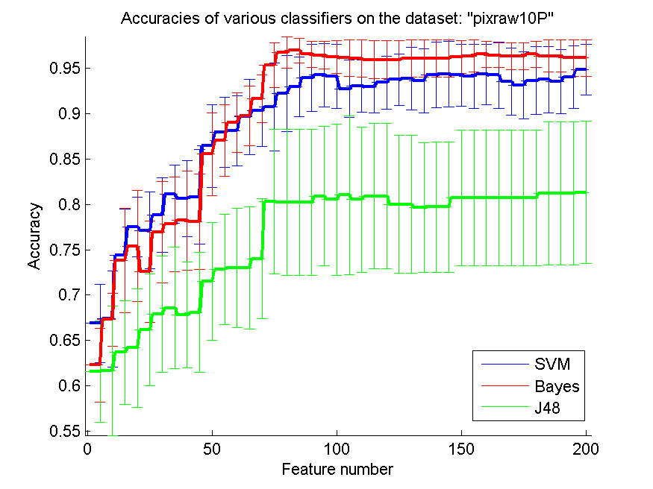
res_svm | res_svm_std | res_bayes | res_bayes_std | res_j48 | res_j48_std | res_red | res_red_std
0.669 | 0.043273913377 | 0.623 | 0.040665516233 | 0.616 | 0.056045094625 | 0.67675126969 | 1.7274772839E-16
0.674 | 0.05275564325 | 0.673 | 0.029217874846 | 0.617 | 0.071163266692 | 0.47703151425 | 1.1461618348E-16
0.744 | 0.050513156181 | 0.738 | 0.057637706956 | 0.637 | 0.057041074767 | 0.48192563563 | 5.973306148E-17
0.775 | 0.033007176253 | 0.754 | 0.061250134264 | 0.642 | 0.065179912954 | 0.54421630425 | 7.6410788986E-17
0.771 | 0.042289727507 | 0.726 | 0.055856960175 | 0.662 | 0.061524492342 | 0.60203516917 | 2.1157189439E-16
0.788 | 0.040730177613 | 0.769 | 0.055620897247 | 0.679 | 0.063734647274 | 0.64875482357 | 1.2215109018E-16
0.811 | 0.032101811721 | 0.778 | 0.051870283552 | 0.686 | 0.066522651465 | 0.68631595958 | 1.7274772839E-16
0.806 | 0.04159959514 | 0.782 | 0.054250879207 | 0.678 | 0.058363651269 | 0.71713586428 | 1.080611741E-16
0.808 | 0.052072823501 | 0.781 | 0.052505638795 | 0.681 | 0.066006379277 | 0.74260111796 | 2.8928657819E-16
0.864 | 0.045236222096 | 0.855 | 0.045364024698 | 0.715 | 0.064848000416 | 0.76323167343 | 2.1910348692E-16
0.879 | 0.038648210962 | 0.87 | 0.039202577788 | 0.728 | 0.060663003552 | 0.78047126551 | 2.2638464936E-16
0.881 | 0.038648210962 | 0.89 | 0.032767120876 | 0.73 | 0.065694668533 | 0.7926621828 | 1.3477596343E-16
0.896 | 0.04134578194 | 0.897 | 0.03262223975 | 0.73 | 0.067277899711 | 0.80420243695 | 1.8189406024E-16
0.903 | 0.039616583449 | 0.916 | 0.026437612759 | 0.74 | 0.066173615349 | 0.81547236486 | 1.2215109018E-16
0.907 | 0.048677239899 | 0.953 | 0.024516374764 | 0.803 | 0.0792796516 | 0.82510536489 | 8.823157918E-17
0.922 | 0.042002506191 | 0.967 | 0.017501879598 | 0.802 | 0.080236492551 | 0.83330309912 | 2.5085299842E-16
0.929 | 0.032751054623 | 0.969 | 0.013726654823 | 0.802 | 0.080236492551 | 0.84043189092 | 2.3204513926E-16
0.939 | 0.036977945063 | 0.965 | 0.014327007988 | 0.802 | 0.080236492551 | 0.84669518114 | 2.5597297514E-16
0.942 | 0.034883263971 | 0.964 | 0.015355437919 | 0.809 | 0.076633097151 | 0.85217005955 | 2.1157189439E-16
0.941 | 0.035228576917 | 0.962 | 0.018238190123 | 0.805 | 0.083319297064 | 0.85701970605 | 2.0216394514E-16
0.927 | 0.031304951685 | 0.961 | 0.019973666875 | 0.81 | 0.087177978871 | 0.78949882753 | 1.7646315836E-16
0.93 | 0.028654015976 | 0.96 | 0.020519567042 | 0.805 | 0.079703397537 | 0.77367097294 | 1.0188105198E-16
0.929 | 0.028635642127 | 0.959 | 0.021001253095 | 0.809 | 0.080124902496 | 0.78121933036 | 1.2987336803E-16
0.934 | 0.029091507171 | 0.959 | 0.021001253095 | 0.809 | 0.080124902496 | 0.78881319973 | 1.3234736877E-16
0.937 | 0.028488224714 | 0.959 | 0.021001253095 | 0.8 | 0.075950122137 | 0.79592635577 | 2.1157189439E-16
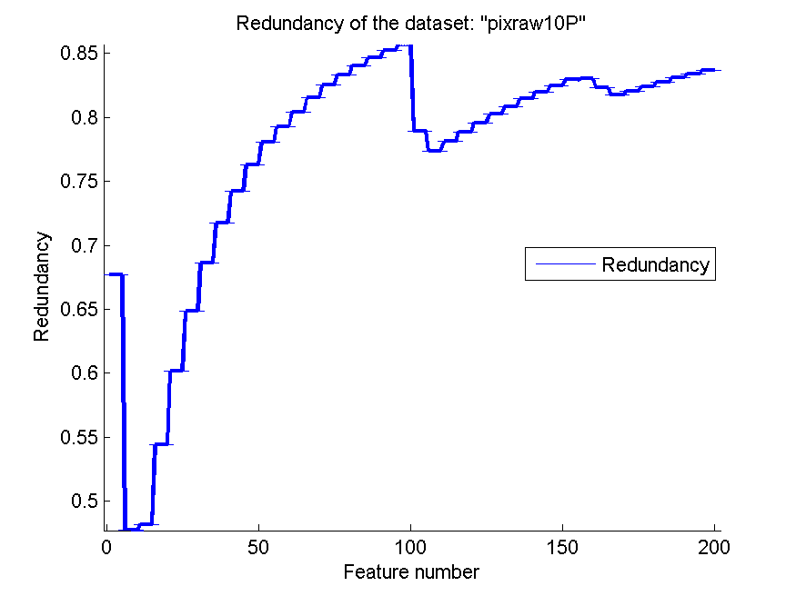
0.938 | 0.034274434235 | 0.96 | 0.020519567042 | 0.8 | 0.075950122137 | 0.80259876695 | 3.7606392643E-16
0.936 | 0.035303198006 | 0.96 | 0.020519567042 | 0.796 | 0.071259348417 | 0.80870233471 | 1.5492956139E-16
0.942 | 0.036070107174 | 0.96 | 0.020519567042 | 0.797 | 0.071752498581 | 0.81442352904 | 3.0881052713E-16
0.943 | 0.03628831913 | 0.96 | 0.020519567042 | 0.797 | 0.071752498581 | 0.81986475472 | 1.2215109018E-16
0.942 | 0.034274434235 | 0.962 | 0.018238190123 | 0.807 | 0.074346273754 | 0.82494501134 | 2.1761802243E-16
0.941 | 0.035228576917 | 0.963 | 0.017501879598 | 0.807 | 0.074346273754 | 0.82963589779 | 1.4408156546E-16
0.943 | 0.033261325732 | 0.965 | 0.014327007988 | 0.807 | 0.074346273754 | 0.83006992139 | 1.7274772839E-16
0.942 | 0.036649118608 | 0.964 | 0.013917047479 | 0.807 | 0.074346273754 | 0.82296400383 | 2.3204513926E-16
0.935 | 0.036634754853 | 0.963 | 0.014903196407 | 0.807 | 0.074346273754 | 0.81738181946 | 1.9397574392E-16
0.931 | 0.036977945063 | 0.963 | 0.014903196407 | 0.807 | 0.074346273754 | 0.82047830721 | 3.2418352229E-16
0.936 | 0.037049042888 | 0.965 | 0.014327007988 | 0.807 | 0.074346273754 | 0.82427463818 | 2.3204513926E-16
0.937 | 0.03628831913 | 0.963 | 0.017501879598 | 0.812 | 0.078512486436 | 0.82776170868 | 4.1851912765E-16
0.935 | 0.035466811766 | 0.963 | 0.017501879598 | 0.812 | 0.078512486436 | 0.83096098442 | 3.191414806E-16
0.94 | 0.034335803011 | 0.961 | 0.019973666875 | 0.812 | 0.078512486436 | 0.83390506482 | 2.9703175655E-16
0.948 | 0.027834094958 | 0.961 | 0.019973666875 | 0.813 | 0.078210242969 | 0.83663740564 | 2.3204513926E-16

PCMAC
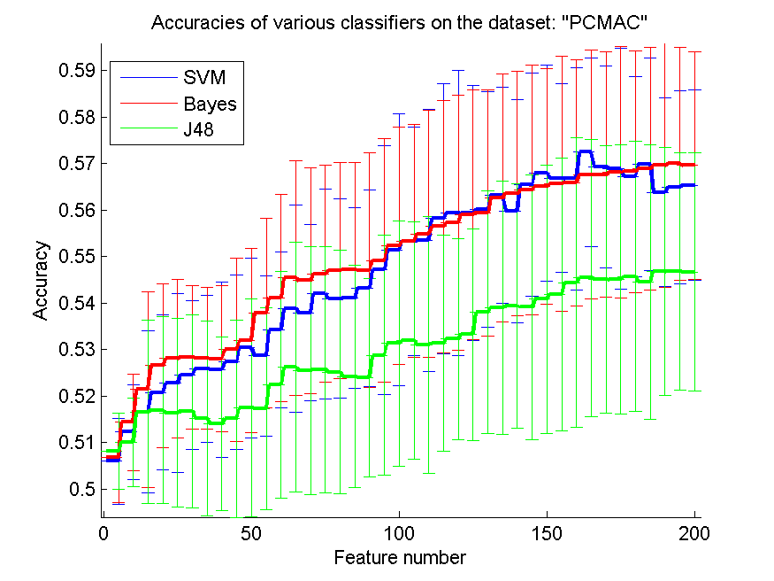
res_svm | res_svm_std | res_bayes | res_bayes_std | res_j48 | res_j48_std | res_red | res_red_std
0.50605278256 | 0.0092218938038 | 0.50676993689 | 0.0096130335924 | 0.50817555938 | 0.0082173692491 | 0.036084174635 | 0.039479838393
0.51227768216 | 0.010166235299 | 0.51437177281 | 0.010331173487 | 0.51006884682 | 0.0094427999069 | 0.043974473892 | 0.030859587298
0.51655192197 | 0.017417094415 | 0.52139988526 | 0.020956805039 | 0.51660929432 | 0.019679436732 | 0.046949376238 | 0.02979055639
0.52079747562 | 0.016594582262 | 0.52653471027 | 0.017540591579 | 0.51701090075 | 0.020125800994 | 0.046293072348 | 0.024852181629
0.52280550775 | 0.019172355641 | 0.52808376363 | 0.017083877784 | 0.51635111876 | 0.020270517899 | 0.046774694565 | 0.025191956556
0.52455536431 | 0.0160438618 | 0.52837062536 | 0.015480436989 | 0.51675272519 | 0.020785398928 | 0.045686642333 | 0.023799454869
0.52590361446 | 0.015769597317 | 0.52816982215 | 0.015219644516 | 0.515232358 | 0.020990567541 | 0.044287300617 | 0.020311419716
0.52573149742 | 0.018828985112 | 0.52802639128 | 0.015725592788 | 0.51402753873 | 0.018707325776 | 0.044306597531 | 0.019160776151
0.52733792312 | 0.018729353076 | 0.52997705106 | 0.019670103162 | 0.51514629948 | 0.021164343535 | 0.044239392353 | 0.017812669775
0.53037865749 | 0.01927652877 | 0.53189902467 | 0.019761509184 | 0.51746987952 | 0.023373399697 | 0.042825252469 | 0.01605194561
0.52865748709 | 0.017246369254 | 0.53786574871 | 0.020299128383 | 0.51729776248 | 0.021618174402 | 0.042187407822 | 0.015559229004
0.53427997705 | 0.016787636511 | 0.54116465863 | 0.022276959285 | 0.52243258749 | 0.024325647033 | 0.041420573711 | 0.013894669406
0.53881239243 | 0.022304471837 | 0.54541021228 | 0.025175300965 | 0.52627653471 | 0.026875293675 | 0.040958383391 | 0.0134913288
0.53789443488 | 0.018907213264 | 0.54480780264 | 0.024270747545 | 0.52553069421 | 0.02661938911 | 0.04068009888 | 0.012099514164
0.54199655766 | 0.022553819929 | 0.54627079748 | 0.023278929373 | 0.52567412507 | 0.026463961458 | 0.040366492008 | 0.011987232013
0.54093516925 | 0.021426599707 | 0.54698795181 | 0.023163384924 | 0.52518646013 | 0.026147535754 | 0.040330757882 | 0.012330181847
0.54102122777 | 0.01942561107 | 0.54718875502 | 0.022993340353 | 0.52423981641 | 0.023907187561 | 0.039869781145 | 0.012548620042
0.54320137694 | 0.021112465546 | 0.54707401033 | 0.025197449338 | 0.52401032702 | 0.021288705179 | 0.039841300646 | 0.012407156148
0.5471026965 | 0.02674625487 | 0.54916810098 | 0.026246202557 | 0.52877223178 | 0.025768373535 | 0.0395012269 | 0.012185243919
0.55143430866 | 0.029238440842 | 0.55223752151 | 0.025505643008 | 0.5313253012 | 0.026392526599 | 0.039571221037 | 0.011322877816
0.55329890993 | 0.024578578841 | 0.55335628227 | 0.024978567134 | 0.53192771084 | 0.025540124464 | 0.039381378745 | 0.011080761626
0.55338496845 | 0.028164151374 | 0.55487664945 | 0.026616964736 | 0.5310097533 | 0.027576743871 | 0.038868137761 | 0.010237620499
0.55814687321 | 0.029035691158 | 0.55645438898 | 0.027120289851 | 0.53135398738 | 0.023259572172 | 0.038486205042 | 0.0099341463517
0.559437751 | 0.030624435487 | 0.55728628801 | 0.027329881033 | 0.53224325875 | 0.021562668435 | 0.038064891288 | 0.0092891551073
0.55932300631 | 0.02736131974 | 0.55900745841 | 0.026881851803 | 0.53321858864 | 0.022739174798 | 0.038216605519 | 0.0091066925897
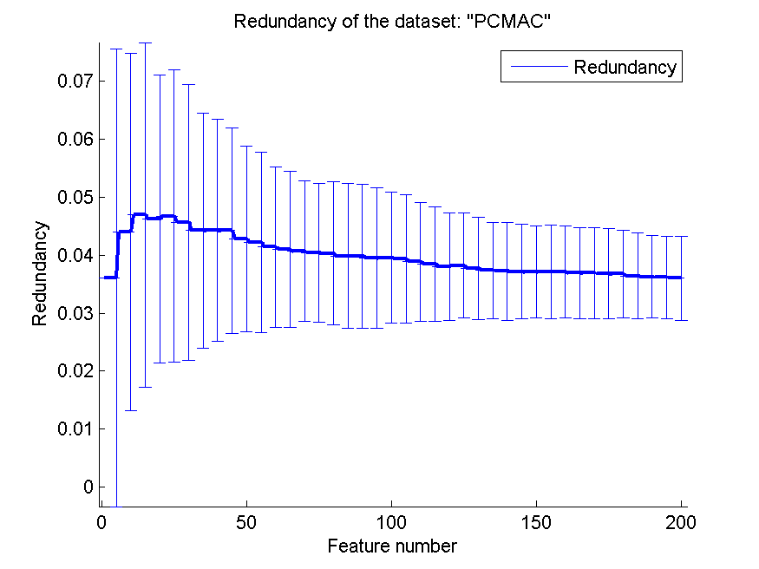
0.56015490534 | 0.025321450616 | 0.55938037866 | 0.026444397116 | 0.5380952381 | 0.026104766083 | 0.037737762652 | 0.0088162145668
0.5631956397 | 0.023253612868 | 0.56265060241 | 0.026611643356 | 0.53901319564 | 0.027151317239 | 0.037347609044 | 0.008319632431
0.55978198508 | 0.02400930694 | 0.56356855995 | 0.026297307657 | 0.53930005737 | 0.026280107877 | 0.037210627086 | 0.0084336608305
0.56540447504 | 0.023987217065 | 0.56422834194 | 0.026847157748 | 0.53909925416 | 0.02844252904 | 0.037148421608 | 0.0081614857114
0.56792885829 | 0.023226497377 | 0.56514629948 | 0.025311322897 | 0.54082042456 | 0.028803260757 | 0.037094258777 | 0.0079471173203
0.56681009753 | 0.020288863142 | 0.56563396443 | 0.027434036699 | 0.54185312679 | 0.029278822299 | 0.03716334036 | 0.0081056827371
0.56672403901 | 0.02391278476 | 0.56586345382 | 0.026514467166 | 0.54434882387 | 0.031135353429 | 0.037129086835 | 0.0079774831308
0.57240390132 | 0.020223543348 | 0.56764199656 | 0.026661268265 | 0.54541021228 | 0.029842488944 | 0.036907670087 | 0.0079113807178
0.56921973609 | 0.02164940524 | 0.56761331038 | 0.026401304531 | 0.54515203672 | 0.028736013713 | 0.03694279895 | 0.0078531398489
0.56884681583 | 0.02594206572 | 0.56810097533 | 0.027014491698 | 0.54503729203 | 0.028917747535 | 0.036816058628 | 0.0077567096215
0.56724039013 | 0.02149265619 | 0.5682444062 | 0.025983419726 | 0.54575444636 | 0.029002617926 | 0.036756406615 | 0.0075595106417
0.56987951807 | 0.022795254953 | 0.56893287435 | 0.026118947512 | 0.54454962708 | 0.029457442743 | 0.036417748713 | 0.0074075395286
0.56382673551 | 0.020253310824 | 0.56959265634 | 0.026222429536 | 0.54675846242 | 0.026659708732 | 0.03627329291 | 0.0071476421172
0.56488812392 | 0.020688740975 | 0.56993689042 | 0.025063660729 | 0.54681583477 | 0.02550049734 | 0.036153052526 | 0.0071661454654
0.5653471027 | 0.020512984025 | 0.56956397017 | 0.024445336401 | 0.5466724039 | 0.025637615124 | 0.035999779461 | 0.0072437661394

orlraws10P
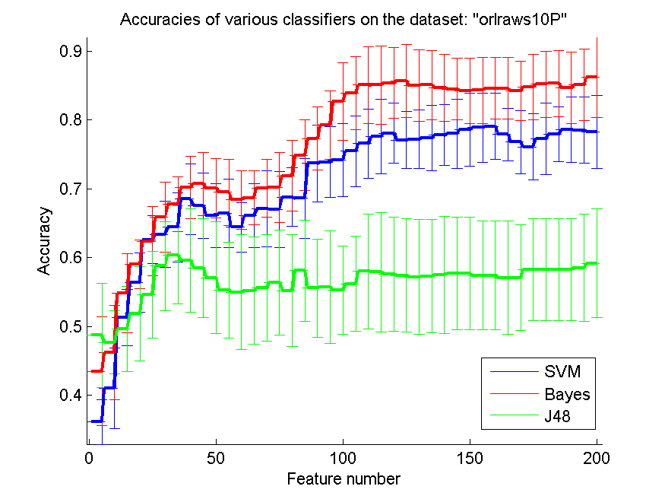
res_svm | res_svm_std | res_bayes | res_bayes_std | res_j48 | res_j48_std | res_red | res_red_std
0.361 | 0.032101811721 | 0.435 | 0.078639751566 | 0.487 | 0.076026311235 | 0.70715665674 | 2.0848308781E-16
0.41 | 0.058219186564 | 0.462 | 0.068333547283 | 0.477 | 0.046009152408 | 0.71111910298 | 2.8247888158E-16
0.513 | 0.040665516233 | 0.548 | 0.057454787717 | 0.496 | 0.061763555938 | 0.63071458224 | 1.7274772839E-16
0.564 | 0.04333468284 | 0.59 | 0.035243513774 | 0.519 | 0.06851046789 | 0.61675319092 | 2.36201502E-16
0.626 | 0.035003759197 | 0.624 | 0.050094647261 | 0.546 | 0.063278831581 | 0.63248666809 | 1.1671940815E-16
0.634 | 0.047727295512 | 0.659 | 0.050461032386 | 0.588 | 0.064693609869 | 0.64312290412 | 2.0055305138E-16
0.644 | 0.050094647261 | 0.678 | 0.039947333749 | 0.604 | 0.070963296666 | 0.65015402391 | 1.3477596343E-16
0.685 | 0.051041778553 | 0.702 | 0.04490926525 | 0.596 | 0.075001754365 | 0.66229958284 | 2.2494727198E-16
0.676 | 0.047506232278 | 0.707 | 0.046009152408 | 0.585 | 0.071635039941 | 0.65919860775 | 5.0940525991E-17
0.661 | 0.046555004254 | 0.701 | 0.042784650469 | 0.571 | 0.081686177404 | 0.65275842788 | 1.5068410798E-16
0.664 | 0.049672612384 | 0.695 | 0.048067934382 | 0.553 | 0.069365545823 | 0.64079442248 | 1.2987336803E-16
0.644 | 0.035894582497 | 0.684 | 0.042846113869 | 0.55 | 0.083224490323 | 0.62684966126 | 2.8816313092E-16
0.661 | 0.046555004254 | 0.687 | 0.039616583449 | 0.552 | 0.078243883232 | 0.61426012179 | 1.1946612296E-16
0.671 | 0.054858670092 | 0.701 | 0.041788943388 | 0.556 | 0.077486840988 | 0.59620112407 | 1.3477596343E-16
0.67 | 0.055630358997 | 0.702 | 0.051052088982 | 0.564 | 0.076116254575 | 0.5777609339 | 1.2735131498E-16
0.688 | 0.042747730011 | 0.719 | 0.051288656795 | 0.552 | 0.081149634367 | 0.56169936334 | 2.3482422203E-16
0.686 | 0.058074362493 | 0.749 | 0.050876527521 | 0.581 | 0.073262326069 | 0.54897989862 | 7.2040782731E-17
0.737 | 0.055922879227 | 0.773 | 0.046009152408 | 0.556 | 0.071259348417 | 0.53816450131 | 1.1390647893E-16
0.739 | 0.051288656795 | 0.793 | 0.049957876993 | 0.557 | 0.081634615981 | 0.53081684308 | 1.5700924587E-16
0.742 | 0.053073930562 | 0.827 | 0.056298078868 | 0.553 | 0.064326469955 | 0.52385005229 | 1.9397574392E-16
0.755 | 0.051452584202 | 0.839 | 0.053301525603 | 0.562 | 0.068946966652 | 0.51640423492 | 7.6410788986E-17
0.766 | 0.050304336948 | 0.851 | 0.055998120269 | 0.58 | 0.083350875347 | 0.50948965018 | 5.6953239463E-17
0.776 | 0.05413433583 | 0.851 | 0.057114842757 | 0.579 | 0.08693009896 | 0.49413839921 | 4.411578959E-17
0.781 | 0.043757706088 | 0.854 | 0.051134497574 | 0.576 | 0.082996512292 | 0.47913609301 | 2.0964672338E-16
0.771 | 0.041788943388 | 0.857 | 0.052825432471 | 0.574 | 0.082359928938 | 0.48263122855 | 2.5470262995E-17
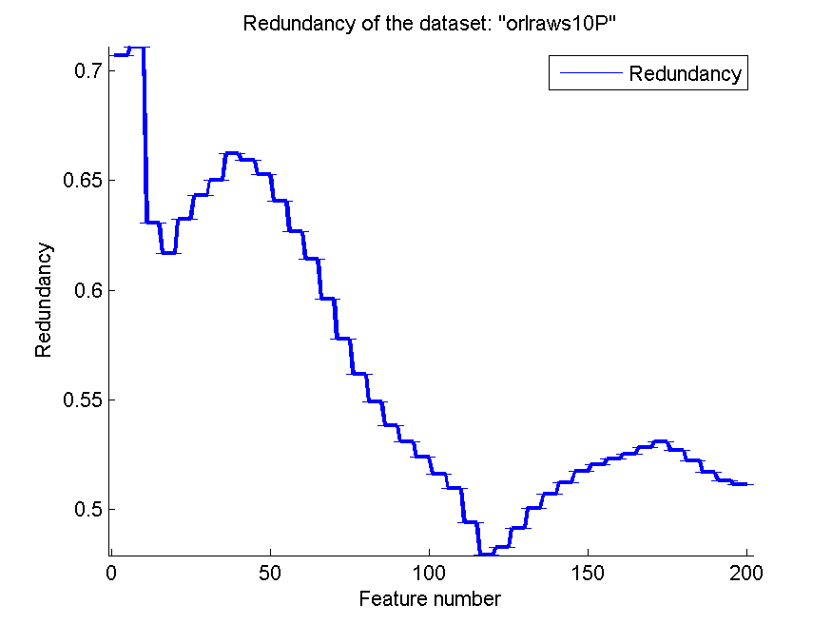
0.772 | 0.042252374583 | 0.85 | 0.051707680382 | 0.572 | 0.083703738205 | 0.49163181237 | 1.2014299026E-16
0.774 | 0.047284135539 | 0.851 | 0.050461032386 | 0.573 | 0.082659733722 | 0.50075788921 | 8.823157918E-17
0.778 | 0.04443801123 | 0.847 | 0.048677239899 | 0.575 | 0.085316747292 | 0.50691641181 | 2.0534782519E-16
0.78 | 0.050679592072 | 0.845 | 0.044426165832 | 0.577 | 0.082148773896 | 0.51250862376 | 1.9060199536E-16
0.786 | 0.053547814344 | 0.842 | 0.047638993317 | 0.577 | 0.082148773896 | 0.51737123402 | 1.2215109018E-16
0.789 | 0.050461032386 | 0.843 | 0.048242806936 | 0.574 | 0.079233166899 | 0.52052047151 | 1.6308925832E-16
0.791 | 0.04789242331 | 0.846 | 0.044532660989 | 0.574 | 0.079233166899 | 0.52307472152 | 2.5470262995E-17
0.779 | 0.038099592483 | 0.846 | 0.045002923882 | 0.571 | 0.082455729749 | 0.52535949772 | 8.0544043669E-17
0.768 | 0.045607017004 | 0.842 | 0.042993267527 | 0.571 | 0.076907326323 | 0.52855783913 | 1.463155214E-16
0.761 | 0.04789242331 | 0.848 | 0.047417518415 | 0.583 | 0.074062562458 | 0.5307954293 | 8.823157918E-17
0.773 | 0.052022262441 | 0.852 | 0.047859443329 | 0.583 | 0.074062562458 | 0.52704078361 | 2.4955659181E-16
0.779 | 0.03972272318 | 0.853 | 0.047804426133 | 0.583 | 0.074062562458 | 0.52232113426 | 1.2215109018E-16
0.786 | 0.047284135539 | 0.847 | 0.052022262441 | 0.583 | 0.074062562458 | 0.51693180929 | 1.7461532568E-16
0.785 | 0.048067934382 | 0.851 | 0.052103136586 | 0.585 | 0.077832478676 | 0.51318834867 | 1.3716156391E-16
0.783 | 0.052825432471 | 0.862 | 0.058363651269 | 0.592 | 0.079312838278 | 0.51147297424 | 1.2215109018E-16

GLI-85
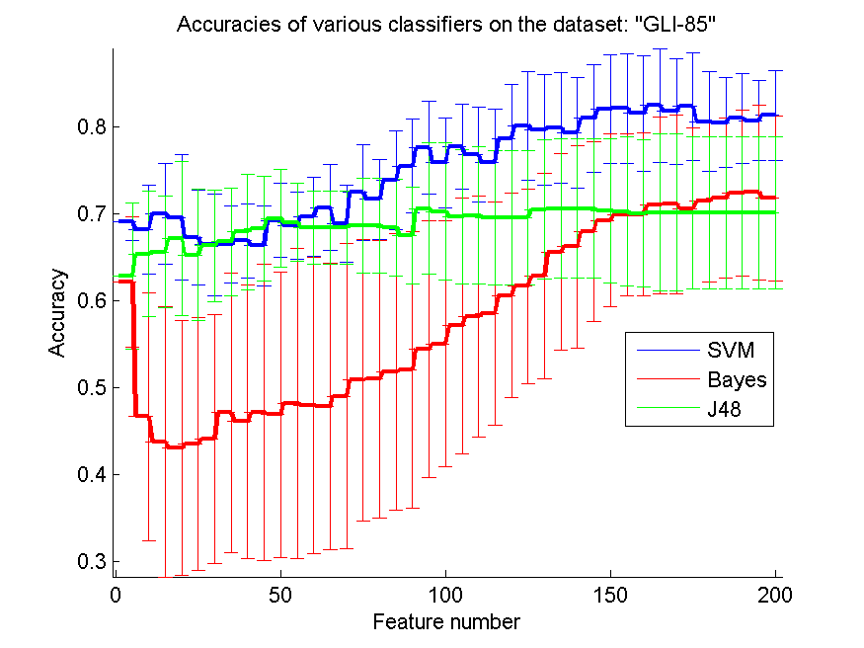
res_svm | res_svm_std | res_bayes | res_bayes_std | res_j48 | res_j48_std | res_red | res_red_std
0.69069767442 | 0.021473965509 | 0.62093023256 | 0.074731593958 | 0.62790697674 | 0.084019595113 | 0.16502534355 | 3.8732390346E-17
0.68139534884 | 0.051229510297 | 0.46627906977 | 0.14245715952 | 0.65348837209 | 0.072331504321 | 0.14718763441 | 5.730809174E-17
0.7 | 0.057906509758 | 0.43720930233 | 0.15529151164 | 0.65581395349 | 0.06473045339 | 0.23554312156 | 4.8910200576E-17
0.69534883721 | 0.072331504321 | 0.43023255814 | 0.14640376049 | 0.67093023256 | 0.088402687483 | 0.25932643503 | 4.765049884E-17
0.67209302326 | 0.054877911856 | 0.43488372093 | 0.14554576623 | 0.6523255814 | 0.075253502105 | 0.22528660441 | 5.365406269E-17
0.66395348837 | 0.058188473895 | 0.44069767442 | 0.14345274896 | 0.66279069767 | 0.06424491296 | 0.19965126093 | 5.4775871731E-17
0.66395348837 | 0.044301851724 | 0.47093023256 | 0.16074514795 | 0.66744186047 | 0.0622649004 | 0.18907662728 | 9.0050978413E-18
0.66860465116 | 0.042598552155 | 0.46046511628 | 0.15729488592 | 0.67906976744 | 0.066466162102 | 0.1822573297 | 5.2508292321E-17
0.66279069767 | 0.046204617107 | 0.47093023256 | 0.17020617008 | 0.68255813953 | 0.060491002838 | 0.18698346006 | 7.6939589683E-17
0.69186046512 | 0.042598552155 | 0.46860465116 | 0.16414457124 | 0.69418604651 | 0.056096287135 | 0.17876174258 | 4.849393598E-17
0.68604651163 | 0.038841203556 | 0.48139534884 | 0.1780886825 | 0.68953488372 | 0.044812920993 | 0.17909817271 | 3.8732390346E-17
0.69651162791 | 0.04556877901 | 0.47906976744 | 0.16995931546 | 0.68372093023 | 0.041601264698 | 0.17812535381 | 6.107554509E-17
0.70697674419 | 0.04913066812 | 0.47790697674 | 0.16469855966 | 0.68372093023 | 0.041601264698 | 0.19166613924 | 6.6173684385E-17
0.68837209302 | 0.044253636381 | 0.48953488372 | 0.17557349192 | 0.68372093023 | 0.04227995981 | 0.19366428091 | 5.0940525991E-17
0.72441860465 | 0.055072078915 | 0.50813953488 | 0.16187449819 | 0.68604651163 | 0.054146869916 | 0.18686920514 | 8.6373864196E-17
0.71627906977 | 0.046266182247 | 0.50930232558 | 0.15986174323 | 0.68604651163 | 0.054146869916 | 0.17820412382 | 4.765049884E-17
0.73837209302 | 0.056399922842 | 0.51744186047 | 0.15896447659 | 0.68372093023 | 0.055650515499 | 0.1740866621 | 4.3186932098E-17
0.75465116279 | 0.053605321565 | 0.51976744186 | 0.15921496948 | 0.67441860465 | 0.055445540528 | 0.16927558095 | 5.0940525991E-17
0.77558139535 | 0.053499014427 | 0.54418604651 | 0.14773921804 | 0.70581395349 | 0.075931305651 | 0.16820617751 | 2.5470262995E-17
0.75813953488 | 0.051946813526 | 0.55 | 0.14181631434 | 0.7023255814 | 0.078629344365 | 0.16237927131 | 6.5558101849E-17
0.77674418605 | 0.048547840042 | 0.57093023256 | 0.14698104358 | 0.69651162791 | 0.077121582353 | 0.15944326058 | 2.0136010917E-17
0.76744186047 | 0.054409083894 | 0.58139534884 | 0.13912628875 | 0.6976744186 | 0.078774016694 | 0.15560606341 | 3.8732390346E-17
0.75813953488 | 0.062401897047 | 0.58488372093 | 0.12855073338 | 0.69534883721 | 0.077278286859 | 0.15405635193 | 6.3356479251E-17
0.78604651163 | 0.062946902128 | 0.60581395349 | 0.11724810416 | 0.69534883721 | 0.077278286859 | 0.15302657235 | 6.107554509E-17
0.8011627907 | 0.06243609924 | 0.61627906977 | 0.11229401423 | 0.69534883721 | 0.077278286859 | 0.15187197998 | 3.6020391365E-17
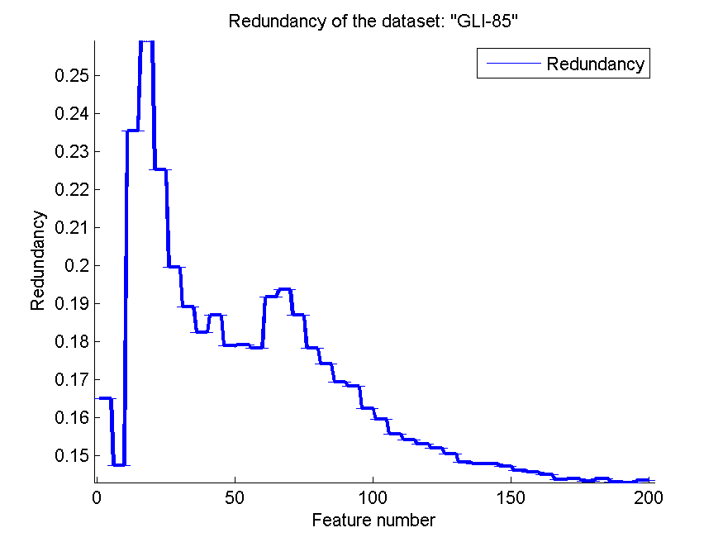
0.79651162791 | 0.063520846605 | 0.62790697674 | 0.11858184915 | 0.70465116279 | 0.080595828486 | 0.15043340769 | 2.7015293524E-17
0.7988372093 | 0.063699841948 | 0.65581395349 | 0.1125725028 | 0.70581395349 | 0.080657611422 | 0.14820982903 | 6.9461941625E-17
0.79302325581 | 0.063532048588 | 0.66162790698 | 0.11627294966 | 0.70581395349 | 0.080657611422 | 0.14780807289 | 2.5470262995E-17
0.80930232558 | 0.062035900359 | 0.67906976744 | 0.10389362705 | 0.70581395349 | 0.080657611422 | 0.14779207267 | 3.7128969569E-17
0.81976744186 | 0.062618195432 | 0.69186046512 | 0.099492034841 | 0.70348837209 | 0.082954124728 | 0.14717207422 | 4.6356578379E-17
0.82093023256 | 0.063172599884 | 0.6988372093 | 0.093168491274 | 0.7023255814 | 0.085563831948 | 0.14604210771 | 6.6783592987E-17
0.81511627907 | 0.066839840361 | 0.6988372093 | 0.094080588315 | 0.7 | 0.084323953668 | 0.14562693966 | 3.0537772545E-17
0.82441860465 | 0.065549789688 | 0.70930232558 | 0.10220867919 | 0.7011627907 | 0.090313973542 | 0.14483887187 | 2.8476619731E-17
0.81744186047 | 0.060491002838 | 0.71046511628 | 0.10303387884 | 0.7011627907 | 0.090313973542 | 0.14350986745 | 1.9102697247E-17
0.82325581395 | 0.061944063298 | 0.70581395349 | 0.092185641396 | 0.7011627907 | 0.087431377793 | 0.14372180772 | 1.6846995428E-17
0.80581395349 | 0.057598461452 | 0.71395348837 | 0.092747449145 | 0.7011627907 | 0.087431377793 | 0.14307292297 | 5.1730348688E-17
0.80465116279 | 0.051395930368 | 0.71744186047 | 0.092185641396 | 0.7011627907 | 0.087431377793 | 0.14390428078 | 6.6173684385E-17
0.80930232558 | 0.051506578355 | 0.72325581395 | 0.09570789486 | 0.7011627907 | 0.087431377793 | 0.14301513096 | 2.986653074E-17
0.80697674419 | 0.046572787207 | 0.72441860465 | 0.10046007286 | 0.7011627907 | 0.087431377793 | 0.1428222296 | 9.0050978413E-18
0.81279069767 | 0.051987894444 | 0.71744186047 | 0.094923972071 | 0.7011627907 | 0.087431377793 | 0.14346698921 | 2.0136010917E-17

GLA-BRA-180
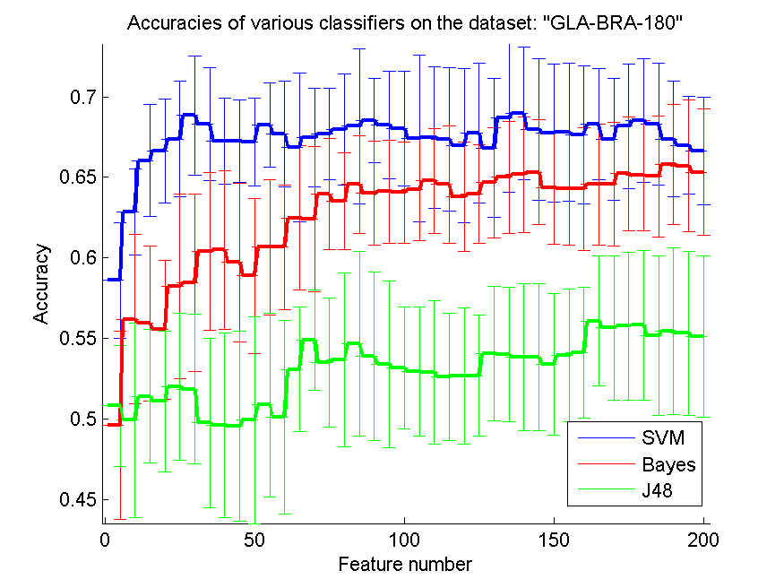
res_svm | res_svm_std | res_bayes | res_bayes_std | res_j48 | res_j48_std | res_red | res_red_std
0.58626373626 | 0.035879627945 | 0.49615384615 | 0.058505247688 | 0.50824175824 | 0.037710590173 | 0.15819604677 | 7.9275554257E-17
0.62857142857 | 0.026584849179 | 0.56208791209 | 0.052311070068 | 0.49945054945 | 0.060239428895 | 0.17813067178 | 6.2713249604E-17
0.66043956044 | 0.034732009509 | 0.55934065934 | 0.04834901933 | 0.51428571429 | 0.041517065556 | 0.17792139269 | 5.0940525991E-17
0.66648351648 | 0.032142177429 | 0.55549450549 | 0.043002231016 | 0.51098901099 | 0.04359306463 | 0.17898385298 | 4.365383142E-17
0.67362637363 | 0.03584861511 | 0.58241758242 | 0.057156202561 | 0.52032967033 | 0.045557160902 | 0.17637313669 | 6.3356479251E-17
0.68846153846 | 0.036927173476 | 0.58461538462 | 0.054840849711 | 0.51868131868 | 0.046567864055 | 0.16821651848 | 6.9753187941E-17
0.68296703297 | 0.034982719571 | 0.60384615385 | 0.048946729771 | 0.4978021978 | 0.05253233641 | 0.1669898694 | 6.3675657489E-17
0.67252747253 | 0.026584849179 | 0.60494505495 | 0.049334740042 | 0.49615384615 | 0.05729780567 | 0.16038259484 | 1.2735131498E-17
0.67252747253 | 0.025610712203 | 0.59725274725 | 0.049308967681 | 0.4956043956 | 0.058897732179 | 0.15766335941 | 1.5597286988E-17
0.67197802198 | 0.027216855411 | 0.58901098901 | 0.048151433627 | 0.49945054945 | 0.064123492136 | 0.15657897402 | 4.5025489207E-17
0.68241758242 | 0.026175271053 | 0.60659340659 | 0.041973812694 | 0.50879120879 | 0.056832811053 | 0.1578736576 | 4.2237652834E-17
0.67692307692 | 0.03294774836 | 0.60659340659 | 0.038663437688 | 0.5010989011 | 0.059914115352 | 0.1609428066 | 4.765049884E-17
0.66868131868 | 0.046249453428 | 0.62472527473 | 0.044712263083 | 0.53076923077 | 0.038581157455 | 0.15888145508 | 3.0537772545E-17
0.67472527473 | 0.030336542922 | 0.62417582418 | 0.045182429072 | 0.5489010989 | 0.031178595515 | 0.15876416404 | 2.7015293524E-17
0.67692307692 | 0.028611441484 | 0.63956043956 | 0.034493298711 | 0.53516483516 | 0.040194772999 | 0.15781547064 | 7.6675645202E-17
0.67967032967 | 0.034248285245 | 0.63516483516 | 0.029957057676 | 0.53681318681 | 0.054102857137 | 0.15856556241 | 4.849393598E-17
0.68186813187 | 0.048161332164 | 0.6456043956 | 0.030435895823 | 0.5467032967 | 0.057253418867 | 0.15794793317 | 5.0940525991E-17
0.68516483516 | 0.026266168205 | 0.64010989011 | 0.032260601572 | 0.53901098901 | 0.052213781001 | 0.16046605306 | 1.1028947398E-17
0.68241758242 | 0.033235842578 | 0.64120879121 | 0.03194382825 | 0.53406593407 | 0.051715374354 | 0.15914706659 | 5.1336956297E-17
0.68021978022 | 0.035635228601 | 0.64065934066 | 0.031508107749 | 0.53186813187 | 0.037798969558 | 0.15901293803 | 2.7755575616E-17
0.67417582418 | 0.051945296533 | 0.64230769231 | 0.031784257707 | 0.52967032967 | 0.039956885096 | 0.15974188128 | 3.7671026994E-17
0.67472527473 | 0.04415800912 | 0.6478021978 | 0.032574294533 | 0.52912087912 | 0.04456988965 | 0.16212362043 | 5.365406269E-17
0.67362637363 | 0.044258646094 | 0.6456043956 | 0.036511762011 | 0.52637362637 | 0.039525078985 | 0.16603937987 | 3.6020391365E-17
0.66978021978 | 0.047763790638 | 0.63791208791 | 0.033912601056 | 0.52692307692 | 0.042256772705 | 0.16592490753 | 3.3693990857E-17
0.67747252747 | 0.043560248132 | 0.63956043956 | 0.030586917536 | 0.52692307692 | 0.037473892806 | 0.16461271942 | 3.5453105654E-17
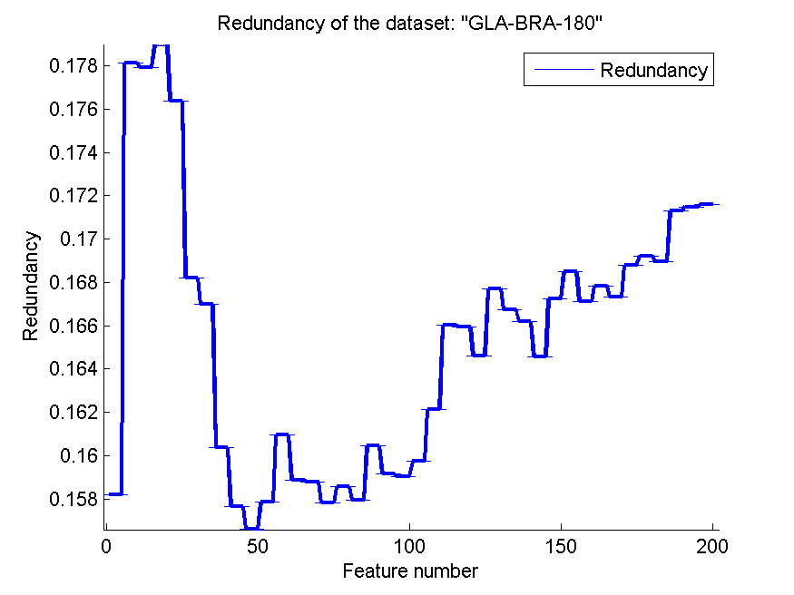
0.66813186813 | 0.043020701972 | 0.6467032967 | 0.034062202449 | 0.54065934066 | 0.041822117898 | 0.16771740955 | 7.0332062497E-17
0.68681318681 | 0.046004882303 | 0.65 | 0.034982719571 | 0.54010989011 | 0.04192457209 | 0.16674838757 | 7.3984428304E-17
0.68956043956 | 0.041252146077 | 0.65164835165 | 0.036025471709 | 0.53846153846 | 0.04537893637 | 0.16618958105 | 2.9179852037E-17
0.67967032967 | 0.043995788856 | 0.6532967033 | 0.032574294533 | 0.53846153846 | 0.04537893637 | 0.16454115464 | 3.6020391365E-17
0.67747252747 | 0.042824504486 | 0.64340659341 | 0.035019036964 | 0.53406593407 | 0.044013842855 | 0.16723925634 | 4.9322952202E-17
0.67802197802 | 0.04279852437 | 0.64285714286 | 0.034841632115 | 0.53956043956 | 0.041255997639 | 0.16847607291 | 5.6953239463E-17
0.67637362637 | 0.042705609224 | 0.64285714286 | 0.037983478605 | 0.54120879121 | 0.040787318326 | 0.16709739049 | 6.107554509E-17
0.68296703297 | 0.034433362438 | 0.6456043956 | 0.037710590173 | 0.56098901099 | 0.040095824562 | 0.16783468079 | 7.0619720395E-17
0.67362637363 | 0.03791648829 | 0.6456043956 | 0.03837882538 | 0.55659340659 | 0.04456988965 | 0.1673379954 | 2.2057894795E-17
0.68186813187 | 0.038642884055 | 0.6521978022 | 0.035344214261 | 0.55769230769 | 0.046056660465 | 0.1687706844 | 2.4661476101E-17
0.68516483516 | 0.038445010082 | 0.6510989011 | 0.034359451192 | 0.55824175824 | 0.04629409411 | 0.16922591963 | 2.6254146161E-17
0.68296703297 | 0.037945811105 | 0.65054945055 | 0.037495087249 | 0.55164835165 | 0.04947945945 | 0.168953125 | 7.147574826E-17
0.67362637363 | 0.03584861511 | 0.65824175824 | 0.037205808372 | 0.5543956044 | 0.051724590864 | 0.17130125821 | 6.6173684385E-17
0.66978021978 | 0.030352251843 | 0.65714285714 | 0.04090013577 | 0.5532967033 | 0.050832186385 | 0.17148552088 | 3.7671026994E-17
0.66648351648 | 0.033307476778 | 0.6532967033 | 0.039295268346 | 0.5510989011 | 0.049949287549 | 0.1715909107 | 4.5025489207E-17

CLL-SUB-111
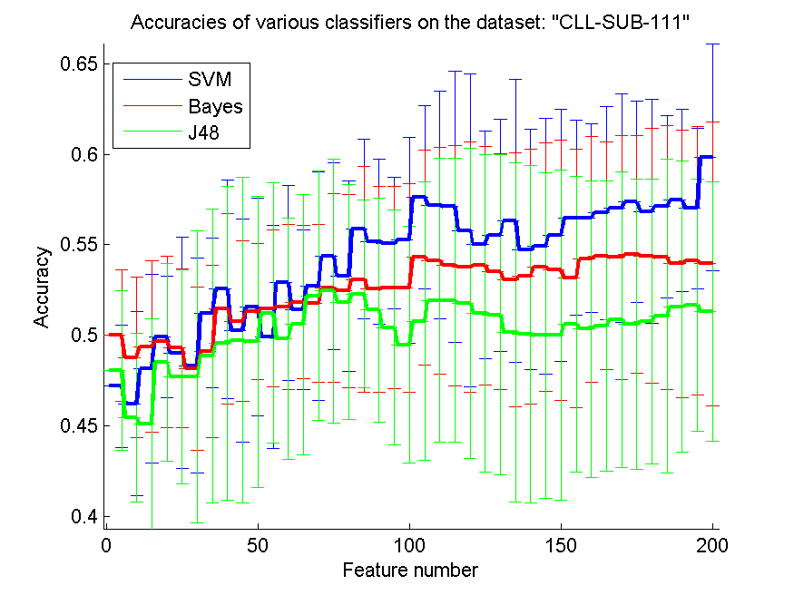
res_svm | res_svm_std | res_bayes | res_bayes_std | res_j48 | res_j48_std | res_red | res_red_std
0.47192982456 | 0.033626065544 | 0.5 | 0.036223536927 | 0.48070175439 | 0.043868881761 | 0.26718907273 | 9.6148134319E-17
0.46228070175 | 0.050679400287 | 0.48771929825 | 0.044309786124 | 0.45438596491 | 0.04655607944 | 0.25490152413 | 6.4936684015E-17
0.48157894737 | 0.052004575483 | 0.49385964912 | 0.04737526027 | 0.45087719298 | 0.05807493153 | 0.25855350803 | 7.5342053989E-17
0.49912280702 | 0.033420695161 | 0.49649122807 | 0.047315383597 | 0.4850877193 | 0.054380007418 | 0.24730695972 | 5.4404505607E-17
0.49035087719 | 0.063759065613 | 0.49298245614 | 0.043683858239 | 0.47719298246 | 0.059043144283 | 0.22912478869 | 2.7755575616E-17
0.48333333333 | 0.059282726747 | 0.48157894737 | 0.04499004982 | 0.47719298246 | 0.080416211689 | 0.21779291474 | 3.8732390346E-17
0.51228070175 | 0.041281570756 | 0.49122807018 | 0.047622518775 | 0.48859649123 | 0.080953279397 | 0.22480535926 | 3.3086842193E-17
0.52543859649 | 0.06036585311 | 0.5149122807 | 0.052562281249 | 0.49561403509 | 0.086487191783 | 0.23001956686 | 2.8476619731E-17
0.50263157895 | 0.061377121358 | 0.50789473684 | 0.044264063497 | 0.49736842105 | 0.089687070154 | 0.22843241138 | 4.2714929597E-17
0.51578947368 | 0.060076681761 | 0.51315789474 | 0.037702652601 | 0.49649122807 | 0.080315426825 | 0.24765161988 | 5.6596162341E-17
0.49912280702 | 0.061429884851 | 0.5149122807 | 0.04345147092 | 0.51228070175 | 0.071908426428 | 0.27150300053 | 5.2508292321E-17
0.52894736842 | 0.05378092544 | 0.51578947368 | 0.045677915352 | 0.49824561404 | 0.066720102995 | 0.28705769093 | 7.8504622934E-17
0.51403508772 | 0.044126611358 | 0.51842105263 | 0.042394742048 | 0.50614035088 | 0.071835174084 | 0.27355686261 | 6.7387981713E-17
0.52719298246 | 0.062992241978 | 0.51754385965 | 0.043535273256 | 0.52192982456 | 0.068747003982 | 0.26144698044 | 5.6953239463E-17
0.54385964912 | 0.051543068281 | 0.52631578947 | 0.052167855556 | 0.52456140351 | 0.072870679373 | 0.25443757026 | 4.9322952202E-17
0.53245614035 | 0.052562281249 | 0.52456140351 | 0.053365155496 | 0.51842105263 | 0.064767375884 | 0.24424565534 | 4.077231458E-17
0.55877192982 | 0.049711223231 | 0.53070175439 | 0.062320029719 | 0.52280701754 | 0.051731296789 | 0.2400191007 | 7.5342053989E-17
0.55175438596 | 0.045348684827 | 0.52543859649 | 0.056770185798 | 0.51403508772 | 0.061856919832 | 0.2332255957 | 9.358372193E-17
0.55087719298 | 0.036178788872 | 0.52631578947 | 0.055769783455 | 0.50438596491 | 0.064867344882 | 0.22786828922 | 3.5453105654E-17
0.55263157895 | 0.056777319075 | 0.52631578947 | 0.057486176976 | 0.49473684211 | 0.065296707984 | 0.21933133719 | 4.3186932098E-17
0.57631578947 | 0.050679400287 | 0.54298245614 | 0.059282726747 | 0.50789473684 | 0.076889144332 | 0.21239353236 | 1.9102697247E-17
0.57192982456 | 0.062715181728 | 0.54122807018 | 0.062682885943 | 0.51929824561 | 0.078334545688 | 0.2094012068 | 2.5470262995E-17
0.57105263158 | 0.074752619943 | 0.53859649123 | 0.066403719181 | 0.51929824561 | 0.078334545688 | 0.21140492093 | 7.2321644547E-17
0.55789473684 | 0.08624804975 | 0.53771929825 | 0.068841194132 | 0.51754385965 | 0.085663821559 | 0.20677927679 | 4.1266542498E-17
0.55 | 0.062940788229 | 0.53859649123 | 0.065914009554 | 0.51228070175 | 0.087552935503 | 0.20645609803 | 6.9753187941E-17
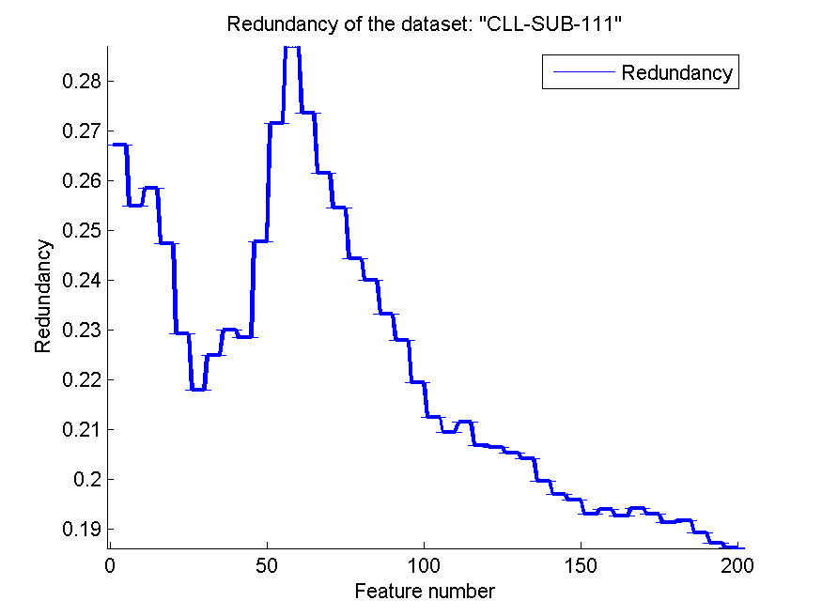
0.55526315789 | 0.063961999296 | 0.5350877193 | 0.06502323875 | 0.51140350877 | 0.088230275363 | 0.20524073434 | 5.2508292321E-17
0.56315789474 | 0.078231079065 | 0.53070175439 | 0.070146577629 | 0.50175438596 | 0.093598025103 | 0.20416791212 | 4.2714929597E-17
0.54736842105 | 0.066281630975 | 0.53245614035 | 0.070469145298 | 0.50087719298 | 0.093090409292 | 0.19966781149 | 7.7986434942E-17
0.54912280702 | 0.070658540256 | 0.53771929825 | 0.068368945758 | 0.5 | 0.089727700546 | 0.19690520246 | 2.1118826417E-17
0.55526315789 | 0.069543554036 | 0.53596491228 | 0.071880261284 | 0.5 | 0.091160568819 | 0.19575263751 | 3.0537772545E-17
0.5649122807 | 0.05387872954 | 0.53157894737 | 0.071343010936 | 0.50614035088 | 0.081749788845 | 0.1929754233 | 6.4623734319E-17
0.5649122807 | 0.052043498155 | 0.54210526316 | 0.06780387888 | 0.50350877193 | 0.081913105473 | 0.19384201168 | 3.0537772545E-17
0.56754385965 | 0.058678485823 | 0.54385964912 | 0.062869970565 | 0.50526315789 | 0.080012310533 | 0.19254214824 | 4.7223131473E-17
0.5701754386 | 0.063255285534 | 0.54298245614 | 0.067222015045 | 0.50877192982 | 0.081695277417 | 0.19412865885 | 5.2120771953E-17
0.57368421053 | 0.055507747001 | 0.54473684211 | 0.065760227418 | 0.50614035088 | 0.080148854727 | 0.19296931313 | 2.5470262995E-17
0.56842105263 | 0.061673328823 | 0.54385964912 | 0.070175438596 | 0.50789473684 | 0.078556537464 | 0.19126580352 | 4.765049884E-17
0.57105263158 | 0.050423037465 | 0.54298245614 | 0.072776139588 | 0.51052631579 | 0.086678964814 | 0.19169617112 | 5.5511151231E-17
0.57456140351 | 0.050229906705 | 0.53947368421 | 0.073968365605 | 0.51578947368 | 0.080375912908 | 0.18921143063 | 5.4404505607E-17
0.5701754386 | 0.0442732118 | 0.54122807018 | 0.074055915114 | 0.51666666667 | 0.069356953521 | 0.18711434202 | 1.6846995428E-17
0.59824561404 | 0.06232652782 | 0.53947368421 | 0.078432712555 | 0.51315789474 | 0.071744914681 | 0.1860825352 | 5.2892973598E-17

BASEHOCK
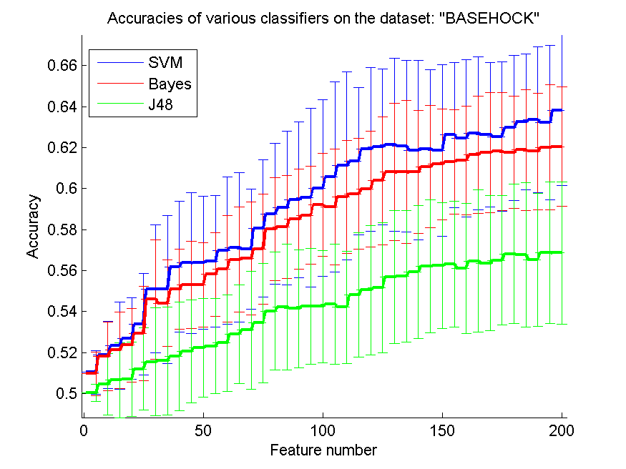
res_svm | res_svm_std | res_bayes | res_bayes_std | res_j48 | res_j48_std | res_red | res_red_std
0.5103736754 | 0.010649778635 | 0.5095649749 | 0.010743713247 | 0.50019520357 | 0.0041786261713 | 0.015782112425 | 0.016104277959
0.51873954267 | 0.016376599179 | 0.51804238706 | 0.016844149323 | 0.50446179587 | 0.014908873127 | 0.021810315878 | 0.008115420967
0.52328499721 | 0.021342767885 | 0.52122141662 | 0.018650531291 | 0.50644171779 | 0.018159523447 | 0.022548960407 | 0.0085478576383
0.52674288901 | 0.019968910122 | 0.52356385945 | 0.018048657139 | 0.50694366983 | 0.018214433909 | 0.023670066855 | 0.004363107411
0.53382598996 | 0.024755928425 | 0.52925264919 | 0.022948159088 | 0.51196319018 | 0.020080914697 | 0.025491112709 | 0.0046243465051
0.55100390407 | 0.03129199558 | 0.54584495259 | 0.029223855446 | 0.51544896821 | 0.02641283292 | 0.025455808335 | 0.0042483482814
0.55075292805 | 0.036099128373 | 0.54406023424 | 0.021230191088 | 0.51597880647 | 0.026339389724 | 0.026578339496 | 0.0043753226889
0.56185164529 | 0.031987385871 | 0.5508087005 | 0.019480814904 | 0.51820970441 | 0.026586849589 | 0.026572091705 | 0.0039358621199
0.56369213608 | 0.034324735211 | 0.55306748466 | 0.021231559814 | 0.52058003346 | 0.025230257079 | 0.026565574075 | 0.0037900071293
0.56388733965 | 0.032439230259 | 0.55306748466 | 0.020653866536 | 0.52214166202 | 0.024067400732 | 0.026608953669 | 0.0041360889055
0.56444506414 | 0.032076865504 | 0.55811489124 | 0.020357526719 | 0.52311767987 | 0.023171792929 | 0.02674910327 | 0.0042449697508
0.56960401562 | 0.035967187271 | 0.56070831009 | 0.025995286323 | 0.5246514222 | 0.023517268323 | 0.027568615971 | 0.0050652253057
0.57127718907 | 0.036322742988 | 0.56533742331 | 0.025693123505 | 0.5290295594 | 0.024067995927 | 0.027653662713 | 0.0048465675403
0.57046848857 | 0.029295013104 | 0.56581148912 | 0.027622257283 | 0.53098159509 | 0.028790046761 | 0.027636128496 | 0.0047086531629
0.5805354155 | 0.033512307684 | 0.57046848857 | 0.026929473427 | 0.53435582822 | 0.029128352212 | 0.027619829638 | 0.0050602599713
0.58770217513 | 0.034484988093 | 0.58028443949 | 0.025190693067 | 0.54012827663 | 0.028757046268 | 0.027602241881 | 0.0047251100532
0.59060234244 | 0.03753451757 | 0.58134411601 | 0.025081794613 | 0.5422755159 | 0.030707172276 | 0.027970008167 | 0.0060183868268
0.59447852761 | 0.037965346374 | 0.5850250976 | 0.024446618146 | 0.54138315672 | 0.028712962855 | 0.027984779272 | 0.0060003651405
0.5956218628 | 0.04355797401 | 0.5869771333 | 0.024036004584 | 0.54263803681 | 0.028246404388 | 0.028300096062 | 0.0062411919805
0.60016731735 | 0.043103612692 | 0.5920524261 | 0.025060376238 | 0.54235917457 | 0.027330880879 | 0.028538039956 | 0.0061560761768
0.60568878974 | 0.046307220992 | 0.59093697713 | 0.028303725869 | 0.54353039598 | 0.029262693979 | 0.028544551119 | 0.0059169320739
0.61109871723 | 0.046008969728 | 0.59592861127 | 0.027517151412 | 0.54208031233 | 0.027452806429 | 0.029012444665 | 0.0058130873021
0.61332961517 | 0.036013585295 | 0.5974623536 | 0.026931661908 | 0.54810373675 | 0.030336949913 | 0.02904228481 | 0.0055298125036
0.6191299498 | 0.039883263324 | 0.59972113776 | 0.028264728053 | 0.55041829336 | 0.031706449102 | 0.028886503516 | 0.0055206594765
0.62035694367 | 0.037996467671 | 0.60376464027 | 0.031374549395 | 0.55150585611 | 0.031677197692 | 0.028994474407 | 0.0049874378618
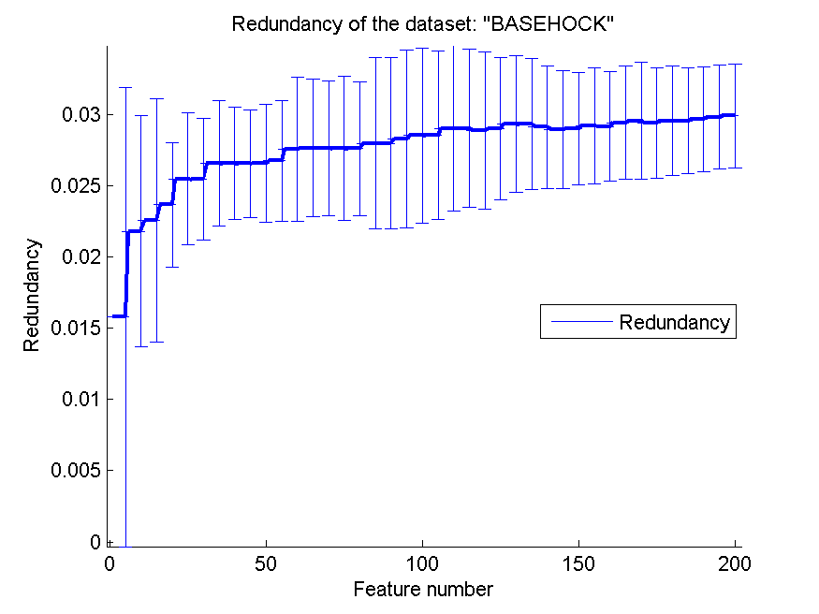
0.62136084774 | 0.042355725487 | 0.6080591188 | 0.033574280087 | 0.55688789738 | 0.032480600179 | 0.029318508902 | 0.004787162559
0.62063580591 | 0.041771410269 | 0.60800334635 | 0.034928111746 | 0.55733407697 | 0.032116459339 | 0.029317727927 | 0.0045957933186
0.61868377022 | 0.043832841986 | 0.60797546012 | 0.029979223529 | 0.55936977133 | 0.03238417352 | 0.029124803443 | 0.0043200541036
0.6193530396 | 0.038544201076 | 0.61062465142 | 0.029802519987 | 0.56207473508 | 0.032564715719 | 0.028951220876 | 0.0041345064102
0.61846068042 | 0.041842406545 | 0.61185164529 | 0.027027295063 | 0.56229782487 | 0.030661020482 | 0.029025258926 | 0.0039546567608
0.62610150586 | 0.035543333414 | 0.61291132181 | 0.025518706072 | 0.56296709426 | 0.030716394314 | 0.02921238251 | 0.004072595583
0.6245398773 | 0.0382509041 | 0.61374790853 | 0.026626967563 | 0.56107083101 | 0.031641374751 | 0.029158777063 | 0.0038338053838
0.62710540993 | 0.037308742523 | 0.61639709983 | 0.028624163403 | 0.56452872281 | 0.034711042306 | 0.029428989305 | 0.0039765435035
0.62629670943 | 0.035228300542 | 0.61748466258 | 0.029392648447 | 0.56360847741 | 0.033042268031 | 0.02956271566 | 0.0040931279928
0.6253485778 | 0.036552234704 | 0.61807027328 | 0.028674450246 | 0.5649749024 | 0.031507081917 | 0.02938429333 | 0.0038738591329
0.62958728388 | 0.035434868412 | 0.61767986615 | 0.027364419691 | 0.56804238706 | 0.033984601755 | 0.029555273874 | 0.0038467810653
0.63240379253 | 0.033099902675 | 0.61885108756 | 0.029461703664 | 0.56770775237 | 0.035236397409 | 0.029560046607 | 0.0036957867653
0.63368655884 | 0.035617505381 | 0.61812604573 | 0.028466156908 | 0.56519799219 | 0.032322907668 | 0.029653296832 | 0.0036910033007
0.63212493028 | 0.037586353198 | 0.62007808143 | 0.03060062484 | 0.56871165644 | 0.03455670606 | 0.029807628485 | 0.0036527590921
0.63814835471 | 0.03677448534 | 0.62049637479 | 0.028984436736 | 0.5685443391 | 0.034702457247 | 0.029912027387 | 0.0036427559189

