warpAR10P
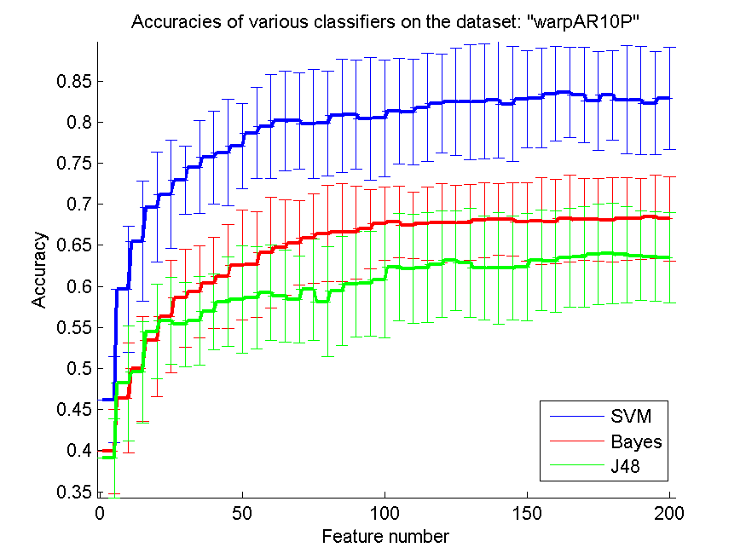
res_svm | res_svm_std | res_bayes | res_bayes_std | res_j48 | res_j48_std | res_red | res_red_std
0.46214285714 | 0.052494181561 | 0.39928571429 | 0.051502661752 | 0.39071428571 | 0.047781052741 | 0.76604909238 | 0.013045965115
0.59642857143 | 0.077122665138 | 0.46428571429 | 0.067086042192 | 0.48214285714 | 0.070119584826 | 0.81842427386 | 0.027602502346
0.655 | 0.073030899983 | 0.5 | 0.063719309286 | 0.49571428571 | 0.061506333016 | 0.82056306521 | 0.036313606641
0.69642857143 | 0.067146056555 | 0.53428571429 | 0.068024131688 | 0.545 | 0.057382018314 | 0.81105834022 | 0.028001414601
0.71214285714 | 0.065755952792 | 0.56357142857 | 0.068193664954 | 0.55857142857 | 0.052825635804 | 0.80500154664 | 0.026385291832
0.72928571429 | 0.041836210733 | 0.58571428571 | 0.059536339533 | 0.55357142857 | 0.051377376357 | 0.80256906445 | 0.023847889278
0.745 | 0.056628322572 | 0.59357142857 | 0.05590290032 | 0.55857142857 | 0.054031855981 | 0.79322192972 | 0.023126128408
0.75714285714 | 0.056576137117 | 0.60428571429 | 0.055830801627 | 0.56928571429 | 0.046180656786 | 0.79173539929 | 0.018352237686
0.76285714286 | 0.064623174422 | 0.61214285714 | 0.063596978899 | 0.58142857143 | 0.054467444134 | 0.78778657855 | 0.016996368479
0.77071428571 | 0.05212457193 | 0.62571428571 | 0.066941788201 | 0.58428571429 | 0.06536684878 | 0.78597099312 | 0.016702465206
0.78642857143 | 0.055517291991 | 0.62642857143 | 0.064269003676 | 0.58642857143 | 0.062437939112 | 0.78502215614 | 0.014918863537
0.79428571429 | 0.06327951055 | 0.64071428571 | 0.067369637811 | 0.59214285714 | 0.057977920906 | 0.78327032146 | 0.013482982823
0.80142857143 | 0.060235841538 | 0.64714285714 | 0.058278195004 | 0.58857142857 | 0.056118640629 | 0.77994601262 | 0.012999282634
0.80142857143 | 0.058974406872 | 0.65285714286 | 0.051424394149 | 0.58428571429 | 0.052825635804 | 0.77706380115 | 0.011529582621
0.79785714286 | 0.066728846763 | 0.65857142857 | 0.054427989261 | 0.59642857143 | 0.06164152631 | 0.77377043242 | 0.01036038624
0.79857142857 | 0.063870841746 | 0.66428571429 | 0.058351871639 | 0.58142857143 | 0.066861512613 | 0.77052686587 | 0.0097277181648
0.80785714286 | 0.068976715821 | 0.66571428571 | 0.059967767927 | 0.59428571429 | 0.066102157049 | 0.76687845411 | 0.0089434636592
0.80928571429 | 0.066406132519 | 0.66571428571 | 0.056271552739 | 0.60285714286 | 0.064323297285 | 0.76377905304 | 0.0088280360228
0.80428571429 | 0.074461907879 | 0.67 | 0.048367550884 | 0.60357142857 | 0.063866637366 | 0.76158214432 | 0.0081570098864
0.805 | 0.071093197633 | 0.67642857143 | 0.045002685205 | 0.60785714286 | 0.070364251005 | 0.7579790717 | 0.0078493551101
0.81357142857 | 0.064469245118 | 0.67857142857 | 0.043848190411 | 0.62357142857 | 0.06526406742 | 0.75493156367 | 0.0079063555403
0.81214285714 | 0.064269003676 | 0.67428571429 | 0.040829213862 | 0.62142857143 | 0.06628065835 | 0.75274277655 | 0.0078553581588
0.81785714286 | 0.065853888981 | 0.67642857143 | 0.044280863183 | 0.62285714286 | 0.06722998666 | 0.74971741626 | 0.0084806940187
0.82285714286 | 0.060146616424 | 0.67714285714 | 0.048478460341 | 0.62714285714 | 0.064872013134 | 0.74674928207 | 0.0084925099596
0.825 | 0.065526865785 | 0.67714285714 | 0.046441582908 | 0.63142857143 | 0.06071539141 | 0.74380540161 | 0.0088487619443
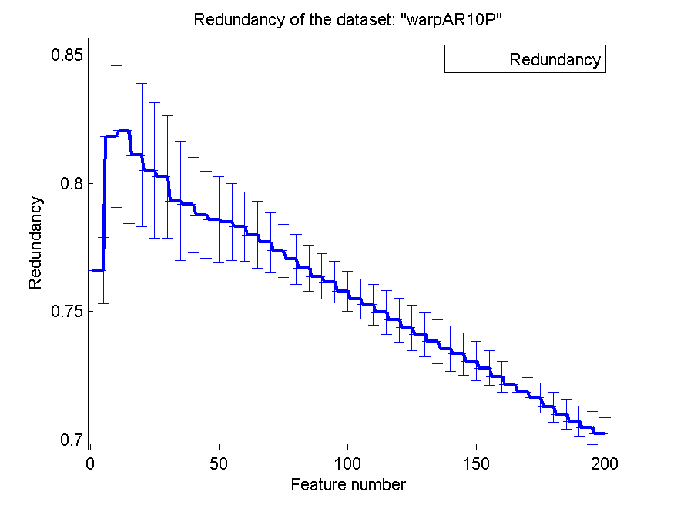
0.82428571429 | 0.069693205244 | 0.67785714286 | 0.046458925878 | 0.62857142857 | 0.066684566161 | 0.74126020617 | 0.0086911706991
0.825 | 0.069812546307 | 0.68071428571 | 0.045713110887 | 0.62285714286 | 0.06327951055 | 0.73833010117 | 0.0085392543731
0.82714285714 | 0.070733459844 | 0.68142857143 | 0.043503891945 | 0.62214285714 | 0.067719488395 | 0.73556407055 | 0.0087268574329
0.82214285714 | 0.070364251005 | 0.68142857143 | 0.044480531954 | 0.62214285714 | 0.063292239858 | 0.73360799029 | 0.0082712440951
0.82785714286 | 0.058714294861 | 0.67857142857 | 0.047380354148 | 0.62357142857 | 0.065428440096 | 0.73076076838 | 0.0076736827687
0.82928571429 | 0.060869990525 | 0.67928571429 | 0.053144918708 | 0.63214285714 | 0.061116535688 | 0.7279668111 | 0.0067468063178
0.83428571429 | 0.057405411857 | 0.67857142857 | 0.051298917604 | 0.63071428571 | 0.061711187614 | 0.72472372365 | 0.0060034848872
0.83642857143 | 0.055128986529 | 0.68285714286 | 0.052967776922 | 0.635 | 0.060516040785 | 0.72152273401 | 0.0058174301923
0.83285714286 | 0.058278195004 | 0.68142857143 | 0.049940888797 | 0.63571428571 | 0.061401462807 | 0.71867045514 | 0.0055266718162
0.82571428571 | 0.059824304162 | 0.68142857143 | 0.050369206149 | 0.63928571429 | 0.061116535688 | 0.71638915926 | 0.0058855959667
0.83285714286 | 0.054269882931 | 0.68071428571 | 0.051251784701 | 0.64 | 0.060892044071 | 0.71281782151 | 0.0058494362094
0.82714285714 | 0.066183353685 | 0.68214285714 | 0.050321202447 | 0.63857142857 | 0.05901082207 | 0.70995224861 | 0.0058810132615
0.82642857143 | 0.065919098937 | 0.68214285714 | 0.049023767225 | 0.63714285714 | 0.054329226724 | 0.707271991 | 0.0060364187147
0.82285714286 | 0.062768221451 | 0.685 | 0.050661573792 | 0.63642857143 | 0.054737926536 | 0.70472139509 | 0.0064528581324
0.82857142857 | 0.062356171779 | 0.68214285714 | 0.050957533761 | 0.635 | 0.054933804516 | 0.70242739952 | 0.006178557948

TOX-171
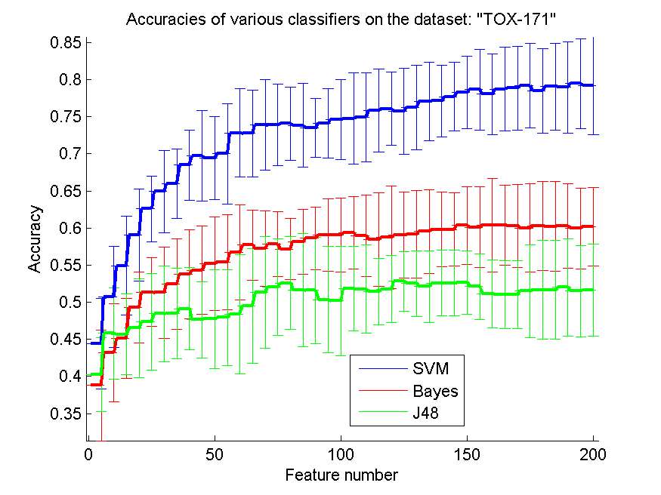
res_svm | res_svm_std | res_bayes | res_bayes_std | res_j48 | res_j48_std | res_red | res_red_std
0.44425287356 | 0.060967461662 | 0.38793103448 | 0.074386182375 | 0.40229885057 | 0.050032844835 | 0.15718623439 | 0.082785801745
0.50747126437 | 0.068385847807 | 0.4316091954 | 0.066132053382 | 0.45804597701 | 0.061535088295 | 0.16385673291 | 0.038834973342
0.54942528736 | 0.066459824731 | 0.45114942529 | 0.054025562745 | 0.45689655172 | 0.054537968407 | 0.16569322694 | 0.034720330163
0.5908045977 | 0.061887211202 | 0.49310344828 | 0.047742858899 | 0.46551724138 | 0.066553923484 | 0.16896848603 | 0.030154808339
0.62586206897 | 0.043883840878 | 0.51379310345 | 0.0464434896 | 0.47356321839 | 0.065085447353 | 0.16665207737 | 0.024470010107
0.64942528736 | 0.05525049929 | 0.5132183908 | 0.061647986452 | 0.48448275862 | 0.064729237674 | 0.16676226972 | 0.022003103569
0.65977011494 | 0.046488384235 | 0.52471264368 | 0.060967461662 | 0.48505747126 | 0.061232062571 | 0.16900460136 | 0.021631383056
0.68505747126 | 0.047377343962 | 0.53793103448 | 0.060201338926 | 0.49137931034 | 0.055798399781 | 0.16931223254 | 0.023306657283
0.69712643678 | 0.060967461662 | 0.54310344828 | 0.05930234849 | 0.47643678161 | 0.051603003952 | 0.16994406288 | 0.023486652283
0.69425287356 | 0.056112181848 | 0.55172413793 | 0.063066969292 | 0.4775862069 | 0.066655713893 | 0.17040181921 | 0.025476607386
0.7 | 0.067837108518 | 0.55402298851 | 0.064441233733 | 0.47931034483 | 0.065032006628 | 0.16947640577 | 0.02449631576
0.72816091954 | 0.059699688603 | 0.56724137931 | 0.064514028907 | 0.48390804598 | 0.080753073563 | 0.16941388187 | 0.024764133273
0.7275862069 | 0.058621282751 | 0.57701149425 | 0.047699144995 | 0.49540229885 | 0.077321926717 | 0.16922843468 | 0.024671393982
0.73908045977 | 0.061175255746 | 0.5724137931 | 0.050530696349 | 0.5132183908 | 0.07516730753 | 0.16788893303 | 0.023465704623
0.73908045977 | 0.054820921088 | 0.57816091954 | 0.043824380337 | 0.52068965517 | 0.065032006628 | 0.16778165284 | 0.022601726372
0.7408045977 | 0.049117628818 | 0.57183908046 | 0.04167318513 | 0.52586206897 | 0.062387990598 | 0.16681383424 | 0.020244645722
0.73850574713 | 0.05617101427 | 0.5816091954 | 0.043871955217 | 0.51666666667 | 0.07628755635 | 0.16609837459 | 0.017967540577
0.73505747126 | 0.039373832121 | 0.58620689655 | 0.042191399333 | 0.51609195402 | 0.07182032423 | 0.16592020734 | 0.017594235236
0.74137931034 | 0.046801440865 | 0.5908045977 | 0.048537303767 | 0.50344827586 | 0.071888065574 | 0.16514852 | 0.017433522203
0.74597701149 | 0.054028780372 | 0.5908045977 | 0.049809980276 | 0.50172413793 | 0.073954927321 | 0.16436283595 | 0.017621154414
0.74770114943 | 0.06110417295 | 0.59367816092 | 0.0490893067 | 0.5183908046 | 0.057277349806 | 0.16373733702 | 0.016226800064
0.74942528736 | 0.059853820116 | 0.58965517241 | 0.054820921088 | 0.51781609195 | 0.059722979227 | 0.16395571396 | 0.016703059455
0.75862068966 | 0.056062590868 | 0.58448275862 | 0.062986982288 | 0.51436781609 | 0.04488649239 | 0.16419226077 | 0.017304491159
0.76091954023 | 0.049558059682 | 0.58735632184 | 0.069156822788 | 0.51781609195 | 0.044979345085 | 0.16341681241 | 0.017646102421
0.75747126437 | 0.058120949708 | 0.5908045977 | 0.057821076952 | 0.52816091954 | 0.03990012634 | 0.16329579696 | 0.017702466662
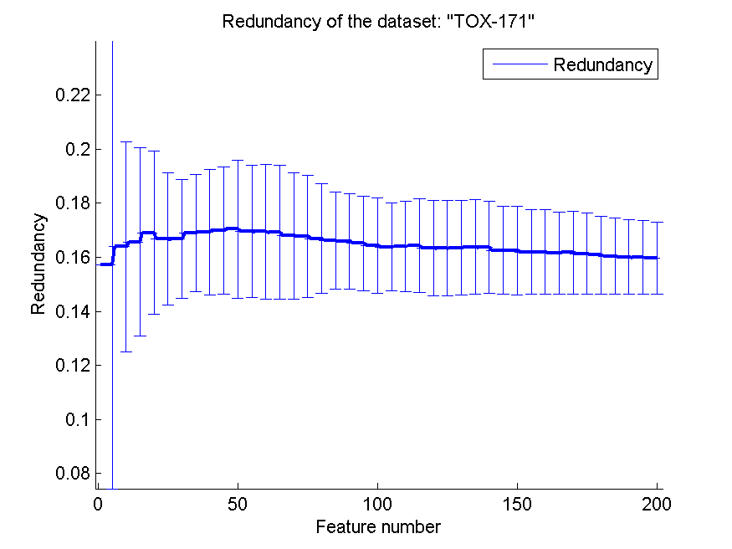
0.76264367816 | 0.057322857388 | 0.59137931034 | 0.058902328083 | 0.52528735632 | 0.044140577658 | 0.16346666662 | 0.017412240537
0.77068965517 | 0.053195448311 | 0.59540229885 | 0.056260692514 | 0.52126436782 | 0.04837586508 | 0.16380620744 | 0.017366104104
0.77126436782 | 0.048608882192 | 0.59827586207 | 0.050788061243 | 0.52586206897 | 0.044105118626 | 0.16367300312 | 0.017067686209
0.77701149425 | 0.046188262413 | 0.59827586207 | 0.04939995693 | 0.52586206897 | 0.044105118626 | 0.16245983367 | 0.016239877167
0.78275862069 | 0.048608882192 | 0.60344827586 | 0.05200902923 | 0.52643678161 | 0.042454276638 | 0.16257041266 | 0.016391432621
0.7867816092 | 0.054359175851 | 0.60114942529 | 0.054439066514 | 0.52126436782 | 0.044010421537 | 0.16192214682 | 0.015611302381
0.78045977011 | 0.054413514264 | 0.60402298851 | 0.063339267379 | 0.51149425287 | 0.045444588115 | 0.1618953182 | 0.015587285006
0.78735632184 | 0.056740667743 | 0.60402298851 | 0.053586165632 | 0.51034482759 | 0.045886177665 | 0.16156684727 | 0.015079039103
0.78850574713 | 0.056482726366 | 0.60287356322 | 0.056245240949 | 0.51034482759 | 0.045886177665 | 0.16176327582 | 0.015318147207
0.79195402299 | 0.057034029463 | 0.6 | 0.059387298427 | 0.51494252874 | 0.062245720855 | 0.16124604257 | 0.015035763953
0.78505747126 | 0.056691626535 | 0.60287356322 | 0.060071254971 | 0.51666666667 | 0.066655713893 | 0.1608803874 | 0.014378027794
0.7908045977 | 0.058561943448 | 0.60229885057 | 0.060408890605 | 0.51666666667 | 0.066655713893 | 0.1604091373 | 0.013977870765
0.78965517241 | 0.061515309815 | 0.60287356322 | 0.057347113332 | 0.52011494253 | 0.065752435493 | 0.1601186901 | 0.013689406594
0.79482758621 | 0.060279254552 | 0.59942528736 | 0.054588944437 | 0.51494252874 | 0.061458764799 | 0.15993044312 | 0.013679034092
0.79195402299 | 0.065649244548 | 0.60172413793 | 0.053038355467 | 0.51609195402 | 0.062167473532 | 0.15971354773 | 0.013214346502

SMK-CAN-187
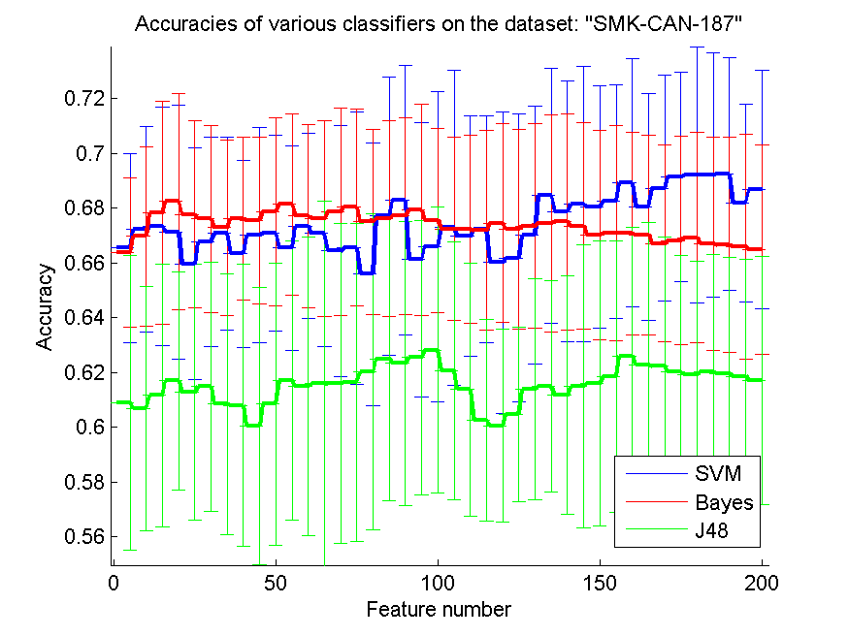
res_svm | res_svm_std | res_bayes | res_bayes_std | res_j48 | res_j48_std | res_red | res_red_std
0.66542553191 | 0.034424474367 | 0.66382978723 | 0.027264820235 | 0.60904255319 | 0.053790025549 | 0.35301511631 | 0.11472702545
0.67234042553 | 0.037429498188 | 0.66968085106 | 0.032648346973 | 0.60691489362 | 0.04466685111 | 0.4035221864 | 0.11796208232
0.67340425532 | 0.043535690157 | 0.67819148936 | 0.04067451468 | 0.61170212766 | 0.047887890967 | 0.4306718846 | 0.12452367452
0.67127659574 | 0.046294129847 | 0.68244680851 | 0.039394980031 | 0.6170212766 | 0.039804865817 | 0.44419807771 | 0.12810969428
0.65957446809 | 0.042272309268 | 0.67765957447 | 0.034185729151 | 0.61276595745 | 0.04674229257 | 0.45429516296 | 0.13097875709
0.66755319149 | 0.038259748351 | 0.67606382979 | 0.034076655651 | 0.61489361702 | 0.045476308522 | 0.44801627816 | 0.11866015225
0.67074468085 | 0.035279021715 | 0.67287234043 | 0.031984805845 | 0.6085106383 | 0.047525808119 | 0.45226769517 | 0.12358117071
0.66329787234 | 0.034216207423 | 0.67606382979 | 0.029786234186 | 0.6079787234 | 0.05157394975 | 0.46044586802 | 0.12624077358
0.67021276596 | 0.039201726908 | 0.67553191489 | 0.030385136733 | 0.60053191489 | 0.050665086499 | 0.46069609856 | 0.12293194861
0.67074468085 | 0.035781955449 | 0.67872340426 | 0.034272738019 | 0.6085106383 | 0.051495932132 | 0.45832394212 | 0.11994640759
0.66542553191 | 0.037409600521 | 0.68138297872 | 0.033011218322 | 0.6170212766 | 0.05107782563 | 0.46001981163 | 0.11957032401
0.67340425532 | 0.033835456292 | 0.67712765957 | 0.033512637918 | 0.61489361702 | 0.054420296785 | 0.4613031996 | 0.1191364734
0.67074468085 | 0.041198336127 | 0.67606382979 | 0.035781955449 | 0.61595744681 | 0.066650979387 | 0.46182039025 | 0.12036207596
0.66436170213 | 0.045721236733 | 0.67872340426 | 0.037903908733 | 0.61595744681 | 0.058360287331 | 0.45924957305 | 0.1164090359
0.66542553191 | 0.049835329609 | 0.68031914894 | 0.035948036432 | 0.6164893617 | 0.058009664325 | 0.45804499942 | 0.11374229834
0.65585106383 | 0.04810816619 | 0.675 | 0.033725249966 | 0.62021276596 | 0.057662074383 | 0.45540297358 | 0.11524783982
0.67712765957 | 0.050759052198 | 0.67606382979 | 0.035781955449 | 0.625 | 0.051758410648 | 0.45411585003 | 0.11734735178
0.6829787234 | 0.049128110847 | 0.67712765957 | 0.035914881676 | 0.62340425532 | 0.051818793804 | 0.45425333674 | 0.1145590233
0.66117021277 | 0.050050009538 | 0.67925531915 | 0.038631586998 | 0.62553191489 | 0.050088673128 | 0.45528059534 | 0.11522015374
0.66595744681 | 0.056545962327 | 0.67553191489 | 0.033729665133 | 0.62819148936 | 0.052171063129 | 0.45381092976 | 0.11434036233
0.67287234043 | 0.057431771911 | 0.67234042553 | 0.033392448752 | 0.62074468085 | 0.047107236746 | 0.45219460562 | 0.11434917833
0.66968085106 | 0.043859430717 | 0.67234042553 | 0.034446096424 | 0.61382978723 | 0.046191082129 | 0.45262103185 | 0.11328436976
0.67234042553 | 0.041360669852 | 0.67180851064 | 0.036409033061 | 0.60265957447 | 0.036734774581 | 0.45045141441 | 0.11285666102
0.66010638298 | 0.0550595814 | 0.67446808511 | 0.036265601116 | 0.60053191489 | 0.035279021715 | 0.44883309702 | 0.11167496912
0.66170212766 | 0.052526640041 | 0.67234042553 | 0.036462164079 | 0.60478723404 | 0.031872872672 | 0.44762983266 | 0.10869252469
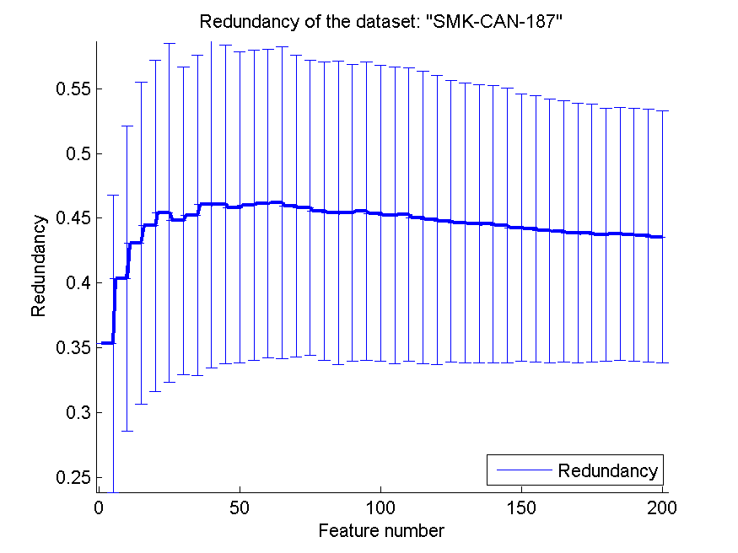
0.67021276596 | 0.04694574203 | 0.67340425532 | 0.03734984392 | 0.61382978723 | 0.040266085035 | 0.44660634888 | 0.10812483177
0.68457446809 | 0.046598710322 | 0.67446808511 | 0.039564713605 | 0.61489361702 | 0.038527370107 | 0.44564708028 | 0.10764285961
0.67872340426 | 0.047650975068 | 0.675 | 0.039576003294 | 0.61170212766 | 0.043590383257 | 0.44549643419 | 0.10719747062
0.68138297872 | 0.050311152117 | 0.67340425532 | 0.03766745035 | 0.61489361702 | 0.051611471726 | 0.4443002694 | 0.10594892899
0.68031914894 | 0.044264981932 | 0.67021276596 | 0.038123280024 | 0.61595744681 | 0.052105372661 | 0.44276013238 | 0.1029580308
0.68244680851 | 0.042731290234 | 0.67074468085 | 0.039273834313 | 0.61861702128 | 0.04957168047 | 0.44192658303 | 0.10289409476
0.68936170213 | 0.045213589348 | 0.67074468085 | 0.036928840336 | 0.62606382979 | 0.046980621178 | 0.44028080452 | 0.10176359378
0.68031914894 | 0.041342664248 | 0.67021276596 | 0.036527450012 | 0.62287234043 | 0.051827414226 | 0.43975876989 | 0.10109948774
0.68723404255 | 0.04118749113 | 0.6670212766 | 0.035885846137 | 0.62234042553 | 0.047135678377 | 0.43853855204 | 0.10059181588
0.6914893617 | 0.03827920411 | 0.66808510638 | 0.038060731532 | 0.62021276596 | 0.042427024609 | 0.43850787296 | 0.099607523445
0.6920212766 | 0.046624268372 | 0.66914893617 | 0.03841899473 | 0.61914893617 | 0.041360669852 | 0.43747028477 | 0.097637027897
0.6920212766 | 0.04466685111 | 0.6670212766 | 0.038911961094 | 0.62021276596 | 0.042706889283 | 0.43783352524 | 0.097720094303
0.69255319149 | 0.042398936539 | 0.6664893617 | 0.039243489449 | 0.61968085106 | 0.042254692135 | 0.437116894 | 0.097878442523
0.68191489362 | 0.03618338473 | 0.66595744681 | 0.041042617339 | 0.61861702128 | 0.042591667935 | 0.43667330013 | 0.097624996365
0.68670212766 | 0.043450094364 | 0.66489361702 | 0.038356928462 | 0.6170212766 | 0.045266255166 | 0.43552128502 | 0.097263875624

pixraw10P
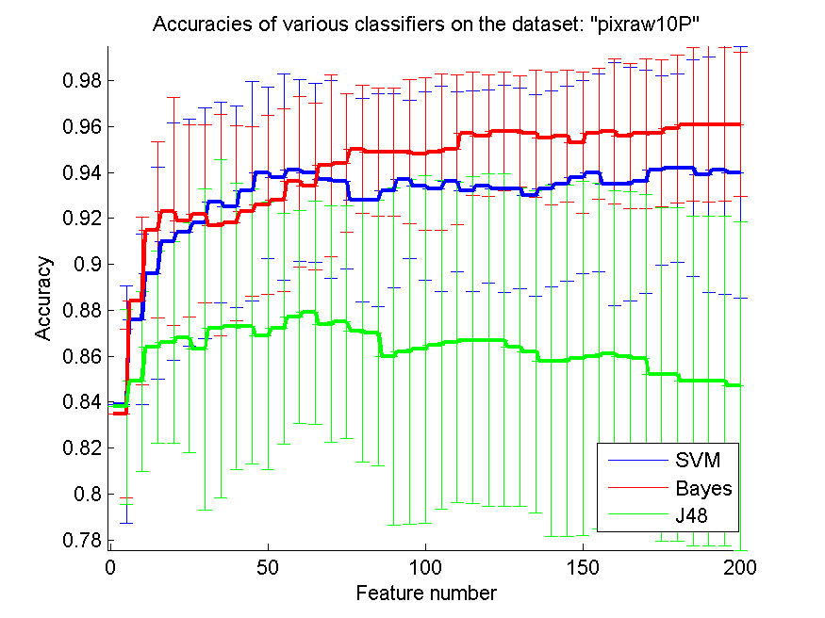
res_svm | res_svm_std | res_bayes | res_bayes_std | res_j48 | res_j48_std | res_red | res_red_std
0.839 | 0.051697500703 | 0.835 | 0.036634754853 | 0.838 | 0.042500773987 | 0.63191774978 | 0.22076978088
0.876 | 0.037049042888 | 0.884 | 0.036476380245 | 0.849 | 0.039189149948 | 0.68927734452 | 0.25356421421
0.896 | 0.046157624677 | 0.915 | 0.03831998242 | 0.864 | 0.041851869102 | 0.7226026214 | 0.24259995437
0.91 | 0.051707680382 | 0.923 | 0.049534676849 | 0.866 | 0.044057378855 | 0.73949623667 | 0.23449082303
0.914 | 0.049460244535 | 0.919 | 0.041788943388 | 0.868 | 0.050010525208 | 0.75020050461 | 0.22753629042
0.918 | 0.050220566137 | 0.922 | 0.038879029661 | 0.863 | 0.069969918348 | 0.75465430817 | 0.21599686889
0.927 | 0.043661376404 | 0.917 | 0.048242806936 | 0.872 | 0.073813420546 | 0.75660394501 | 0.21041107225
0.925 | 0.043949732051 | 0.918 | 0.042500773987 | 0.873 | 0.062331879146 | 0.76069264939 | 0.204346612
0.932 | 0.047859443329 | 0.923 | 0.036863903326 | 0.873 | 0.059921000624 | 0.75888666567 | 0.19992330012
0.94 | 0.037275644652 | 0.926 | 0.038987177379 | 0.869 | 0.058210145616 | 0.75397729096 | 0.19684977648
0.938 | 0.04490926525 | 0.928 | 0.03968295405 | 0.872 | 0.050429732249 | 0.7456651166 | 0.191629404
0.941 | 0.03972272318 | 0.936 | 0.037049042888 | 0.877 | 0.046464474262 | 0.74243942979 | 0.18622359473
0.94 | 0.038933141071 | 0.934 | 0.036186650635 | 0.879 | 0.048763662053 | 0.73918336717 | 0.18524548
0.937 | 0.043176504332 | 0.943 | 0.039616583449 | 0.874 | 0.051544564265 | 0.73612997463 | 0.18604459442
0.936 | 0.038168601039 | 0.944 | 0.030157481397 | 0.875 | 0.050627639632 | 0.73094765365 | 0.18548037963
0.928 | 0.044200500116 | 0.95 | 0.027909628597 | 0.871 | 0.057114842757 | 0.72664242994 | 0.18566452512
0.928 | 0.046521076152 | 0.949 | 0.027890764365 | 0.87 | 0.057856446668 | 0.71958626058 | 0.18625049369
0.932 | 0.042252374583 | 0.949 | 0.027890764365 | 0.86 | 0.073413034839 | 0.71473708586 | 0.1858688234
0.937 | 0.034504004344 | 0.949 | 0.031439164312 | 0.862 | 0.075085915702 | 0.70389552976 | 0.18654022323
0.934 | 0.041090400979 | 0.948 | 0.033340350139 | 0.863 | 0.075748892644 | 0.69758994503 | 0.18619980337
0.933 | 0.044615314812 | 0.949 | 0.034012381646 | 0.865 | 0.071635039941 | 0.69032523937 | 0.18566293743
0.936 | 0.039256243218 | 0.95 | 0.032767120876 | 0.866 | 0.069917244315 | 0.68401233108 | 0.1833457612
0.932 | 0.043721607328 | 0.957 | 0.02696976865 | 0.867 | 0.071163266692 | 0.67903204393 | 0.18078680175
0.934 | 0.042102631497 | 0.956 | 0.026437612759 | 0.867 | 0.072336930948 | 0.67476877122 | 0.18031416335
0.933 | 0.04508471558 | 0.958 | 0.025874189537 | 0.867 | 0.072336930948 | 0.67197748705 | 0.17933165933
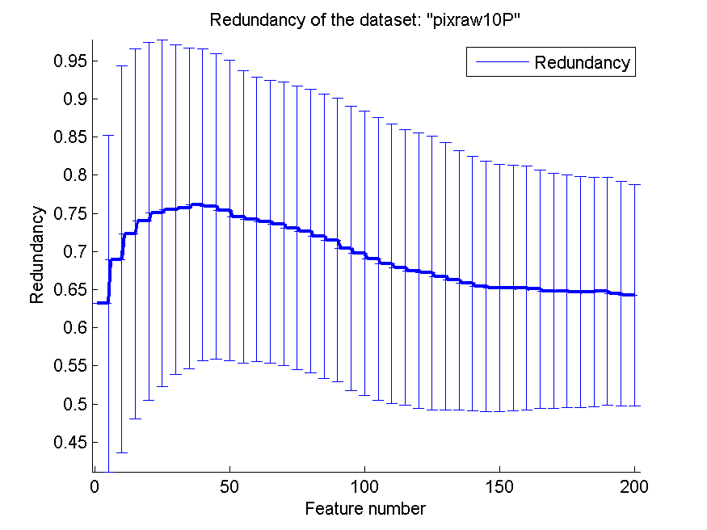
0.933 | 0.043661376404 | 0.958 | 0.024192212753 | 0.864 | 0.069464114173 | 0.66730156113 | 0.17528318249
0.93 | 0.043769732392 | 0.957 | 0.027739388678 | 0.862 | 0.070157717061 | 0.66241541547 | 0.16996157291
0.933 | 0.042686124949 | 0.955 | 0.028928223334 | 0.858 | 0.076474970105 | 0.65815587994 | 0.1667493711
0.935 | 0.042488388507 | 0.956 | 0.028727393858 | 0.858 | 0.076474970105 | 0.65425409586 | 0.16394520086
0.938 | 0.042002506191 | 0.953 | 0.030625067132 | 0.859 | 0.077180581141 | 0.65218072304 | 0.16191020585
0.94 | 0.043042206948 | 0.957 | 0.028488224714 | 0.86 | 0.075393703493 | 0.65208015172 | 0.16102702769
0.935 | 0.053064012981 | 0.958 | 0.031722480822 | 0.861 | 0.071222409247 | 0.65184640046 | 0.15976842046
0.935 | 0.051041778553 | 0.956 | 0.031522757026 | 0.86 | 0.071671766444 | 0.65058366701 | 0.15627849985
0.936 | 0.048817598207 | 0.957 | 0.03262223975 | 0.859 | 0.07151738839 | 0.64831485262 | 0.15428939078
0.941 | 0.041282084811 | 0.957 | 0.031970381029 | 0.852 | 0.072663608498 | 0.64759456108 | 0.15252185782
0.942 | 0.040987803064 | 0.959 | 0.032101811721 | 0.852 | 0.072663608498 | 0.64666173568 | 0.15110954418
0.942 | 0.047195004196 | 0.961 | 0.033387675003 | 0.849 | 0.071811155855 | 0.64686687018 | 0.15060434376
0.939 | 0.051288656795 | 0.961 | 0.034012381646 | 0.849 | 0.071811155855 | 0.64793064122 | 0.14973841223
0.941 | 0.054085701973 | 0.961 | 0.033387675003 | 0.849 | 0.071811155855 | 0.64423417545 | 0.14714342995
0.94 | 0.054676079635 | 0.961 | 0.031439164312 | 0.847 | 0.071458489975 | 0.64269000854 | 0.14530903613

orlraws10P
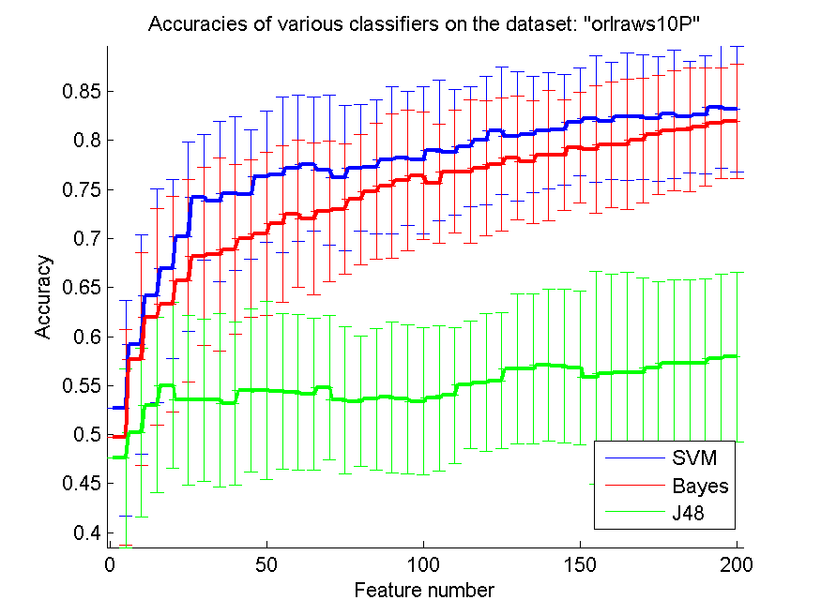
res_svm | res_svm_std | res_bayes | res_bayes_std | res_j48 | res_j48_std | res_red | res_red_std
0.527 | 0.11017211415 | 0.497 | 0.10978927184 | 0.476 | 0.091214034008 | 0.64990465049 | 0.096049970214
0.592 | 0.11190221295 | 0.577 | 0.10824436293 | 0.502 | 0.086059954622 | 0.71447425269 | 0.096329338841
0.642 | 0.10894711416 | 0.62 | 0.11050125029 | 0.53 | 0.089560329564 | 0.73522308614 | 0.084576041556
0.669 | 0.091645771143 | 0.633 | 0.11017211415 | 0.55 | 0.084728669106 | 0.74063218663 | 0.075636357309
0.702 | 0.096877567878 | 0.657 | 0.10347132834 | 0.535 | 0.086298136834 | 0.75199303323 | 0.073328266725
0.742 | 0.064203623443 | 0.682 | 0.09105232735 | 0.535 | 0.082557794748 | 0.74306016618 | 0.065160032937
0.738 | 0.081537850429 | 0.684 | 0.098750083278 | 0.535 | 0.088466467034 | 0.74323324725 | 0.06173665314
0.746 | 0.078699963218 | 0.689 | 0.086444384311 | 0.532 | 0.083199190279 | 0.73982693734 | 0.060283356758
0.745 | 0.065814731993 | 0.7 | 0.080524595785 | 0.545 | 0.083571589229 | 0.73688375794 | 0.058702838689
0.763 | 0.066893473838 | 0.705 | 0.083066238629 | 0.545 | 0.090582907648 | 0.73431723691 | 0.063601548287
0.765 | 0.079703397537 | 0.715 | 0.079967098497 | 0.544 | 0.07963072668 | 0.73105902989 | 0.0603481366
0.772 | 0.074381661577 | 0.725 | 0.075078905861 | 0.543 | 0.0792796516 | 0.72728484142 | 0.060405933415
0.776 | 0.068241058794 | 0.72 | 0.077323653357 | 0.541 | 0.077452871918 | 0.7258191306 | 0.059038595803
0.77 | 0.076364775567 | 0.728 | 0.071789164994 | 0.548 | 0.073813420546 | 0.72184046619 | 0.061091664721
0.762 | 0.073955890125 | 0.73 | 0.066332495807 | 0.535 | 0.075078905861 | 0.71892574992 | 0.059154388693
0.772 | 0.064367366691 | 0.74 | 0.06649099662 | 0.534 | 0.066522651465 | 0.71624164069 | 0.058306602023
0.773 | 0.068140721267 | 0.748 | 0.069403473294 | 0.536 | 0.072140214349 | 0.71154009588 | 0.05984024442
0.78 | 0.075113948526 | 0.754 | 0.073727806652 | 0.538 | 0.076749764272 | 0.70975815959 | 0.058960189953
0.782 | 0.068333547283 | 0.759 | 0.071811155855 | 0.536 | 0.076116254575 | 0.70966629768 | 0.057527345331
0.78 | 0.075393703493 | 0.764 | 0.065082943032 | 0.534 | 0.074861275212 | 0.70484629475 | 0.057419572285
0.79 | 0.071818484646 | 0.756 | 0.060384731427 | 0.537 | 0.074062562458 | 0.70305230402 | 0.057246627277
0.788 | 0.064039461518 | 0.768 | 0.062710697484 | 0.54 | 0.069282032303 | 0.70027514834 | 0.056264718312
0.794 | 0.061250134264 | 0.768 | 0.073240770929 | 0.551 | 0.06504249623 | 0.69922993041 | 0.056278527368
0.8 | 0.065854704504 | 0.772 | 0.069099470635 | 0.553 | 0.070270155378 | 0.69580643965 | 0.054888510683
0.81 | 0.065373421285 | 0.776 | 0.067931854399 | 0.555 | 0.069244038315 | 0.69399478412 | 0.053753396955
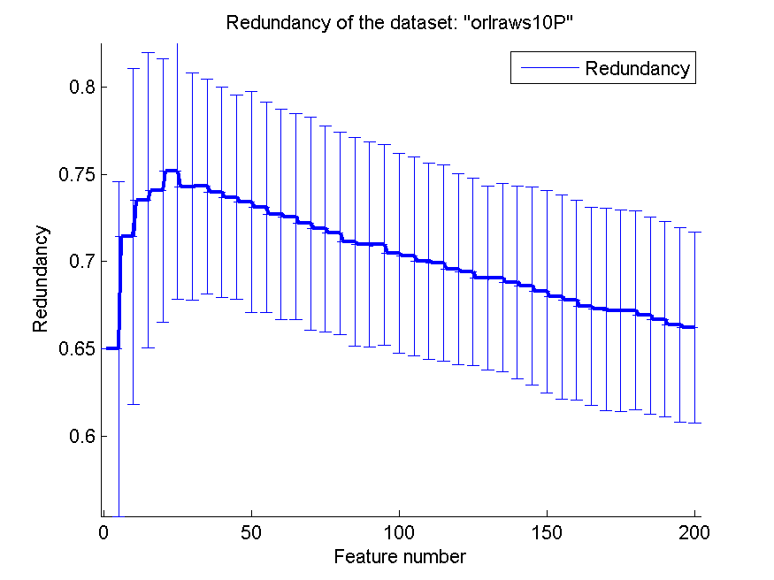
0.804 | 0.066046235799 | 0.782 | 0.063212257306 | 0.567 | 0.076302721204 | 0.6905926223 | 0.052972772535
0.806 | 0.059506744421 | 0.778 | 0.062205093716 | 0.567 | 0.076302721204 | 0.69077158296 | 0.053872834626
0.81 | 0.059294093076 | 0.785 | 0.06645140686 | 0.571 | 0.077452871918 | 0.68825733258 | 0.055262149279
0.811 | 0.056372819132 | 0.785 | 0.056148299876 | 0.57 | 0.078270785032 | 0.68610603021 | 0.056670917388
0.819 | 0.055241098354 | 0.793 | 0.056298078868 | 0.568 | 0.078512486436 | 0.68285367916 | 0.057979615851
0.822 | 0.064530694451 | 0.791 | 0.06471801181 | 0.558 | 0.10894711416 | 0.67970988981 | 0.058592586676
0.82 | 0.059471355334 | 0.796 | 0.064105176735 | 0.562 | 0.10154594501 | 0.67808522413 | 0.057373926708
0.824 | 0.065082943032 | 0.796 | 0.066364226254 | 0.563 | 0.10244896033 | 0.67421964331 | 0.056800491644
0.824 | 0.063444961643 | 0.8 | 0.063577553139 | 0.563 | 0.096523790359 | 0.67273244628 | 0.058091515418
0.822 | 0.063212257306 | 0.806 | 0.060558801351 | 0.568 | 0.088353357545 | 0.67196792026 | 0.05782388767
0.827 | 0.065622525016 | 0.81 | 0.061387466576 | 0.573 | 0.085168563511 | 0.67189324197 | 0.057147579681
0.824 | 0.056791400387 | 0.811 | 0.06273587071 | 0.573 | 0.085168563511 | 0.66922144215 | 0.056605384848
0.826 | 0.060210158262 | 0.814 | 0.060210158262 | 0.573 | 0.08590692638 | 0.66680370066 | 0.056101185859
0.834 | 0.06260990337 | 0.818 | 0.056531314098 | 0.578 | 0.085322916031 | 0.66373372302 | 0.055657551059
0.832 | 0.064039461518 | 0.82 | 0.058399711607 | 0.579 | 0.08620050067 | 0.66232497345 | 0.054862640407

GLI-85
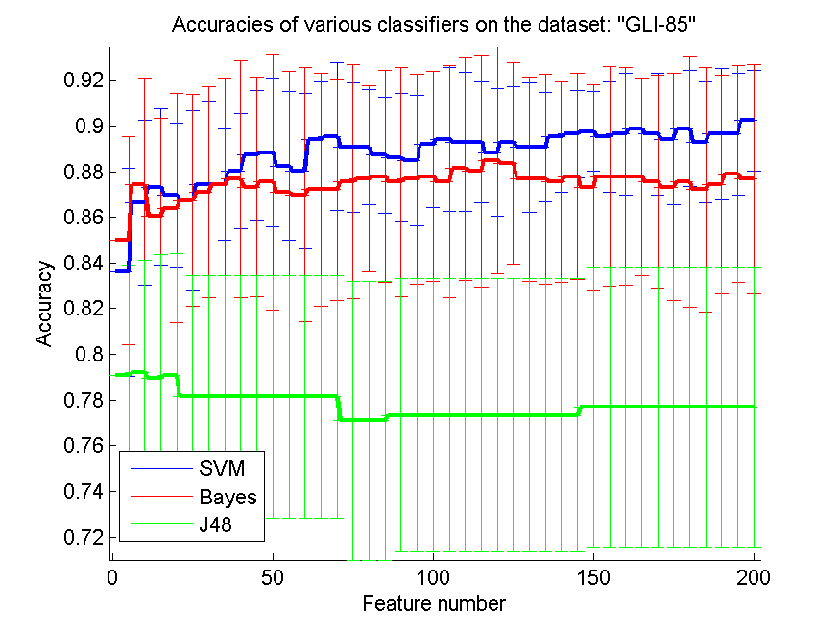
res_svm | res_svm_std | res_bayes | res_bayes_std | res_j48 | res_j48_std | res_red | res_red_std
0.83604651163 | 0.04556877901 | 0.85 | 0.04556877901 | 0.79069767442 | 0.048312740162 | 0.47400809134 | 0.051936838775
0.86627906977 | 0.036086959578 | 0.87441860465 | 0.046755785112 | 0.79186046512 | 0.049174101753 | 0.50188531621 | 0.040045865523
0.87325581395 | 0.034141429181 | 0.86046511628 | 0.042681996999 | 0.78953488372 | 0.054133725876 | 0.50407516285 | 0.034350523395
0.86976744186 | 0.031473451064 | 0.86395348837 | 0.050205237595 | 0.79069767442 | 0.053352496249 | 0.50566387657 | 0.038383369479
0.86744186047 | 0.039278454144 | 0.86744186047 | 0.046572787207 | 0.78139534884 | 0.053031415121 | 0.49990276382 | 0.038283588541
0.87441860465 | 0.036498723054 | 0.87093023256 | 0.046189213 | 0.78139534884 | 0.053031415121 | 0.49776497403 | 0.032591220359
0.87441860465 | 0.024332482036 | 0.87441860465 | 0.046755785112 | 0.78139534884 | 0.053031415121 | 0.49019758277 | 0.033621784864
0.88023255814 | 0.02533541468 | 0.87674418605 | 0.05178216394 | 0.78139534884 | 0.053031415121 | 0.48374872463 | 0.032284864687
0.88720930233 | 0.028507412517 | 0.87325581395 | 0.048002424198 | 0.78139534884 | 0.053031415121 | 0.47799209292 | 0.03138777689
0.88837209302 | 0.032540649263 | 0.87558139535 | 0.056096287135 | 0.78139534884 | 0.053031415121 | 0.47582324568 | 0.030737384838
0.88255813953 | 0.032431121354 | 0.87093023256 | 0.053071656494 | 0.78139534884 | 0.053031415121 | 0.47408824444 | 0.029378504966
0.88023255814 | 0.033974273077 | 0.86976744186 | 0.055650515499 | 0.78139534884 | 0.053031415121 | 0.47058039547 | 0.029725530657
0.89418604651 | 0.025559131293 | 0.87209302326 | 0.050895037665 | 0.78139534884 | 0.053031415121 | 0.46557523802 | 0.02762240721
0.89534883721 | 0.032453056508 | 0.87209302326 | 0.048606437336 | 0.78139534884 | 0.053031415121 | 0.46045877634 | 0.026570246973
0.89069767442 | 0.028332134713 | 0.87558139535 | 0.051326654247 | 0.77093023256 | 0.060959750668 | 0.45672574625 | 0.024953421527
0.89069767442 | 0.025138029478 | 0.87674418605 | 0.040702045577 | 0.77093023256 | 0.060959750668 | 0.45280168673 | 0.024725178173
0.88720930233 | 0.02533541468 | 0.87790697674 | 0.046435065505 | 0.77093023256 | 0.060959750668 | 0.44776920196 | 0.024095062494
0.88604651163 | 0.028130479946 | 0.87558139535 | 0.050205237595 | 0.77325581395 | 0.059828586281 | 0.44412674775 | 0.02432583217
0.88488372093 | 0.028706419557 | 0.87674418605 | 0.045957531822 | 0.77325581395 | 0.059828586281 | 0.44124388968 | 0.02432282061
0.89186046512 | 0.027490776476 | 0.87790697674 | 0.045817960794 | 0.77325581395 | 0.059828586281 | 0.43890929189 | 0.023799185566
0.89418604651 | 0.031541208841 | 0.87558139535 | 0.05076904233 | 0.77325581395 | 0.059828586281 | 0.43517169226 | 0.024003133547
0.89302325581 | 0.030555659783 | 0.88139534884 | 0.048840123478 | 0.77325581395 | 0.059828586281 | 0.43372888705 | 0.023755906339
0.89302325581 | 0.026569328864 | 0.88023255814 | 0.05076904233 | 0.77325581395 | 0.059828586281 | 0.43038780565 | 0.022916649267
0.88837209302 | 0.02782525775 | 0.88488372093 | 0.049749593569 | 0.77325581395 | 0.059828586281 | 0.42769030601 | 0.021911403412
0.89302325581 | 0.024332482036 | 0.88372093023 | 0.043995595485 | 0.77325581395 | 0.059828586281 | 0.42648579986 | 0.021402227671
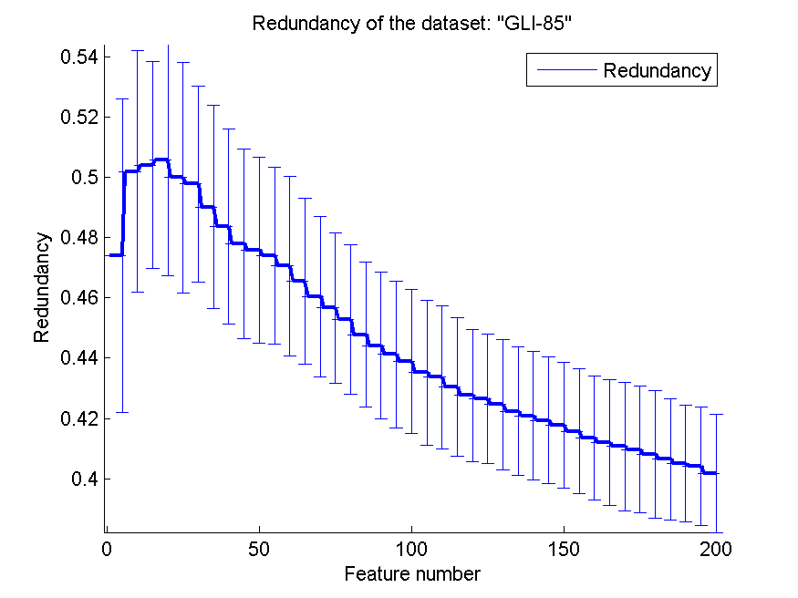
0.89069767442 | 0.028332134713 | 0.87674418605 | 0.044701623873 | 0.77325581395 | 0.059828586281 | 0.42456590012 | 0.021557994771
0.89069767442 | 0.023978964717 | 0.87674418605 | 0.045957531822 | 0.77325581395 | 0.059828586281 | 0.42241630346 | 0.021294386881
0.89534883721 | 0.024449185258 | 0.87558139535 | 0.044173160525 | 0.77325581395 | 0.059828586281 | 0.42088627834 | 0.021397285057
0.89651162791 | 0.019199487151 | 0.87790697674 | 0.045192430275 | 0.77325581395 | 0.059828586281 | 0.41938734108 | 0.021049320912
0.8976744186 | 0.017533419417 | 0.87325581395 | 0.044939780188 | 0.77674418605 | 0.061482820371 | 0.4178110767 | 0.020810054766
0.89534883721 | 0.024449185258 | 0.87790697674 | 0.048239036472 | 0.77674418605 | 0.061482820371 | 0.4156614827 | 0.020703261718
0.89651162791 | 0.026649558525 | 0.87790697674 | 0.04764530263 | 0.77674418605 | 0.061482820371 | 0.41342982303 | 0.020589602329
0.8988372093 | 0.020351022789 | 0.87790697674 | 0.043261604487 | 0.77674418605 | 0.061482820371 | 0.41189927809 | 0.020884930728
0.89651162791 | 0.026649558525 | 0.87558139535 | 0.04667962317 | 0.77674418605 | 0.061482820371 | 0.41064451571 | 0.021435553465
0.89418604651 | 0.028706419557 | 0.87325581395 | 0.049749593569 | 0.77674418605 | 0.061482820371 | 0.40960624202 | 0.021012480961
0.8988372093 | 0.02533541468 | 0.87558139535 | 0.055072078915 | 0.77674418605 | 0.061482820371 | 0.40804982723 | 0.021071148424
0.89302325581 | 0.026569328864 | 0.87209302326 | 0.053618595138 | 0.77674418605 | 0.061482820371 | 0.40647365444 | 0.020071835351
0.89651162791 | 0.028706419557 | 0.87441860465 | 0.047957929435 | 0.77674418605 | 0.061482820371 | 0.40502731299 | 0.019387647959
0.89651162791 | 0.026649558525 | 0.87906976744 | 0.047480724236 | 0.77674418605 | 0.061482820371 | 0.40408873487 | 0.019658419138
0.9023255814 | 0.02212681819 | 0.87674418605 | 0.05010591952 | 0.77674418605 | 0.061482820371 | 0.40173730831 | 0.019538528908

GLA-BRA-180
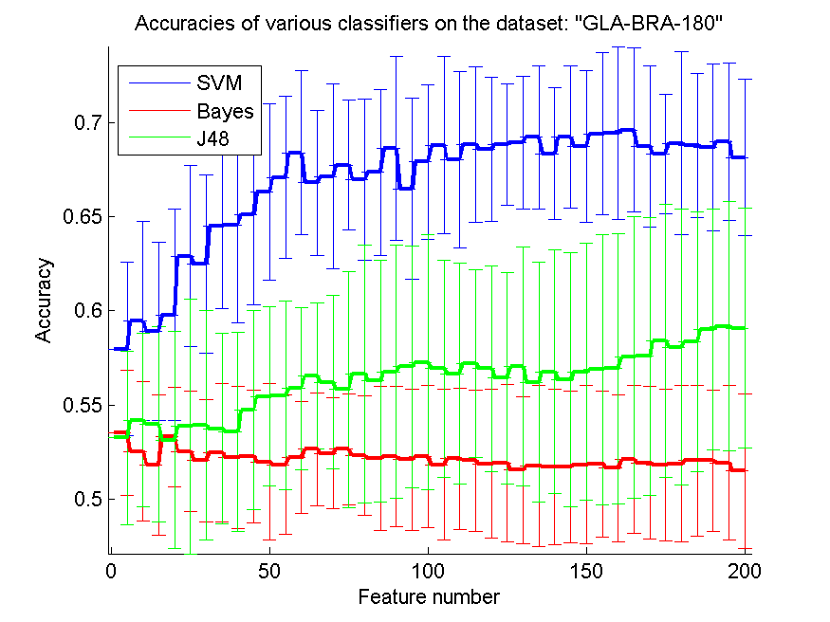
res_svm | res_svm_std | res_bayes | res_bayes_std | res_j48 | res_j48_std | res_red | res_red_std
0.57967032967 | 0.046056660465 | 0.53516483516 | 0.033274066676 | 0.53241758242 | 0.046139384663 | 0.69650971189 | 0.025896608523
0.59450549451 | 0.052870013307 | 0.52527472527 | 0.037154525359 | 0.54175824176 | 0.04608769944 | 0.77309863014 | 0.030990112077
0.58901098901 | 0.047486877423 | 0.51813186813 | 0.03743995674 | 0.53956043956 | 0.051899393585 | 0.78855451311 | 0.034311546509
0.5978021978 | 0.056078534111 | 0.53296703297 | 0.02632055582 | 0.53131868132 | 0.057519225897 | 0.79590472427 | 0.040657567517
0.62912087912 | 0.048345732852 | 0.52527472527 | 0.032008426553 | 0.53846153846 | 0.067552904915 | 0.79906495758 | 0.038892973662
0.62472527473 | 0.047336066535 | 0.52032967033 | 0.03233931008 | 0.53901098901 | 0.060973507687 | 0.80290562943 | 0.035391534387
0.64505494505 | 0.043970500804 | 0.52472527473 | 0.036858263365 | 0.53736263736 | 0.050785277347 | 0.80257747098 | 0.035088940478
0.6456043956 | 0.051896331944 | 0.52197802198 | 0.037815780308 | 0.53571428571 | 0.052987092093 | 0.80003039704 | 0.036746614421
0.6510989011 | 0.048082086809 | 0.52252747253 | 0.035200061881 | 0.54725274725 | 0.053073983252 | 0.79514588373 | 0.041796015309
0.66318681319 | 0.046659898865 | 0.51978021978 | 0.041593538388 | 0.5543956044 | 0.047630539463 | 0.79591035317 | 0.040435001046
0.67087912088 | 0.043149777275 | 0.51813186813 | 0.037098888764 | 0.55494505495 | 0.050104917919 | 0.79344113027 | 0.04112074213
0.68406593407 | 0.04379307557 | 0.52197802198 | 0.029722764968 | 0.55879120879 | 0.043120308413 | 0.79223785616 | 0.040368475632
0.66813186813 | 0.038498701372 | 0.52637362637 | 0.029808175388 | 0.56538461538 | 0.038642884055 | 0.79223600956 | 0.042069467258
0.67142857143 | 0.049131416728 | 0.52417582418 | 0.029421876013 | 0.56208791209 | 0.046249453428 | 0.79008463866 | 0.041244262449
0.67747252747 | 0.034617450157 | 0.52637362637 | 0.029378640316 | 0.55824175824 | 0.062733176848 | 0.78792414224 | 0.041896223207
0.66978021978 | 0.043002231016 | 0.52307692308 | 0.03156856468 | 0.56648351648 | 0.068624036263 | 0.78720130371 | 0.04455431017
0.67362637363 | 0.04411480871 | 0.52142857143 | 0.038312526345 | 0.56263736264 | 0.064333770157 | 0.78519629066 | 0.046777463501
0.68626373626 | 0.04881670768 | 0.52252747253 | 0.037473892806 | 0.56758241758 | 0.067390413162 | 0.78458349621 | 0.047074018358
0.66483516484 | 0.048032492069 | 0.52087912088 | 0.037461170384 | 0.57032967033 | 0.064165602869 | 0.78446543851 | 0.046128308688
0.67912087912 | 0.04090013577 | 0.52252747253 | 0.037811578322 | 0.57252747253 | 0.067731430185 | 0.78442563048 | 0.04655565111
0.68791208791 | 0.047083641614 | 0.51813186813 | 0.040064109449 | 0.56923076923 | 0.057775560301 | 0.78288526101 | 0.046401259204
0.68021978022 | 0.047016099417 | 0.52142857143 | 0.037473892806 | 0.56648351648 | 0.058635464481 | 0.78178929559 | 0.046589676762
0.68846153846 | 0.041313727968 | 0.52032967033 | 0.037609330854 | 0.57197802198 | 0.049847389113 | 0.78005137926 | 0.046915049564
0.68571428571 | 0.038300082499 | 0.51868131868 | 0.039476808974 | 0.56923076923 | 0.054492059763 | 0.77912985916 | 0.04709356829
0.68846153846 | 0.032142177429 | 0.51923076923 | 0.041863888762 | 0.56428571429 | 0.056177615371 | 0.77705034631 | 0.047930058949
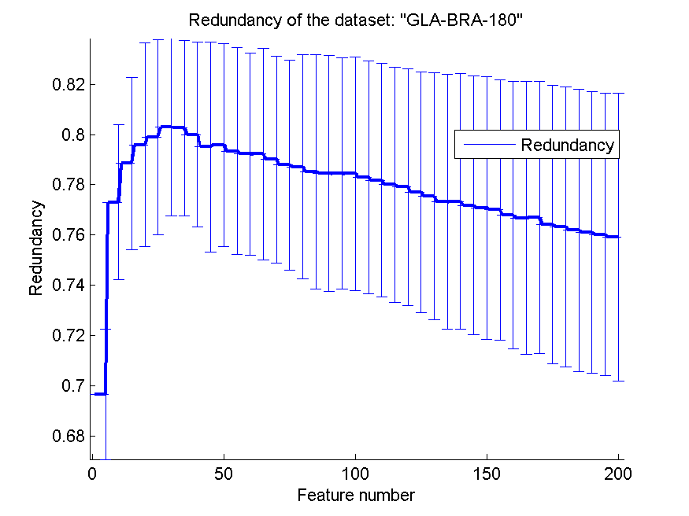
0.68956043956 | 0.035272211712 | 0.51538461538 | 0.03903969325 | 0.57032967033 | 0.063568515414 | 0.77531612461 | 0.049216063105
0.69230769231 | 0.038067050716 | 0.51758241758 | 0.042768813486 | 0.56208791209 | 0.063705842244 | 0.77319842774 | 0.050749676043
0.68351648352 | 0.035041716221 | 0.51703296703 | 0.041344484517 | 0.56758241758 | 0.064695814408 | 0.77333034302 | 0.050933669786
0.69230769231 | 0.03789972221 | 0.51703296703 | 0.040095824562 | 0.56318681319 | 0.067541143288 | 0.77182718272 | 0.051451318676
0.68736263736 | 0.040254025313 | 0.51813186813 | 0.042075897513 | 0.56758241758 | 0.068419977043 | 0.77073795602 | 0.052346499629
0.69395604396 | 0.043120308413 | 0.51868131868 | 0.038827475072 | 0.56868131868 | 0.071916295459 | 0.76999548123 | 0.051962519997
0.69450549451 | 0.046018695509 | 0.51648351648 | 0.039055969962 | 0.56923076923 | 0.071980339832 | 0.76782347042 | 0.053316553298
0.69615384615 | 0.043414096913 | 0.52087912088 | 0.039283135808 | 0.57527472527 | 0.07480985585 | 0.76681345876 | 0.054255111478
0.68736263736 | 0.04285417676 | 0.51923076923 | 0.040631194047 | 0.57582417582 | 0.073880159622 | 0.76693152959 | 0.054246433256
0.68351648352 | 0.031809243371 | 0.51813186813 | 0.040222434941 | 0.58406593407 | 0.072479697534 | 0.7640752231 | 0.055426808871
0.68901098901 | 0.048767860023 | 0.51868131868 | 0.041517065556 | 0.58076923077 | 0.073524441063 | 0.76331567722 | 0.055858795806
0.68791208791 | 0.038465669447 | 0.52032967033 | 0.040064109449 | 0.58351648352 | 0.069124653588 | 0.76184146342 | 0.056303697582
0.68681318681 | 0.044172399868 | 0.52032967033 | 0.03743995674 | 0.59010989011 | 0.0638876565 | 0.76095089186 | 0.056126117325
0.69010989011 | 0.041822117898 | 0.51923076923 | 0.041252146077 | 0.59175824176 | 0.066344874058 | 0.76022767639 | 0.05636061359
0.68131868132 | 0.041578255074 | 0.51483516484 | 0.041159600484 | 0.59065934066 | 0.063765673995 | 0.7591504955 | 0.057482872034

CLL-SUB-111
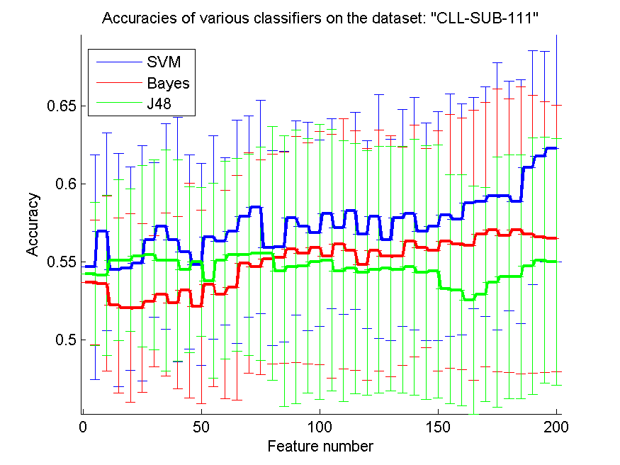
res_svm | res_svm_std | res_bayes | res_bayes_std | res_j48 | res_j48_std | res_red | res_red_std
0.54649122807 | 0.072284780564 | 0.53684210526 | 0.040006155267 | 0.54210526316 | 0.045854893602 | 0.56515038123 | 0.061407704199
0.56929824561 | 0.063504486574 | 0.53596491228 | 0.056196590021 | 0.54122807018 | 0.051314704316 | 0.58891439175 | 0.064173967229
0.54473684211 | 0.074969012406 | 0.52192982456 | 0.056311776594 | 0.55087719298 | 0.051668630143 | 0.59819785121 | 0.064188291421
0.54561403509 | 0.065371091955 | 0.5201754386 | 0.060580154571 | 0.55087719298 | 0.045677915352 | 0.58523887568 | 0.069430780608
0.54912280702 | 0.075534093178 | 0.5201754386 | 0.054081295972 | 0.55350877193 | 0.058457213346 | 0.58208189878 | 0.072244016594
0.56403508772 | 0.049711223231 | 0.52456140351 | 0.042174458378 | 0.55438596491 | 0.061145745744 | 0.57987299739 | 0.07291736091
0.57280701754 | 0.0659570043 | 0.52894736842 | 0.052253179591 | 0.55087719298 | 0.070955954885 | 0.57113877635 | 0.071907188708
0.56403508772 | 0.078515284192 | 0.52368421053 | 0.055266455514 | 0.55087719298 | 0.064748614514 | 0.56926343723 | 0.075988999924
0.55614035088 | 0.062378488252 | 0.53157894737 | 0.069035055454 | 0.54473684211 | 0.053235987849 | 0.56569489408 | 0.077397394272
0.54824561404 | 0.064867344882 | 0.52105263158 | 0.062118251455 | 0.55 | 0.047715971314 | 0.5597616098 | 0.078481895584
0.56578947368 | 0.065364896524 | 0.5350877193 | 0.065519606554 | 0.53771929825 | 0.062682885943 | 0.5536226914 | 0.076114319268
0.56315789474 | 0.053667853077 | 0.52894736842 | 0.066932211583 | 0.55087719298 | 0.063485351992 | 0.54892399747 | 0.076214352189
0.56929824561 | 0.071654541583 | 0.53333333333 | 0.072088422771 | 0.55438596491 | 0.061935435099 | 0.54394734022 | 0.073946530248
0.57894736842 | 0.064648461918 | 0.54912280702 | 0.070658540256 | 0.55438596491 | 0.064748614514 | 0.53923893061 | 0.074620288365
0.5850877193 | 0.068605476289 | 0.54649122807 | 0.069076107608 | 0.55526315789 | 0.068605476289 | 0.5371749048 | 0.072819747473
0.55877192982 | 0.062423918151 | 0.55175438596 | 0.067222015045 | 0.55526315789 | 0.081551390812 | 0.53288354218 | 0.070456041151
0.55964912281 | 0.061278067356 | 0.55263157895 | 0.067947076249 | 0.54385964912 | 0.086884299141 | 0.53230664934 | 0.072471791888
0.57807017544 | 0.062475797585 | 0.55789473684 | 0.072803958151 | 0.54649122807 | 0.087862302639 | 0.52975593545 | 0.073285292761
0.57280701754 | 0.066932211583 | 0.55526315789 | 0.071155437862 | 0.54736842105 | 0.081814164616 | 0.52717703318 | 0.073625859687
0.56842105263 | 0.059806429911 | 0.55877192982 | 0.07492578391 | 0.55 | 0.088413687421 | 0.5242324815 | 0.076454364317
0.58070175439 | 0.06101313716 | 0.55350877193 | 0.078350053896 | 0.55087719298 | 0.083925340427 | 0.52073262315 | 0.077436825733
0.57192982456 | 0.055885849728 | 0.56140350877 | 0.080496748727 | 0.54385964912 | 0.083848096656 | 0.51894032419 | 0.077002767347
0.58245614035 | 0.06328088978 | 0.55701754386 | 0.076973371819 | 0.54561403509 | 0.080275077449 | 0.51817602218 | 0.077874772208
0.56754385965 | 0.060312158767 | 0.54824561404 | 0.074622483265 | 0.54298245614 | 0.078556537464 | 0.51479409451 | 0.076909508002
0.57894736842 | 0.078251783334 | 0.55701754386 | 0.077393134287 | 0.54473684211 | 0.079172757162 | 0.51209248553 | 0.077390088623
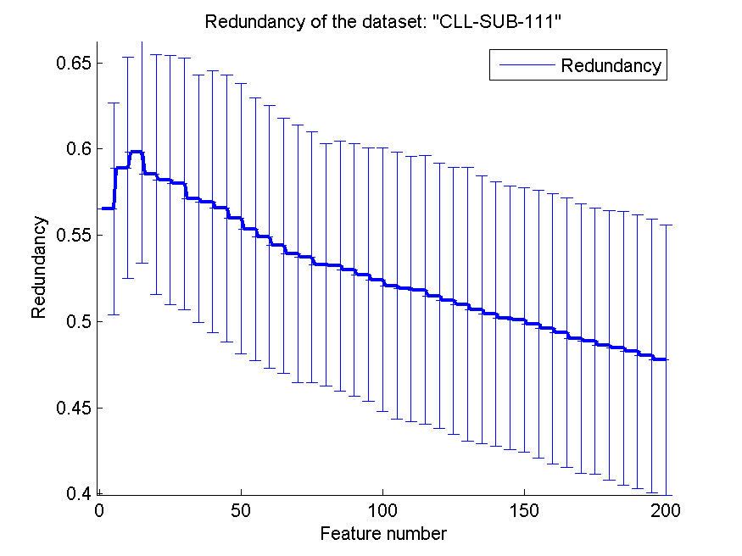
0.56403508772 | 0.064466538759 | 0.55350877193 | 0.077518619792 | 0.54561403509 | 0.078644128816 | 0.50997573223 | 0.079470432826
0.57807017544 | 0.069822519771 | 0.55350877193 | 0.07028500219 | 0.54473684211 | 0.079172757162 | 0.50680158721 | 0.077737495315
0.58070175439 | 0.074627910158 | 0.56315789474 | 0.074410525745 | 0.54649122807 | 0.082145147402 | 0.50433551696 | 0.076836734628
0.56929824561 | 0.069822519771 | 0.55877192982 | 0.063961999296 | 0.54298245614 | 0.081392324191 | 0.5019917428 | 0.076361067463
0.57280701754 | 0.07361712639 | 0.55701754386 | 0.077183538413 | 0.54385964912 | 0.081297731129 | 0.50070267593 | 0.076749857249
0.5798245614 | 0.077935445594 | 0.56315789474 | 0.081476867 | 0.53245614035 | 0.07361712639 | 0.49841573153 | 0.077611017334
0.57719298246 | 0.074410525745 | 0.56140350877 | 0.080898231261 | 0.53157894737 | 0.074236159892 | 0.49579363202 | 0.07845826083
0.58771929825 | 0.067947076249 | 0.56052631579 | 0.086599500704 | 0.52543859649 | 0.073219968307 | 0.49353924155 | 0.078205349441
0.58859649123 | 0.073880712349 | 0.56754385965 | 0.084861098866 | 0.52894736842 | 0.068841194132 | 0.49006388932 | 0.078081198824
0.59210526316 | 0.085734705991 | 0.5701754386 | 0.090804471486 | 0.53684210526 | 0.080375912908 | 0.4886050596 | 0.077386868933
0.59210526316 | 0.07374903713 | 0.56666666667 | 0.088014277803 | 0.54035087719 | 0.078375894092 | 0.48608425678 | 0.078317551425
0.58859649123 | 0.078350053896 | 0.5701754386 | 0.092044785139 | 0.54035087719 | 0.078375894092 | 0.48442969146 | 0.079234578561
0.61052631579 | 0.074996017562 | 0.56754385965 | 0.089325098865 | 0.54736842105 | 0.082406027875 | 0.48250707047 | 0.07925264112
0.61754385965 | 0.067732166666 | 0.56578947368 | 0.087047287384 | 0.55087719298 | 0.078952498038 | 0.48014935833 | 0.079445680549
0.62280701754 | 0.07300393888 | 0.5649122807 | 0.085682729808 | 0.55 | 0.079131825141 | 0.47764810527 | 0.078280992523

