Sheet1
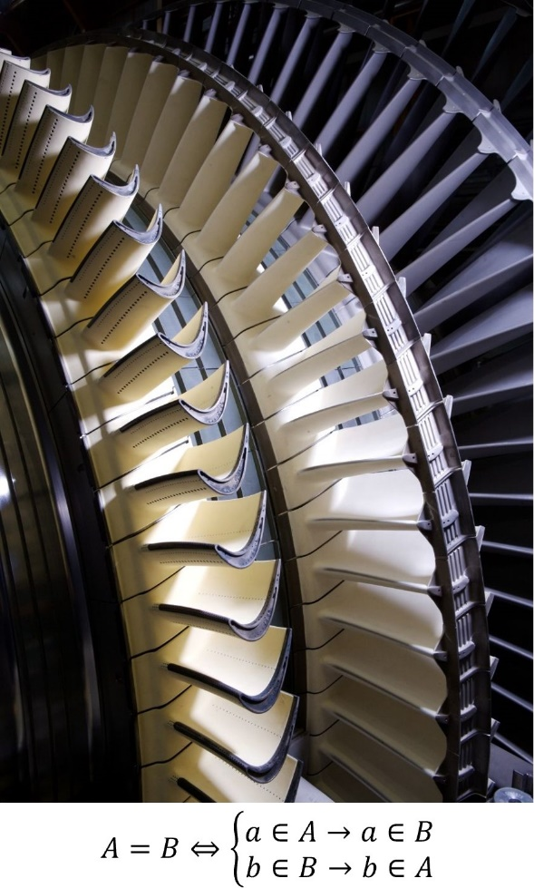

$$n$$
11
10
9
8
7
6

5
4
3

2
1
0
$$\sum_{i=0}^{n}{\left(A_{2i}=B_{2i+1}⇔\left\{\begin{aligned}{\left(a∈A\right)}_{2i}→a_{2i}∈B_{2i+1} \\ {\left(b∈B\right)}_{2i+1}→b_{2i+1}∈A_{2i}\end{aligned}\right.\right)}$$

