PS pilot
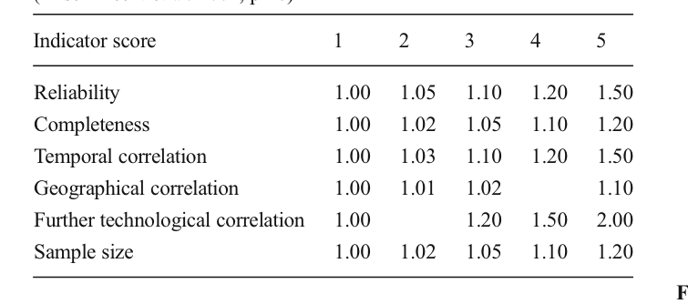
Activity database | Activity code | Activity name | Activity unit | Activity type | Exchange database | Exchange input | Exchange amount | Exchange unit | Exchange type | Exchange uncertainty type | Exchange loc | Exchange scale | Exchange negative | Simapro name | Notes | Pedigree Reliability | Pedigree Completeness | Pedigree Temporal correlation | Pedigree geographical correlation | Further technological correlation
PS pilot | Nutrients | Nutrients | liter | process | PS pilot | Nutrients | 1 | liter | production
PS pilot | Nutrients | Nutrients | liter | process | ecoinvent 3.8_conseq | 0e1ca7c50134d9d3aa2f420ee840fee3 | 0.00385 | kilogram | technosphere | 2 | -5.56 | 0.08 | false | Sodium nitrate {GLO}| market for | Conseq, U |  | 1 | 1.08 | 1 | 1 | 1
PS pilot | Nutrients | Nutrients | liter | process | ecoinvent 3.8_conseq | 649c82cccc172e113517042ee36f369a | 0.00005096 | kilogram | technosphere | 2 | -9.88 | 0.08 | false | EDTA, ethylenediaminetetraacetic acid {GLO}| market for | Conseq, U |  | 1 | 1.08 | 1 | 1 | 1
PS pilot | Nutrients | Nutrients | liter | process | ecoinvent 3.8_conseq | 19318e90f31d3d67dac4621a1a6164fc | 0.0007 | kilogram | technosphere | 2 | -7.26 | 0.08 | false | Ammonium sulfate, as N {GLO}| market for | Conseq, U |  | 1 | 1.08 | 1 | 1 | 1
PS pilot | Nutrients | Nutrients | liter | process | ecoinvent 3.8_conseq | b22336155ceff499ba9fa61c7cc38832 | 0.0000448 | kilogram | technosphere | 2 | -10.01 | 0.08 | false | Boric acid, anhydrous, powder {GLO}| market for | Conseq, U |  | 1 | 1.08 | 1 | 1 | 1
PS pilot | Nutrients | Nutrients | liter | process | ecoinvent 3.8_conseq | 63e4bf97ac1960a51fd62fe58db1ebf2 | 0.0000048 | kilogram | technosphere | 2 | -12.25 | 0.08 | false | Manganese sulfate {GLO}| market for | Conseq, U |  | 1 | 1.08 | 1 | 1 | 1
PS pilot | Nutrients | Nutrients | liter | process | ecoinvent 3.8_conseq | 3f548052e03b03e92ef14722e6340ee0 | 0.00000088 | kilogram | technosphere | 2 | -13.94 | 0.08 | false | Zinc monosulfate {RER}| market for zinc monosulfate | Conseq, U |  | 1 | 1.08 | 1 | 1 | 1
PS pilot | Nutrients | Nutrients | liter | process | ecoinvent 3.8_conseq | b3cbd051ea6d4cf58005c19765ac1408 | 1 | kilogram | technosphere | 2 | 0.00 | 0.08 | false | Tap water {Europe without Switzerland}| market for | Conseq, U |  | 1 | 1.08 | 1 | 1 | 1
PS pilot | Sporelings in ropes, hatchery | Sporelings in ropes, hatchery | kilometer | process | PS pilot | Sporelings in ropes, hatchery | 3.33E-04 | kilometer | production
PS pilot | Sporelings in ropes, hatchery | Sporelings in ropes, hatchery | kilometer | process | PS pilot | Nutrients | 0.0025 | liter | technosphere | 2 | -5.98 | 0.08 | false |  |  | 1 | 1.08 | 1 | 1 | 1
PS pilot | Sporelings in ropes, hatchery | Sporelings in ropes, hatchery | kilometer | process | ecoinvent 3.8_conseq | a26f5a54b40905bd7a8911bafa8d6b66 | 1.1 | kilowatt hour | technosphere | 2 | 0.10 | 0.08 | false | Electricity, low voltage {NO}| market for | Conseq, U |  | 1 | 1.08 | 1 | 1 | 1
PS pilot | Sporelings in ropes, hatchery | Sporelings in ropes, hatchery | kilometer | process | ecoinvent 3.8_conseq | ce852da10d8d72cfb70581641d78dd57 | 1.46E-06 | kilogram | technosphere | 2 | -13.44 | 0.08 | false | Pesticide, unspecified {GLO}| market for | Conseq, U |  | 1 | 1.08 | 1 | 1 | 1
PS pilot | Sporelings in ropes, hatchery | Sporelings in ropes, hatchery | kilometer | process | ecoinvent 3.8_conseq | cbd294d432b327b2ceb717ca85806eaf | 8.33E-09 | kilogram | technosphere | 2 | -18.60 | 0.08 | false | Sodium hypochlorite, without water, in 15% solution state {RER}| market for | Conseq, U |  | 1 | 1.08 | 1 | 1 | 1
PS pilot | Sporelings in ropes, hatchery | Sporelings in ropes, hatchery | kilometer | process | ecoinvent 3.8_conseq | 150929e0d1b94033738e3f0273decae5 | 8.33E-06 | unit | technosphere | 2 | -11.70 | 0.08 | false | Ultraviolet lamp {GLO}| market for | Conseq, U |  | 1 | 1.08 | 1 | 1 | 1
PS pilot | Sporelings in ropes, hatchery | Sporelings in ropes, hatchery | kilometer | process | ecoinvent 3.8_conseq | 7332124191468b9817a973bb2e4dbd62 | 0.0267 | kilometer | technosphere | 2 | -3.62 | 0.08 | false | Transport, passenger car, large size, diesel, EURO 5 {RER}| transport, passenger car, large size, diesel, EURO 5 | Conseq, U | transport, passenger car, large size, diesel, EURO 5' (kilometer, RER, None) | 1 | 1.08 | 1 | 1 | 1
PS pilot | Seaweed, offshore farm | Seaweed, offshore farm | kilogram | process | PS pilot | Seaweed, offshore farm | 1 | kilogram | production
PS pilot | Seaweed, offshore farm | Seaweed, offshore farm | kilogram | process | PS pilot | Sporelings in ropes, hatchery | 3.33E-04 | kilometer | technosphere | 2 | -8.01 | 0.08 | false |  |  | 1 | 1.08 | 1 | 1 | 1
PS pilot | Seaweed, offshore farm | Seaweed, offshore farm | kilogram | process | ecoinvent 3.8_conseq | babd83b422168043a8feb03f46213eab | 0.05 | kilogram | technosphere | 2 | -3.00 | 0.08 | false | Diesel {GLO}| market group for | Conseq, U | market group for diesel' (kilogram, GLO, None) | 1 | 1.08 | 1 | 1 | 1
PS pilot | Seaweed, offshore farm | Seaweed, offshore farm | kilogram | process | ecoinvent 3.8_conseq | d53d35b30c48de8df4d2552e8061402f | 1.67E-03 | kilogram | technosphere | 2 | -6.39 | 0.08 | false | Aluminium, primary, ingot {IAI Area, EU27 & EFTA}| aluminium, ingot, primary, import from Rest of Europe | Conseq, U | aluminium production, primary, ingot' (kilogram, IAI Area, EU27 & EFTA, None) | 1 | 1.08 | 1 | 1 | 1
PS pilot | Seaweed, offshore farm | Seaweed, offshore farm | kilogram | process | ecoinvent 3.8_conseq | 35ccf2545c33d3b08e243356418b9288 | 5.00E-04 | kilogram | technosphere | 2 | -7.60 | 0.08 | false | Nylon 6-6 {RER}| market for | Conseq, U | market for nylon 6-6' (kilogram, RER, None) | 1 | 1.08 | 1 | 1 | 1
PS pilot | Seaweed, offshore farm | Seaweed, offshore farm | kilogram | process | ecoinvent 3.8_conseq | f87f80daf1707ee4028bc75664bd2c6c | 5.15E-03 | kilogram | technosphere | 2 | -5.27 | 0.08 | false | Steel, chromium steel 18/8 {RER}| steel production, electric, chromium steel 18/8 | Conseq, U | steel production, electric, chromium steel 18/8' (kilogram, RER, None) | 1 | 1.08 | 1 | 1 | 1
PS pilot | Seaweed, offshore farm | Seaweed, offshore farm | kilogram | process | ecoinvent 3.8_conseq | 10c3a72b5ef50c6006e851c89558405c | 3.03E-06 | kilogram | technosphere | 2 | -12.71 | 0.08 | false | Polypropylene, granulate {GLO}| market for | Conseq, U | market for polypropylene, granulate' (kilogram, GLO, None) | 1 | 1.08 | 1 | 1 | 1
PS pilot | Seaweed, offshore farm | Seaweed, offshore farm | kilogram | process | ecoinvent 3.8_conseq | adf0fd64bf1e4e49fab517a45b2b7afd | 6.25E-04 | kilogram | technosphere | 2 | -7.38 | 0.08 | false | Polyethylene, high density, granulate {GLO}| market for | Conseq, U | market for polyethylene, high density, granulate, recycled' (kilogram, Europe without Switzerland, None) | 1 | 1.08 | 1 | 1 | 1
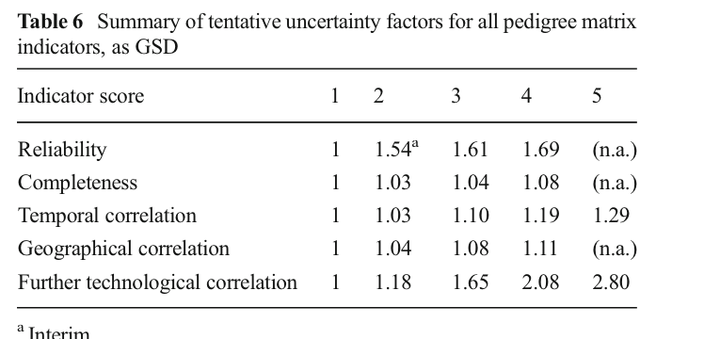
PS pilot | Seaweed, offshore farm | Seaweed, offshore farm | kilogram | process | ecoinvent 3.8_conseq | 3f14db30602c28165a0adcd9d12b3f33 | 3.33E-04 | kilogram | technosphere | 2 | -8.01 | 0.08 | false | Polyvinylchloride, bulk polymerised {GLO}| market for | Conseq, U | market for polyvinylchloride, bulk polymerised' (kilogram, GLO, None) | 1 | 1.08 | 1 | 1 | 1
PS pilot | Seaweed, offshore farm | Seaweed, offshore farm | kilogram | process | ecoinvent 3.8_conseq | 7722e5d6dd0ff9d2714e2fcebd5c7492 | 1.44E-05 | kilogram | technosphere | 2 | -11.15 | 0.08 | false | Maleic unsaturated polyester resin {GLO}| market for | Conseq, U | market for maleic unsaturated polyester resin' (kilogram, GLO, None) | 1 | 1.08 | 1 | 1 | 1
PS pilot | Seaweed, offshore farm | Seaweed, offshore farm | kilogram | process | biosphere3 | eba59fd6-f37e-41dc-9ca3-c7ea22d602c7 | -1.50E+00 | kilogram | biosphere | 2 | 0.41 | 0.08 | true | Carbon dioxide biogenic |  | 1 | 1.08 | 1 | 1 | 1

