enegram_handsdown_inspired
53 | 59 | 272 | 97 |  | 145 | 136 | 60 | 38 | 3 |  | enegram |  | ene Reverse | Fiv Value
119 | 270 | 445 | 287 |  | 180 | 331 | 232 | 258 | 4 |  | B | W | V | 55
67 | 8 | 6 | 19 |  | 224 | 90 | 86 | 76 |  |  | C | S | N | 233
239 | 337 | 723 | 403 | 1702 | 549 | 557 | 378 | 372 | 7 | 1863 | G | F | P | 89
 |  |  |  |  |  |  |  |  |  |  | Y | L | W | 144
 |  |  |  |  |  |  |  |  |  |  | I | H | S | 144
B | Y | O | U |  | L | D | W | V | Z |  | X | M | F | 89
C | I | E | A |  | H | T | S | N | Q |  | O | R | D | 233
G | X | J | K |  | R | M | F | P |  |  | E | N | T | 233
 |  |  |  |  |  |  |  |  |  |  | J | V | M | 34
 |  |  |  |  |  |  |  |  |  |  | U | B | L | 55
 |  |  |  |  |  |  |  |  |  |  | A | T | H | 377
55 | 55 | 233 | 89 | 432 | 144 | 144 | 55 | 34 | 3 | 380 | K | C | R | 144
144 | 233 | 377 | 233 | 987 | 144 | 377 | 233 | 233 | 3 | 990
55 | 8 | 5 | 21 | 89 | 233 | 89 | 89 | 89 |  | 500 | L | Q | U | 3
254 | 296 | 615 | 343 | 1508 | 521 | 610 | 377 | 356 | 6 | 1870 | H | A | A | 233
 |  |  |  |  |  |  |  |  |  |  | R | P | K | 89
 |  |  |  |  |  |  |  |  |  |  | D | U | O | 89
 |  |  |  |  |  |  |  |  |  |  | T | E | E | 377
 |  |  |  |  |  |  |  |  |  |  | M | X | J | 8
 |  |  |  |  |  |  |  |  |  |  | W | D | Y | 144
 |  |  |  |  |  |  |  |  |  |  | S | O | I | 233
 |  |  |  |  |  |  |  |  |  |  | F | K | X | 21
 |  |  |  |  |  |  |  |  |  |  | V | J | B | 5
 |  |  |  |  |  |  |  |  |  |  | N | I | C | 233
 |  |  |  |  |  |  |  |  |  |  | P | Y | G | 55

 |  |  |  |  |  |  |  |  |  |  | Z | Z
 |  |  |  |  |  |  |  |  |  |  | Q | G
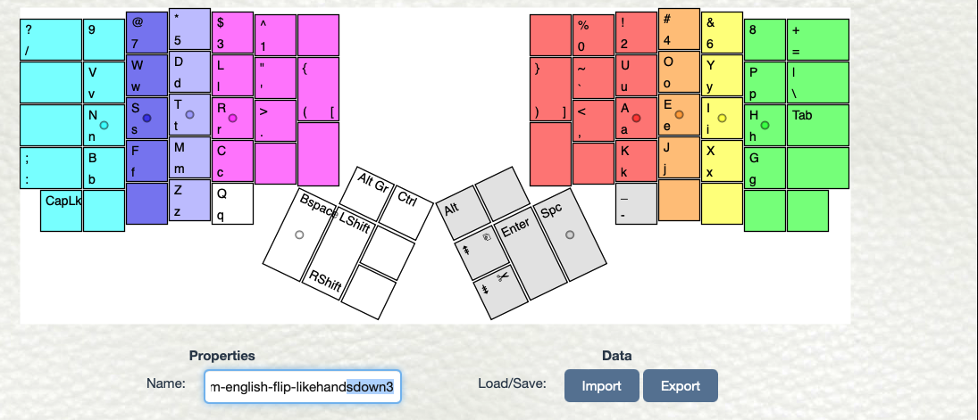

Edit What if inspired #7
_ | _ | _ | _ |  | _ |  | _ | _
_ | W | D | L |  | U | O | Y | _
N | S | T | R |  | A | E | I | C
P | F | M | H |  | K | J | X | G
Z | Q | V | B

Fivonachi approx
0 | 0 | 0 | 0 | 0 | 0 | 55 | 0 | 0 |  | 55
0 | 55 | 144 | 144 | 343 | 89 | 233 | 55 | 0 |  | 377
233 | 233 | 377 | 233 | 1076 | 233 | 377 | 233 | 144 |  | 987
89 | 89 | 89 | 144 | 411 | 21 | 5 | 8 | 55 |  | 89
3 | 3 | 34 | 55 | 95 | 343 | 670 | 296 | 199 |  | 1508
325 | 380 | 644 | 576 | 1925

English Values
0 | 0 | 0 | 0 | 0 | 0 | 0 | 0 | 0 |  | 0
0 | 60 | 136 | 145 | 341 | 97 | 272 | 59 | 0 |  | 428
258 | 232 | 331 | 224 | 1045 | 287 | 445 | 270 | 119 |  | 1121
76 | 86 | 90 | 180 | 432 | 19 | 6 | 8 | 67 |  | 100
3 | 4 | 38 | 53 | 98 | 403 | 723 | 337 | 186 |  | 1649
337 | 382 | 595 | 602 | 1916
 |  |  |  |  |  |  | Orig 396 | Orig 333
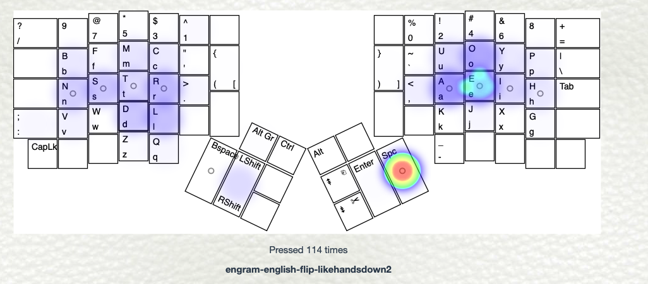
 |  |  | Original | 1856 |  |  |  |  | Original | 1706

Edit What if inspired #6
_ | _ | _ | _ |  | _ |  | _ | _
B | F | M | C |  | U | O | Y | P
N | S | T | R |  | A | E | I | H
V | W | D | L |  | K | J | X | G
_ |  | Z | Q

Fivonachi approx
0 | 0 | 0 | 0 | 0 | 0 | 3 | 0 | 0 |  | 3
55 | 89 | 89 | 144 | 377 | 89 | 233 | 55 | 89 |  | 466
233 | 233 | 377 | 233 | 1076 | 233 | 377 | 233 | 144 |  | 987
34 | 55 | 144 | 144 | 377 | 21 | 5 | 8 | 55 |  | 89
0 | 0 | 3 | 3 | 6 | 343 | 618 | 296 | 288 |  | 1545
322 | 377 | 613 | 524 | 1836

English Values
0 | 0 | 0 | 0 | 0 | 0 | 0 | 0 | 0 |  | 0
53 | 86 | 90 | 119 | 348 | 97 | 272 | 59 | 76 |  | 504
258 | 232 | 331 | 224 | 1045 | 287 | 445 | 270 | 180 |  | 1182
38 | 60 | 136 | 145 | 379 | 19 | 6 | 8 | 67 |  | 100
0 | 0 | 3 | 4 | 7 | 403 | 723 | 337 | 323 |  | 1786
349 | 378 | 560 | 492 | 1779
 |  |  |  |  |  |  | Orig 396 | Orig 333
 |  |  | Original | 1856 |  |  |  |  | Original | 1706

enegram_dvorak
53 | 59 | 272 | 97 |  |  | 145 | 136 | 60 | 38 | 3 |  |  |  | enegram |  | ene Reverse | Fiv Value
119 | 270 | 445 | 287 |  |  | 180 | 331 | 232 | 258 | 4 |  |  |  | B | W | V | 55
67 | 8 | 6 | 19 |  |  | 224 | 90 | 86 | 76 |  |  |  |  | C | S | N | 233
239 | 337 | 723 | 403 | 1702 |  | 549 | 557 | 378 | 372 | 7 | 1863 |  |  | G | F | P | 89
 |  |  |  |  |  |  |  |  |  |  |  |  |  | Y | L | W | 144
 |  |  |  |  |  |  |  |  |  |  |  |  |  | I | H | S | 144
B | Y | O | U |  |  | L | D | W | V | Z |  |  |  | X | M | F | 89
C | I | E | A |  |  | H | T | S | N | Q |  |  |  | O | R | D | 233
G | X | J | K |  |  | R | M | F | P |  |  |  |  | E | N | T | 233
 |  |  |  |  |  |  |  |  |  |  |  |  |  | J | V | M | 34
 |  |  |  |  |  |  |  |  |  |  |  |  |  | U | B | L | 55
 |  |  |  |  |  |  |  |  |  |  |  |  |  | A | T | H | 377
55 | 55 | 233 | 89 | 432 |  | 144 | 144 | 55 | 34 | 3 | 380 |  |  | K | C | R | 144
144 | 233 | 377 | 233 | 987 |  | 144 | 377 | 233 | 233 | 3 | 990
55 | 8 | 5 | 21 | 89 |  | 233 | 89 | 89 | 89 |  | 500 |  |  | L | Q | U | 3
254 | 296 | 615 | 343 | 1508 |  | 521 | 610 | 377 | 356 | 6 | 1870 |  |  | H | A | A | 233
 |  |  |  |  |  |  |  |  |  |  |  |  |  | R | P | K | 89
 |  |  |  |  |  |  |  |  |  |  |  |  |  | D | U | O | 89
 |  |  |  |  |  |  |  |  |  |  |  |  |  | T | E | E | 377
dvorak |  |  |  |  |  |  |  |  |  |  |  |  |  | M | X | J | 8
J | J | J | P | Y |  |  | F | Q | C | R | L | J |  | W | D | Y | 144
A | O | E | U | I |  |  | D | H | T | N | S | J |  | S | O | I | 233
J | Q | J | K | X |  |  | B | M | W | V | Z |  |  | F | K | X | 21
 |  |  |  |  |  |  |  |  |  |  |  |  |  | V | J | B | 5
 |  |  |  |  |  |  |  |  |  |  |  |  |  | N | I | C | 233
dvorak |  |  |  |  |  |  |  |  |  |  |  |  |  | P | Y | G | 55
5 | 5 | 5 | 89 | 55 | 159 |  | 89 | 3 | 144 | 233 | 144 | 5 | 529
233 | 233 | 377 | 89 | 233 | 1165 |  | 144 | 144 | 377 | 233 | 233 | 5 | 992 | Z | Z
5 | 3 | 5 | 21 | 8 | 42 |  | 55 | 89 | 55 | 34 | 3 |  | 181 | Q | G
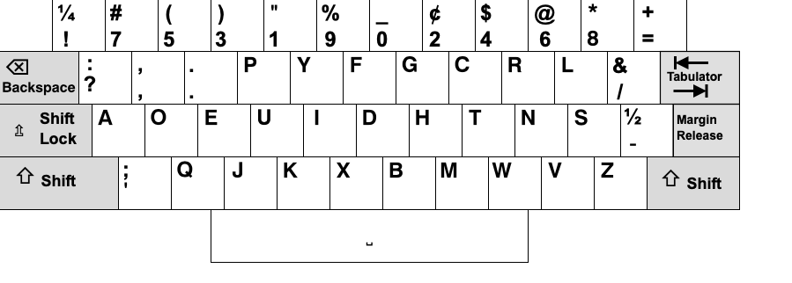
243 | 241 | 387 | 199 | 296 | 1366 |  | 288 | 236 | 576 | 500 | 380 | 10 | 1702

Edit What if #6
_ | Z | _ | _ |  |  | _ | Q | _ | _
V | W | D | L |  |  | U | C | Y | B
N | S | T | R |  |  | A | E | I | O |  |  |  |  | E, T, S, A, O, I, N, R, C, H
P | F | M | H |  |  | K | J | G | X
_ | _ | _ | _ |  |  |  |  |  |  |  |  |  |  | "T S N R, H?" AEOI

Fivonachi approx
0 | 3 | 0 | 0 | 3 |  | 0 | 3 | 0 | 0 |  | 3
34 | 55 | 144 | 144 | 377 |  | 89 | 144 | 55 | 55 |  | 343
233 | 233 | 377 | 233 | 1076 |  | 233 | 377 | 233 | 233 |  | 1076
89 | 89 | 89 | 144 | 411 |  | 21 | 5 | 55 | 8 |  | 89
0 | 0 | 0 | 0 | 0 |  | 343 | 529 | 343 | 296 |  | 1511
356 | 380 | 610 | 521 | 1864

English Values
0 | 3 | 0 | 0 | 3 |  | 0 | 4 | 0 | 0 |  | 4
38 | 60 | 136 | 145 | 379 |  | 97 | 119 | 59 | 53 |  | 328
258 | 232 | 331 | 224 | 1045 |  | 287 | 445 | 270 | 272 |  | 1274
76 | 86 | 90 | 180 | 432 |  | 19 | 6 | 67 | 8 |  | 100
0 | 0 | 0 | 0 | 0 |  | 403 | 574 | 396 | 333 |  | 1706
372 | 381 | 557 | 549 | 1856
 |  |  |  |  |  |  |  | Orin 396 | Orig 333
 |  |  | Original | 1856 |  |  |  |  |  | Original | 1706

Edit What if 3
 | D | H | K | ( |  | U | F | L
N | S | R | T |  |  | A | E | O | I
B | W | C | V |  |  | M | G | P | Y
Z | X | J | Q

 | 144 | 144 | 21 | 309 |  | 89 | 89 | 144 |  |  | 322
233 | 233 | 233 | 377 | 1076 |  | 233 | 377 | 233 | 233 |  | 1076
55 | 55 | 144 | 34 | 288 |  | 89 | 55 | 89 | 55 |  | 288
3 | 8 | 5 | 3 | 19 |  | 411 | 521 | 466 | 288 |  | 1686
291 | 440 | 526 | 435 | 1692

Edit What if #4
_ | Z | X | _ |  |  | _ | J | Q | _
_ | D | H | K |  |  | U | F | L | _
N | S | R | T |  |  | A | E | O | I
B | W | C | V |  |  | M | G | P | Y
_ | _ | _ | _

Fivonachi approx
0 | 3 | 8 | 0 | 11 |  | 0 | 5 | 3 | 0 |  | 8
0 | 144 | 144 | 21 | 309 |  | 89 | 89 | 144 | 0 |  | 322
233 | 233 | 233 | 377 | 1076 |  | 233 | 377 | 233 | 233 |  | 1076
55 | 55 | 144 | 34 | 288 |  | 89 | 55 | 89 | 55 |  | 288
0 | 0 | 0 | 0 | 0 |  | 411 | 526 | 469 | 288 |  | 1694
288 | 435 | 529 | 432 | 1673

English Values
0 | 3 | 8 | 0 | 11 |  | 0 | 6 | 4 | 0 |  | 10
0 | 136 | 180 | 19 | 335 |  | 97 | 86 | 145 | 0 |  | 328
258 | 232 | 224 | 331 | 1045 |  | 287 | 445 | 272 | 270 |  | 1274
53 | 60 | 119 | 38 | 270 |  | 90 | 67 | 76 | 59 |  | 292
0 | 0 | 0 | 0 | 0 |  | 474 | 604 | 497 | 329 |  | 1904
311 | 431 | 531 | 388 | 1650

Edit What if #5
_ | Z | _ | _ |  |  | _ | Q | _ | _
V | W | D | L |  |  | U | C | Y | B
N | S | T | R |  |  | A | E | O | I
P | F | M | H |  |  | K | J | G | X
_ | _ | _ | _

Fivonachi approx
0 | 3 | 0 | 0 | 3 |  | 0 | 3 | 0 | 0 |  | 3
34 | 55 | 144 | 144 | 377 |  | 89 | 144 | 55 | 55 |  | 343
233 | 233 | 377 | 233 | 1076 |  | 233 | 377 | 233 | 233 |  | 1076
89 | 89 | 89 | 144 | 411 |  | 21 | 5 | 55 | 8 |  | 89
0 | 0 | 0 | 0 | 0 |  | 343 | 529 | 343 | 296 |  | 1511
356 | 380 | 610 | 521 | 1864

English Values
0 | 3 | 0 | 0 | 3 |  | 0 | 4 | 0 | 0 |  | 4
38 | 60 | 136 | 145 | 379 |  | 97 | 119 | 59 | 53 |  | 328
258 | 232 | 331 | 224 | 1045 |  | 287 | 445 | 272 | 270 |  | 1274
76 | 86 | 90 | 180 | 432 |  | 19 | 6 | 67 | 8 |  | 100
0 | 0 | 0 | 0 | 0 |  | 403 | 574 | 398 | 331 |  | 1706
372 | 381 | 557 | 549 | 1856

 |  |  | Original | 1856 |  |  |  |  |  | Original | 1706

