Sheet1
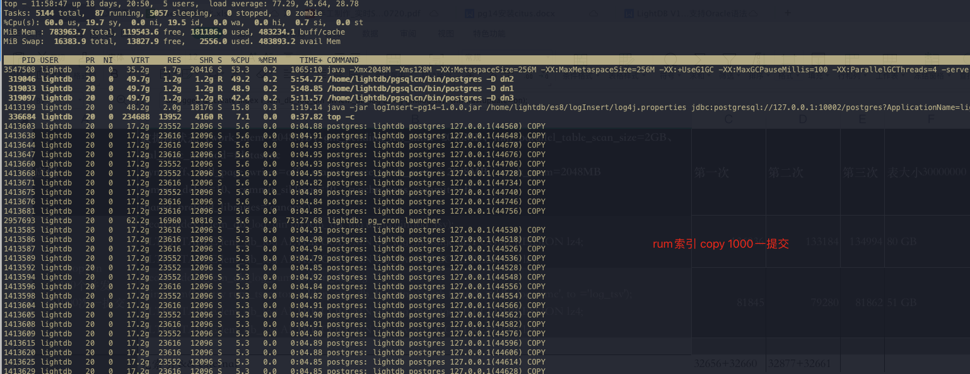
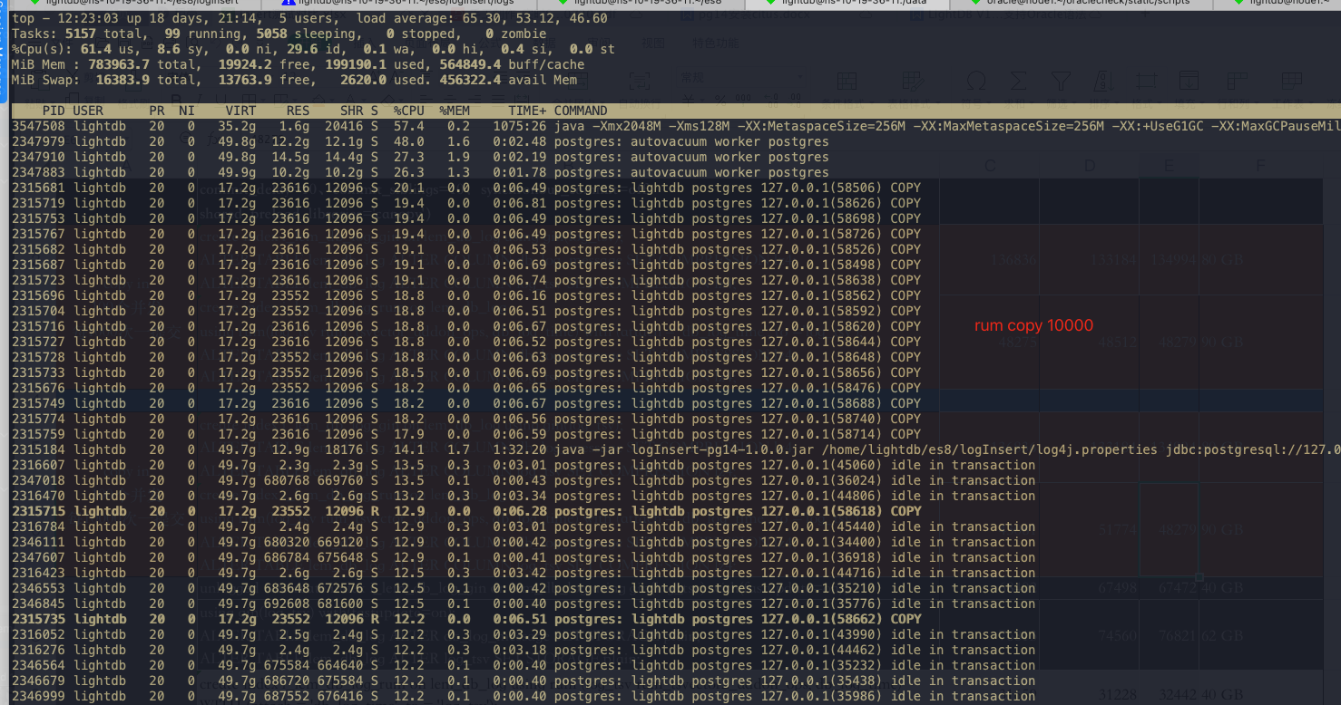
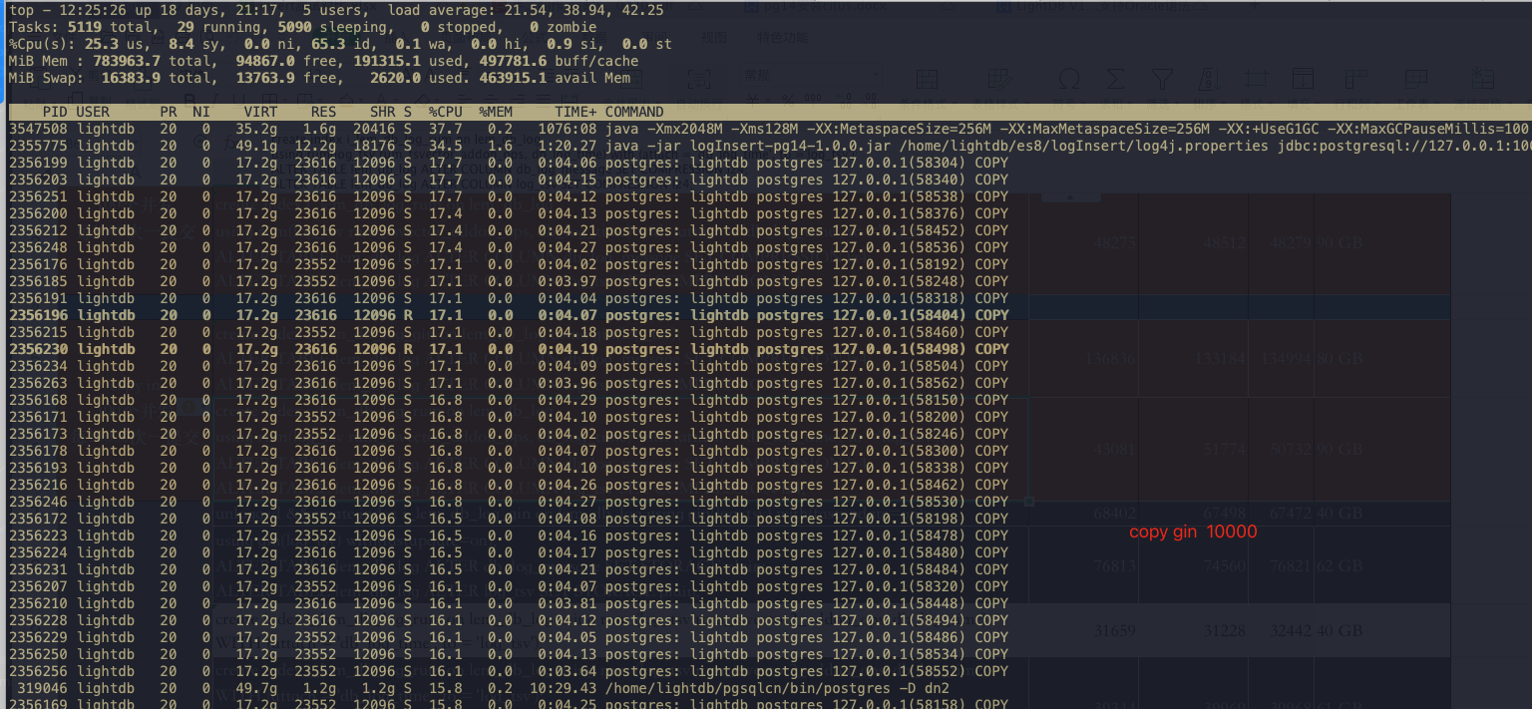
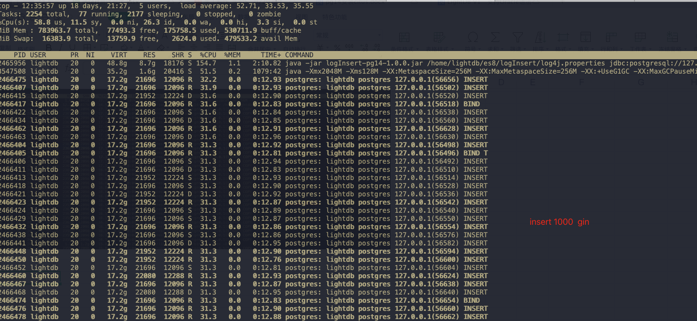
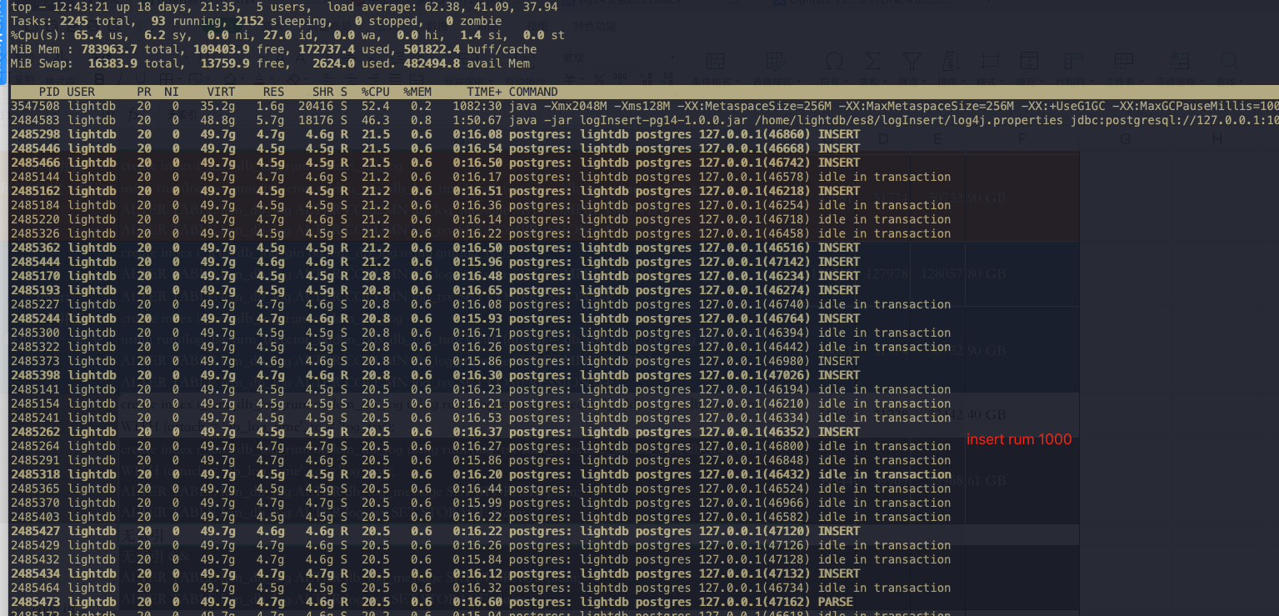
应用 | 数据库状态（work_mem=2048MB、gin_pending_list_limit=2048MB、min_parallel_table_scan_size=2GB、wal_sync_method=fdatasync fsync=off、full_page_writes=off、maintenance_work_mem = 2048MB、work_mem=2048MB commit_delay=10、commit_siblings=10、synchronous_commit=off shared_preload_libraries='canopy'） | 第一次(TPS) | 第二次(TPS) | 第三次(TPS) | 表大小30000000
copy in 100个并发 每1000次一提交 | create index i_lem_db_log_gin on lem_db_log using gin(log_tsv); ALTER TABLE lem_db_log ALTER COLUMN db_log_message SET COMPRESSION lz4; ALTER TABLE lem_db_log ALTER COLUMN log_tsv SET COMPRESSION lz4; | 136836 | 133184 | 134994 | 80 GB
 | create index i_lem_db_log_rum on lem_db_log using rum(log_tsv rum_tsvector_addon_ops, db_log_time) with (attach = 'db_log_time', to ='log_tsv'); ALTER TABLE lem_db_log ALTER COLUMN db_log_message SET COMPRESSION lz4; ALTER TABLE lem_db_log ALTER COLUMN log_tsv SET COMPRESSION lz4; | 48275 | 48512 | 48279 | 90 GB
copy in 100个并发 每10000次一提交 | create index i_lem_db_log_gin on lem_db_log using gin(log_tsv); ALTER TABLE lem_db_log ALTER COLUMN db_log_message SET COMPRESSION lz4; ALTER TABLE lem_db_log ALTER COLUMN log_tsv SET COMPRESSION lz4; | 161142 | 163655 | 161129 | 80 GB
 | create index i_lem_db_log_rum on lem_db_log using rum(log_tsv rum_tsvector_addon_ops, db_log_time) with (attach = 'db_log_time', to ='log_tsv'); ALTER TABLE lem_db_log ALTER COLUMN db_log_message SET COMPRESSION lz4; ALTER TABLE lem_db_log ALTER COLUMN log_tsv SET COMPRESSION lz4; | 43081 | 51774 | 50732 | 90 GB
insert 100个并发 每1000次一提交 | create index i_lem_db_log_gin on lem_db_log using gin(log_tsv); ALTER TABLE lem_db_log ALTER COLUMN db_log_message SET COMPRESSION lz4; ALTER TABLE lem_db_log ALTER COLUMN log_tsv SET COMPRESSION lz4; | 129715 | 127978 | 128057 | 80 GB
 | create index i_lem_db_log_rum on lem_db_log using rum(log_tsv rum_tsvector_addon_ops, db_log_time) with (attach = 'db_log_time', to ='log_tsv'); ALTER TABLE lem_db_log ALTER COLUMN db_log_message SET COMPRESSION lz4; ALTER TABLE lem_db_log ALTER COLUMN log_tsv SET COMPRESSION lz4; | 39488 | 44220 | 43263 | 90 GB

 | https://jdbc.postgresql.org/documentation/publicapi/org/postgresql/copy/CopyManager.html
 | https://www.postgresql.fastware.com/blog/what-is-the-new-lz4-toast-compression-in-postgresql-14

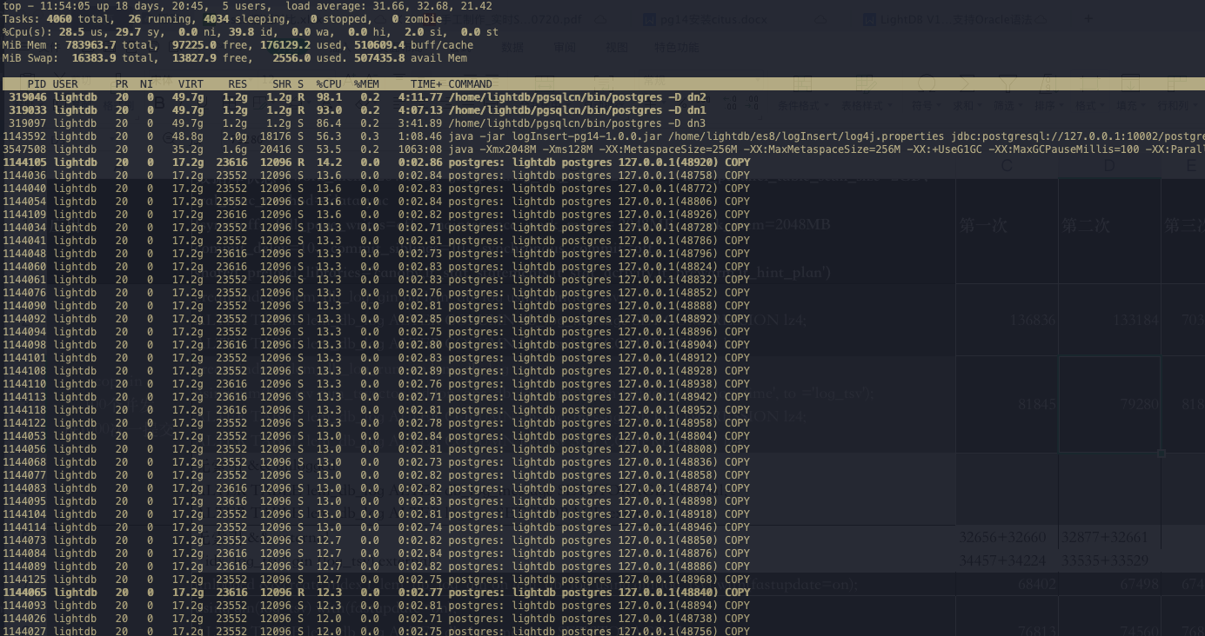
copy gin 1000

