G(t) Method 1 vs. Method 3
24-Nov-21
simulators.py -> run with fixed_window = False / t_sim = 50 / t_learn = 4 for G1 and fixed_window = True / t_sim = 50*2 / t_learn = 10
 | G1 | G3 | G1 (at t_learn=10) | rho for G1
0 | -3.09E-13 | 365.22754491 | -7.22E-16 | -11.571428571
1 | -11.571428571 | 363.77245509 | -0.21708185053
2 | -11.571428571 | 363.77245509 | -0.21708185053
3 | -23.142857143 | 363.77245509 | -0.43416370107
4 | -23.142857143 | 363.77245509 | -0.43416370107
5 | -34.714285714 | 363.77245509 | -0.6512455516 |  |  | The values of G(t) for the two methods should be similar if we are estimating the same thing…
6 | -34.714285714 | 363.77245509 | -0.6512455516 |  |  | CONCLUSION: G(t) with Method 3 should not be appropriate because we are not estimating Q(S(t), A(t)) which is supposed to be representing)
7 | -46.285714286 | 363.77245509 | -0.86832740214
Comparison of G(t) (Method 1) and G(t) (Method 3) (at the last learning step)
8 | -57.857142857 | 363.77245509 | -0.86832740214
9 | -57.857142857 | 363.77245509 | -1.0854092527
10 | -69.428571429 | 363.77245509 | -0.3024911032 |  | Theta learned using G1 (up to first reward) |  | Theta learned using G3 (up to t_learn = 10)
11 | -81 | 363.77245509 | -0.3024911032
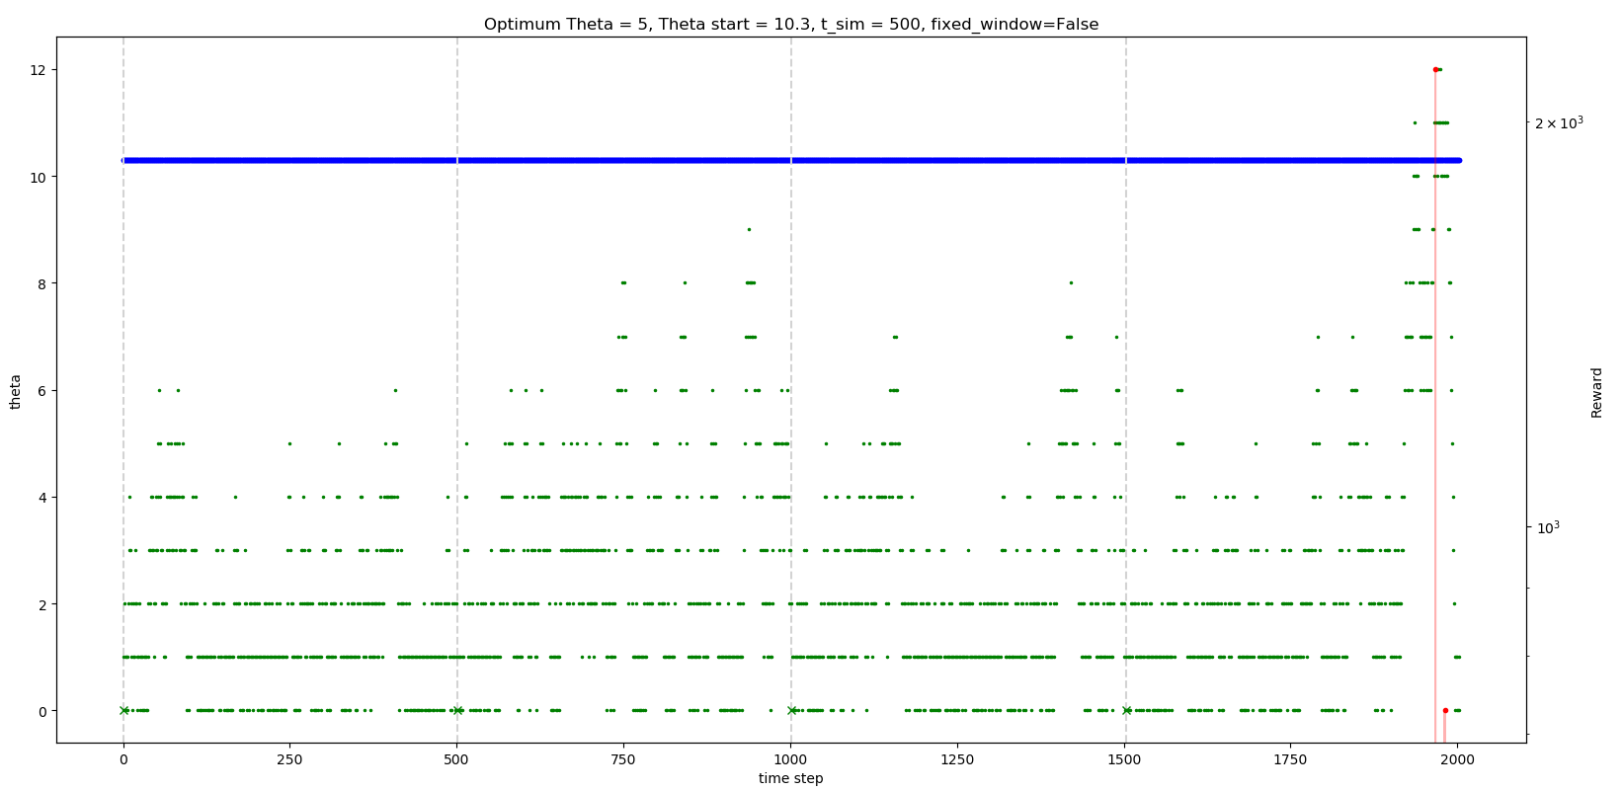
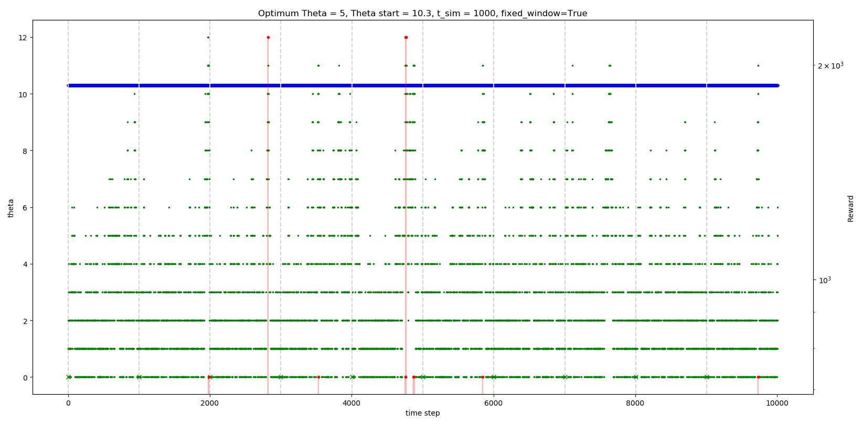
12 | -81 | 363.77245509 | -0.51957295374
13 | -92.571428571 | 363.77245509 | -0.51957295374
14 | -92.571428571 | 363.77245509 | -0.73665480427
15 | -92.571428571 | 363.77245509 | -0.9537366548
16 | -92.571428571 | 363.77245509 | -0.17081850534
17 | -104.14285714 | 363.77245509 | -0.17081850534
18 | -115.71428571 | 363.77245509 | -0.17081850534
19 | -115.71428571 | 363.77245509 | -0.38790035587
20 | -115.71428571 | 363.77245509 | -0.38790035587
21 | -127.28571429 | 363.77245509 | -0.60498220641
22 | -127.28571429 | 363.77245509 | -0.82206405694
23 | -138.85714286 | 363.77245509 | -0.82206405694
24 | -150.42857143 | 363.77245509 | -0.82206405694
25 | -150.42857143 | 363.77245509 | -1.0391459075
26 | -150.42857143 | 365.22754491 | -1.0391459075
27 | -162 | 363.77245509 | -1.256227758
28 | -173.57142857 | 365.22754491 | -0.47330960854
29 | -185.14285714 | 365.22754491 | -0.47330960854 |  | Theta learnerd using G1 (up to t_learn = 10)
30 | -185.14285714 | 365.22754491 | -0.69039145907
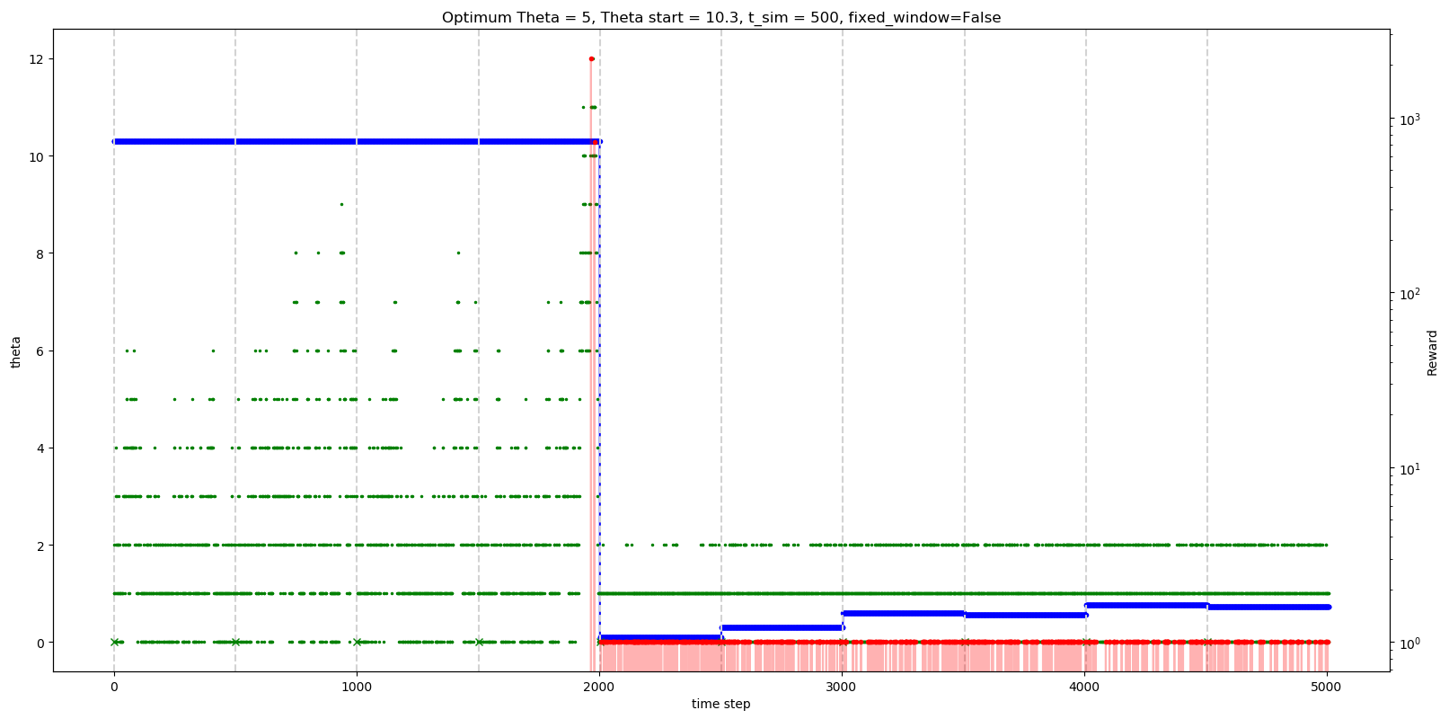
31 | -185.14285714 | 363.77245509 | -0.69039145907
32 | -185.14285714 | 362.31736527 | -0.90747330961
33 | -196.71428571 | 363.77245509 | -0.12455516014
34 | -196.71428571 | 363.77245509 | -0.34163701068
35 | -208.28571429 | 362.31736527 | -0.34163701068
36 | -219.85714286 | 362.31736527 | -0.34163701068
37 | -219.85714286 | 363.77245509 | -0.55871886121
38 | -231.42857143 | 363.77245509 | -0.55871886121
39 | -231.42857143 | 363.77245509 | -0.77580071174
40 | -231.42857143 | 363.77245509 | -0.77580071174
41 | -243 | 363.77245509 | -0.99288256228
42 | -243 | 363.77245509 | -1.2099644128
43 | -254.57142857 | 363.77245509 | -1.2099644128
44 | -254.57142857 | 363.77245509 | -1.2099644128
45 | -266.14285714 | 363.77245509 | -1.4270462633
46 | -266.14285714 | 363.77245509 | -0.64412811388
47 | -277.71428571 | 363.77245509 | -0.64412811388
48 | -277.71428571 | 365.22754491 | -0.86120996441
49 | -289.28571429 | 363.77245509 | -1.0782918149
50 | -289.28571429 | 362.31736527 | -0.29537366548
51 | -300.85714286 | 363.77245509 | -0.29537366548
52 | -300.85714286 | 362.31736527 | -0.29537366548
53 | -312.42857143 | 362.31736527 | -0.51245551601
54 | -324 | 360.86227545 | -0.72953736655
55 | -324 | 362.31736527 | 0.053380782918
56 | -324 | 362.31736527 | 0.053380782918
57 | -335.57142857 | 362.31736527 | 0.053380782918
58 | -335.57142857 | 362.31736527 | -0.16370106762
59 | -347.14285714 | 363.77245509 | -0.38078291815
60 | -347.14285714 | 363.77245509 | 0.40213523132
61 | -358.71428571 | 363.77245509 | 0.40213523132
62 | -370.28571429 | 365.22754491 | 0.40213523132
63 | -370.28571429 | 363.77245509 | 0.18505338078
64 | -370.28571429 | 362.31736527 | 0.96797153025
65 | -381.85714286 | 362.31736527 | 0.96797153025
66 | -393.42857143 | 362.31736527 | 0.75088967972
67 | -393.42857143 | 362.31736527 | 0.75088967972
68 | -393.42857143 | 362.31736527 | 0.53380782918
69 | -405 | 363.77245509 | 0.53380782918
70 | -416.57142857 | 362.31736527 | 0.31672597865
71 | -428.14285714 | 362.31736527 | 0.31672597865
72 | -428.14285714 | 362.31736527 | 0.099644128114
73 | -428.14285714 | 363.77245509 | -0.11743772242
74 | -439.71428571 | 363.77245509 | -0.11743772242
75 | -451.28571429 | 362.31736527 | -0.33451957295
76 | -462.85714286 | 363.77245509 | 0.44839857651
77 | -474.42857143 | 363.77245509 | 0.44839857651
78 | -486 | 363.77245509 | 0.23131672598
79 | -486 | 363.77245509 | 0.23131672598
80 | -486 | 363.77245509 | 1.0142348754
81 | -497.57142857 | 363.77245509 | 1.0142348754
82 | -509.14285714 | 362.31736527 | 0.79715302491
83 | -509.14285714 | 362.31736527 | 0.79715302491
84 | -520.71428571 | 362.31736527 | 0.58007117438
85 | -520.71428571 | 363.77245509 | 1.3629893238
86 | -520.71428571 | 363.77245509 | 1.1459074733
87 | -520.71428571 | 365.22754491 | 1.1459074733
88 | -520.71428571 | 363.77245509 | 1.1459074733
89 | -532.28571429 | 365.22754491 | 0.92882562278
90 | -532.28571429 | 363.77245509 | 0.71174377224
91 | -543.85714286 | 365.22754491 | 0.71174377224
92 | -543.85714286 | 365.22754491 | 0.49466192171
93 | -543.85714286 | 363.77245509 | 0.49466192171
94 | -543.85714286 | 362.31736527 | 0.49466192171
95 | -555.42857143 | 363.77245509 | 0.27758007117
96 | -555.42857143 | 363.77245509 | 0.27758007117
97 | -567 | 363.77245509 | 0.060498220641
98 | -567 | 363.77245509 | 0.060498220641
99 | -578.57142857 | 363.77245509 | -0.15658362989
100 | -578.57142857 | 365.22754491 | -0.15658362989
101 | -590.14285714 | 365.22754491 | -0.37366548043
102 | -590.14285714 | 363.77245509 | -0.37366548043
103 | -601.71428571 | 363.77245509 | -0.59074733096
104 | -613.28571429 | 362.31736527 | -0.59074733096
105 | -624.85714286 | 360.86227545 | -0.80782918149
106 | -624.85714286 | 359.40718563 | -1.024911032
107 | -624.85714286 | 359.40718563 | -1.024911032
108 | -624.85714286 | 359.40718563 | -1.024911032
109 | -636.42857143 | 359.40718563 | -1.2419928826
110 | -636.42857143 | 360.86227545 | -1.4590747331
111 | -648 | 359.40718563 | -1.4590747331
112 | -648 | 357.95209581 | -1.4590747331
113 | -659.57142857 | 357.95209581 | -1.6761565836
114 | -671.14285714 | 359.40718563 | -1.8932384342
115 | -671.14285714 | 359.40718563 | -1.1103202847
116 | -682.71428571 | 359.40718563 | -1.1103202847
117 | -682.71428571 | 360.86227545 | -1.1103202847
118 | -682.71428571 | 360.86227545 | -1.3274021352
119 | -694.28571429 | 360.86227545 | -1.3274021352
120 | -694.28571429 | 360.86227545 | -1.5444839858
121 | -705.85714286 | 362.31736527 | -1.7615658363
122 | -717.42857143 | 362.31736527 | -0.97864768683
123 | -717.42857143 | 362.31736527 | -0.19572953737
124 | -717.42857143 | 363.77245509 | 0.5871886121
125 | -729 | 362.31736527 | 0.5871886121
126 | -740.57142857 | 360.86227545 | 0.5871886121
127 | -740.57142857 | 360.86227545 | 0.37010676157
128 | -740.57142857 | 360.86227545 | 1.153024911
129 | -752.14285714 | 360.86227545 | 0.9359430605
130 | -763.71428571 | 359.40718563 | 1.71886121
131 | -775.28571429 | 360.86227545 | 2.5017793594
132 | -775.28571429 | 359.40718563 | 2.5017793594
133 | -786.85714286 | 360.86227545 | 2.5017793594
134 | -798.42857143 | 359.40718563 | 2.2846975089
135 | -798.42857143 | 360.86227545 | 2.2846975089
136 | -798.42857143 | 360.86227545 | 2.0676156584
137 | -810 | 362.31736527 | 2.0676156584
138 | -810 | 362.31736527 | 1.8505338078
139 | -810 | 363.77245509 | 1.6334519573
140 | -810 | 363.77245509 | 2.4163701068
141 | -821.57142857 | 363.77245509 | 2.4163701068
142 | -833.14285714 | 363.77245509 | 2.4163701068
143 | -833.14285714 | 363.77245509 | 2.1992882562
144 | -833.14285714 | 363.77245509 | 2.1992882562
145 | -844.71428571 | 363.77245509 | 1.9822064057
146 | -844.71428571 | 362.31736527 | 1.9822064057
147 | -856.28571429 | 363.77245509 | 1.7651245552
148 | -867.85714286 | 365.22754491 | 1.5480427046
149 | -879.42857143 | 365.22754491 | 2.3309608541
150 | -891 | 363.77245509 | 3.1138790036
151 | -891 | 365.22754491 | 3.896797153
152 | -902.57142857 | 365.22754491 | 4.6797153025
153 | -902.57142857 | 365.22754491 | 4.6797153025
154 | -902.57142857 | 363.77245509 | 4.462633452
155 | -902.57142857 | 362.31736527 | 4.462633452
156 | -914.14285714 | 360.86227545 | 4.2455516014
157 | -914.14285714 | 360.86227545 | 4.2455516014
158 | -925.71428571 | 359.40718563 | 4.2455516014
159 | -937.28571429 | 360.86227545 | 4.0284697509
160 | -948.85714286 | 362.31736527 | 4.8113879004
161 | -948.85714286 | 362.31736527 | 4.5943060498
162 | -960.42857143 | 362.31736527 | 5.3772241993
163 | -960.42857143 | 363.77245509 | 5.3772241993
164 | -960.42857143 | 363.77245509 | 5.1601423488
165 | -972 | 363.77245509 | 5.1601423488
166 | -972 | 362.31736527 | 5.1601423488
167 | -983.57142857 | 363.77245509 | 4.9430604982
168 | -983.57142857 | 363.77245509 | 4.9430604982
169 | -983.57142857 | 363.77245509 | 4.7259786477
170 | -995.14285714 | 362.31736527 | 4.5088967972
171 | -995.14285714 | 363.77245509 | 4.5088967972
172 | -995.14285714 | 363.77245509 | 4.5088967972
173 | -1006.7142857 | 363.77245509 | 4.2918149466
174 | -1006.7142857 | 363.77245509 | 4.0747330961
175 | -1018.2857143 | 363.77245509 | 4.0747330961
176 | -1018.2857143 | 363.77245509 | 3.8576512456
177 | -1029.8571429 | 363.77245509 | 4.640569395
178 | -1029.8571429 | 362.31736527 | 4.640569395
179 | -1041.4285714 | 363.77245509 | 4.4234875445
180 | -1041.4285714 | 362.31736527 | 4.4234875445
181 | -1053 | 362.31736527 | 4.4234875445
182 | -1053 | 362.31736527 | 4.206405694
183 | -1064.5714286 | 362.31736527 | 4.9893238434
184 | -1076.1428571 | 362.31736527 | 4.7722419929
185 | -1076.1428571 | 362.31736527 | 4.7722419929
186 | -1087.7142857 | 363.77245509 | 4.7722419929
187 | -1099.2857143 | 362.31736527 | 4.5551601423
188 | -1099.2857143 | 362.31736527 | 4.3380782918
189 | -1099.2857143 | 362.31736527 | 4.3380782918
190 | -1099.2857143 | 363.77245509 | 4.1209964413
191 | -1110.8571429 | 363.77245509 | 4.1209964413
192 | -1122.4285714 | 362.31736527 | 3.9039145907
193 | -1134 | 362.31736527 | 3.9039145907
194 | -1145.5714286 | 362.31736527 | 3.9039145907
195 | -1157.1428571 | 362.31736527 | 3.6868327402
196 | -1157.1428571 | 362.31736527 | 3.4697508897
197 | -1157.1428571 | 360.86227545 | 3.4697508897
198 | -1157.1428571 | 362.31736527 | 3.4697508897
199 | -1157.1428571 | 363.77245509 | 3.2526690391
200 | -1157.1428571 | 365.22754491 | 3.2526690391
201 | -1168.7142857 | 366.68263473 | 3.0355871886
202 | -1168.7142857 | 366.68263473 | 3.0355871886
203 | -1180.2857143 | 366.68263473 | 2.8185053381
204 | -1180.2857143 | 366.68263473 | 2.8185053381
205 | -1191.8571429 | 366.68263473 | 2.6014234875
206 | -1191.8571429 | 366.68263473 | 2.6014234875
207 | -1203.4285714 | 368.13772455 | 2.384341637
208 | -1203.4285714 | 366.68263473 | 2.1672597865
209 | -1215 | 368.13772455 | 2.1672597865
210 | -1226.5714286 | 368.13772455 | 1.9501779359
211 | -1238.1428571 | 368.13772455 | 1.9501779359
212 | -1238.1428571 | 368.13772455 | 1.9501779359
213 | -1238.1428571 | 369.59281437 | 1.7330960854
214 | -1249.7142857 | 369.59281437 | 1.5160142349
215 | -1249.7142857 | 369.59281437 | 2.2989323843
216 | -1249.7142857 | 368.13772455 | 2.2989323843
217 | -1261.2857143 | 368.13772455 | 2.0818505338
218 | -1272.8571429 | 368.13772455 | 2.0818505338
219 | -1272.8571429 | 369.59281437 | 1.8647686833
220 | -1272.8571429 | 368.13772455 | 2.6476868327
221 | -1284.4285714 | 368.13772455 | 3.4306049822
222 | -1284.4285714 | 368.13772455 | 3.4306049822
223 | -1296 | 368.13772455 | 3.2135231317
224 | -1296 | -359.40718563 | 3.2135231317
225 | -1307.5714286 | -359.40718563 | 3.2135231317
226 | -1307.5714286 | -359.40718563 | 2.9964412811
227 | -1319.1428571 | -359.40718563 | 2.7793594306
228 | -1319.1428571 | -360.86227545 | 3.5622775801
229 | -1330.7142857 | -360.86227545 | 3.5622775801
230 | -1330.7142857 | -360.86227545 | 3.5622775801
231 | -1342.2857143 | -360.86227545 | 3.3451957295
232 | -1342.2857143 | -360.86227545 | 3.128113879
233 | -1353.8571429 | -362.31736527 | 3.128113879
234 | -1365.4285714 | -363.77245509 | 3.128113879
235 | -1377 | -363.77245509 | 2.9110320285
236 | -1377 | -363.77245509 | 2.6939501779
237 | -1388.5714286 | -365.22754491 | 2.6939501779
238 | -1388.5714286 | -363.77245509 | 2.6939501779
239 | -1388.5714286 | -365.22754491 | 2.4768683274
240 | -1400.1428571 | -363.77245509 | 2.4768683274
241 | -1400.1428571 | -365.22754491 | 2.2597864769
242 | -1400.1428571 | -365.22754491 | 2.2597864769
243 | -1411.7142857 | -365.22754491 | 2.0427046263
244 | -1423.2857143 | -363.77245509 | 2.0427046263
245 | -1434.8571429 | -365.22754491 | 1.8256227758
246 | -1434.8571429 | -365.22754491 | 1.8256227758
247 | -1446.4285714 | -365.22754491 | 1.6085409253
248 | -1446.4285714 | -363.77245509 | 1.3914590747
249 | -1446.4285714 | -363.77245509 | 1.3914590747
250 | -1446.4285714 | -363.77245509 | 1.3914590747
251 | -1458 | -365.22754491 | 1.1743772242
252 | -1458 | -363.77245509 | 1.1743772242
253 | -1469.5714286 | -365.22754491 | 0.95729537367
254 | -1469.5714286 | -365.22754491 | 0.95729537367
255 | -1481.1428571 | -363.77245509 | 0.74021352313
256 | -1481.1428571 | -363.77245509 | 0.74021352313
257 | -1492.7142857 | -363.77245509 | 0.5231316726
258 | -1492.7142857 | -362.31736527 | 0.5231316726
259 | -1504.2857143 | -363.77245509 | 0.30604982206
260 | -1504.2857143 | -365.22754491 | 0.08896797153
261 | -1515.8571429 | -365.22754491 | 0.871886121
262 | -1527.4285714 | -365.22754491 | 1.6548042705
263 | -1527.4285714 | -366.68263473 | 1.6548042705
264 | -1539 | -365.22754491 | 1.4377224199
265 | -1539 | -363.77245509 | 1.4377224199
266 | -1550.5714286 | -365.22754491 | 1.2206405694
267 | -1562.1428571 | -365.22754491 | 1.2206405694
268 | -1562.1428571 | -363.77245509 | 1.2206405694
269 | -1573.7142857 | -365.22754491 | 1.0035587189
270 | -1573.7142857 | -363.77245509 | 1.0035587189
271 | -1573.7142857 | -363.77245509 | 0.78647686833
272 | -1585.2857143 | -365.22754491 | 0.78647686833
273 | -1596.8571429 | -365.22754491 | 0.56939501779
274 | -1596.8571429 | -363.77245509 | 0.35231316726
275 | -1608.4285714 | -365.22754491 | 0.35231316726
276 | -1608.4285714 | -363.77245509 | 0.35231316726
277 | -1620 | -363.77245509 | 0.13523131673
278 | -1620 | -362.31736527 | 0.91814946619
279 | -1631.5714286 | -362.31736527 | 0.91814946619
280 | -1643.1428571 | -362.31736527 | 0.70106761566
281 | -1654.7142857 | -362.31736527 | 0.70106761566
282 | -1654.7142857 | -362.31736527 | 0.48398576512
283 | -1654.7142857 | -362.31736527 | 0.48398576512
284 | -1666.2857143 | -362.31736527 | 0.26690391459
285 | -1677.8571429 | -363.77245509 | 0.26690391459
286 | -1689.4285714 | -365.22754491 | 0.049822064057
287 | -1701 | -363.77245509 | 0.83274021352
288 | -1701 | -362.31736527 | 0.61565836299
289 | -1701 | -363.77245509 | 0.61565836299
290 | -1701 | -363.77245509 | 0.61565836299
291 | -1701 | -365.22754491 | 0.39857651246
292 | -1701 | -363.77245509 | 0.39857651246
293 | -1701 | -363.77245509 | 0.18149466192
294 | -1701 | -365.22754491 | 0.18149466192
295 | -1712.5714286 | -366.68263473 | -0.035587188612
296 | -1724.1428571 | -366.68263473 | -0.035587188612
297 | -1724.1428571 | -368.13772455 | -0.25266903915
298 | -1724.1428571 | -366.68263473 | -0.25266903915
299 | -1735.7142857 | -368.13772455 | -0.46975088968
300 | -1735.7142857 | -368.13772455 | -0.46975088968
301 | -1747.2857143 | -366.68263473 | -0.68683274021
302 | -1747.2857143 | -365.22754491 | -0.68683274021
303 | -1758.8571429 | -365.22754491 | -0.90391459075
304 | -1758.8571429 | -363.77245509 | -0.90391459075
305 | -1770.4285714 | -363.77245509 | -1.1209964413
306 | -1770.4285714 | -365.22754491 | -1.3380782918
307 | -1782 | -365.22754491 | -1.3380782918
308 | -1782 | -366.68263473 | -1.3380782918
309 | -1793.5714286 | -368.13772455 | -1.5551601423
310 | -1793.5714286 | -366.68263473 | -1.5551601423
311 | -1805.1428571 | -365.22754491 | -1.7722419929
312 | -1816.7142857 | -365.22754491 | -1.7722419929
313 | -1816.7142857 | -363.77245509 | -1.9893238434
314 | -1828.2857143 | -362.31736527 | -2.206405694
315 | -1828.2857143 | -362.31736527 | -1.4234875445
316 | -1828.2857143 | -363.77245509 | -0.64056939502
317 | -1839.8571429 | -363.77245509 | 0.14234875445
318 | -1839.8571429 | -363.77245509 | 0.14234875445
319 | -1851.4285714 | -363.77245509 | 0.14234875445
320 | -1863 | -365.22754491 | -0.074733096085
321 | -1874.5714286 | -363.77245509 | -0.074733096085
322 | -1886.1428571 | -362.31736527 | -0.29181494662
323 | -1886.1428571 | -363.77245509 | 0.49110320285
324 | -1886.1428571 | -362.31736527 | 0.49110320285
325 | -1886.1428571 | -363.77245509 | 0.27402135231
326 | -1886.1428571 | -365.22754491 | 0.056939501779
327 | -1897.7142857 | -365.22754491 | 0.056939501779
328 | -1897.7142857 | -365.22754491 | 0.056939501779
329 | -1909.2857143 | -365.22754491 | -0.16014234875
330 | -1920.8571429 | -363.77245509 | -0.37722419929
331 | -1920.8571429 | -365.22754491 | -0.37722419929
332 | -1932.4285714 | -365.22754491 | -0.37722419929
333 | -1944 | -363.77245509 | -0.59430604982
334 | -1955.5714286 | -362.31736527 | -0.59430604982
335 | -1967.1428571 | -363.77245509 | -0.81138790036
336 | -1967.1428571 | -363.77245509 | -0.81138790036
337 | -1978.7142857 | -363.77245509 | -1.0284697509
338 | -1990.2857143 | -363.77245509 | -1.0284697509
339 | -2001.8571429 | -365.22754491 | -1.2455516014
340 | -2001.8571429 | -365.22754491 | -0.46263345196
341 | -2001.8571429 | -365.22754491 | -0.67971530249
342 | -2013.4285714 | -365.22754491 | 0.10320284698
343 | -2013.4285714 | -366.68263473 | 0.88612099644
344 | -2025 | -366.68263473 | 0.88612099644
345 | -2025 | -366.68263473 | 0.88612099644
346 | -2036.5714286 | -365.22754491 | 0.66903914591
347 | -2036.5714286 | -363.77245509 | 0.66903914591
348 | -2036.5714286 | -365.22754491 | 0.45195729537
349 | -2036.5714286 | -366.68263473 | 0.45195729537
350 | -2048.1428571 | -365.22754491 | 0.23487544484
351 | -2048.1428571 | -363.77245509 | 0.017793594306
352 | -2048.1428571 | -363.77245509 | 0.80071174377
353 | -2059.7142857 | -365.22754491 | 0.80071174377
354 | -2071.2857143 | -363.77245509 | 0.80071174377
355 | -2071.2857143 | -365.22754491 | 0.58362989324
356 | -2082.8571429 | -363.77245509 | 0.3665480427
357 | -2082.8571429 | -365.22754491 | 0.3665480427
358 | -2094.4285714 | -365.22754491 | 0.3665480427
359 | -2094.4285714 | -365.22754491 | 0.14946619217
360 | -2106 | -365.22754491 | 0.14946619217
361 | -2117.5714286 | -363.77245509 | -0.067615658363
362 | -2117.5714286 | -362.31736527 | -0.067615658363
363 | -2117.5714286 | -362.31736527 | -0.2846975089
364 | -2117.5714286 | -360.86227545 | -0.2846975089
365 | -2129.1428571 | -360.86227545 | -0.50177935943
366 | -2140.7142857 | -360.86227545 | -0.50177935943
367 | -2140.7142857 | -362.31736527 | -0.71886120996
368 | -2140.7142857 | -362.31736527 | -0.71886120996
369 | -2152.2857143 | -362.31736527 | -0.9359430605
370 | -2152.2857143 | -360.86227545 | -1.153024911
371 | -2152.2857143 | -362.31736527 | -0.37010676157
372 | -2163.8571429 | -362.31736527 | 0.4128113879
373 | -2163.8571429 | -363.77245509 | 1.1957295374
374 | -2163.8571429 | -365.22754491 | 1.9786476868
375 | -2175.4285714 | -363.77245509 | 2.7615658363
376 | -2175.4285714 | -363.77245509 | 2.7615658363
377 | -2187 | -365.22754491 | 2.7615658363
378 | -2198.5714286 | -363.77245509 | 2.5444839858
379 | -2198.5714286 | -365.22754491 | 2.5444839858
380 | -2210.1428571 | -365.22754491 | 2.3274021352
381 | -2221.7142857 | -365.22754491 | 2.3274021352
382 | -2221.7142857 | -365.22754491 | 2.1103202847
383 | -2221.7142857 | -365.22754491 | 2.1103202847
384 | -2221.7142857 | -365.22754491 | 1.8932384342
385 | -2233.2857143 | -365.22754491 | 1.6761565836
386 | -2233.2857143 | -366.68263473 | 1.6761565836
387 | -2244.8571429 | -366.68263473 | 1.4590747331
388 | -2256.4285714 | -366.68263473 | 2.2419928826
389 | -2268 | -368.13772455 | 2.2419928826
390 | -2279.5714286 | -366.68263473 | 2.2419928826
391 | -2279.5714286 | -368.13772455 | 2.024911032
392 | -2291.1428571 | -366.68263473 | 2.024911032
393 | -2291.1428571 | -366.68263473 | 1.8078291815
394 | -2302.7142857 | -365.22754491 | 1.8078291815
395 | -2302.7142857 | -365.22754491 | 1.590747331
396 | -2302.7142857 | -365.22754491 | 1.3736654804
397 | -2302.7142857 | -363.77245509 | 1.3736654804
398 | -2302.7142857 | -363.77245509 | 1.3736654804
399 | -2314.2857143 | -362.31736527 | 1.1565836299
400 | -2325.8571429 | -362.31736527 | 0.93950177936
401 | -2325.8571429 | -363.77245509 | 0.93950177936
402 | -2337.4285714 | -365.22754491 | 0.93950177936
403 | -2349 | -365.22754491 | 0.72241992883
404 | -2349 | -365.22754491 | 0.72241992883
405 | -2349 | -366.68263473 | 0.50533807829
406 | -2360.5714286 | -365.22754491 | 0.50533807829
407 | -2372.1428571 | -366.68263473 | 0.28825622776
408 | -2372.1428571 | -365.22754491 | 0.071174377224
409 | -2372.1428571 | -366.68263473 | 0.071174377224
410 | -2383.7142857 | -365.22754491 | 0.071174377224
411 | -2383.7142857 | -366.68263473 | -0.14590747331
412 | -2395.2857143 | -365.22754491 | -0.14590747331
413 | -2406.8571429 | -366.68263473 | -0.36298932384
414 | -2418.4285714 | -365.22754491 | -0.58007117438
415 | -2418.4285714 | -365.22754491 | 0.20284697509
416 | -2430 | -365.22754491 | 0.20284697509
417 | -2441.5714286 | -365.22754491 | -0.014234875445
418 | -2453.1428571 | -365.22754491 | 0.76868327402
419 | -2464.7142857 | -365.22754491 | 1.5516014235
420 | -2476.2857143 | -365.22754491 | 1.5516014235
421 | -2476.2857143 | -365.22754491 | 1.5516014235
422 | -2476.2857143 | -365.22754491 | 1.334519573
423 | -2487.8571429 | -365.22754491 | 1.1174377224
424 | -2487.8571429 | -365.22754491 | 1.1174377224
425 | -2499.4285714 | -366.68263473 | 1.1174377224
426 | -2511 | -366.68263473 | 0.90035587189
427 | -2511 | -365.22754491 | 0.90035587189
428 | -2511 | -366.68263473 | 0.68327402135
429 | -2522.5714286 | -365.22754491 | 0.68327402135
430 | -2534.1428571 | -365.22754491 | 0.46619217082
431 | -2545.7142857 | -365.22754491 | 0.46619217082
432 | -2557.2857143 | -363.77245509 | 0.24911032028
433 | -2568.8571429 | -365.22754491 | 0.24911032028
434 | -2568.8571429 | -365.22754491 | 0.032028469751
435 | -2568.8571429 | -365.22754491 | 0.032028469751
436 | -2580.4285714 | -363.77245509 | -0.18505338078
437 | -2580.4285714 | -365.22754491 | -0.40213523132
438 | -2592 | -363.77245509 | -0.40213523132
439 | -2592 | -363.77245509 | -0.61921708185
440 | -2592 | -365.22754491 | -0.61921708185
441 | -2592 | -363.77245509 | -0.61921708185
442 | -2592 | -363.77245509 | -0.83629893238
443 | -2603.5714286 | -365.22754491 | -1.0533807829
444 | -2615.1428571 | -363.77245509 | -0.27046263345
445 | -2615.1428571 | -365.22754491 | -0.27046263345
446 | -2615.1428571 | -363.77245509 | -0.48754448399
447 | -2626.7142857 | -365.22754491 | -0.48754448399
448 | -2638.2857143 | -365.22754491 | -0.70462633452
449 | -2638.2857143 | -365.22754491 | -0.70462633452
450 | -2638.2857143 | -365.22754491 | -0.92170818505
451 | -2649.8571429 | -366.68263473 | -0.92170818505
452 | -2661.4285714 | -366.68263473 | -0.92170818505
453 | -2661.4285714 | -366.68263473 | -1.1387900356
454 | -2661.4285714 | -366.68263473 | -1.3558718861
455 | -2673 | -366.68263473 | -1.3558718861
456 | -2673 | -366.68263473 | -1.3558718861
457 | -2684.5714286 | -366.68263473 | -1.5729537367
458 | -2696.1428571 | -366.68263473 | -1.7900355872
459 | -2707.7142857 | -366.68263473 | -1.7900355872
460 | -2707.7142857 | -365.22754491 | -2.0071174377
461 | -2719.2857143 | -365.22754491 | -1.2241992883
462 | -2730.8571429 | -363.77245509 | -0.44128113879
463 | -2742.4285714 | -365.22754491 | -0.44128113879
464 | -2754 | -363.77245509 | -0.65836298932
465 | -578.57142857 | -365.22754491 | -0.65836298932
466 | -578.57142857 | -365.22754491 | -0.65836298932
467 | -578.57142857 | -363.77245509 | -0.87544483986
468 | -590.14285714 | -363.77245509 | -0.87544483986
469 | -601.71428571 | -365.22754491 | -1.0925266904
470 | -601.71428571 | -363.77245509 | -1.3096085409
471 | -613.28571429 | -365.22754491 | -0.52669039146
472 | -613.28571429 | -365.22754491 | -0.52669039146
473 | -613.28571429 | -363.77245509 | -0.52669039146
474 | -624.85714286 | -363.77245509 | -0.74377224199
475 | -624.85714286 | -365.22754491 | -0.74377224199
476 | -636.42857143 | -365.22754491 | -0.96085409253
477 | -636.42857143 | -363.77245509 | -0.96085409253
478 | -648 | -363.77245509 | -1.1779359431
479 | 69.428571429 | -363.77245509 | -1.1779359431
480 | 69.428571429 | -363.77245509 | -1.3950177936
481 | 57.857142857 | -363.77245509 | -1.3950177936
482 | 57.857142857 | -362.31736527 | -1.6120996441
483 | 57.857142857 | -363.77245509 | -1.6120996441
484 | 57.857142857 | -365.22754491 | -1.8291814947
485 | 46.285714286 | -365.22754491 | -1.8291814947
486 | 46.285714286 | -363.77245509 | -2.0462633452
487 | 46.285714286 | -365.22754491 | -2.2633451957
488 | 46.285714286 | -363.77245509 | -1.4804270463
489 | 46.285714286 | -363.77245509 | -1.4804270463
490 | 46.285714286 | -362.31736527 | -0.6975088968
491 | 46.285714286 | -362.31736527 | 0.085409252669
492 | 46.285714286 | -363.77245509 | 0.085409252669
493 | 46.285714286 | -363.77245509 | -0.13167259786
494 | 46.285714286 | -362.31736527 | -0.13167259786
495 | 34.714285714 | -362.31736527 | -0.3487544484
496 | 34.714285714 | -362.31736527 | 0.43416370107
497 | 23.142857143 | -362.31736527 | 0.43416370107
498 | 23.142857143 | -363.77245509 | 0.21708185053
499 | 11.571428571 | -363.77245509 | 0.21708185053
500 | 11.571428571 | -365.22754491 | 0
 |  | -365.22754491

