Test Plan
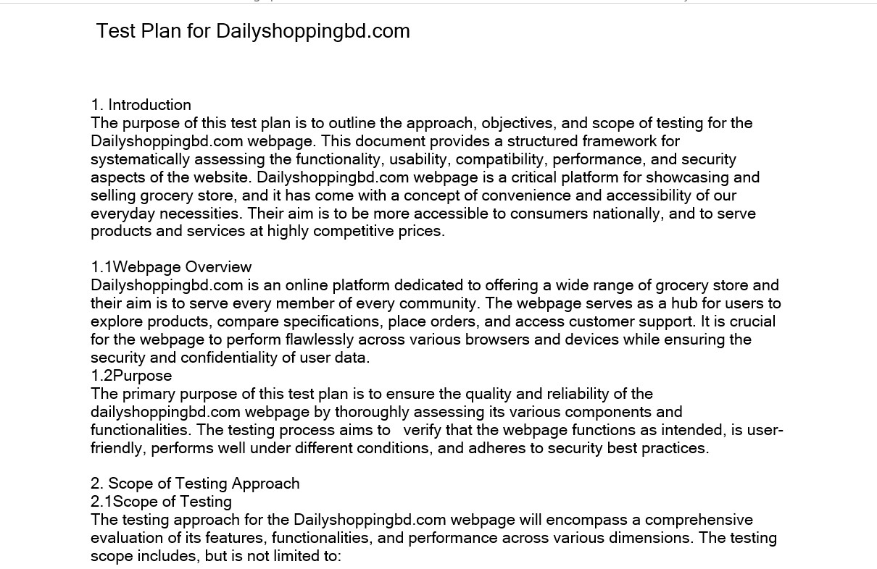

Please Click Here to show my testplan full PDF.

Mind Maps
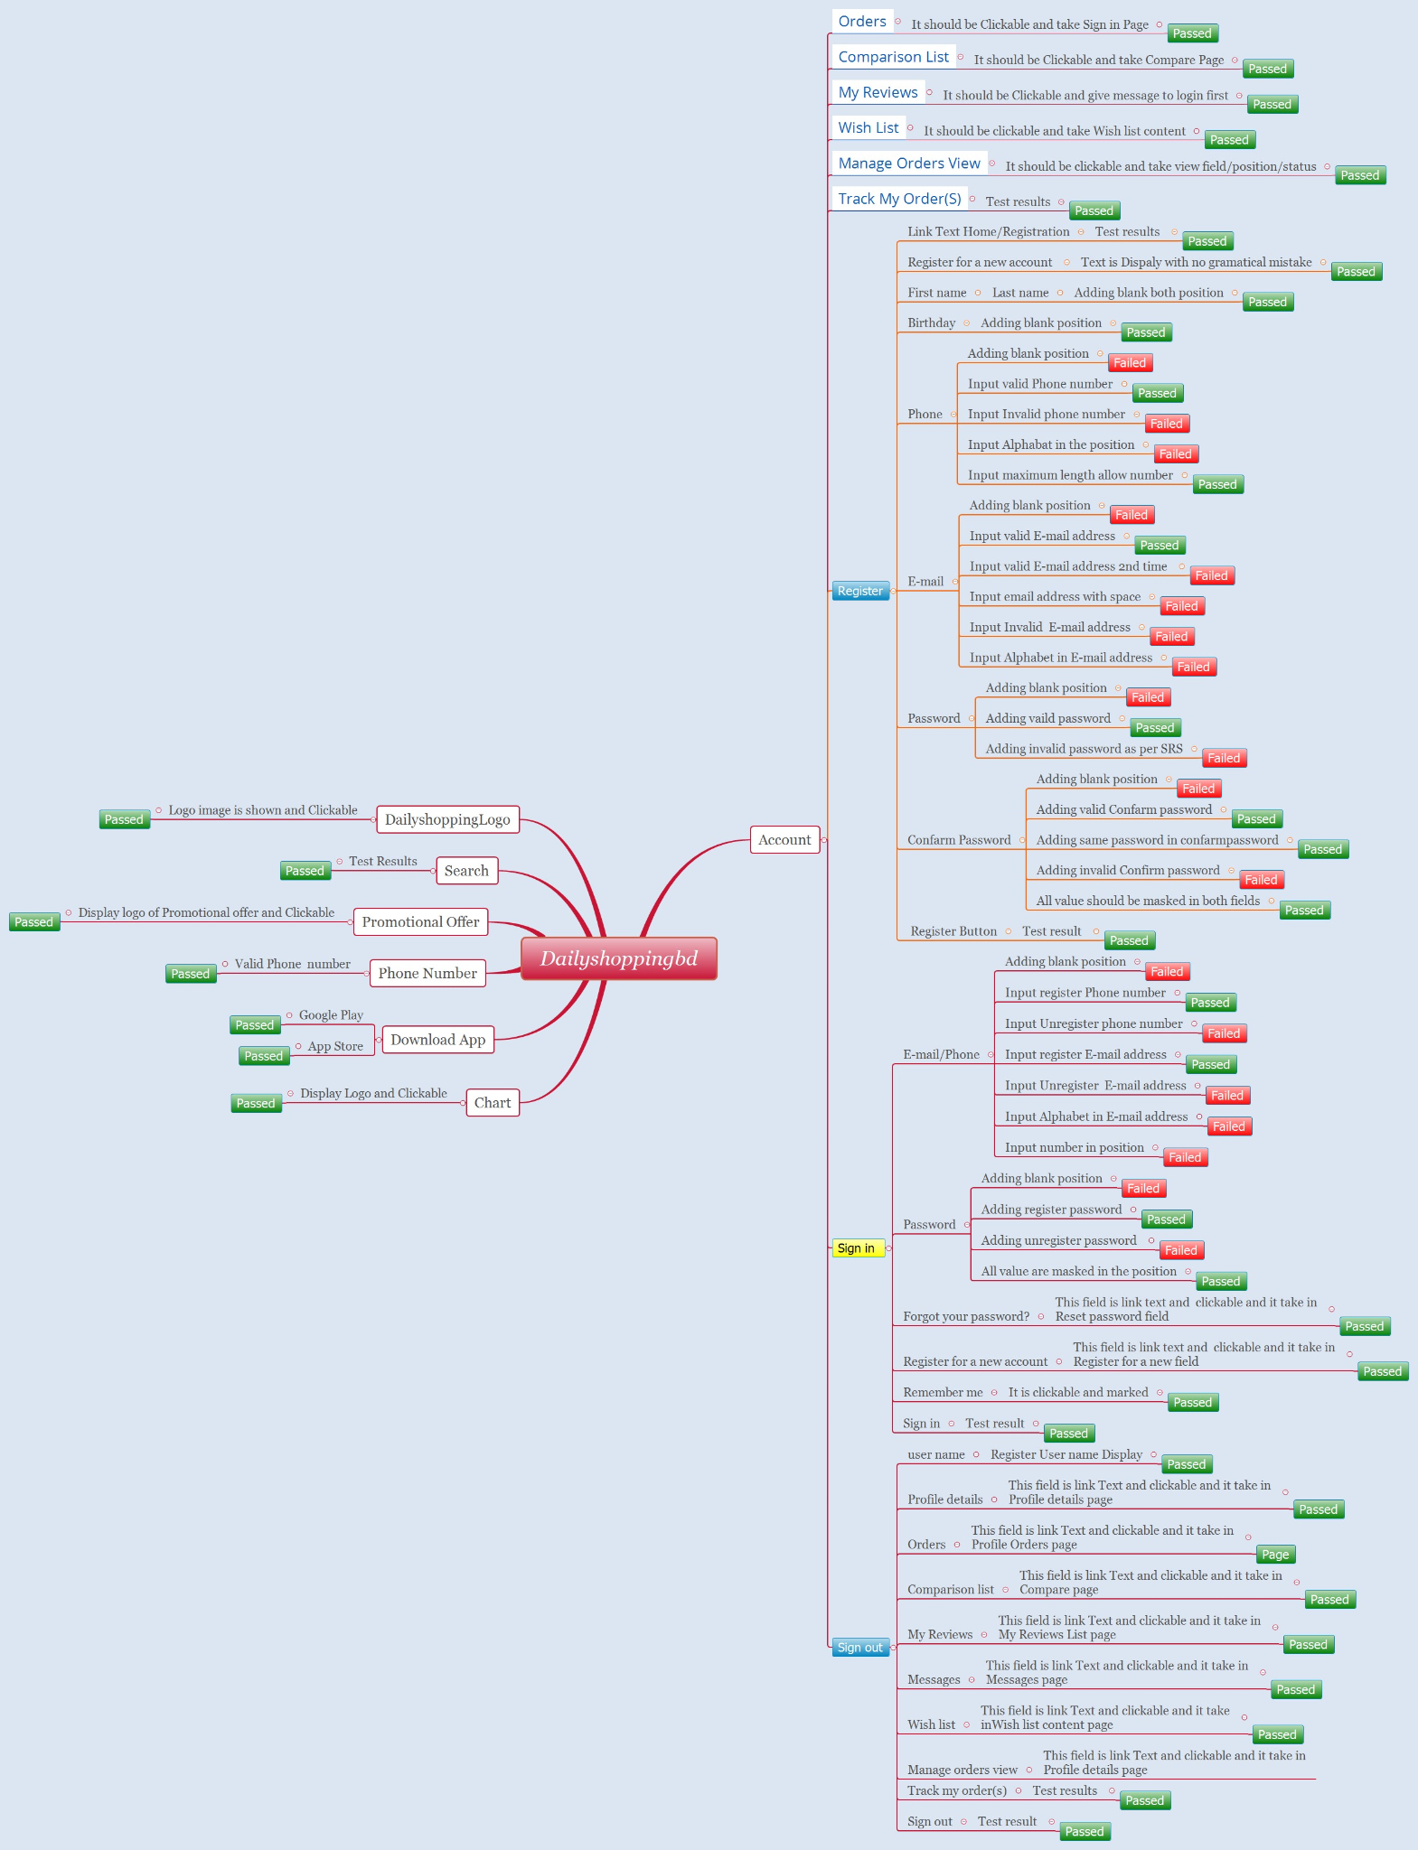

Test Summary Report
Test Case Report |  |  |  |  |  |  | Result :
Project Name | Daily Shopping bd
Written By | Md.Hanif |  |  |  |  | 15 | FAIL
Executed By | Md.Hanif |  |  |  |  | 0 | Not Executed
Reviewed By | Md.Hanif |  |  |  |  | 0 | Out of Range
TEST EXECUTION REPORT
Test Case Report
Test Case | PASS | FAIL | Not Executed | Out Of Range | Total TC
 | 78 | 15 | 0 | 0 | 93
Grand Total | 78 | 15 | 0 | 0 | 93

LIMITATIONS
Documents |  |  |  | Received | Useful
PRD |  |  |  | No | No
USER STORY |  |  |  | No | No

 | Testing Type in Scope | Description

Yes/ No. Justification (If No): | Functional Testing | This type of testing ignores the internal parts and focuses only on the output to check if it is as per the requirement or not.

Yes/ No. Justification (If No): | Browser - Testing | This type of testing also validates whether web application runs on all versions of all browsers or not.

Yes/ No. Justification (If No): | Boundary Value Testing | There is an upper and lower boundary for each range and testing is performed on these boundary values.

