Analise_Global
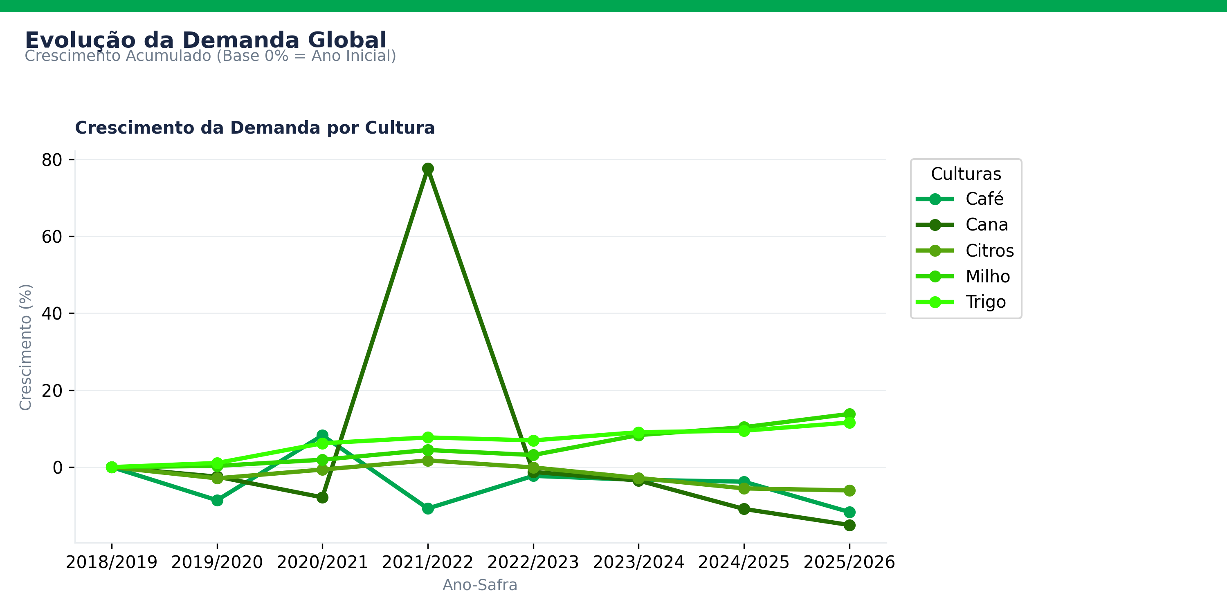
Ano | cultura | Demanda (Global) (1000 t) | Preço de venda da tonelada - U$D/t
2018/2019 | Milho | 1131999 | 164.41
2019/2020 | Milho | 1135478 | 170.07
2020/2021 | Milho | 1153724 | 165.47
2021/2022 | Milho | 1182293 | 259.55
2022/2023 | Milho | 1167488 | 318.81
2023/2024 | Milho | 1226187 | 252.66
2024/2025 | Milho | 1249398 | 190.6
2025/2026 | Milho | 1288357 | 203.2
2018/2019 | Trigo | 731254 | 209.93
2019/2020 | Trigo | 739042 | 201.69
2020/2021 | Trigo | 776543 | 231.57
2021/2022 | Trigo | 787639 | 315.24
2022/2023 | Trigo | 781979 | 429.97
2023/2024 | Trigo | 797579 | 340.43
2024/2025 | Trigo | 800470 | 268.67
2025/2026 | Trigo | 815862 | 243.33
2018/2019 | Café | 4698.0078304 | 2930
2019/2020 | Café | 4293.7619278 | 2880
2020/2021 | Café | 5084.7204938 | 3320
2021/2022 | Café | 4192.5808311 | 4510
2022/2023 | Café | 4590.6901336 | 5630
2023/2024 | Café | 4542.6757713 | 4540
2024/2025 | Café | 4519.9029969 | 5620
2025/2026 | Café | 4149.9508978 | 8470
2018/2019 | Citros | 30310 | 790
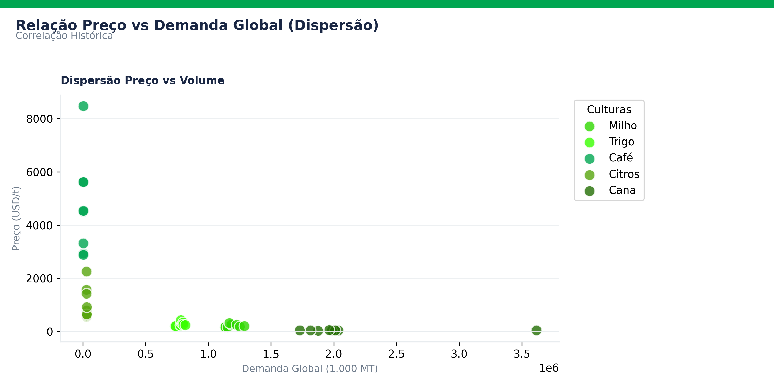
2019/2020 | Citros | 29425 | 560
2020/2021 | Citros | 30116 | 600
2021/2022 | Citros | 30837 | 650
2022/2023 | Citros | 30285 | 920
2023/2024 | Citros | 29456 | 1570
2024/2025 | Citros | 28634 | 2260
2025/2026 | Citros | 28473 | 1420
2018/2019 | Cana | 2035945.8398 | 38.460991744
2019/2020 | Cana | 1985530.2486 | 37.854908909
2020/2021 | Cana | 1875917.0894 | 36.264488717
2021/2022 | Cana | 3615628.9544 | 52.444277853
2022/2023 | Cana | 2010289.9723 | 55.350532225
2023/2024 | Cana | 1964956.387 | 56.720920134
2024/2025 | Cana | 1814527.8163 | 52.675257423
2025/2026 | Cana | 1729886.2705 | 52.134415472

