Sections
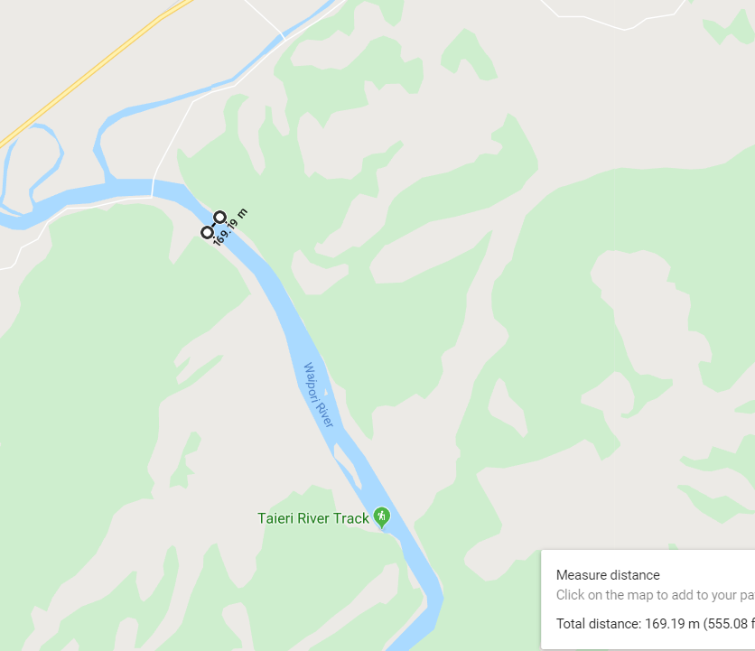
1 | C45 |  | DAM |  | 100 | .5hrs | 50 hrs
2 | C44
3 | C44B |  |  |  |  | @30.00 | 1500
4 | C43
5 | C43B
6 | C42 |  |  |  | SECTIONS | HR/SECTION | RATE/HR |  | TOTAL | days
7 | C41 |  |  | missing?? | 97 | 0.8 | 30.00 |  | 2328
8 | C39 |  |  | ORC count | 104 | 0.8 | 30.00 |  | 2496
9 | C32
10 | C37 |  |  | 10 | 10 per day
11 | C36
12 | C36B |  |  | 97 | 9.7 | days | 240 | /day | 2328
13 | C35 |  |  | 104 | 10.4
14 | C34
15 | C33
16 | C32
17 | C32B
18 | C31B |  |  |  | a change
19 | C31C
20 | C31D
21 | C30
22 | C30B
23 | C29
24 | B12
25 | B10
26 | C28
27 | C27
28 | C27B
29 | C27C
30 | C26
31 | C26B
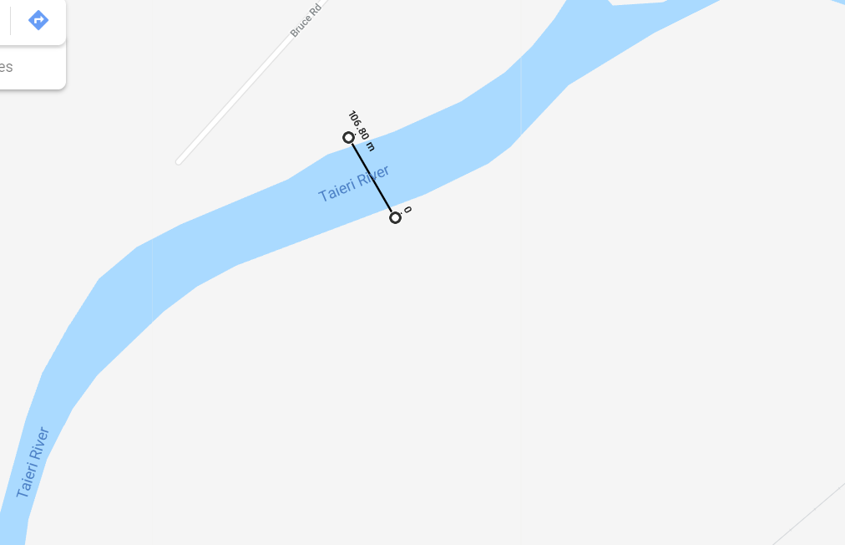
32 | C25
33 | C24
34 | C24B
35 | C23
36 | C23B
37 | C22
38 | C21
39 | C20
40 | C20B
41 | C20C
42 | C20D
43 | C19
44 | C18
45 | C17
46 | C16
47 | C15
48 | C14
49 | C13
50 | C11
51 | C12
52 | C10
53 | C8
54 | C7
55 | C6
56 | C4
57 | C3
58 | C2
59 | C1
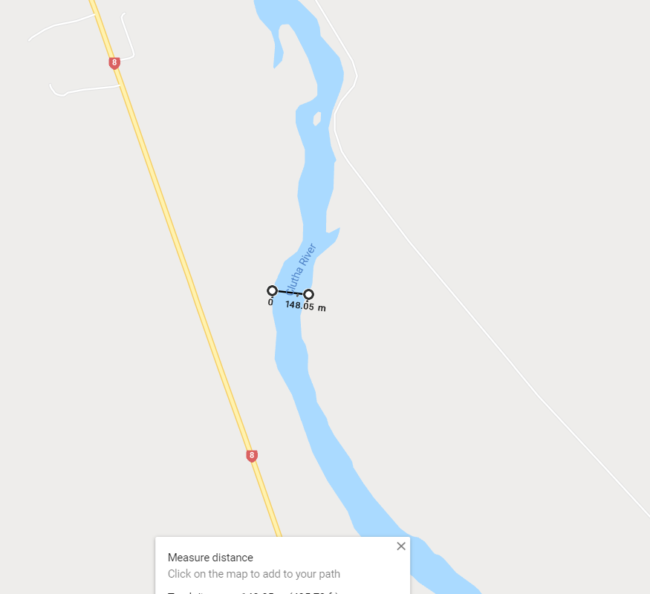
60 | K13
61 | K12
62 | K11
63 | K10A
64 | K9
65 | K54
66 | K67
67 | K91
68 | K92
69 | K93
70 | K94 | MOUTH
71 | M12
72 | M11
73 | M10
74 | M9
75 | M8
76 | M7
77 | M7A
78 | M6
79 | M5
80 | M94
81 | M99
82 | M100
83 | M101
84 | M128
85 | M140
86 | M147
87 | M154
88 | M197
89 | M196
90 | M195
91 | M202
92 | M223
93 | M224
94 | M225
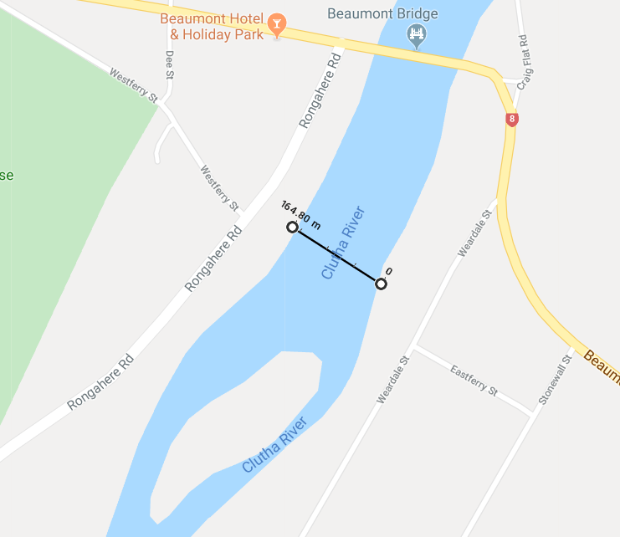
95 | M226
96 | M227
97 | M228 | MOUTH

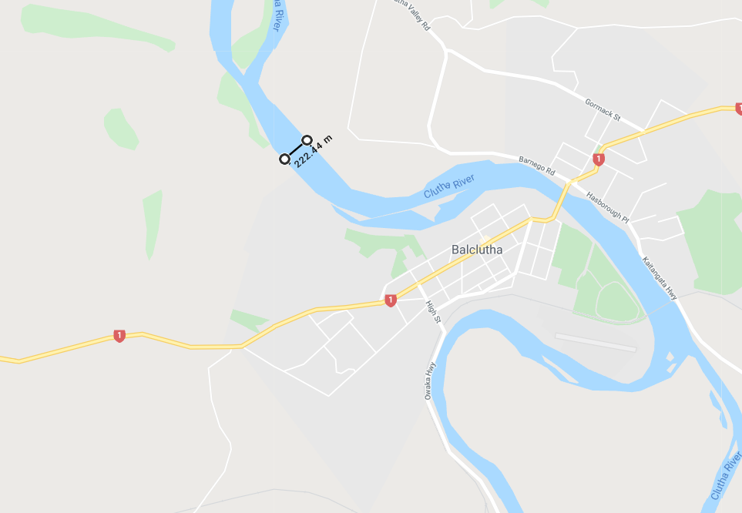

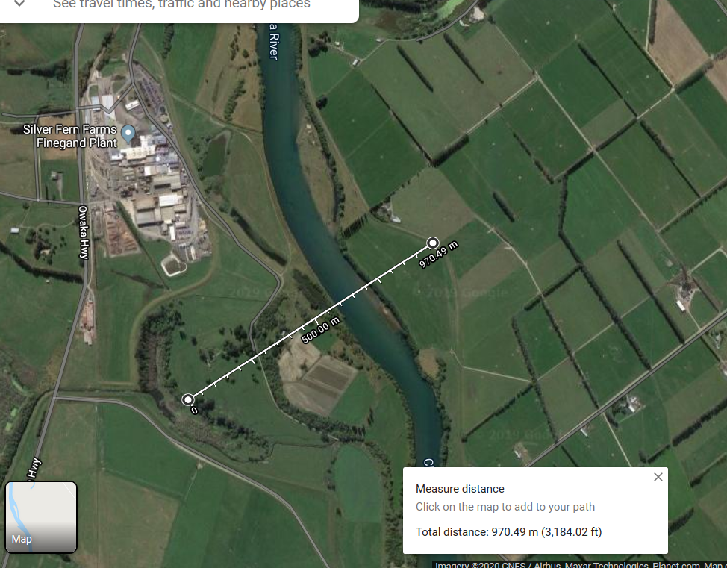

 |  |  |  |  |  |  |  |  |  |  | K9

