Cohens Kappa
recordnum | r1_relevant | r1_notrelevant | r2_relevant | r2_notrelevant
1 | 2 | 0 | 1 | 0 |  | r2_relevant | r2_irrelevant |  | R2 Relevant | R2 Irrelevant | Row Total
2 | 4 | 1 | 4 | 2 | r1_relevant | 18 | 44 | R1 Relevant | 18 | 44 | 62
3 | 6 | 3 | 8 | 3 | r1_irrelevant | 1 | 83 | R1 irreelevant | 1 | 83 | 84
4 | 7 | 5 | 10 | 5 |  |  |  | Column total | 19 | 127 | 156
5 | 8 | 11 | 15 | 6
6 | 9 | 12 | 22 | 7
7 | 10 | 14 | 36 | 9
8 | 13 | 16 | 42 | 11
9 | 15 | 17 | 57 | 12
10 | 20 | 18 | 60 | 13
11 | 22 | 19 | 66 | 14
12 | 26 | 21 | 83 | 16
13 | 28 | 23 | 84 | 17
14 | 29 | 24 | 86 | 18
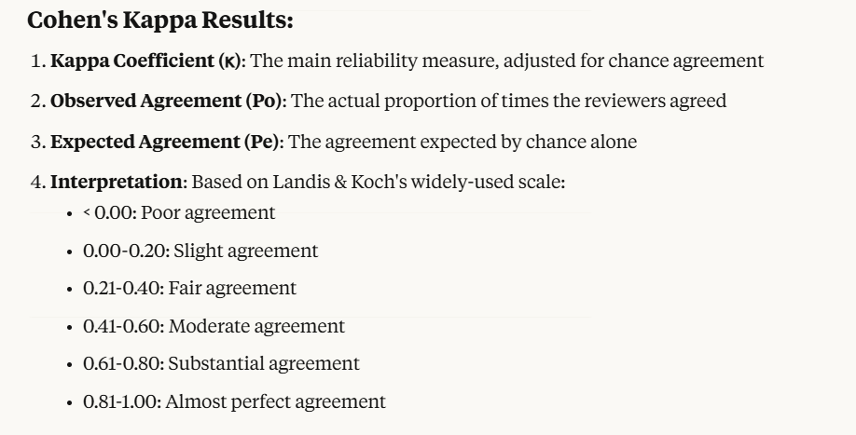
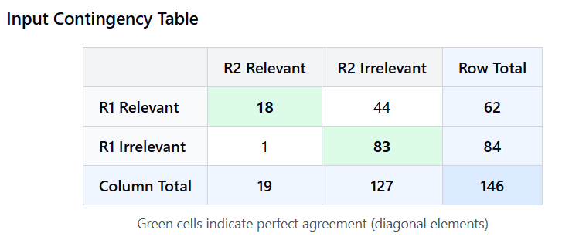
15 | 31 | 25 | 89 | 19
16 | 32 | 27 | 93 | 20
17 | 36 | 30 | 111 | 21
18 | 38 | 33 | 127 | 23
19 | 42 | 34 | 131 | 24
20 | 43 | 35 |  | 25
21 | 47 | 37 |  | 26
22 | 51 | 39 |  | 27
23 | 57 | 40 |  | 28
24 | 60 | 41 |  | 29
25 | 63 | 44 |  | 30
26 | 64 | 45 |  | 31
27 | 66 | 46 |  | 32
28 | 67 | 48 |  | 33
29 | 69 | 49 |  | 34
30 | 71 | 50 |  | 35
31 | 75 | 52 |  | 37
32 | 78 | 53 |  | 38
33 | 82 | 54 |  | 39
34 | 83 | 55 |  | 40
35 | 84 | 56 |  | 41
36 | 85 | 58 |  | 43
37 | 86 | 59 |  | 44
38 | 87 | 61 |  | 45
39 | 88 | 62 |  | 46
40 | 89 | 65 |  | 47
41 | 91 | 68 |  | 48
42 | 93 | 70 |  | 49
43 | 98 | 72 |  | 50
44 | 101 | 73 |  | 51
45 | 104 | 74 |  | 52
46 | 109 | 76 |  | 53
47 | 111 | 77 |  | 54
48 | 112 | 79 |  | 55
49 | 114 | 80 |  | 56
50 | 116 | 81 |  | 58
51 | 123 | 90 |  | 59
52 | 126 | 92 |  | 61
53 | 127 | 94 |  | 62
54 | 129 | 95 |  | 63
55 | 131 | 96 |  | 64
56 | 132 | 97 |  | 65
57 | 133 | 99 |  | 67
58 | 134 | 100 |  | 68
59 | 135 | 102 |  | 69
60 | 136 | 103 |  | 70
61 | 137 | 105 |  | 71
62 | 143 | 106 |  | 72
63 |  | 107 |  | 73
64 |  | 108 |  | 74
65 |  | 110 |  | 75
66 |  | 113 |  | 76
67 |  | 115 |  | 77
68 |  | 117 |  | 78
69 |  | 118 |  | 79
70 |  | 119 |  | 80
71 |  | 120 |  | 81
72 |  | 121 |  | 82
73 |  | 122 |  | 85
74 |  | 124 |  | 87
75 |  | 125 |  | 88
76 |  | 128 |  | 90
77 |  | 130 |  | 91
78 |  | 138 |  | 92
79 |  | 139 |  | 94
80 |  | 140 |  | 95
81 |  | 141 |  | 96
82 |  | 142 |  | 97
83 |  | 144 |  | 98
84 |  | 145 |  | 99
85 |  |  |  | 100
86 |  |  |  | 101
87 |  |  |  | 102
88 |  |  |  | 103
89 |  |  |  | 104
90 |  |  |  | 105
91 |  |  |  | 106
92 |  |  |  | 107
93 |  |  |  | 108
94 |  |  |  | 109
95 |  |  |  | 110
96 |  |  |  | 112
97 |  |  |  | 113
98 |  |  |  | 114
99 |  |  |  | 115
100 |  |  |  | 116
101 |  |  |  | 117
102 |  |  |  | 118
103 |  |  |  | 119
104 |  |  |  | 120
105 |  |  |  | 121
106 |  |  |  | 122
107 |  |  |  | 123
108 |  |  |  | 124
109 |  |  |  | 125
110 |  |  |  | 126
111 |  |  |  | 128
112 |  |  |  | 129
113 |  |  |  | 130
114 |  |  |  | 132
115 |  |  |  | 133
116 |  |  |  | 134
117 |  |  |  | 135
118 |  |  |  | 136
119 |  |  |  | 137
120 |  |  |  | 138
121 |  |  |  | 139
122 |  |  |  | 140
123 |  |  |  | 141
124 |  |  |  | 142
125 |  |  |  | 143
126 |  |  |  | 144
127 |  |  |  | 145

Data Extraction and Quality Ass
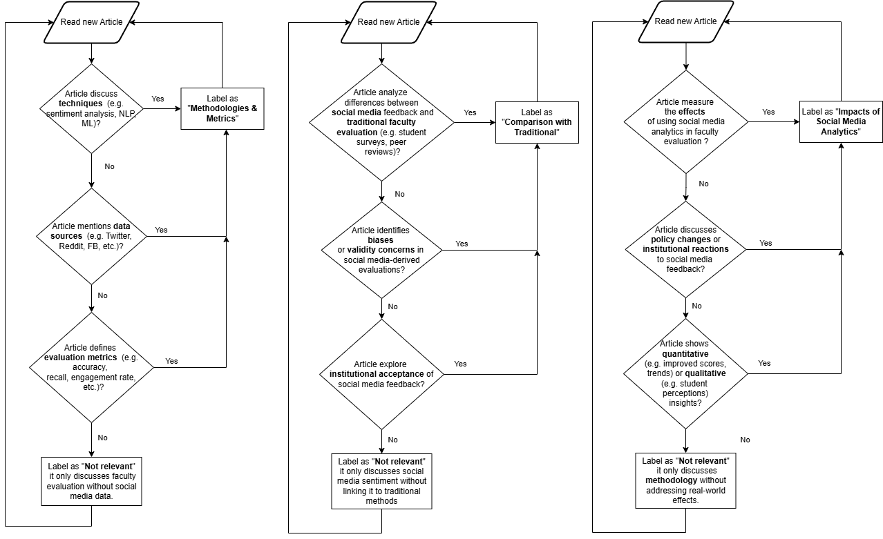
Data Extraction and Quality Assessment Framework

1. Initial Screening Checklist
 | Primary Screening (Pass/Fail)
 | FALSE | Published within 2014-2024
 | FALSE | Peer-reviewed publication
 | FALSE | English language
 | FALSE | Higher education context
 | FALSE | Contains empirical data
 | FALSE | Full text available
 | FALSE | Focuses on social media analytics in faculty evaluation

 | Secondary Screening (Minimum 3/5 required)
 | FALSE | Clear research objectives
 | FALSE | Detailed methodology description
 | FALSE | Sample size and characteristics reported
 | FALSE | Data analysis procedures explained
 | FALSE | Results clearly presented

2. Data Extraction Template
 | 2.1 Study Demographics
 |  | Field | Details to Extract
 |  | Study ID | Unique identifier
 |  | Authors | Full names
 |  | Year | Publication year
 |  | Country | Study location
 |  | Institution Type | University/College classification
 |  | Study Duration | Time period of data collection
 |  | Sample Size | Number of participants/data points

 | 2.2 Methodological Components |  |  | Quality Assessment Scoring | Score Range (0-5)
 |  | Component | Details to Extract
 |  | Research Design | Qualitative/Quantitative/Mixed
 |  | Social Media Platforms | Platforms analyzed
 |  | Research Design | Tools and techniques used
 |  | Analysis Techniques | Statistical/textual analysis methods
 |  | Software Used | Analysis tools and packages
 |  | Validation Methods | How results were validated

 | 2.3 Results and Findings
 |  | Aspect | Details to Extract
 |  | Key Findings | Primary outcomes
 |  | Metrics Used | Quantitative measures
 |  | Sentiment Analysis | Methods and results
 |  | Traditional Comparison | Comparison with conventional methods
 |  | Implementation Challenges | Reported difficulties
 |  | Recommendations | Suggested improvements

3. Quality Assessment Scoring

 | 3.1 Methodological Quality (20 points)
 |  | Research Design | 1 - Basic design with some explantion 3 - Adequate design with some explantion 5 - Comprehensive design with clear justification
 |  | Data Collection | 1 - Unclear or poorly documented 3 - Standard collection methods 5 -Systematic, well-documented collection
 |  | Analysis Methods | 1 - Basic or unclear analysis 3 - Standard analytical methods 5 - Advanced, appropriate analytics
 |  | Validity Measures | 1 - Limited/no validation 3 - Basic validation included 5 - Multiple validation strategies

 | 3.2 Relevance Quality (20 points)
 |  | Topic Alignment | 5: Direct alignment with research questions
 |  |  | 3: Partial alignment
 |  |  | 1: Tangential relevance
 |  | Depth of Analysis | 5: In-depth analysis of social media data
 |  |  | 3: Moderate analytical depth
 |  |  | 1: Surface-level analysis
 |  | Practical Implementation | 5: Detailed implementation insights
 |  |  | 3: Some practical discussion
 |  |  | 1: Limited practical value
 |  | Result Significance | 5: Highly significant findings
 |  |  | 3: Moderately significant results
 |  |  | 1: Limited significance

4. Data Synthesis Strategy

 | 4.1 Quantitative Synthesis
 | Calculate frequency distributions of:
 |  | Methodologies used
 |  | Social media platforms analyzed
 |  | Metrics employed
 |  | Success rates reported
 | 4.2 Qualitative Synthesis
 | Thematic coding of:
 |  | Implementation challenges
 |  | Success factors
 |  | Stakeholder perspectives
 |  | Recommendations
 | 4.3 Mixed Methods Integration
 |  | Cross-tabulation of quantitative and qualitative findings
 |  | Identification of patterns and relationships
 |  | Development of conceptual framework
 | 5. Quality Threshold Requirements
 |  | Minimum total score: 24/40 (60%)
 |  | Minimum methodological score: 12/20
 |  | Minimum relevance score: 12/20
 |  | Must score at least 3/5 on Topic Alignment

Detailed Scoring Rubrics and Sy
2. Synthesis Templates
 | 2.1 Cross-Study Analysis Matrix

 | Study ID | Method Used | Platform | Sample Size | Key Metrics | Outcomes | Quality Score

 | .2.2 Thematic Synthesis Template
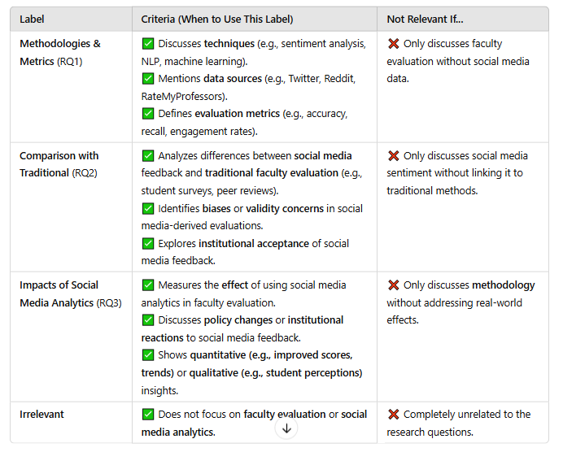

 | Theme | Supporting Studies | Contradicting StudiesS | Strength of Evidence
 | Theme 1 | Studies supporting | Studies contradicting | Strong/Moderate/Weak
 | Theme 2

 | 2.3 Implementation Findings Matrix

 | Implementation Aspect | Successful Approaches | Challenges | Recommendations
 | Technical
 | Methodological
 | Ethical
 | Practical

3. Process Management Tools
 | 3.1 Review Progress Tracker

 | Stage | Total Papers | In Progress | Completed | Issues | Next Actions
 | Initial Screening
 | Full Text Review
 | Quality Assessment
 | Data Extraction
 | Synthesis

 | 3.2 Inter-Rater Reliability Calculator

 | Paper ID | Reviewer 1 Score | Reviewer 2 Score | Difference | Resolution | Final Score
 | Paper 1
 | Paper 2

 | 3.3 Weekly Review Schedule Template

 | Week | Papers to Review | Reviewer 1 | Reviewer 2 | Due Date | Status
 | 1
 | 2

4. Quality Control Checklist
 | 4.1 Paper Review Quality Control
 | FALSE | Both reviewers completed independent assessments
 | FALSE | Disagreements documented and resolved
 | FALSE | Final quality score calculated and verified
 | FALSE | Supporting evidence documented for scores
 | 4.2 Data Extraction Quality Control
 | FALSE | All required fields completed
 | FALSE | Data validated against source
 | FALSE | Missing data noted and justified
 | FALSE | Unusual findings flagged for review
 | FALSE | Cross-reference with quality score
 | 4.3 Synthesis Quality Control
 | FALSE | Themes independently verified
 | FALSE | Supporting evidence documented
 | FALSE | Contradictions explored
 | FALSE | Patterns validated
 | FALSE | Conclusions supported by data

AISeL
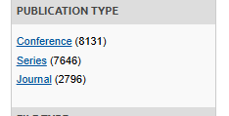
 | # Results
Primary search string | 18,573 | 1766 | 16,807 | 17,369
( social media analytics ) OR ( social media ) OR ( online platforms ) OR ( digital platforms ) AND ( faculty evaluation ) OR ( faculty assessment ) OR ( teaching evaluations ) OR ( academic performance )

Peer reviewed is checked | 3346

Date range (1/1/2015-12/31/2024) is added | 1723

Scopus
 |  |  | # Results
 | Primary search string |  | 2,577 |  |  | 562
 | TITLE-ABS-KEY ( "faculty evaluation" OR "faculty assessment" OR "teaching evaluation" OR "academic performance" ) AND ( "social media" OR "online platforms" OR "digital tools" )


 | English only |  | 2,461 |  |  |  | 98
 |  |  |  |  |  |  | 9
 | Date range (1/1/2015-12/31/2024) is added |  | 2,338 |  |  |  | 7
 |  |  |  |  |  |  | 4
 | Article |  | 1,822 |  |  |  | 2
 | Conference |  | 294 |  |  |  | 2
 | Review |  | 97 |  |  |  | 2
 |  |  |  |  |  |  | 1

 | Publication stage Final |  | 2,039 |  | 2090 | >2014 <2026 | 125

 | All open access |  | 1,052

 |  |  |  |  |  |  | 7646
 | TITLE-ABS-KEY ( "faculty evaluation" OR "faculty assessment" OR "teaching evaluation" OR "academic performance" ) AND ( "social media" OR "online platforms" OR "digital tools" ) AND PUBYEAR > 2014 AND PUBYEAR < 2026 AND ( LIMIT-TO ( SRCTYPE , "j" ) OR LIMIT-TO ( SRCTYPE , "p" ) ) AND ( LIMIT-TO ( PUBSTAGE , "final" ) ) AND ( LIMIT-TO ( DOCTYPE , "cp" ) OR LIMIT-TO ( DOCTYPE , "ar" ) ) AND ( LIMIT-TO ( LANGUAGE , "English" ) ) |  | 2,015 |  |  |  | 7771

 | TITLE-ABS-KEY ( "faculty evaluation" OR "faculty assessment" OR "teaching evaluation" OR "academic performance" ) AND ( "social media" OR "online platforms" OR "digital tools" ) AND PUBYEAR > 2014 AND PUBYEAR < 2026 AND PUBYEAR > 2014 AND PUBYEAR < 2026 AND ( LIMIT-TO ( SRCTYPE , "j" ) OR LIMIT-TO ( SRCTYPE , "p" ) ) AND ( LIMIT-TO ( PUBSTAGE , "final" ) ) AND ( LIMIT-TO ( DOCTYPE , "cp" ) OR LIMIT-TO ( DOCTYPE , "ar" ) ) AND ( LIMIT-TO ( LANGUAGE , "English" ) ) |  | 2,015

2025-02-11 | TITLE-ABS-KEY ( "faculty evaluation" OR "faculty assessment" OR "teaching evaluation" OR "academic performance" ) AND ( "social media" OR "online social networks" OR "social web" OR "digital social network" ) |  | 2,412

Filter 1 | English only |  | 2,325

Filter 2 | Date range (2019-2025) is added |  | 1,970

Filter 3 | Article |  | 1,577
 | Conference |  | 223 | 1,800
 | Review |  | 80

Filter 4 | Publication stage Final |  | 1,718

Filter 5 | All open access |  | 928
Filter 6

with HEI | TITLE-ABS-KEY("social media" OR "social network*" OR "web 2.0" OR "digital platform*" OR "online platform*" OR "social computing" OR "virtual communit*" OR "online communit*" OR "user generated content" OR "social web" OR "digital media" OR "internet forum*" OR "microblog*" OR "social software") AND TITLE-ABS-KEY("faculty evaluat*" OR "teacher evaluat*" OR "instructor evaluat*" OR "teaching effectiveness" OR "teaching performance" OR "faculty assessment*" OR "teacher assessment*" OR "academic evaluation*" OR "teaching quality" OR "faculty performance" OR "educational assessment*") AND TITLE-ABS-KEY("higher education" OR "university" OR "universities" OR "college*" OR "tertiary education" OR "post-secondary") AND (LIMIT-TO(LANGUAGE, "English")) AND (LIMIT-TO(DOCTYPE, "ar") OR LIMIT-TO(DOCTYPE, "cp")) AND (LIMIT-TO(SUBJAREA, "SOCI") OR LIMIT-TO(SUBJAREA, "COMP") OR LIMIT-TO(SUBJAREA, "BUSI") OR LIMIT-TO(SUBJAREA, "DECI")) |  | 73

no HEI | TITLE-ABS-KEY ( "social media" OR "social network*" OR "web 2.0" OR "digital platform*" OR "online platform*" OR "social computing" OR "virtual communit*" OR "online communit*" OR "user generated content" OR "social web" OR "digital media" OR "internet forum*" OR "microblog*" OR "social software" ) AND TITLE-ABS-KEY ( "faculty evaluat*" OR "teacher evaluat*" OR "instructor evaluat*" OR "teaching effectiveness" OR "teaching performance" OR "faculty assessment*" OR "teacher assessment*" OR "academic evaluation*" OR "teaching quality" OR "faculty performance" OR "educational assessment*" ) AND ( LIMIT-TO ( LANGUAGE , "English" ) ) |  | 369
Filter 1 | English only |  | 369
Filter 2 | Date range (2019-2025) is added |  | 177
Filter 3 | Article | 117
 | Conference | 44
 | Review | 2025-06-07 | 161
Filter 4 | Publication stage Final
Filter 5 | Source type (Limited to Journal & Conference proceeding) |  | 146

