Summary
仮想の棚・通路配置に於ける、横通路有無別での群知能ACO式と東式の距離比較

 | 図：左より、「東式」、「群知能ACO式」、「横通路有」のレイアウト
 | 「東式」は実質的には下左図の順番に通路制約のあるショートカット距離を辿るもの。（中央通路があればそれも利用する）
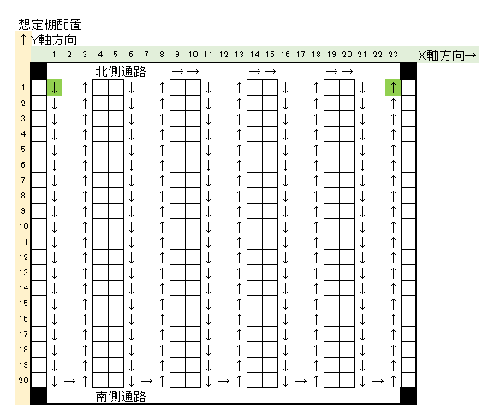
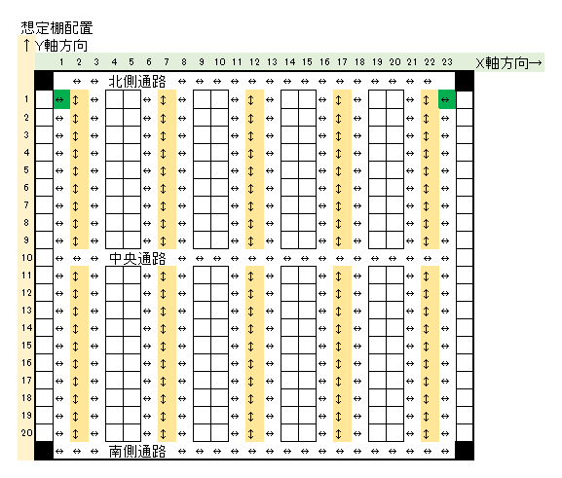
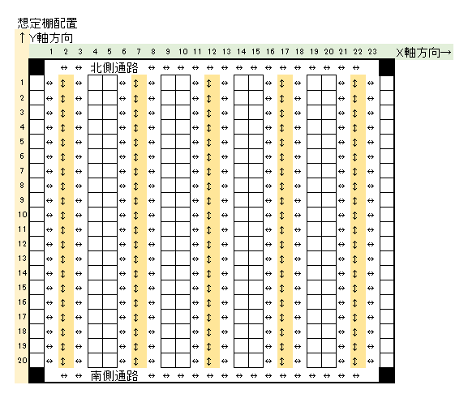

 | 表：上図の任意のポイントをランダム選択し、群知能ACO式とショートカット有東式とを巡回距離で比較したもの
 | 横通路有無 | 巡回箇所数（始終点以外） | 群知能ACO | ショートカット有東方式 | 短縮率｛ACO÷東方式｝
 | 横通路有り | 3 | 54.84 | 58.4 | -6.10%
 |  | 5 | 65.74 | 72.04 | -8.75%
 |  | 10 | 89.29 | 105.56 | -15.41%
 |  | 15 | 104.9 | 131.82 | -20.42%
 | 横通路無し | 3 | 63.9 | 67.42 | -5.22%
 |  | 5 | 80.47 | 88.64 | -9.22%
 |  | 10 | 105.51 | 127.04 | -16.95%
 |  | 15 | 117.41 | 151.22 | -22.36%

 | 考察
 | ・横通路の有無に拘わらず、巡回順番の入れ替えを許す群知能ACO式がショートカット有の東式より距離が短くなる。
 | ・巡回箇所数が多くなる程、群知能ACO式による距離の短縮効果（短縮率）が大きくなる。
 | ・巡回箇所数が多くなることによる距離の短縮効果は横通路が無い場合の方が大きい。

Spec20180813_West_NoYoko
棚番地間距離計算関数

 | 想定棚配置
 | ↑Y軸方向
 |  |  | 1 | 2 | 3 | 4 | 5 | 6 | 7 | 8 | 9 | 10 | 11 | 12 | 13 | 14 | 15 | 16 | 17 | 18 | 19 | 20 | 21 | 22 | 23 | X軸方向→ | 下図の「西」方式
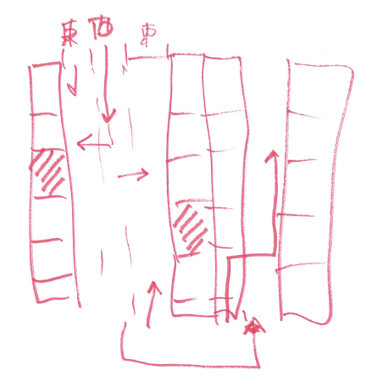
 |  |  |  | ↔ | ↔ | 北側通路 |  |  |  | ↔ | ↔ | ↔ | ↔ | ↔ | ↔ | ↔ | ↔ | ↔ | ↔ | ↔ | ↔ | ↔ | ↔ | ↔
 | 1 |  | ↔ | ↕ | ↔ |  |  | ↔ | ↕ | ↔ |  |  | ↔ | ↕ | ↔ |  |  | ↔ | ↕ | ↔ |  |  | ↔ | ↕ | ↔
 | 2 |  | ↔ | ↕ | ↔ |  |  | ↔ | ↕ | ↔ |  |  | ↔ | ↕ | ↔ |  |  | ↔ | ↕ | ↔ |  |  | ↔ | ↕ | ↔
 | 3 |  | ↔ | ↕ | ↔ |  |  | ↔ | ↕ | ↔ |  |  | ↔ | ↕ | ↔ |  |  | ↔ | ↕ | ↔ |  |  | ↔ | ↕ | ↔
 | 4 |  | ↔ | ↕ | ↔ |  |  | ↔ | ↕ | ↔ |  |  | ↔ | ↕ | ↔ |  |  | ↔ | ↕ | ↔ |  |  | ↔ | ↕ | ↔
 | 5 |  | ↔ | ↕ | ↔ |  |  | ↔ | ↕ | ↔ |  |  | ↔ | ↕ | ↔ |  |  | ↔ | ↕ | ↔ |  |  | ↔ | ↕ | ↔
 | 6 |  | ↔ | ↕ | ↔ |  |  | ↔ | ↕ | ↔ |  |  | ↔ | ↕ | ↔ |  |  | ↔ | ↕ | ↔ |  |  | ↔ | ↕ | ↔
 | 7 |  | ↔ | ↕ | ↔ |  |  | ↔ | ↕ | ↔ |  |  | ↔ | ↕ | ↔ |  |  | ↔ | ↕ | ↔ |  |  | ↔ | ↕ | ↔
 | 8 |  | ↔ | ↕ | ↔ |  |  | ↔ | ↕ | ↔ |  |  | ↔ | ↕ | ↔ |  |  | ↔ | ↕ | ↔ |  |  | ↔ | ↕ | ↔
 | 9 |  | ↔ | ↕ | ↔ |  |  | ↔ | ↕ | ↔ |  |  | ↔ | ↕ | ↔ |  |  | ↔ | ↕ | ↔ |  |  | ↔ | ↕ | ↔
 | 10 |  | ↔ | ↕ | ↔ |  |  | ↔ | ↕ | ↔ |  |  | ↔ | ↕ | ↔ |  |  | ↔ | ↕ | ↔ |  |  | ↔ | ↕ | ↔
 | 11 |  | ↔ | ↕ | ↔ |  |  | ↔ | ↕ | ↔ |  |  | ↔ | ↕ | ↔ |  |  | ↔ | ↕ | ↔ |  |  | ↔ | ↕ | ↔
 | 12 |  | ↔ | ↕ | ↔ |  |  | ↔ | ↕ | ↔ |  |  | ↔ | ↕ | ↔ |  |  | ↔ | ↕ | ↔ |  |  | ↔ | ↕ | ↔
 | 13 |  | ↔ | ↕ | ↔ |  |  | ↔ | ↕ | ↔ |  |  | ↔ | ↕ | ↔ |  |  | ↔ | ↕ | ↔ |  |  | ↔ | ↕ | ↔
 | 14 |  | ↔ | ↕ | ↔ |  |  | ↔ | ↕ | ↔ |  |  | ↔ | ↕ | ↔ |  |  | ↔ | ↕ | ↔ |  |  | ↔ | ↕ | ↔
 | 15 |  | ↔ | ↕ | ↔ |  |  | ↔ | ↕ | ↔ |  |  | ↔ | ↕ | ↔ |  |  | ↔ | ↕ | ↔ |  |  | ↔ | ↕ | ↔
 | 16 |  | ↔ | ↕ | ↔ |  |  | ↔ | ↕ | ↔ |  |  | ↔ | ↕ | ↔ |  |  | ↔ | ↕ | ↔ |  |  | ↔ | ↕ | ↔
 | 17 |  | ↔ | ↕ | ↔ |  |  | ↔ | ↕ | ↔ |  |  | ↔ | ↕ | ↔ |  |  | ↔ | ↕ | ↔ |  |  | ↔ | ↕ | ↔
 | 18 |  | ↔ | ↕ | ↔ |  |  | ↔ | ↕ | ↔ |  |  | ↔ | ↕ | ↔ |  |  | ↔ | ↕ | ↔ |  |  | ↔ | ↕ | ↔
 | 19 |  | ↔ | ↕ | ↔ |  |  | ↔ | ↕ | ↔ |  |  | ↔ | ↕ | ↔ |  |  | ↔ | ↕ | ↔ |  |  | ↔ | ↕ | ↔
 | 20 |  | ↔ | ↕ | ↔ |  |  | ↔ | ↕ | ↔ |  |  | ↔ | ↕ | ↔ |  |  | ↔ | ↕ | ↔ |  |  | ↔ | ↕ | ↔
 |  |  |  | ↔ | ↔ | 南側通路 |  |  |  | ↔ | ↔ | ↔ | ↔ | ↔ | ↔ | ↔ | ↔ | ↔ | ↔ | ↔ | ↔ | ↔ | ↔ | ↔

 |  | 仕様検討
 |  |  | 幹線通路：Y軸方向は通路中央（上図の2,7,12,17,22列）を移動する。
 |  |  | 枝通路：各棚には、幹線通路から左右（東西）に一歩踏み出してアクセスする。
 |  |  | 幹線通路間移動：棚をまたぐ幹線通路間の移動は、南北通路経由の近いほうを辿って行う。

 |  | 実装方針
 |  |  | 「枝通路↔幹線通路」は出入り各々距離1であるので、最短距離計算上は、
 |  |  | 各棚の至近幹線通路位置間の移動と捉えてみる※
 |  |  | ※すぐ左右隣の棚に移動するにも幹線通路経由となり距離が3となる部分は今後要検討

 |  | 実装
 |  |  | 上記方針の下では、巡回すべき棚位置情報を対応する幹線通路位置に変換したデータで与える限りは、
 |  |  | 巡回ルート探索に於いては、「Spec20180803」とほぼ同等※となる。
 |  |  | ※但しx11_y1とx11_y3等のような、背中合わせとなる、同じ至近幹線通路位置を持つ棚については要検討。
 |  |  |  | →入力を枝通路位置として、対応する至近幹線通路位置にシステム側で変換して巡回経路を計算する等。

