A̳ssets

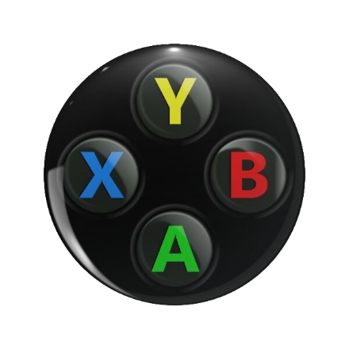

Paleta de Cores

# 9BC848 | Xbox Color | #E8E6E9 | negative zone
#22C55E | Xbox Color
# 2AE6B1 | Menus
# 5BF6A8 | Menus

Logos |  |  |  | ícones

D̳ashboard
 | Total
No | R$3,847.00
Yes | R$3,786.00
TOTAL SUBSCRIPTIONS XBOX GAME Pass - RENEWABLE (YES) | NON-RENEWABLE (nO)
 | XBOX GAME PASS SUBSCRIPTIONS SALES

 | Period calculation : 01/01/2024 - 31/12/2024 | Updade date: 25/12/2024 - 09:00:00

R$ 2.940,00
TOTAL SUBSCRIPTIONS EA PLAY SEASON PASS
R$ 3.880,00
TOTAL SUBSCRIPTIONS Minecraft Season Pass
> Bem vindo, Sr. Mateus

