Sheet1
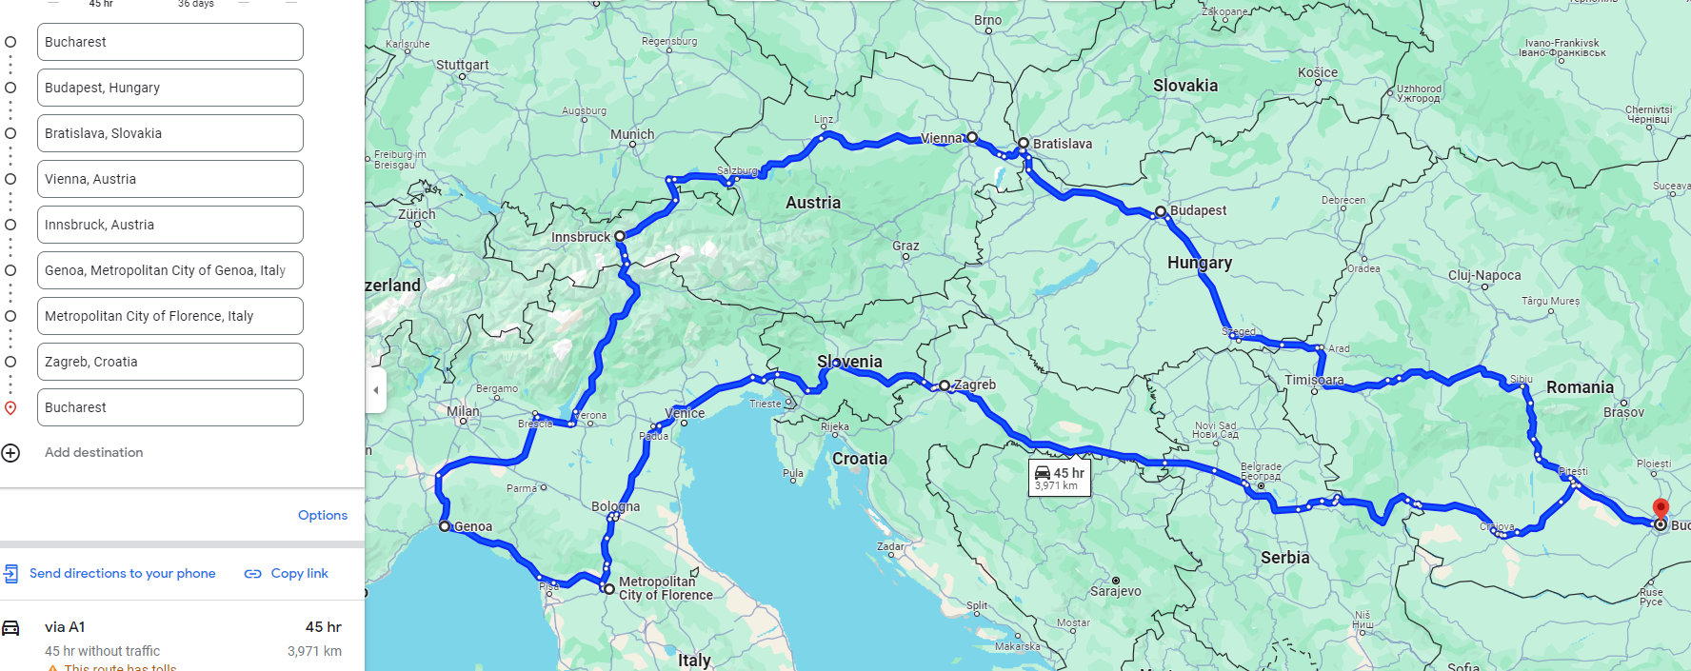
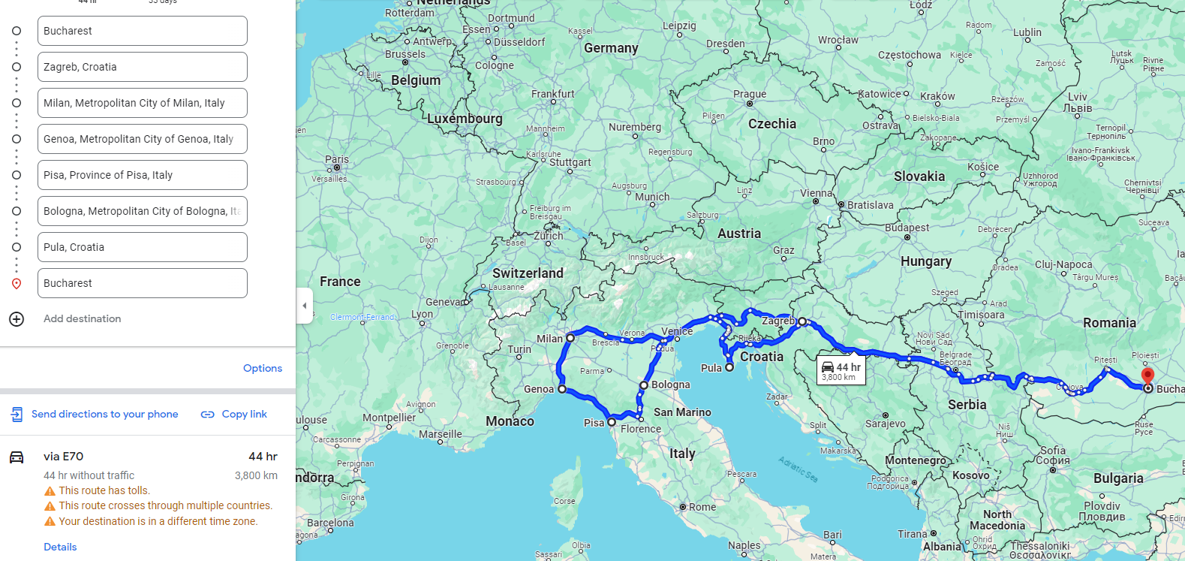
Bucuresti | Budapesta | Vienna |  |  |  |  | Total
h | 11 | 2.5 |  |  |  |  | 13.5
km | 870 | 250

Bucuresti | Budapesta | Bratislava-Vienna |  |  |  |  | Total
h | 11 | 3 |  |  |  |  | 14
km | 870 | 280

Bucuresti | Budapesta | Bratislava-Vienna | Salzburg-Hallstatt |  |  |  | Total
h | 11 | 3 | 3.5 |  |  |  | 17.5
km | 870 | 280 | 300

Bucuresti | Budapesta | Vienna-Bratislava | Salzburg-Hallstatt | Trento | Verona | Milano | Total
h | 11 | 3 | 3.5 | 3.5 | 1 |  | 22
km | 870 | 280 | 300 | 650 | 454
 |  |  | 8h / 750km

 |  |  |  | 80
 |  |  |  | 110
 |  |  |  | 110
 |  |  |  | 100

