Arkusz1
Key | Value | Element | Comment | Rendering | Photo
highway | cycleway |  | For designated cycleways. Add foot=*, though it may be avoided if default-access-restrictions do apply.

cycleway | lane |  | A lane is a route that lies within the roadway

cycleway | opposite |  | Used on ways with oneway=yes where it is legally permitted to cycle in both directions. Used together with oneway:bicycle=no. |  | 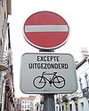

cycleway | opposite_lane |  | Used on ways with oneway=yes that have a cycling lane going the opposite direction of normal traffic flow (a "contraflow" lane). Used together with oneway:bicycle=no. |  | 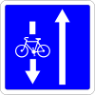

cycleway | track |  | A track provides a route that is separated from traffic. In the United States, this term is often used to refer to bike lanes that are separated from lanes for cars by pavement buffers, bollards, parking lanes, and curbs. Note that a cycle track may alternatively be drawn as a separate way next to the road which is tagged as highway=cycleway.

cycleway | opposite_track |  | Used on ways with oneway=yes that have a cycling track going the opposite direction of normal traffic flow. Used together with oneway:bicycle=no.

cycleway | share_busway |  | There is a bus lane that cyclists are permitted to use.

cycleway | opposite_share_busway |  | Used on ways with oneway=yes that have a bus lane that cyclists are also permitted to use, and which go in the opposite direction to normal traffic flow (a "contraflow" bus lane). Used together with oneway:bicycle=no.

cycleway | shared_lane |  | Cyclists share a lane with motor vehicles, but there are markings indicating that they should share the lane with motorists. In some places these markings are known as "sharrows" ('sharing arrows') and this is the tag to use for those.

busway | lane |  | Bus lane on both sides of the road. (See also: Parallel scheme for bus/psv lane tagging lanes:bus=* / lanes:psv=*)

bus_bay | both | left | right |  | A bus bay outside the main carriageway for boarding/alighting

bicycle_road | yes |  | A bicycle road is a road designated for bicycles. If residential streets get the status of bicycle roads, normally, by special signs, motor traffic is admitted with limited speed, often only for residents.

highway | bus_stop |  | A small bus stop. Optionally one may also use public_transport=stop_position for the position where the vehicle stops and public_transport=platform for the place where passengers wait.

route | bicycle |  | Cycle routes or bicycles route are named, numbered or otherwise signed. May go along roads, trails or dedicated cycle paths |  | 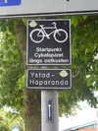

route | bus |  | The route a public bus service takes. See Buses.


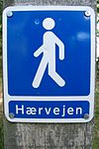
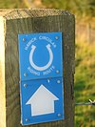
route | light_rail |  | Route of a light rail line. |  | 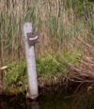

route | mtb |  | Mountain biking explains how to tag mtb routes.

route | piste |  | Route of a piste (e.g., snowshoe or XC-Ski trails) in a winter sport area. |  | 

route | railway |  | A sequence of railway ways, often named (e.g., Channel Tunnel). See Railways.

route | road |  | Can be used to map various road routes/long roads. |  | 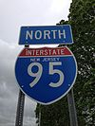

route | subway |  | Route of a metro service |  | 

route | train |  | Train services (e.g., London-Paris Eurostar) See Railways.

route | tracks |  | Railroad track as rail infrastructure.

route | tram |  | See Trams for more information on tagging tram services.

route | trolleybus |  | The route of a trolleybus service.

amenity | bicycle_parking |  | Parking for bicycles |  | 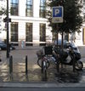

amenity | bicycle_repair_station |  | General tools for self-service bicycle repairs, usually on the roadside; no service |  | 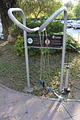

amenity | bicycle_rental |  | Rent a bicycle |  | 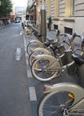

public_transport | stop_position |  | The position on the railway track where the train (its center) stops at a platform. This is useful for routing on long platforms where also short trains stop and on long platforms where multiple trains stop behind each other. See also public_transport=stop_area.

public_transport | platform |  | This is parallel to the rail line for showing where the actual platforms are. It is also to know where you can change platform and enter the station, so use footpaths to connect them. This is really useful for routing too. Use only if the platform is served by public transport.

railway | platform |  | This is parallel to the rail line for showing where the actual platforms are. It is also to know where you can change platform and enter the station, so use footpaths to connect them. This is really useful for routing too. Use in addition to public_transport=platform.

public_transport | station |  | Railway passenger only station.

railway | station |  | Railway passenger and/or cargo station. Use in addition to public_transport=station.

railway | subway_entrance |  | The entrance to a subway station, usually going from surface to underground.

railway | tram_stop |  | A tram stop is a place where a passenger can embark / disembark a tram.

