Solution
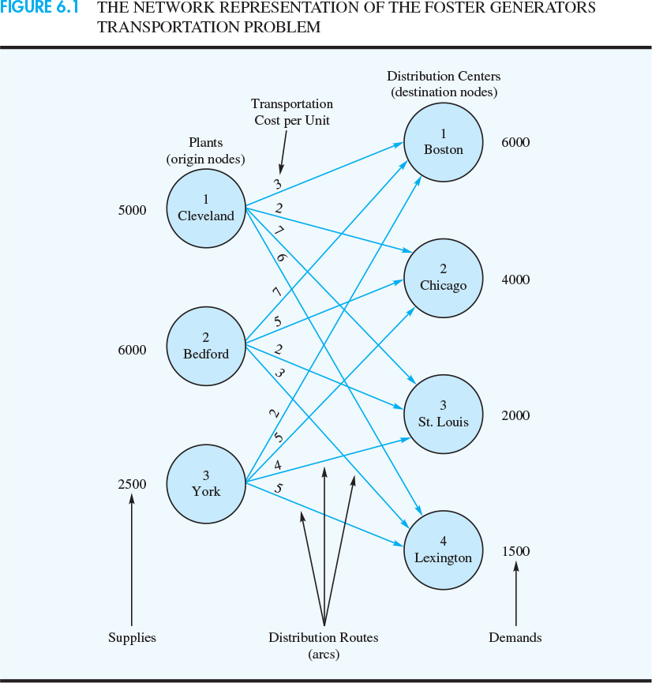
Foster Generators

 | Destination
Origin | to Boston | to Chicago | to St. Louis | to Lexington | Supply
Cleveland | 3 | 2 | 7 | 6 | 5000
Bedford | 7 | 5 | 2 | 3 | 6000
York | 2 | 5 | 4 | 5 | 2500
Demand | 6000 | 4000 | 2000 | 1500

Model
Minimize Total Cost
39500

 | Destination
Origin | to Boston | to Chicago | to St. Louis | to Lexington | Total
Cleveland | 3500 | 1500 | 0 | 0 | 5000 | <= | 5000
Bedford | 0 | 2500 | 2000 | 1500 | 6000 | <= | 6000
York | 2500 | 0 | 0 | 0 | 2500 | <= | 2500
Total | 6000 | 4000 | 2000 | 1500
 | = | = | = | =
 | 6000 | 4000 | 2000 | 1500

