Sheet1
 | Sprint 1 | Sprint 2 | Sprint 3 | Sprint 4 | Sprint 5 | Sprint 6 | Sprint 7 | Sprint 8 | Sprint 9 | Sprint 10 | Sprint 11 |  | Estymacja [SP] | 2022-03-28 | 2022-03-29 | 2022-03-30 | 2022-03-31 | 2022-04-01 | 2022-04-04 | 2022-04-05 | 2022-04-06 | 2022-04-07 | 2022-04-08
Total Done | 27 | 51 | 82 | 103 | 132 | 152 | 175 | 202 |  |  |  | Task 1 | 2 | In progress | In progress | Testing | RC
Done | 27 | 24 | 31 | 21 | 29 | 20 | 23 | 27 |  |  |  | Task 2 | 3 | In progress | In progress | In progress | Testing | RC
In Progresss | 0 | 5 | 0 | 6 | 0 | 5 | 8 | 0 |  |  |  | Task 3 | 8 | In progress | In progress | In progress | In progress | In progress | In progress | Testing | Testing | RC
Target | 28 | 56 | 84 | 112 | 140 | 168 | 198 | 230 | 260 | 285 | 313 | Task 4 | 5 | In progress | In progress | In progress | In progress | Testing | RC
Project size | 290 | 290 | 290 | 290 | 290 | 290 | 313 | 313 | 313 | 313 | 313 | Task 5 | 3 |  |  | In progress |  | In progress | Testing | RC
 | 27 | 56 | 82 | 109 | 132 | 157 | 183 | 202 |  |  |  | Task 6 | 2 |  |  |  | In progress | Testing | RC
 | 1 | 32 | 53 | 91 | 111 | 148 | 175 | 203 |  |  |  | Task 7 | 1 |  |  |  |  |  | In progress | Testing | RC
 |  |  |  |  |  |  |  |  |  |  |  | Task 8 | 3 |  |  |  |  |  | In progress | In progress | In progress | Testing | RC
 | 313
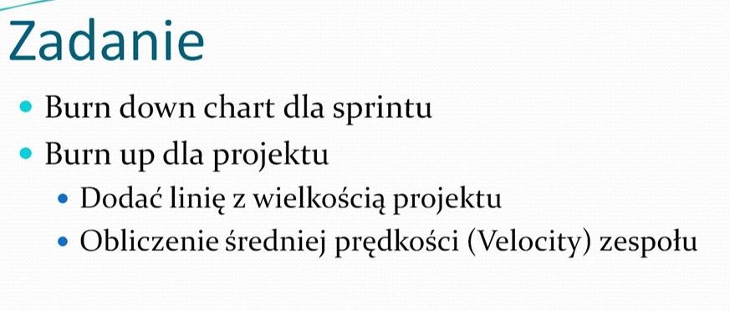
 | 285 | 313 | 286 | 262 | 231 | 210 | 181 | 161 | 138 | 111
 | 260
 | 230
 | 198
 | 168
 | 140
 | 112
 | 84
 | 56
 | 28

