Sheet1
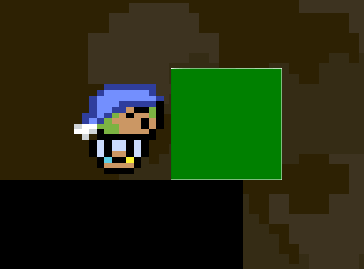
Reported Date | Reported By | Severity | Status | Assigned To | Bug Description | Expected Results | Actual Results | Steps to Reproduce | Suspected Systems + Solution Ideas | Media (if needed to show bug).
2025-02-22 | dieter | P3 (annoying, loss of marks) | In-progress | Dieter + Matias | Really fast moving platforms can sometimes 'wander off'. | The platforms should never leave the defined path. | When moving REALLY fast, it is possible for the platform to shoot off into the distance, missing the end stop. | 1. set moving platform speed really high. 2. activate accelerate. Will not happen every time, and is pretty rare. | Physics system. The platform is likely overshooting the end of it's stage in the movement path. This causes it to never pass the check for transitioning to the next movement path. Solution -> need a better check that will trigger if the platform goes past the end stop in the direction of movement.
2025-02-22 | Dieter | P4 (annoying, but could be left as-is) | Open |  | Physics objects will 'snap' to the side if they are squished by a platform that is moving down | ? Not sure. Player could die/object is removed. Player could transition more smoothly. Platform could get 'stuck' | Object is snapped to one side of the platform | 1. Walk underneath a platform that is moving down 2. wait for the platform to squish you 3. observe as you snap to one side :( | Physics System (collisions snap based on BB overlap). Solution is probably to just kill the player in these cases.
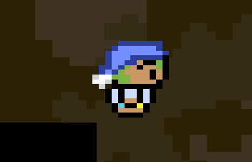
2025-02-22 | Dieter | P4 (annoying, but could be left as-is) | Open |  | Some artifacts at the edges of textures when camera is moving. Particularly noticable at the edges of the green physics cube, and sometimes the player. The artifacts look like a row of white pixels around the edge of the texture. | The texture should not have any artifacts | There is a white row of pixels around the edge sometimes | Hard to reproduce. Either a. move the character left/right really fast and observe the edges. Or b. look at the green cube while the camera is moving | Render system? Camera system? Honestly not sure here...
2025-02-23 | Dieter | P5 (nice to have) | Open |  | Player hitbox is too wide | The player should not be able to 'hang' off an edge. | The player can walk past the edge as their hitbox width is determined by the head not feet. | 1. walk really close to an edge. | Physics system? (support more complex BB)
2025-02-22 | Dieter | P2 (serious) | Resolved | Dieter + Matias | When flung into the boundary, player can sometimes get stuck and can't walk out. Jumping is required to get moving again. | Player should hit wall and be allowed to walk again | Player is stuck in wall and cannot walk out. Must jump to walk out. | Get flung by a fast moving platform into the boundary wall | Physics System
2025-02-22 | Dieter | P3 (annoying, loss of marks) | Resolved | Dieter + Matias | When flung fast and then landing on a surface, friction is not always applied? If the player is holding the walk button, they do not decelerate fast enough. Note: this is 'solved' because we now properly apply friction, but needs to be tuned... (how much to slow the player down) | Player should slow down from friction normally | Player slides across the floor | Get flung by a fast moving platform and land on a static platform | Physics system -> make sure friction is always applied
2025-02-22 | Dieter | P3 (annoying, loss of marks) | Resolved | Dieter + Matias | Player walking animation does not update after changing direction in air. | Player walking animation should start in the direction the player is facing since they are walking in that direction. | After changing direction, the player has the static animation | 1. run in a direction 2. jump 3. change direction while in air | World system? Make sure that animation is always applied after changing direction
2025-02-23 | Dieter + Matias | P3 (annoying, loss of marks) | Open |  | Physics collisions don't always work when there are chains of physics objects. Sometimes, the 'blocked' won't update and the physcis objects can be pushed into each other | Chains of objects (3 cubes pushed into each other) should all collide properly. | Objects collide properly, no matter how many | Place 3 cubes beside each other and try and push them into a wall. Sometimes a cube will go inside another cube | Physics System. Need to change collisions so they either do not rely on the blocked component, or to do multiple iterations of collision checking/processing per frame.

