Mega 2560
 | PIN | Typ |  | Pin assignment for arduino Mega 2560
 | 0
 | 1 | Digital / TX0 |  | empty
x | 2 | Interrupt |  | Coin acceptor(at the coin acceptor: use COIN, not count! Set switch to "FAST" ) | white
 | 3 | refill |  | Refill routine (open empty compartments, set counter) | light green
 | 4 | power save |  | shut down power supply (relais) | ocher
 | 5 | Analog |  | config / setup button | green
 | 6 | smarthome |  | smarthome info about sold items
 | 7
 | 8
 | 9 |  |  | nv 10 channel 1 open
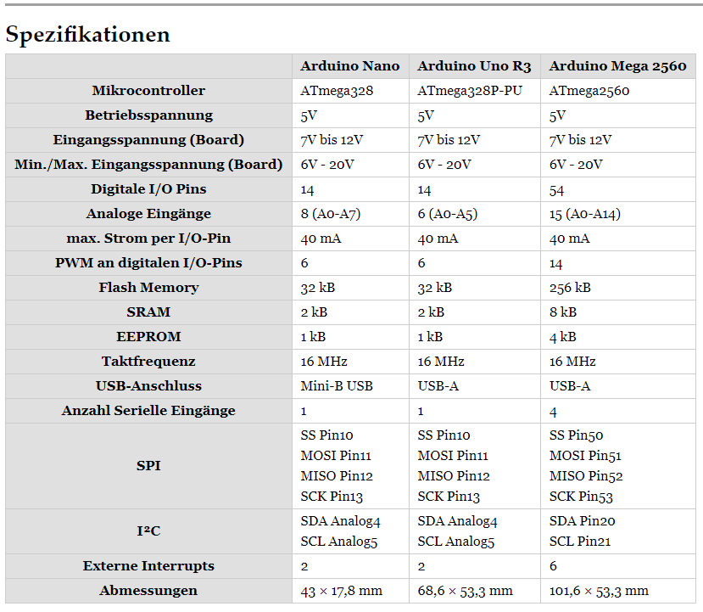
 | 10 |  |  | nv 10 channel 2 open
 | 11 |  |  | onyx inhibit
 | 12 |  |  | activate bill payment: connect to GND
 | 13 |  |  | activate NV10: connect to GND
 | 14
 | 15
 | 16
 | 17 | coin power relais |  | coin acceptor power - allows to turn off coin acceptor when all compartments are empty
 | 18 | Interrupt |  | cashless payment onyx
 | 19 | Interrupt |  | NV10 bill reader
 | 20 | I2C - SDA | 20 | Display | yellow
 | 21 | I2C - SCL | 21 | Display | green
 | 22 |  |  | compartment 1 | gray
 | 23
 | 24 |  |  | compartment 2 | orange
 | 25
 | 26 |  |  | compartment 3 | puple
 | 27
 | 28 |  |  | compartment 4 | blue
 | 29
 | 30 |  |  | compartment 5 | brown
 | 31
 | 32 |  |  | compartment 6 | gray
 | 33
 | 34 |  |  | compartment 7 | orange
 | 35
 | 36 |  |  | compartment 8 | purple
 | 37
 | 38 |  |  | compartment 9 | blue
 | 39
 | 40 |  |  | compartment 10 | brown
 | 41
 | 42 |  |  | compartment 11 | gray
 | 43
 | 44 |  |  | compartment 12 | orange
 | 45
 | 46 |  |  | compartment 13 | purple
 | 47
 | 48 |  |  | compartment 14 | blue
 | 49 | Buzzer |  | Buzzer to inform about incoming Paypal money transfer
 | 50 |  |  | compartment 15 | brown
 | 51 | TX |  | Sim 800L SMS module
 | 52
 | 53 | RX |  | Sim 800L SMS module
 | A0 |  |  | NOTE: if you use a keypad, don't use product selection buttons!
 | A1 | Analog | selector [0] | Button 1 (prog-mode: -) | gray
 | A2 | Analog | selector [1] | Button 2 (prog mode: +) | orange
 | A3 | Analog | selector [2] | Button 3 (prog mode: next) | purple
 | A4 | Analog | selector [3] | Button 4 (prog mode: open row 1) | blue
 | A5 | Analog | selector [4] | Button 5 (prog mode: open row 2) | brown
 | A6 | Analog
 | A7 | Analog
 | A8 | Analog
 | A9 | Analog
 | A10 | Analog
 | A11 | Analog
 | A12 | Analog
 | A13 | Analog
 | A14 | Analog
 | A15 | Analog

