tab_treinamento
x1 | x2 | x3 | classe
-6,5080000e-01 1,0970000e-01 4,0009000e+00 -1,0000000e+00
-1,4492000e+00 8,8960000e-01 4,4005000e+00 -1,0000000e+00
2,0850000e+00 6,8760000e-01 1,2071000e+01 -1,0000000e+00
2,6260000e-01 1,1476000e+00 7,7985000e+00 1,0000000e+00
6,4180000e-01 1,0234000e+00 7,0427000e+00 1,0000000e+00
2,5690000e-01 6,7300000e-01 8,3265000e+00 -1,0000000e+00
1,1155000e+00 6,0430000e-01 7,4446000e+00 1,0000000e+00
9,1400000e-02 3,3990000e-01 7,0677000e+00 -1,0000000e+00
1,2100000e-02 5,2560000e-01 4,6316000e+00 1,0000000e+00
-4,2900000e-02 4,6600000e-01 5,4323000e+00 1,0000000e+00
4,3400000e-01 6,8700000e-01 8,2287000e+00 -1,0000000e+00
2,7350000e-01 1,0287000e+00 7,1934000e+00 1,0000000e+00
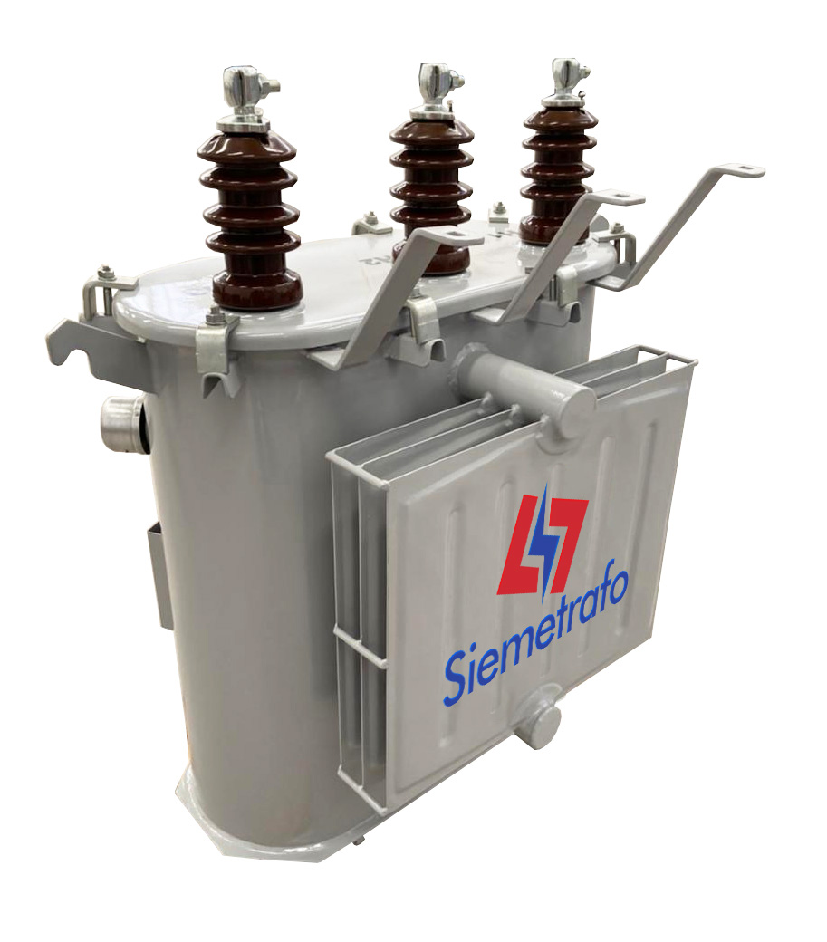
4,8390000e-01 4,8510000e-01 7,4850000e+00 -1,0000000e+00
4,0890000e-01 -1,2670000e-01 5,5019000e+00 -1,0000000e+00
1,4391000e+00 1,6140000e-01 8,5843000e+00 -1,0000000e+00
-9,1150000e-01 -1,9730000e-01 2,1962000e+00 -1,0000000e+00
3,6540000e-01 1,0475000e+00 7,4858000e+00 1,0000000e+00
2,1440000e-01 7,5150000e-01 7,1699000e+00 1,0000000e+00
2,0130000e-01 1,0014000e+00 6,5489000e+00 1,0000000e+00
6,4830000e-01 2,1830000e-01 5,8991000e+00 1,0000000e+00
-1,1470000e-01 2,2420000e-01 7,2435000e+00 -1,0000000e+00
-7,9700000e-01 8,7950000e-01 3,8762000e+00 1,0000000e+00
-1,0625000e+00 6,3660000e-01 2,4707000e+00 1,0000000e+00
5,3070000e-01 1,2850000e-01 5,6883000e+00 1,0000000e+00
-1,2200000e+00 7,7770000e-01 1,7252000e+00 1,0000000e+00
3,9570000e-01 1,0760000e-01 5,6623000e+00 -1,0000000e+00 |  |  |  | Ref.: https://siemetrafo.com.br/produto/transformador-a-oleo-trifasico-15kva/
-1,0130000e-01 5,9890000e-01 7,1812000e+00 -1,0000000e+00
2,4482000e+00 9,4550000e-01 1,1209500e+01 1,0000000e+00
2,0149000e+00 6,1920000e-01 1,0926300e+01 -1,0000000e+00
2,0120000e-01 2,6110000e-01 5,4631000e+00 1,0000000e+00

