Platform Rank
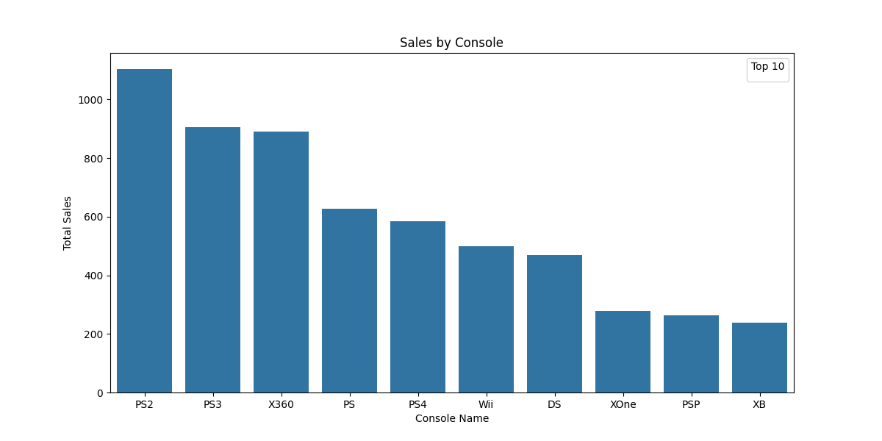
Platform | Total_Global_Sales | Platform | Average_Global_Sales
PS2 | 1103.62 | X360 | 0.68
PS3 | 905.68 | PS3 | 0.66
X360 | 889.44 | PS4 | 0.63
PS | 627.02 | PS | 0.53
PS4 | 585.09 | XOne | 0.52
Wii | 500.39 | PS2 | 0.5
DS | 469.42 | Wii | 0.36
XOne | 278.56 | XB | 0.28
PSP | 263.71 | DS | 0.19
XB | 237.72 | PSP | 0.19
GBA | 231.41
PC | 198.54
GC | 121.54
3DS | 117.77
N64 | 100.62
2600 | 89.27
SNES | 69.45
PSV | 65.37
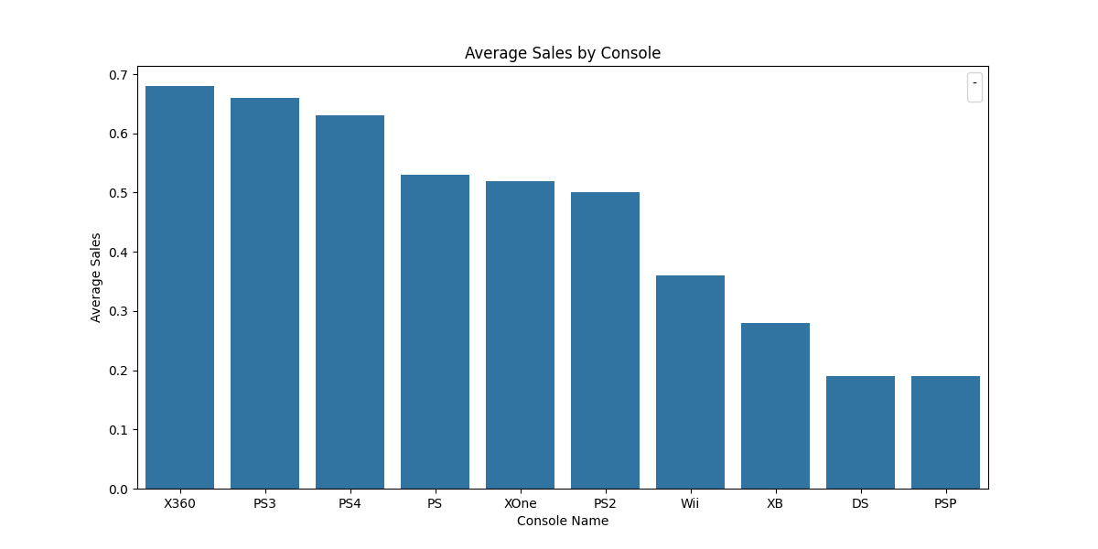
NS | 49.88
NES | 47.93
WiiU | 37.54
SAT | 33.67
GB | 25.43
GEN | 18.83
DC | 13.65
GBC | 4.34
PSN | 3.9
SCD | 1.87
NG | 1.44
WS | 1.43
VC | 0.35
WW | 0.25
XBL | 0.22
3DO | 0.19
PCE | 0.16
Mob | 0.08
GG | 0.04
PCFX | 0.03
OSX | 0.03

Genre Rank
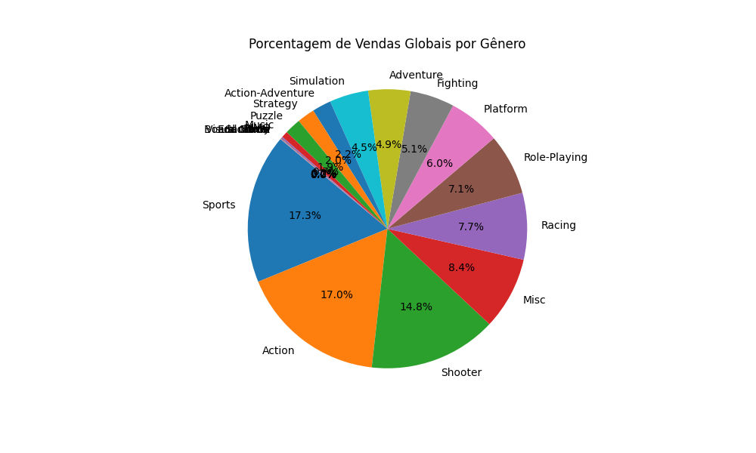
Genre | Total_Genre_Global_Sales | Percentage
Sports | 1228.15 | 17.31
Action | 1206.82 | 17.01
Shooter | 1051.74 | 14.82
Misc | 596.5 | 8.41
Racing | 547.71 | 7.72
Role-Playing | 502.12 | 7.08
Platform | 424.51 | 5.98
Fighting | 363.98 | 5.13
Adventure | 346.13 | 4.88
Simulation | 320.32 | 4.51
Action-Adventure | 155.45 | 2.19
Strategy | 144.09 | 2.03
Puzzle | 132.54 | 1.87
Music | 52.81 | 0.74
MMO | 11.86 | 0.17
Party | 5.39 | 0.08
Visual Novel | 3.47 | 0.05
Sandbox | 1.89 | 0.03
Board Game | 0.31 | 0
Education | 0.09 | 0

