Global Sales - Platform
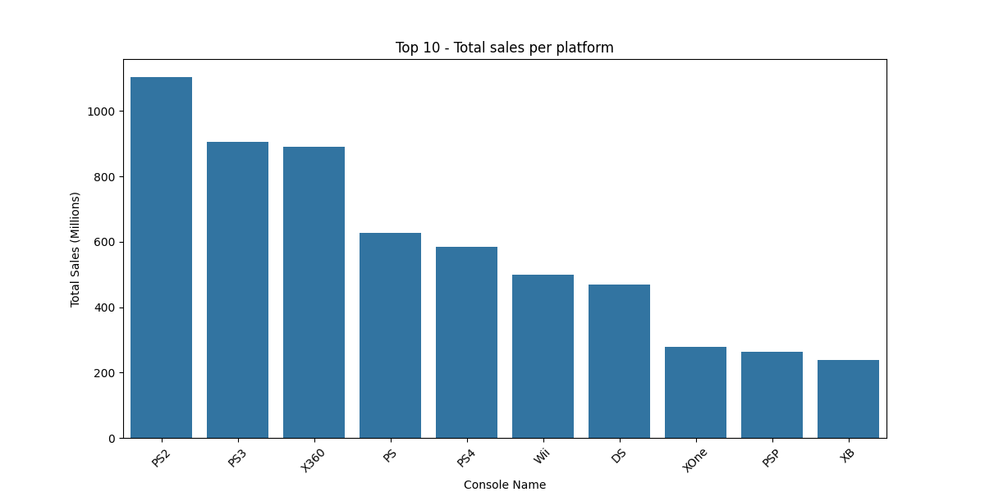
Platform | Total_Sales_M | Platform | Average_Sales_M
PS2 | 1103.62 | GBC | 1.45
PS3 | 905.68 | NES | 1.02
X360 | 889.44 | GEN | 0.7
PS | 627.02 | X360 | 0.68
PS4 | 585.09 | 2600 | 0.68
Wii | 500.39 | PS3 | 0.66
DS | 469.42 | PS4 | 0.63
XOne | 278.56 | PS | 0.53
PSP | 263.71 | XOne | 0.52
XB | 237.72 | PS2 | 0.5
GBA | 231.41 | GB | 0.49
PC | 198.54 | Wii | 0.36
GC | 121.54 | N64 | 0.35
3DS | 117.77 | SNES | 0.34
N64 | 100.62 | SCD | 0.31
2600 | 89.27 | XB | 0.28
SNES | 69.45 | DC | 0.27
PSV | 65.37 | PSN | 0.26
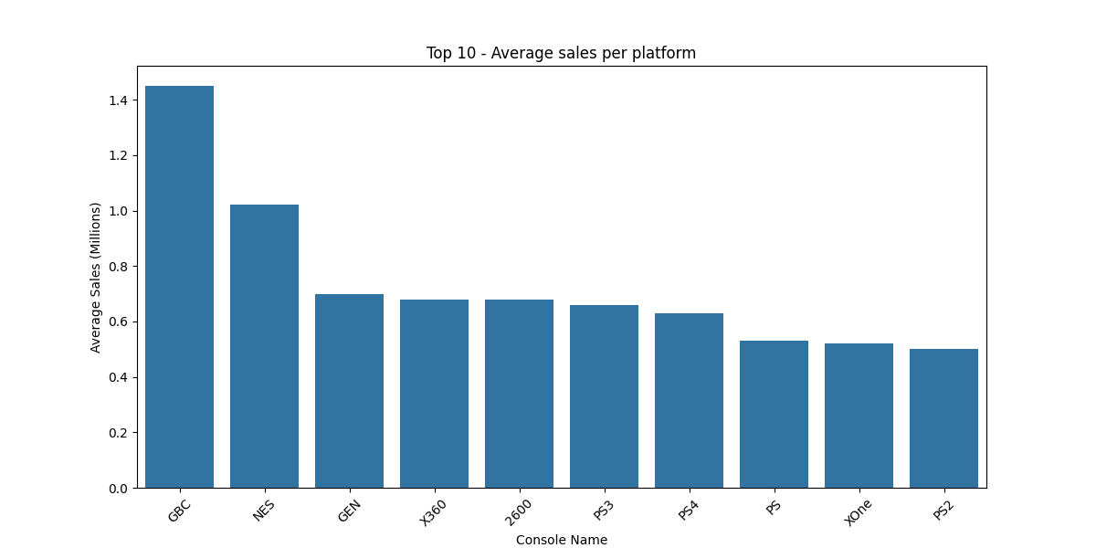
NS | 49.88 | GBA | 0.25
NES | 47.93 | WiiU | 0.25
WiiU | 37.54 | GC | 0.23
SAT | 33.67 | 3DS | 0.2
GB | 25.43 | WS | 0.2
GEN | 18.83 | PSP | 0.19
DC | 13.65 | DS | 0.19
GBC | 4.34 | SAT | 0.19
PSN | 3.9 | NS | 0.18
SCD | 1.87 | PC | 0.12
NG | 1.44 | WW | 0.12
WS | 1.43 | NG | 0.12
VC | 0.35 | PSV | 0.1
WW | 0.25 | PCE | 0.08
XBL | 0.22 | VC | 0.06
3DO | 0.19 | 3DO | 0.05
PCE | 0.16 | GG | 0.04
Mob | 0.08 | OSX | 0.03
GG | 0.04 | PCFX | 0.03
PCFX | 0.03 | Mob | 0.02
OSX | 0.03 | XBL | 0.02

Global Sales - Genre
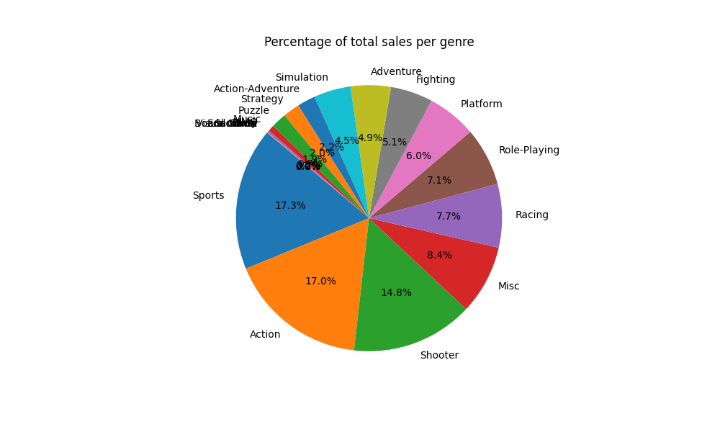
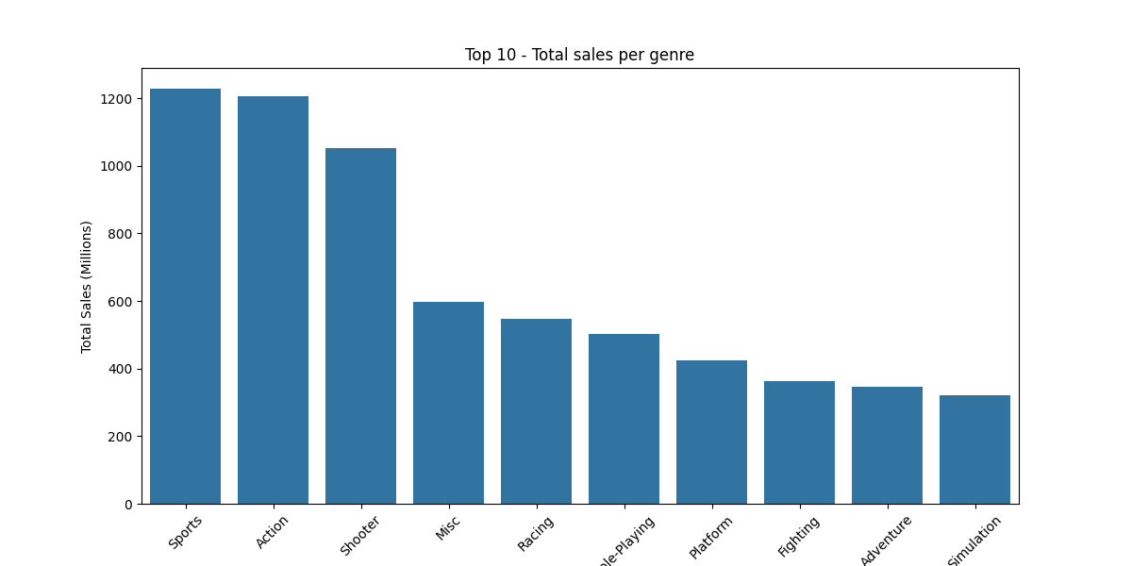
Genre | Total_Sales_M | Genre | Average_Sales_M | Genre | Percentage
Sports | 1228.15 | Sandbox | 1.89 | Sports | 17.31
Action | 1206.82 | Shooter | 0.7 | Action | 17.01
Shooter | 1051.74 | Action-Adventure | 0.6 | Shooter | 14.82
Misc | 596.5 | Sports | 0.47 | Misc | 8.41
Racing | 547.71 | Platform | 0.44 | Racing | 7.72
Role-Playing | 502.12 | Action | 0.42 | Role-Playing | 7.08
Platform | 424.51 | Fighting | 0.4 | Platform | 5.98
Fighting | 363.98 | Racing | 0.38 | Fighting | 5.13
Adventure | 346.13 | Music | 0.37 | Adventure | 4.88
Simulation | 320.32 | MMO | 0.37 | Simulation | 4.51
Action-Adventure | 155.45 | Role-Playing | 0.31 | Action-Adventure | 2.19
Strategy | 144.09 | Simulation | 0.28 | Strategy | 2.03
Puzzle | 132.54 | Misc | 0.26 | Puzzle | 1.87
Music | 52.81 | Party | 0.21 | Music | 0.74
MMO | 11.86 | Puzzle | 0.19 | MMO | 0.17
Party | 5.39 | Adventure | 0.18 | Party | 0.08
Visual Novel | 3.47 | Strategy | 0.17 | Visual Novel | 0.05
Sandbox | 1.89 | Board Game | 0.16 | Sandbox | 0.03
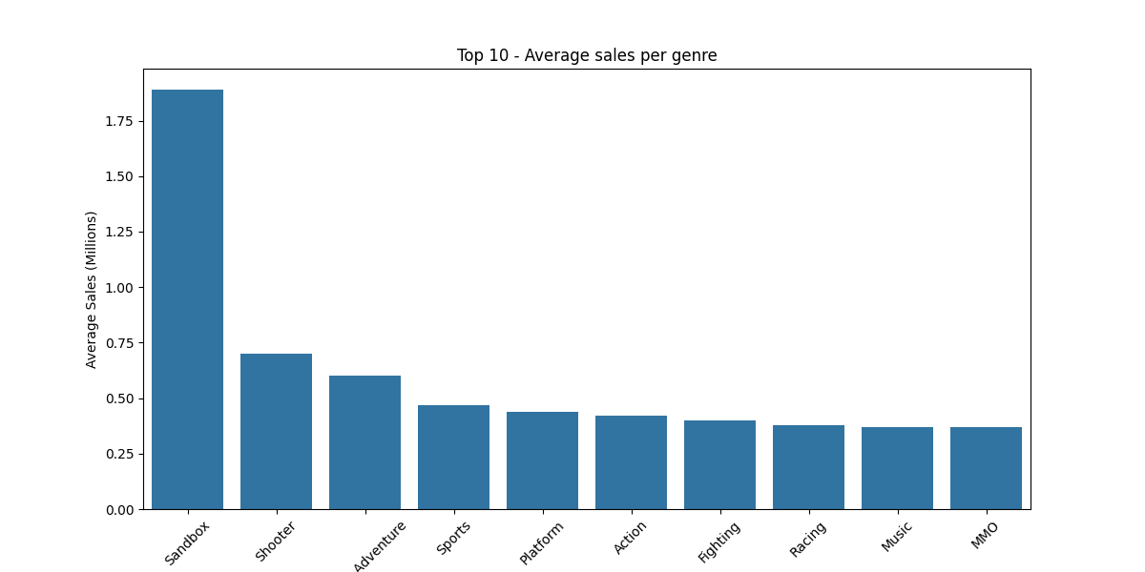
Board Game | 0.31 | Education | 0.09 | Board Game | 0
Education | 0.09 | Visual Novel | 0.03 | Education | 0

