Global Sales - Platform
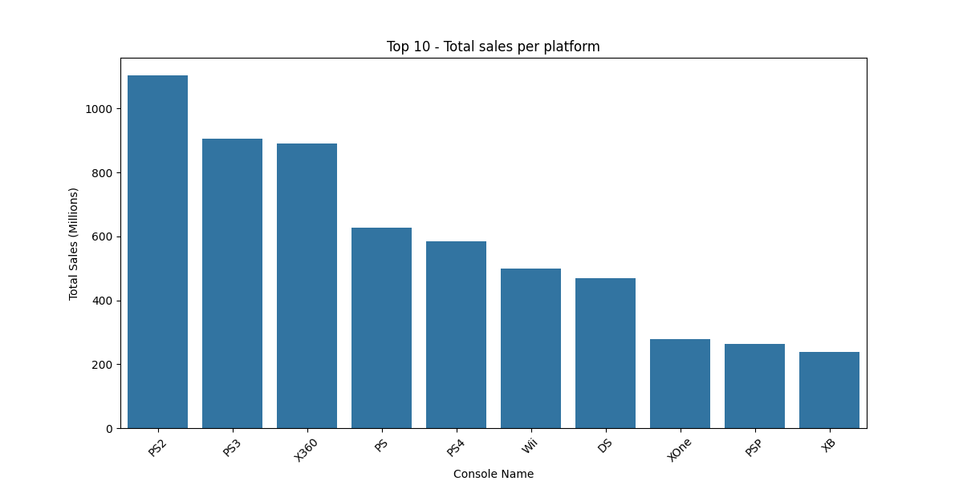
Platform | Total_Sales_M | Platform | Average_Sales_M
PS2 | 1103.62 | GBC | 1.45
PS3 | 905.68 | NES | 1.02
X360 | 889.44 | GEN | 0.7
PS | 627.02 | X360 | 0.68
PS4 | 585.09 | 2600 | 0.68
Wii | 500.39 | PS3 | 0.66
DS | 469.42 | PS4 | 0.63
XOne | 278.56 | PS | 0.53
PSP | 263.71 | XOne | 0.52
XB | 237.72 | PS2 | 0.5
GBA | 231.41 | GB | 0.49
PC | 198.54 | Wii | 0.36
GC | 121.54 | N64 | 0.35
3DS | 117.77 | SNES | 0.34
N64 | 100.62 | SCD | 0.31
2600 | 89.27 | XB | 0.28
SNES | 69.45 | DC | 0.27
PSV | 65.37 | PSN | 0.26
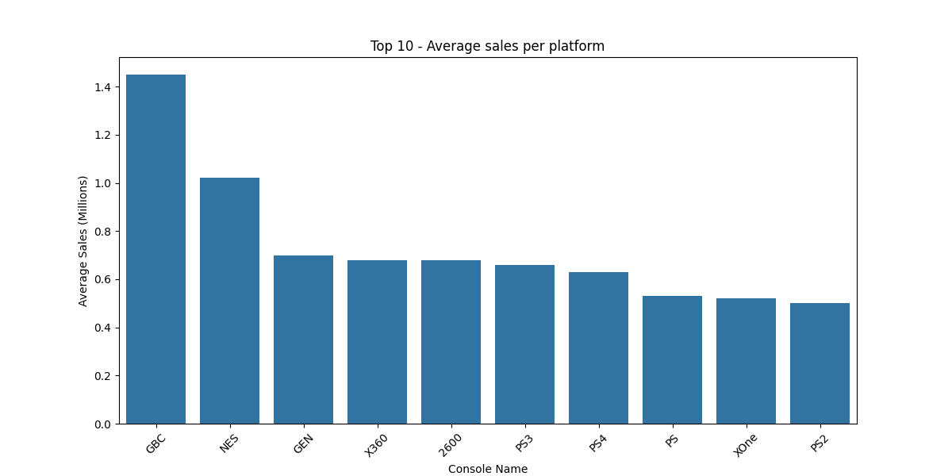
NS | 49.88 | GBA | 0.25
NES | 47.93 | WiiU | 0.25
WiiU | 37.54 | GC | 0.23
SAT | 33.67 | 3DS | 0.2
GB | 25.43 | WS | 0.2
GEN | 18.83 | PSP | 0.19
DC | 13.65 | DS | 0.19
GBC | 4.34 | SAT | 0.19
PSN | 3.9 | NS | 0.18
SCD | 1.87 | PC | 0.12
NG | 1.44 | WW | 0.12
WS | 1.43 | NG | 0.12
VC | 0.35 | PSV | 0.1
WW | 0.25 | PCE | 0.08
XBL | 0.22 | VC | 0.06
3DO | 0.19 | 3DO | 0.05
PCE | 0.16 | GG | 0.04
Mob | 0.08 | OSX | 0.03
GG | 0.04 | PCFX | 0.03
PCFX | 0.03 | Mob | 0.02
OSX | 0.03 | XBL | 0.02

Global Sales - Genre
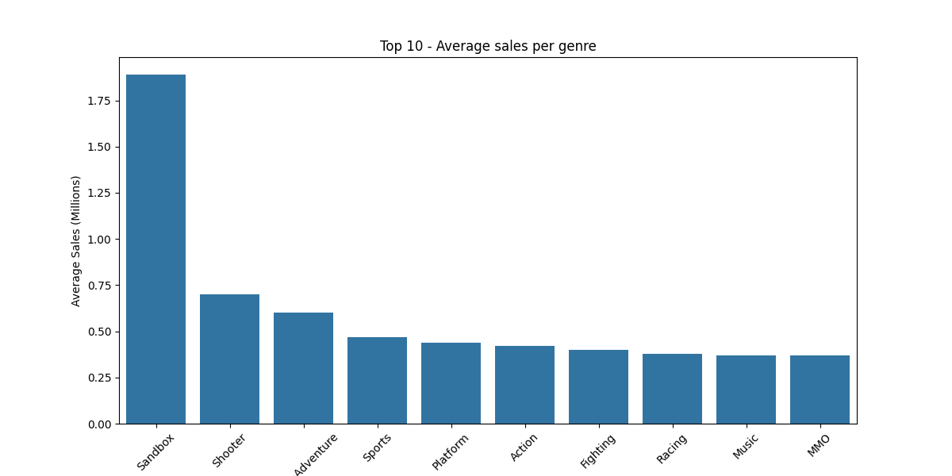
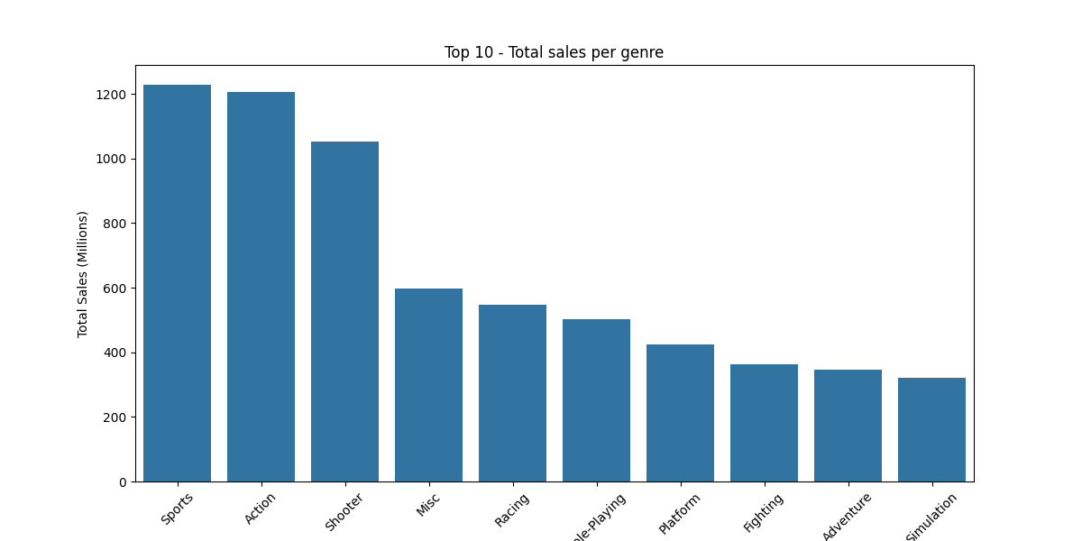
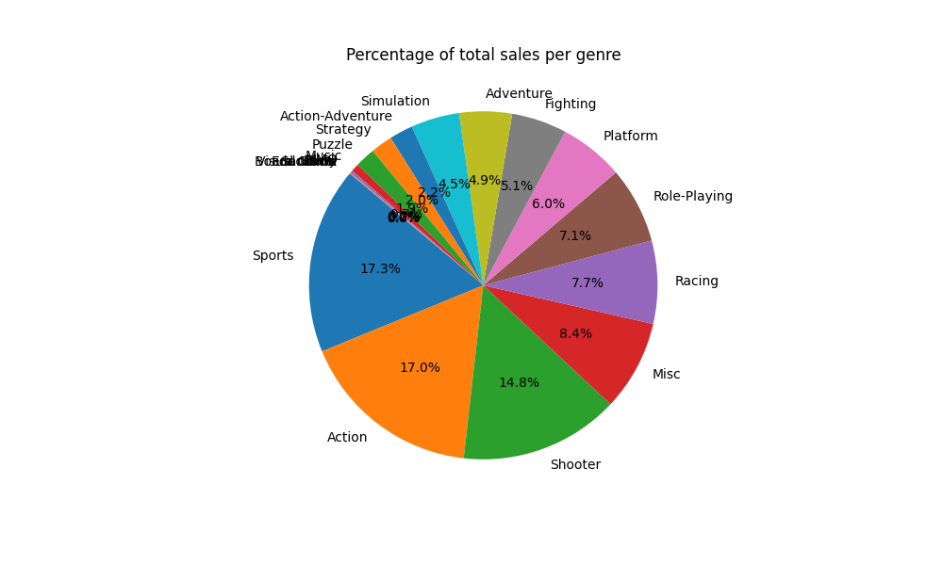
Genre | Total_Sales_M | Genre | Average_Sales_M | Genre | Percentage
Sports | 1228.15 | Sandbox | 1.89 | Sports | 17.31
Action | 1206.82 | Shooter | 0.7 | Action | 17.01
Shooter | 1051.74 | Action-Adventure | 0.6 | Shooter | 14.82
Misc | 596.5 | Sports | 0.47 | Misc | 8.41
Racing | 547.71 | Platform | 0.44 | Racing | 7.72
Role-Playing | 502.12 | Action | 0.42 | Role-Playing | 7.08
Platform | 424.51 | Fighting | 0.4 | Platform | 5.98
Fighting | 363.98 | Racing | 0.38 | Fighting | 5.13
Adventure | 346.13 | Music | 0.37 | Adventure | 4.88
Simulation | 320.32 | MMO | 0.37 | Simulation | 4.51
Action-Adventure | 155.45 | Role-Playing | 0.31 | Action-Adventure | 2.19
Strategy | 144.09 | Simulation | 0.28 | Strategy | 2.03
Puzzle | 132.54 | Misc | 0.26 | Puzzle | 1.87
Music | 52.81 | Party | 0.21 | Music | 0.74
MMO | 11.86 | Puzzle | 0.19 | MMO | 0.17
Party | 5.39 | Adventure | 0.18 | Party | 0.08
Visual Novel | 3.47 | Strategy | 0.17 | Visual Novel | 0.05
Sandbox | 1.89 | Board Game | 0.16 | Sandbox | 0.03
Board Game | 0.31 | Education | 0.09 | Board Game | 0
Education | 0.09 | Visual Novel | 0.03 | Education | 0

Global Sales - Publisher
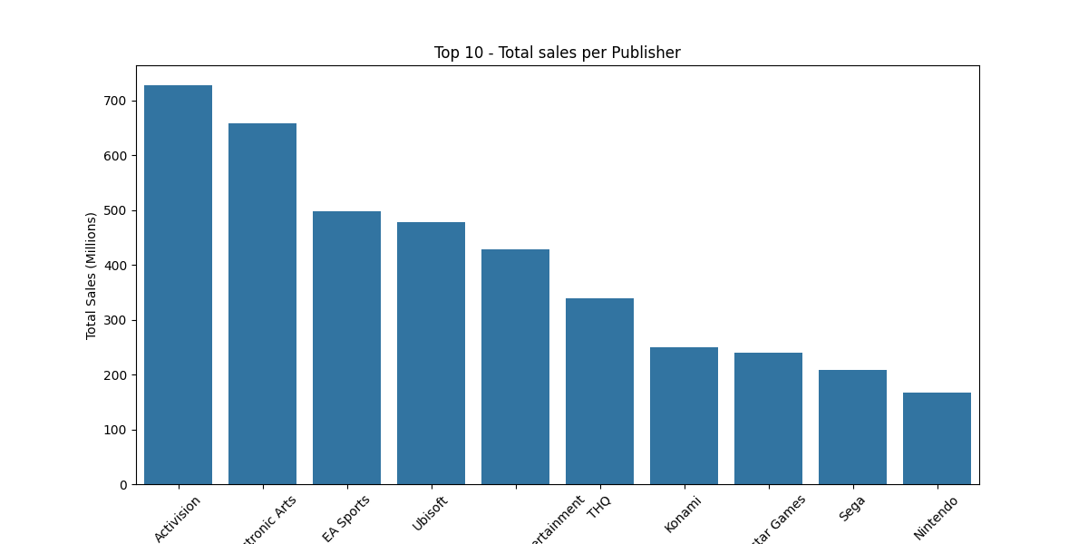
Publisher | Total_Sales_M | Publisher | Average_Sales_M
Activision | 727.65 | Ultra Games | 3.2
Electronic Arts | 658.12 | RedOctane | 3.03
EA Sports | 497.62 | Rockstar Games | 2.56
Ubisoft | 477.8 | Arena Entertainment | 2.36
Sony Computer Entertainment | 428.92 | Hello Games | 2.26
THQ | 338.99 | Valve Corporation | 1.77
Konami | 250.2 | Tengen | 1.6
Rockstar Games | 240.61 | Sony Computer Entertainment America | 1.53
Sega | 209.15 | Williams Entertainment | 1.44
Nintendo | 167.7 | Microsoft Studios | 1.39
Capcom | 139.9 | Imagic | 1.2
LucasArts | 118.48 | Saga Planets | 1.12
Namco | 114.83 | Blizzard Entertainment | 1.12
Warner Bros. Interactive Entertainment | 114.09 | Broderbund | 1.1
Square Enix | 113.47 | 989 Studios | 1.07
Bethesda Softworks | 112.99 | Valve | 1.04
Atari | 109.65 | Mojang | 1.02
Disney Interactive Studios | 108.23 | Bethesda Softworks | 0.98
2K Sports | 101.04 | Taxan | 0.96
Midway Games | 87.57 | EA Sports | 0.91
Eidos Interactive | 86.8 | Hasbro Interactive | 0.87
Warner Bros. Interactive | 80.24 | Black Label Games | 0.86
Namco Bandai | 76.69 | LucasArts | 0.85
Microsoft Game Studios | 71.46 | Mystique | 0.82
Acclaim Entertainment | 65.84 | Westwood Studios | 0.79
Majesco | 65.18 | Electronic Arts | 0.77
Microsoft Studios | 63.78 | Rare | 0.77
2K Games | 61.7 | Men-A-Vision | 0.77
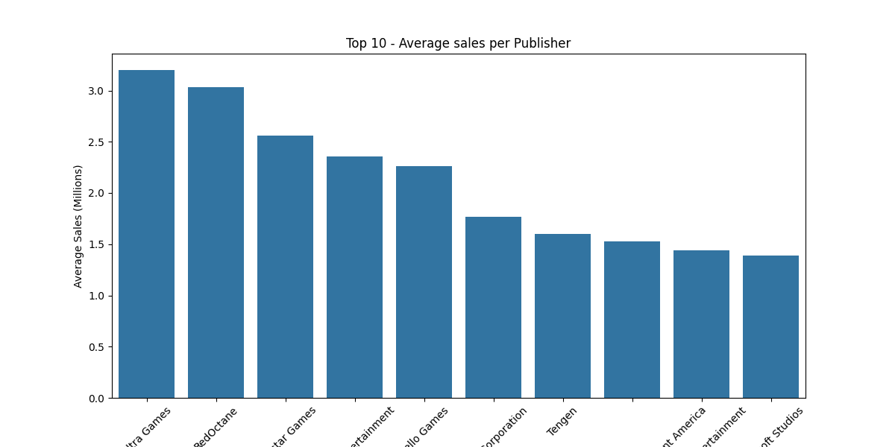
Namco Bandai Games | 54.91 | Quest | 0.71
Bandai | 41.9 | Parker Bros. | 0.71
Codemasters | 41.48 | Sony Interactive Entertainment | 0.71
Atlus | 41.41 | Universal Interactive | 0.71
Sony Interactive Entertainment | 31.39 | Microsoft Game Studios | 0.71
Konami Digital Entertainment | 30.6 | Sony Computer Entertainment | 0.69
D3 Publisher | 29.74 | Activision | 0.69
EA Sports BIG | 27.51 | GT Interactive | 0.68
RedOctane | 27.25 | Coleco | 0.67
Crave Entertainment | 26.32 | Warner Bros. Interactive Entertainment | 0.67
VU Games | 26.22 | Maxis | 0.66
Tecmo Koei | 25.86 | Square EA | 0.66
MTV Games | 25.02 | Harmonix Music Systems | 0.66
505 Games | 23.11 | Red Storm Entertainment | 0.64
KOEI | 22.43 | Warner Bros. Interactive | 0.63
Microsoft | 22.26 | Virgin Interactive | 0.6
Deep Silver | 22.08 | EA Sports BIG | 0.59
Hudson Soft | 21.7 | MTV Games | 0.57
Take-Two Interactive | 20.57 | Namco | 0.57
989 Studios | 19.26 | Spectrum Holobyte | 0.55
Natsume | 19.1 | 2K Sports | 0.55
Sierra Entertainment | 18.43 | Fox Interactive | 0.54
Unknown | 18.33 | Disney Interactive Studios | 0.54
Sony Computer Entertainment America | 18.31 | CPG Products | 0.54
Hasbro Interactive | 18.24 | Answer Software | 0.5
GT Interactive | 17.65 | 2K Games | 0.5
NIS America | 17.2 | Black Pearl | 0.49
Banpresto | 16.47 | Accolade | 0.48
Vivendi Games | 15.53 | Touchstone | 0.48
Square | 14.24 | Gotham Games | 0.48
Xseed Games | 14.13 | Ubisoft | 0.47
Blizzard Entertainment | 13.4 | Microsoft | 0.47
2K Play | 13.34 | Vivendi Games | 0.47
Infogrames | 12.85 | Tigervision | 0.47
Buena Vista | 12.65 | THQ | 0.46
Focus Home Interactive | 12.44 | Square Enix | 0.46
Universal Interactive | 12.05 | Pinnacle | 0.45
3DO | 12.02 | ASCII Entertainment | 0.45
Aksys Games | 10.83 | Square | 0.44
ASCII Entertainment | 10.71 | TYO | 0.42
Global Star Software | 10.19 | Eidos Interactive | 0.41
Agetec | 10.16 | Magical Company | 0.41
Gotham Games | 10.12 | Nintendo | 0.41
Tecmo | 9.17 | Sony Online Entertainment | 0.4
SouthPeak Interactive | 9.03 | 20th Century Fox Video Games | 0.39
Virgin Interactive | 8.34 | ASC Games | 0.39
Destineer | 8.18 | Aruze Corp | 0.39
Fox Interactive | 8.15 | 989 Sports | 0.38
TDK Mediactive | 7.31 | Take-Two Interactive | 0.38
Level 5 | 7.2 | Gun Media | 0.38
Mojang | 7.16 | 2K Play | 0.37
BAM! Entertainment | 7.15 | Data Age | 0.36
Interplay | 7.12 | New | 0.36
Conspiracy Entertainment | 6.9 | VU Games | 0.35
Enix | 6.55 | Ocean | 0.35
Ultra Games | 6.4 | Compile | 0.35
Zoo Games | 6.39 | ITT Family Games | 0.34
Telltale Games | 6.2 | Enix | 0.34
Maxis | 5.96 | Midway Games | 0.34
Bandai Namco Games | 5.43 | Acclaim Entertainment | 0.33
City Interactive | 5.43 | Buena Vista | 0.33
Destination Software, Inc | 5.4 | Elf | 0.32
Empire Interactive | 5.3 | Atari | 0.32
Sony Online Entertainment | 5.21 | Konami | 0.32
Parker Bros. | 4.97 | Jorudan | 0.32
Imagic | 4.82 | Sega | 0.32
Tengen | 4.8 | CBS Electronics | 0.31
Arena Entertainment | 4.72 | Crystal Dynamics | 0.31
Ignition Entertainment | 4.66 | Kokopeli Digital Studios | 0.31
Square EA | 4.64 | Capcom | 0.31
Jaleco | 4.62 | Knowledge Adventure | 0.3
Idea Factory | 4.57 | Mattel Interactive | 0.29
Mattel Interactive | 4.41 | Majesco | 0.29
Accolade | 4.29 | Konami Digital Entertainment | 0.29
Tomy Corporation | 4.26 | Trion Worlds | 0.29
Valve | 4.15 | Tomy Corporation | 0.28
Coleco | 4.03 | Nichibutsu | 0.28
Psygnosis | 3.86 | Bandai | 0.27
Nordic Games | 3.86 | 3DO | 0.26
Gearbox Software | 3.77 | Hudson Soft | 0.26
Mastiff | 3.75 | BPS | 0.26
Game Factory | 3.71 | Banpresto | 0.25
GameMill | 3.66 | Human Entertainment | 0.25
ChunSoft | 3.64 | Axela | 0.25
DSI Games | 3.55 | Codemasters | 0.25
Valve Corporation | 3.54 | Frontier Developments | 0.25
Titus | 3.48 | Scholastic Inc. | 0.24
UFO Interactive | 3.46 | Navarre Corp | 0.24
Takara | 3.45 | Natsume | 0.24
SNK | 3.42 | Media Rings | 0.23
PopCap Games | 3.34 | Sierra Entertainment | 0.23
Bandai Namco Entertainment | 3.2 | Level 5 | 0.22
NewKidCo | 3.06 | Takara | 0.22
Kadokawa Shoten | 3.01 | Global Star Software | 0.22
Scholastic Inc. | 2.91 | Bomb | 0.22
D3Publisher | 2.91 | On Demand | 0.21
DreamCatcher Interactive | 2.9 | Activision Value | 0.21
Williams Entertainment | 2.87 | Microprose | 0.21
Zoo Digital Publishing | 2.77 | Infogrames | 0.21
Human Entertainment | 2.76 | SSI | 0.21
THQ Nordic | 2.72 | Sears | 0.21
SNK Playmore | 2.7 | ChunSoft | 0.21
Alchemist | 2.68 | Playmates | 0.21
XS Games | 2.59 | CokeM Interactive | 0.2
Mindscape | 2.59 | Namco Bandai | 0.2
Red Storm Entertainment | 2.55 | Video System | 0.2
Storm City Games | 2.48 | Mud Duck Productions | 0.2
Compile | 2.47 | IE Institute | 0.19
Takara Tomy | 2.45 | Gearbox Software | 0.19
Working Designs | 2.38 | SquareSoft | 0.19
ASC Games | 2.36 | TDK Mediactive | 0.19
Westwood Studios | 2.36 | Core Design Ltd. | 0.19
Valcon Games | 2.31 | City Interactive | 0.19
Kemco | 2.31 | Deep Silver | 0.19
Little Orbit | 2.29 | SCS Software | 0.19
Hello Games | 2.26 | 505 Games | 0.18
Maximum Games | 2.26 | Crave Entertainment | 0.18
Gathering of Developers | 2.25 | Magix | 0.18
5pb | 2.19 | Sound Source Interactive | 0.18
Imagineer | 2.19 | Imagineer | 0.18
Ocean | 2.12 | Working Designs | 0.17
Marvelous Interactive | 2.05 | Xseed Games | 0.17
GameMill Entertainment | 2.02 | Hect | 0.17
Mud Duck Productions | 1.99 | Atlus | 0.17
O-Games | 1.98 | Interplay | 0.17
Enterbrain | 1.97 | Trigger Apps | 0.17
Sammy Corporation | 1.95 | Agetec | 0.17
20th Century Fox Video Games | 1.94 | Avalon Interactive | 0.17
Spike | 1.92 | Rebellion Developments | 0.17
Rocket Company | 1.9 | VR Sports | 0.17
Mumbo Jumbo | 1.88 | Hot-B | 0.17
Crystal Dynamics | 1.86 | Rooster Teeth Games | 0.17
Hudson Entertainment | 1.85 | GungHo Online Entertainment | 0.17
LEGO Media | 1.85 | Carbine Studios | 0.16
Kalypso | 1.83 | Syscom | 0.16
Black Label Games | 1.73 | Psygnosis | 0.16
CDV Software Entertainment | 1.69 | Destination Software, Inc | 0.16
Playmates | 1.69 | Empire Interactive | 0.16
IE Institute | 1.67 | Namco Bandai Games | 0.16
Kalypso Media | 1.62 | Telltale Games | 0.16
Taito | 1.58 | Aques | 0.16
Nippon Columbia | 1.54 | FCI | 0.16
Brash Entertainment | 1.5 | BAM! Entertainment | 0.16
Knowledge Adventure | 1.49 | Wargaming.net | 0.16
Microprose | 1.47 | Media Factory | 0.15
Touchstone | 1.43 | Bandai Namco Entertainment | 0.15
Tigervision | 1.42 | Enterbrain | 0.15
Sold Out | 1.37 | Detn8 Games | 0.15
Pinnacle | 1.35 | Sammy Corporation | 0.15
Rebellion Developments | 1.34 | NewKidCo | 0.15
Aspyr | 1.33 | Angel Studios | 0.15
FuRyu Corporation | 1.32 | Victory Lap Games | 0.15
Harmonix Music Systems | 1.32 | Tripwire Interactive | 0.15
Nippon Ichi Software | 1.31 | Tecmo | 0.15
Milestone S.r.l. | 1.25 | Focus Home Interactive | 0.15
Aruze Corp | 1.18 | D3 Publisher | 0.15
Trion Worlds | 1.17 | ARUSH Entertainment | 0.15
Saga Planets | 1.12 | Simon & Schuster Interactive | 0.14
Epoch | 1.12 | Sony Music Entertainment | 0.14
Broderbund | 1.1 | NEC | 0.14
Arc System Works | 1.1 | Nihon Falcom Corp | 0.14
Broccoli | 1.09 | Red Mile Entertainment | 0.14
Koei Tecmo | 1.08 | Imadio | 0.14
PQube | 1.07 | Titus | 0.14
Mentor Interactive | 1.07 | General Entertainment | 0.14
Koch Media | 1.07 | Hudson Entertainment | 0.14
Acquire | 1.06 | Epoch | 0.14
Simon & Schuster Interactive | 1.01 | PopCap Games | 0.14
Telegames | 1 | Paramount Digital Entertainment | 0.14
Frontier Developments | 1 | NovaLogic | 0.14
Idea Factory International | 0.97 | ESP | 0.14
Paradox Interactive | 0.97 | Mad Catz | 0.14
Taxan | 0.96 | LEGO Media | 0.14
Jorudan | 0.95 | GameMill Entertainment | 0.14
Spike Chunsoft | 0.93 | KOEI | 0.14
Bigben Interactive | 0.92 | Game Arts | 0.14
Prototype | 0.91 | Tecmo Koei | 0.13
Seta Corporation | 0.91 | Nippon Telenet | 0.13
Gamecock | 0.88 | Gremlin Interactive Ltd | 0.13
Falcom Corporation | 0.87 | Seta Corporation | 0.13
Playlogic Game Factory | 0.86 | Jaleco | 0.13
Hip Interactive | 0.85 | SouthPeak Interactive | 0.13
Compile Heart | 0.85 | Falcom | 0.13
Graffiti | 0.84 | Bandai Namco Games | 0.13
Majesco Entertainment | 0.83 | Zoo Digital Publishing | 0.13
NEC Interchannel | 0.83 | Mastiff | 0.13
NovaLogic | 0.82 | Mentor Interactive | 0.13
Mystique | 0.82 | Dusenberry Martin Racing | 0.12
Gust | 0.78 | Psyonix Studios | 0.12
Rare | 0.77 | T&E Soft | 0.12
Aquaplus | 0.77 | NIS America | 0.12
Men-A-Vision | 0.77 | 704Games | 0.12
Gun Media | 0.75 | inXile Entertainment | 0.12
Kadokawa Games | 0.75 | 10TACLE Studios | 0.12
The Adventure Company | 0.75 | Team17 Software | 0.12
Nicalis | 0.72 | Insomniac Games | 0.12
Mad Catz | 0.72 | JVC | 0.12
Navarre Corp | 0.71 | GameMill | 0.12
Quest | 0.71 | Majesco Entertainment | 0.12
Data Age | 0.71 | Type-Moon | 0.12
Rising Star Games | 0.68 | SNK | 0.12
GSP | 0.67 | A1 Games | 0.11
Nighthawk Interactive | 0.65 | Brash Entertainment | 0.11
Elf | 0.64 | XS Games | 0.11
Outright Games | 0.63 | Team 17 | 0.11
SSI | 0.62 | Gathering of Developers | 0.11
Big Ben Interactive | 0.61 | Ignition Entertainment | 0.11
Avanquest | 0.6 | TOHO | 0.11
CokeM Interactive | 0.59 | Asylum Entertainment | 0.11
Irem Software Engineering | 0.58 | Jack of All Games | 0.11
SCS Software | 0.58 | Bohemia Interactive | 0.11
Vatical Entertainment | 0.58 | Pioneer LDC | 0.11
Red Mile Entertainment | 0.57 | Zoo Games | 0.11
Paramount Digital Entertainment | 0.56 | Destineer | 0.11
SquareSoft | 0.56 | TDK Core | 0.11
Spectrum Holobyte | 0.55 | Conspiracy Entertainment | 0.11
Microids | 0.55 | Gameloft | 0.11
CPG Products | 0.54 | MLB Advanced Media | 0.11
ESP | 0.54 | Gaijinworks | 0.11
ValuSoft | 0.53 | Essential Games | 0.1
BPS | 0.52 | Nippon Columbia | 0.1
DTP Entertainment | 0.51 | P2 Games | 0.1
Milestone S.r.l | 0.51 | Hamster Corporation | 0.1
Rooster Teeth Games | 0.51 | Grey Box | 0.1
Soedesco | 0.51 | Phantom EFX | 0.1
Hot-B | 0.5 | Nordic Games | 0.1
Answer Software | 0.5 | Merscom LLC | 0.1
ArtDink | 0.5 | Game Factory | 0.1
Hect | 0.5 | Gamecock | 0.1
Black Pearl | 0.49 | GameTek | 0.1
704Games | 0.48 | Marvelous | 0.1
10TACLE Studios | 0.48 | Aksys Games | 0.1
Tripwire Interactive | 0.46 | Vatical Entertainment | 0.1
inXile Entertainment | 0.46 | Image Epoch | 0.1
Victor Interactive | 0.46 | Home Entertainment Suppliers | 0.1
Media Rings | 0.46 | Unknown | 0.09
Victory Lap Games | 0.46 | Griffin International | 0.09
Shogakukan | 0.45 | U.S. Gold | 0.09
TDK Core | 0.44 | Storm City Games | 0.09
MTO | 0.44 | Vir2L Studios | 0.09
Angel Studios | 0.44 | Hearty Robin | 0.09
NEC | 0.43 | Telegames | 0.09
Marvelous Entertainment | 0.43 | Time Warner Interactive | 0.09
Jack of All Games | 0.43 | Sold Out | 0.09
Activision Value | 0.42 | Micro Cabin | 0.09
TYO | 0.42 | Mindscape | 0.09
Sunsoft | 0.41 | Milestone | 0.09
Magical Company | 0.41 | Origin Systems | 0.09
Bold Games | 0.4 | Nippon Amuse | 0.09
NCS | 0.4 | Shogakukan | 0.09
Video System | 0.39 | Rocket Company | 0.09
P2 Games | 0.39 | Capcom Entertainment | 0.09
Black Bean Games | 0.38 | Telstar | 0.08
GameTrust | 0.38 | Skybound Games | 0.08
989 Sports | 0.38 | CDV Software Entertainment | 0.08
Tru Blu Entertainment | 0.37 | DSI Games | 0.08
New | 0.36 | Egosoft | 0.08
Aqua Plus | 0.36 | Glams | 0.08
Tommo | 0.35 | Studio Wildcard | 0.08
Magix | 0.35 | Gainax Network Systems | 0.08
Insomniac Games | 0.35 | WayForward Technologies | 0.08
Team17 Software | 0.35 | Victor Interactive | 0.08
ITT Family Games | 0.34 | Asmik Corp | 0.08
Quinrose | 0.34 | Idea Factory International | 0.08
GungHo Online Entertainment | 0.34 | Badland Games | 0.08
MLB Advanced Media | 0.33 | Valcon Games | 0.08
Dramatic Create | 0.33 | NEC Interchannel | 0.08
Encore | 0.33 | Milestone S.r.l | 0.08
Pioneer LDC | 0.33 | Kalypso | 0.08
Benesse | 0.33 | NCS | 0.08
Legacy Interactive | 0.33 | GameTrust | 0.08
Asylum Entertainment | 0.33 | Nicalis | 0.08
Gaijinworks | 0.33 | Warp | 0.07
A1 Games | 0.33 | Kemco | 0.07
Wargaming.net | 0.31 | Thomas Happ Games | 0.07
Hamster Corporation | 0.31 | Milestone S.r.l. | 0.07
Evolved Games | 0.31 | Evolution Games | 0.07
CBS Electronics | 0.31 | Planet Entertainment | 0.07
Strategy First | 0.31 | Data East | 0.07
Marvelous | 0.31 | Acquire | 0.07
Hackberry | 0.31 | Gust | 0.07
Kokopeli Digital Studios | 0.31 | Taito | 0.07
Home Entertainment Suppliers | 0.31 | Hip Interactive | 0.07
Skybound Games | 0.3 | Athena | 0.07
Metro 3D | 0.3 | Spike | 0.07
Merge Games | 0.3 | UFO Interactive | 0.07
Detn8 Games | 0.29 | Locus | 0.07
ARUSH Entertainment | 0.29 | Polykid | 0.07
MLB.com | 0.29 | Marvelous Entertainment | 0.07
Media Factory | 0.29 | American Technos | 0.07
Grey Box | 0.29 | Perfect World Entertainment | 0.07
CyberFront | 0.29 | Sunsoft | 0.06
JoWood Productions | 0.29 | Benesse | 0.06
Yeti | 0.28 | Grand Prix Games | 0.06
U.S. Gold | 0.28 | Aspyr | 0.06
Culture Brain | 0.28 | HAL Laboratory | 0.06
ASCII Media Works | 0.28 | System 3 | 0.06
Nichibutsu | 0.28 | Takara Tomy | 0.06
Groove Games | 0.27 | Tommo | 0.06
Milestone | 0.27 | ArtDink | 0.06
Nihon Falcom Corporation | 0.27 | Asmik Ace Entertainment | 0.06
Time Warner Interactive | 0.26 | Spike Chunsoft | 0.06
Nippon Telenet | 0.26 | Pack-In-Video | 0.06
From Software | 0.26 | Ecole | 0.06
Rising Star | 0.26 | Orbital Media, Inc. | 0.06
AQ Interactive | 0.26 | DigiCube | 0.06
Asgard | 0.26 | PlayV | 0.06
Vir2L Studios | 0.26 | Panasonic Interactive Media | 0.06
Dusenberry Martin Racing | 0.25 | O~3 Entertainment | 0.06
Midas Interactive Entertainment | 0.25 | Devolver Digital | 0.06
Viva Media | 0.25 | Secret Stash Games | 0.06
O~3 Entertainment | 0.25 | Crimson Cow | 0.06
Paon | 0.25 | Imax | 0.06
Alternative Software | 0.25 | SNK Playmore | 0.06
Axela | 0.25 | Daito | 0.06
Happinet | 0.25 | Playlogic Game Factory | 0.06
O3 Entertainment | 0.24 | Koch Media | 0.06
Wired Productions | 0.24 | Fortyfive | 0.06
PM Studios | 0.24 | Electro Brain | 0.06
Asmik Ace Entertainment | 0.23 | Excalibur Publishing Limited | 0.06
Cave | 0.23 | Flight-Plan | 0.06
Daito | 0.23 | Koei Tecmo | 0.06
Excalibur Publishing Limited | 0.22 | Maximum Games | 0.06
Success | 0.22 | Kadokawa Shoten | 0.06
Thomas Happ Games | 0.22 | Legacy Interactive | 0.06
Bomb | 0.22 | MLB.com | 0.06
Data East | 0.22 | Little Orbit | 0.06
Ghostlight | 0.21 | GSP | 0.06
On Demand | 0.21 | Marvel Entertainment | 0.06
Xicat Interactive | 0.21 | Yumedia | 0.06
Sears | 0.21 | Alchemist | 0.06
Merscom LLC | 0.2 | Alliance Digital Media | 0.06
Planet Entertainment | 0.2 | responDESIGN | 0.06
Reef Entertainment | 0.19 | Acttil | 0.05
Essential Games | 0.19 | Xicat Interactive | 0.05
Core Design Ltd. | 0.19 | Vap | 0.05
Media Works | 0.19 | Viacom | 0.05
Kaga Create | 0.19 | THQ Nordic | 0.05
Capcom Entertainment | 0.18 | The Learning Company | 0.05
GungHo | 0.18 | Tequila Works | 0.05
PlayV | 0.18 | Tivola | 0.05
Micro Cabin | 0.18 | Aquaplus | 0.05
System 3 | 0.18 | Unfinished Pixel | 0.05
Sound Source Interactive | 0.18 | Anuman | 0.05
Sunrise Interactive | 0.18 | DreamCatcher Interactive | 0.05
Ravenscourt | 0.17 | Edia | 0.05
Avalon Interactive | 0.17 | Games Workshop | 0.05
VR Sports | 0.17 | Giants Software | 0.05
Trigger Apps | 0.17 | Big Ben Interactive | 0.05
Asmik Corp | 0.17 | Sony Computer Entertainment Europe | 0.05
Yuke's | 0.17 | Falcom Corporation | 0.05
Entergram | 0.17 | Slitherine Software | 0.05
Devolver Digital | 0.17 | Snail Games USA | 0.05
System 3 Arcade Software | 0.17 | Graffiti | 0.05
Slitherine Software | 0.16 | Genius Products, Inc. | 0.05
Gainax Network Systems | 0.16 | bitComposer Games | 0.05
WayForward Technologies | 0.16 | O-Games | 0.05
FCI | 0.16 | Phantagram | 0.05
Syscom | 0.16 | Nihon Falcom Corporation | 0.05
Aques | 0.16 | Dovetail Games | 0.05
Carbine Studios | 0.16 | Pow | 0.05
Big Fish Games | 0.15 | Pony Canyon | 0.05
SVG Distribution | 0.15 | Culture Brain | 0.05
Comfort | 0.15 | Granzella | 0.05
Unfinished Pixel | 0.15 | JoWood Productions | 0.05
bitComposer Games | 0.14 | RTL | 0.05
General Entertainment | 0.14 | Kalypso Media | 0.05
Imadio | 0.14 | Klei Entertainment | 0.05
Sony Music Entertainment | 0.14 | Coconuts Japan | 0.05
Virtual Play Games | 0.14 | Mumbo Jumbo | 0.05
Aerosoft | 0.14 | D3Publisher | 0.05
Nihon Falcom Corp | 0.14 | AQ Interactive | 0.04
Funbox Media | 0.14 | Virtual Play Games | 0.04
Game Arts | 0.14 | ValuSoft | 0.04
Genki | 0.14 | Perpetual | 0.04
Dovetail Games | 0.14 | Groove Games | 0.04
Experience Inc. | 0.14 | Cygames | 0.04
Got Game Entertainment | 0.14 | Compile Heart | 0.04
Sony Computer Entertainment Europe | 0.14 | Nighthawk Interactive | 0.04
Gremlin Interactive Ltd | 0.13 | Reef Entertainment | 0.04
Falcom | 0.13 | Ready at Dawn | 0.04
responDESIGN | 0.13 | Ravenscourt | 0.04
Myelin Media | 0.13 | Rombax Games | 0.04
Excalibur Publishing | 0.12 | Irem Software Engineering | 0.04
JVC | 0.12 | Riverhillsoft | 0.04
TGL | 0.12 | Sidhe Interactive | 0.04
Type-Moon | 0.12 | Red Hook Studios | 0.04
T&E Soft | 0.12 | IGS | 0.04
Russel | 0.12 | Aria | 0.04
Flight-Plan | 0.12 | Lionhead Studios | 0.04
Ready at Dawn | 0.12 | Funbox Media | 0.04
Psyonix Studios | 0.12 | Frozenbyte | 0.04
1C Company | 0.12 | Misawa | 0.04
Interchannel | 0.11 | FDG Entertainment | 0.04
Avanquest Software | 0.11 | Societa | 0.04
TOHO | 0.11 | Introversion Software | 0.04
Panasonic Interactive Media | 0.11 | Bold Games | 0.04
Pack-In-Video | 0.11 | Broccoli | 0.04
Electro Brain | 0.11 | Metro 3D | 0.04
Creative Core | 0.11 | Team17 Digital Ltd | 0.04
Rondomedia | 0.11 | Avanquest | 0.04
Secret Stash Games | 0.11 | TREVA Entertainment | 0.04
Gameloft | 0.11 | Masque Publishing | 0.04
Bohemia Interactive | 0.11 | Tru Blu Entertainment | 0.04
Team 17 | 0.11 | Marvelous Interactive | 0.04
AIA | 0.1 | Hackberry | 0.04
Genius Products, Inc. | 0.1 | Playmore | 0.04
Image Epoch | 0.1 | Outright Games | 0.04
Games Workshop | 0.1 | Happinet | 0.04
Phantom EFX | 0.1 | Aqua Plus | 0.04
GN Software | 0.1 | Paon | 0.04
Starfish | 0.1 | PQube | 0.04
GameTek | 0.1 | id Software | 0.04
Revolution Software | 0.09 | O3 Entertainment | 0.04
Edia | 0.09 | DotEmu | 0.04
Mastertronic | 0.09 | Perp Games | 0.04
Nippon Amuse | 0.09 | Rising Star Games | 0.04
DotEmu | 0.09 | ASCII Media Works | 0.03
Techland | 0.09 | ASK | 0.03
Origin Systems | 0.09 | SVG Distribution | 0.03
Princess Soft | 0.09 | Strategy First | 0.03
Perp Games | 0.09 | Got Game Entertainment | 0.03
NCSoft | 0.09 | Merge Games | 0.03
Hearty Robin | 0.09 | Media Works | 0.03
Griffin International | 0.09 | Arc System Works | 0.03
TREVA Entertainment | 0.09 | Asgard | 0.03
Alawar Entertainment | 0.08 | Mamba Games | 0.03
System Soft | 0.08 | MTO | 0.03
Badland Games | 0.08 | 3 O'Clock | 0.03
Telstar | 0.08 | Excalibur Publishing | 0.03
iWin | 0.08 | System 3 Arcade Software | 0.03
Focus Multimedia | 0.08 | The Adventure Company | 0.03
Egosoft | 0.08 | Microids | 0.03
Glams | 0.08 | TGL | 0.03
KID | 0.08 | Badland Studio | 0.03
Studio Wildcard | 0.08 | Sunrise Interactive | 0.03
Sprite | 0.08 | Berkeley | 0.03
Athena | 0.07 | From Software | 0.03
Introversion Software | 0.07 | 49Games | 0.03
Locus | 0.07 | CK Games | 0.03
Aria | 0.07 | BushiRoad | 0.03
Blast! Entertainment Ltd | 0.07 | Soedesco | 0.03
Misawa | 0.07 | Sonnet | 0.03
7G//AMES | 0.07 | Evolved Games | 0.03
Perpetual | 0.07 | Encore | 0.03
Warp | 0.07 | Fields | 0.03
Polykid | 0.07 | Sprite | 0.03
FDG Entertainment | 0.07 | Bigben Interactive | 0.03
Team17 Digital Ltd | 0.07 | FuRyu Corporation | 0.03
Evolution Games | 0.07 | Fuji | 0.03
American Technos | 0.07 | Ghostlight | 0.03
Perfect World Entertainment | 0.07 | Genki | 0.03
eGames | 0.06 | Myelin Media | 0.03
Imax | 0.06 | Nexon | 0.03
Ascaron Entertainment | 0.06 | Office Create | 0.03
Grand Prix Games | 0.06 | Kamui | 0.03
DigiCube | 0.06 | Leadman Games | 0.03
Marvel Entertainment | 0.06 | Revolution Software | 0.03
Sonnet | 0.06 | Cave | 0.03
Crimson Cow | 0.06 | DTP Entertainment | 0.03
Nobilis | 0.06 | Daedalic Entertainment | 0.03
Stardock | 0.06 | Kaga Create | 0.03
Sweets | 0.06 | Paon Corporation | 0.03
HAL Laboratory | 0.06 | PM Studios | 0.03
Ecole | 0.06 | KSS | 0.03
Orbital Media, Inc. | 0.06 | Kadokawa Games | 0.03
Alliance Digital Media | 0.06 | Zenrin | 0.03
Fortyfive | 0.06 | Yuke's | 0.03
Zenrin | 0.06 | Yacht Club Games | 0.03
Yumedia | 0.06 | Alternative Software | 0.03
Yamasa Entertainment | 0.05 | Alvion | 0.02
Acttil | 0.05 | Yeti | 0.02
Anuman | 0.05 | 11 bit studios | 0.02
Phantagram | 0.05 | imageepoch Inc. | 0.02
Piacci | 0.05 | GungHo | 0.02
Phantom 8 Studio | 0.05 | Phantom 8 Studio | 0.02
Giants Software | 0.05 | KID | 0.02
Minato Station | 0.05 | Gaga | 0.02
Oxygen Interactive | 0.05 | Obsidian Entertainment | 0.02
Dorart | 0.05 | Eidos Interactive Ltd | 0.02
Eidos Interactive Ltd | 0.05 | Dispatch Games | 0.02
RTL | 0.05 | Datam Polystar | 0.02
Pow | 0.05 | Paradox Interactive | 0.02
Pony Canyon | 0.05 | Nippon Ichi Software | 0.02
Granzella | 0.05 | Prototype | 0.02
G.Rev | 0.05 | Princess Soft | 0.02
Funcom | 0.05 | Plenty | 0.02
Tequila Works | 0.05 | Rondomedia | 0.02
Licensed 4U | 0.05 | Rising Star | 0.02
Stainless Games | 0.05 | Quintet | 0.02
Coconuts Japan | 0.05 | RED Entertainment | 0.02
Snail Games USA | 0.05 | ReadySoft | 0.02
The Learning Company | 0.05 | Daedalic | 0.02
Tivola | 0.05 | King Records | 0.02
Tulip Games | 0.05 | Karin Entertainment | 0.02
Klei Entertainment | 0.05 | Kids Station | 0.02
Viacom | 0.05 | Red Flagship | 0.02
Vap | 0.05 | Rebellion | 0.02
Modus Games | 0.05 | Comfort | 0.02
Gakken | 0.05 | Creative Core | 0.02
Summitsoft | 0.05 | Inti Creates | 0.02
honeybee | 0.05 | SCi | 0.02
id Software | 0.04 | Blue Byte | 0.02
11 bit studios | 0.04 | Minato Station | 0.02
Kids Station | 0.04 | Mycom | 0.02
IGS | 0.04 | NCSoft | 0.02
UIG Entertainment | 0.04 | Neocore Games | 0.02
imageepoch Inc. | 0.04 | New World Computing | 0.02
Sidhe Interactive | 0.04 | Revolution (Japan) | 0.02
Rebellion | 0.04 | Midas Interactive Entertainment | 0.02
Playmore | 0.04 | Stainless Games | 0.02
SCi | 0.04 | Stardock | 0.02
Neko Entertainment | 0.04 | Black Bean Games | 0.02
Neocore Games | 0.04 | Funcom | 0.02
Sting | 0.04 | Sweets | 0.02
Her Interactive | 0.04 | SouthPeak Games | 0.02
HuneX | 0.04 | Success | 0.02
Red Hook Studios | 0.04 | Sting | 0.02
Riverhillsoft | 0.04 | Giga | 0.02
Masque Publishing | 0.04 | Interchannel | 0.02
Maximum Family Games | 0.04 | Mirai Shounen | 0.02
Alvion | 0.04 | Modus Games | 0.02
Zushi Games | 0.04 | Epic Games | 0.02
Rombax Games | 0.04 | Experience Inc. | 0.02
Villa Gorilla | 0.04 | Mediascape | 0.02
Societa | 0.04 | Maximum Family Games | 0.02
Lionhead Studios | 0.04 | G.Rev | 0.02
SouthPeak Games | 0.04 | Tulip Games | 0.02
Frozenbyte | 0.04 | Hoplite Research | 0.02
Cygames | 0.04 | Idea Factory | 0.02
Views | 0.04 | Imageworks | 0.02
Mediascape | 0.03 | eGames | 0.02
3 O'Clock | 0.03 | U&I Entertainment | 0.02
49Games | 0.03 | Turbine Inc. | 0.02
Nexon | 0.03 | Headup Games | 0.02
Meridian4 | 0.03 | Arika | 0.02
RED Entertainment | 0.03 | Technical Associates Inc | 0.02
Rejet | 0.03 | Techland | 0.02
Datam Polystar | 0.03 | Summitsoft | 0.02
Paon Corporation | 0.03 | Technos Japan Corporation | 0.02
Leadman Games | 0.03 | Licensed 4U | 0.02
Berkeley | 0.03 | Aerosoft | 0.02
Kamui | 0.03 | Visco | 0.02
U&I Entertainment | 0.03 | Wired Productions | 0.02
ASK | 0.03 | Warashi | 0.02
Karin Entertainment | 0.03 | Viva Media | 0.02
Tryfirst | 0.03 | AIA | 0.02
Badland Studio | 0.03 | 1C Company | 0.02
BushiRoad | 0.03 | iWin | 0.02
Fuji | 0.03 | 4-Aug | 0.02
CK Games | 0.03 | 5pb | 0.02
Daedalic Entertainment | 0.03 | Ascaron Entertainment | 0.02
Headup Games | 0.03 | League of Geeks | 0.02
Takuyo | 0.03 | Paradox Development | 0.01
SystemSoft Alpha | 0.03 | Rebellion Games | 0.01
Mamba Games | 0.03 | El Dia | 0.01
Fields | 0.03 | Neko Entertainment | 0.01
Office Create | 0.03 | Naxat Soft | 0.01
KSS | 0.03 | Milkstone Studios | 0.01
Yacht Club Games | 0.03 | Moss | 0.01
Global A Entertainment | 0.03 | Boost On | 0.01
Quintet | 0.02 | NetRevo | 0.01
ReadySoft | 0.02 | CyberFront | 0.01
New World Computing | 0.02 | Rejet | 0.01
Plenty | 0.02 | Nitroplus | 0.01
Mirai Shounen | 0.02 | Quinrose | 0.01
Gaga | 0.02 | Qute | 0.01
Arika | 0.02 | Commseed | 0.01
King Records | 0.02 | Shin'en | 0.01
Monte Christo Multimedia | 0.02 | Silky`s | 0.01
Technical Associates Inc | 0.02 | Russel | 0.01
Technos Japan Corporation | 0.02 | Piacci | 0.01
El Dia | 0.02 | Nobilis | 0.01
Revolution (Japan) | 0.02 | Gakken | 0.01
Red Flagship | 0.02 | Ongakukan | 0.01
MAGES | 0.02 | Otomate | 0.01
Dispatch Games | 0.02 | Easy Interactive | 0.01
Giga | 0.02 | Dorart | 0.01
Obsidian Entertainment | 0.02 | Dramatic Create | 0.01
EuroVideo Medien | 0.02 | Yamasa Entertainment | 0.01
Inti Creates | 0.02 | Now Production | 0.01
Graphsim Entertainment | 0.02 | honeybee | 0.01
Warashi | 0.02 | Agatsuma Entertainment | 0.01
Visco | 0.02 | Zushi Games | 0.01
Epic Games | 0.02 | Graphsim Entertainment | 0.01
Enlight | 0.02 | H2 Interactive Co., Ltd. | 0.01
Foreign Media Games | 0.02 | 7G//AMES | 0.01
4-Aug | 0.02 | Alawar Entertainment | 0.01
Toby Fox | 0.02 | Villa Gorilla | 0.01
Imageworks | 0.02 | Wolfgame | 0.01
Turbine Inc. | 0.02 | iMel | 0.01
Mycom | 0.02 | Views | 0.01
Blue Byte | 0.02 | M2 | 0.01
League of Geeks | 0.02 | MAGES | 0.01
Daedalic | 0.02 | Assemble Entertainment | 0.01
fonfun | 0.02 | Mastertronic | 0.01
Hoplite Research | 0.02 | UIG Entertainment | 0.01
Moss | 0.02 | ArenaNet | 0.01
System Soft Alpha | 0.02 | Toby Fox | 0.01
M2 | 0.02 | Triangle Service | 0.01
Wolfgame | 0.01 | GN Software | 0.01
Assemble Entertainment | 0.01 | GMX Media | 0.01
Interchannel-Holon | 0.01 | Tryfirst | 0.01
TopWare Interactive | 0.01 | Media Entertainment | 0.01
TalonSoft | 0.01 | Her Interactive | 0.01
Silky`s | 0.01 | Hiromi | 0.01
Harukaze | 0.01 | HuneX | 0.01
Hiromi | 0.01 | System Soft Alpha | 0.01
Lighthouse Interactive | 0.01 | Big Fish Games | 0.01
Studio Artdink | 0.01 | Blast! Entertainment Ltd | 0.01
Commseed | 0.01 | Interchannel-Holon | 0.01
Gadget Soft | 0.01 | SystemSoft | 0.01
Tri Synergy | 0.01 | Matatabi | 0.01
Astragon | 0.01 | Bergsala Lightweight | 0.01
SystemSoft | 0.01 | Studio Artdink | 0.01
Best Media | 0.01 | Starfish | 0.01
Boost On | 0.01 | Global A Entertainment | 0.01
iMel | 0.01 | Interplay Productions | 0.01
Triangle Service | 0.01 | Entergram | 0.01
ArenaNet | 0.01 | EuroVideo Medien | 0.01
Otomate | 0.01 | Meridian4 | 0.01
Otomate Idea Factory | 0.01 | Michaelsoft | 0.01
Paradox Development | 0.01 | Team Meat | 0.01
Media Entertainment | 0.01 | TalonSoft | 0.01
Ongakukan | 0.01 | SystemSoft Alpha | 0.01
Michaelsoft | 0.01 | Avanquest Software | 0.01
Rain Games | 0.01 | Best Media | 0.01
RailSimulator.com | 0.01 | Monte Christo Multimedia | 0.01
Easy Interactive | 0.01 | Oxygen Interactive | 0.01
Abel | 0.01 | Otomate Idea Factory | 0.01
Matatabi | 0.01 | Nippon Cultural Broadcasting eXtend | 0.01
Genterprise | 0.01 | RailSimulator.com | 0.01
Milkstone Studios | 0.01 | Focus Multimedia | 0.01
Interplay Productions | 0.01 | HD Interactive | 0
KING Art Games | 0.01 | Alpha Unit | 0
Agatsuma Entertainment | 0.01 | althi Inc. | 0
Nitroplus | 0.01 | Noviy Disk | 0
Dimple Entertainment | 0.01 | iEntertainment Network | 0
Naxat Soft | 0.01 | fonfun | 0
Shin'en | 0.01 | 14 Degrees East | 0
Nippon Cultural Broadcasting eXtend | 0.01 | Dimple Entertainment | 0
Now Production | 0.01 | Nordcurrent | 0
NetRevo | 0.01 | Phenomedia | 0
Bergsala Lightweight | 0.01 | Petit Reve | 0
Team Meat | 0.01 | KING Art Games | 0
GMX Media | 0.01 | Datel | 0
H2 Interactive Co., Ltd. | 0.01 | EON Digital Entertainment | 0
Rebellion Games | 0.01 | E-Frontier | 0
Qute | 0.01 | GamersGate | 0
First Class Simulations | 0 | Just Flight | 0
FireFly Studios | 0 | Game Factory Interactive | 0
Petit Reve | 0 | Gadget Soft | 0
Microforum | 0 | First Class Simulations | 0
Numantian Games | 0 | Harukaze | 0
Nordcurrent | 0 | Sandlot Games | 0
Noviy Disk | 0 | Rovio Mobile | 0
Datel | 0 | DTMC | 0
HD Interactive | 0 | SilverStar | 0
Digital Works Entertainment | 0 | Chara-ani | 0
Digital Jesters | 0 | Mindstorm Studios | 0
Runic Games | 0 | Runic Games | 0
MC2 Entertainment | 0 | DMM Games | 0
Sandlot Games | 0 | Rain Games | 0
Recom | 0 | GTE Entertainment | 0
EON Digital Entertainment | 0 | LSP Games | 0
E-Frontier | 0 | King Games | 0
Red Orb | 0 | Red Orb | 0
Rovio Mobile | 0 | Recom | 0
Mercury Games | 0 | Land Ho | 0
MegaHouse | 0 | Numantian Games | 0
Elephant Entertainment | 0 | Digital Works Entertainment | 0
Phenomedia | 0 | Digital Jesters | 0
Focus | 0 | Spellbound | 0
althi Inc. | 0 | Stack | 0
Whiptail Interactive | 0 | FireFly Studios | 0
Just Flight | 0 | Elephant Entertainment | 0
Alpha Unit | 0 | Sirtech | 0
Adventure Soft | 0 | Genterprise | 0
Spellbound | 0 | Enlight | 0
DTMC | 0 | Lexicon Entertainment | 0
Sirtech | 0 | Behaviour Interactive | 0
SilverStar | 0 | Focus | 0
Land Ho | 0 | Blade Interactive | 0
Lexicon Entertainment | 0 | Futurlab 1 | 0
Blade Interactive | 0 | Takuyo | 0
Behaviour Interactive | 0 | Microforum | 0
Fru Blu Games | 0 | The Fullbright Company | 0
Summitsoft Entertainment | 0 | Tera Box | 0
GamersGate | 0 | System Soft | 0
Freeze Tag | 0 | Thekla, Inc. | 0
Futurlab 1 | 0 | Summitsoft Entertainment | 0
DMM Games | 0 | Astragon | 0
Stack | 0 | Foreign Media Games | 0
Chara-ani | 0 | Fru Blu Games | 0
Thekla, Inc. | 0 | Freeze Tag | 0
Tera Box | 0 | Tubby Games | 0
The Fullbright Company | 0 | MegaHouse | 0
TopWare | 0 | Mercury Games | 0
Tradewest | 0 | TopWare Interactive | 0
King Games | 0 | TopWare | 0
Tubby Games | 0 | Image Space Incorporated | 0
LSP Games | 0 | Illusion Softworks | 0
Image Space Incorporated | 0 | Ides | 0
Illusion Softworks | 0 | Iceberg Interactive | 0
Ides | 0 | Tri Synergy | 0
Iceberg Interactive | 0 | Tradewest | 0
Artifex Mundi sp. z o.o. | 0 | 1C Maddox Games | 0
14 Degrees East | 0 | MC2 Entertainment | 0
Game Factory Interactive | 0 | Adventure Soft | 0
GTE Entertainment | 0 | Artifex Mundi sp. z o.o. | 0
Mindstorm Studios | 0 | Lighthouse Interactive | 0
United Developers | 0 | Virgin Play | 0
Virgin Play | 0 | United Developers | 0
Virtual Playground | 0 | Virtual Playground | 0
iEntertainment Network | 0 | Whiptail Interactive | 0
1C Maddox Games | 0 | Abel | 0

