EXERCISE 11
EXERCISE 11

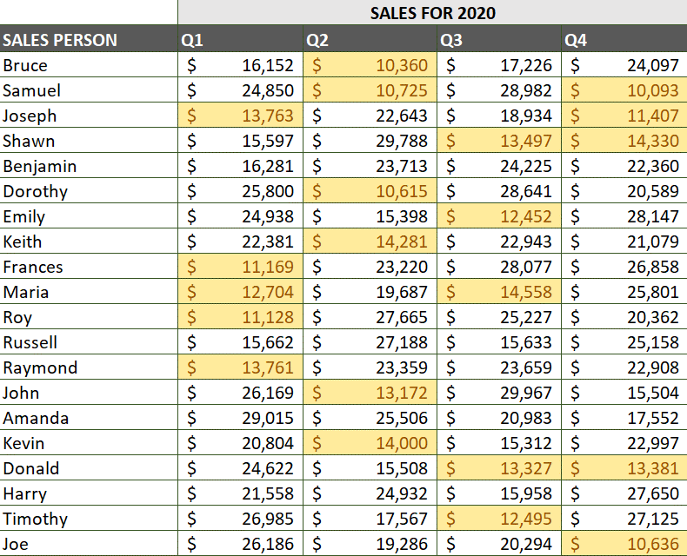
HIGHLIGHTING CELLS | LOOKING UP INFORMATION

1. On the 'Highlight_Cells' worksheet, highlight with a red fill all cells with values between '25000 and 30000'.
2. On the 'Highlight_Cells' worksheet, highlight with a yellow fill all cells with values below '15000'.
3. Delete the first rule so the worksheet ONLY shows the values below '15000'.

VISUAL CONDITIONAL FORMATTING
1. On the 'Visual_Cond_Formatting' worksheet, apply formatting to highlight data.
2 In table 1, apply orange, solid fill 'Data Bars' to all cells. Edit the rule to 'Show bar only'.
3. In table 2, apply the 'Green-Yellow-Red Color Scale' to all cells.
4. Enter the name of the Salesperson and the Quarter where the highest number of sales were achieved.
5. In table 3, apply the '4-Arrows (Colored) Icon Set' to all cells.
6. In table 4, apply the '3-Symbols (Circled) Icon Set' to all cells.
7. Edit the rule so that symbol represents values >25000 and the symbol represents values >15000.

