EXERCISE 09
EXERCISE 09

LOOKING UP INFORMATION | LOOKING UP INFORMATION
1. On the 'Test_Scores' worksheet, format the data as a table.
2. Name the table 'Test_Scores'.
3. Create a VLOOKUP formula to lookup the Physics, Biology and Chemistry test scores for the student selected in cell M4.
4. Test that the formula is working by selecting a different student from the data validation drop-down list in cell M4.

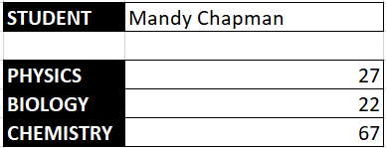

1. On the 'Student_Grades' worksheet', use VLOOKUP to find the Grade for each students average score for Science.
2. Copy the formula down for all students.
3. Notice any errors that appear in the cells.
4. Modify the formula so that instead of an error, the formula returns the text "Fail".

1. On the 'Retake' worksheet, use a formula to return the number of students who need to retake their exams, i.e. those who have failed.
LOGICAL DECISIONS
1. On the 'Christmas_Party' worksheet, use a formula to calculate which venue meets all required conditions.
2. In column G, calculate which venues can accommodate 400 or more attendees. Output the text "Yes" for a true result and "No" for a false result.
3. In column H, calculate which venues can accommodate 400 or more attendees AND are $4000 or less. Output the text "Yes" for a true result and "No" for a false result.
4. The last logical test will produce one venue that matches both conditions. Input the name of the venue to cell G22 by linking the cell.
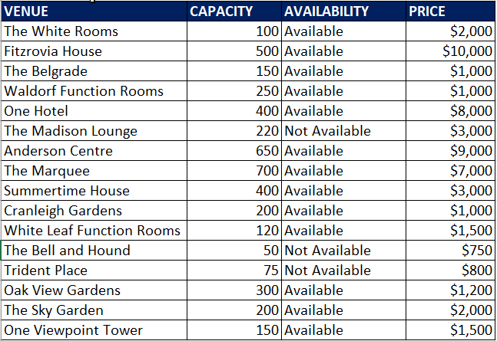

1. On the 'Order_No' worksheet, use text functions to tidy up the customer data table.
2. Use the 'Helper' column to remove erroneous spaces from the customer name AND change the case to proper case.
3. Copy and Paste the values ONLY directly over the top.
4. In columns E and F, use Flash Fill to separate the first name and last name.
5. In column G, use a text function to return the last 4 digits of the order no.
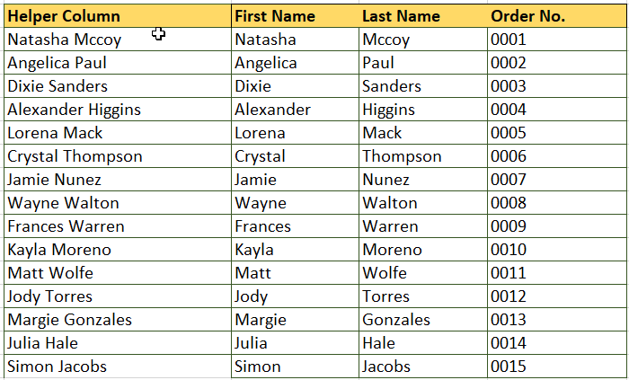
TEXT FUNCTIONS

