EXERCISE 10
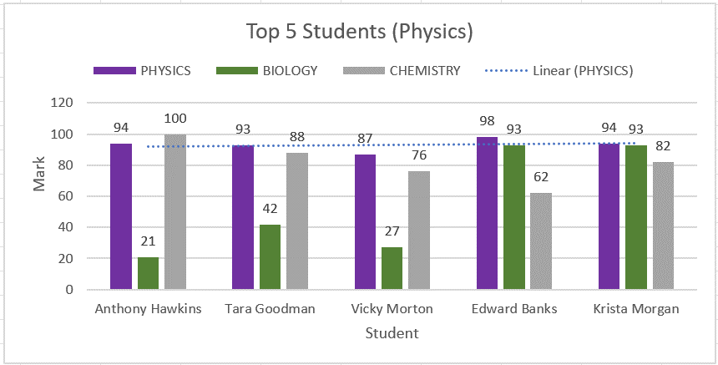
EXERCISE 10

CREATING A CHART | LOOKING UP INFORMATION
1. On the 'Charts' worksheet, format the data as a table.
2. Name the table 'Top_5_Physics'.
3. Apply a filter to the 'Physics' column to show the Top 5 students.
4. Create a '2D Clustered Column' chart.
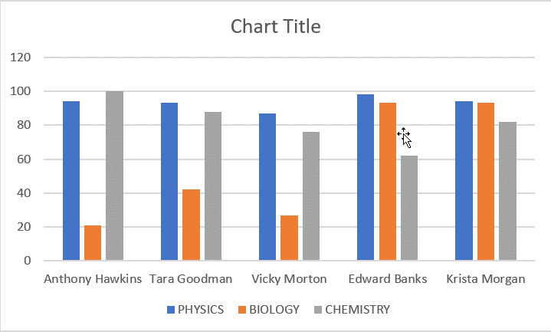

EDITING A CHART
1. Add the Chart Title 'Top 5 Students (Physics)'
2. Move the 'Legend' to the top.
3. Add 'Axis Labels' to the horizontal and vertical axis.
4. Add 'Data Labels' to the outside edge.
5. Change the color of the data bars.
6. Add a trendline to show the trend of the 'Physics' mark.

Charts
Test Scores (Marks out of 100)
Top 5 Students (Physics)
 | PHYSICS | BIOLOGY | CHEMISTRY
Anthony Hawkins | 94 | 21 | 100
Tara Goodman | 93 | 42 | 88
Vicky Morton | 87 | 27 | 76
Edward Banks | 98 | 93 | 62
Krista Morgan | 94 | 93 | 82
STUDENT | PHYSICS | BIOLOGY | CHEMISTRY
Anthony Hawkins | 94 | 21 | 100 | press the plus sign for chart elements
Tara Goodman | 93 | 42 | 88
Vicky Morton | 87 | 27 | 76
Edward Banks | 98 | 93 | 62
Krista Morgan | 94 | 93 | 82

