EXERCISE 03
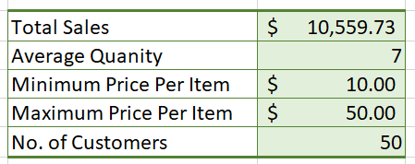
EXERCISE 03

WORKING WITH FORMULAS
1. Calculate the 'Total Sales' for all customers in column D.
2. Autofill the formula down.
3. Calculate the 'Sales Tax' for all customers in column E using the sales tax figure in cell I2.
3. Autofill the formula down. Ensure you have used the correct type of cell referencing.
4. Calculate the 'Total inc Tax' in column F.
5. Autofill the formula down.
6. Change the 'Sales Tax' to 6% and ensure the values in the table update.
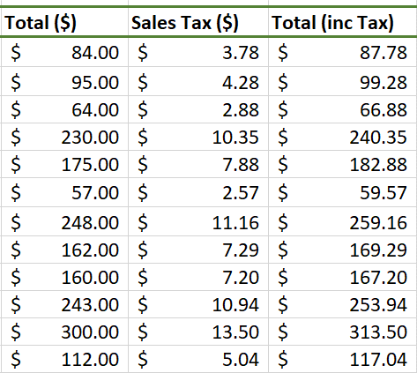

USING FUNCTIONS IN CALCULATIONS

1. In cell I4, calculate the 'Total Sales'.
2. In cell I5, calculate the 'Average Quantity' of items bought by each customer.
3. In cell I6, calculate the 'Minimum Price Per Item'.
4. In cell I7, calculate the 'Maximin Pice Per Item'.
5. In cell I8, calculate the 'Total No. of Customers'.

